ALL_DATA
 | Demand (if not specified <=> constant) |  |  | Weather (c_p_t) |  |  |  |  | Transport
 | Power | Heat | Transport |  |  |  |  |  | Private Mobility | Public Mobility | Freight Mobility
 | Lighting and co | SH | Private car | SUN | Wind | Hydro DAM | Hydro River | SUN thermal | https://www.fhwa.dot.gov/policy/2013cpr/chap1.cfm | https://www.fhwa.dot.gov/policy/2013cpr/chap1.cfm | No source
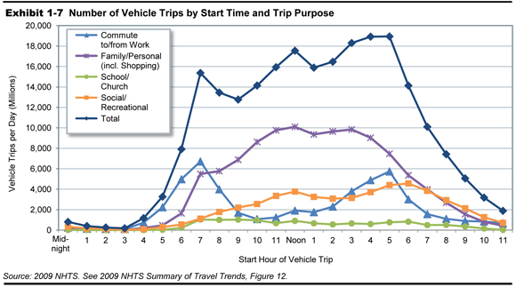
Units | norm[TWh] | norm[TWh] | norm[TWh] | norm[TWh] | norm[TWh] | norm[TWh] | norm[TWh] | norm[TWh] | norm[km-pers] | norm[km-pers] | norm[km-pers]
1 | 0.00010199671571 | 0.00026079315627 | 5.8741981719E-06 | 0 | 0.41099001567 | 0.075997030861 | 0.36808783678 | 0 | 5.8741981719E-06 | 5.8741981719E-06 | 0.00011415525114
2 | 9.7766851907E-05 | 0.00030299204888 | 2.3496792688E-06 | 0 | 0.33020899116 | 0.076429546391 | 0.36783969625 | 0 | 2.3496792688E-06 | 2.3496792688E-06 | 0.00011415525114
...

