Income Sources
 |  | Percentage
 | 1 | 91%
 | 1 | 9%
 | 1
 | 1
 | 1
 | 1
 | 1
 | 1
 | 1
 | 1
 | 1
 | 1
 | 1
 | 1
 | 1
 | 1
 | 1
 | 1
 | 1
 | 1
 | 1
 | 1
 | 1
 | 1
 | 1
 | 1
 | 1
 | 1
 | 1
 | 1
 | 1
 | 1
 | 1
 | 1
 | 1
 | 1
 | 1
 | 1
 | 1
 | 1
 | 1
 | 1
 | 1
 | 1
 | 1
 | 1
 | 1
 | 1
 | 1
 | 1
...
 | Income Sources | Max
1 | 3 | 3
7 | 2 | 2
4 | 1 | 1
2 | 8 | 8
6 | 6 | 6
5 | 9 | 9
 | Sum of Income | Sum of Income2
Jan | 84,834 | 84,834
Feb | 69,175 | 69,175
Mar | 65,641 | 65,641
Apr | 66,885 | 66,885
May | 66,885 | 66,885
Jun | 66,885 | 66,885
Jul | 66,885 | 66,885
Aug | 66,885 | 66,885
Sep | 66,885 | 66,885
Oct | 66,885 | 66,885
Nov | 66,885 | 66,885
Dec | 66,885 | 66,885
 | Total
Jan | 16,967
Feb | 13,835
Mar | 13,128
Apr | 13,377
May | 13,377
Jun | 13,377
Jul | 13,377
Aug | 13,377
Sep | 13,377
Oct | 13,377
Nov | 13,377
Dec | 13,377
 | Sum of Income | Sum of Income2
B2B | 493,010 | 60.01%
B2C | 328,602 | 39.99%
Browse
Income Sources
Geographically
Sales Process
Project Status
91%
Income Achieved
Income Sources
Grand total of income , and their breakdowns showing the achievements percentage and hightlight for most valuable source, Marketing strategies, and operating profit.
Financial Statistics
898,932
Income Target 802,618
Quantity of item's
Usage fees
Subscription
Renting
Licensing
Advertising
Asset sale
10%
11%
14%
62%
2%
0%
11,856
13,188
16,488
72,768
2,844
26
•
•
•
•
•
•
•
•
Average
Monthly Income
68,468
Operating
Profits
164,322
x̄
493,010
60%
B2B
328,602
40%
B2C
Asset sale
Licensing
Usage fees
Renting
Subscription
Advertising
27%
15%
8%
21%
19%
10%
Facebook Page
Google Ad
Television Ad
Youtube Channel
Company Website
2,440
55,842
55,838
54,141
55,837
7%
0%
7%
7%
7%
Prime
70,645
9%
Premium
55,630
7%
Equipments
56,300
7%
Renewal
84,700
10%
Lands
5,866
1%
Offices
3,797
0%
New
86,016
10%
Software Metered License
56,301
7%
Floating License
98,400
12%
Asset sale
79,860
10%

.

Geographically
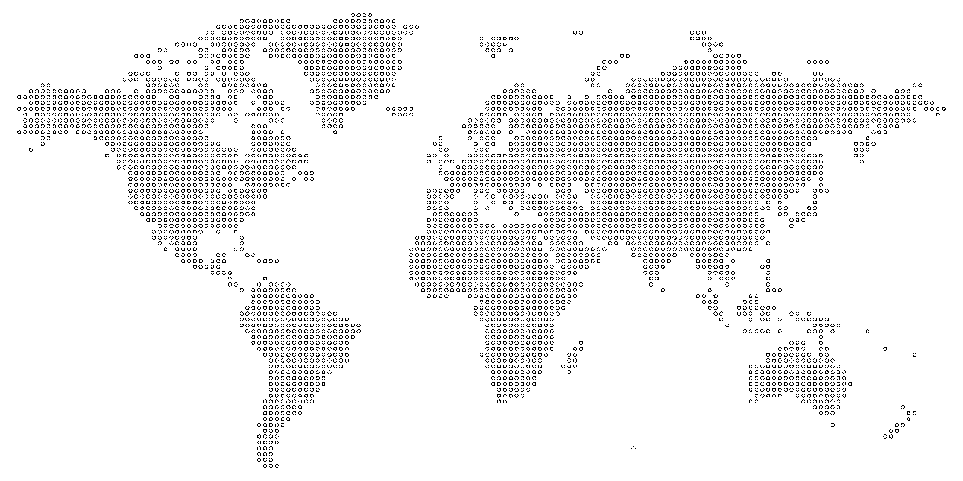
 | 22.8% | 77.2%
 | Egypt | USA | Russia | United Kingdom | Brazil | Canada
 | 30% | 17% | 17% | 17% | 10% | 10%
 |  |  | Y&X
Remaining Percentage | 27% | 0 | 1
Actual | 73% | 0.99364483721 | -0.11256081682
73%
Sales Percentage
Achieved
$62,256
Canada
$109,940
USA
$190,380
Egypt
$106,948
United Kingdom
$112,620
Russia
•
•
•
•
•
•
•
•
•
•
•
•
•
•
•
•
•
•
•
•
•
•
•
•
•
•
•
•
•
•
•
•
•
•
•
•
•
•
•
•
•
•
•
•
•
•
•
•
•
•
•
•
•
•
•
•
•
•
•
•
•
•
•
•
•
•
•
•
•
•
•
•
•
•
•
•
•
•
•
•
•
•
•
•
•
•
•
•
•
•
•
•
•
•
•
•
•
•
•
•
•
•
•
•
•
•
•
•
•
•
•
•
•
•
•
•
•
•
•
•
•
•
•
•
•
•
•
•
•
•
•
•
•
•
•
•
•
•
•
•
•
•
•
•
•
•
•
•
•
•
•
•
•
•
•
•
•
•
•
•
•
•
•
•
•
•
•
•
•
•
•
•
•
•
•
•
•
•
•
•
•
•
•
•
•
•
•
•
•

Sales Process
 | Series 1 | Series 2 | Series 3
 | 1 | 72% | 1.00
 | 1 | 28% | -0.19
 | 1
 | 1
 | 1
 | 1
 | 1
 | 1
 | 1
 | 1
 | 1
 | 1
 | 1
 | 1
 | 1
 | 1
 | 1
 | 1
 | 1
 | 1
 | 1
 | 1
 | 1
 | 1
 | 1
 | 1
 | 1
 | 1
 | 1
 | 1
 | 1
 | 1
 | 1
 | 1
 | 1
 | 1
 | 1
 | 1
 | 1
 | 1
 | 1
 | 1
 | 1
 | 1
 | 1
 | 1
 | 1
 | 1
 | 1
 | 1
...
 | Total
Branch | 957
Download | 978
Shipment | 1,180
 | Count Percentage
Paid | 79%
Refunded | 21%
|
|
|
|
|
|
|
|
X
○
○
○
○
○
•
Branches
1619
Website
1496
•
○
○
•
Credit Card
1921
Cash
1194
Non-Registered
Customer Info
1307
Registered
Customer Info
1808
Customers
3,115
Paid Orders
2,453
Financial Statistics
$1,252,013
Branch
443,544
Download
365,781
Shipment
442,688
Sales Process
Set of repeatable steps that a sale takes to take a prespective buyer from the early stage of awareness to a closed sale.
Refunded
21%
Browse
Income Sources
Geographically
Sales Process
Project Status

`1111111

Project Status
Projects Status Reporting
Annual Financial Statistics
. . . . . . . . . . . . .
. . . . . . . . . . . . .
. . . . . . . . . . . . .
. . . . . . . . . . . . .
. . . . . . . . . . . . .
. . . . . . . . . . . . .
. . . . . . . . . . . . .
Department
723,839
40% Yearly Increased
Technical
153,937
24% Quarterly Increased
License
383,130
20% Monthly Increased
Finance
Increased By 120%
Investments
125,937
20% Monthly Increased
Projects
532,137
37% Quarterly Increased
Sales
834,268
38% Yearly Increased
Project Process
2022
set of repeatable steps that a sales takes to take a prospective buyer from the early stage of awareness to a closed sale. set of repeatable steps that a sales takes to take a prospective buyer from the early stage of awareness to a closed sale. set of repeatable steps that a sales takes to take a prospective buyer from the early stage of awareness to a closed sale.
Current Status
158,432,231
Total Projects
753,453
Saving
32%
Browse
Income Sources
Geographically
Sales Process
Project Status

