ICP <> Use Case <> #Post Types
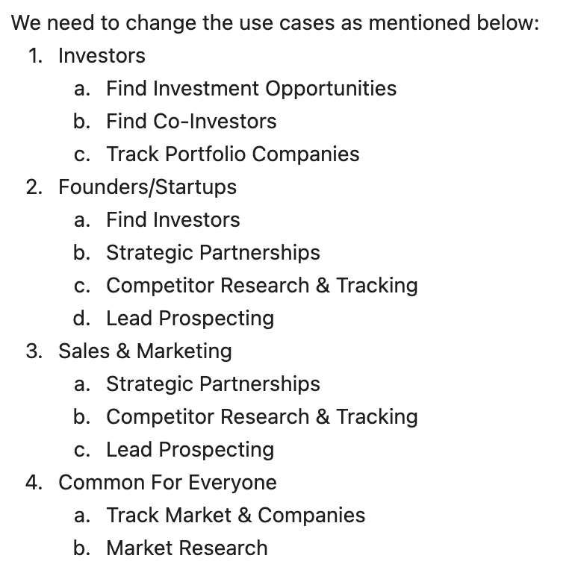
ICP | Use Case | # Post Types
Founder/CXO | Market Research | 77
 | Strategic Partnerships | 20
 | Find Investors | 16
 | Lead Generation & Account Research
 | Networking | 8
 | Competitor Analysis | 6
Investor | Market Research | 77
 | Track Portfolio Companies | 77
 | Find Investment Opportunities | 45
 | Networking | 29
 | Find Co-Investors | 26
Market Researcher | Competitor Analysis | 77
 | Market Landscape Analysis | 15
 | Trend Spotting & Innovation Discovery | 15
 | Lead Generation & Account Research | 14
 | Investment Tracking | 5
Sales & Marketing | Market Research | 77
 | Competitor Analysis | 37
 | Sales Lead Generation | 37
 | Strategic Partnerships | 20
 | Networking | 8

 |  | As it is
 |  | New addition
 |  | Remove

