Flow
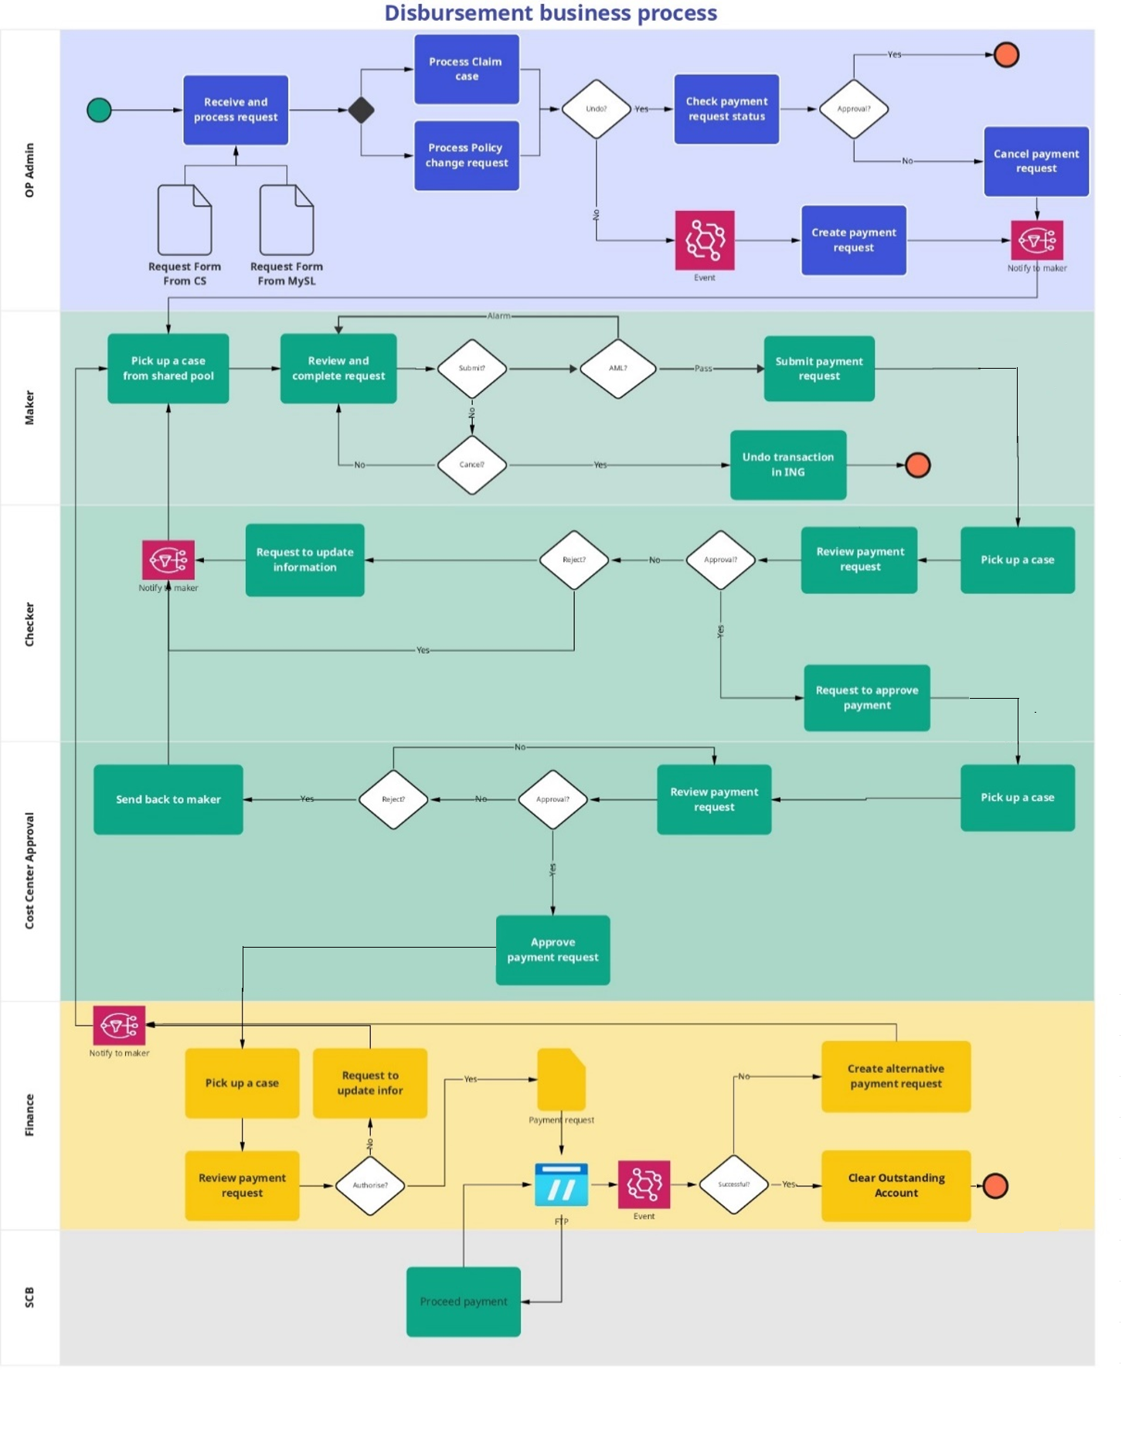
FLOW

Status log
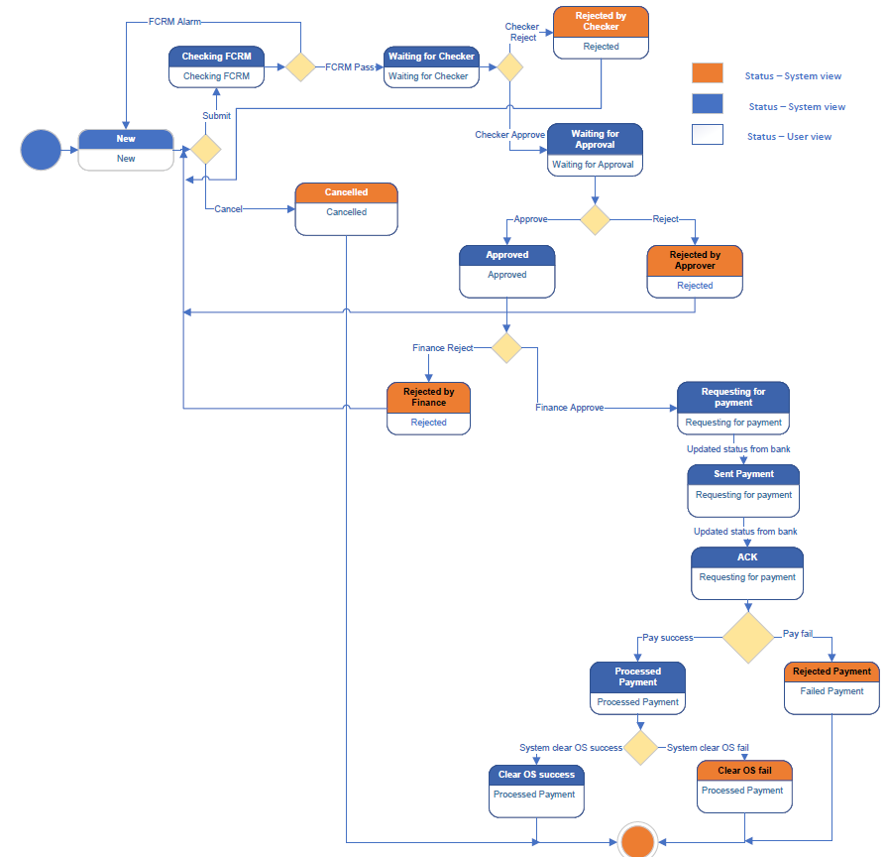
STATE DIAGRAM
No | Status - System view | Status - User view | Lock/ Unlock ING transaction | Order number
1 | New | New | Unblock | 1
2 | Checking FCRM | Checking FCRM | Unblock | 7
3 | Waiting for Checker | Waiting for Checker | Lock | 7
4 | Cancelled | Cancelled | Unlock | 7
5 | Waiting for Approval | Waiting for Approval | Lock | 7
6 | Rejected by Checker | Rejected | Unlock | 2
7 | Approved | Approved | Lock | 7
8 | Rejected by Approver | Rejected | Unlock | 3
9 | Rejected by Finance | Rejected | Unlock | 4
10 | Requesting for payment | Requesting for payment | Lock | 7
11 | Sent Payment | Requesting for payment | Lock | 7
12 | ACK | Requesting for payment | Lock | 7
13 | Processed | Processed Payment | Lock | 7
14 | Rejected by bank | Failed Payment | Unlock | 5
15 | Clear OS success | Clear OS success | Lock | 7
16 | Clear OS failed | Clear OS failed | Lock | 6

DBM_05 UI Dashboard
REQ |  | Back
UI - Payment Dashboard
Acceptance criteria

Assumption

Business rule

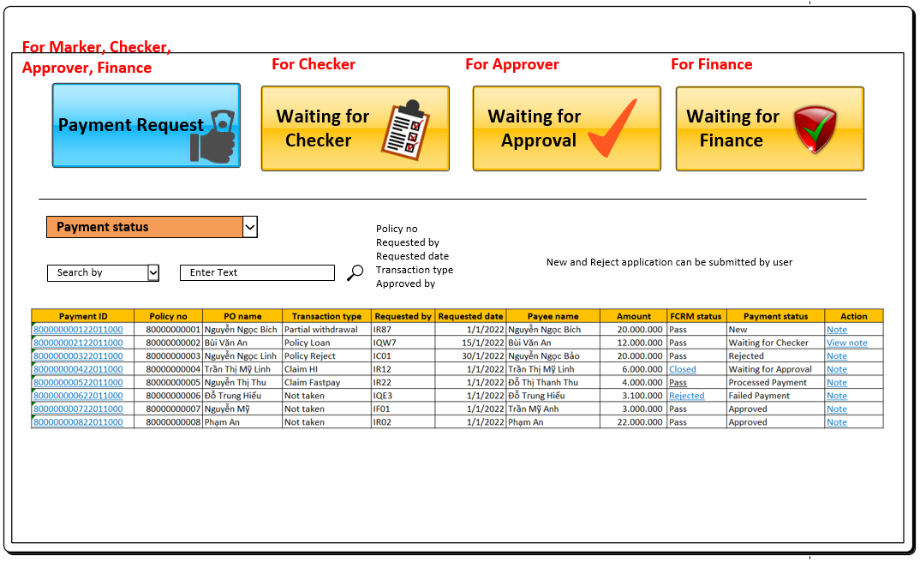
Function Requirement
REQ #1 Screen 1 - Payment Dashboard

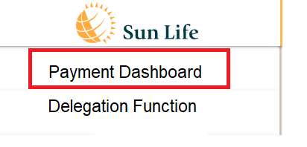

Data
This tab will display data of all payment requests
Authorization
Refer to sheet user role for more detail about the permission of each user role
Field
Field name/ Function | Data | Data type | Read only | Validation/ Function | Note
Payment ID | Dis - Payment table | Text | Yes | Embedded a link to Payment detail screen. User can click on link (), system will open the payment request screen (refer to sheet payment request UI - screen 5,6)
Policy no | Dis - Payment table | Text | Yes | N/A
PO name | Dis - Payment table | Text | Yes | N/A
Transaction type | Dis - Payment table | Text | Yes | N/A
Requested by | Dis - Payment table - Marker ID | Text | Yes | N/A
Requested date | Dis - Payment table - Created date | Date (DD/MM/ YYYY) | Yes | N/A
Payee name | Dis - Payment table | Text | Yes | N/A
Amount | Dis - Payment table | Number | Yes | N/A
Payment status | Dis - Payment table Refer to sheet status log - User view | Text | Yes | N/A
FCRM | Dis - Payment table | Text | Yes | Embedded a link to FCRM update screen if FCRM status is ALARM, REJECTED, CLOSED. User can click on link () to open the FCRM Update screen Refer to sheet DBM_08 for more detail
Function | Tooltip |  |  | Validation/ Function | Note
Note/ View note | Note/ View note |  |  | Rule of displaying field name - Display Note if there is no Note - Display View Note if there is a Note Click Note/ View note (), system will show pop-up and allow user to view and update the note. User can click Save to update Note or click No to close pop-up and not save data
Filter | Data/ Default value | Data type | Mandatory | Validation/ Function | Note
Payment status | All Status log (user view) Default value is All | Drop down list - Multiple value |  | User can select multiple values
Search by | All (Default) Policy no Requested by Requested date Transaction type Approved by | Drop down list |  | - If user chooses Policy no => a Textbox will be appeared and user can input policy no and user to search data by Policy no in payment table - If user chooses Requested by => a Textbox will be appeared and user can input requested to search data in payment table by Marker ID - If user chooses Requested date => two date picker from date, to date will be appeared and user can input date from and date to to search data by Created date of payment transaction in payment table - If user chooses Transaction type=> a drop down list will be appeared (LOV is transaction type no no default value) and user can choose Transaction type to search data by Transaction type in Payment table - If user chooses Approved by => a Textbox will be appeared and user can input approved user to search data by approver ID (user updates status to Approved in audit trail table)

Sort
Sort by (sort ascending): - Status (refer to status log - order column) - Payment date
Pagination
- 20 (default) - 50 - 100
REQ #2 - Approval Screen (3 screens)
Screen 2 Waiting for Checker |  |  |  | Screen 3 Waiting for Approval |  | Screen 4 Waiting for Finance
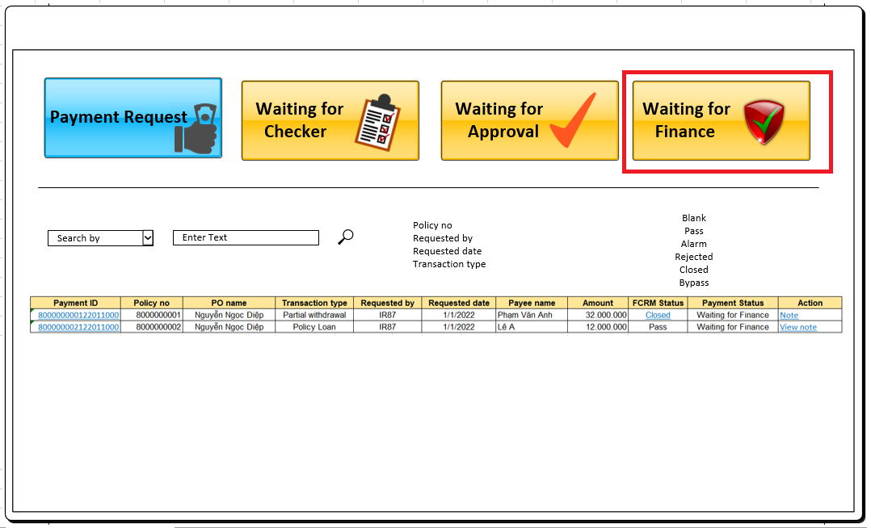
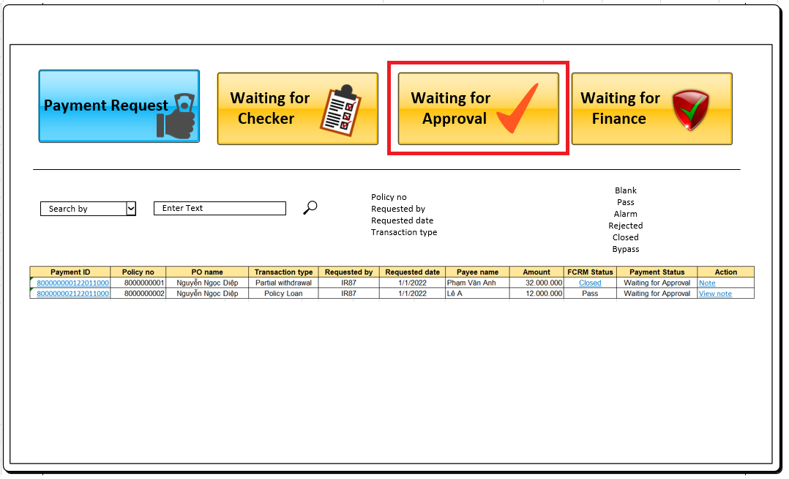
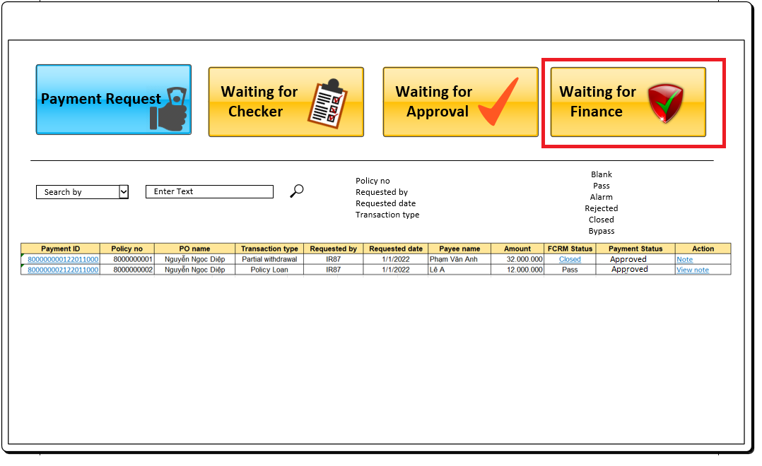

Data
This tab will display data of payment request according to the status of payment: Waiting for Checker: status Waiting for Checker Waiting for Approval: status Waiting for Approval Waiting for Finance: status Waiting for Finance
Authorization
Refer to the authority table for more detail about the permission/ authority of each user role. The Approver only can see the payment records in their authorization
Field
Field name/ Function | Data | Data type | Read only | Validation/ Function | Note
Payment ID | Dis - Payment table | Text | Yes | Embedded a link to Payment detail screen. User can click on link (), system will open the payment request screen (refer to sheet payment request UI - screen 5,6)
Policy no | Dis - Payment table | Text | Yes | N/A
PO name | Dis - Payment table | Text | Yes | N/A
Transaction type | Dis - Payment table | Text | Yes | N/A
Requested by | Dis - Payment table - Marker ID | Text | Yes | N/A
Requested date | Dis - Payment table - Created date | Date (DD/MM/ YYYY) | Yes | N/A
Payee name | Dis - Payment table | Text | Yes | N/A
Amount | Dis - Payment table | Number | Yes | N/A
Status | Dis - Payment table Refer to sheet status log - User view | Text | Yes | N/A
FCRM | Dis - Payment table | Text | Yes | Embedded a link to FCRM update screen if FCRM status is ALARM, REJECTED, CLOSED. User can click on link () to open the FCRM Update screen Refer to sheet DBM_08 for more detail
Function | Tooltip |  |  | Validation/ Function | Note
Note/ View note | Note/ View note |  |  | Rule of displaying field name - Display Note if there is no Note - Display View Note if there is a Note Click Note/ View note (), system will show pop-up and allow user to key in the note. User can click Save to update Note or click No to close pop-up and not save data
Filter | Default value | Data type | Mandatory | Validation/ Function | Note
Search by | All (Default) Policy no Requested by Requested date Transaction type |  |  | - If user chooses Policy no => a Textbox will be appeared and user can input policy no and user to search data by Policy no in payment table - If user chooses Requested by => a Textbox will be appeared and user can input requested to search data in payment table by Marker ID - If user chooses Requested date => two date picker from date, to date will be appeared and user can input date from and date to to search data by Created date of payment transaction in payment table - If user chooses Transaction type=> a drop down list will be appeared (LOV is transaction type no no default value) and user can choose Transaction type to search data by Transaction type in Payment table

DBM_06 UI Payment request
REQ |  | Back
UI - Payment request
Acceptance criteria
- User can view/ edit information of payment request with status New or Reject - User can cancel payment request and user must revert the corresponding transaction in ING by themself - User can submit payment request after reviewing/updating information - Checker/ Approver can approve/ reject payment request and cannot edit any information on this
Assumption

Business rule

Function Requirement
REQ #1 Payment Request Detail
Payment Request Detail for Maker
Screen 5 - Payment Method: Bank Transfer |  |  | Screen 6 - Payment Method: Bank Cash |  | Screen 7 - Payment Request for Approval
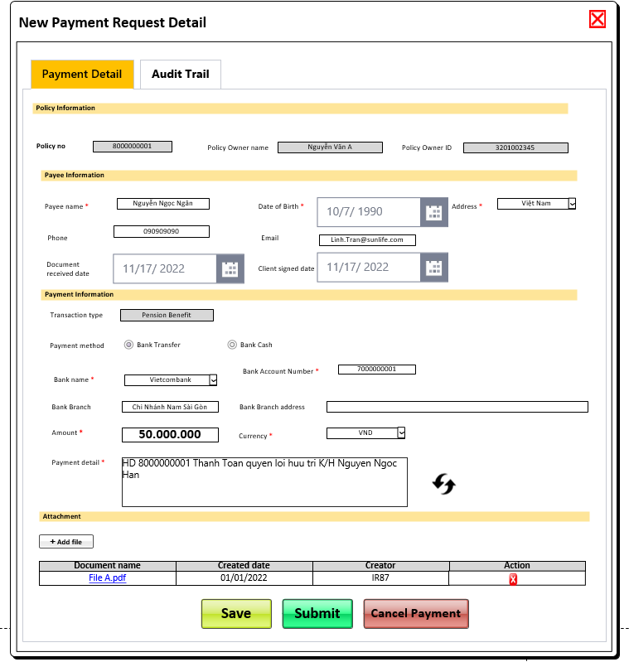
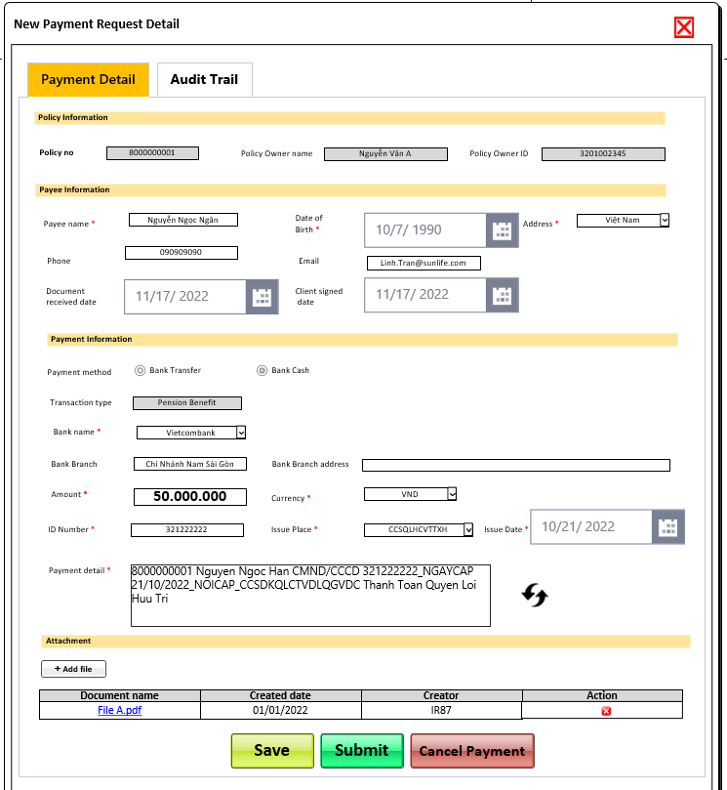
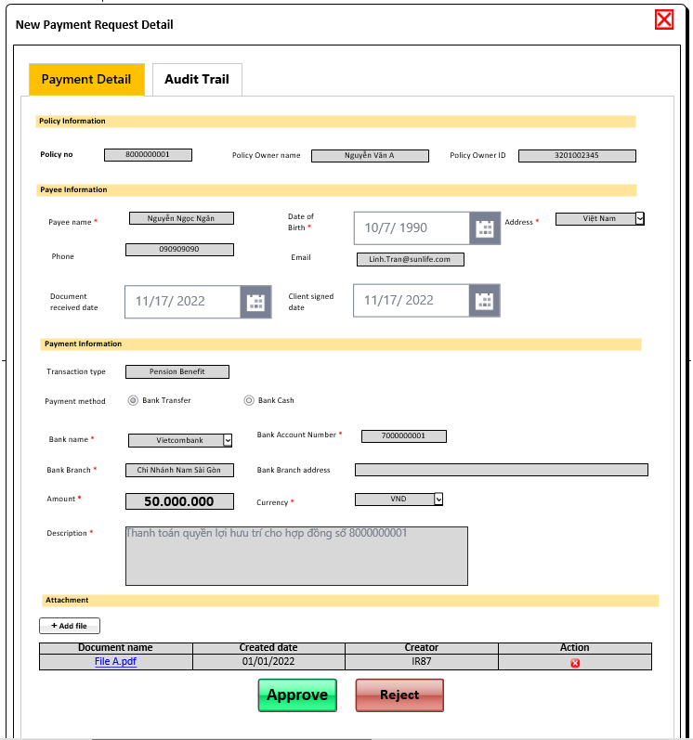

Data
The screen displays data of payment request from Dis - Payment table
Field
Field name/ Function | Data | Data type | Read only | Required | Validation/ Function | Note
Policy no | Payment table | Textbox/ Text (10) | Yes | Yes
Policy owner name | Payment table | Textbox/ Text (40) | Yes | Yes
Policy owner ID number | Payment table | Textbox/ Text (12) | Yes | Yes
Payee name | Payment table | Textbox/ Text (40) | No if payment request status is New or Reject, Yes if payment status is different from New, Reject | Yes |  | For FCRM checking
Date of birth | Payment table | Date picker | No if payment request status is New or Reject, Yes if payment status is different from New, Reject | Yes |  | For FCRM checking
Address | Payment table | Drop down list | No if payment request status is New or Reject, Yes if payment status is different from New, Reject | Yes |  | For FCRM checking
Phone | Payment table | Textbox/ Text (10) | No if payment request status is New or Reject, Yes if payment status is different from New, Reject | No
Email | Payment table | Textbox/ Text (40) | No if payment request status is New or Reject, Yes if payment status is different from New, Reject | No | value must contain "@"
Document received date | Payment table | Datepicker | No if payment request status is New or Reject, Yes if payment status is different from New, Reject | No
Client signed date | Payment table | Datepicker | No if payment request status is New or Reject, Yes if payment status is different from New, Reject | No
Payment Method | Payment table | Radio button/ Bank Transfer, Bank Cash | No if payment request status is New or Reject, Yes if payment status is different from New, Reject | Yes
Bank name | Payment table | Drop down list/ Refer to Bank list for LOV of bank name | No if payment request status is New or Reject, Yes if payment status is different from New, Reject | Yes
Bank account number | Payment table | Textbox/ Text (20) | No if payment request status is New or Reject, Yes if payment status is different from New, Reject | Yes if Payment method is bank transfer Not applicable if payment method is bank cash
Issue place | Payment table | Drop down list LOV of issue place will be synchronized from ING system | No if payment request status is New or Reject, Yes if payment status is different from New, Reject | Yes if Payment method is bank cash Not applicable if payment method is bank transfer
Issue date | Payment table | Date picker | No if payment request status is New or Reject, Yes if payment status is different from New, Reject | Yes if Payment method is bank cash Not applicable if payment method is bank transfer
Bank Branch | Payment table | Textbox/ Text nvarchar (100) | No if payment request status is New or Reject, Yes if payment status is different from New, Reject | No
Bank Branch Address | Payment table | Textbox/ Text nvarchar (200) | No if payment request status is New or Reject, Yes if payment status is different from New, Reject | No
Amount | Payment table | Number | No if payment request status is New or Reject, Yes if payment status is different from New, Reject | Yes
Currency | Payment table | Drop down list/ VND | No if payment request status is New or Reject, Yes if payment status is different from New, Reject | Yes
Payment Detail | Payment table | Textbox/ Text varchar (400) | No if payment request status is New or Reject, Yes if payment status is different from New, Reject | Yes
Attachment | Payment table | Grid view | No if payment request status is New or Reject, Yes if payment status is different from New, Reject | Yes
Document name | Document detail table | Text | Yes | No | Embedded a link to open the attached file. User can click on the link to view file in new tab
Created date | Document detail table | Date | Yes | No
Creator | Document detail table | Text | Yes | No
Function | Tooltip | Validation/ Function | Note
Add File | Note/ View note | Click Add file (), system will allow user to select a file in local to attach to the request. After user selecting the file and confirm to upload to system, system will upload file Dis server and keep track the link, document name, uploaded user ID and uploaded date Format: .msg (outlook), pdf, png, jpg, JPEG File size: maximum 3MB File name: not contain special characters Maximum number of files/ payment: 5
Submit | Submit | Submit button is enabled if payment status is New or Rejected (status - user view) and hidden if payment status is different from New or Rejected (status - user view) Click Submit (), system should (1) Validate: - Rule (1) No any data changing by another session while payment is being opened or system will show error message ER001 "Data has been changed, please close and re-open this payment request." - Rule (2) All required fields must be fullfilled or show Error message - ER002: <<Field name>> <<is required>> under that field - Rule (3) All fields should be filled with correct format or not filled data - Error - ER003 <<Field name>><<is incorrect format>> - Rule (4) Payee name should be Policy owner name and Payee ID number should be PO ID number] or show pop-up Warning message - WR001 <<Payee is different from Policy owner. Are you sure want to submit?>> - Rule (5) Actual payment amount must be greater than 0 and (less than or equal to Outstanding amount of Policy) in ING or show error message - ER004"Actual payment amount must be greater than 0 and less than or equal to Outstanding amount." under the Amount field - Rule (6) FCRM status must be blank or Closed or show pop-up Error message - ER005 <<FCRM status is>> <<FCRM status.>> (2) If pass all rules are pass or user confirm on warning message, system show pop-up "Are you sure want to submit this payment request?" User can click [a] yes to confirm and system will save data and update status of payment to FCRM checking and perform step as below and (2) track one record about payment status change in audit trail table or [b] click no to cancel this action - If FCRM status is blank or fail, system will change status of request to FCRM checking and run process of FCRM checking - If FCRM status is Closed, system will go next step to Waiting for Checker or Waiting for Approval based on the setup in Authority table
Save | Save | Save button is enabled if payment status is New or Rejected (status - user view) and hidden if payment status is different from New or Rejected (status - user view) (1) Validate: - No any data changing by another session while payment is being opened or system will show error message "Data has been changed, please close and re-open this payment request." - All fields should be filled with correct format or not filled data - Error <<Field name>><<is incorrect format>> - Amount must be greater than 0 or show error message "Amount must be greate than 0" - There is any field which is changed data or show warning message "No any changes data" (2) if all validations are pass, system will show pop-up "Are you sure want to save data? and user can click Yes to confirm on this or click No to cancel this action
Cancel Payment | Cancel Payment | Cancel payment button is enabled if payment status is New or Rejected (status - user view) and hidden if payment status is different from New or Rejected (status - user view) Click Cancel (), system will display pop-up Note (same function Note/ data storage at Dashboard screen) and user can update the Note then click save to save the Note and continue process next step. After clicking Save (), system will save information and show next pop - up "Are you sure want to Cancel this payment request? User can click yes to confirm to cancel the payment and system will update status of payment Cancelled and user must revert transaction in ING system OR click No to cancel this action
Approve | Approve | Approve button is enabled if payment status is waiting for checker or waiting for approval or waiting for finance and hidden if payment status is different from these statuses Click Approve (), system will (1) Validate: - Checker/ Approver must be different from Maker or show pop-up Error message "Checker/ Approver must be different from Maker." (2) if all validations are pass, system will show pop-up "Are you sure want to Approve this payment request? User can click [a] Yes to confirm on this and system will (1) update status of payment request as following the status flow and (2) track one record about payment status change in audit trail table or [b] click No to cancel this action
Reject | Reject | Reject button is enabled if payment status is waiting for checker or waiting for approval or waiting for finance and hidden if payment status is different from these statuses Click Reject (), system will (1) Validate: - Checker/ Approver must be different from Maker or show pop-up Error message "Checker/ Approver must be different from Maker." (2) if all validations are pass, system will display pop-up Note (same function Note/ data storage at Dashboard screen) and user can update the Note then click save to save the Note and continue process next step. After clicking Save (), system will save information and show next pop - up "Are you sure want to Reject this payment request? User can click [a] Yes to confirm on this and system will update status of payment request as following the status flow and (2) track one record about payment status change in audit trail table or [b] click No to cancel this action
 | Generate the payment detail | This button is enabled if payment status is waiting for New or Rejected (status - user view) and hidden if payment status is different from these statuses Generate Description as Rule: - If Payment method is Bank Transfer, Description should be ["HD " & <<Policyno>> &" " <<Transaction type name VN (remove VN sign)>> &<<Policy Reject reason (if any)>> & " K/H" &<<Payee name>>] Example: HD 8000000001 Thanh toan claim K/H Nguyen Thi Ngoc Hang HD 8000000001 Hoan phi cho khach hang do Cty tu choi do nghe nghiep K/H Nguyen Thi Ngoc Hang - If Payment method is Bank cash, Description should be <<Policy No>> <<Payee Name> CMND/CCCD <<Payee ID No>> NGAYCAP <<Issue Date>> NOICAP <<Issue Place>> <<Transaction type name VN (remove VN sign)>> Example: 8000000001 Nguyen Thi Ngoc Hang CMND/CCCD 321009009 NGAYCAP 01/01/2022 NOICAP CCSDKQLCTVDLQGVDC Huy hop dong trong 21 ngay can nhac 8000000001 Nguyen Thi Ngoc Hang CMND/CCCD 321009009 NGAYCAP 01/01/2022 NOICAP CCSDKQLCTVDLQGVDC Hoan phi cho khach hang do Cty tu choi do nop sai |  |  |  |  | Screen 4 Waiting for Finance
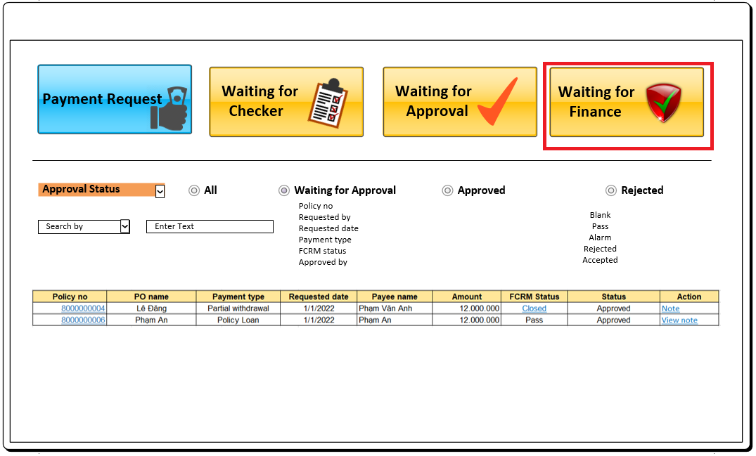
 | Remove document | Remove button is enabled if payment status is waiting for New or Rejected (status - user view) and hidden if payment status is different from these statuses Click () Remove record from Payment document table

DBM_07 UI Audit Trail
REQ |  | Back
UI - Audit trail
Acceptance criteria
- User can view the history of status update of payment request
Assumption

Business rule

Function Requirement
REQ #1. System should track all the history of changing status of payment request into the audit trail table
REQ #2. Display the history of changing status (system view) of payment request on UI |  |  |  |  |  | Payment Request for Approval
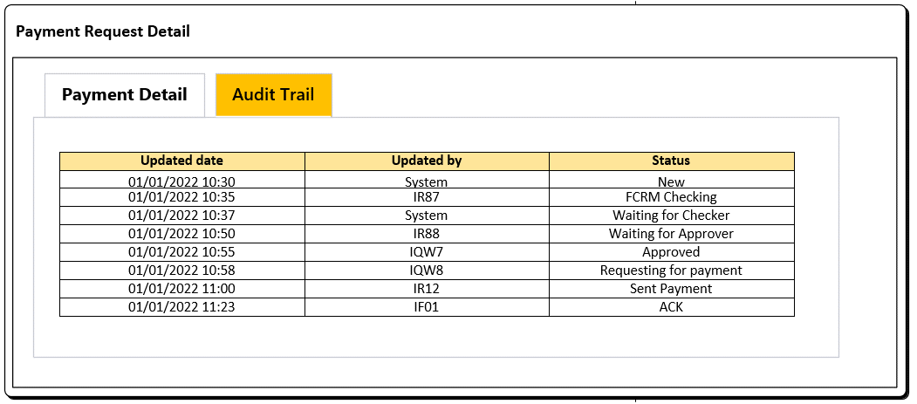
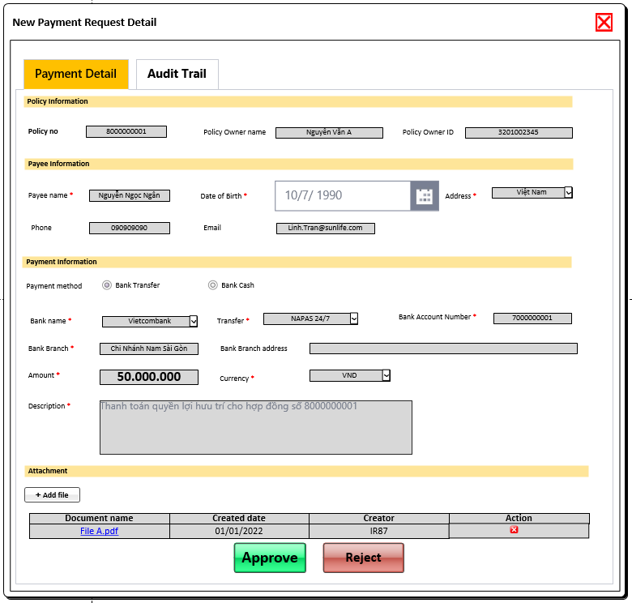

Data
System will show data from Audit trail table (History of changing payment status)
Field
Field name/ Function | Data | Data type | Read only | Validation/ Function | Note
Updated date | Audit trail table | Data grid view/ Datetime | yes | N/A
Updated by | Audit trail table | Data grid view/ Text | yes | N/A | Nếu trường hợp có delegate thì field này là user của người delegate. Ví dụ user A delegate cho user B sau đó user B active user as user A và approve thì chỗ này sẽ là user B
Status | Audit trail table | Data grid view/ Text | yes | N/A

 |  |  |  |  |  |  | Screen 4 Waiting for Finance

Data
This tab will display data of all payment request
Authorise
Authority by section - User in group NB only can see payment request from NB - User in group NB only can see payment request from NB - User in group NB only can see payment request from NB
Field
Field name/ Function | Data | Data type | Read only | Validation/ Function | Note
Case ID
Policy no
PO name
Payment type
Requested by
Requested date
Payment name
Amount
Status
FCRM
Ref ID
Function | Tooltip |  |  | Validation/ Function | Note
Note/ View note | Note/ View note
Filter | Default value | Data type | Mandatory | Validation/ Function | Note
Application status
Search by

DBM_08
User story |  | Back
Automatically check FCRM after Maker Submitted application
Acceptance criteria
- Payee infor. will be automatically checked FCRM by system - User can see the FCRM checking result and update the result after verifying
Assumption

Business rule

Function Requirement
REQ #1 Automatically Checking FCRM for Payment
After marker submitted application, system will process step of checking FCRM: (for all payments) - (1) Change status of payment to FCRM Checking and - (2) If current FCRM status is Fail or Blank, System calls FCRM API to check FCRM based on 3 elements such as payee full name, payee date of birth (following API format), Country of registered address (country ISO code) - (3) Receive the result: System receives the checking result back from FCRM API and update the following FCRM status + If system finds any record for payee in the FCRM result=> Update FCRM status of payee to ALARM and payment status to previous status of payment + If system does not find any record for payee in the FCRM result => Update FCRM status of payee to PASS and update payment status to Waiting for Checker and process next steps * Fast pay case: FCRM status of fast pay case should be bypass Exception: If there is any error while checking FCRM, FCRM status will be update to Fail and payment status will be updated to previous status and user can re-submit application to re-validate FCRM.
REQ #2 Display FCRM status
System should display the FCRM status at payment dashboard screen (refer to UI for more detail) and embedded a link to FCRM Update window if FCRM status is Alarm or Closed or Rejected User can click on link () to see the window of FCRM Update User only can update FCRM information if payment status is New or Rejected (user view) or system will show error message "Application has been sumitted and user cannot update FCRM decision."
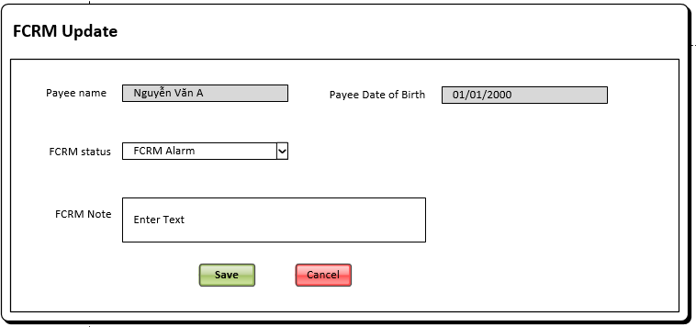

Field name/ Function | Data | Data type | Read only | Validation/ Function | Note
Payee name | Payee name | Text | Yes | N/A
Date of Birth | Payee date of birth | Text | Yes | N/A
FCRM status | FCRM status: Alarm Closed Rejected | Text/ Drop down list | No | N/A
FCRM note | FCRM Note | Text (200)/ textbox | No | N/A
Function
Save () |  |  |  | After clicking on Save (), if data no changed system will show alert "Data no change" otherwise system will show alert "Are you sure want to update FCRM status?". User can click OK to confirm to update data or click No to close pop-up and back to current window
Cancel () |  |  |  | Close window with not save data (not show pop-up)

Data
This tab will display data of all payment request
Authorise
Authority by section - User in group NB only can see payment request from NB - User in group NB only can see payment request from NB - User in group NB only can see payment request from NB
Field
Field name/ Function | Data | Data type | Read only | Validation/ Function | Note
Case ID
Policy no
PO name
Payment type
Requested by
Requested date
Payment name
Amount
Status
FCRM
Ref ID
Function | Tooltip |  |  | Validation/ Function | Note
Note/ View note | Note/ View note
Filter | Default value | Data type | Mandatory | Validation/ Function | Note
Application status
Search by

DBM_14
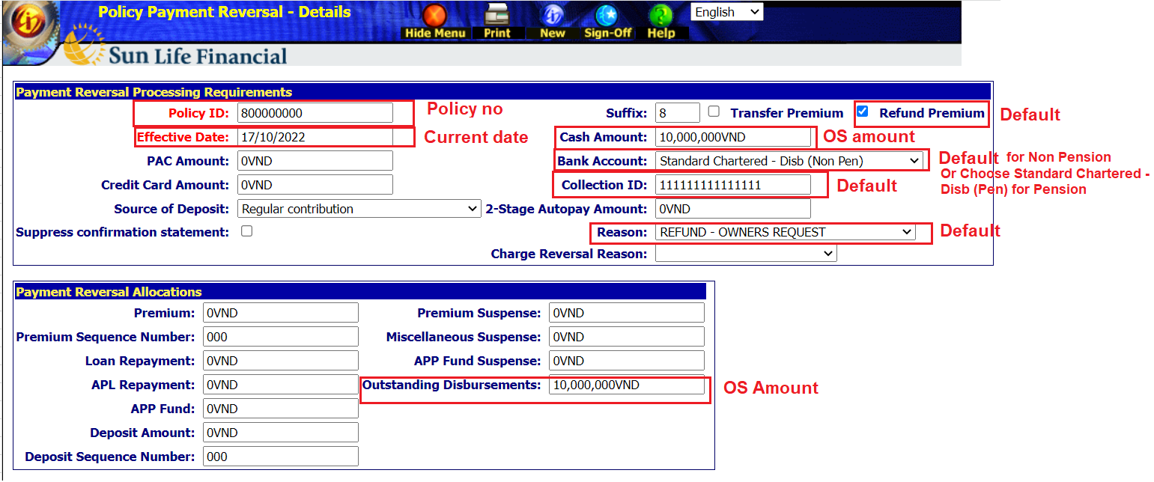
REQ | Back
Clear OS in ING system if the result from is processed
Acceptance criteria
Clear OS (259800) in ING system after receving the result success from bank
Assumption

Business rule

Function Requirement
REQ 1 Clear OS in ING system
System will call pathfinder ING to clear OS if Payment status is Processed. After completed, system will recevied the result from ING system: - If Update successfully, system will update status of payment to Clear OS success - If Update fail, system will update status of payment to Clear OS Fail
Exception If there is any error while processing, system should update payment status to Clear OS Fail
ING screen |  | Discuss with accounting
Note: Phần này kế thừa luồng fastpay tuy nhiên Fastpay chưa có clear case cho HĐ pension nên cần enhance thêm việc phân biệt clear OS cho Pension và Non Pension dựa vào HĐ đầu 9 hoặc khác đầu 9

DBM_15
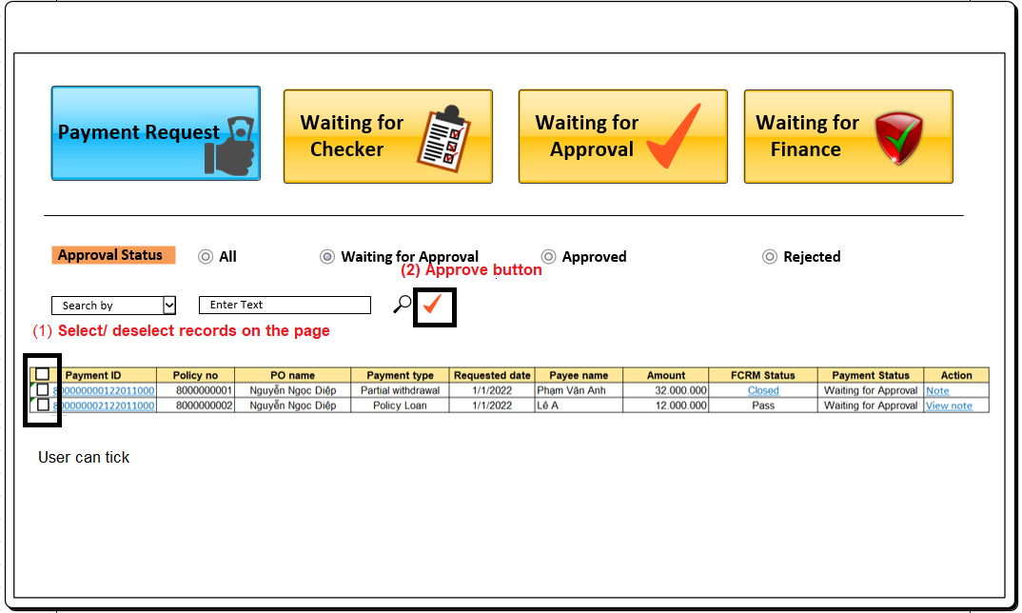
REQ | Back
Approve for multiple transactions
Acceptance criteria
User can select/ deselect payment requests and approve for selected payment request
Assumption

Business rule

Function Requirement
REQ #1 Approve for multiple transactions
User can tick on checkbox to select/ deselect one or more payment requests need to approve User can tick on the select/ deselect all to select/ deselect all payment request per current page Approve button: - Approve button is only enabled if there is at least one record is selected - Click approve (), system will show warning message call the validation of Approve button and process as practice of Approve button for all selected payment request Applicable for: This function is only application for payment in pool Waiting for Checker,Waiting for Approval and Waiting for Finance, and not applicable for pool Payment request

DBM_17
REQ | Back
Delegation function to allow an approver delegating to a specific user
Acceptance criteria
- User can delegate the approval authority to a specific user - User can see the history of delegation - User can cancel the delegation if it is active - User can active user with role of authorizing person
Assumption

Business rule

Function Requirement
REQ #1: Design the Delegation Function screen
User click on Delegation Function (), system will display the Delegation screen
Authorization: only user with user role as below can access the Delagation Function - DISBURSEMENT - NBClaim - DepartmentHead - DISBURSEMENT - POS - UnitHead - DISBURSEMENT - POS - DepartmentHead - DISBURSEMENT - CCO - DISBURSEMENT - CFO
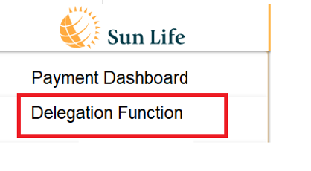

 |  |  | Field name/ Function | Data | Data type | Read only | Validation/ Function
 |  |  | EFD From | Delegate table | Data grid/ Datetime | Yes
 |  |  | EFD To | Delegate table | Data grid/Datetime | Yes
 |  |  | Delegate to | Delegate table | Data grid/ Text | Yes
 |  |  | Department | Delegate table | Delegate table | Yes
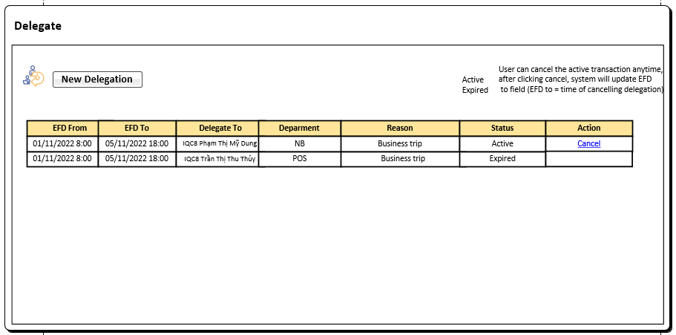
 |  |  | Reason | Delegate table | Data grid/ Text | Yes
 |  |  | Status | Delegate table | Data grid/ Text | Yes | Active/ Expired Status will be automatically updated to Expried the current datetime> to date
 |  |  | Cancel | Delegate table | Data grid/ Text | Yes | Cancel button is only enabled if delegate transaction's status is active. Click Cancel (), system will update status of transaction is Expired and Effective datetime = time of cancelling delegation

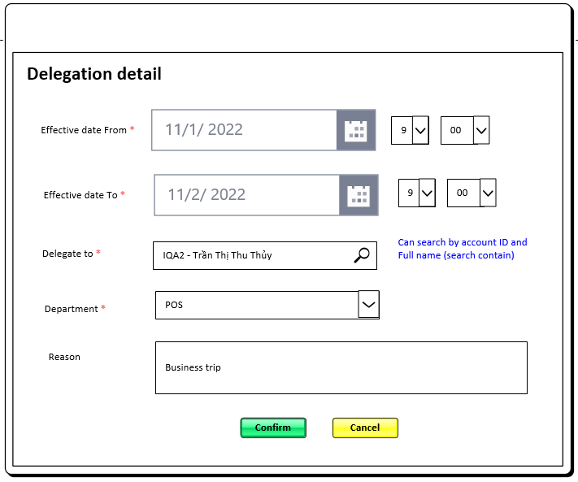
 |  |  | Field name/ Function | Default | Data type/ Data | Read only | Required | Validation/ Function | Note
 |  |  | EFD From | Current date time | Datetime picker | No | Yes
 |  |  | EFD To | Current date time | Datetime picker | No | Yes | EFD to must be > EFD from or show error message "Effective from must be greater than Effective date to"
 |  |  | Delegate to | N/A | Drop down list | No | Yes | Can search by account ID or full name (search contain) Only display user which is authorized in Disbursement system
 |  |  | Department | All | Drop down list: LOV: + All +List of departments which under user's authority. (All, NB, POS, Claim) Example: (1) User with role DISBURSEMENT - CCO can delegate transaction belong to department NBU, POS, Claim. (2) User with role DISBURSEMENT - POS - DepartmentHead can delegate transaction belong to department POS (3) User with role DISBURSEMENT - NBClaim - DepartmentHead can delegate transaction belong to department NB, Claim Refer to the the Authority table for more detail about user authority and department | No | Yes
 |  |  | Reason | N/A | Textbox/ Text (200) | No | No | N/A
 |  |  | Confirm |  |  |  |  | Click Confirm (), system will validate: - All required fields must be fullfiled or show error message "<<Field name>> <<is required>> under the field If all validations are pass, system will: - Save information and back to Delegation function screen. The authorized person (người được ủy quyền) can approve and receive the notification of delegated transactions during the delegated time. The authorizing person (người ủy quyền) still can approve and receive the notification during the delegated time.
REQ #2 |  |  | Cancel |  |  |  |  | Close screen and back to delegate function screen

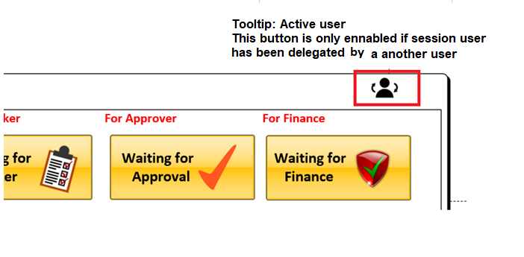 |  | 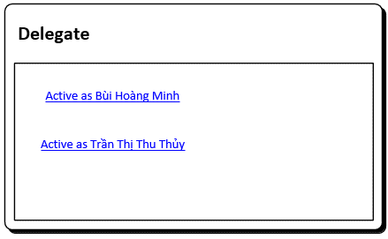 |  | 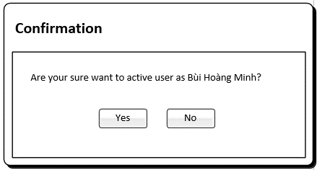

 |  | The screen of active user below displays the links to active user as authorizing person. It mean if current session user has been delegated by user A and user B, when they access to Disbursement system, they can see the active link as user of A and user B This screen should only display link of active record of delegation Example: - User Nguyen Ngoc Le Chi is delegated by User Bui Hoang Minh and User Tran Thi Thu Thuy. Then user Nguyen Ngoc Le Chi login to system Disbursement and she can see the link to active user as Bui Hoang Minh or Tran Thi Thuy Thuy during the delagated time. |  |  | User can click Yes to confirm to active user as authorizing person and they can approve all transactions belongs to authorizing person's authority. When they approve, system should record information as below: - Approver ID: user of authorizing person - current session user: user ID of authorized person (current session user ID)

