Table 1
Column3 | Description of items | Quantit y | Countr y | Image
Sl.No | Trampoline full Round 6 Ft | 1 | China
1 | Semi Circular wooden ID SM | 1 | India
2 | Gymnastic Ring wooden ID AZ | 1 | India
3 | Weighted cuff 1kg set of 2pcs ID AZ | 1 | USA
4 | Bolster swing 9 dia ID F,C | 1 | India
5 | Bean bag 4XL ID AZ | 1 | India
6 | Stepping Stone 5pcs in a set ID D.C | 1set | USA
7 | Balance Beam interlocking set Balance And Build activity Play ID590245430 | 1set | USA
8 | Sensory Body Sock PCS ID AZ | 1 | China
9 | Model D202 Speaker Computer usb wired combination size 2in1 - 5.03inch | 1 | China
10 | Sensory Ball Chair ID DC | 1 | USA
11 | Vibrating Hand Massager Dr USA | 1 | India |  | 0
12 | Art3d Sensory Liquid Floor tiles 11.8x11.8 Square set of 6pcs id240919202 | 1set
13 | 2000 balls + Ball pit with balls-1000 with 3step ladder Size 7x5x3ft | 1set | India
14 | Gym Balls- 65cm pcs | 1pcs | India
15 | Peanut Balls size 95cm45 pcs | 1pcs | India
16 | Texture Gym Balls size 65cm pcs | 1pcs | India
17 | Goplus Crash Pad 57x57/47x35.5 Sensory Mat with Foam Washable velvet cover for kids therapy jump Relax ID614824529 | 1SET | USA
18 | Crash Pad For kids Sensory Big Size-5ftx5ft Soft Foam Landing For Kids ID710125420 | 1set | USA
19 | LONGRUN 48 Mirror Waterfall Indoor water fountain with 7 color LED Lights Stainless Steel Self- Size 17’Lx7’Wx48’H -ID657933815 | 1set | USA | `
20 | Step And Hop | 1set | India
21 | Subao Sensory Toys For Kids Autism 70’’ Astronaut Galaxy Inflatable Light Up Sensory Tent For School Indoor play Tent Ages 4-16 ID663968350 | 1set | USA
22 | Special Supplies Sensory Brush Therapressure Therapy Brush occupational sensory Brushing pack of -6 pcs ID288442114 | 1set | USA
23 | 16 Set Sensory Mats Mixed Tactile wall Panel For Autistic Children Assorted Textured Floor Tiles Education Learning Toys Round 8.3 Inch ID601577567 | 1Set | USA
24 | Community Hand Puppet Helper Set Of 10pcs | 1set | India
25 | 5 Meter LED Strip Light 300 led RGB Strip light with Adapter Operated with 16 Modes Remote Controller set ID Az Gesto | 1set | China
26 | Early Intervention Standing Frame Wooden and metal mix IMI1501 | 1set | India
27 | Body Hug Roller with 2 pair of Roller | 1pcs | India | 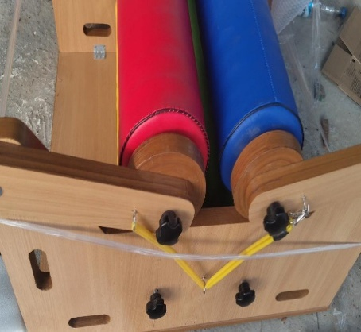
* | Total

