Q8
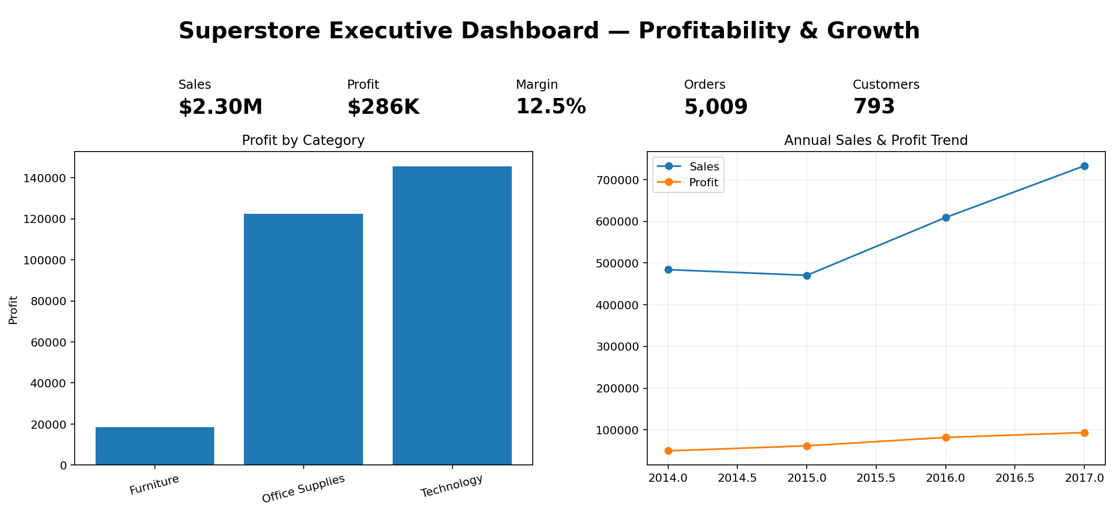
Item | Answer
Dashboard purpose | Give management a fast view of sales, profit, margin and the biggest profitability risks.
KPI cards | Total Sales, Total Profit, Profit Margin, Orders, Customers.
Trend visualization | Monthly/annual Sales and Profit trend.
Category analysis | Sales vs Profit by Category/Sub-Category; highlight Furniture/Tables risk.
Regional comparison | Sales and Profit Margin by Region.
Discount analysis | Profit Margin and Profit by Discount Band.
Filters | Year, Region, Category, Segment, Ship Mode.
Dashboard link | To be created by the user after publishing in Looker Studio.
Dashboard screenshot | A non-interactive mockup is included as dashboard_mockup.png; the assessment requires an interactive Looker Studio dashboard and shareable link.

