data_dictionary
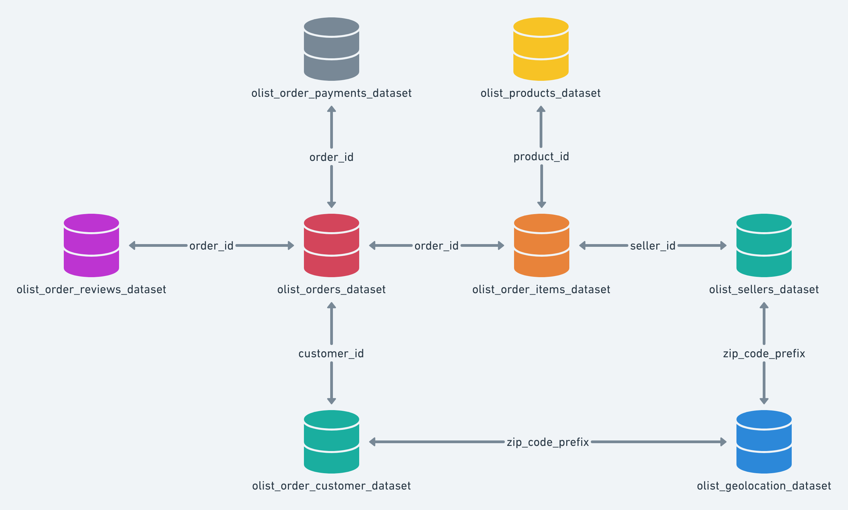
table_name | column_name | data_type | description | sample_values | cleaned? | cleaned_name | used_in_kpi | kpi_reference | cleaning_notes
raw_customers | customer_id | CHAR(32) | customer ID | 06b8999e2fba1a1fbc88172c00ba8bc7, 18955e83d337fd6b2def6b18a428ac77 | yes | clean_customers
raw_customers | customer_unique_id | CHAR(32) | unique customer ID | 861eff4711a542e4b93843c6dd7febb0, 290c77bc529b7ac935b93aa66c333dc3 | yes | clean_customers
raw_customers | customer_zip_code_prefix | INT | customer Zip code | 14409, 9790, 1151 | yes | clean_customers
raw_customers | customer_city | VARCHAR(100) | customer city in Brazil | franca, sao paulo, timoteo | yes | clean_customers
raw_customers | customer_state | CHAR(2) | customer state in Brazil | SP, SC, MG | yes | clean_customers
raw_geolocation | geolocation_zip_code_prefix | INT | zipcode | 1037 | yes | clean_geolocation
raw_geolocation | geolocation_lat | DECIMAL(9,6) | latitude | -23.545621281 | yes | clean_geolocation
raw_geolocation | geolocation_lng | DECIMAL(9,6) | longitude | -46.639292048 | yes | clean_geolocation
raw_geolocation | geolocation_city | VARCHAR | city in Brazil | sao paulo | yes | clean_geolocation
raw_geolocation | geolocation_state | CHAR(2) | state in Brazil | SP | yes | clean_geolocation
raw_order_items | order_id | CHAR(32) | order ID | 00010242fe8c5a6d1ba2dd792cb16214 | yes | clean_order_items
raw_order_items | order_item_id | INT | item number in order (1items, 2items, etc…) | 1 | yes | clean_order_items
raw_order_items | product_id | CHAR(32) | product ID | 4244733e06e7ecb4970a6e2683c13e61 | yes | clean_order_items
raw_order_items | seller_id | CHAR(32) | seller ID | 48436dade18ac8b2bce089ec2a041202 | yes | clean_order_items
raw_order_items | shipping_limit_date | TIMESTAMP | ? | 9/19/17 | yes | clean_order_items
raw_order_items | price | FLOAT | cost of order | 58.9 | yes | clean_order_items
raw_order_items | freight_value | FLOAT | ? | 13.29 | yes | clean_order_items
raw_order_payments | order_id | CHAR(32) | order ID | b81ef226f3fe1789b1e8b2acac839d17 | yes | clean_order_payments
raw_order_payments | payment_sequential | INT | ? | 1 | yes | clean_order_payments
raw_order_payments | payment_type | VARCHAR | what was used to pay | credit_card | yes | clean_order_payments
raw_order_payments | payment_installments | INT | ? | 8 | yes | clean_order_payments
raw_order_payments | payment_value | FLOAT | ? | 99.33 | yes | clean_order_payments
raw_order_reviews | review_id | CHAR(32) | review ID | 7bc2406110b926393aa56f80a40eba40 | yes | clean_order_reviews
raw_order_reviews | order_id | CHAR(32) | order ID | 73fc7af87114b39712e6da79b0a377eb | yes | clean_order_reviews
raw_order_reviews | review_score | INT | rating of order | 4 | yes | clean_order_reviews
raw_order_reviews | review_comment_title | VARCHAR | title of review comment | recomendo, Muito bom. | yes | clean_order_reviews |  |  | REMOVED
raw_order_reviews | review_comment_message | TEXT | message of review comment | A compra foi realizada facilmente. O produto jÃ¡ comeÃ§ou a ser usado e atÃ© o presente, sem problemas. | yes | clean_order_reviews
raw_order_reviews | review_creation_date | TIMESTAMP | date of review creation | 1/18/18 | yes | clean_order_reviews
raw_order_reviews | review_answer_timestamp | TIMESTAMP | timestamp of review answer | 1/18/18 | yes | clean_order_reviews
raw_orders | order_id | CHAR(32) | order ID | e481f51cbdc54678b7cc49136f2d6af7 | yes | clean_orders |  |  | removed two order ids (2d858f451373b04fb5c984a1cc2defaf, "2aa91108853cecb43c84a5dc5b277475).
raw_orders | customer_id | CHAR(32) | customer ID | 9ef432eb6251297304e76186b10a928d | yes | clean_orders
raw_orders | order_status | VARCHAR(20) | status of order (shipped, canceled, etc..) | delivered | yes | clean_orders
raw_orders | order_purchase_timestamp | TIMESTAMP | date of order purchase | 10/2/17 | yes | clean_orders
raw_orders | order_approved_at | TIMESTAMP | date of order approval | 10/2/17 | yes | clean_orders |  |  | missing values with value 'delivered' replaced with 'order_purchase_timestamp' value
raw_orders | order_delivered_carrier_date | TIMESTAMP | date of delivery to carrier | 10/4/17 | yes | clean_orders
raw_orders | order_delivered_customer_date | TIMESTAMP | date of deliery to customer | 10/10/17 | yes | clean_orders |  |  | imputed with 'order_estimated_delivery_date'
raw_orders | order_estimated_delivery_date | TIMESTAMP | estimated delivery date | 10/18/17 | yes | clean_orders
raw_products | product_id | CHAR(32) | product ID | 1e9e8ef04dbcff4541ed26657ea517e5 | yes | clean_products
raw_products | product_category_name | VARCHAR | product category type | perfumaria | yes | clean_products |  |  | missing was replaced with 'unknown'
raw_products | product_name_lenght | INT | length of product name | 40 | yes | clean_products |  |  | REMOVED
raw_products | product_description_lenght | INT | product description length | 287 | yes | clean_products |  |  | REMOVED
raw_products | product_photos_qty | INT | product photos | 1 | yes | clean_products |  |  | REMOVED
raw_products | product_weight_g | INT | product weight in grams | 225 | yes | clean_products |  |  | imputed with median
raw_products | product_length_cm | INT | product length in cm | 16 | yes | clean_products |  |  | imputed with median
raw_products | product_height_cm | INT | product height in cm | 10 | yes | clean_products |  |  | imputed with median
raw_products | product_width_cm | INT | product width in cm | 14 | yes | clean_products |  |  | imputed with median
raw_sellers | seller_id | CHAR(32) | seller ID | 3442f8959a84dea7ee197c632cb2df15 | yes | clean_sellers
raw_sellers | seller_zip_code_prefix | INT | seller zip code in Brazil | 13023 | yes | clean_sellers
raw_sellers | seller_city | VARCHAR | seller city in Brazil | campinas | yes | clean_sellers
raw_sellers | seller_state | CHAR(2) | seller state in Brazil | SP | yes | clean_sellers
raw_product_category_name_translation | product_category_name | VARCHAR | name in portuguese | beleza_saude | yes | clean_product_category_name_translation
raw_product_category_name_translation | product_category_name_english | VARCHAR | name in english | health_beauty | yes | clean_product_category_name_translation
master_orders | order_id | CHAR(32) |  | e481f51cbdc54678b7cc49136f2d6af7 | yes | master_orders
master_orders | customer_id | CHAR(32) |  | 9ef432eb6251297304e76186b10a928d | yes | master_orders
master_orders | order_status | VARCHAR(20) |  | delivered | yes | master_orders
master_orders | order_purchase_timestamp | TIMESTAMP |  | 10/2/17 | yes | master_orders |  |  | ensured conversion to date-time formart
master_orders | order_approved_at | TIMESTAMP |  | 10/2/17 | yes | master_orders |  |  | ensured conversion to date-time formart
master_orders | order_delivered_carrier_date | TIMESTAMP |  | 10/4/17 | yes | master_orders |  |  | ensured conversion to date-time formart
master_orders | order_delivered_customer_date | TIMESTAMP |  | 10/10/17 | yes | master_orders |  |  | ensured conversion to date-time formart
master_orders | order_estimated_delivery_date | TIMESTAMP |  | 2017-10-18 | yes | master_orders |  |  | ensured conversion to date-time formart
master_orders | customer_unique_id | CHAR(32) |  | 7c396fd4830fd04220f754e42b4e5bff | yes | master_orders
master_orders | customer_city | VARCHAR(100) |  | sao paulo | yes | master_orders
master_orders | customer_state | CHAR(2) |  | SP | yes | master_orders
master_orders | customer_zip_code_prefix | VARCHAR(5) |  | 3149 | yes | master_orders |  |  | average of zip code long and lat zip codes
master_orders | product_id | CHAR(32) |  | 87285b34884572647811a353c7ac498a | yes | master_orders
master_orders | seller_id | CHAR(32) |  | 3504c0cb71d7fa48d967e0e4c94d59d9 | yes | master_orders
master_orders | price | DECIMAL(10,2) |  | 29.99 | yes | master_orders
master_orders | product_category_name | VARCHAR(100) |  | utilidades_domesticas | yes | master_orders
master_orders | payment_type | VARCHAR(50) |  | credit_card | yes | master_orders |  |  | missing values replaced with 'not_defined'
master_orders | payment_value | DECIMAL(10,2) |  | 18.12 | yes | master_orders
master_orders | payment_installments | INT |  | 1 | yes | master_orders
master_orders | review_score | INT |  | 4 | yes | master_orders
master_orders | review_creation_date | TIMESTAMP |  | 2017-10-11 | yes | master_orders |  |  | ensured conversion to date-time format
master_orders | seller_city | VARCHAR(100) |  | maua | yes | master_orders
master_orders | geolocation_lat | DECIMAL(9,6) |  | -23.577481556 | yes | master_orders |  |  | filled missing lat with median coords by city
master_orders | geolocation_lng | DECIMAL(9,6) |  | -46.587076922 | yes | master_orders |  |  | filled missing long with median coords by city
master_orders | product_category_english | VARCHAR(100) |  | home_utilities | yes | master_orders |  |  | translated using kaggle user method (Sergei Egorov) thank you, sir!

