How To
How to Use a Custom Visual

1 | Select your data (you must have data selected before Inserting a chart)
2 | On the Insert Ribbon: go to the Charts section, click the + icon, and select More Custom Visuals

3 | You will see the new Custom Visuals tab of the Insert Chart Dialog. Select a visual and click OK to insert it into your spreadsheet.

4 | Use the contextual ribbon that appears to launch the Charts task pane.
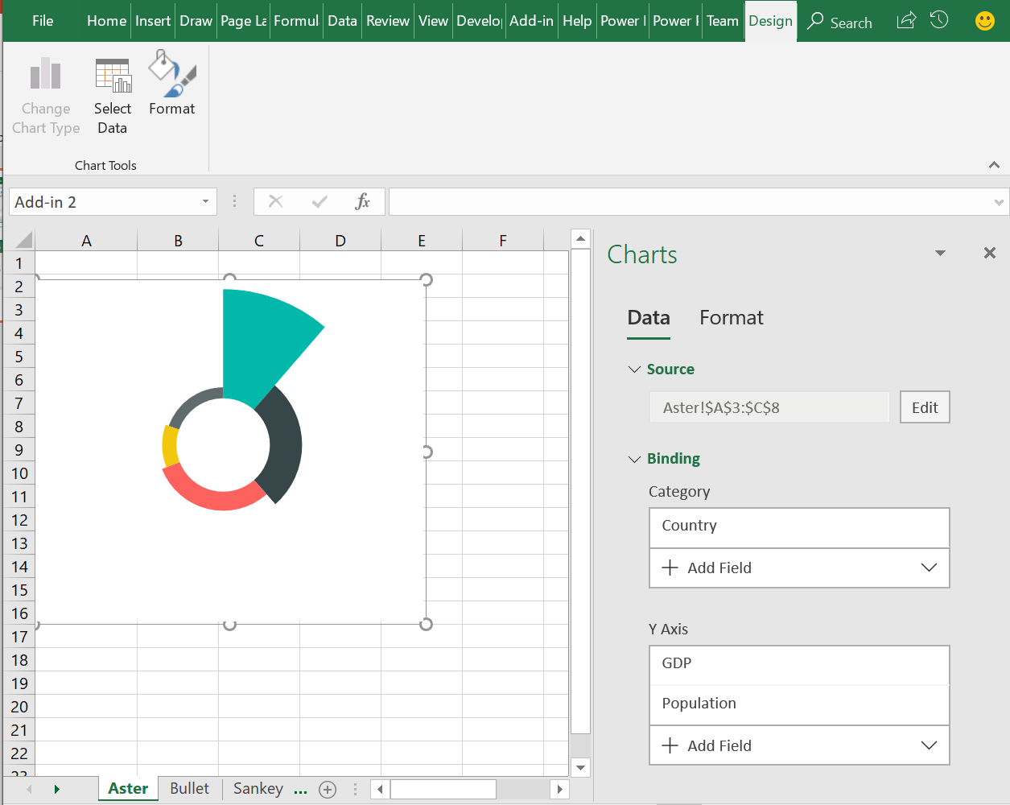

5 | Play with different data/format options on the chart. We'd love lots of feedback on what it's like to interact with the chart and the task pane.
6 | Use the data sets in the worksheets that follow to test out your new custom visuals.
7 | Try using custom visuals with your own data.
8 | Provide feedback by going to File > Feedback and include the phrase custom visual
Try Sample Data >>

Sankey Chart
Next >>
 | Sankey Chart

Sankey charts are flow diagrams where the width of a path represents the quantity of the flow from a given source to a destination

Origin City | Destination City | Passenger Volume
Seattle | Chicago | 360
San Francisco | Chicago | 765
Los Angeles | Chicago | 1200
Seattle | Houston | 420
San Francisco | Houston | 390
Los Angeles | New York | 240
Seattle | New York | 1275
San Francisco | Newark | 1470
Los Angeles | Miami | 855

Tornado Chart
Next >>
 | Tornado Chart

Tornado charts are a special type of bar chart where 2 measures are plotted across the same category set. The 2 values are plotted on both sides of a central axis.

Age Group | Team A | Team B
16-17 | 1,810,193 | 1,250,000
18-19 | 1,325,745 | 700,928
20-24 | 640,000 | 468,722
25-34 | 270,000 | 270,000
35-44 | 185,203 | 226,274
45-54 | 146,969 | 185,203
55 and more | 146,969 | 146,969

