demo detail
Created on | Edited on | Subjuect | Quotation Reference Number | Created by | Supplier | Contact | Price term | Payment term | Loading Port | Delivery time | Expiry date | Remark | Attachment | Status
2016-07-02 | 2016-07-23 | 2017 ourdoor furniture new design | QT160700001 | Susan | Susan outdoor furniture Co., LTD | Susan | FOB | TT 30% | Shanghai | 2 months | 2016-09-02 | These new items are specially designed for 2017 summer promotion |  | Approved
Category | Subcategory | Picture | Item # | Description | Material | Size | Price | Unit | MOQ | Package | QTY/CTN | CTN Size | CBM | 20ft | 40ft | 40HQ | Barcode
Furniture | Outdoor | 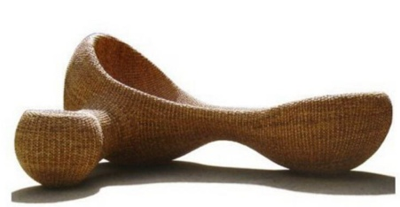 | OD3013 | outdoor lounge | hand-woven water hyacinth | 1.8m x 1.5m x 1.2m | $120.00 | set | 8 | Carton | 1 | 180x150x120 | 3.24 | 8 | 16 | 20 | 4080939383023
Furniture | Outdoor | 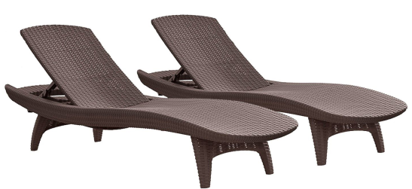 | OD3014 | 2-Pack All-weather Adjustable Outdoor Patio Chaise Lounge Furniture, Brown |  | 200*68*44cm | $57.00 | set | 28 | Carton | 1 | 210x69x50 | 0.72 | 28 | 56 | 60 | 4080939383024
Furniture | Outdoor | 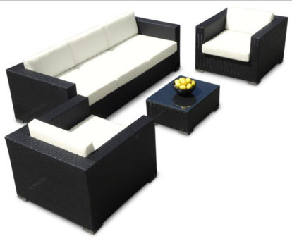 | OD3015 | rattan sofa lounge |  | Long sofa size: 162x64x64 cm Small sofa size: 64x64x50 cm coffee table: 40x50x50cm | $340.00 | set | 8 | Carton | 1 | 180x150x120 | 3.24 | 8 | 16 | 20 | 4080939383025
Furniture | Outdoor | 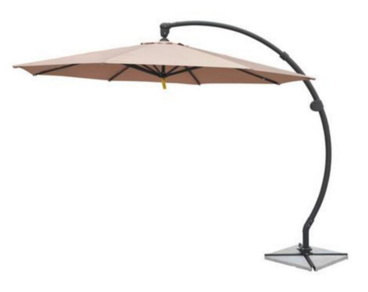 | OD3016 | outdoor umbrella | terylene Pole: Aluminium alloy Base: Stone: 35kg | Size: 3m*3m high 260cm Frame: 1.2cm*2cm Fabric: 180g | $35.00 | pc | 100 | Carton | 1 | 196x30x14 | 0.08 | 350 | 700 | 900 | 4080939383026

Created on | Edited on | Subjuect | Quotation Reference Number | Created by | Supplier | Contact | Price term | Payment term | Loading Port | Delivery time | Expiry date | Remark | Attachment | Status
2016-08-02 | 2016-08-23 | New mug design for 2017 summer promotion | QT160700002 | Peter | Peter Mug manufaturing Co., Ltd | Peter | FOB | LC | Shenzhen | 2 months | 2016-10-02 | All these item can pass EU food contact test. |  | Approved

