demo detail
Picture | Item # | Description | Material | Size | Price | Unit | MOQ | Package | QTY/CTN | CTN Length | CTN Width | CTN Height | CBM | 20ft | 40ft | 40HQ
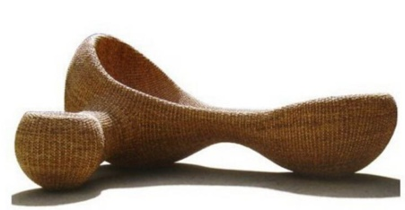 | OD3013 | outdoor lounge | hand-woven water hyacinth | 1.8m x 1.5m x 1.2m | $120.00 | set | 8 | Carton | 1 | 180 | 150 | 120 | 3.24 | 8 | 16 | 20
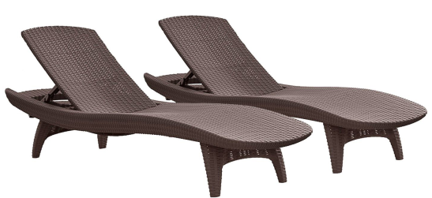 | OD3014 | 2-Pack All-weather Adjustable Outdoor Patio Chaise Lounge Furniture, Brown |  | 200*68*44cm | $57.00 | set | 28 | Carton | 1 | 210 | 69 | 50 | 0.72 | 28 | 56 | 60
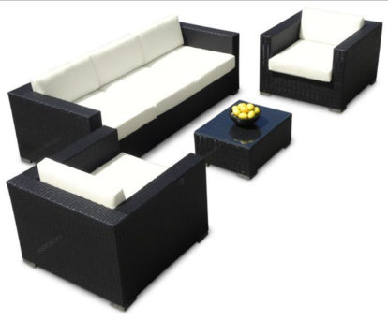 | OD3015 | rattan sofa lounge |  | Long sofa size: 162x64x64 cm Small sofa size: 64x64x50 cm coffee table: 40x50x50cm | $340.00 | set | 8 | f | 1 | 180 | 150 | 120 | 3.24 | 8 | 16 | 20
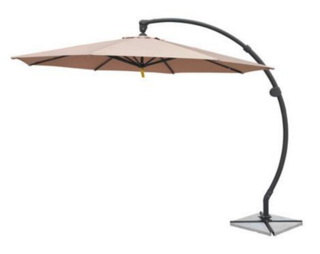 | OD3016 | outdoor umbrella | terylene Pole: Aluminium alloy Base: Stone: 35kg | Size: 3m*3m high 260cm Frame: 1.2cm*2cm Fabric: 180g | $35.00 | pc | 100 | Carton | 1 | 196 | 30 | 14 | 0.08 | 350 | 700 | 900
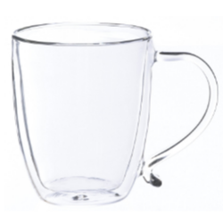 | HG003 | 双层玻璃马克杯 | 硼硅酸玻璃 | 250 毫升 | 2.60 | 只 | 2000.00 | 彩盒 | 24 | 32 | 40 | 32 | 0.04096 | 16406 | 32813 | 39844
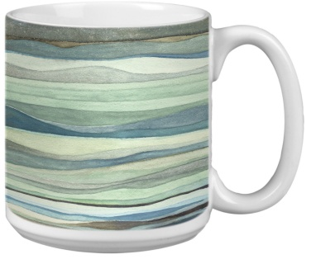 | MC4021 | Extra large mug with watercolor art design, 3 ass't. | Porcelain | 20oz | 1.20 | PC | 4000.00 | bulk | 16 | 35 | 28 | 26 | 0.02548 | 17582 | 35165 | 42700
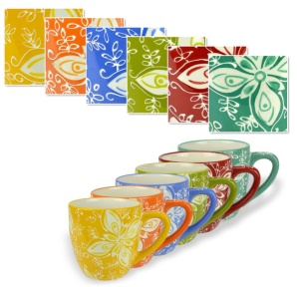 | MC4022 | Set of 6 beverage cups with Multicolor Floral Design | stoneware |  | 2.80 | SET | 8000.00 | color box | 4 | 35 | 28 | 26 | 0.02548 | 4396 | 8791 | 10675
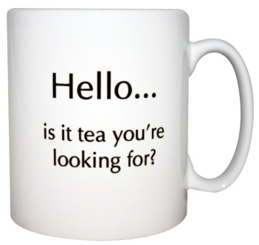 | MC4023 | 12oz mug with decal | Porcelain |  | 0.33 | PC | 8000.00 | Bulk | 24 | 38 | 28 | 26 | 0.027664 | 24291 | 48583 | 58994
 | MC4024 | 12oz mug with decal | Porcelain |  | 0.40 | SET | 10000.00 | Bulk | 24 | 38 | 28 | 26 | 0.027664 | 24291 | 48583 | 58994

