demo detail
Created on | Edited on | Subjuect | Quotation Reference Number | Created by | Supplier | Contact | Price term | Payment term | Loading Port | Delivery time | Expiry date | Remark | Attachment | Status
2016-07-02 | 2016-07-23 | 2017 ourdoor furniture new design | QT160700001 | Susan | Susan outdoor furniture Co., LTD | Susan | FOB | TT 30% | Shanghai | 2 months | 2016-09-02 | These new items are specially designed for 2017 summer promotion |  | Approved
Category | Subcategory | Picture | Item # | Description | Material | Size | Price | Unit | MOQ | Package | QTY/CTN | CTN Size | CBM | 20ft | 40ft | 40HQ | Barcode
Furniture | Outdoor | 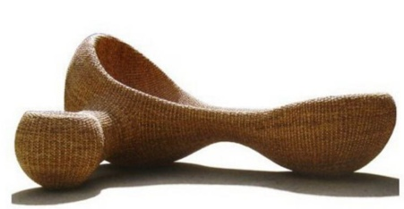 | OD3013 | outdoor lounge | hand-woven water hyacinth | 1.8m x 1.5m x 1.2m | $120.00 | set | 8 | Carton | 1 | 180x150x120 | 3.24 | 8 | 16 | 20 | 4080939383023
Furniture | Outdoor | 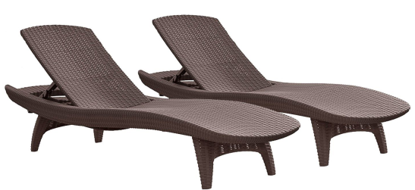 | OD3014 | 2-Pack All-weather Adjustable Outdoor Patio Chaise Lounge Furniture, Brown |  | 200*68*44cm | $57.00 | set | 28 | Carton | 1 | 210x69x50 | 0.72 | 28 | 56 | 60 | 4080939383024
Furniture | Outdoor | 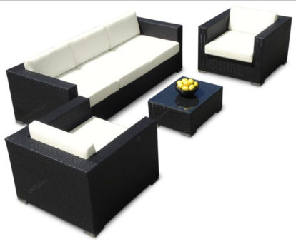 | OD3015 | rattan sofa lounge |  | Long sofa size: 162x64x64 cm Small sofa size: 64x64x50 cm coffee table: 40x50x50cm | $340.00 | set | 8 | Carton | 1 | 180x150x120 | 3.24 | 8 | 16 | 20 | 4080939383025
Furniture | Outdoor | 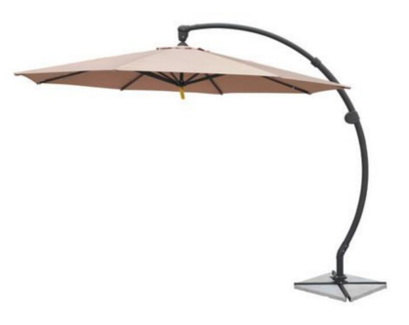 | OD3016 | outdoor umbrella | terylene Pole: Aluminium alloy Base: Stone: 35kg | Size: 3m*3m high 260cm Frame: 1.2cm*2cm Fabric: 180g | $35.00 | pc | 100 | Carton | 1 | 196x30x14 | 0.08 | 350 | 700 | 900 | 4080939383026

Created on | Edited on | Subjuect | Quotation Reference Number | Created by | Supplier | Contact | Price term | Payment term | Loading Port | Delivery time | Expiry date | Remark | Attachment | Status
2016-08-02 | 2016-08-23 | New mug design for 2017 summer promotion | QT160700002 | Peter | Peter Mug manufaturing Co., Ltd | Peter | FOB | LC | Shenzhen | 2 months | 2016-10-02 | All these item can pass EU food contact test. |  | Approved
Category | Subcategory | Picture | Item # | Description | Material | Size | Price | Unit | MOQ | Package | QTY/CTN | CTN Size | CBM | 20ft | 40ft | 40HQ | Barcode
Mug | Ceramic | 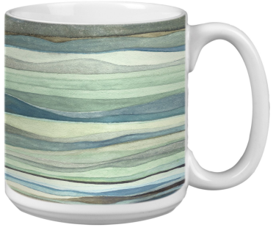 | MC4021 | Extra large mug with watercolor art design, 3 ass't. | Porcelain, 20oz |  | $1.20 | pc | 8000 | bulk | 16 | 35x28x26 | 0.03 | 15385 | 30769 | 32308 | 4080939383031
Mug | Ceramic | 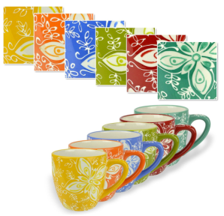 | MC4022 | Set of 6 beverage cups with Multicolor Floral Design | stoneware |  | $2.80 | pc | 8000 | color box | 4 | 35x28x26 | 0.03 | 3846 | 7692 | 8077 | 4080939383032
Mug | Ceramic | 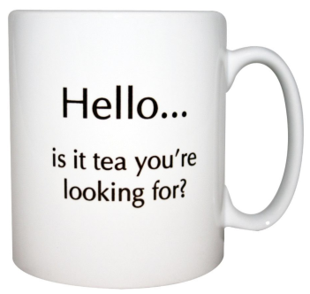 | MC4023 | 12oz mug with decal | Porcelain |  | $0.33 | pc | 5000 | Bulk | 24 | 38x28x26 | 0.03 | 22400 | 44800 | 52000 | 4080939383033
Mug | Ceramic |  | MC4024 | 12oz mug with decal | Porcelain |  | $0.40 | pc | 5000 | Bulk | 24 | 38x28x26 | 0.03 | 22400 | 44800 | 52000 | 4080939383034
Mug | Ceramic | 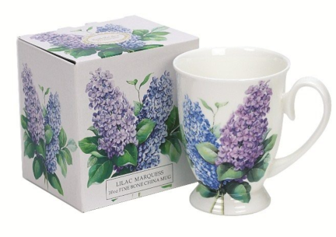 | MC4025 | 10oz footed mug with lilac design | Bone China |  | $0.80 | pc | 5000 | Color box | 24 | 40x32x26 | 0.03 | 20000 | 40000 | 42000 | 4080939383035
Mug | Ceramic |  | MC4026 | Double Wall Ceramic Travel Mug with Lid，3 color, grey, yellow, blue ass't. | Porcelain， 14oz |  | $2.25 | set | 5000 | Color box | 18 | 35x28x26 | 0.03 | 17308 | 34615 | 36346 | 4080939383036
Mug | Ceramic | 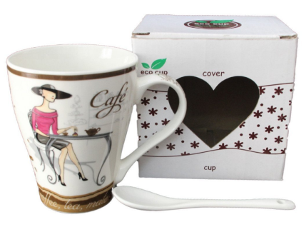 | MC4027 | ceramic coffee mug and cup | New Bone China, 12oz |  | $0.72 | set | 4000 | color window box | 18 | 35x28x26 | 0.03 | 17308 | 34615 | 36346 | 4080939383037
Mug | Glass | 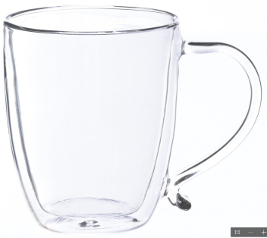 | MG3019 | Double Wall Borosilicate Glass Coffee Mug | Borocilicate, 12oz, Shock temperature -20 ~ 150 degrees. |  | $2.53 | pc | 4000 | Color box | 24 | 40x32x26 | 0.03 | 20000 | 40000 | 42000 | 4080939383038
Mug | Glass | 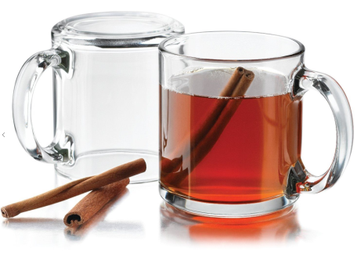 | MG3020 | Set of 4 Clear classic coffee mug | 12oz |  | $2.58 | set | 4000 | Color box | 6 | 38x28x26 | 0.03 | 5600 | 12000 | 13000 | 4080939383039
Mug | Glass | 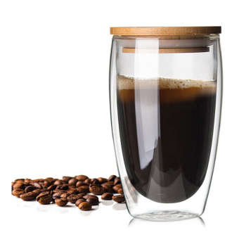 | MG3021 | double wall glass cup coffe mug with bamboo lid 350ml | Borocilicate, 12oz, Shock temperature -20 ~ 150 degrees. |  | $3.10 | set | 4000 | Color box | 24 | 40x32x26 | 0.03 | 20000 | 40000 | 42000 | 4080939383040
Mug | Glass | 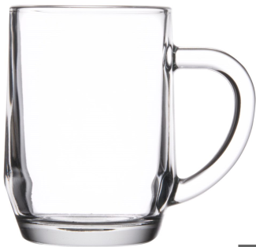 | Mg3022 | Glass coffee mug | Top Diameter: 2 7/8" Bottom Diameter: 2 3/8" Maximum Diameter: 4 3/8" Height: 4 1/8" Capacity: 10 oz. |  | $0.80 | pc | 4000 | bulk | 24 | 38x28x26 | 0.03 | 22400 | 44800 | 52000 | 4080939383041

Created on | Edited on | Subjuect | Quotation Reference Number | Created by | Supplier | Contact | Price term | Payment term | Loading Port | Delivery time | Expiry date | Remark | Attachment | Status
2016-08-05 | 2016-08-25 | Good quality toys | QT160700006 | Tom | Tommy toys Co., LTD | Tom | FOB | LC | Shenzhen | 2 months | 2016-10-05 |  |  | Pending
Category | Subcategory | Picture | Item # | Description | Material | Size | Price | Unit | MOQ | Package | QTY/CTN | CTN Size | CBM | 20ft | 40ft | 40HQ | Barcode
Toys | Vehicle | 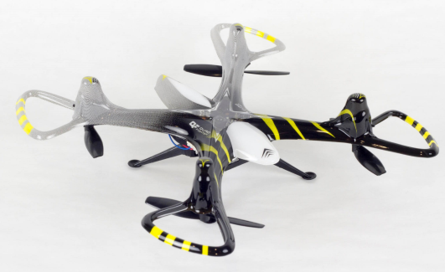 | TV5061 | Remote control drone |  | 15x 15 x 4.5 CM | $25.50 | pc | 2000 | Color box | 16 | 72x30.5x104 | 0.23 | 2920 | 5840 | 6400 | 4080939383042
Toys | Vehicle | 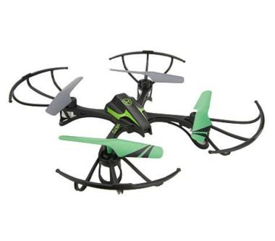 | TV5062 | Automatic return remote control drone | Plastic | 63*63*16 cm | $51.50 | pc | 2000 | Color box | 4 | 70x28x80 | 0.05 | 2240 | 4480 | 4800 | 4080939383043
Toys | Education | 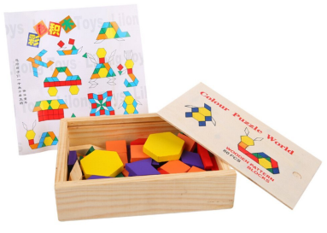 | TE6112 | 60 Piece Wooden Jigsaw Puzzles Pattern Blocks for Kids Education Toys | wood | 12.5*18.5*4.5cm | $3.70 | set | 4000 | color box | 6 | 30x45x10 | 0.01 | 17464 | 34927 | 37000 | 4080939383044
Toys | Education | 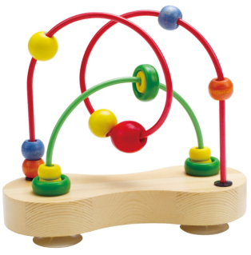 | TE6113 | Double Bubble Wooden Bead Maze | wood | 12.5*18.5*4.5cm | $3.70 | set | 4000 | color box | 6 | 30x45x10 | 0.01 | 17464 | 34927 | 37000 | 4080939383045
Toys | Education | 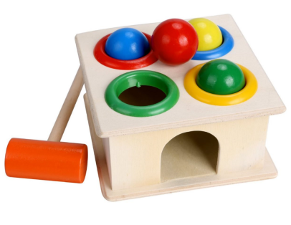 | TE6114 | Kids Early Education Interest Multi-color Small Hit Ball Box Toys | wood | 12.5*18.5*4.5cm | $3.70 | set | 4000 | color box | 6 | 30x45x10 | 0.01 | 17464 | 34927 | 37000 | 4080939383046
Toys | Education | 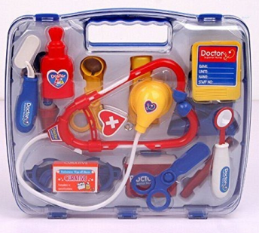 | TE6115 | Medical Doctor Nurse Role Play Set in box | Plastic | 24x27x6cm | $5.20 | set | 4000 | color label | 8 | 49x56x13 | 0.04 | 6279 | 12559 | 13187 | 4080939383047

Created on | Edited on | Subjuect | Quotation Reference Number | Created by | Supplier | Contact | Price term | Payment term | Loading Port | Delivery time | Expiry date | Remark | Attachment | Status
2016-08-06 | 2016-08-26 | Phone accessories | QT160700009 | Michelle | Michelle electronic Co., LTD | Michelle | FOB | LC | Shenzhen | 2 months | 2016-10-06 |  |  | Unread
Category | Subcategory | Picture | Item # | Description | Material | Size | Price | Unit | MOQ | Package | QTY/CTN | CTN Size | CBM | 20ft | 40ft | 40HQ | Barcode
Electronics | Cell Phones Accessories |  | EC7001 | Universal Smart Phone Mount Holder | Cycle ABS+PC+selicon |  | $2.85 | pc | 10000 | Paper box | 100 | 57x50x42 | 0.12 | 23392 | 46784 | 49123 | 4080939383048
Electronics | Cell Phones Accessories | 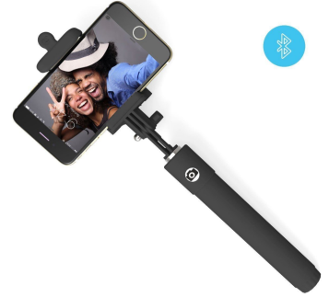 | EC7002 | Foldable Extendable Bluetooth Selfie Stick with Built-in Remote Shutter for iPhone | Aluminum and silicone | 110G | $2.85 | pc | 10000 | color box | 50 | 52x50x30 | 0.12 | 11696 | 23392 | 24561 | 4080939383049
Electronics | Cell Phones Accessories | 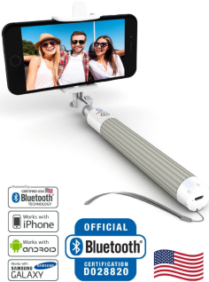 | EC7003 | Selfie Stick For All iPhones and Android Phones | Plastic and silicone | 110G | $3.34 | pc | 10000 | color box | 50 | 52x50x30 | 0.12 | 11696 | 23392 | 24561 | 4080939383050
Electronics | Cell Phones Accessories | 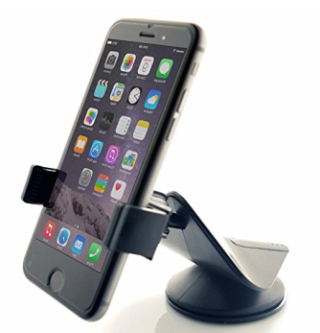 | EC7004 | Universal Car Phone Mount | Cycle ABS+PC+selicon |  | $2.30 | pc | 10000 | Paper box | 100 | 57x50x42 | 0.12 | 23392 | 46784 | 49123 | 4080939383051

Created on | Edited on | Subjuect | Quotation Reference Number | Created by | Supplier | Contact | Price term | Payment term | Loading Port | Delivery time | Expiry date | Remark | Attachment | Status
2016-08-09 | 2016-08-29 | New color for 2017 spring | QT160700011 | Diana | Diana fabric manufacturing Co., Ltd | Diana | FOB | LC | Shenzhen | 2 months | 2016-10-09 |  |  | Unread
Category | Subcategory | Picture | Item # | Description | Material | Size | Price | Unit | MOQ | Package | QTY/CTN | CTN Size | CBM | 20ft | 40ft | 40HQ | Barcode
Fabrics | Knitting | 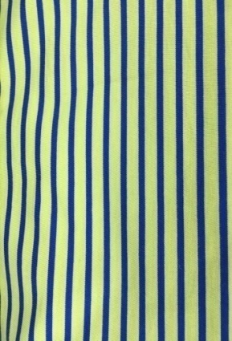 | KF-707 | 24S Cotton | Weight:180g/㎡100%Cotton | Width:175cm | $7.20 | kg | 1000 |  |  |  |  |  |  |  | 4080939383052
Fabrics | Knitting | 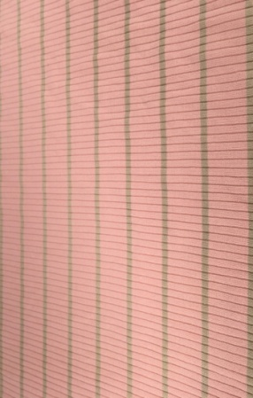 | KF-2300-04 | 30S Rayon Auto Stripe Xrib | Weight:280g/㎡92%rayon 8%Spandex |  | $8.20 | kg | 1000 |  |  |  |  |  |  |  | 4080939383053
Fabrics | Knitting | 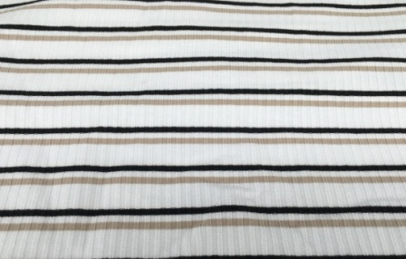 | KF-2300-08 | 30S Rayon Auto Stripe Xrib | Weight:280g/㎡92%rayon 8%Spandex | Width:150cm | $8.30 | kg | 1000 |  |  |  |  |  |  |  | 4080939383054
Fabrics | Knitting | 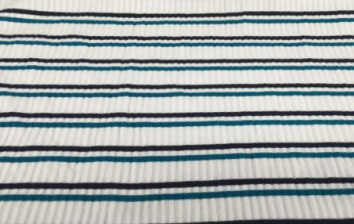 | KF-2300-09 | 30S Rayon Auto Stripe Xrib | Weight:280g/㎡92%rayon 8%Spandex | Width:150cm | $8.40 | kg | 1000 |  |  |  |  |  |  |  | 4080939383055
Fabrics | Knitting | 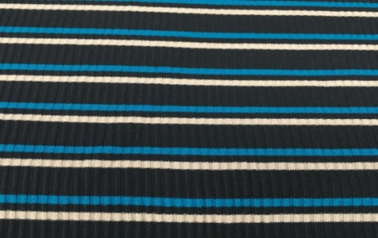 | KF-2300-10 | 30S Rayon Auto Stripe Xrib | Weight:280g/㎡92%rayon 8%Spandex | Width:150cm | $8.10 | kg | 1000 |  |  |  |  |  |  |  | 4080939383056
Fabrics | Knitting | 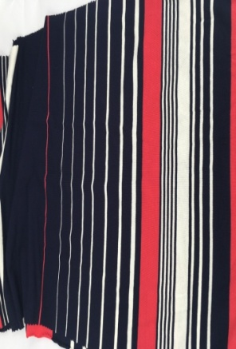 | KF-716 | 30S Rayon Spandex Auto Weave | Weight:200g/㎡ 94%rayon 6%Spandex | Width:185cm | $8.30 | kg | 1000 |  |  |  |  |  |  |  | 4080939383057
Fabrics | Knitting | 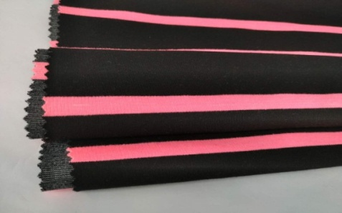 | KF-2042 | 32S Auto interlock Basest | Weight:330g/㎡30%rayon 68%Polyester2%Spandex | Width:180cm | $7.50 | kg | 1000 |  |  |  |  |  |  |  | 4080939383058
Fabrics | Knitting | 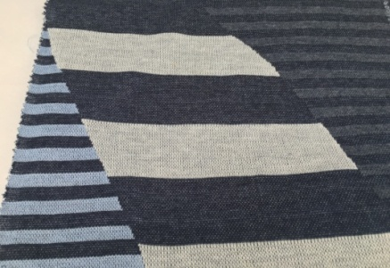 | KF-2042 | 32S Cotton Jacquard | Weight:190g/㎡100%Cotton | Width:185cm | $9.30 | kg | 1000 |  |  |  |  |  |  |  | 4080939383059
Fabrics | Knitting | 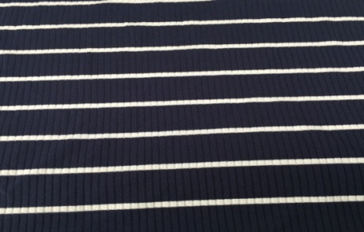 | KF-2300-2 | 32s Rayon Auto Stripe Xrib | Weight:280g/㎡92%Rayon 8%Spandex | Width:150cm | $8.30 | kg | 1000 |  |  |  |  |  |  |  | 4080939383060
Fabrics | Knitting | 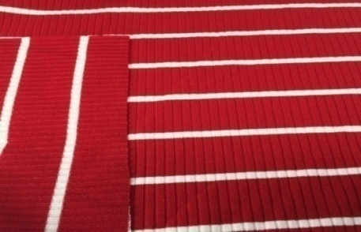 | KF-2300-3 | 32s Rayon Auto Stripe Xrib | Weight:280g/㎡92%Rayon 8%Spandex | Width:150cm | $7.30 | kg | 1000 |  |  |  |  |  |  |  | 4080939383061
Fabrics | Knitting | 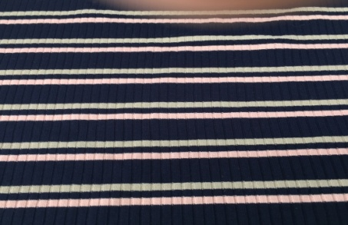 | KF-2300-12 | 32s Rayon Auto Stripe Xrib | Weight:280g/㎡92%Rayon 8%Spandex | Width:150cm | $7.40 | kg | 1000 |  |  |  |  |  |  |  | 4080939383062
Fabrics | Knitting | 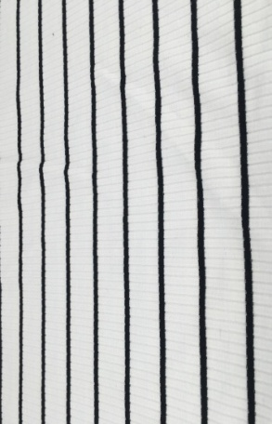 | KF-2300-14 | 32s Rayon Auto Stripe Xrib | Weight:280g/㎡92%Rayon 8%Spandex | Width:150cm | $8.90 | kg | 1000 |  |  |  |  |  |  |  | 4080939383063
Fabrics | Knitting | 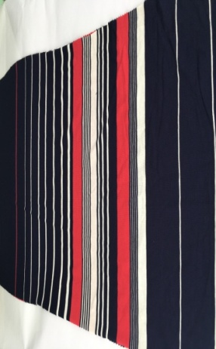 | KF-715 | 32S Rayon Spandex Auto Weave | Weight:200g/㎡94%rayon 6%Spandex | Width:185cm | $5.80 | kg | 1000 |  |  |  |  |  |  |  | 4080939383064
Fabrics | Knitting | 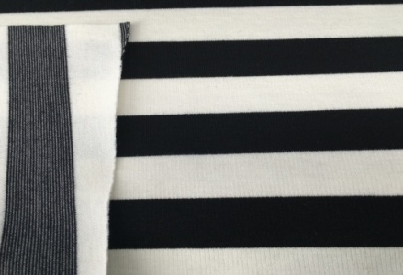 | KF-713 | 32S Rayon Spandex Auto Weave | Weight:200g/㎡94%rayon 6%Spandex | Width:185cm | $6.80 | kg | 1000 |  |  |  |  |  |  |  | 4080939383065
Fabrics | Knitting | 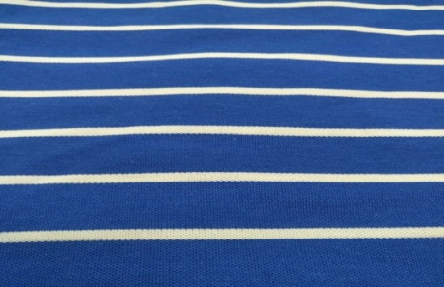 | KF-2141 | 40RC Spandex Pique | Weight:180g/㎡47%rayon 47%Cotton 6%Spandex | Width:180cm | $7.45 | kg | 1000 |  |  |  |  |  |  |  | 4080939383066

