Sheet1
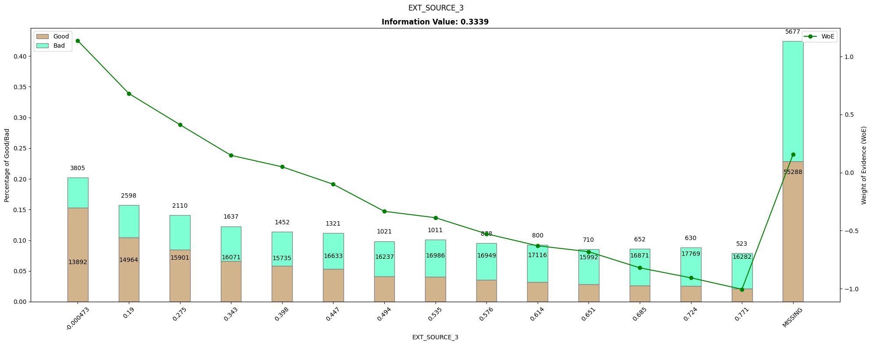
EXT_SOURCE_3 | count | good | bad | perc_good | perc_bad | perc_diff | woe | iv
-0.000473 | 17697 | 3805 | 13892 | 0.15327291037 | 0.049142865229 | 0.10413004514 | 1.1374883861 | 0.118446717
0.19 | 17562 | 2598 | 14964 | 0.10465256798 | 0.052935058687 | 0.051717509289 | 0.68158013191 | 0.035249626803
0.275 | 18011 | 2110 | 15901 | 0.084994964753 | 0.056249690469 | 0.028745274284 | 0.41279147764 | 0.011865804247
0.343 | 17708 | 1637 | 16071 | 0.065941591138 | 0.056851064432 | 0.0090905267061 | 0.14833442366 | 0.0013484380397
0.398 | 17187 | 1452 | 15735 | 0.058489425982 | 0.055662466482 | 0.0028269594996 | 0.049539916879 | 0.00014004733863
0.447 | 17954 | 1321 | 16633 | 0.053212487412 | 0.058839136002 | -0.0056266485906 | -0.10051411701 | 0.0005655576148
0.494 | 17258 | 1021 | 16237 | 0.041127895267 | 0.057438288419 | -0.016310393152 | -0.33402451765 | 0.0054480712053
0.535 | 17997 | 1011 | 16986 | 0.040725075529 | 0.060087871348 | -0.01936279582 | -0.38896400345 | 0.00753143058
0.576 | 17827 | 878 | 16949 | 0.035367573011 | 0.059956984074 | -0.024589411063 | -0.52783198814 | 0.012979077729
0.614 | 17916 | 800 | 17116 | 0.032225579053 | 0.060547745555 | -0.028322166502 | -0.63067171734 | 0.017861989386
0.651 | 16702 | 710 | 15992 | 0.02860020141 | 0.056571602414 | -0.027971401004 | -0.68209337334 | 0.019079107268
0.685 | 17523 | 652 | 16871 | 0.026263846928 | 0.05968105955 | -0.033417212622 | -0.82082135547 | 0.02742956176
0.724 | 18399 | 630 | 17769 | 0.025377643505 | 0.06285772907 | -0.037480085566 | -0.90700529213 | 0.033994635958
0.771 | 16805 | 523 | 16282 | 0.021067472306 | 0.057597475644 | -0.036530003338 | -1.005748484 | 0.036739995477
MISSING | 60965 | 5677 | 55288 | 0.22868076536 | 0.19558096262 | 0.033099802735 | 0.15635256841 | 0.0051752391713

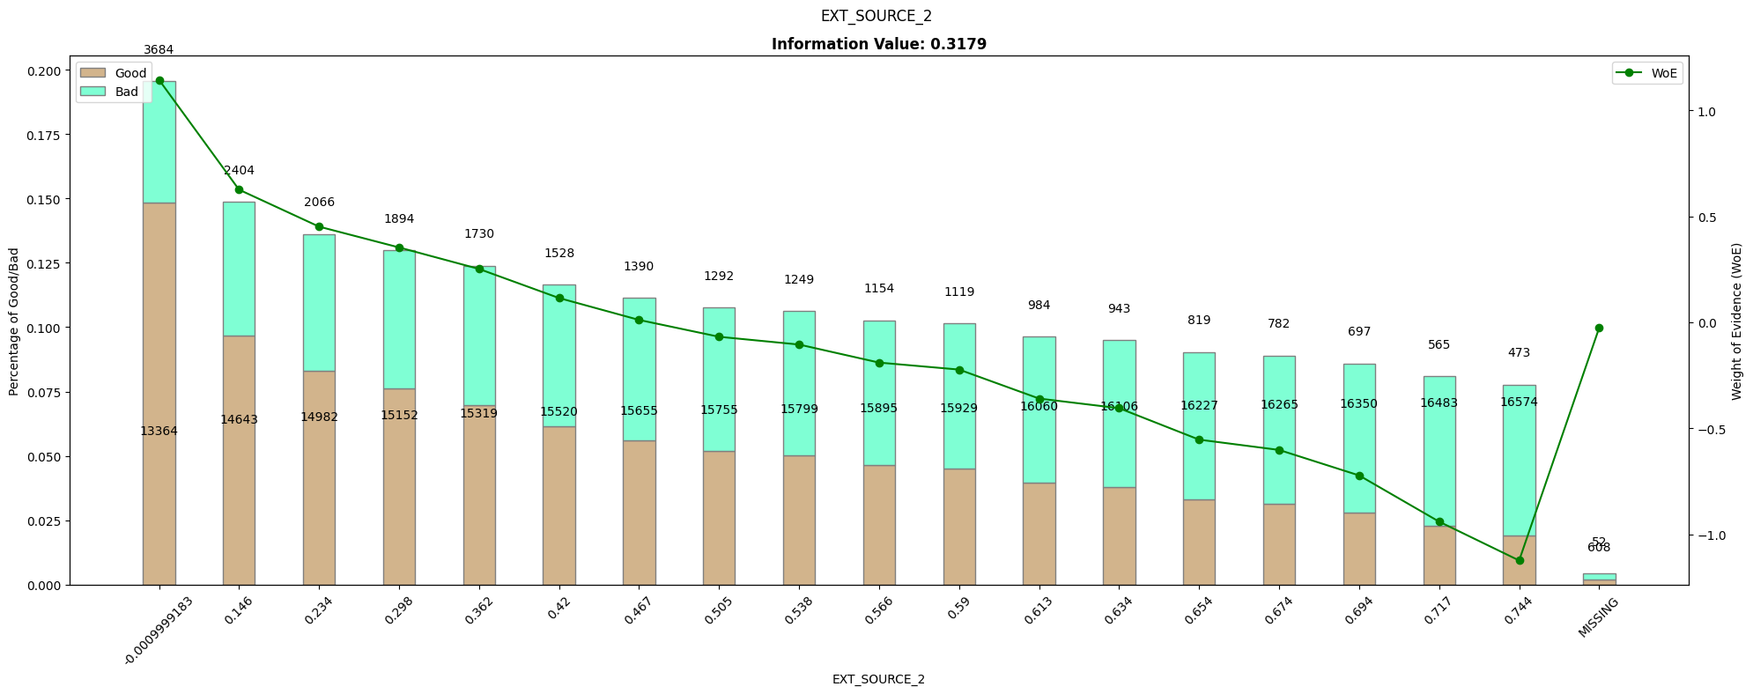
EXT_SOURCE_2 | count | good | bad | perc_good | perc_bad | perc_diff | woe | iv
-0.0009999183 | 17048 | 3684 | 13364 | 0.14839879154 | 0.047275068451 | 0.10112372309 | 1.1439201235 | 0.11567746181
0.146 | 17047 | 2404 | 14643 | 0.096837865055 | 0.051799523146 | 0.04503834191 | 0.62565714128 | 0.028178560247
0.234 | 17048 | 2066 | 14982 | 0.083222557905 | 0.052998733577 | 0.030223824328 | 0.45125042057 | 0.013638513439
0.298 | 17046 | 1894 | 15152 | 0.076294058409 | 0.05360010754 | 0.022693950869 | 0.35304398885 | 0.0080119629375
0.362 | 17049 | 1730 | 15319 | 0.069687814703 | 0.054190869021 | 0.015496945682 | 0.25151305115 | 0.003897684092
0.42 | 17048 | 1528 | 15520 | 0.061550855992 | 0.054901905294 | 0.0066489506977 | 0.11431570687 | 0.00076007949897
0.467 | 17045 | 1390 | 15655 | 0.055991943605 | 0.05537946697 | 0.00061247663482 | 0.010998923425 | 6.7365836057E-06
0.505 | 17047 | 1292 | 15755 | 0.052044310171 | 0.05573321636 | -0.003688906189 | -0.068480838642 | 0.00025261938949
0.538 | 17048 | 1249 | 15799 | 0.050312185297 | 0.055888866092 | -0.0055766807946 | -0.10511788447 | 0.00058620888749
0.566 | 17049 | 1154 | 15895 | 0.046485397784 | 0.056228465506 | -0.0097430677214 | -0.19028489482 | 0.0018539586166
0.59 | 17048 | 1119 | 15929 | 0.045075528701 | 0.056348740298 | -0.011273211598 | -0.22322038646 | 0.0025164106494
0.613 | 17044 | 984 | 16060 | 0.039637462236 | 0.056812151999 | -0.017174689763 | -0.35997555861 | 0.0061824685415
0.634 | 17049 | 943 | 16106 | 0.037985901309 | 0.056974876718 | -0.018988975409 | -0.40539533776 | 0.0076980420998
0.654 | 17046 | 819 | 16227 | 0.032990936556 | 0.05740291348 | -0.024411976924 | -0.55386218432 | 0.013520870863
0.674 | 17047 | 782 | 16265 | 0.031500503525 | 0.057537338248 | -0.026036834723 | -0.60243056585 | 0.015685385075
0.694 | 17047 | 697 | 16350 | 0.02807653575 | 0.057838025229 | -0.029761489479 | -0.72271223265 | 0.021508992509
0.717 | 17048 | 565 | 16483 | 0.022759315206 | 0.058308511918 | -0.035549196711 | -0.94077356083 | 0.033443744375
0.744 | 17047 | 473 | 16574 | 0.019053373615 | 0.058630423863 | -0.039577050247 | -1.1240095583 | 0.044484982767

MISSING | 660 | 52 | 608 | 0.0020946626385 | 0.0021507962899 | -5.6133651407E-05 | -0.026445631059 | 1.4844898351E-06

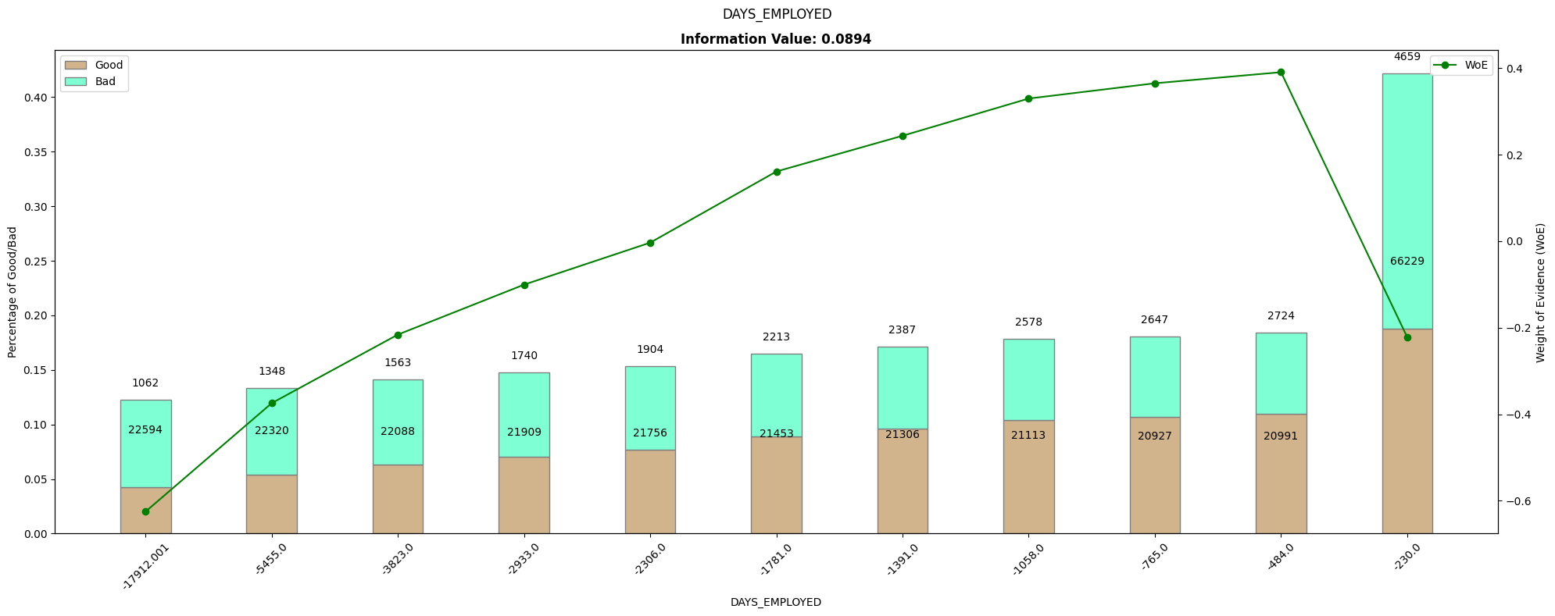
DAYS_EMPLOYED | count | good | bad | perc_good | perc_bad | perc_diff | woe | iv
-17912.001 | 23656 | 1062 | 22594 | 0.042779456193 | 0.079926137127 | -0.037146680934 | -0.62504492932 | 0.023218344559
-5455 | 23668 | 1348 | 22320 | 0.054300100705 | 0.078956863799 | -0.024656763094 | -0.37437559337 | 0.009230890314
-3823 | 23651 | 1563 | 22088 | 0.062960725076 | 0.078136165215 | -0.01517544014 | -0.2159418918 | 0.0032770132526
-2933 | 23649 | 1740 | 21909 | 0.070090634441 | 0.077502953807 | -0.0074123193663 | -0.10052686686 | 0.00074513724208
-2306 | 23660 | 1904 | 21756 | 0.076696878147 | 0.076961717241 | -0.00026483909401 | -0.003447114107 | 9.1293057704E-07
-1781 | 23666 | 2213 | 21453 | 0.089144008056 | 0.07588985659 | 0.013254151466 | 0.16097009622 | 0.0021335220368
-1391 | 23693 | 2387 | 21306 | 0.096153071501 | 0.075369844987 | 0.020783226513 | 0.24353415496 | 0.0050614255063
-1058 | 23691 | 2578 | 21113 | 0.1038469285 | 0.074687108665 | 0.029159819835 | 0.32961047072 | 0.0096113819417
-765 | 23574 | 2647 | 20927 | 0.10662638469 | 0.0740291348 | 0.032597249893 | 0.36487226265 | 0.011893832325

-484 | 23715 | 2724 | 20991 | 0.10972809668 | 0.074255534409 | 0.035472562268 | 0.3904931445 | 0.013851792383
-230 | 70888 | 4659 | 66229 | 0.18767371601 | 0.23428468336 | -0.046610967347 | -0.22183206946 | 0.010339807346

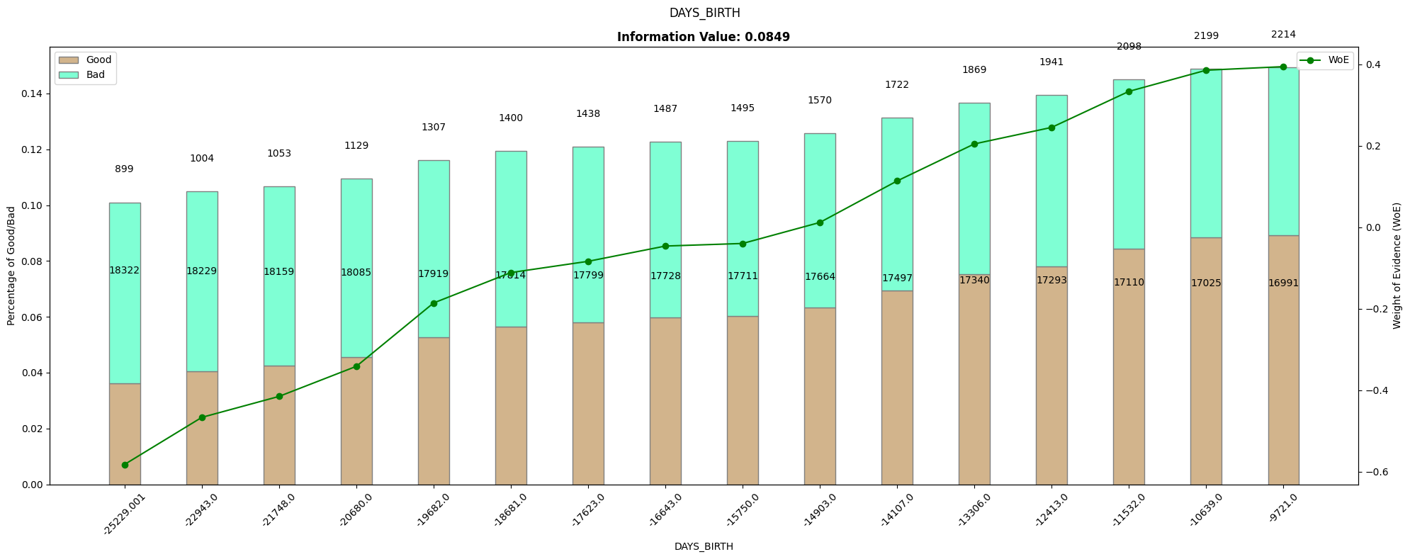
DAYS_BIRTH | count | good | bad | perc_good | perc_bad | perc_diff | woe | iv
-25229.001 | 19221 | 899 | 18322 | 0.036213494461 | 0.064813963196 | -0.028600468735 | -0.5820892358 | 0.016648024989
-22943 | 19233 | 1004 | 18229 | 0.040443101712 | 0.064484976263 | -0.024041874551 | -0.46653617928 | 0.011216404296
-21748 | 19212 | 1053 | 18159 | 0.042416918429 | 0.064237351691 | -0.021820433262 | -0.41503754054 | 0.0090562989545
-20680 | 19214 | 1129 | 18085 | 0.045478348439 | 0.063975577142 | -0.018497228703 | -0.34126504852 | 0.0063124576508
-19682 | 19226 | 1307 | 17919 | 0.052648539778 | 0.063388353155 | -0.010739813377 | -0.18564163637 | 0.0019937565296
-18681 | 19214 | 1400 | 17814 | 0.056394763343 | 0.063016916296 | -0.0066221529524 | -0.11102689712 | 0.00073523709457
-17623 | 19237 | 1438 | 17799 | 0.057925478348 | 0.062963853887 | -0.0050383755389 | -0.083403485428 | 0.00042021808084
-16643 | 19215 | 1487 | 17728 | 0.059899295065 | 0.062712691821 | -0.0028133967551 | -0.045899111932 | 0.00012913241257
-15750 | 19206 | 1495 | 17711 | 0.060221550856 | 0.062652554424 | -0.0024310035684 | -0.039574177487 | 9.6204966686E-05
-14903 | 19234 | 1570 | 17664 | 0.063242698892 | 0.062486292211 | 0.0007564066811 | 0.012032480326 | 9.1014485091E-06
-14107 | 19219 | 1722 | 17497 | 0.069365558912 | 0.06189553073 | 0.0074700281822 | 0.11394249925 | 0.00085115368054
-13306 | 19209 | 1869 | 17340 | 0.075287009063 | 0.061340144188 | 0.013946864875 | 0.2048730879 | 0.0028573372735
-12413 | 19234 | 1941 | 17293 | 0.078187311178 | 0.061173881975 | 0.017013429203 | 0.24538703957 | 0.0041748750251

-11532 | 19208 | 2098 | 17110 | 0.084511581067 | 0.060526520592 | 0.023985060476 | 0.33380695268 | 0.0080063799473
-10639 | 19224 | 2199 | 17025 | 0.088580060423 | 0.06022583361 | 0.028354226813 | 0.38580539009 | 0.010939213536
-9721 | 19205 | 2214 | 16991 | 0.08918429003 | 0.060105558818 | 0.029078731212 | 0.39460257272 | 0.011474542148

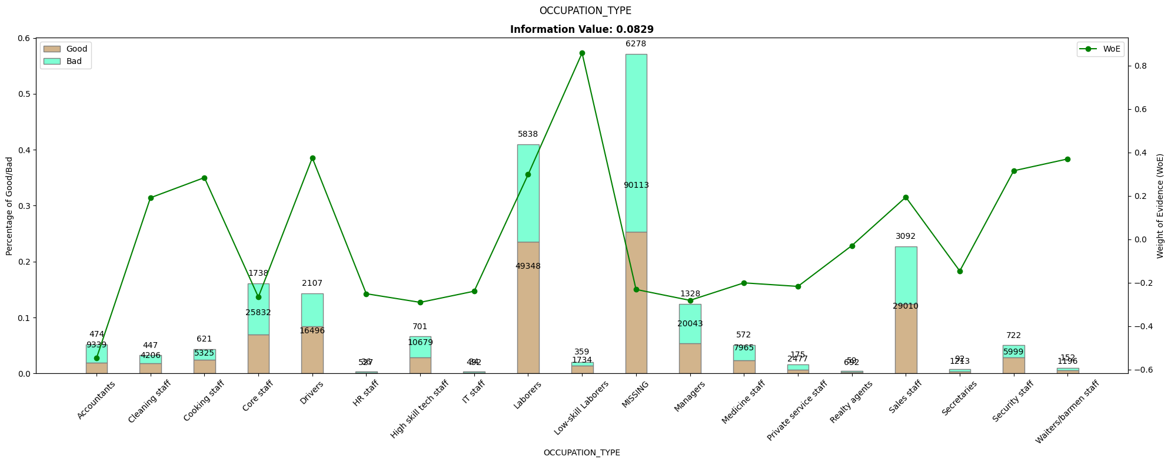
OCCUPATION_TYPE | count | good | bad | perc_good | perc_bad | perc_diff | woe | iv
Accountants | 9813 | 474 | 9339 | 0.019093655589 | 0.033036655512 | -0.013942999923 | -0.54826160412 | 0.0076444115039
Cleaning staff | 4653 | 447 | 4206 | 0.018006042296 | 0.014878699334 | 0.0031273429618 | 0.19077676826 | 0.00059662438351
Cooking staff | 5946 | 621 | 5325 | 0.02501510574 | 0.018837155006 | 0.0061779507343 | 0.28364862112 | 0.0017523672072
Core staff | 27570 | 1738 | 25832 | 0.070010070493 | 0.091380542369 | -0.021370471875 | -0.2663934752 | 0.0056929542694
Drivers | 18603 | 2107 | 16496 | 0.084874118832 | 0.058354499338 | 0.026519619493 | 0.37463273809 | 0.0099351176639
HR staff | 563 | 36 | 527 | 0.0014501510574 | 0.0018642592842 | -0.00041410822675 | -0.25119606369 | 0.0001040223565
High skill tech staff | 11380 | 701 | 10679 | 0.028237663646 | 0.037776897335 | -0.0095392336893 | -0.29104105616 | 0.0027763086479
IT staff | 526 | 34 | 492 | 0.0013695871098 | 0.0017404469977 | -0.00037085988796 | -0.23963264524 | 8.8870135965E-05
Laborers | 55186 | 5838 | 49348 | 0.23516616314 | 0.17456824887 | 0.060597914272 | 0.29797656516 | 0.01805675835
Low-skill Laborers | 2093 | 359 | 1734 | 0.0144612286 | 0.0061340144188 | 0.0083272141814 | 0.85762175284 | 0.0071416000225
MISSING | 96391 | 6278 | 90113 | 0.25289023162 | 0.31877418761 | -0.065883955993 | -0.23152744875 | 0.015253944245
Managers | 21371 | 1328 | 20043 | 0.053494461229 | 0.070901990194 | -0.017407528965 | -0.28172038302 | 0.0049040557276
Medicine staff | 8537 | 572 | 7965 | 0.023041289023 | 0.028176138896 | -0.005134849873 | -0.20118769909 | 0.0010330686311
Private service staff | 2652 | 175 | 2477 | 0.0070493454179 | 0.0087623723849 | -0.001713026967 | -0.21753192171 | 0.00037263804807
Realty agents | 751 | 59 | 692 | 0.0023766364552 | 0.0024479457773 | -7.1309322107E-05 | -0.029562979406 | 2.1081160209E-06

Sales staff | 32102 | 3092 | 29010 | 0.12455186304 | 0.10262269798 | 0.021929165065 | 0.1936630635 | 0.0042468692866
Secretaries | 1305 | 92 | 1213 | 0.0037059415911 | 0.0042909800981 | -0.00058503850692 | -0.14657779714 | 8.5753655584E-05
Security staff | 6721 | 722 | 5999 | 0.029083585096 | 0.021221425893 | 0.0078621592026 | 0.31516260105 | 0.0024778585441
Waiters/barmen staff | 1348 | 152 | 1196 | 0.0061228600201 | 0.0042308427018 | 0.0018920173183 | 0.36962811011 | 0.00069934278568

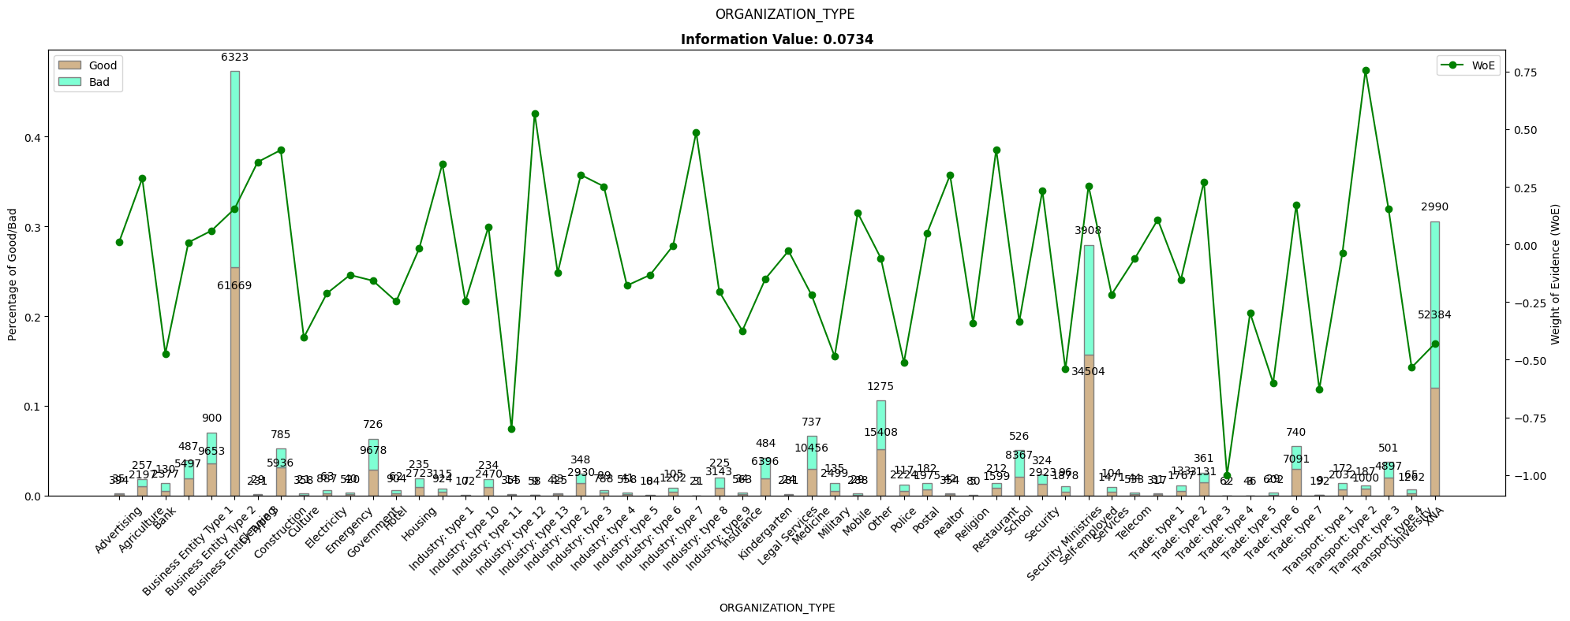
ORGANIZATION_TYPE | count | good | bad | perc_good | perc_bad | perc_diff | woe | iv
Advertising | 429 | 35 | 394 | 0.0014098690836 | 0.0013937725957 | 1.6096487843E-05 | 0.011482682452 | 1.848308585E-07
Agriculture | 2454 | 257 | 2197 | 0.010352467271 | 0.0077718740935 | 0.0025805931774 | 0.28671354038 | 0.00073989100618
Bank | 2507 | 130 | 2377 | 0.0052366565962 | 0.0084086229951 | -0.003171966399 | -0.47357447862 | 0.0015021623336
Business Entity Type 1 | 5984 | 487 | 5497 | 0.019617321249 | 0.019445603956 | 0.00017171729241 | 0.008791886257 | 1.5097189032E-06
Business Entity Type 2 | 10553 | 900 | 9653 | 0.036253776435 | 0.034147428596 | 0.0021063478394 | 0.059856267386 | 0.00012607811948
Business Entity Type 3 | 67992 | 6323 | 61669 | 0.25470292044 | 0.21815371118 | 0.036549209258 | 0.15489793656 | 0.0056613970969
Cleaning | 260 | 29 | 231 | 0.0011681772407 | 0.0008171610904 | 0.00035101615029 | 0.35736361377 | 0.00012544039996
Construction | 6721 | 785 | 5936 | 0.031621349446 | 0.020998563777 | 0.010622785669 | 0.40937846242 | 0.0043487396636
Culture | 379 | 21 | 358 | 0.00084592145015 | 0.0012664228154 | -0.00042050136527 | -0.40352497835 | 0.00016968280431
Electricity | 950 | 63 | 887 | 0.0025377643505 | 0.0031377570874 | -0.00059999273692 | -0.2122247173 | 0.00012733328898
Emergency | 560 | 40 | 520 | 0.0016112789527 | 0.0018394968269 | -0.0002282178742 | -0.13246381868 | 3.0230611108E-05
Government | 10404 | 726 | 9678 | 0.029244712991 | 0.034235865943 | -0.0049911529522 | -0.15757500095 | 0.00078648093118
Hotel | 966 | 62 | 904 | 0.0024974823766 | 0.0031978944836 | -0.000700412107 | -0.2472094355 | 0.00017314848159
Housing | 2958 | 235 | 2723 | 0.0094662638469 | 0.0096325958838 | -0.00016633203684 | -0.017418447267 | 2.8972458126E-06
Industry: type 1 | 1039 | 115 | 924 | 0.0046324269889 | 0.0032686443616 | 0.0013637826273 | 0.34870557879 | 0.00047555861041
Industry: type 10 | 109 | 7 | 102 | 0.00028197381672 | 0.00036082437758 | -7.8850560861E-05 | -0.24657705565 | 1.9442739133E-05
Industry: type 11 | 2704 | 234 | 2470 | 0.0094259818731 | 0.0087376099276 | 0.00068837194549 | 0.07583321598 | 5.2201458417E-05
Industry: type 12 | 369 | 14 | 355 | 0.00056394763343 | 0.0012558103337 | -0.00069186270029 | -0.80057483109 | 0.00055388786442
Industry: type 13 | 67 | 9 | 58 | 0.00036253776435 | 0.00020517464607 | 0.00015736311828 | 0.56926688631 | 8.9581612362E-05
Industry: type 2 | 458 | 33 | 425 | 0.001329305136 | 0.0015034349066 | -0.00017412977062 | -0.12309606766 | 2.1434690027E-05
Industry: type 3 | 3278 | 348 | 2930 | 0.014018126888 | 0.010364857121 | 0.0036532697676 | 0.30193030633 | 0.00110303286
Industry: type 4 | 877 | 89 | 788 | 0.0035850956697 | 0.0027875451915 | 0.0007975504782 | 0.25162380297 | 0.00020068268439
Industry: type 5 | 599 | 41 | 558 | 0.0016515609265 | 0.001973921595 | -0.0003223606685 | -0.17830135471 | 5.7477343898E-05
Industry: type 6 | 112 | 8 | 104 | 0.00032225579053 | 0.00036789936537 | -4.564357484E-05 | -0.13246378788 | 6.0461208158E-06
Industry: type 7 | 1307 | 105 | 1202 | 0.0042296072508 | 0.0042520676652 | -2.2460414428E-05 | -0.0052962337327 | 1.1895560454E-07
Industry: type 8 | 24 | 3 | 21 | 0.00012084592145 | 7.4287371854E-05 | 4.6558549596E-05 | 0.4865748634 | 2.265421991E-05
Industry: type 9 | 3368 | 225 | 3143 | 0.0090634441088 | 0.011118343321 | -0.0020548992121 | -0.20434710147 | 0.00041991269781
Insurance | 597 | 34 | 563 | 0.0013695871098 | 0.0019916090645 | -0.00062202195471 | -0.37443354964 | 0.00023290588845
Kindergarten | 6880 | 484 | 6396 | 0.019496475327 | 0.02262581097 | -0.0031293356432 | -0.14885763545 | 0.00046582550437
Legal Services | 305 | 24 | 281 | 0.0009667673716 | 0.00099403578529 | -2.7268413687E-05 | -0.027815305068 | 7.5847924543E-07
Medicine | 11193 | 737 | 10456 | 0.029687814703 | 0.036988036196 | -0.0073002214927 | -0.21985783137 | 0.0016050108659
Military | 2634 | 135 | 2499 | 0.0054380664653 | 0.0088401972507 | -0.0034021307854 | -0.48588561424 | 0.0016530464064
Mobile | 317 | 29 | 288 | 0.0011681772407 | 0.0010187982426 | 0.00014937899811 | 0.13682086838 | 2.0438164239E-05
Other | 16683 | 1275 | 15408 | 0.051359516616 | 0.054505705978 | -0.0031461893613 | -0.059455145253 | 0.00018705714547
Police | 2341 | 117 | 2224 | 0.0047129909366 | 0.0078673864288 | -0.0031543954922 | -0.51240318099 | 0.0016163222843
Postal | 2157 | 182 | 1975 | 0.0073313192346 | 0.0069865504482 | 0.00034476878644 | 0.048168540149 | 1.6607009132E-05
Realtor | 396 | 42 | 354 | 0.0016918429003 | 0.0012522728398 | 0.00043957006047 | 0.30085821548 | 0.00013224826397
Religion | 85 | 5 | 80 | 0.00020140986908 | 0.00028299951183 | -8.1589642742E-05 | -0.34010304802 | 2.7748886183E-05
Restaurant | 1811 | 212 | 1599 | 0.0085397784491 | 0.0056564527426 | 0.0028833257065 | 0.41193808695 | 0.0011877516756
School | 8893 | 526 | 8367 | 0.021188318228 | 0.029598211443 | -0.0084098932155 | -0.33426393114 | 0.0028111239667
Security | 3247 | 324 | 2923 | 0.013051359517 | 0.010340094663 | 0.0027112648533 | 0.23286327975 | 0.00063135402601
Security Ministries | 1974 | 96 | 1878 | 0.0038670694864 | 0.0066434135401 | -0.0027763440537 | -0.54112892641 | 0.0015023600771
Self-employed | 38412 | 3908 | 34504 | 0.15742195368 | 0.12205768945 | 0.035364264225 | 0.25443600573 | 0.0089979421351
Services | 1575 | 104 | 1471 | 0.0041893252769 | 0.0052036535237 | -0.0010143282468 | -0.21682128573 | 0.00021992795461
Telecom | 577 | 44 | 533 | 0.0017724068479 | 0.0018854842475 | -0.0001130773996 | -0.061846255784 | 6.9934137793E-06
Trade: type 1 | 348 | 31 | 317 | 0.0012487411883 | 0.0011213855656 | 0.00012735562271 | 0.10757095259 | 1.3699765653E-05
Trade: type 2 | 1900 | 133 | 1767 | 0.0053575025176 | 0.0062507517175 | -0.00089324919983 | -0.15420381035 | 0.00013774243021
Trade: type 3 | 3492 | 361 | 3131 | 0.014541792548 | 0.011075893394 | 0.0034658991538 | 0.27225576593 | 0.00094361102876
Trade: type 4 | 64 | 2 | 62 | 8.0563947633E-05 | 0.00021932462167 | -0.00013876067403 | -1.0015008881 | 0.00013896893828
Trade: type 5 | 49 | 3 | 46 | 0.00012084592145 | 0.0001627247193 | -4.187879785E-05 | -0.29754336378 | 1.2460758383E-05
Trade: type 6 | 631 | 29 | 602 | 0.0011681772407 | 0.0021295713265 | -0.0009613940858 | -0.6004760456 | 0.0005772941189
Trade: type 7 | 7831 | 740 | 7091 | 0.029808660624 | 0.025084369229 | 0.0047242913949 | 0.17255406334 | 0.00081519567661
Transport: type 1 | 201 | 9 | 192 | 0.00036253776435 | 0.00067919882838 | -0.00031666106403 | -0.62778513501 | 0.00019879510884

Transport: type 2 | 2204 | 172 | 2032 | 0.0069284994965 | 0.0071881876004 | -0.0002596881039 | -0.036795800283 | 9.5554316071E-06
Transport: type 3 | 1187 | 187 | 1000 | 0.0075327291037 | 0.0035374938978 | 0.0039952352059 | 0.75583885396 | 0.0030197539993
Transport: type 4 | 5398 | 501 | 4897 | 0.020181268882 | 0.017323107618 | 0.0028581612645 | 0.15271357965 | 0.00043648003791
University | 1327 | 65 | 1262 | 0.0026183282981 | 0.0044643172991 | -0.001845989001 | -0.53358022633 | 0.00098498322894
XNA | 55374 | 2990 | 52384 | 0.12044310171 | 0.18530808034 | -0.064864978632 | -0.43084228242 | 0.027946575442

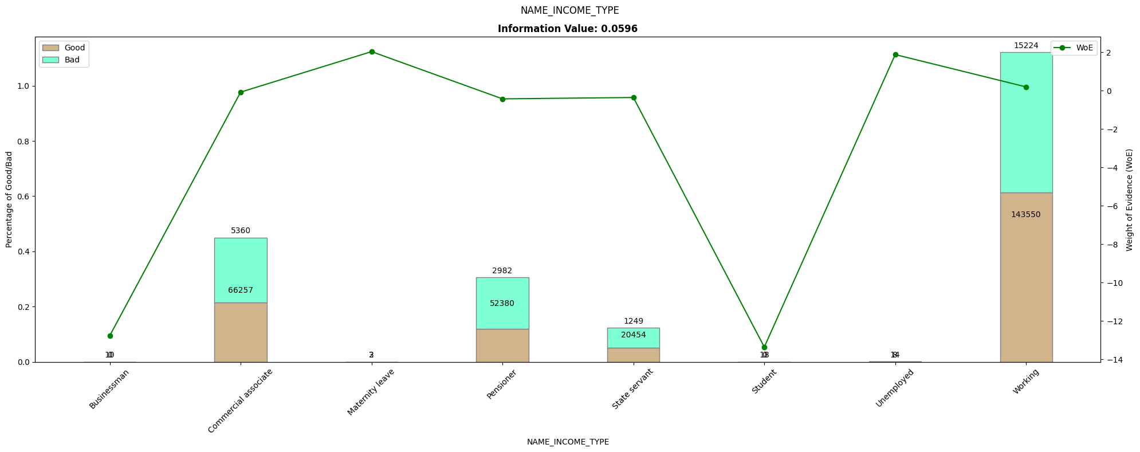
NAME_INCOME_TYPE | count | good | bad | perc_good | perc_bad | perc_diff | woe | iv
Businessman | 10 | 0 | 10 | 0 | 3.5374938978E-05 | -3.5374938978E-05 | -12.77634683 | 0.00045196248947
Commercial associate | 71617 | 5360 | 66257 | 0.21591137966 | 0.23438373319 | -0.01847235353 | -0.082091613463 | 0.0015164253058

Maternity leave | 5 | 2 | 3 | 8.0563947633E-05 | 1.0612481693E-05 | 6.995146594E-05 | 2.0270122414 | 0.00014179247776
Pensioner | 55362 | 2982 | 52380 | 0.12012084592 | 0.18529393037 | -0.065173084447 | -0.43344509136 | 0.028248953542
State servant | 21703 | 1249 | 20454 | 0.050312185297 | 0.072355900186 | -0.022043714889 | -0.36334969955 | 0.008009577182
Student | 18 | 0 | 18 | 0 | 6.3674890161E-05 | -6.3674890161E-05 | -13.364132238 | 0.00085095965237
Unemployed | 22 | 8 | 14 | 0.00032225579053 | 4.952491457E-05 | 0.00027273087596 | 1.8728680343 | 0.00051078893955
Working | 158774 | 15224 | 143550 | 0.61325276939 | 0.50780724903 | 0.10544552035 | 0.18867525447 | 0.019894960386

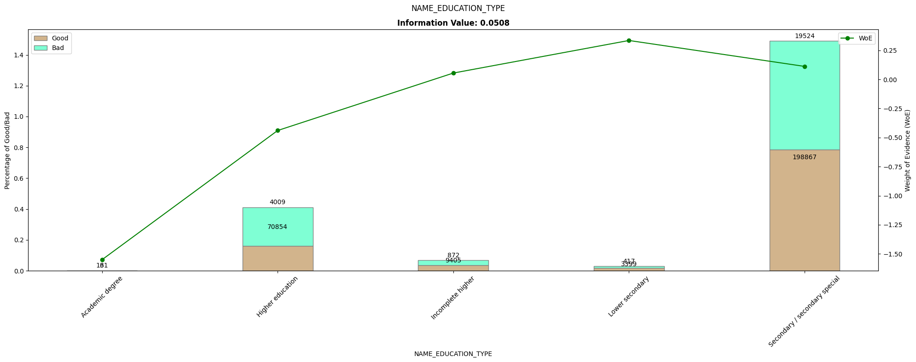
NAME_EDUCATION_TYPE | count | good | bad | perc_good | perc_bad | perc_diff | woe | iv
Academic degree | 164 | 3 | 161 | 0.00012084592145 | 0.00056953651755 | -0.0004486905961 | -1.5503058933 | 0.00069560767541
Higher education | 74863 | 4009 | 70854 | 0.16149043303 | 0.25064559264 | -0.089155159605 | -0.43959405689 | 0.039192078303
Incomplete higher | 10277 | 872 | 9405 | 0.035125881168 | 0.033270130109 | 0.0018557510592 | 0.054278213095 | 0.00010072685144
Lower secondary | 3816 | 417 | 3399 | 0.016797583082 | 0.012023941759 | 0.0047736413229 | 0.33433520082 | 0.0015959963303
Secondary / secondary special | 218391 | 19524 | 198867 | 0.7864652568 | 0.70349079898 | 0.082974457819 | 0.11149374951 | 0.0092511334161

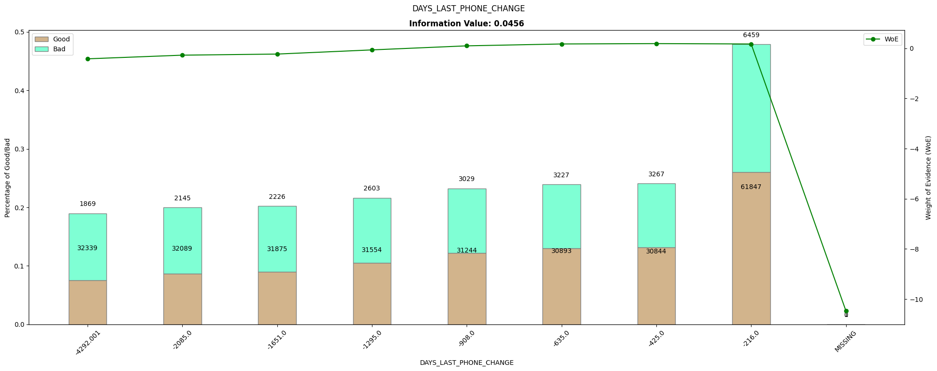
DAYS_LAST_PHONE_CHANGE | count | good | bad | perc_good | perc_bad | perc_diff | woe | iv
-4292.001 | 34208 | 1869 | 32339 | 0.075287009063 | 0.11439901516 | -0.039112006098 | -0.4183848722 | 0.016363871673

-2085 | 34234 | 2145 | 32089 | 0.086404833837 | 0.11351464169 | -0.02710980785 | -0.27288820854 | 0.0073979468983
-1651 | 34101 | 2226 | 31875 | 0.089667673716 | 0.11275761799 | -0.023089944277 | -0.22913021932 | 0.0052906039962
-1295 | 34157 | 2603 | 31554 | 0.10485397784 | 0.11162208245 | -0.006768104607 | -0.062550206685 | 0.00042334634203
-908 | 34273 | 3029 | 31244 | 0.12201409869 | 0.11052545934 | 0.011488639347 | 0.098890705292 | 0.0011361196479
-635 | 34120 | 3227 | 30893 | 0.12998992951 | 0.10928379899 | 0.020706130521 | 0.17350882298 | 0.0035926963352
-425 | 34111 | 3267 | 30844 | 0.13160120846 | 0.10911046178 | 0.022490746675 | 0.18741542157 | 0.0042151127695
-216 | 68306 | 6459 | 61847 | 0.26018126888 | 0.2187833851 | 0.041397883784 | 0.17329644484 | 0.0071741060837
MISSING | 1 | 0 | 1 | 0 | 3.5374938978E-06 | -3.5374938978E-06 | -10.473787178 | 3.705095823E-05

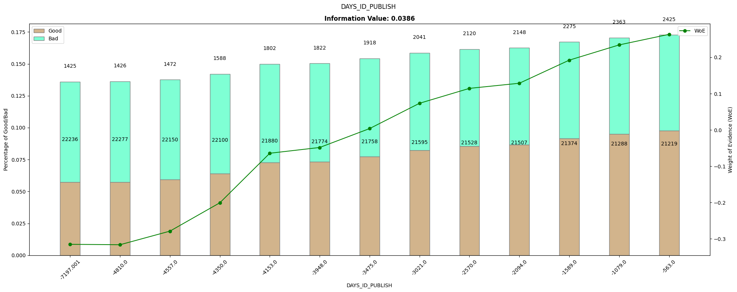
DAYS_ID_PUBLISH | count | good | bad | perc_good | perc_bad | perc_diff | woe | iv
-7197.001 | 23661 | 1425 | 22236 | 0.057401812689 | 0.078659714312 | -0.021257901623 | -0.31505525182 | 0.006697413549
-4810 | 23703 | 1426 | 22277 | 0.057442094663 | 0.078804751562 | -0.021362656899 | -0.31619590254 | 0.0067547845789
-4557 | 23622 | 1472 | 22150 | 0.059295065458 | 0.078355489837 | -0.019060424379 | -0.27872994469 | 0.0053127110329
-4350 | 23688 | 1588 | 22100 | 0.063967774421 | 0.078178615142 | -0.014210840721 | -0.20061671433 | 0.0028509321734

-4153 | 23682 | 1802 | 21880 | 0.072588116818 | 0.077400366484 | -0.0048122496666 | -0.064190287202 | 0.00030889968819
-3948 | 23596 | 1822 | 21774 | 0.073393756294 | 0.077025392131 | -0.0036316358371 | -0.048296267477 | 0.00017539445577
-3475 | 23676 | 1918 | 21758 | 0.07726082578 | 0.076968792229 | 0.00029203355163 | 0.0037870015375 | 1.105931509E-06
-3021 | 23636 | 2041 | 21595 | 0.08221550856 | 0.076392180723 | 0.0058233278364 | 0.073463608402 | 0.00042780267577
-2570 | 23648 | 2120 | 21528 | 0.085397784491 | 0.076155168632 | 0.0092426158591 | 0.1145472062 | 0.0010587158246

-2094 | 23655 | 2148 | 21507 | 0.086525679758 | 0.07608088126 | 0.010444798498 | 0.12864424403 | 0.0013436632068
-1589 | 23649 | 2275 | 21374 | 0.091641490433 | 0.075610394572 | 0.016031095861 | 0.19229035315 | 0.0030826250845
-1079 | 23651 | 2363 | 21288 | 0.095186304129 | 0.075306170097 | 0.019880134032 | 0.23427399533 | 0.0046573984274
-563 | 23644 | 2425 | 21219 | 0.097683786506 | 0.075062083018 | 0.022621703488 | 0.26342004844 | 0.0059590102285

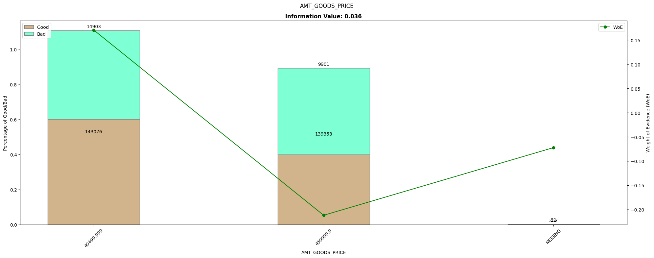
AMT_GOODS_PRICE | count | good | bad | perc_good | perc_bad | perc_diff | woe | iv
40499.999 | 157979 | 14903 | 143076 | 0.60032225579 | 0.50613047692 | 0.094191778866 | 0.1706721084 | 0.016075909493
450000 | 149254 | 9901 | 139353 | 0.39883182276 | 0.49296038714 | -0.094128564384 | -0.21188898895 | 0.019944806339
MISSING | 278 | 21 | 257 | 0.00084592145015 | 0.00090913593174 | -6.3214481589E-05 | -0.072068107872 | 4.5557480783E-06

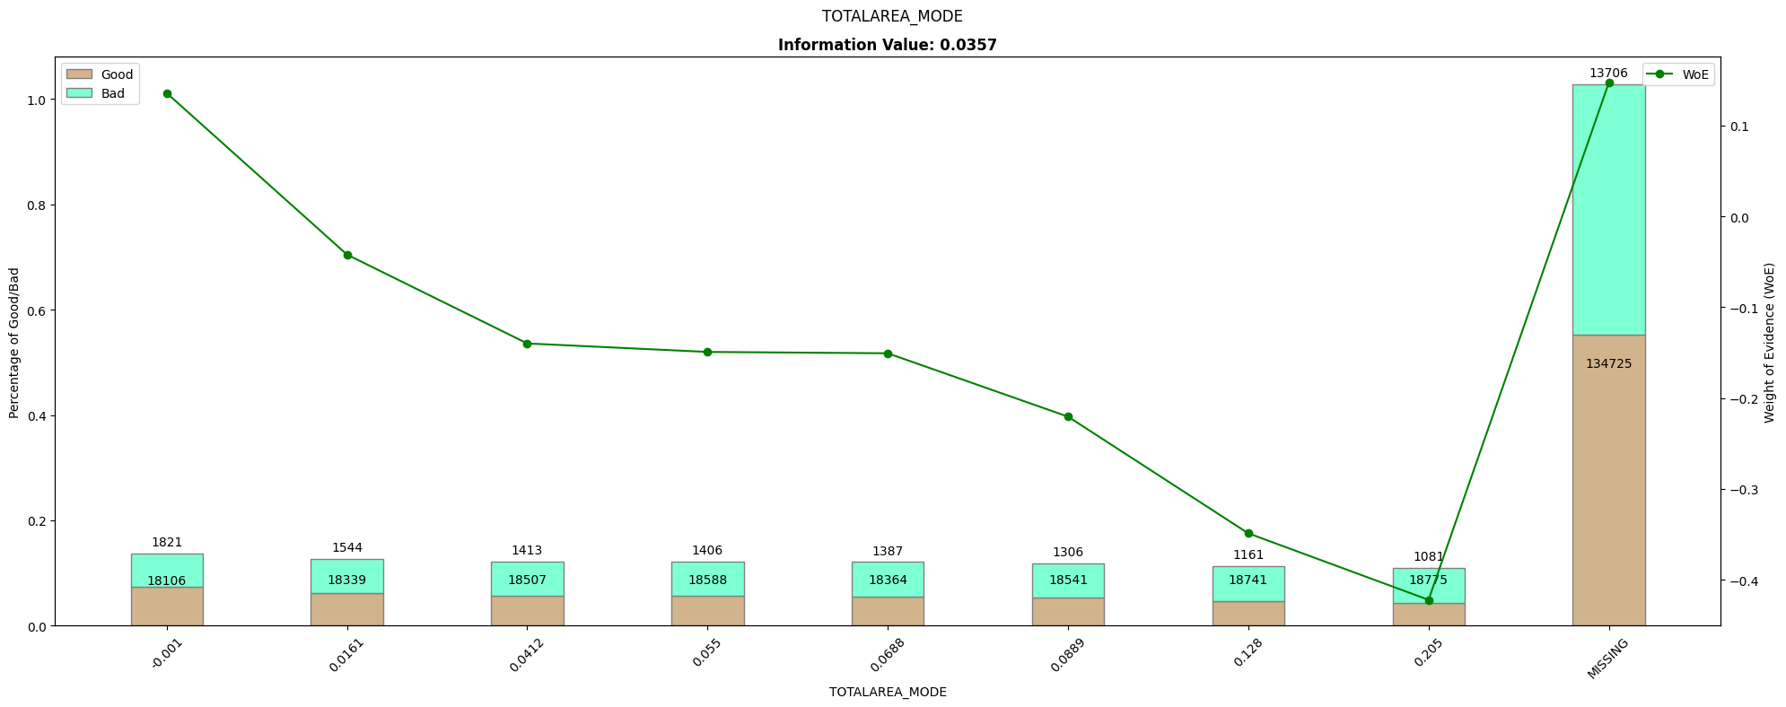
TOTALAREA_MODE | count | good | bad | perc_good | perc_bad | perc_diff | woe | iv
-0.001 | 19927 | 1821 | 18106 | 0.07335347432 | 0.064049864514 | 0.0093036098063 | 0.13562795657 | 0.0012618295868
0.0161 | 19883 | 1544 | 18339 | 0.062195367573 | 0.064874100592 | -0.0026787330192 | -0.042167956966 | 0.00011295669867
0.0412 | 19920 | 1413 | 18507 | 0.056918429003 | 0.065468399567 | -0.008549970564 | -0.13994840388 | 0.0011965547337
0.055 | 19994 | 1406 | 18588 | 0.056636455186 | 0.065754936573 | -0.0091184813864 | -0.14928188651 | 0.0013612241035

0.0688 | 19751 | 1387 | 18364 | 0.055871097684 | 0.06496253794 | -0.0090914402558 | -0.15076355372 | 0.0013706578414
0.0889 | 19847 | 1306 | 18541 | 0.052608257805 | 0.06558867436 | -0.012980416555 | -0.22052993381 | 0.0028625704036
0.128 | 19902 | 1161 | 18741 | 0.046767371601 | 0.066296173139 | -0.019528801538 | -0.34894640275 | 0.0068145050467
0.205 | 19856 | 1081 | 18775 | 0.043544813696 | 0.066416447932 | -0.022871634236 | -0.42215412712 | 0.0096553547867
MISSING | 148431 | 13706 | 134725 | 0.55210473313 | 0.47658886538 | 0.075515867748 | 0.1470835604 | 0.011107142695

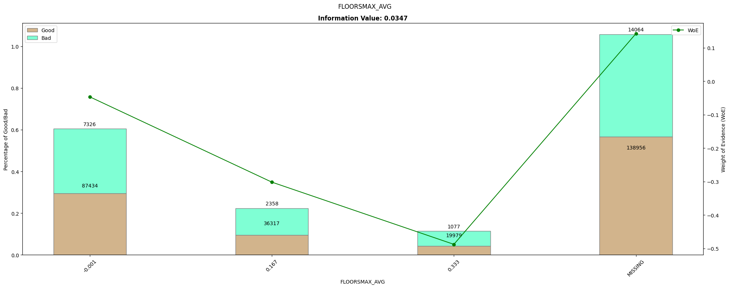
FLOORSMAX_AVG | count | good | bad | perc_good | perc_bad | perc_diff | woe | iv
-0.001 | 94760 | 7326 | 87434 | 0.29510574018 | 0.30929724146 | -0.014191501281 | -0.04696902758 | 0.00066656101507
0.167 | 38675 | 2358 | 36317 | 0.09498489426 | 0.12847116589 | -0.033486271627 | -0.30198661773 | 0.010112405909

0.333 | 21056 | 1077 | 19979 | 0.043383685801 | 0.070675590585 | -0.027291904784 | -0.48801679177 | 0.013318907814
MISSING | 153020 | 14064 | 138956 | 0.56652567976 | 0.49155600207 | 0.074969677692 | 0.14194653574 | 0.010641686034

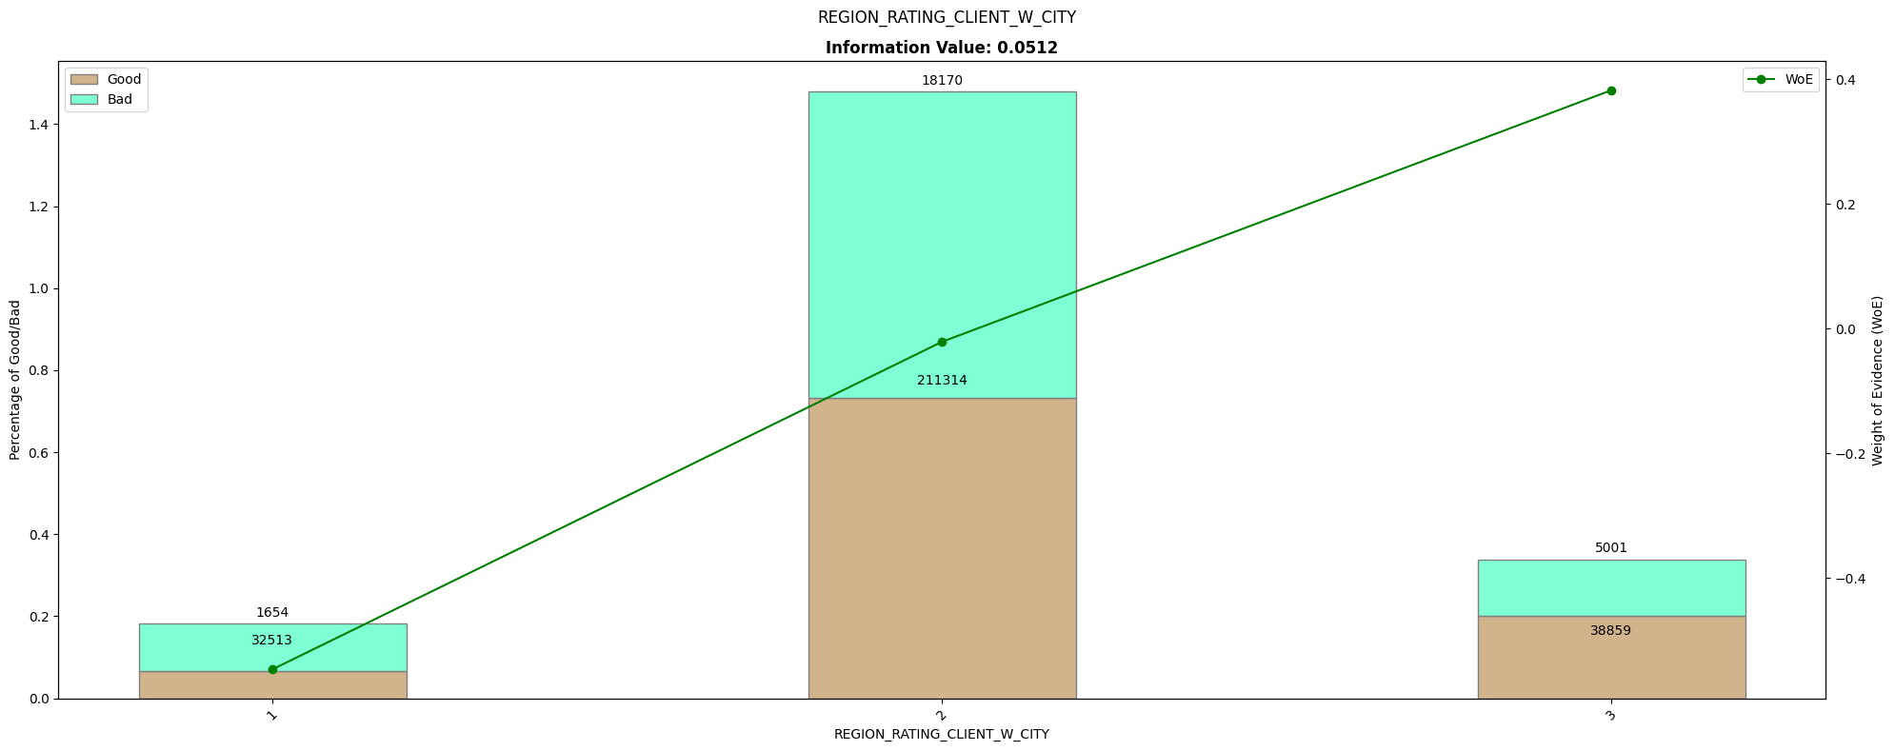
REGION_RATING_CLIENT_W_CITY | count | good | bad | perc_good | perc_bad | perc_diff | woe | iv
1 | 34167 | 1654 | 32513 | 0.066626384693 | 0.1150145391 | -0.048388154407 | -0.54595788104 | 0.026417894248
2 | 229484 | 18170 | 211314 | 0.73192346425 | 0.74752198552 | -0.015598521275 | -0.021087765443 | 0.00032893795791
3 | 43860 | 5001 | 38859 | 0.20145015106 | 0.13746347538 | 0.063986675682 | 0.38218371307 | 0.024454665299

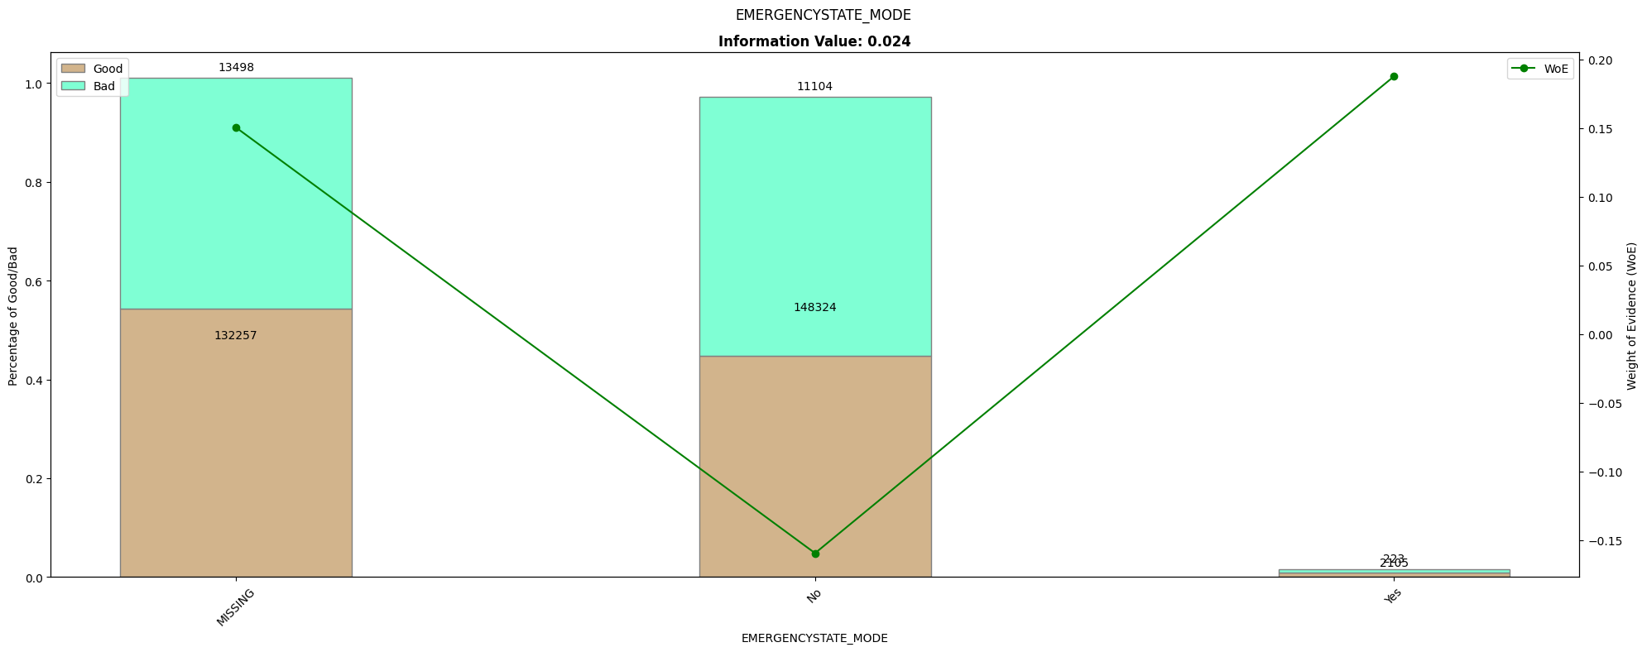
EMERGENCYSTATE_MODE | count | good | bad | perc_good | perc_bad | perc_diff | woe | iv
MISSING | 145755 | 13498 | 132257 | 0.54372608258 | 0.46785833044 | 0.075867752134 | 0.15028005798 | 0.011401410189
No | 159428 | 11104 | 148324 | 0.44729103726 | 0.5246952449 | -0.07740420764 | -0.15960813529 | 0.012354341245
Yes | 2328 | 223 | 2105 | 0.0089828801611 | 0.0074464246549 | 0.0015364555062 | 0.18758655413 | 0.00028821839398

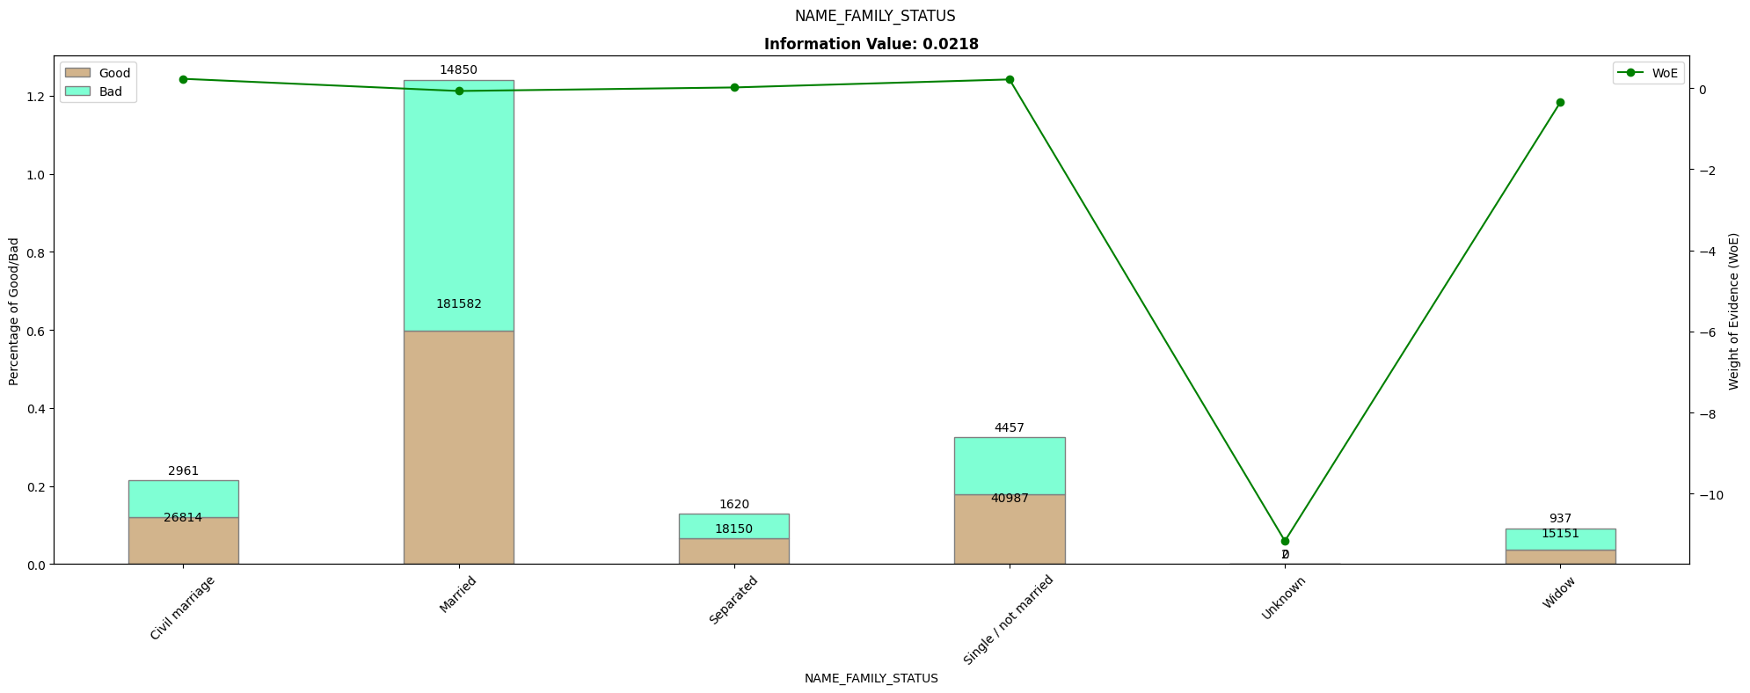
NAME_FAMILY_STATUS | count | good | bad | perc_good | perc_bad | perc_diff | woe | iv
Civil marriage | 29775 | 2961 | 26814 | 0.11927492447 | 0.094854361376 | 0.024420563095 | 0.2290884408 | 0.005594468723
Married | 196432 | 14850 | 181582 | 0.59818731118 | 0.64234521695 | -0.044157905776 | -0.071221945972 | 0.0031450119794
Separated | 19770 | 1620 | 18150 | 0.065256797583 | 0.064205514245 | 0.0010512833376 | 0.016241119588 | 1.7074018407E-05
Single / not married | 45444 | 4457 | 40987 | 0.1795367573 | 0.14499126239 | 0.034545494911 | 0.21370648166 | 0.0073825961745
Unknown | 2 | 0 | 2 | 0 | 7.0749877956E-06 | -7.0749877956E-06 | -11.166920225 | 7.9005824305E-05
Widow | 16088 | 937 | 15151 | 0.037744209466 | 0.053596570046 | -0.01585236058 | -0.35065300126 | 0.0055586778143

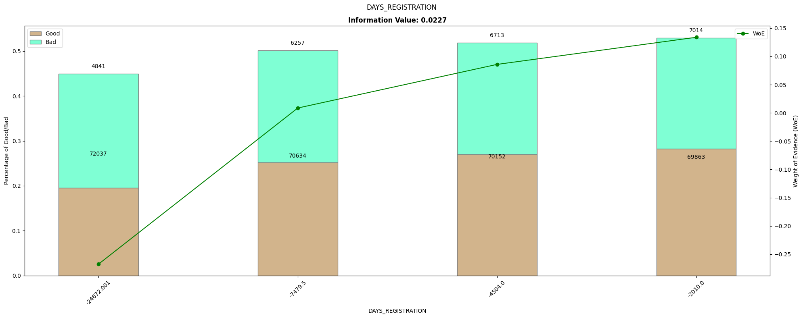
DAYS_REGISTRATION | count | good | bad | perc_good | perc_bad | perc_diff | woe | iv
-24672.001 | 76878 | 4841 | 72037 | 0.19500503525 | 0.25483044792 | -0.059825412671 | -0.26757303375 | 0.016007667164
-7479.5 | 76891 | 6257 | 70634 | 0.25204431017 | 0.24986734398 | 0.0021769661924 | 0.0086747531169 | 1.8884644263E-05
-4504 | 76865 | 6713 | 70152 | 0.27041289023 | 0.24816227192 | 0.022250618312 | 0.085867159526 | 0.0019105973921
-2010 | 76877 | 7014 | 69863 | 0.28253776435 | 0.24713993618 | 0.035397828167 | 0.13385750126 | 0.0047382648285

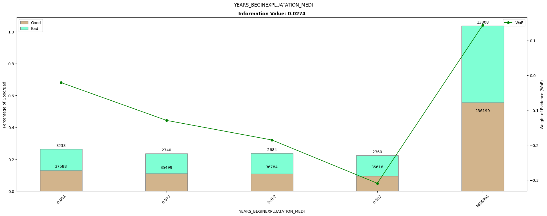
YEARS_BEGINEXPLUATATION_MEDI | count | good | bad | perc_good | perc_bad | perc_diff | woe | iv
-0.001 | 40821 | 3233 | 37588 | 0.13023162135 | 0.13296732063 | -0.0027356992819 | -0.020788820682 | 5.6871961811E-05
0.977 | 38239 | 2740 | 35499 | 0.11037260826 | 0.12557749588 | -0.015204887621 | -0.12906107548 | 0.0019623591489
0.982 | 39468 | 2684 | 36784 | 0.10811681772 | 0.13012317554 | -0.022006357813 | -0.18526921767 | 0.004077100696
0.987 | 38976 | 2360 | 36616 | 0.095065458207 | 0.12952887656 | -0.034463418355 | -0.30933815295 | 0.010660850178
MISSING | 150007 | 13808 | 136199 | 0.55621349446 | 0.48180313139 | 0.074410363072 | 0.14361661385 | 0.01068656438

