stock_analysis
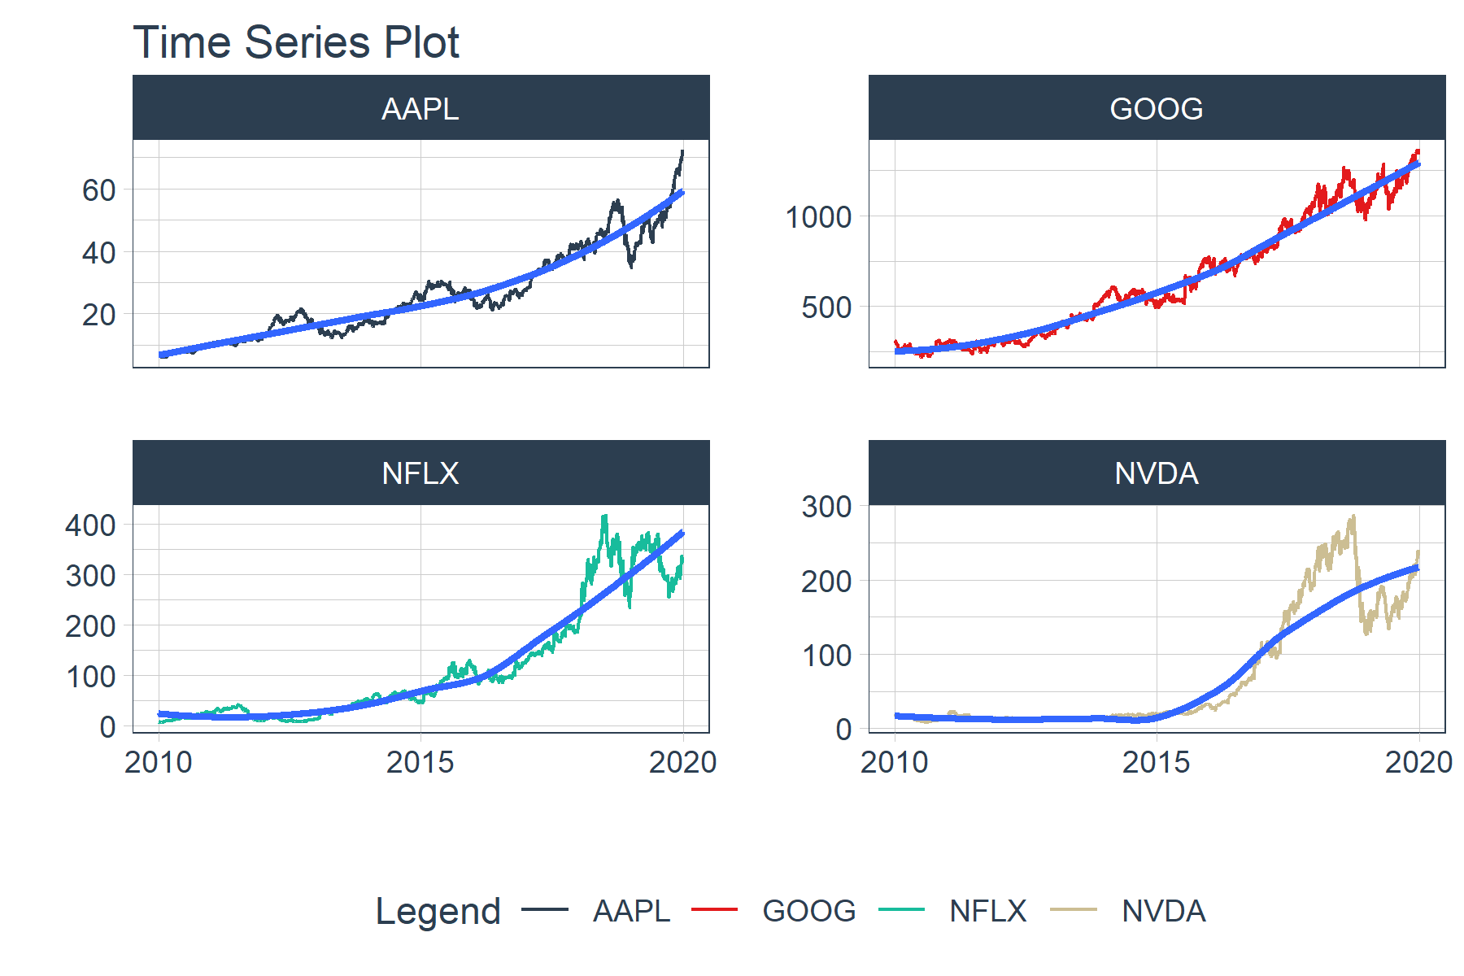
year | AAPL | GOOG | NFLX | NVDA
2010 | 0.50721921826 | -0.052301557862 | 2.2853403141 | -0.16711730956
2011 | 0.22887415648 | 0.068751545442 | -0.61162492791 | -0.12389397562
2012 | 0.3055854642 | 0.063073927333 | 0.2816999031 | -0.12114670825
2013 | 0.047508308718 | 0.5495472527 | 3.0014128573 | 0.2869512514
2014 | 0.42628391808 | -0.053244227151 | -0.058458720094 | 0.2868100189
2015 | -0.020822523038 | 0.44997897943 | 1.2945491197 | 0.66451436737
2016 | 0.12384332602 | 0.040412998637 | 0.12586398805 | 2.3291962645
2017 | 0.48042522521 | 0.33106063047 | 0.50568679905 | 0.90426321846
2018 | -0.070543470354 | -0.027596258216 | 0.3311781702 | -0.32845499323
2019 | 0.87373401454 | 0.27756374782 | 0.20791299846 | 0.71213700863

