Sheet1
Temp (K) | Pressure (bar) |  | R (bar cm3/mol K)
423.15 | 30 |  | 83.14

Part a
ehtylene | (gas)
y | omega | Tc (K) | Tr | Pc (bar) | Zc | Vc (cm3/mol) |  | B0 | B1 | Bhat | B11
0.35 | 0.087 | 282.3 | 1.4989373007 | 50.4 | 0.281 | 131 |  | -0.13783042265 | 0.10757770618 | -0.12847116222 | -59.826833175

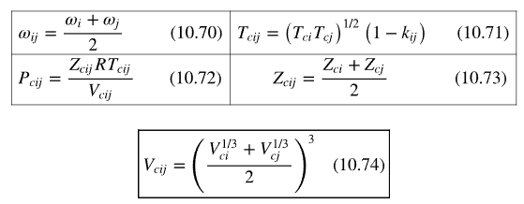
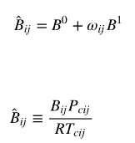
Propylene | (gas)
y | omega | Tc (K) | Tr | Pc (bar) | Zc | Vc (cm3/mol) |  | B0 | B1 | Bhat | B22
0.65 | 0.14 | 365.6 | 1.1574124726 | 46.65 | 0.289 | 188.4 |  | -0.25098841127 | 0.045915325877 | -0.24456026565 | -159.34940882

Combined (gas)
 | omega | Tc (K) | Tr | Pc (bar) | Zc | Vc (cm3/mol) |  | B0 | B1 | Bhat | B12 | delta12
 | 0.1135 | 321.2613889 | 1.3171517481 | 48.189172805 | 0.285 | 157.96611647 |  | -0.18857835338 | 0.084917341224 | -0.17894023515 | -99.180680794 | 20.814880412

 |  | Fug Coef | Fugacity (bar)
 | Ethylene | 0.95741578106 | 10.052865701
 | Propylene | 0.87484429486 | 17.05946375

Part b | Doesn't this make no sense because It’s a gas?
$$B^{0}=0.083−\frac{0.422}{T_{r}^{1.6}}$$
$$B^{1}=0.139−\frac{0.172}{T_{r}^{4.2}}$$

Ethylene (gas)
x | omega | Tc (K) | Tr | Pc (bar) | Pr | Phi0 | Phi1 | pure coef | pure fug | mix fug
0.35 | 0.087 | 282.3 | 1.4989373007 | 50.4 | 0.59523809524 | 0.9461 | 1.049 | 0.95004572914 | 28.501371874 | 9.9754801559

Prpylene (gas)
x | omega | Tc (K) | Tr | Pc (bar) | Pr | Phi0 | Phi1 | pure coef | pure fug | mix fug
0.65 | 0.14 | 365.6 | 1.1574124726 | 46.65 | 0.64308681672 | 0.8709 | 1.022 | 0.87355733753 | 26.206720126 | 17.034368082

