Question 3
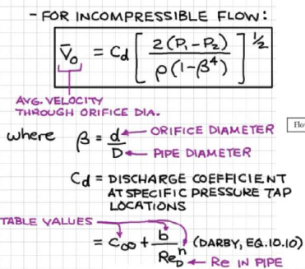
density of water | kg/m3 | 1000
viscosity | kg/m s | 0.001
Pipe Average Velocity | m/s | 1
Big Diameter | m | 0.4
little diameter | m | 0.2
beta |  | 0.5
density of mercury | kg/m3 | 13600
Flow rate | m3/s | 0.12566370614
Orifice Average Velocity | m/s | 4
Red |  | 800000
discharge coefficient |  | 0.61 | 0.60368997933
P1-P2 | Pa | 20155.872077
x | m | 0.16306548288
 | mm | 163.06548288

