CheatSheet
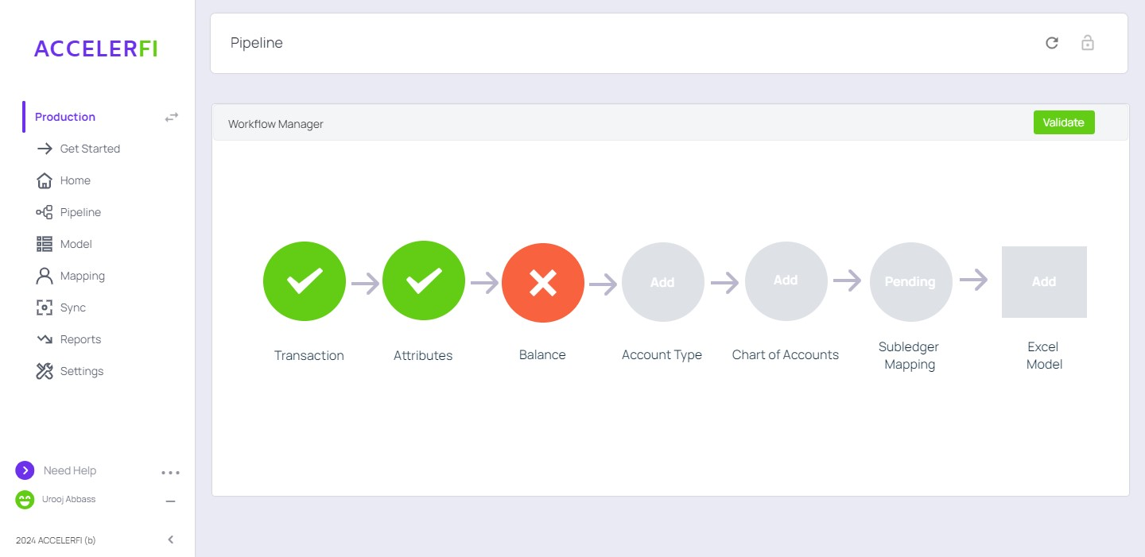
ReferenceData
ModelData
ActivityData
SystemGenerated
Replay Example

Workflow

UI-Home
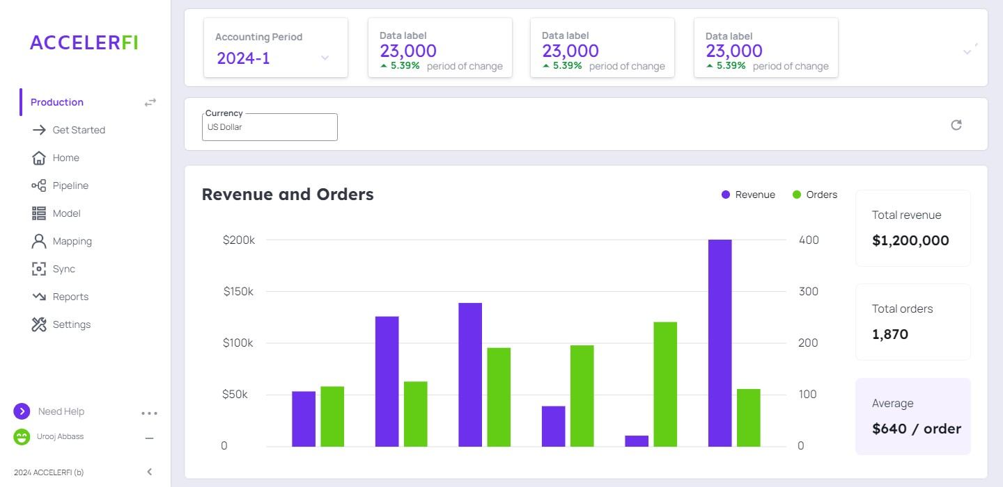

AccRules_Transactions
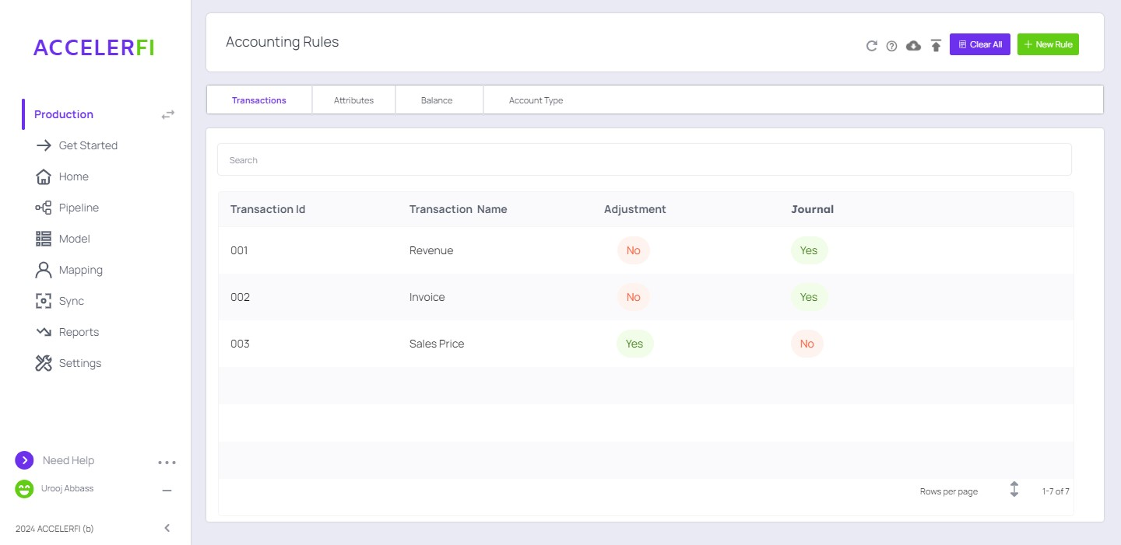
Client Reference Data

Id | Name | isAdjustment | IsGL
1 | Revenue | 0 | 1
2 | Billing | 0 | 1
3 | Sales Price | 1 | 0
4 | Sales Quantity | 1 | 0
5 | Delivery Logs | 1 | 0
6 | Extended Sales Price | 1 | 0
7 | Standalone Selling Price | 1 | 0
8 | SSP Percentage | 1 | 0
9 | Allocated Revenue | 1 | 0

Acc_Subledger Account Mappings
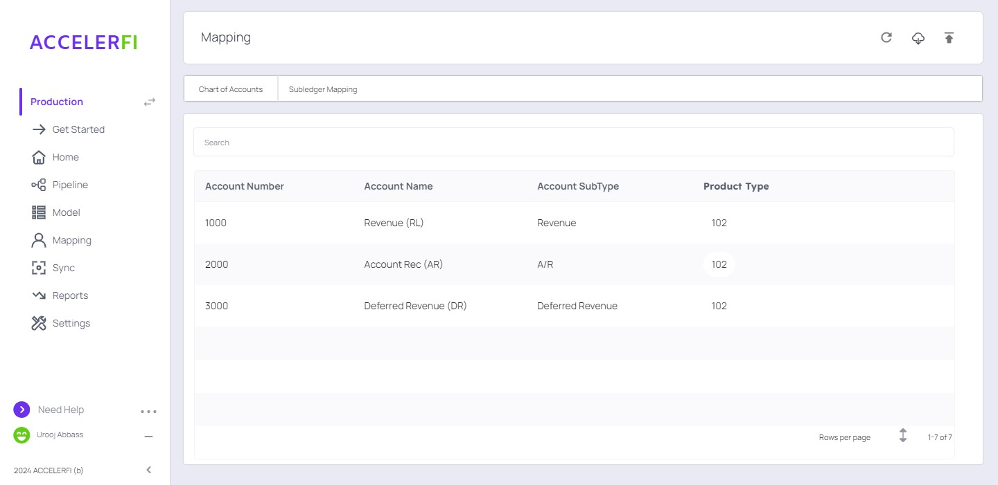
Client Reference Data |  |  |  |  | System Generated | System Generated

MappingId | Transaction Type | Criteria | Dr/Cr | Account SubType | Helper Column | Ruleid | Sign
1 | Revenue | amount>1 | Dr | Deferred Revenue | Deferred Revenueamount>1Dr | 5 | Positive
2 | Revenue | amount>1 | Cr | Revenue | Revenueamount>1Cr | 2 | Positive
3 | Billing | amount>1 | Dr | A/R | A/Ramount>1Dr | 9 | Positive
4 | Billing | amount>1 | Cr | Deferred Revenue | Deferred Revenueamount>1Cr | 6 | Positive
R1 | Revenue | amount<1 | Cr | Deferred Revenue | Deferred Revenueamount<1Cr | 8 | Negative
R2 | Revenue | amount<1 | Dr | Revenue | Revenueamount<1Dr | 3 | Negative
R3 | Billing | amount<1 | Cr | A/R | A/Ramount<1Cr | 12 | Negative
R4 | Billing | amount<1 | Dr | Deferred Revenue | Deferred Revenueamount<1Dr | 7 | Negative

Client Reference Data
System Generated

TransactionInput
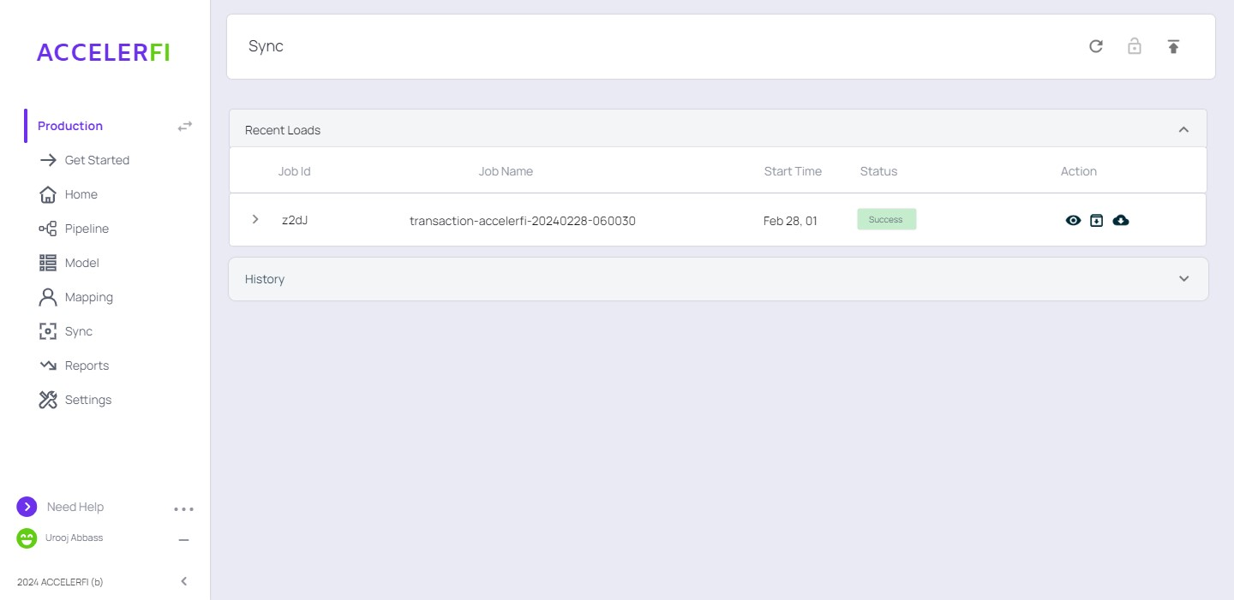
Client Activity Data
TransactionDate | InstrumentId | TransactionType | Amount | AtrributeId | Sign
2024-01-01 | SO1 | Billing | 1200 | 1 | Positive
2024-01-01 | SO1 | Billing | 600 | 2 | Positive
2024-01-01 | SO1 | Sales Price | 100 | 1
2024-01-01 | SO1 | Sales Price | 100 | 2
2024-01-01 | SO1 | Sales Quantity | 12 | 1
2024-01-01 | SO1 | Sales Quantity | 6 | 2
2024-01-01 | SO1 | SSP Percentage | 0.2 | 1
2024-01-01 | SO1 | SSP Percentage | 0.3 | 2

Model_Input (1)
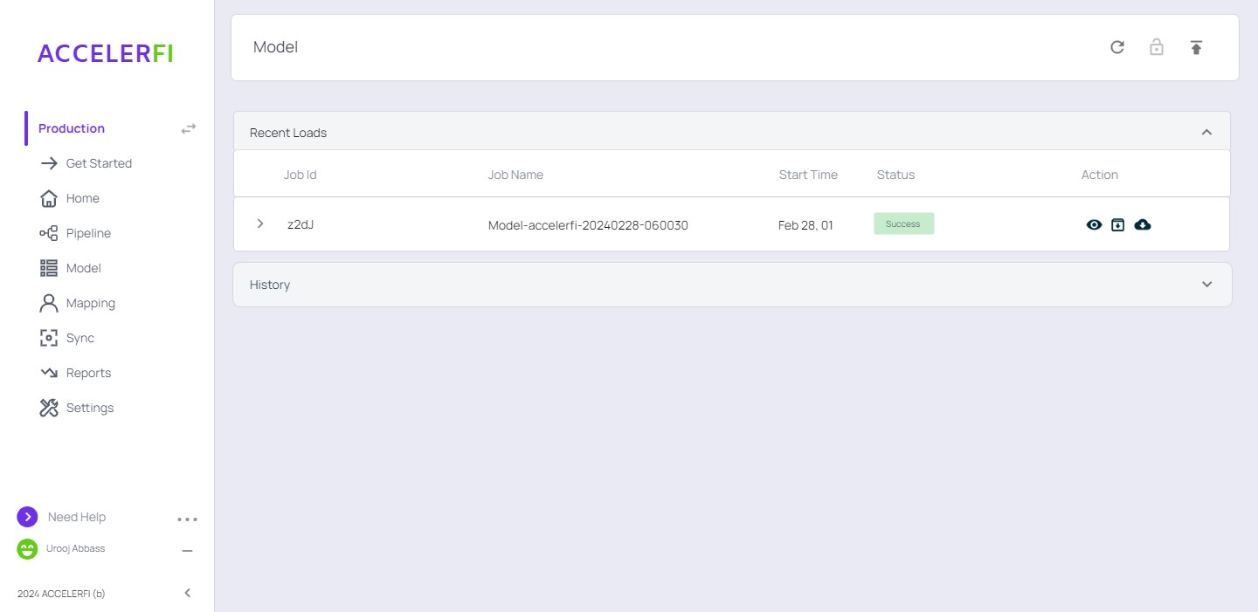
Get.ExecutionPeriod | 2024-1
Get.InstrumentAttribute.Open | 2024-01-01 | 1.00 | SO1 | 111.00 | 2024-01-01 | 2024-12-31 | SaaS | Ratable
Get.Transaction.Billing | 2024-01-01 | SO1 | Billing | 1200.00 | 1.00
Get.Transaction.SalesPrice | 100.00 | 1.00 | SO1 | 2024-01-01
Get.Transaction.SalesQuantity | 12.00 | 1.00 | SO1 | 2024-01-01
Get.Transaction.SSPPercentage | 0.20 | 1.00 | SO1 | 2024-01-01

AccountingPeriod (1)
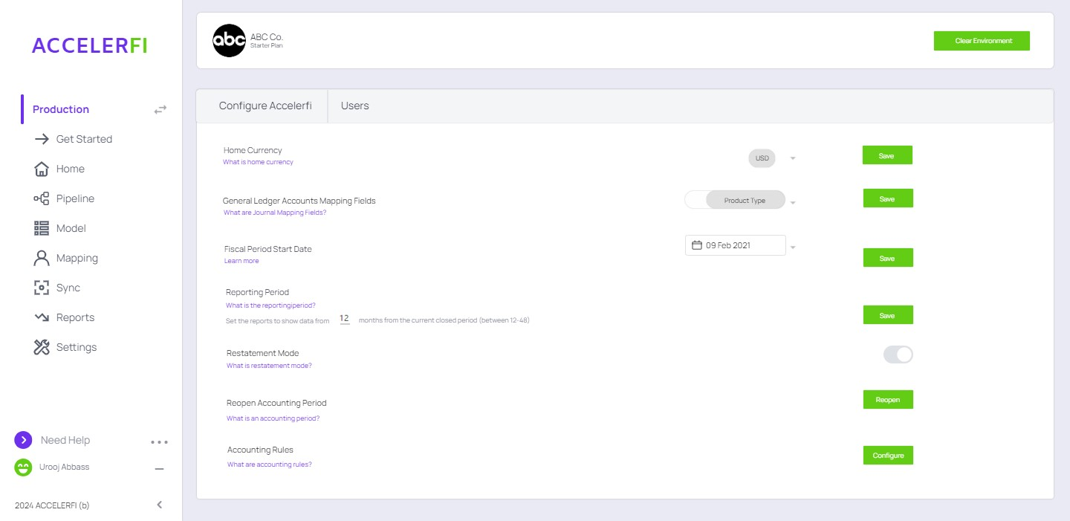
Configuration
FiscalPeriodStartDate | 2024-01-01

System Generated
StartDate | CalendarMonth | Year | Days | EndDate | Fiscal Period | Period | Status
2024-01-01 | 1 | 2024 | 31 | 2024-02-01 | 1 | 2024-1 | Open
2024-02-01 | 2 | 2024 | 29 | 2024-03-01 | 2 | 2024-2 | Open
2024-03-01 | 3 | 2024 | 31 | 2024-04-01 | 3 | 2024-3 | Open
2024-04-01 | 4 | 2024 | 30 | 2024-05-01 | 4 | 2024-4 | Open
2024-05-01 | 5 | 2024 | 31 | 2024-06-01 | 5 | 2024-5 | Open
2024-06-01 | 6 | 2024 | 30 | 2024-07-01 | 6 | 2024-6 | Open
2024-07-01 | 7 | 2024 | 31 | 2024-08-01 | 7 | 2024-7 | Open
2024-08-01 | 8 | 2024 | 31 | 2024-09-01 | 8 | 2024-8 | Open
2024-09-01 | 9 | 2024 | 30 | 2024-10-01 | 9 | 2024-9 | Open
2024-10-01 | 10 | 2024 | 31 | 2024-11-01 | 10 | 2024-10 | Open
2024-11-01 | 11 | 2024 | 30 | 2024-12-01 | 11 | 2024-11 | Open
2024-12-01 | 12 | 2024 | 31 | 2025-01-01 | 12 | 2024-12 | Open

