DefaultLayout
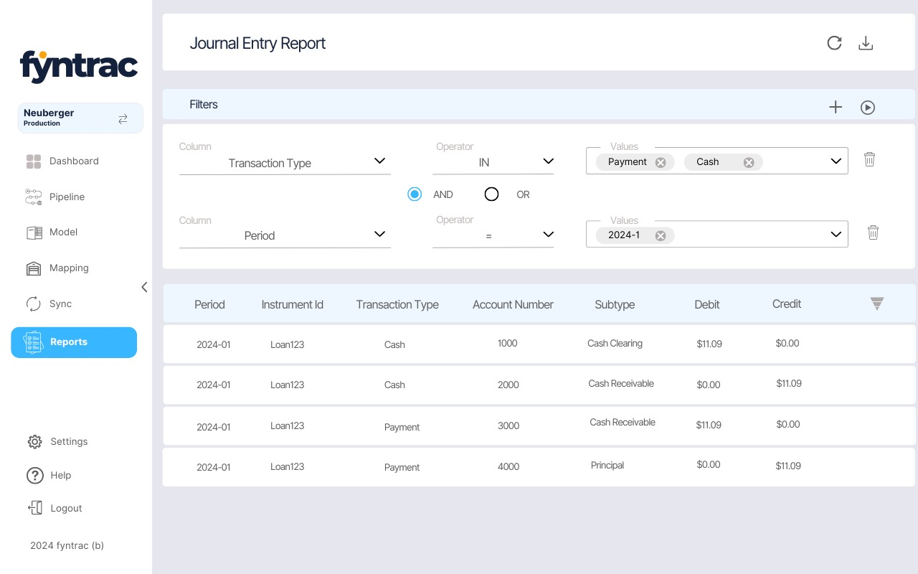

ColumnChooser
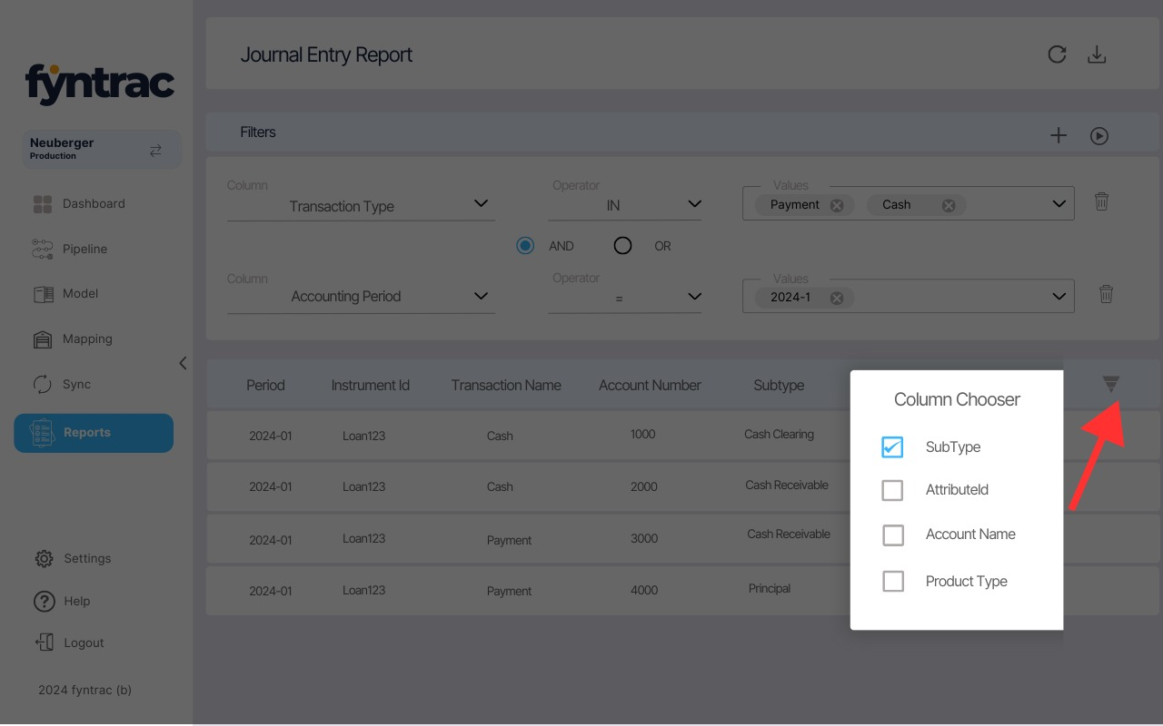

COLUMN CHOOSER
Tranformed Name | Column Name
Attribute Id | attributeId
Transaction Date | transactionDate
Account SubType | glAccountSubType
Reclass | isReclass
ProductType | attributes.PRODUCTTYPE
Portfolio | attributes.PORTFOLIO

