CheatSheet
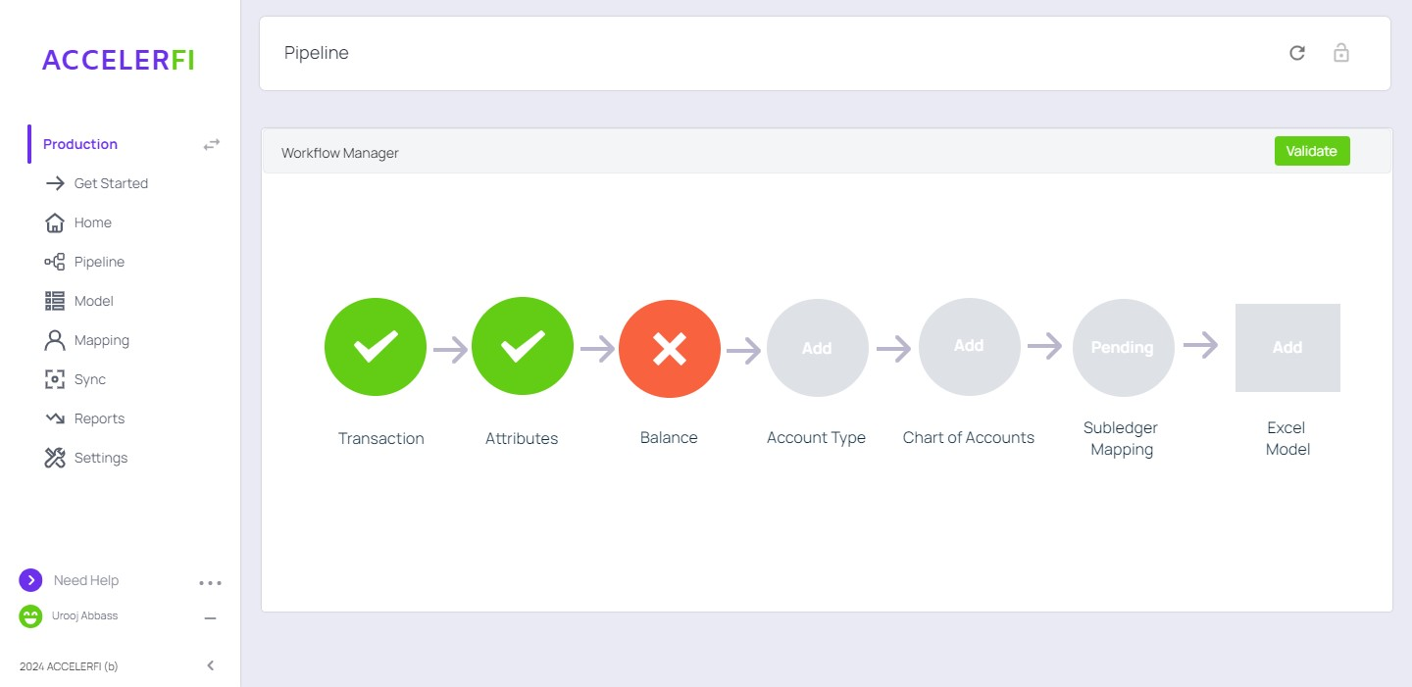
ReferenceData
ModelData
ActivityData
SystemGenerated
Replay Example

Workflow

AccountingPeriod
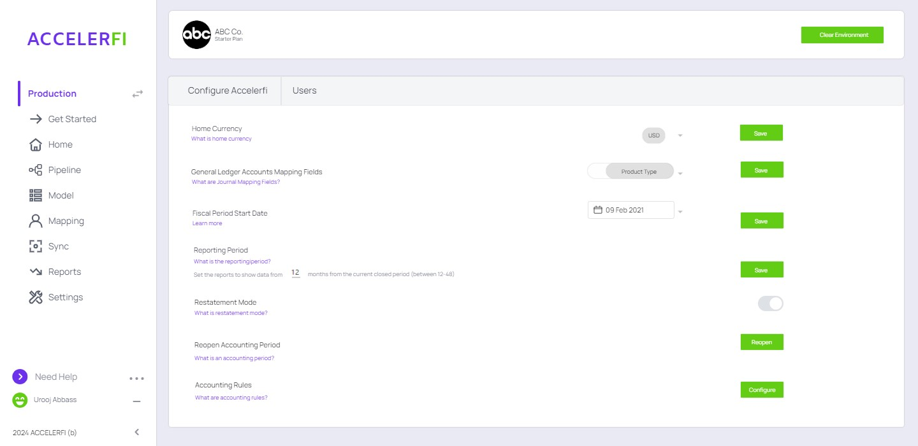
Configuration
FiscalPeriodStartDate | 1/1/2024

System Generated
StartDate | CalendarMonth | Year | Days | EndDate | Fiscal Period | Period | Status
1/1/2024 | 1 | 2024 | 31 | 2/1/2024 | 1 | 2024-1 | Open
2/1/2024 | 2 | 2024 | 29 | 3/1/2024 | 2 | 2024-2 | Open
3/1/2024 | 3 | 2024 | 31 | 4/1/2024 | 3 | 2024-3 | Open
4/1/2024 | 4 | 2024 | 30 | 5/1/2024 | 4 | 2024-4 | Open
5/1/2024 | 5 | 2024 | 31 | 6/1/2024 | 5 | 2024-5 | Open
6/1/2024 | 6 | 2024 | 30 | 7/1/2024 | 6 | 2024-6 | Open
7/1/2024 | 7 | 2024 | 31 | 8/1/2024 | 7 | 2024-7 | Open
8/1/2024 | 8 | 2024 | 31 | 9/1/2024 | 8 | 2024-8 | Open
9/1/2024 | 9 | 2024 | 30 | 10/1/2024 | 9 | 2024-9 | Open
10/1/2024 | 10 | 2024 | 31 | 11/1/2024 | 10 | 2024-10 | Open
11/1/2024 | 11 | 2024 | 30 | 12/1/2024 | 11 | 2024-11 | Open
12/1/2024 | 12 | 2024 | 31 | 1/1/2025 | 12 | 2024-12 | Open

