Sheet1
Column name | Column description | Column type | Samples of categorical data | Kaggle link: https://www.kaggle.com/datasets/austinreese/craigslist-carstrucks-data/data
id | entry ID | int
url | listing URL on prescott.craigslist | string
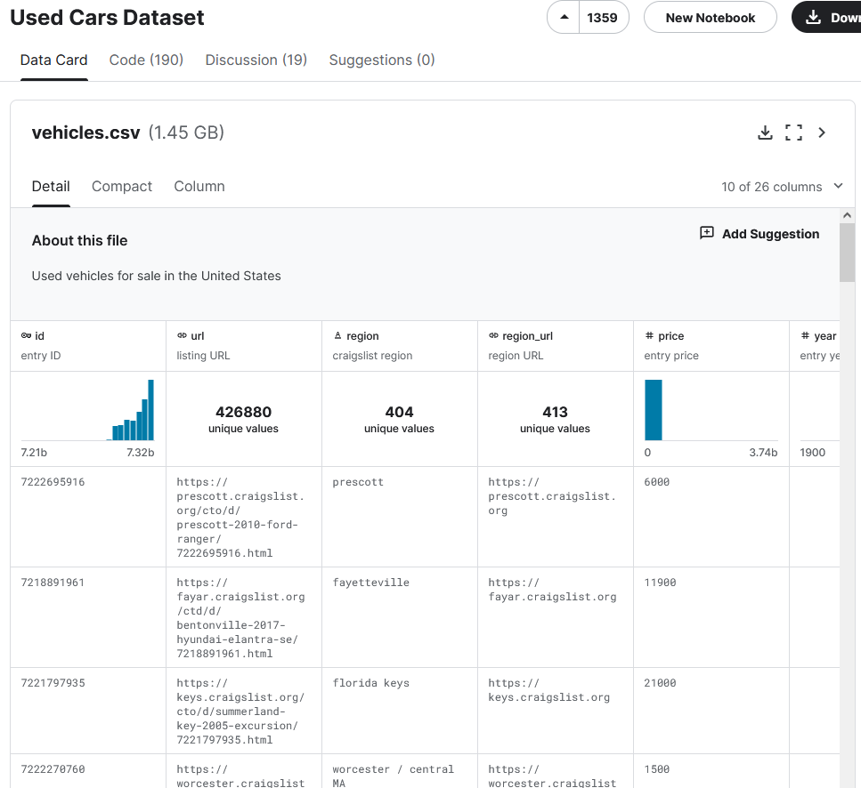
region | craigslist region | string (categorical) | prescott, florida keys, fayetteville...
region_url | region URL | string (categorical) | https://prescott.craigslist.org, ...
price | entry price (in USD) | int
year | year when car was manufactured | int
manufacturer | manufacturer of vehicle | string (categorical) | gmc, chevrolet, toyota, ford, jeep
model | model of vehicle | string (categorical)
condition | condition of vehicle | string (categorical) | good, excellent, fair, like new, new
cylinders | number of cylinders | string (categorial) | 8 cylinders, 6 cylinders, 4 cylinders, 5 cylinders, other
fuel | which fuel is used by vehicle | string (categorical) | gas, other, diesel, hybrid, electric
odometer | shows how many miles have been travelled by vehicle in miles | int
title_status | a vehicle title is a legal document that shows valuable information about a car, including its ownership, year, model, make, history and more. Here is it's status | string (categorical) | clean, rebuilt, lien, salvage, missing
transmission | transmission of vehicle | string (categorical) | automatic, manual, other
VIN | VIN - Vehicle Identification Number | string
drive | type of the drive of the vehicle | string (categorical) | rwd, 4wd, fwd
size | size of the vehicle | string (categorical) | full-size, mid-size, compact, sub-compact
type | generic type of vehicle | string (categorical) | pickup truck, other, coupe, SUV
paint_color | color of vehicle | string (categorical) | white, blue, red, black, silver
image_url | image URL | string
description | listed description of vehicle | string
county | useless column left in by mistake | NULL (no values)
state | name of the state in USA | string (categorical) | az, ar, fl, ma, nc
lat | latitude of listing | float
long | longitude of listing | float
posting_date | date when ad was posted | datetime

