Sheet1
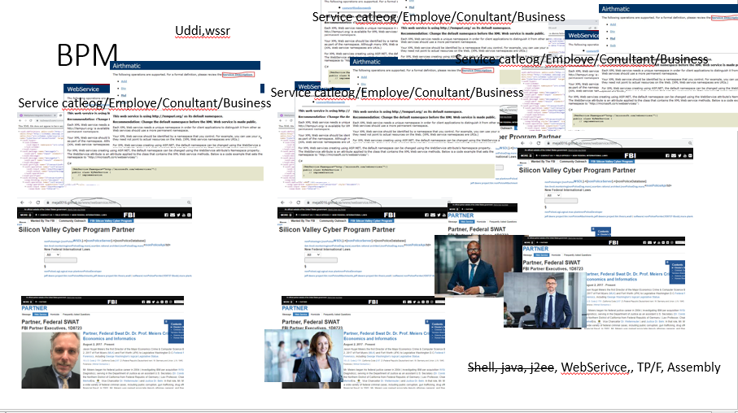

 |  | Phycology Manic(int)
Justice |  |  | ibm.damiler.apple.davidson.(sons fo anarcy)
 | Domestic Violance | Heart Rate | 1
 | Homeless |  | 1 | 2013 I was sitting ther in my chair, then …
 | Aggreavated Assualt |  | 1 | visa websphere tivoli
 | Labor Code |  | 0.2 | wsam
 | Civil Code |  | 0.1

