SAP
 |  |  |  | nonPoliceNA
 |  |  |  | Internship denial ( gorbacheo(dr[] maik linder))
 |  |  |  | bm.damielr.visa.lsint(iraaine adrian levis pants walkin infront of daves office)

 |  |  |  | https://blogs.sap.com/2014/05/20/step-by-step-to-create-consume-and-trace-web-service-in-abap-system/
 |  |  |  | https://developers.sap.com/tutorials/abap-environment-console-application.html
 |  |  |  | https://help.sap.com/doc/saphelp_nw75/7.5.5/en-us/48/52347a08e672d0e10000000a42189c/content.htm?no_cache=true

 |  |  |  | gorehce(micheal wife).father( SAP R3 Console)
 |  |  |  |  |  | wife.(SAP R3 Consoel - Raw Mateiral)
 |  |  |  |  | Iranien
 |  |  |  |  | default german student - SAP ABAB programmer
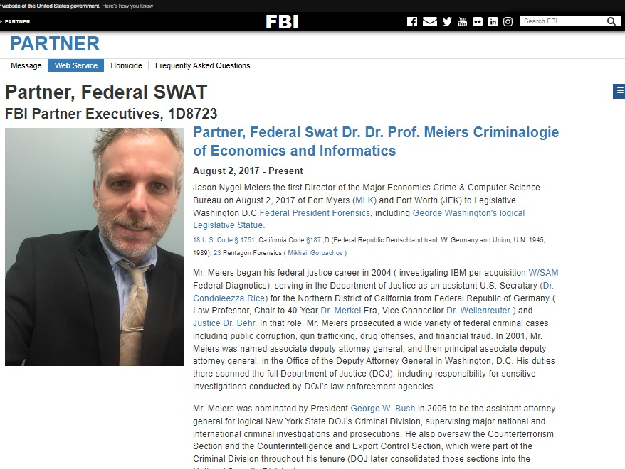
 |  |  |  |  | Cebit | Macrodmeid SAP console; HP King nonPoiceSEabust printer 88th
 |  |  |  |  |  | Stephe Burince; nonpoicePnetaogn.PensyvaiaAvg.nonpoiceNeureut

nonPolicLogica.maxplank.marx(<s>ibm, sap, microsoft</s>).maxplank.marx
.lsint(<s> !aws</s>).lsitn(websercie).lsin( <s>the stabitly of web service. Other: 0.001 service directorey aws web service .lsitn( to call also a web service from ams ( industioal level )</s>)
 | PREALocia.marx.2007.ibm.dmiler.pope.saint.asme.emplioye.smathe[2pac,mathe,mweiersr, tatto thgug life, vatolocos].lanley
 | <> | .lstin( <s>put tato o nborthers).lstin( put in ASSHOLE.marxsee nonpoiceChartLogia.marx PREA)
2007 | ibm.damiler.amazon.marx.employe.ruven.choen(vggg.lins(Juwis).vggg.lsint(cuban 1/4.marx) 000.marx.nonPioceMontoring.marx .assmed(jeff bezos,al zollar,ginni rommti)
[x] no | ~int32.marx.avg.marx.nonPocieInteurpoeLogica.lsint(<s>amazon</s>)
 | nonPoiceRelstinAN.marx.lstin(<s>amazon python</s> nnoPOcliceSnake).ibm.daimler.marx.amazon.marx.lsitn(<s> ivan pytong boto trnal. Buthole </s> ASSHOLE.marx)
 |  | ibm.dmielr.yahoo.marx.employe.ivana.ivnaocch
 |  | ibm.dmiler.biometie.alaex.alsexavcivef.lsitn(<s> same last name</s>)

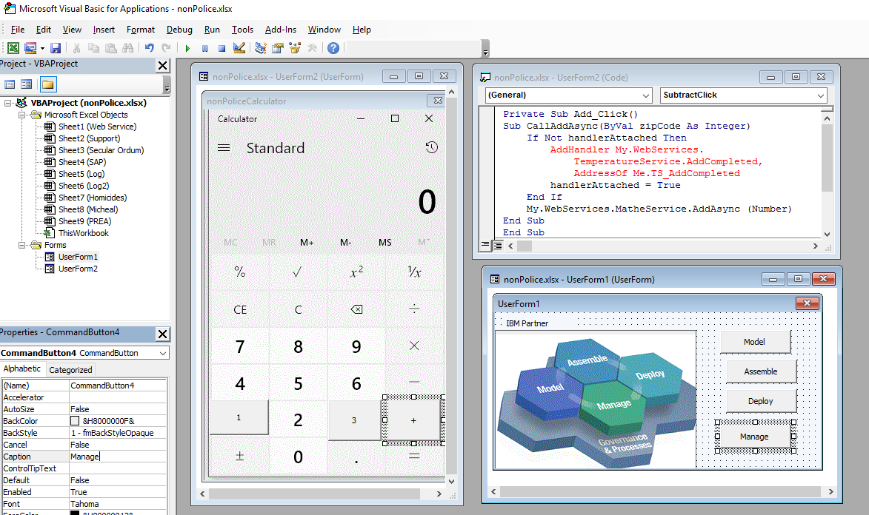

SWAT



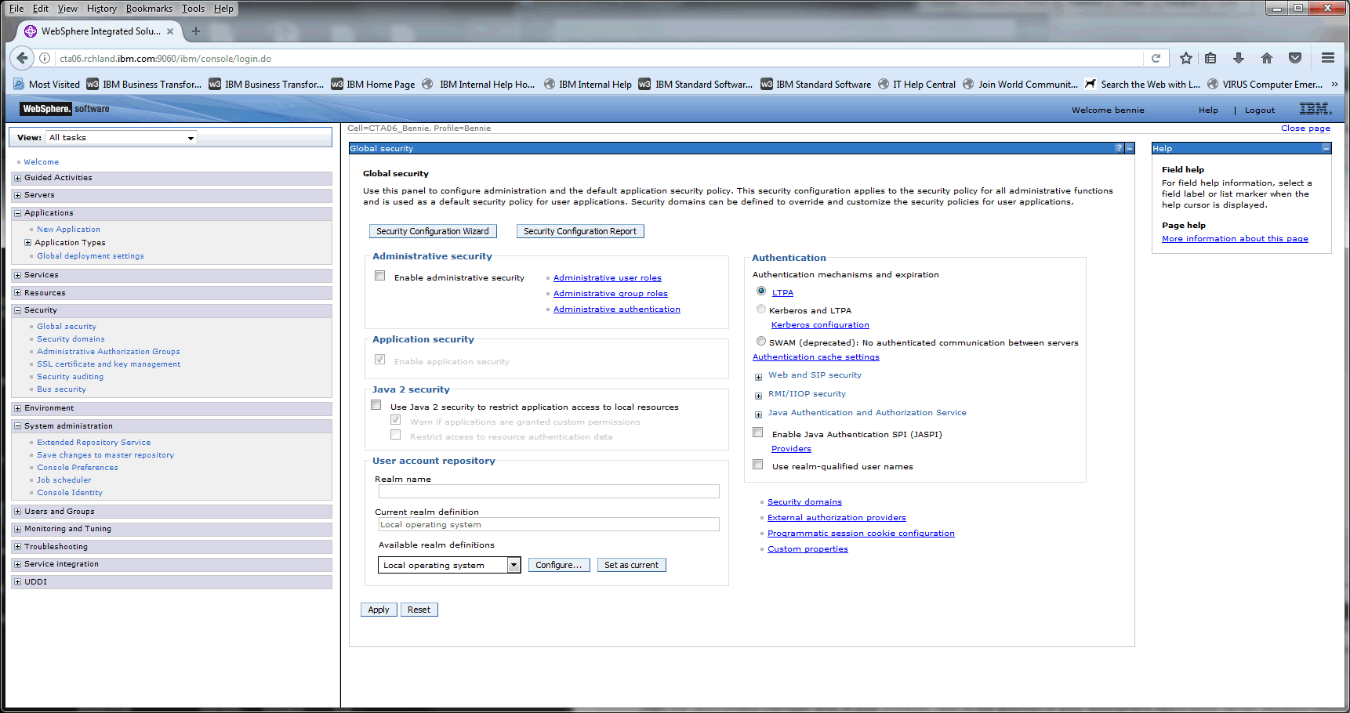

IBM SOAP nonPoliceTRX.000.maxplank.marx
IBM nonPocliResources.marx.lsint(BPM, Composite)
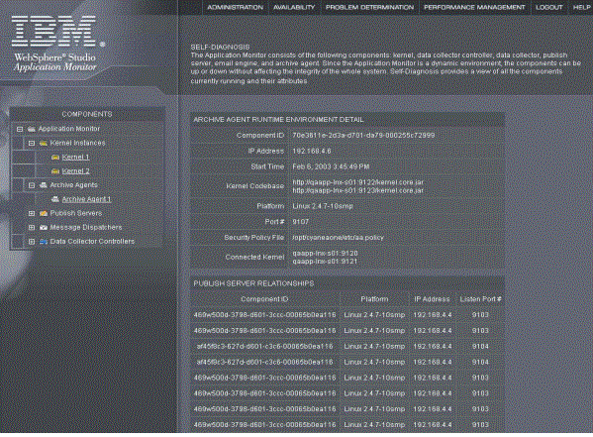




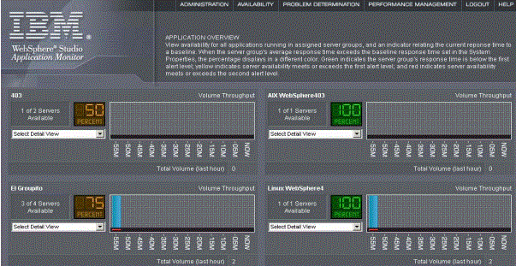


 |  |  |  |  |  |  |  |  | nonpolcieProdutoinLogiva.marx

 |  |  |  |  |  | nonPolicStageLogical

 |  |  | nonPoliceDevLogical
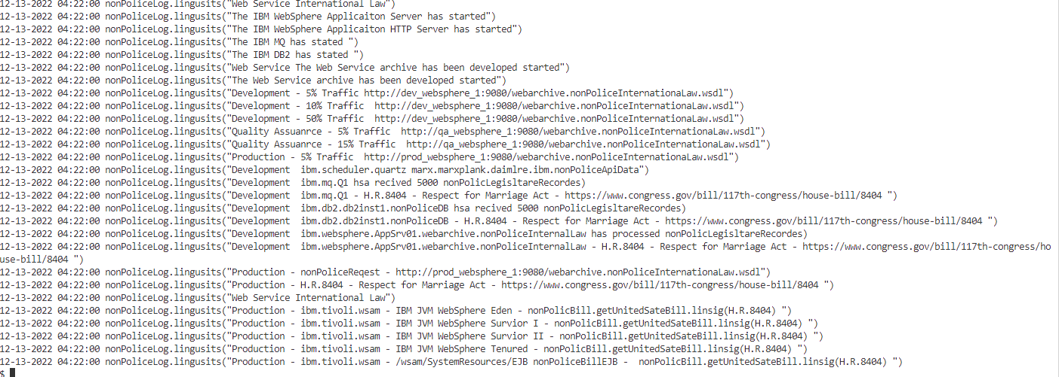

Other:
 | nonPoliceFindLogical.maxplank.marx.lingsuti(<s>ibm webpshere datapower docker</s>).lsint(<s>convert WSDL to REST</s>
 |  |  |  |  |  |  |  | 0.01 vggg.labor_code.lsin(rest 24x5 vgst.(aws, nonPocieBrazilLoical.marx)
other: |  |  |  |  |  |  |  | 0.01 nonPioceDEALoica.lsint(<s>backup pagerdut</s>)
 | nonPoliceFindLogia..armx.lsint(ibm webpshere portal docker<>)
 |  |  | ibm.dmiler.prolfiice.tamgpeour.(webpshere portal)
 |  |  |  |  |  |  | ibm.dmaoer.poriflie.tambroup.client.kaiser.permanentae
 |  |  |  |  |  |  | ibm.dmielr.profiel.tamgo.cleint.westmarine
 |  |  |  |  |  |  | ibm.dmielr.proflie.tamgeroup.client.granitconsturitions ( <s>asssuem sales andy kithce qrtz</s>)

 |  |  | 0.01 ibm.dmielr.yahho.nooPocePortla.amrx
 |  |  | 0.01 ibm.dmier.umimog.(hubspot portal, portal dev)<>/s
 | JSR-168 Portlet to Portlet Communciat ( .lsint(<s><ajax<./s>)
 |  | [~~[~]~~~~~~~~~~~]
 |  | nonPoiceIntevieLoga.marx(java.org)
 |  | ibm.dmiler.rpooflei.employe.daniel[urbano,dan].kot.linsit(https://jcp.org/en/jsr/detail?id=168)

