Chain setup
JMOR master thesis continuous experiment - Chain setup
Date: | 18092019 | Initials: | JMOR

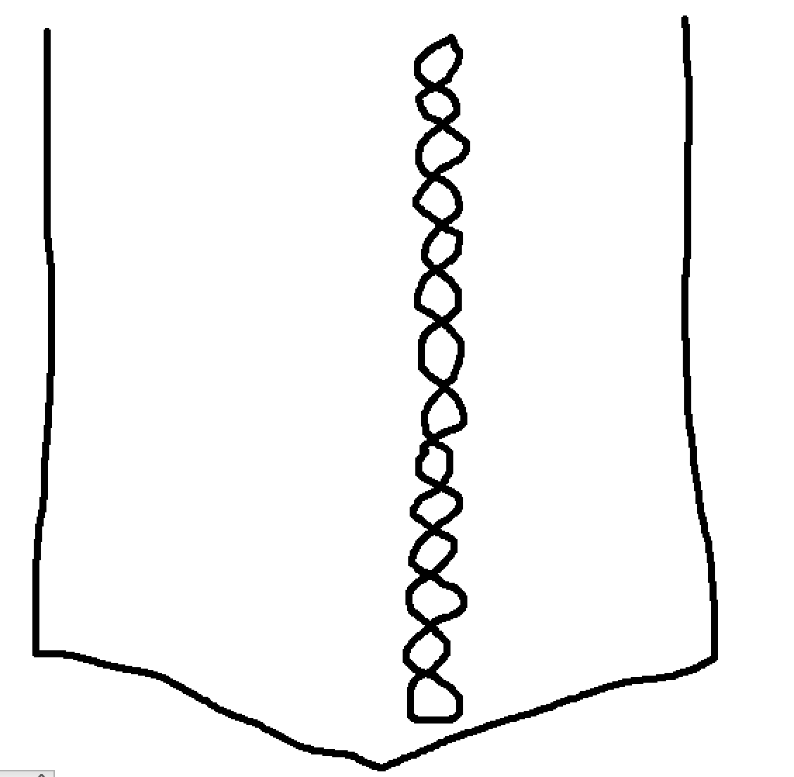

FG 3
FG 2
FG 1

HHW 3
HHW 2
HHW 1
 |  |  |  |  | 3
 |  |  |  |  | 2
 |  |  |  | FG | 1
 |  |  |  |  | 3
 |  |  |  |  | 2
CM 3
CM 2
CM 1
 |  |  |  | HHW | 1
 |  |  |  |  | 3
 |  |  |  |  | 2
 |  |  |  | CM | 1
CGP 3
CGP 2
CGP 1
 |  |  |  |  | 3
 |  |  |  |  | 2
 |  |  |  | CGP | 1

