Workbook
$$x_{t}$$
$$a_{t}$$
$$b_{t}$$
$$s_{t}$$
$${\hat{x}}_{t}$$
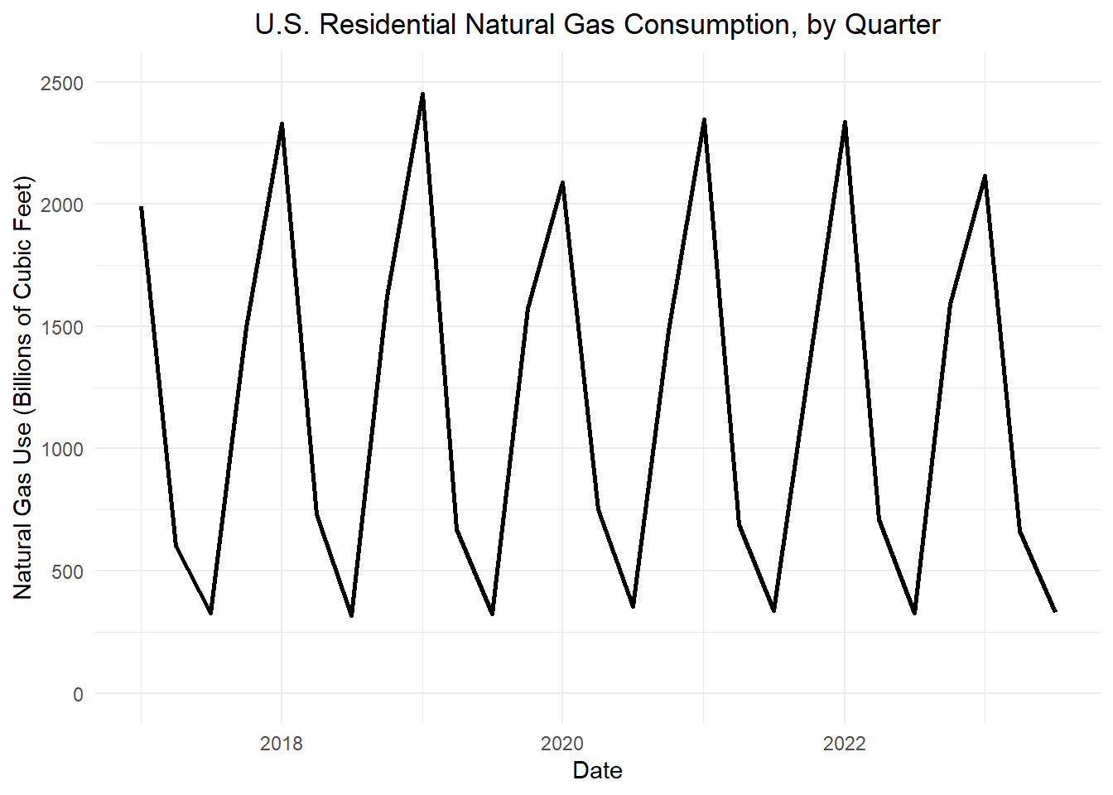
Table 1: Holt-Winters filter for the U.S. quarterly natural gas consumption (in Bcf)
Quarter | t |  |  |  |  |  |  | Prediction Periods | 9
2016 Q1 | -3 | NA | NA | NA | 1000 | NA |  | alpha | 0.2
2016 Q2 | -2 | NA | NA | NA | -1000 | NA |  | beta | 0.2
2016 Q3 | -1 | NA | NA | NA | -1000 | NA |  | gamma | 0.2
2016 Q4 | 0 | NA | NA | NA | 1000 | NA |  | Header/Offset | 4
2017 Q1 | 1 | 1990 | 1990 | 36.5 | 800 | 1990
2017 Q2 | 2 | 603 | 1941.8 | 19.56 | -1067.76 | 874.04
2017 Q3 | 3 | 326 | 1834.288 | -5.8544 | -1101.6576 | 732.6304 | first row | df$a_t[1 + offset] <- df$x_t[1 + offset]
2017 Q4 | 4 | 1495 | 1561.74688 | -59.191744 | 786.650624 | 2348.397504 |  | df$b_t[1 + offset] <- (1 / p) * mean(df$x_t[(p + 1 + offset):(2 * p + offset)] - df$x_t[(1 + offset):(p + offset)])
2018 Q1 | 5 | 2331 | 1508 | -58 | 805 | 2313 |  | df$s_t[1 + offset] <- (1 - gamma) * df$s_t[1]
2018 Q2 | 6 | 729 | 1519 | -44 | -1012 | 507 | remainder | df$a_t[t] = alpha * (df$x_t[t] - df$s_t[t-p]) + (1 - alpha) * (df$a_t[t-1] + df$b_t[t-1])
2018 Q3 | 7 | 318 | 1464 | -46 | -1110 | 354 |  | df$b_t[t] = beta * (df$a_t[t] - df$a_t[t-1]) + (1 - beta) * df$b_t[t-1]
2018 Q4 | 8 | 1620 | 1301 | -69 | 693 | 1994 |  | df$s_t[t] = gamma * (df$x_t[t] - df$a_t[t]) + (1 - gamma) * df$s_t[t-p]
2019 Q1 | 9 | 2451 | 1315 | -52 | 871 | 2186
2019 Q2 | 10 | 670 | 1347 | -35 | -945 | 402 | x-first | df$xhat_t[1 + offset] <- round( df$x_t[1 + offset] )
2019 Q3 | 11 | 323 | 1336 | -30 | -1091 | 245 | x-remainder | df$xhat_t[t] = round( (df$a_t[t] + df$s_t[t]) )
2019 Q4 | 12 | 1573 | 1221 | -47 | 625 | 1846
2020 Q1 | 13 | 2089 | 1183 | -45 | 878 | 2061 | Predictions
2020 Q2 | 14 | 751 | 1250 | -23 | -856 | 394 |  | offset <- nrow(df) - predict_periods
2020 Q3 | 15 | 354 | 1271 | -14 | -1056 | 215 | offset | 27
2020 Q4 | 16 | 1481 | 1177 | -30 | 561 | 1738 |  | k = ifelse(row_number() >= nrow(df) - predict_periods, row_number() - (nrow(df) - predict_periods), NA))
2021 Q1 | 17 | 2345 | 1211 | -17 | 929 | 2140 |  | df$s_t[t] = round( df$s_t[t - p] )
2021 Q2 | 18 | 690 | 1264 | -3 | -800 | 464 |  | df$xhat_t[t] = round( df$a_t[offset] + df$k[t] * df$b_t[offset] + df$s_t[t - p] )
2021 Q3 | 19 | 338 | 1288 | 2 | -1035 | 253
2021 Q4 | 20 | 1344 | 1189 | -18 | 480 | 1669
2022 Q1 | 21 | 2337 | 1218 | -9 | 967 | 2185
2022 Q2 | 22 | 710 | 1269 | 3 | -752 | 517
2022 Q3 | 23 | 327 | 1290 | 7 | -1021 | 269
2022 Q4 | 24 | 1590 | 1260 | 0 | 450 | 1710
2023 Q1 | 25 | 2115 | 1238 | -4 | 949 | 2187
2023 Q2 | 26 | 663 | 1270 | 3 | -723 | _____
2023 Q3 | 27 | 329 | 1288 | 6 | -1021 | _____
2023 Q4 | 28 | NA | NA | NA | 450 | _____
2024 Q1 | 29 | NA | NA | NA | _____ | _____
2024 Q2 | 30 | NA | NA | NA | _____ | _____
2024 Q3 | 31 | NA | NA | NA | _____ | _____
2024 Q4 | 32 | NA | NA | NA | _____ | _____
2025 Q1 | 33 | NA | NA | NA | _____ | _____
2025 Q2 | 34 | NA | NA | NA | _____ | _____
2025 Q3 | 35 | NA | NA | NA | _____ | _____
2025 Q4 | 36 | NA | NA | NA | _____ | _____

