Data
Decision Tree: | Rules: | Antecedent: | Consequent:
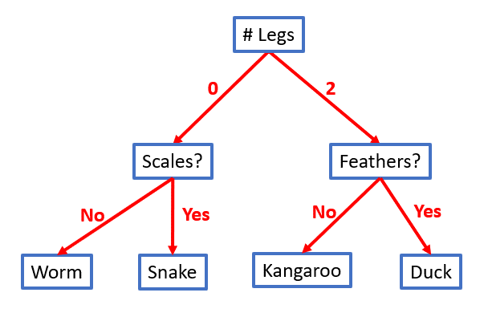
 | R1:

 | R2:

 | R3:

 | R4:

 | R5:

 | R6:

 | …

