Instructions
Exercise
CSE5243 - Introduction to Data Mining
Classification - Generalization Error

This is an in-class exercise for each group.
* Be respectful to your group-mates.
* In a short exercise such as this one, you may not have time to answer the questions completely – just give it a quick try.
* HAVE FUN!

Do the following:
* Introduce yourselves and get to know one another.
* Choose a Speaker who will present your findings to the rest of the class when the exercise is done.

Answer the following questions:
1. Compute the Pessimistic Error Estimate of each tree.
2. Which tree is a better choice?

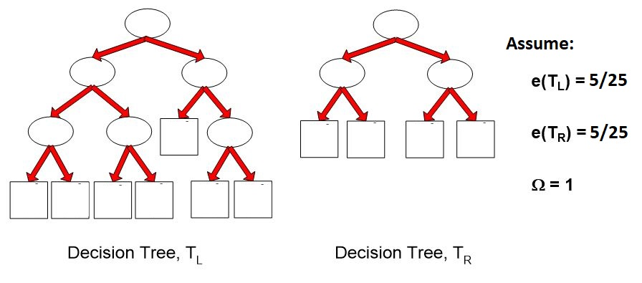

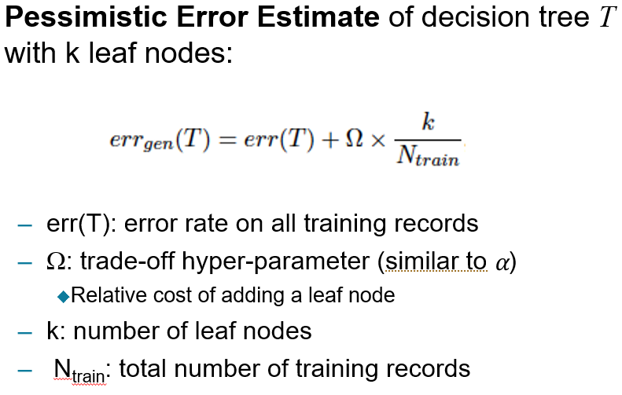

Derived from: Introduction to Data Mining, 2nd Edition

