Sheet1
Uriel codes - leading products | Product Name | Picture | No.of sizes | Segment | category | Remarks
Neck and shoulder
61 | Cervicallo Soft |  | 4 | All Market | Orthopedic
61BL | Cervicallo Soft |  | 4 | All Market | Orthopedic
621B | Cervicallo Soft | 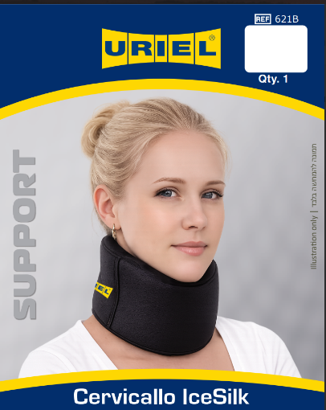 | 4 | All Market | Orthopedic
67 | ORTOPEDIC CERVICAL SUPPORT PILLOW |  | 1 | All Market | Orthopedic
85 | Arm sling pouch |  | 4 | All Market | Orthopedic
85B | Arm sling pouch | 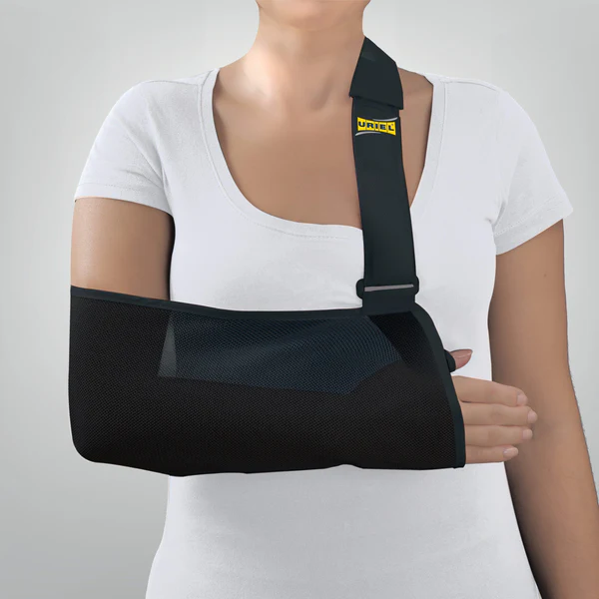 | 4 | All Market | Orthopedic
T78 | Shoulder support |  | 5 | Orthopedic stores | Orthopedic
85K | Arm sling (kids) | 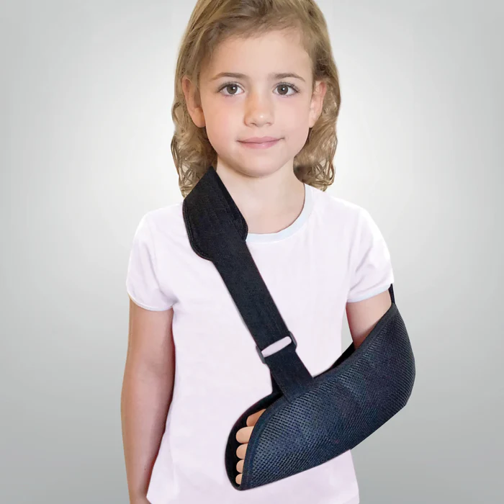 | 1 | All Market | Orthopedic

Elbow
91B | Tennis bandage | 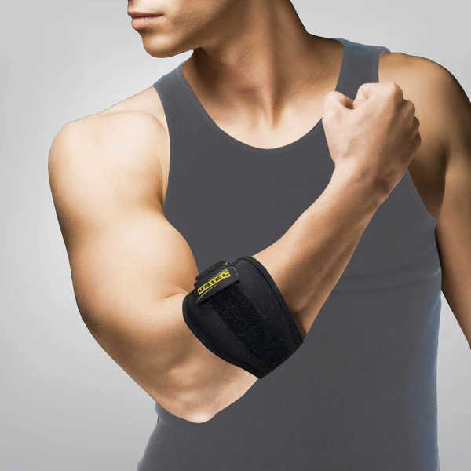 | 1 | Orthopedic stores | Orthopedic
SH922 | Elbowsil bandage |  | 6 | Insurance subsidy/ health care system | Orthopedic
95 | Elbow bandage |  | 6 | All Market | Orthopedic | white
95B | Elbow bandage |  | 6 | All Market | Orthopedic | black
95C | Elbow bandage |  | 6 | All Market | Orthopedic | tan

Wrist
T25B | Wrist support | 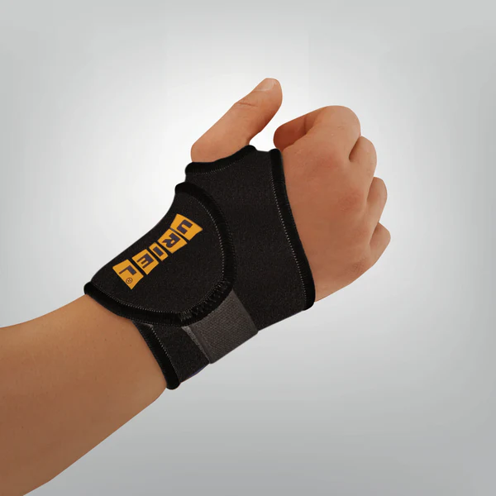 | 1 | Pharmacies | Orthopedic
T25C | Wrist support |  | 1 | Pharmacies | Orthopedic | tan
T25 | Wrist support |  | 1 | Pharmacies | Orthopedic | blue
202 | Wrist bandage | 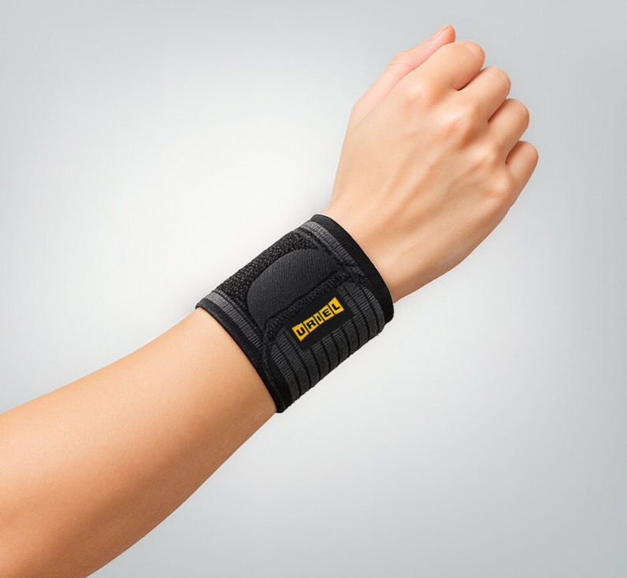 | 1 | Pharmacies | Orthopedic
21 | Wrist bandage long |  | 6 | Pharmacies | Orthopedic
266 | Wrist splint OSFA both sidess Neop.black |  | 1 | all markets | Orthopedic
268 | Wrist&thumb splint OSFA BS Neop.black |  | 1 | all markets | Orthopedic
211 | COMPRESSION GLOVE | 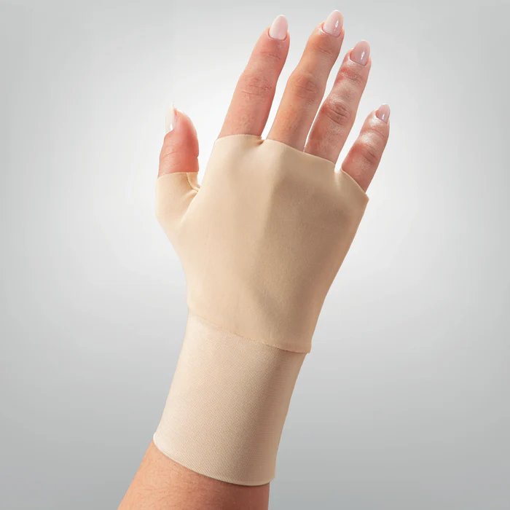 | 4 | Pharmacies | Orthopedic
212 | COMPRESSION THUMB SLEEVE | 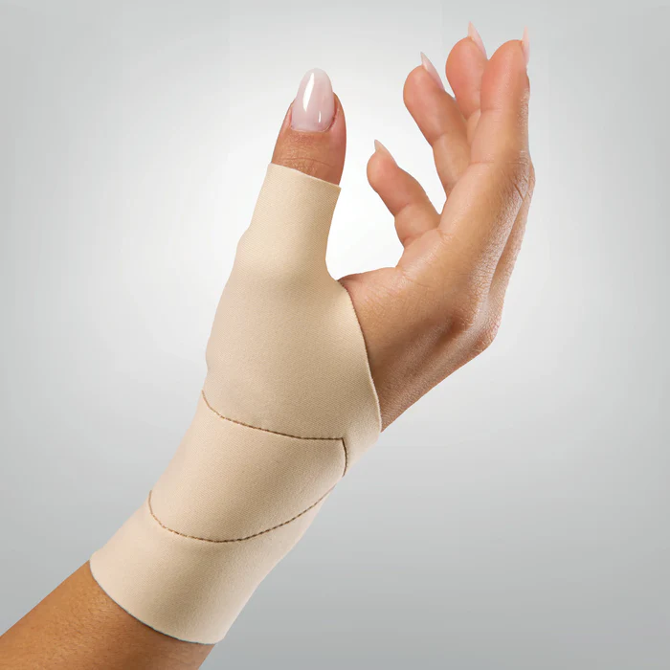 | 4 | Pharmacies | Orthopedic | includes Silicone pad on the Thump joint
213CTS | Carpal Tunnel Night Mitten | 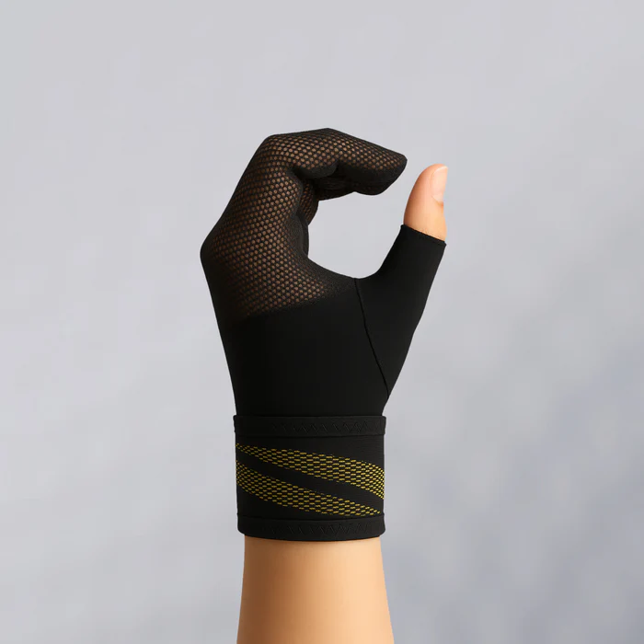 | 3 size *2 sides | Orthopedic stores | Orthopedic | Carpal Tunnel Night Mitten A development unique to URIEL, not available in any other company in the world

