SELECTED Catalog
URIEL — Selected Commercial Products
91 products | 16 categories | Prepared: 15/09/26

Image | SKU | Product Name | Price | Meta | fin | NZ
Neck and shoulder — 5 items
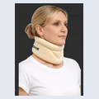 | 61 | Cervicallo Soft Soft Cervical collar | € 5.05 | 4 sizes · All Market |  | € 5.05
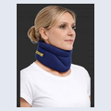 | 61BL | Cervicallo Soft Soft Cervical collar | € 5.05 | All Market |  | € 5.05
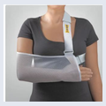 | 85 | ARM SLING POUCH | € 5.80 | 4 sizes · All Market
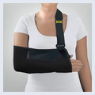 | 85B | ARM SLING POUCH | € 5.80 | 4 sizes · All Market
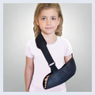 | 85K | ARM SLING POUCH - KIDS | € 7.90 | 1 size · All Market
Elbow — 3 items
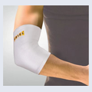 | 95 | ELBOW BANDAGE | € 3.10 | 6 sizes · White · All Market
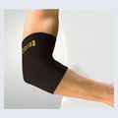 | 95B | ELBOW BANDAGE | € 3.10 | 6 sizes · Black · All Market
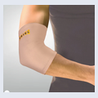 | 95C | ELBOW BANDAGE | € 3.10 | 6 sizes · Tan · All Market
Wrist — 6 items
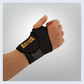 | T25B | WRIST SUPPORT | € 5.80 | 1 size · Pharmacies
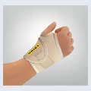 | T25C | WRIST SUPPORT | € 5.80 | 1 size · Tan · Pharmacies
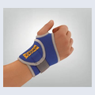 | T25 | WRIST SUPPORT | € 5.80 | 1 size · Blue · Pharmacies
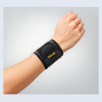 | 202 | WRISTO STRAP Light Wrist Support | #N/A | 1 size · Pharmacies
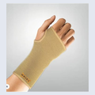 | 21 | WRISTO bandage | € 5.50 | 6 sizes · Pharmacies
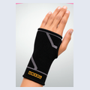 | 21B | WRISTO sleeve | € 5.50 | 6 sizes · Pharmacies
Fingers — 2 items
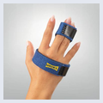 | 237 | TRIGGER FINGER SPLINT | € 4.65 | 1 size · All Market
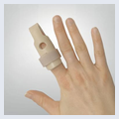 | 238 | FINGER SPLINT | € 2.80 | 4 sizes · All Market
Back — 2 items
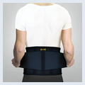 | 078B | LUMBO BELT/BACK BELT-BLACK | € 16.50 | 5 sizes · All Market
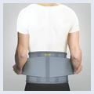 | 078G | LUMBO BELT/BACK BELT-GREY | € 16.50 | 5 sizes · All Market
Knee — 4 items
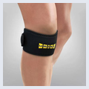 | T40B | Patella strap | € 10.95 | 1 size · Contains a gel pad · All Market
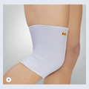 | 45 | KNEE SLEEVE | € 3.55 | 6 sizes · All Market
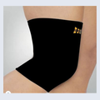 | 45B | KNEE SLEEVE | € 3.55 | 6 sizes · All Market
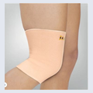 | 45EC | KNEE SLEEVE | € 3.95 | 6 sizes · All Market
Ankle — 3 items
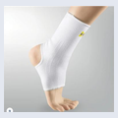 | 35 | ANKLE SUPPORT | € 3.55 | 6 sizes · All Market
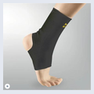 | 35B | ANKLE SUPPORT | € 3.55 | 6 sizes · All Market
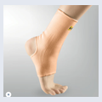 | 35C | ANKLE SUPPORT | € 3.55 | 6 sizes · All Market
Foot Care — 13 items
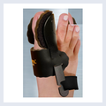 | 388BL /R | HALUX VALGUS-NIGHT SPLINT | € 9.10 | L/R - 1 size · All Market
 | 308 | Silicone Heel Cushions no edges (36-45 | € 7.45 | 2 sizes · All Market
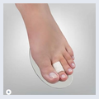 | 3623 | Hallux Valgus +Hammer toes (foam cushion | € 5.10 | 1 size · All Market
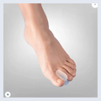 | 364S-L | Toe Spreader S/M/L 2pc | € 1.80 | 1 size · All Market
 | 364xl | TOE SPREADER | € 1.80 | 1 size · All Market
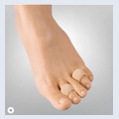 | 365sml | Corn pad protector s/m/l 2pc | € 2.15 | 1 size · All Market
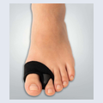 | 364XL+ | Bunion Wrap with Spreader | € 3.50 | 1 size · All Market
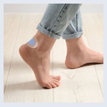 | 311 | Active Gel Plaster 5pc | € 3.45 | 1 size · All Market
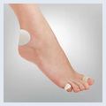 | 313 | BLISTER PLASTER KIT | € 4.25 | 1 size · All Market
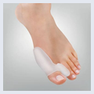 | 3674 | BUNION + TOE SPREADER | € 4.55 | 1 size · All Market
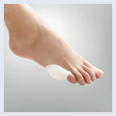 | 3675 | Littile Toe Bunion Guard | € 3.80 | 1 size · All Market
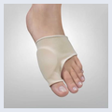 | 3672 | BUNION SLEEVE | € 6.45 | 1 size · All Market
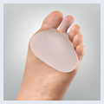 | 362 | Metatarsal Cushion | € 4.90 | 1 size · All Market
Lady's Feet — 5 items
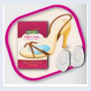 | LF360 | METATRSAL CUSHION | € 3.60 | 1 size · All Market
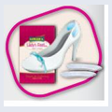 | LF370 | HEEL CUSHIONS | € 2.50 | 1 size · All Market
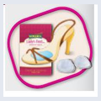 | LF373 | METATARSAL SUPPORT | € 3.85 | 1 size · All Market
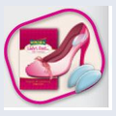 | LF374 | HEEL CUSHIONS | € 3.50 | 1 size · All Market
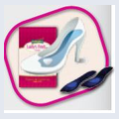 | LF377 | INSOLES | € 6.10 | 3 sizes · S,m,l · All Market
Socks — 3 items
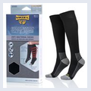 | 397A | Antibacterial travel socks | € 8.10 | 3 sizes · Copper antibacterial · All Market
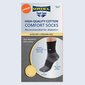 | 395W | Antibacterial summer socks white | € 5.80 | 3 sizes · All Market
 | 395B | Antibacterial summer socks black | € 5.80 | 3 sizes · All Market
ST range — 12 items
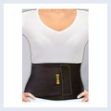 | ST11 | ABDOMINAL BELT SUPPORT/ONE SIZE/ | € 7.15 | 1 size · Insurance subsidy/ health care system
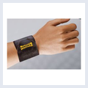 | ST20 | WRIST BANDAGE /ONE SIZE/ | € 3.20 | 1 size · Insurance subsidy/ health care system
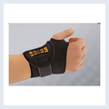 | ST25 | WRIST SUPPORT/ONE SIZE/ | € 3.95 | 1 size · Insurance subsidy/ health care system
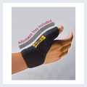 | ST28 | THUMB SUPPORT /ONE SIZE/ | € 4.75 | 1 size · Insurance subsidy/ health care system
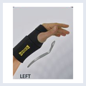 | ST27L | WRIST SPLINT | € 4.75 | 1 size · Insurance subsidy/ health care system
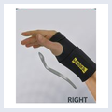 | ST27R | WRIST SPLINT | € 4.75 | 1 size · Insurance subsidy/ health care system
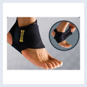 | ST37 | ANKLE BANDAGE /ONE SIZE/ | € 4.40 | 1 size · Insurance subsidy/ health care system
 | ST422 | PAD GEL KNEE SUPPORT/ONE SIZE/ | € 10.85 | 1 size · Insurance subsidy/ health care system
 | ST433 | HINGED KNEE BRACE | € 18.70 | 1 size · Insurance subsidy/ health care system
 | ST45X | KNEE SUPPORT/ONE SIZE | € 5.90 | 1 size · Insurance subsidy/ health care system
 | ST91 | TENNIS BANDAGE/ONE SIZE | € 4.45 | 1 size · Insurance subsidy/ health care system
 | ST95 | ELBOW BANDAGE/ONE SIZE | € 4.45 | 1 size · Insurance subsidy/ health care system
Active range — 14 items
 | AC07 | LUMBO BELT | € 14.75 | 1 size · Pharmacies
 | AC11 | ABDOMINAL BELT | € 11.70 | 1 size · Pharmacies
 | AC25 | WRIST SUPPORT/ONE SIZE | € 5.45 | 1 size · Pharmacies
 | AC27L | Wrist Splint | € 7.75 | 1 size · Pharmacies
 | AC27R | Wrist Splint | € 7.75 | 1 size · Pharmacies
 | AC28 | THUMB SUPPORT/ONE SIZE | € 5.85 | 1 size · Pharmacies
 | AC37 | ANKLE BANDAGE/ONE SIZE | € 5.35 | 1 size · Pharmacies
 | AC40 | PATELLA STRAP | € 12.00 | 1 size · Pharmacies
 | AC45X | KNEE SUPPORT/ONE SIZE | € 9.85 | 1 size · Pharmacies
 | AC43D | HINGED KNEE BRACE /ONE SIZE | € 15.45 | 1 size · Pharmacies
 | AC75 | POSTURE CORRECTOR | € 9.55 | S-XL ,XXL- 2 sizes · Pharmacies
 | AC91 | TENNIS BANDAGE/ONE SIZE | € 5.45 | 1 size · Pharmacies
 | AC95 | ELBOW SUPPORT/ONE SIZE | € 6.45 | 1 size · Pharmacies
 | AC49 | THIGH SUPPORT /ONE SIZE | € 9.25 | 1 size · Pharmacies
FC Insoles — 8 items
 | 370 | Latex comfort insoles (cut to size) | € 2.60 | 1 size · All Market
 | 372 | Odour Destroyer insoles (Cut to size) | € 3.10 | 1 size · All Market
 | 374 | Shock Absorbing Insoles (cut to size) | € 3.10 | 1 size · All Market
 | 302M | EASY FIT GEL INSOLES | € 9.10 | 1 size · All Market
 | 302W | EASY FIT GEL INSOLES | € 9.10 | 1 size · All Market
 | 379WRK | EPIC GEL WORK | € 11.75 | 3 sizes · All Market
 | 379 (Comfort) | EPIC GEL COMFORT | € 11.75 | 1 size · All Market
 | 379 (Multisport) | EPIC GEL MULTISPORT | € 77.75 | 1 size · All Market
First Aid — 1 item
 | 801 | Ice&Go Elastic Cold Bandage | € 2.80 | 1 size · Sports centers / sports stores / pharmacies / orthopedic stores / physical therapists
Tapes — 6 items
 | 804AT | Professional Sport Adhesive Tape | € 3.20 | 3.8cm*10m · 4 colors : black , biege , blue, white · Sports centers / sports stores / pharmacies / orthopedic stores / physical therapists
 | 805AT | Professional Sport Adhesive Tape | € 3.00 | 2cm*7.3m · 4 colors : black , biege , blue, white- 2 units inside · Sports centers / sports stores / pharmacies / orthopedic stores / physical therapists
 | 806CB | Cohesive Bandage | € 2.30 | 7.5cm*4.5m · Sports centers / sports stores / pharmacies / orthopedic stores / physical therapists
 | 807CB | Cohesive Bandage | € 2.30 | 3cm*2.5m · Sports centers / sports stores / pharmacies / orthopedic stores / physical therapists
 | 808KT | Professional Kinesiology Tape | € 4.00 | 5cm*5m · 4 colors : black , biege , blue, pink · Sports centers / sports stores / pharmacies / orthopedic stores / physical therapists
 | 809PW | Professional Pre wrap tape | € 2.35 | 7cm*27m · 1 color - biege · Sports centers / sports stores / pharmacies / orthopedic stores / physical therapists
Shower Sleeves — 4 items
 | 250 | Waterproof short sleeve | € 6.60 | 1 size · Reusable waterproof protective cover designed to keep bandages, casts and wounds dry while showering or bathing · All Market
 | 251 | Long sleeve waterproof hand | € 7.50 | 1 size · Reusable waterproof protective cover designed to keep bandages, casts and wounds dry while showering or bathing · All Market
 | 350 | Waterproof short leg sleeve | € 8.65 | 1 size · Reusable waterproof protective cover designed to keep bandages, casts and wounds dry while showering or bathing · All Market
 | 351 | Waterproof long leg sleeve | € 9.15 | 1 size · Reusable waterproof protective cover designed to keep bandages, casts and wounds dry while showering or bathing · All Market

INNOVATION Catalog
URIEL — High Innovation Collection
18 products | 6 categories | Prepared: 15/09/26

Image | SKU | Product Name | Price | Meta | FIN | NZ
Shield Series — 5 items
 | SH776 | SpinaShield — Posture Corrector Belt | € 42.00 | 5 sizes · Orthopedic stores
 | SH422 | GenuShield Knee Support | € 26.80 | 6 sizes · Insurance subsidy / health care system
 | SH423 | GenuShield Pro Hinged Knee Stabilizer | € 38.65 | 6 sizes · Insurance subsidy / health care system
 | SH333 | TaluAirShield | € 15.30 | 1 size · Insurance subsidy / health care system
 | SH322 | TaluAirShield Ankle Stabilizer | € 17.05 | 6 sizes · Insurance subsidy / health care system
Neck and Shoulder — 1 item
 | 621B | Cervicallo IceSilk Soft silk cervical collar | € 7.65 | 4 sizes · All Market
Wrist — 1 item
 | 213CTS | Carpal Tunnel Night Mitten — Left | € 11.75 | 3 sizes · 2 sides · Orthopedic stores
Sport Series — 7 items
 | SC25 | Compression T. Wrist Sleeve | € 10.65 | 4 sizes · Sports centers and sports shops
 | SC35L | Compression Taping Ankle Sleeve — Left | € 12.75 | 4 sizes · Sports centers and sports shops
 | SC35R | Compression Taping Ankle Sleeve — Right | € 12.75 | 4 sizes · Sports centers and sports shops
 | SC422 | Compression T. Knee Sleeve | € 20.05 | 5 sizes · Sports centers and sports shops
 | SC39 | Compression T. Calf Sleeve | € 24.00 | 5 sizes · Sports centers and sports shops
 | SC95 | Compression T. Elbow Sleeve | € 12.75 | 4 sizes · Sports centers and sports shops
 | SC34+ | AnkleFlex 8 — Adjustable Triple-Compression Support | € 20.05 | 3 sizes · Sports centers and sports shops
Groin and Pelvis — 3 items
 | 59L | Hernia Belt — Left | € 19.80 | 6 sizes · Hospitals / orthopedic stores
 | 59R | Hernia Belt — Right | € 19.80 | 6 sizes · Hospitals / orthopedic stores
 | 59D | Hernia Belt — Double Sided | € 24.80 | 6 sizes · Hospitals / orthopedic stores

