Sheet1
Uriel codes - leading products | need image | Suggested product / picture /link | No.of sizes | Segment | category | Remarks
Cosmetic
FC333 | Antibacterial shoe deodorant spray | 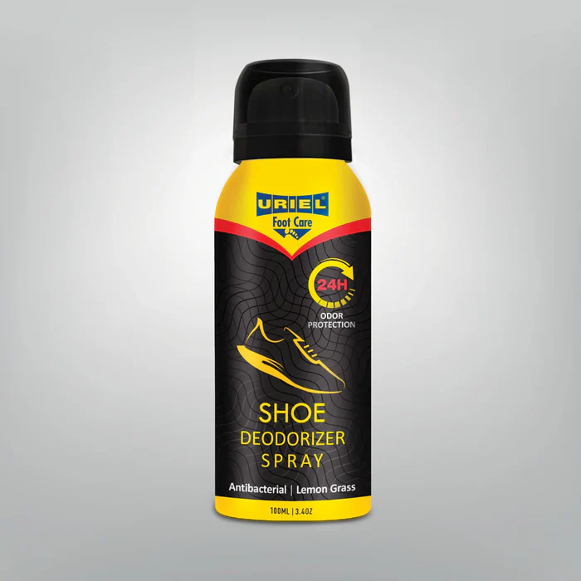 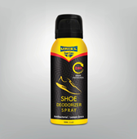 | 100 m"l | All Market | Foot Care
FC334 | Foot deodorant spray | 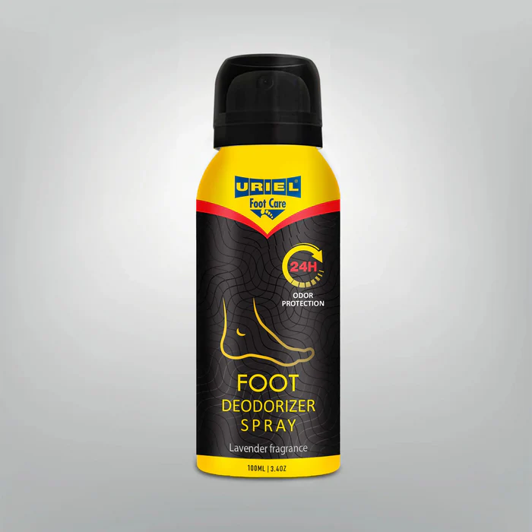 | 100 m"l | All Market | Foot Care
FC342 | Ingrown toe nail drops |  | 1 | All Market | Foot Care
Socks
397A | COMPRESSION SOCKS TRAVEL | 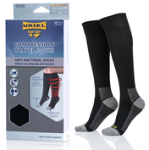 | 3 | All Market | Foot Care | Copper antibacterial
391W | winter Cotton Antibactril comfort Socks -White |  | 3 | All Market | Foot Care
391B | winter Cotton Antibactril comfort Socks -Black |  | 3 | All Market | Foot Care
395W | Summer Cotton Antibactril comfort Socks -White |  | 3 | All Market | Foot Care
395B | Summer Cotton Antibactril comfort Socks -Black |  | 3 | All Market | Foot Care

ST range
ST11 | Abdominal Belt Support |  | 1 | Insurance subsidy/ health care system | st
ST20 | BANDAGE WRIST | 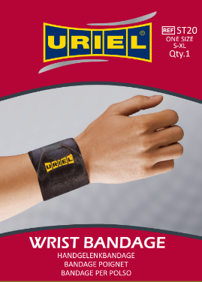 | 1 | Insurance subsidy/ health care system | st
ST25 | WRIST SUPPORT | 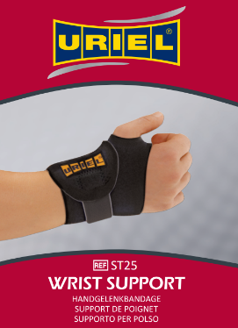 | 1 | Insurance subsidy/ health care system | st
ST28 | SUPPORT THUMB |  | 1 | Insurance subsidy/ health care system | st
ST27L | SPLINT WRIST |  | 1 | Insurance subsidy/ health care system | st
ST27R | SPLINT WRIST |  | 1 | Insurance subsidy/ health care system | st
ST37 | Ankle Bandage | 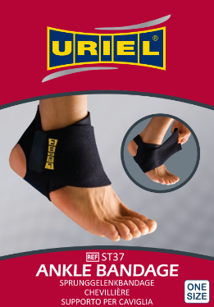 | 1 | Insurance subsidy/ health care system | st
ST422 | Pad Gel Knee Support | 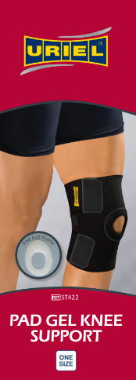 | 1 | Insurance subsidy/ health care system | st
ST433 | Hinged Knee Brace | 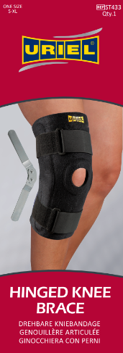 | 1 | Insurance subsidy/ health care system | st
ST45X | Knee Support | 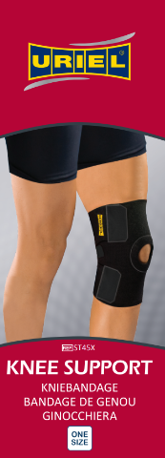 | 1 | Insurance subsidy/ health care system | st
ST91 | Tennis Bandage | 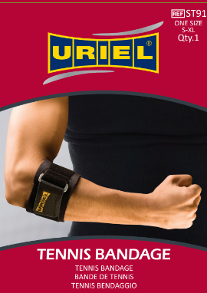 | 1 | Insurance subsidy/ health care system | st
ST95 | BANDAGE ELBOW |  | 1 | Insurance subsidy/ health care system | st

Active range
AC07 | Lumbo Belt |  | 1 | Pharmacies | Active
AC11 | Abdominal Belt |  | 1 | Pharmacies | Active
AC25 | Wrist Support | 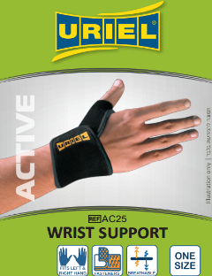 | 1 | Pharmacies | Active
AC27L | Wrist Splint |  | 1 | Pharmacies | Active
AC27R | Wrist Splint |  | 1 | Pharmacies | Active
AC28 | Thumb Support |  | 1 | Pharmacies | Active
AC37 | Ankle Bandage | 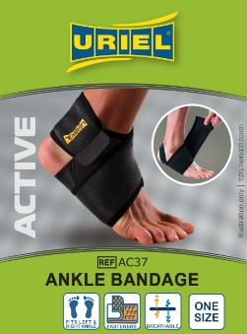 | 1 | Pharmacies | Active
AC40 | Patella Strap | 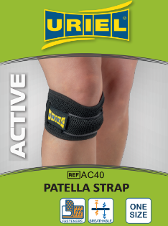 | 1 | Pharmacies | Active
AC45X | Knee Support |  | 1 | Pharmacies | Active
AC43D | Hinged Knee Brace |  | 1 | Pharmacies | Active
AC75 | Posture Corrector |  | S-XL ,XXL- 2 sizes | Pharmacies | Active
AC91 | Tennis Bandage | 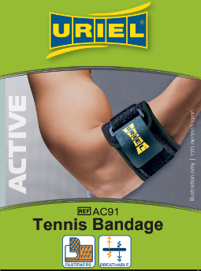 | 1 | Pharmacies | Active
AC95 | Elbow Support |  | 1 | Pharmacies | Active
AC49 | Thigh Support |  | 1 | Pharmacies | Active

FC Insoles
305 | ArchAdjust- Adjustable insoles | 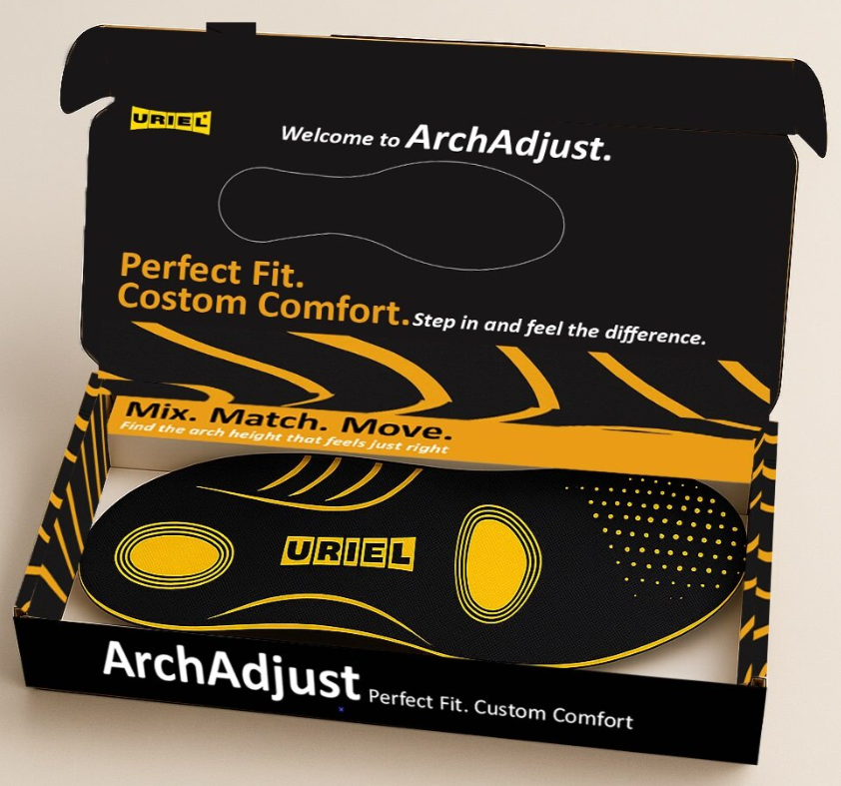 | 1 | All Market | Foot Care
370 | Latex comfort insoles (cut to size) |  | 1 | All Market | Foot Care
371 | Absorbent Terry Cloth insoles (cut to size) |  | 1 | All Market | Foot Care
372 | Odour Destroyer insoles (Cut to size) |  | 1 | All Market | Foot Care
374 | Shock Absorbing Insoles (cut to size) |  | 1 | All Market | Foot Care
376 | Memory Faom Insoles | 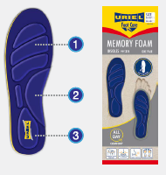 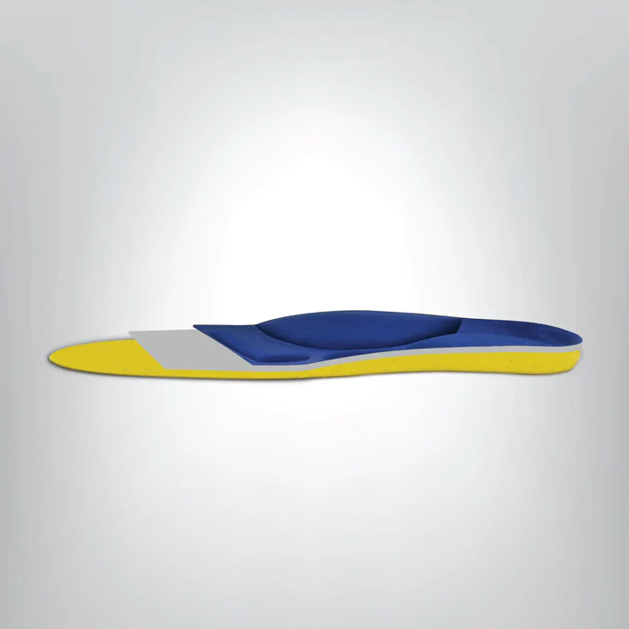 | 4 | All Market | Foot Care
302M | Easyfit -Gel Insoles for men | 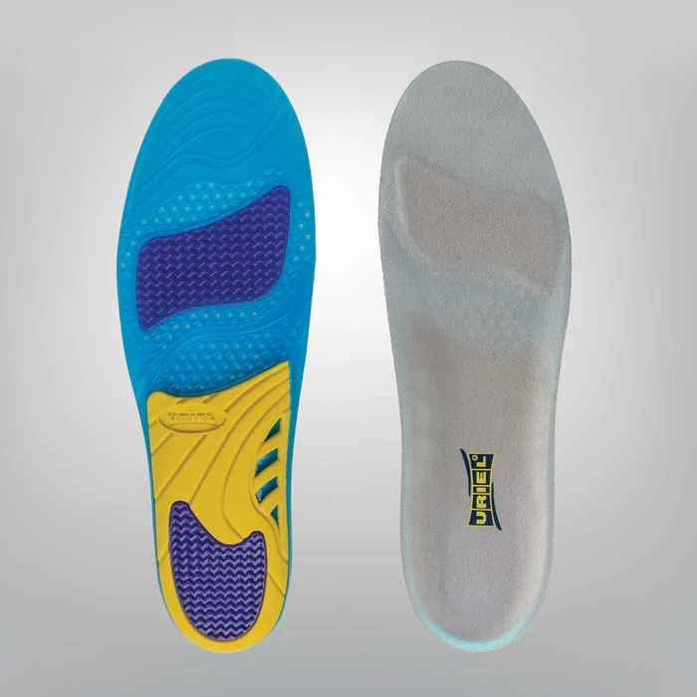 | 1 | All Market | Foot Care
302W | Easyfit -Gel Insoles for women | 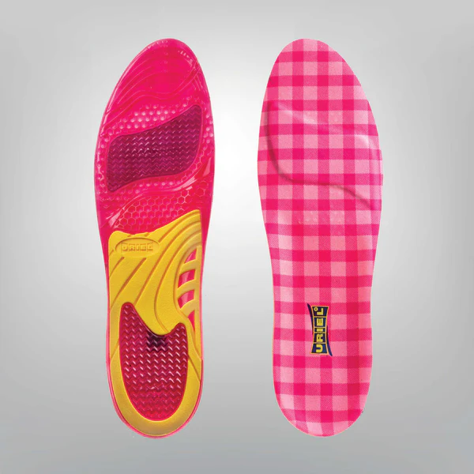 | 1 | All Market | Foot Care
379WRK | EPIC GEL WORK | 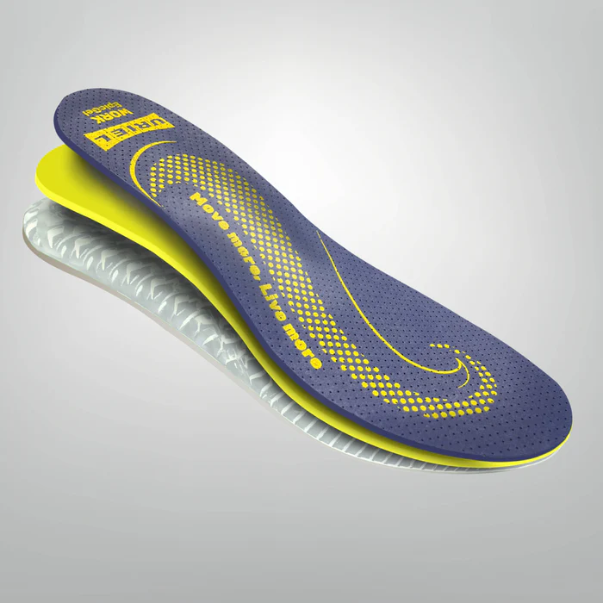 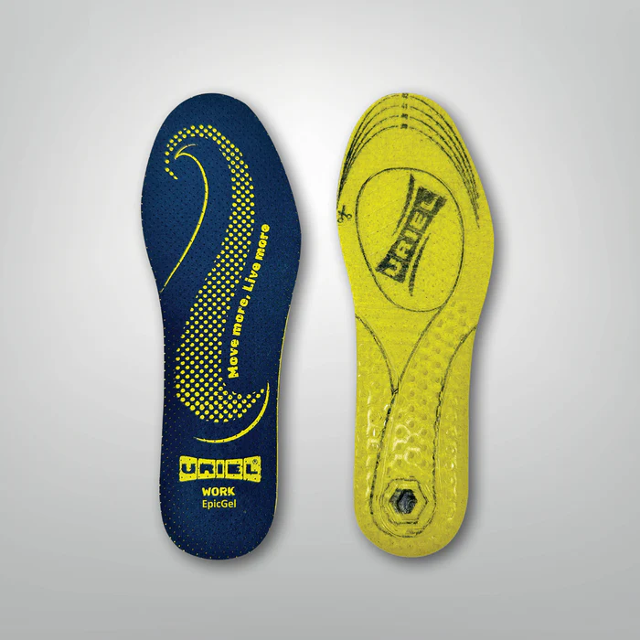 | 3 | All Market | Foot Care | The top layer: is made of antibacterial microfiber fabric with Quick Dry technology so that sweat does not accumulate. | The middle layer: is made of dense sponge containing patented charcoal to neutralize bad odors. | The bottom layer: is made of a patented, fragrant gel and, thanks to its level of density, provides shock absorption that has been tested at the Biomechanical Institute.
379MSP | EPIC GEL MULTISPORT | 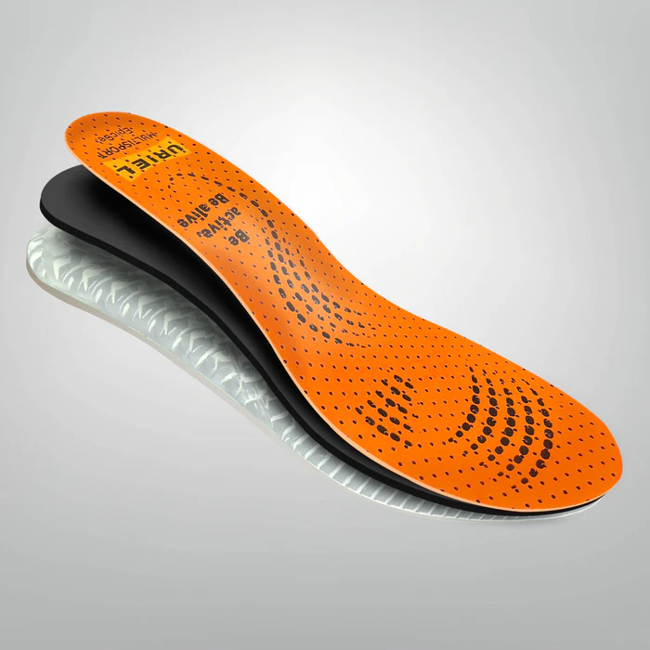 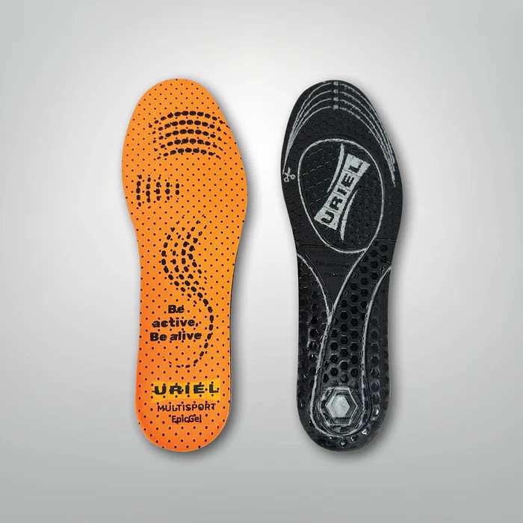 | 3 | All Market | Foot Care
379COM | EPIC GEL COMFORT | 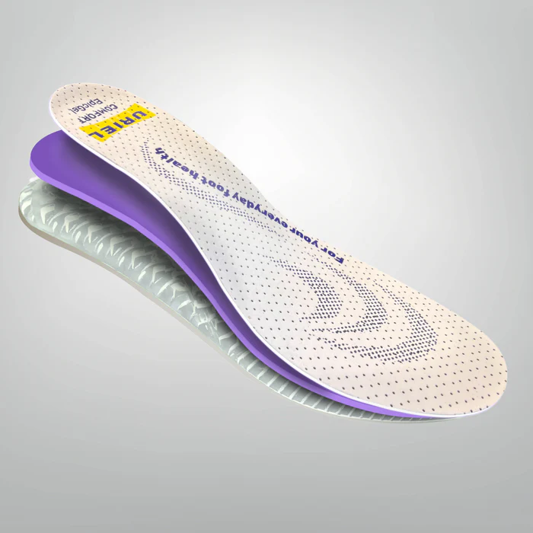 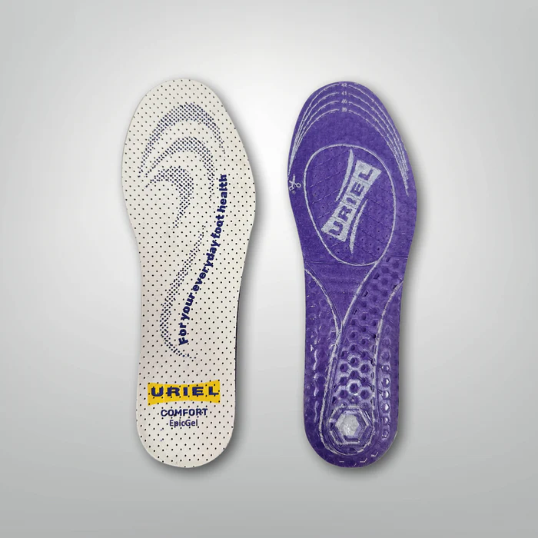 | 3 | All Market | Foot Care
370K | Kids Anti-odour Insoles (cut to size) |  | 1 | All Market | Foot Care | Kids anti odor insole

First Aid
801 | Ice&Go Elastic Cold Bandage | 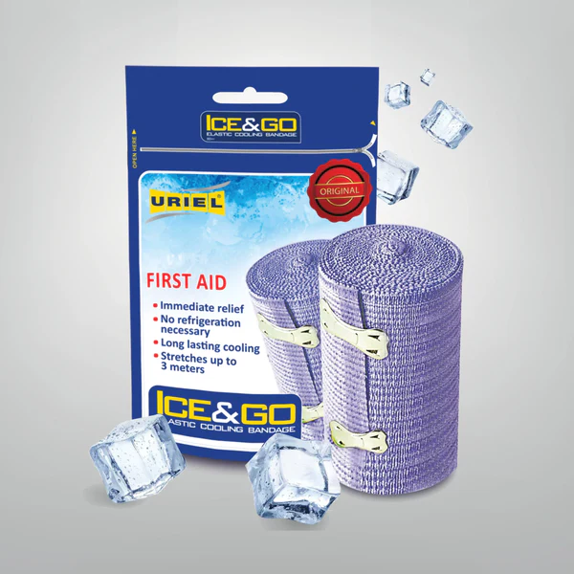 | 1 | Sports centers / sports stores / pharmacies / orthopedic stores / physical therapists | Type

Tapes
804AT | Professional Sport Adhesive Tape | 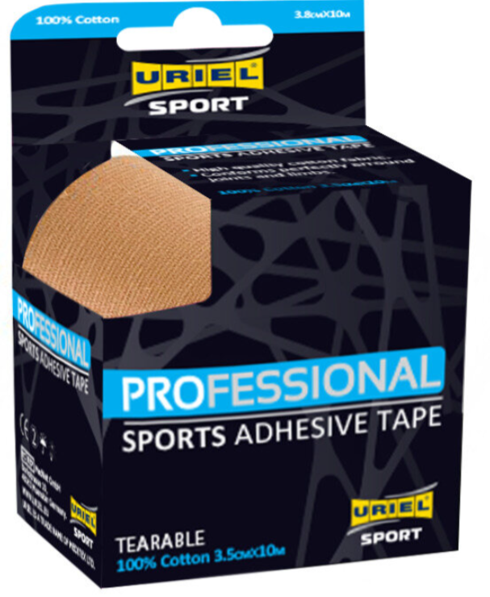 | 3.8cm*10m | Sports centers / sports stores / pharmacies / orthopedic stores / physical therapists | Type | 4 colors : Black , Biege , Blue, White
805AT | Professional Sport Adhesive Tape | 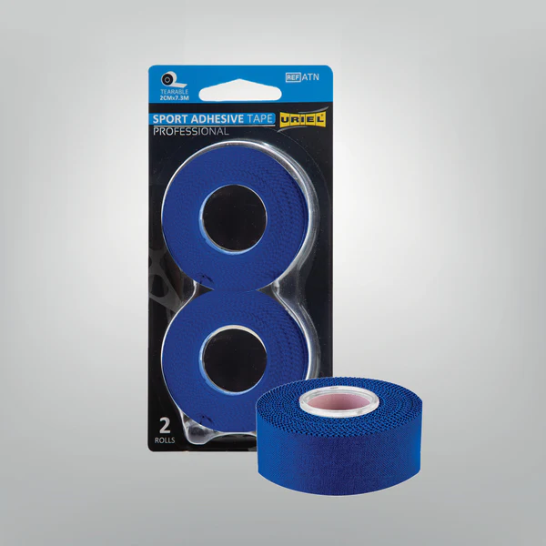 | 2cm*7.3m | Sports centers / sports stores / pharmacies / orthopedic stores / physical therapists | Type | 4 colors : Black , Biege , Blue, White- 2 units inside
806CB | Cohesive Bandage |  | 7.5cm*4.5m | Sports centers / sports stores / pharmacies / orthopedic stores / physical therapists | Type | 4 colors : Black , Biege , Green, Pink
807CB | Cohesive Bandage |  | 3cm*2.5m | Sports centers / sports stores / pharmacies / orthopedic stores / physical therapists | Type | 4 colors : Black , Biege , Blue, Pink - 2 units inside
808KT | Professional Kinesiology Tape | 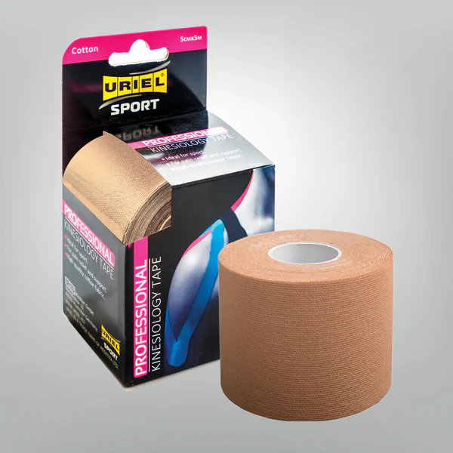 | 5cm*5m | Sports centers / sports stores / pharmacies / orthopedic stores / physical therapists | Type | 4 colors : Black , Biege , Blue, Pink
809PW | Professional Pre wrap tape | 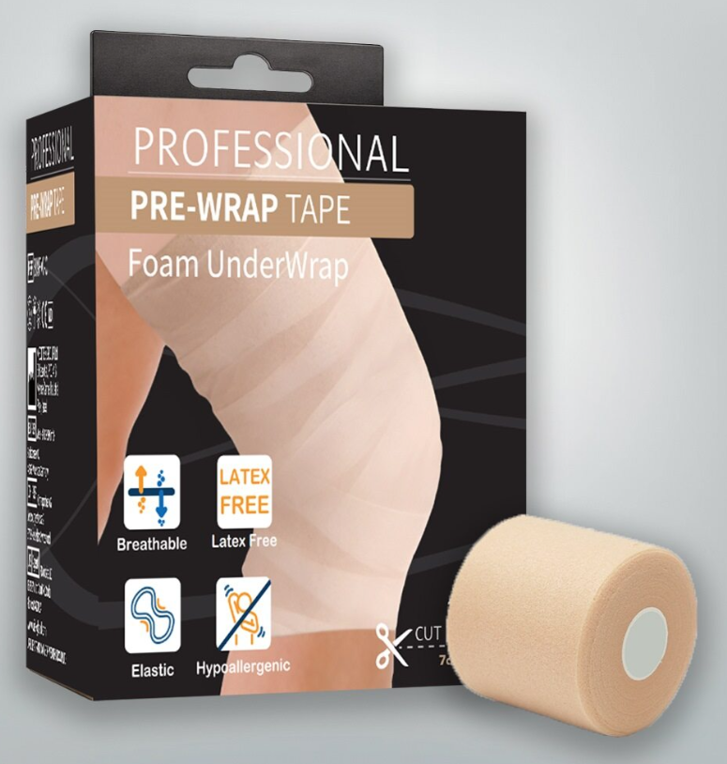 | 7cm*27m | Sports centers / sports stores / pharmacies / orthopedic stores / physical therapists | Type | 1 color - Biege

Shower Slevees
250 | Waterproof short sleeve | 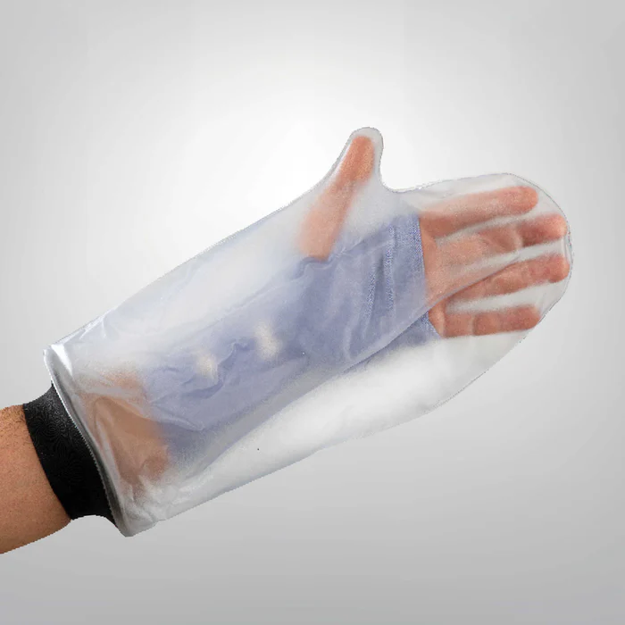 | 1 | All Market | Orthopedic | Reusable waterproof protective cover designed to keep bandages, casts and wounds dry while showering or bathing
251 | Long sleeve waterproof hand | 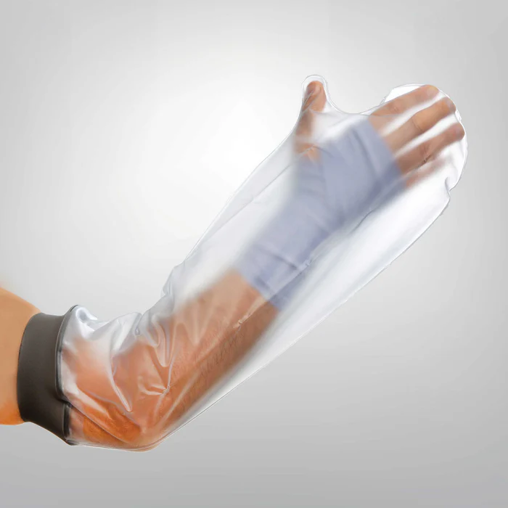 | 1 | All Market | Orthopedic | Reusable waterproof protective cover designed to keep bandages, casts and wounds dry while showering or bathing
350 | Waterproof short leg sleeve | 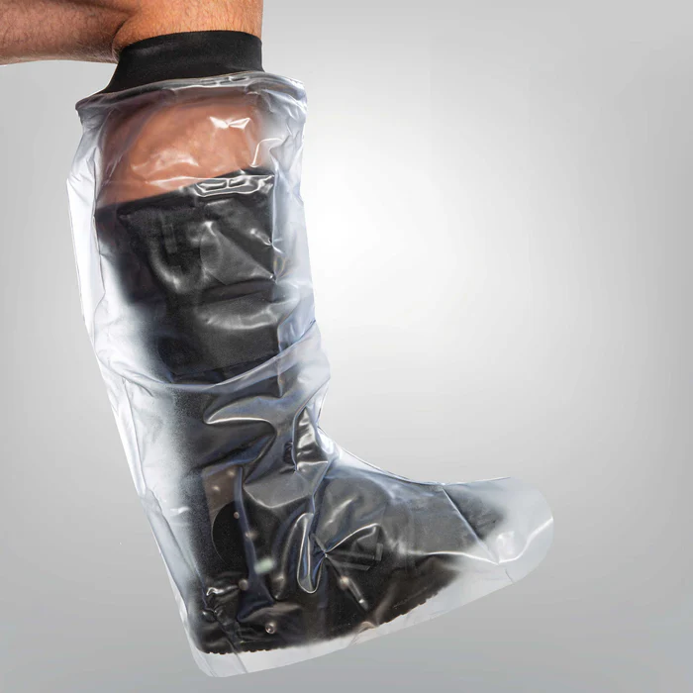 | 1 | All Market | Orthopedic | Reusable waterproof protective cover designed to keep bandages, casts and wounds dry while showering or bathing
351 | Waterproof long leg sleeve | 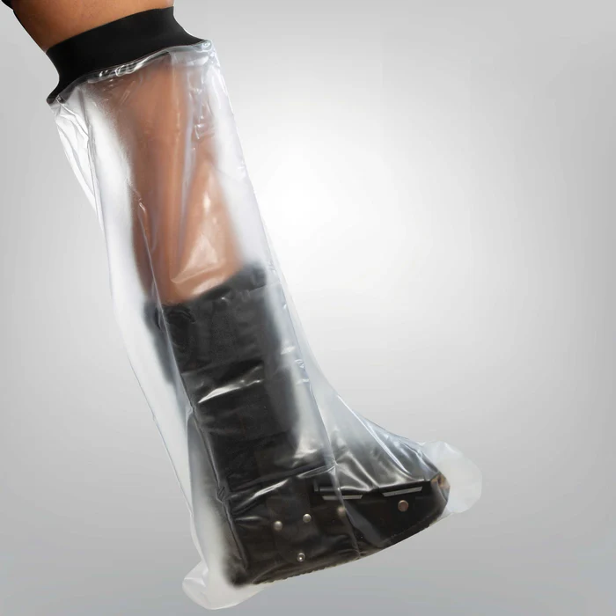 | 1 | All Market | Orthopedic | Reusable waterproof protective cover designed to keep bandages, casts and wounds dry while showering or bathing

Sport Series
SC25 | Compression Taping Wrist Sleeve | 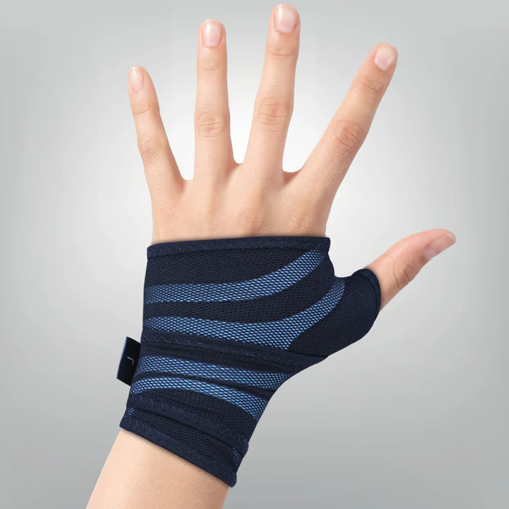 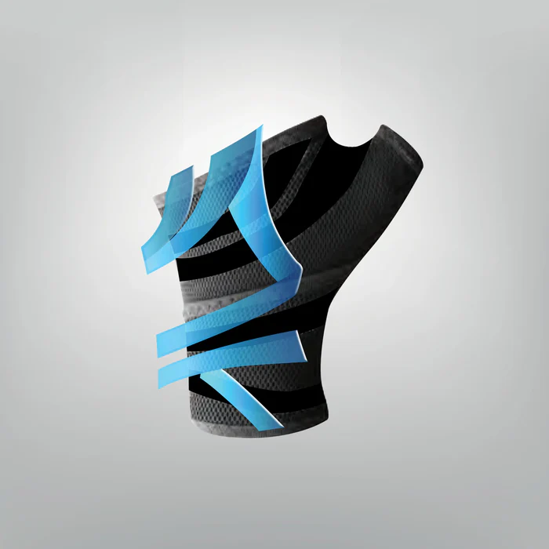 | 4 | Sports centers and sports shops | Orthopedic
SC35L | Compression Taping Ankle Sleeve- Left | 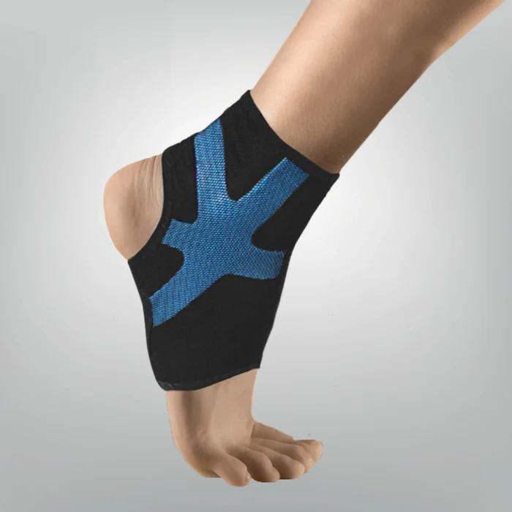 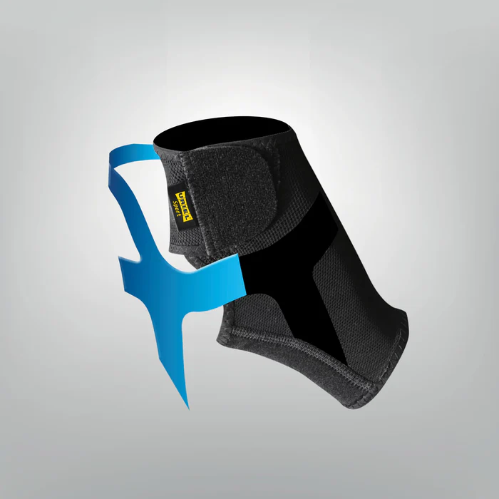 | 4 | Sports centers and sports shops | Orthopedic
SC35R | Compression Taping Ankle Sleeve- Right | 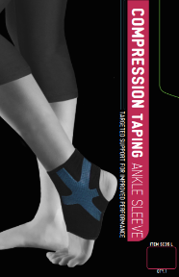 | 4 | Sports centers and sports shops | Orthopedic
SC422 | Compression Taping Knee Sleeve | 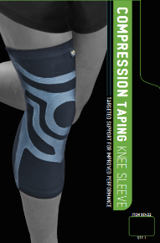 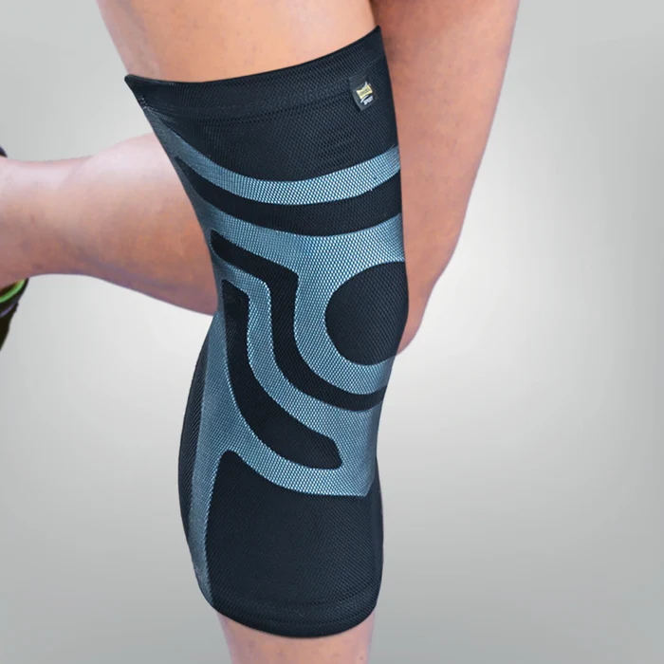 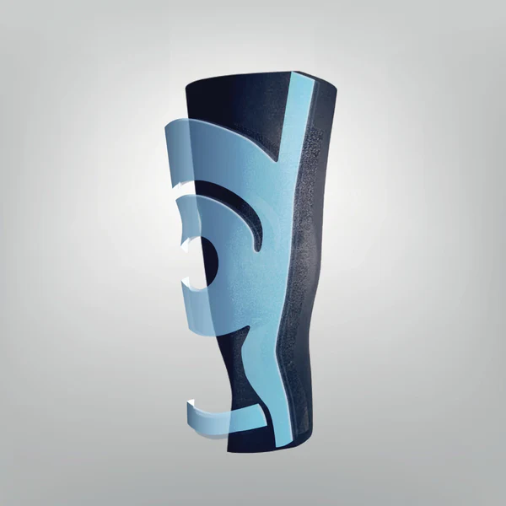 | 5 | Sports centers and sports shops | Orthopedic
SC39 | Compression Taping Calf Sleeve | 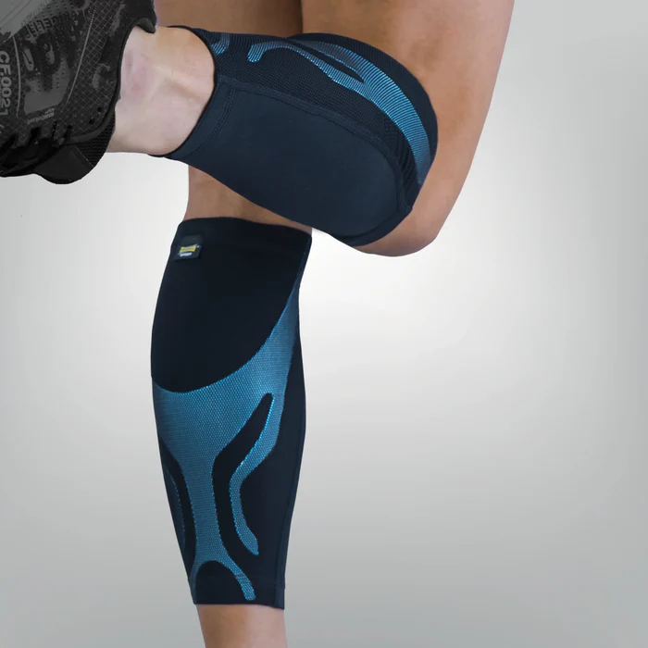 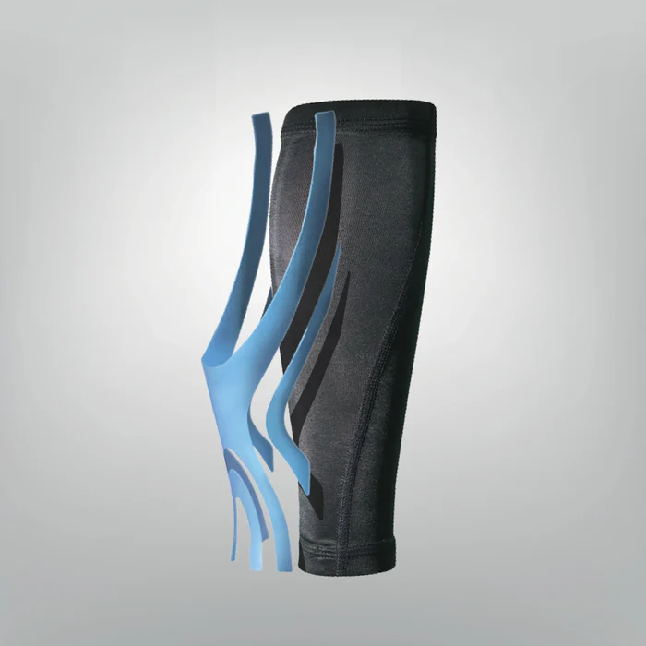 | 5 | Sports centers and sports shops | Orthopedic
SC95 | Compression Taping Elbow Sleeve | 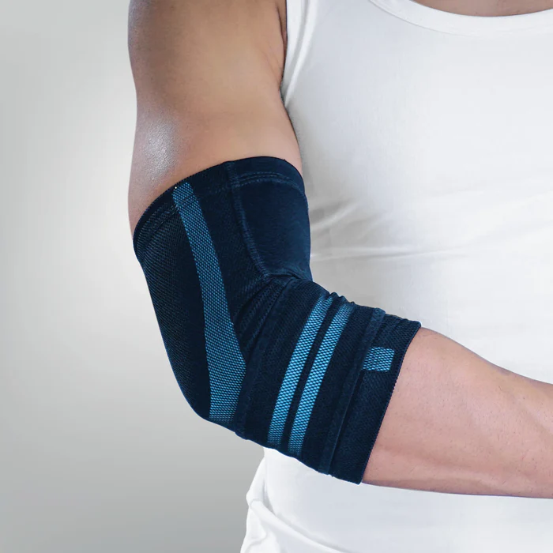 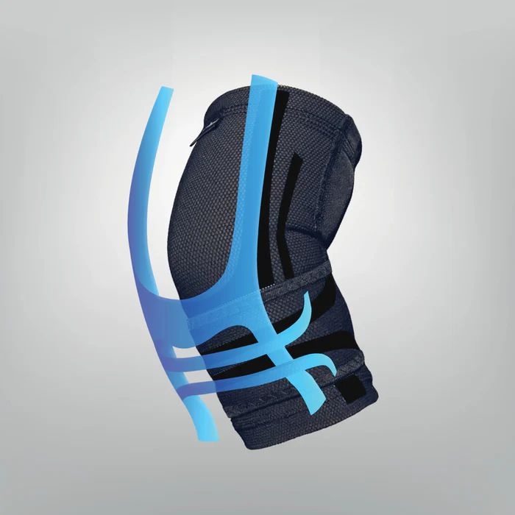 | 4 | Sports centers and sports shops | Orthopedic
SC34+ | AnkleFlex8 | 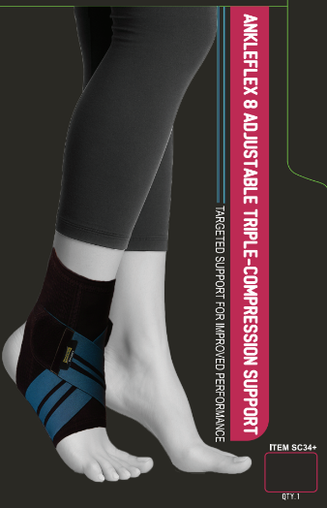 | 3 | Sports centers and sports shops | Orthopedic
Chest/ Abdominal Belts
11P3W | AbdoCore Support 9" | 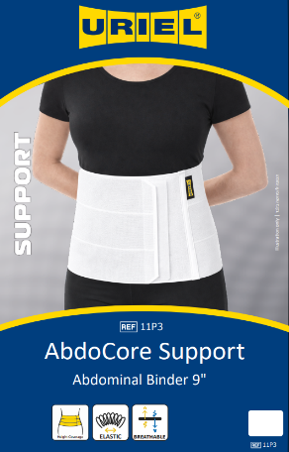 | 3 | Hospitals/ orthopedic stores | Orthopedic
11P4W | AbdoCore Support 12" | 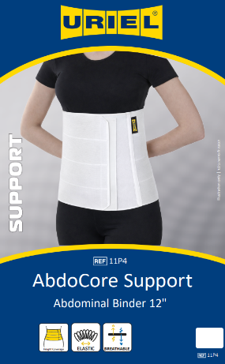 | 3 | Hospitals/ orthopedic stores | Orthopedic
11TO | Post Surgical Belt |  | 7 | Hospitals/ orthopedic stores | Orthopedic
14 | Post Surgical Sternum Belt |  | 1 | Hospitals/ orthopedic stores | Orthopedic
15M | Rib Belt -men |  | 6 | Hospitals/ orthopedic stores | Orthopedic
15W | Rib Belt -Women |  | 6 | Hospitals/ orthopedic stores | Orthopedic
16 | MATERNITY Belt |  | 3 | Orthopedic stores | Orthopedic
T11C | Abdominal Belt |  | 6 | Hospitals/ orthopedic stores | Orthopedic | Thermal
11STO | Abdominal Ostomy Belt |  | 5 | Hospitals/ orthopedic stores | Orthopedic
13 | UMBILICAL Hernia Belt |  | 6 | Hospitals/ orthopedic stores | Orthopedic

Groin and pelvis
T03 | sacro Belt |  | 6 | Hospitals/ orthopedic stores | Orthopedic
70N | Pavlik Harness |  | 4 | Hospitals/ orthopedic stores | Orthopedic
49PS | Post Surgical Hip Bandage |  | 6 | Hospitals/ orthopedic stores | Orthopedic
50 | SUSPENSORY |  | 6 | Hospitals/ orthopedic stores | Orthopedic
56B | MAN ATHLETIC GUARD -Sport Support for Testicles |  | 4 | Hospitals/ orthopedic stores | Orthopedic
59L | Hernia Belt- Left |  | 6 | Hospitals/ orthopedic stores | Orthopedic
59R | Hernia Belt- Right |  | 6 | Hospitals/ orthopedic stores | Orthopedic
59D | Adaptive Inguinal Hernia Support System Double side |  | 6 | Hospitals/ orthopedic stores | Orthopedic

