SELECTED Catalog
URIEL — Selected Commercial Products
91 products | 16 categories | Prepared: 15/09/26

Image | SKU | Product Name | Price | Meta
Neck and shoulder — 5 items
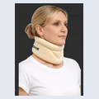 | 61 | Cervicallo Soft Soft Cervical collar | MXN: $558 | 4 sizes · All Market
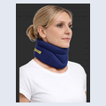 | 61BL | Cervicallo Soft Soft Cervical collar | MXN: $558 | All Market
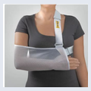 | 85 | ARM SLING POUCH | MXN: $676 | 4 sizes · All Market
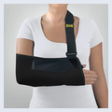 | 85B | ARM SLING POUCH | MXN: $676 | 4 sizes · All Market
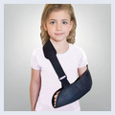 | 85K | ARM SLING POUCH - KIDS | MXN: $620 | 1 size · All Market
Elbow — 3 items
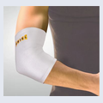 | 95 | ELBOW BANDAGE | MXN: $368 | 6 sizes · White · All Market
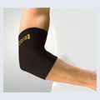 | 95B | ELBOW BANDAGE | MXN: $368 | 6 sizes · Black · All Market
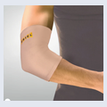 | 95C | ELBOW BANDAGE | MXN: $368 | 6 sizes · Tan · All Market
Wrist — 6 items
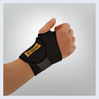 | T25B | WRIST SUPPORT | MXN: $558 | 1 size · Pharmacies
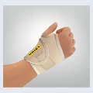 | T25C | WRIST SUPPORT | MXN: $558 | 1 size · Tan · Pharmacies
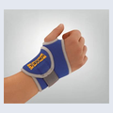 | T25 | WRIST SUPPORT | MXN: $558 | 1 size · Blue · Pharmacies
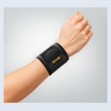 | 202 | WRISTO STRAP Light Wrist Support | MXN: $558 | 1 size · Pharmacies
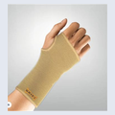 | 21 | WRISTO bandage | MXN: $475 | 6 sizes · Pharmacies
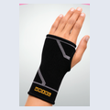 | 21B | WRISTO sleeve | MXN: $475 | 6 sizes · Pharmacies
Fingers — 2 items
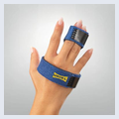 | 237 | TRIGGER FINGER SPLINT | MXN: $363 | 1 size · All Market
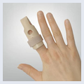 | 238 | FINGER SPLINT | MXN: $240 | 4 sizes · All Market
Back — 2 items
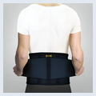 | 078B | LUMBO BELT/BACK BELT-BLACK | MXN: $1,397 | 5 sizes · All Market
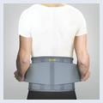 | 078G | LUMBO BELT/BACK BELT-GREY | MXN: $1,397 | 5 sizes · All Market
Knee — 4 items
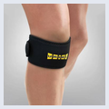 | T40B | Patella strap | MXN: $1,017 | 1 size · Contains a gel pad · All Market
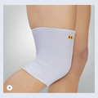 | 45 | KNEE SLEEVE | MXN: $352 | 6 sizes · All Market
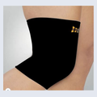 | 45B | KNEE SLEEVE | MXN: $368 | 6 sizes · All Market
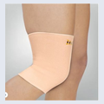 | 45EC | KNEE SLEEVE | MXN: $447 | 6 sizes · All Market
Ankle — 3 items
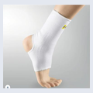 | 35 | ANKLE SUPPORT | MXN: $368 | 6 sizes · All Market
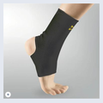 | 35B | ANKLE SUPPORT | MXN: $368 | 6 sizes · All Market
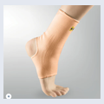 | 35C | ANKLE SUPPORT | MXN: $368 | 6 sizes · All Market
Foot Care — 13 items
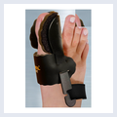 | 388BL /R | HALUX VALGUS-NIGHT SPLINT | MXN: $877 | L/R - 1 size · All Market
 | 308 | Silicone Heel Cushions no edges (36-45 | MXN: $726 | 2 sizes · All Market
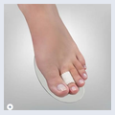 | 3623 | Hallux Valgus +Hammer toes (foam cushion | MXN: $340 | 1 size · All Market
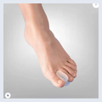 | 364S-L | Toe Spreader S/M/L 2pc | MXN: $173 | 1 size · All Market
 | 364xl | TOE SPREADER | MXN: $173 | 1 size · All Market
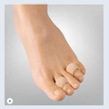 | 365sml | Corn pad protector s/m/l 2pc | MXN: $173 | 1 size · All Market
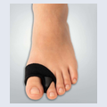 | 364XL+ | Bunion Wrap with Spreader | MXN: $307 | 1 size · All Market
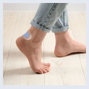 | 311 | Active Gel Plaster 5pc | MXN: $223 | 1 size · All Market
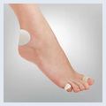 | 313 | BLISTER PLASTER KIT | MXN: $285 | 1 size · All Market
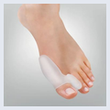 | 3674 | BUNION + TOE SPREADER | MXN: $480 | 1 size · All Market
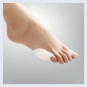 | 3675 | Littile Toe Bunion Guard | MXN: $363 | 1 size · All Market
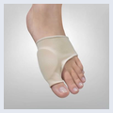 | 3672 | BUNION SLEEVE | MXN: $447 | 1 size · All Market
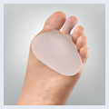 | 362 | Metatarsal Cushion | MXN: $363 | 1 size · All Market
Lady's Feet — 5 items
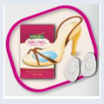 | LF360 | METATRSAL CUSHION | MXN: $285 | 1 size · All Market
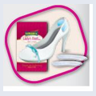 | LF370 | HEEL CUSHIONS | MXN: $285 | 1 size · All Market
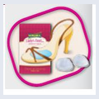 | LF373 | METATARSAL SUPPORT | MXN: $257 | 1 size · All Market
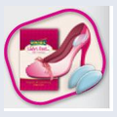 | LF374 | HEEL CUSHIONS | MXN: $285 | 1 size · All Market
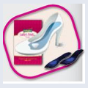 | LF377 | INSOLES | MXN: $564 | 3 sizes · S,m,l · All Market
Socks — 3 items
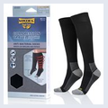 | 397A | Antibacterial travel socks | MXN: $754 | 3 sizes · Copper antibacterial · All Market
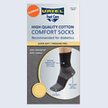 | 395W | Antibacterial summer socks white | MXN: $363 | 3 sizes · All Market
 | 395B | Antibacterial summer socks black | MXN: $363 | 3 sizes · All Market
ST range — 12 items
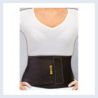 | ST11 | ABDOMINAL BELT SUPPORT/ONE SIZE/ | MXN: $726 | 1 size · Insurance subsidy/ health care system
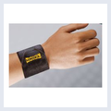 | ST20 | WRIST BANDAGE /ONE SIZE/ | MXN: $340 | 1 size · Insurance subsidy/ health care system
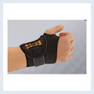 | ST25 | WRIST SUPPORT/ONE SIZE/ | MXN: $391 | 1 size · Insurance subsidy/ health care system
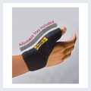 | ST28 | THUMB SUPPORT /ONE SIZE/ | MXN: $503 | 1 size · Insurance subsidy/ health care system
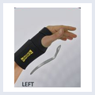 | ST27L | WRIST SPLINT | MXN: $558 | 1 size · Insurance subsidy/ health care system
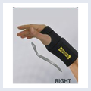 | ST27R | WRIST SPLINT | MXN: $558 | 1 size · Insurance subsidy/ health care system
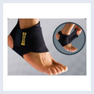 | ST37 | ANKLE BANDAGE /ONE SIZE/ | MXN: $419 | 1 size · Insurance subsidy/ health care system
 | ST422 | PAD GEL KNEE SUPPORT/ONE SIZE/ | MXN: $1,117 | 1 size · Insurance subsidy/ health care system
 | ST433 | HINGED KNEE BRACE | MXN: $1,973 | 1 size · Insurance subsidy/ health care system
 | ST45X | KNEE SUPPORT/ONE SIZE | MXN: $558 | 1 size · Insurance subsidy/ health care system
 | ST91 | TENNIS BANDAGE/ONE SIZE | MXN: $424 | 1 size · Insurance subsidy/ health care system
 | ST95 | ELBOW BANDAGE/ONE SIZE | MXN: $463 | 1 size · Insurance subsidy/ health care system
Active range — 14 items
 | AC07 | LUMBO BELT | MXN: $1,117 | 1 size · Pharmacies
 | AC11 | ABDOMINAL BELT | MXN: $877 | 1 size · Pharmacies
 | AC25 | WRIST SUPPORT/ONE SIZE | MXN: $447 | 1 size · Pharmacies
 | AC27L | Wrist Splint | MXN: $558 | 1 size · Pharmacies
 | AC27R | Wrist Splint | MXN: $558 | 1 size · Pharmacies
 | AC28 | THUMB SUPPORT/ONE SIZE | MXN: $503 | 1 size · Pharmacies
 | AC37 | ANKLE BANDAGE/ONE SIZE | MXN: $447 | 1 size · Pharmacies
 | AC40 | PATELLA STRAP | MXN: $961 | 1 size · Pharmacies
 | AC45X | KNEE SUPPORT/ONE SIZE | MXN: $894 | 1 size · Pharmacies
 | AC43D | HINGED KNEE BRACE /ONE SIZE | MXN: $1,229 | 1 size · Pharmacies
 | AC75 | POSTURE CORRECTOR | MXN: $950 | S-XL ,XXL- 2 sizes · Pharmacies
 | AC91 | TENNIS BANDAGE/ONE SIZE | MXN: $475 | 1 size · Pharmacies
 | AC95 | ELBOW SUPPORT/ONE SIZE | MXN: $503 | 1 size · Pharmacies
 | AC49 | THIGH SUPPORT /ONE SIZE | MXN: $737 | 1 size · Pharmacies
FC Insoles — 8 items
 | 370 | Latex comfort insoles (cut to size) | MXN: $156 | 1 size · All Market
 | 372 | Odour Destroyer insoles (Cut to size) | MXN: $184 | 1 size · All Market
 | 374 | Shock Absorbing Insoles (cut to size) | MXN: $184 | 1 size · All Market
 | 302M | EASY FIT GEL INSOLES | MXN: $849 | 1 size · All Market
 | 302W | EASY FIT GEL INSOLES | MXN: $849 | 1 size · All Market
 | 379WRK | EPIC GEL WORK | MXN: $1,414 | 3 sizes · All Market
 | 379 (Comfort) | EPIC GEL COMFORT | MXN: $1,414 | 1 size · All Market
 | 379 (Multisport) | EPIC GEL MULTISPORT | MXN: $1,414 | 1 size · All Market
First Aid — 1 item
 | 801 | Ice&Go Elastic Cold Bandage | MXN: $257 | 1 size · Sports centers / sports stores / pharmacies / orthopedic stores / physical therapists
Tapes — 6 items
 | 804AT | Professional Sport Adhesive Tape | MXN: $206 | 3.8cm*10m · 4 colors : black , biege , blue, white · Sports centers / sports stores / pharmacies / orthopedic stores / physical therapists
 | 805AT | Professional Sport Adhesive Tape | MXN: $206 | 2cm*7.3m · 4 colors : black , biege , blue, white- 2 units inside · Sports centers / sports stores / pharmacies / orthopedic stores / physical therapists
 | 806CB | Cohesive Bandage | MXN: $150 | 7.5cm*4.5m · Sports centers / sports stores / pharmacies / orthopedic stores / physical therapists
 | 807CB | Cohesive Bandage | MXN: $150 | 3cm*2.5m · Sports centers / sports stores / pharmacies / orthopedic stores / physical therapists
 | 808KT | Professional Kinesiology Tape | MXN: $564 | 5cm*5m · 4 colors : black , biege , blue, pink · Sports centers / sports stores / pharmacies / orthopedic stores / physical therapists
 | 809PW | Professional Pre wrap tape | MXN: $195 | 7cm*27m · 1 color - biege · Sports centers / sports stores / pharmacies / orthopedic stores / physical therapists
Shower Sleeves — 4 items
 | 250 | Waterproof short sleeve | MXN: $475 | 1 size · Reusable waterproof protective cover designed to keep bandages, casts and wounds dry while showering or bathing · All Market
 | 251 | Long sleeve waterproof hand | MXN: $503 | 1 size · Reusable waterproof protective cover designed to keep bandages, casts and wounds dry while showering or bathing · All Market
 | 350 | Waterproof short leg sleeve | MXN: $536 | 1 size · Reusable waterproof protective cover designed to keep bandages, casts and wounds dry while showering or bathing · All Market
 | 351 | Waterproof long leg sleeve | MXN: $558 | 1 size · Reusable waterproof protective cover designed to keep bandages, casts and wounds dry while showering or bathing · All Market

Note: 2 of 91 products have multiple color/angle images in the source and are shown here as a single composite thumbnail (all variants combined into one embedded image). (2 SKUs — 806CB / 807CB — each combine 4 color swatches: labels shown under each image.)

