DeliveryTime
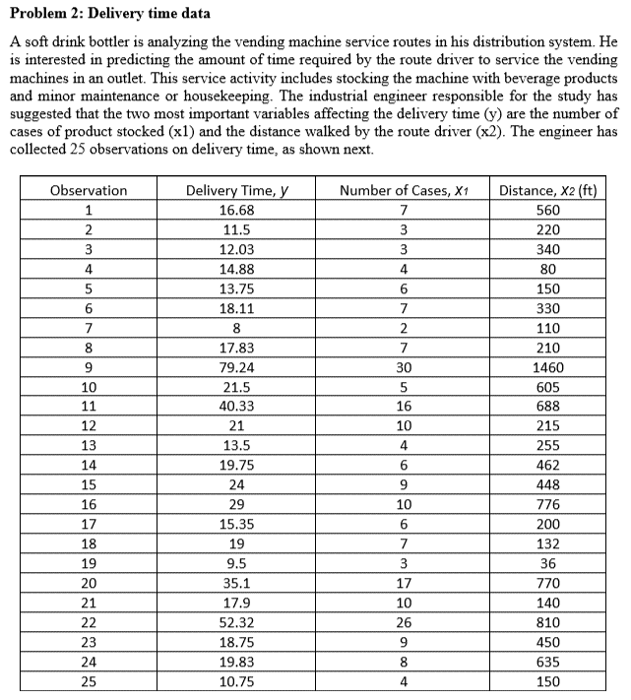
Delivery Time, y | Number of Cases, x1 | Distance, x2 (ft)
16.68 | 7 | 560
11.5 | 3 | 220
12.03 | 3 | 340
14.88 | 4 | 80
13.75 | 6 | 150
18.11 | 7 | 330
8 | 2 | 110
17.83 | 7 | 210
79.24 | 30 | 1460
21.5 | 5 | 605
40.33 | 16 | 688
21 | 10 | 215
13.5 | 4 | 255
19.75 | 6 | 462
24 | 9 | 448
29 | 10 | 776
15.35 | 6 | 200
19 | 7 | 132
9.5 | 3 | 36
35.1 | 17 | 770
17.9 | 10 | 140
52.32 | 26 | 810
18.75 | 9 | 450
19.83 | 8 | 635
10.75 | 4 | 150

