Sheet1
Performance | Date | Fund Name | Purchase Value(INR.) | Purchase NAV(INR.) | Today NAV(INR.) | Current Value(INR.) | Absolute Returns(%)
0 | 2018-02-02 | Reliance Regular Savings (Growth) (112936) | 90200 | 55.5346 | 53.6332 | 89139.639089 | -1.1755664205
1 | 2018-02-02 | Birla Sun Life '95 (Growth) (103155) | 94200 | 754.94 | 736.61 | 93064.951947 | -1.2049342388
2 | 2018-02-02 | ICICI Prudential Balanced (Growth) (100356) | 99600 | 129.72 | 123.32 | 97199.642739 | -2.4099972498

Portfolio
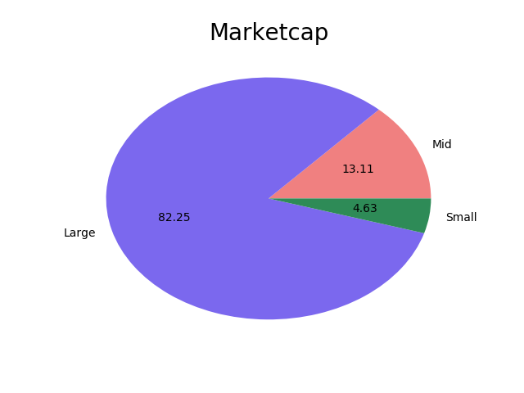
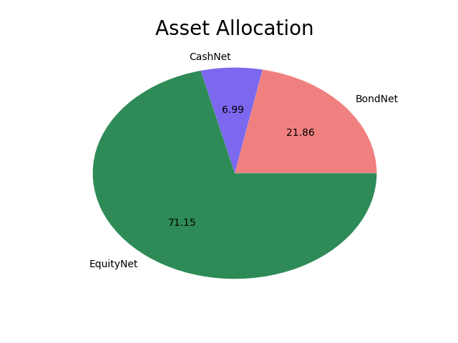
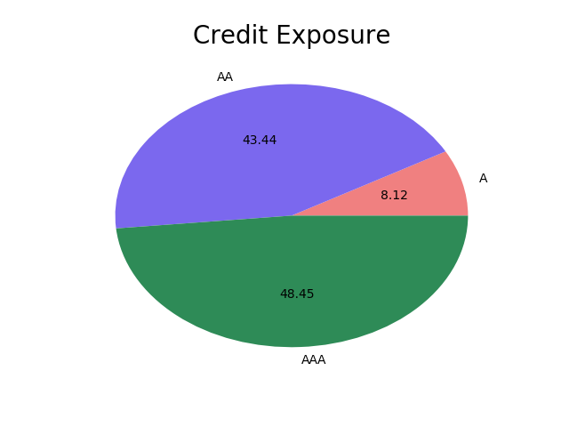
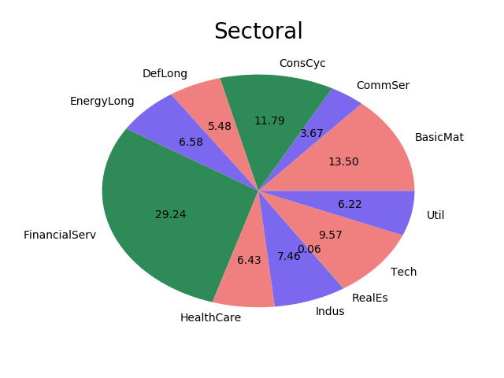

Risk metrics
Sortino | 1.0813232394 |  | Treynor | 6.3394014085 |  | YTM | 8.6812464789
Sharpe | 0.66849084507 |  | Modified | 2.2435774648

Top10 holdings
Holding | Weight% |  |  |  |  |  |  |  |  |  |  |  | Current date is2018-07-18
HDFC Bank Ltd | 5.0096596338 |  |  |  |  | Date | Fund Name | Amount |  | Date | Fund Name | Amount |  | Date | Fund Name | Amount
ICICI Bank Ltd | 3.6276724859 |  |  |  | 0 | 2018-07-03 | Reliance Regular Savings (Growth) (112936) | -16700 | 0 | 2018-07-03 | ICICI Prudential Balanced (Growth) (100356) | -16600 | 0 | 2018-07-03 | Birla Sun Life '95 (Growth) (103155) | -16700
Infosys Ltd | 3.4659332113 |  |  |  | 1 | 2018-06-04 | Reliance Regular Savings (Growth) (112936) | -16700 | 1 | 2018-06-04 | ICICI Prudential Balanced (Growth) (100356) | -16600 | 1 | 2018-06-04 | Birla Sun Life '95 (Growth) (103155) | -16700
Larsen & Toubro Ltd | 1.8632883521 |  |  |  | 2 | 2018-05-04 | Reliance Regular Savings (Growth) (112936) | -16700 | 2 | 2018-05-04 | ICICI Prudential Balanced (Growth) (100356) | -16600 | 2 | 2018-05-04 | Birla Sun Life '95 (Growth) (103155) | -16700
Grasim Industries Ltd | 1.8614008662 |  |  |  | 3 | 2018-04-03 | Reliance Regular Savings (Growth) (112936) | -16700 | 3 | 2018-04-03 | ICICI Prudential Balanced (Growth) (100356) | -16600 | 3 | 2018-04-03 | Birla Sun Life '95 (Growth) (103155) | -16700
Yes Bank Limited | 1.8180667535 |  |  |  | 4 | 2018-03-05 | Reliance Regular Savings (Growth) (112936) | -16700 | 4 | 2018-03-05 | ICICI Prudential Balanced (Growth) (100356) | -16600 | 4 | 2018-03-05 | Birla Sun Life '95 (Growth) (103155) | -16700
ITC Ltd | 1.7402777324 |  |  |  | 5 | 2018-02-02 | Reliance Regular Savings (Growth) (112936) | -16700 | 5 | 2018-02-02 | ICICI Prudential Balanced (Growth) (100356) | -16600 | 5 | 2018-02-02 | Birla Sun Life '95 (Growth) (103155) | -16700
Morgan Credits Private Limited | 1.476516831 |  |  |  | 6 | 2018-02-02 | Reliance Regular Savings (Growth) (112936) | 10000 |  |  |  |  | 6 | 2018-02-02 | Birla Sun Life '95 (Growth) (103155) | 6000
NTPC Ltd | 1.4003444366
State Bank of India | 1.348415662

