Past Standings
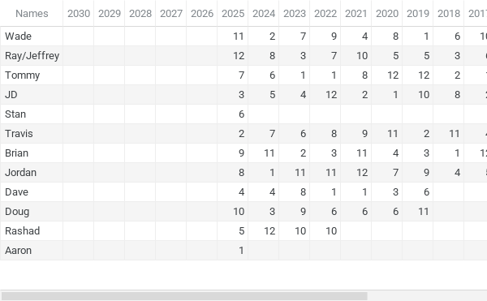
Place | 2030 | 2029 | 2028 | 2027 | 2026 | 2025 | 2024 | 2023 | 2022 | 2021 | 2020 | 2019 | 2018 | 2017 | 2016 | 2015 | 2014 | 2013 | 2012 | 2011
1 |  |  |  |  |  | Aaron | Jordan | Tommy | Tommy | Dave | JD | Wade | Brian | Tommy | Tommy | Keith | Garet | Tommy | Bryan | Gordie
2 |  |  |  |  |  | Travis | Wade | Brian | Dave | JD | Landon | Travis | Tommy | JD | James | JD | Gordie | James | Chris | Wade
3 |  |  |  |  |  | JD | Doug | Ray | Brian | Adam | Dave | Brian | Ray | James | Ray | Tommy | Keith | Bryan | Nicholas | Zach
4 |  |  |  |  |  | Dave | Dave | JD | Billy | Wade | Brian | Patrick | Jordan | Travis | Gordie | Chris | Chris | Landon | James | Keith
5 |  |  |  |  |  | Rashad | JD | Billy | Landon | Landon | Ray | Ray | Chris | Jordan | Landon | Garet | Bryan | Chris | Tommy | JD
6 |  |  |  |  |  | Stan | Tommy | Travis | Doug | Doug | Doug | Dave | Wade | Ray | Chris | Ray | Travis | Keith | Landon | Bryan
7 |  |  |  |  |  | Tommy | Travis | Wade | Ray | Billy | Jordan | Landon | Patrick | Garet | Bryan | James | James | JD | Gordie | Chris
8 |  |  |  |  |  | Jordan | Ray | Dave | Travis | Tommy | Wade | Billy | JD | Landon | JD | Wade | Wade | Garet | Wade | Ray
9 |  |  |  |  |  | Brian | Landon | Doug | Wade | Travis | Adam | Jordan | Ricky | Patrick | Travis | Landon | JD | Gordie | Travis | Darren
10 |  |  |  |  |  | Doug | Billy | Rashad | Rashad | Ray | Billy | JD | Billy | Wade | Brian | Gordie | Ray | Ray | Darren | Rachel
11 |  |  |  |  |  | Wade | Brian | Jordan | Jordan | Brian | Travis | Doug | Travis | Chris | Garet | Bryan | Tommy | Wade | JD
12 |  |  |  |  |  | Ray | Rashad | Landon | JD | Jordan | Tommy | Tommy | Landon | Brian | Wade | Travis | Landon | Travis | Zach

Name | Years Involved | Avg Finish | Playoff Appearance | Champs | % to Win | Avg. High Score |  |  |  | Names | 2030 | 2029 | 2028 | 2027 | 2026 | 2025 | 2024 | 2023 | 2022 | 2021 | 2020 | 2019 | 2018 | 2017 | 2016 | 2015 | 2014 | 2013 | 2012 | 2011 | Average
Wade | 15 | 7.13 | 5 | 1 | 7% | 1.10 |  |  |  | Wade |  |  |  |  |  | 11 | 2 | 7 | 9 | 4 | 8 | 1 | 6 | 10 | 12 | 8 | 8 | 11 | 8 | 2 | 7.13
Travis | 14 | 7.71 | 5 | 0 | 0% | 0.80 |  |  |  | Ray/Jeffrey |  |  |  |  |  | 12 | 8 | 3 | 7 | 10 | 5 | 5 | 3 | 6 | 3 | 6 | 10 | 10 |  | 8 | 6.86
Stan | 1 | 6.00 | 1 | 0 | 0% | 0.11 |  |  |  | Tommy |  |  |  |  |  | 7 | 6 | 1 | 1 | 8 | 12 | 12 | 2 | 1 | 1 | 3 | 11 | 1 | 5 | ? | 5.07
JD | 15 | 5.93 | 7 | 1 | 7% | 1.20 |  |  |  | JD |  |  |  |  |  | 3 | 5 | 4 | 12 | 2 | 1 | 10 | 8 | 2 | 8 | 2 | 9 | 7 | 11 | 5 | 5.93
Ray/Jeffrey | 14 | 6.86 | 7 | 0 | 0% | 1.40 |  |  |  | Stan |  |  |  |  |  | 6 |  |  |  |  |  |  |  |  |  |  |  |  |  | ? | 6.00
Tommy | 14 | 5.07 | 9 | 5 | 36% | 1.30 |  |  |  | Travis |  |  |  |  |  | 2 | 7 | 6 | 8 | 9 | 11 | 2 | 11 | 4 | 9 | 12 | 6 | 12 | 9 |  | 7.71
Brian | 10 | 6.60 | 5 | 1 | 10% | 1.44 |  |  |  | Brian |  |  |  |  |  | 9 | 11 | 2 | 3 | 11 | 4 | 3 | 1 | 12 | 10 |  |  |  |  |  | 6.60
Jordan | 9 | 7.56 | 3 | 1 | 11% | 1.10 |  |  |  | Jordan |  |  |  |  |  | 8 | 1 | 11 | 11 | 12 | 7 | 9 | 4 | 5 |  |  |  |  |  |  | 7.56
Dave | 7 | 3.86 | 6 | 2 | 29% | 1.40 |  |  |  | Dave |  |  |  |  |  | 4 | 4 | 8 | 1 | 1 | 3 | 6 |  |  |  |  |  |  |  |  | 3.86
Doug | 7 | 7.29 | 4 | 0 | 0% | 0.80 |  |  |  | Doug |  |  |  |  |  | 10 | 3 | 9 | 6 | 6 | 6 | 11 |  |  |  |  |  |  |  |  | 7.29
Rashad | 4 | 9.25 | 1 | 0 | 0% | 0.20 |  |  |  | Rashad |  |  |  |  |  | 5 | 12 | 10 | 10 |  |  |  |  |  |  |  |  |  |  |  | 9.25
Aaron | 1 | 1.00 | 1 | 1 | 100% | 0.00 |  |  |  | Aaron |  |  |  |  |  | 1 |  |  |  |  |  |  |  |  |  |  |  |  |  |  | 1.00
Total | 9.3 | 6.19 | 4.50 | 12 | 17%
Billy | 7 | 7.71 | 2 | 0 | 0% | 0.78
Chris | 8 | 5.50 | 6 | 0 | 0% | 0.25
Adam | 2 | 6.00 | 1 | 0 | 0% | 0.50
Bryan | 6 | 5.50 | 3 | 1 | 17% | 0.00
Gordie | 6 | 5.50 | 3 | 1 | 17% | 0.00
James | 6 | 4.33 | 4 | 0 | 0% | 0.75
Garet | 5 | 6.40 | 2 | 1 | 20% | 0.13
Landon | 13 | 6.84 | 6 | 0 | 0% | 0.38
Keith | 4 | 3.50 | 3 | 1 | 25%
Patrick | 3 | 6.67 | 1 | 0 | 0% | 0.38
Zach | 2 | 7.50 | 1 | 0 | 0%
Daren | 2 | 10.00 | 0 | 0 | 0%
Nicholas | 1 | 3.00 | 1 | 0 | 0%
Ricky | 1 | 9.00 | 0 | 0 | 0% | 0.00
Rachel | 1 | 11.00 | 0 | 0 | 0%

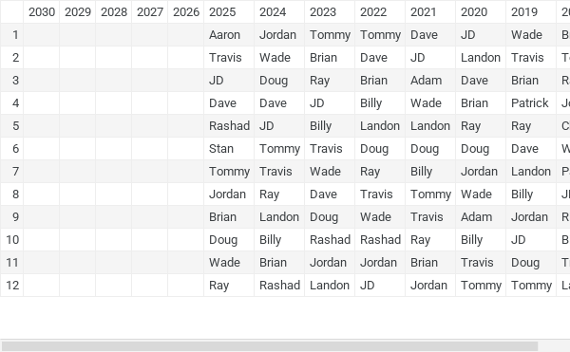

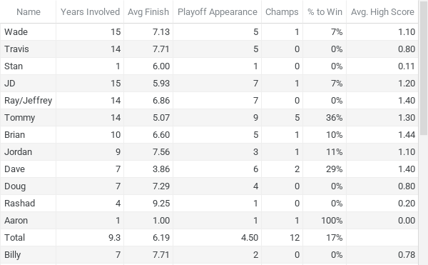

Years Involved, Playoff Appearance and Champs

Prior_Champs
Year | Winner
2011 | Gordie
2012 | Bryan D
2013 | Tommy
2014 | Garet
2015 | Keith
2016 | Tommy
2017 | Tommy
2018 | Brian
2019 | Wade
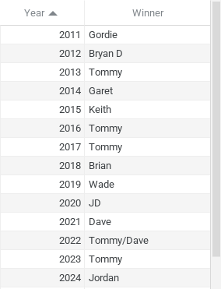
2020 | JD
2021 | Dave
2022 | Tommy/Dave
2023 | Tommy
2024 | Jordan
2025 | Aaron
2026

