Field map
North
West
East
Range | North | South |  | Road
1 | 21HL_JY0001 | 21HL_JY0050 | Block1
2 | 21HL_JY0100 | 21HL_JY0051
South
3 | 21HL_JY0101 | 21HL_JY0150
4 | 21HL_JY0200 | 21HL_JY0151
5 | 21HL_JY0201 | 21HL_JY0250
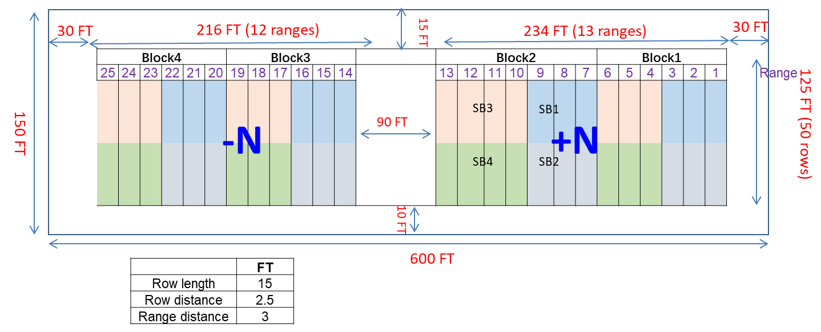
6 | 21HL_JY0300 | 21HL_JY0251
7 | 21HL_JY0301 | 21HL_JY0350 | Block2
8 | 21HL_JY0400 | 21HL_JY0351
9 | 21HL_JY0401 | 21HL_JY0450
10 | 21HL_JY0500 | 21HL_JY0451
11 | 21HL_JY0501 | 21HL_JY0550
12 | 21HL_JY0600 | 21HL_JY0551
13 | 21HL_JY0601 | 21HL_JY0650

14 | 21HL_JY0700 | 21HL_JY0651 | Block3
15 | 21HL_JY0701 | 21HL_JY0750
16 | 21HL_JY0751 | 21HL_JY0800
17 | 21HL_JY0850 | 21HL_JY0801
18 | 21HL_JY0851 | 21HL_JY0900
19 | 21HL_JY0950 | 21HL_JY0901
20 | 21HL_JY0951 | 21HL_JY1000 | Block4
21 | 21HL_JY1050 | 21HL_JY1001
22 | 21HL_JY1051 | 21HL_JY1100
23 | 21HL_JY1150 | 21HL_JY1101
24 | 21HL_JY1151 | 21HL_JY1200
25 | 21HL_JY1250 | 21HL_JY1201

