ME
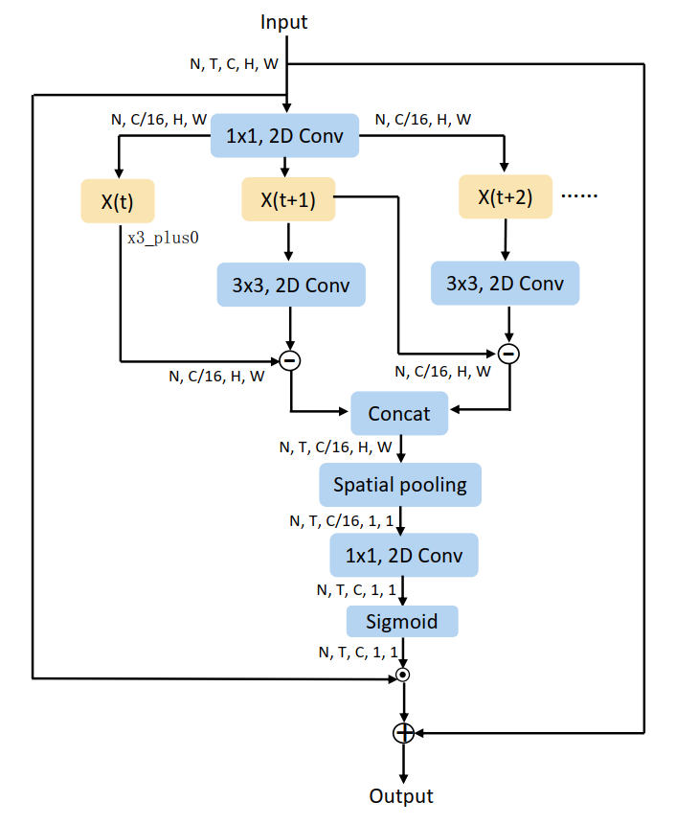
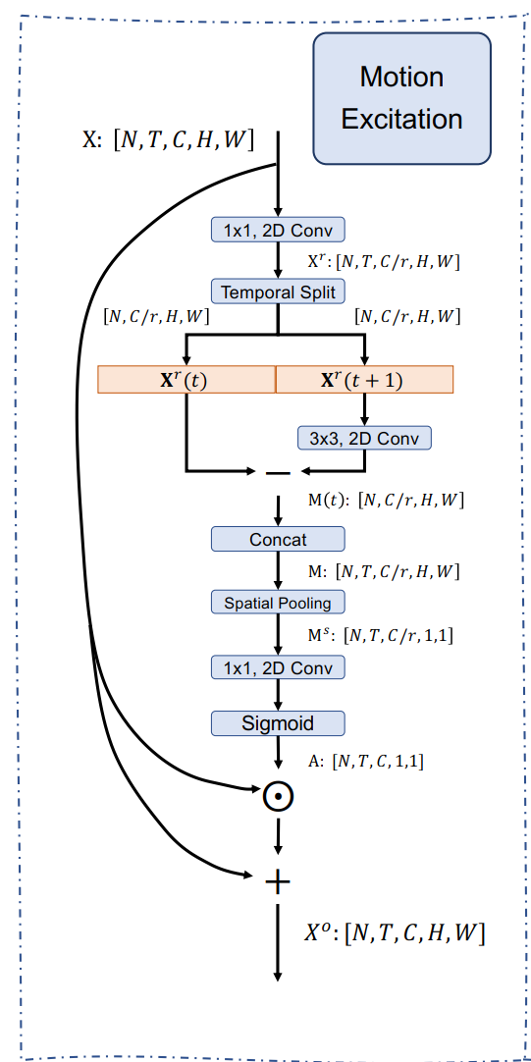
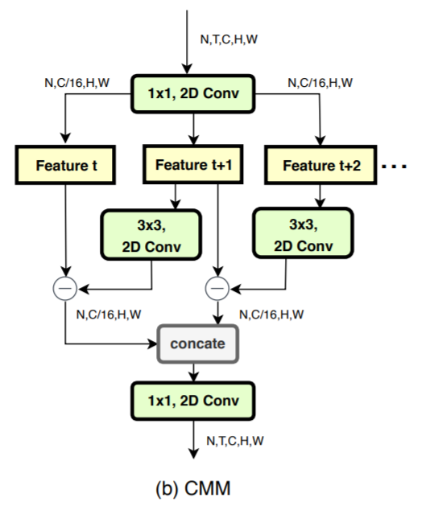
ME model

round | id |  | ways | batch_size | n_segment | pad | frame sampling | random index | conv block | epoch | Top1 | Top5 | Top1 up
origin |  |  |  |  |  |  |  |  |  |  | 87.80%
round 1 |  | Motion_Excitation |  |  | 3 |  |  |  | 3*1 conv1d | 69 | 87.89% | 97.88%
round 2 |  | Motion_Excitation_GCN |  |  | 3 |  |  |  | gcn |  | 没提升
round 3 |  | Motion_Excitation_GCN_SPARSE |  | 32 | 15 | 5 |  |  | gcn | 100 | 87.22% | 97.65%
round 4 |  | Motion_Excitation_GCN_SPARSE |  | 20 | 20 | 10 |  |  | gcn |  | 没提升
round 5 | 2021102623 | Motion_Excitation_GCN_SPARSE |  | 54 | 30 | 10 | 300 |  | gcn | 134 | 87.77% | 97.87%
round 6 | 2021102801 | Motion_Excitation_GCN_FRAME_SPARSE_300frames |  | 54 | 3 | 1 | 10 frame sampling but repeat to 300 frames |  | gcn | 94 | 87.71% | 97.83%
round 7 | 2021102911 | Motion_Excitation_GCN_FRAME_SPARSE_30frames |  | 54 | 3 | 1 | 300 sampling to 30 |  | gcn | 100 | 82.65% | 96.56%
round 8 | 2021102915 | Motion_Excitation_GCN_FRAME_SPARSE_100frames |  | 72 | 3 | 1 | 300 sampling to 100 | yes | gcn | 102 | 86.73% | 97.48%
round 9 | 2021103010 | Motion_Excitation_SPARSE_150frames |  | 72 | 3 | 1 | 300 sampling to 150 | yes | 3*1 conv1d |  | 87.38% | 97.76%
round 10 | 2021103110 | Motion_Excitation |  | 51 | 3 | 1 | 300 |  | 3*1 conv1d |  | 87.45% | 97.94%
round 12 | 2021110212 | Motion_Excitation_SUB | 左侧递增做差，右侧对称相减 | 60 | 3 | 1 |  |  | 1*1 conv2d |  | 87.83% | 97.84%
round 13 | 2021110500 | Motion_Excitation_CONV2D | 并行结构，conv2d | 51 | 3 | 1 | 300 |  | 1*1 conv2d | 110 | 88.17% | 97.96% | 0.40%
round 14 | 2021110601 | Motion_Excitation_BRANCH_SYM_SUB | 并行结构，对称帧相减，交替卷积 | 51 |  |  |  |  | 1*1 conv2d | 94 | 87.95% | 97.93% | 0.10%

 | 2021111020 | ME without_tcn | 并行结构，conv2d | 51 |  |  |  |  | 1*1 conv2d | 130 | 87.30%
 | 2021111210 | ME2 without_tcn |  | 54 |  |  |  |  |  |  | 87.91%
 |  | ME2 if stride == 2 reduce frame

 | 20220126 | me 加权 shifttcn |  | 54 |  |  |  |  |  |  | 88.19% |  | 0.40%

