SOTA
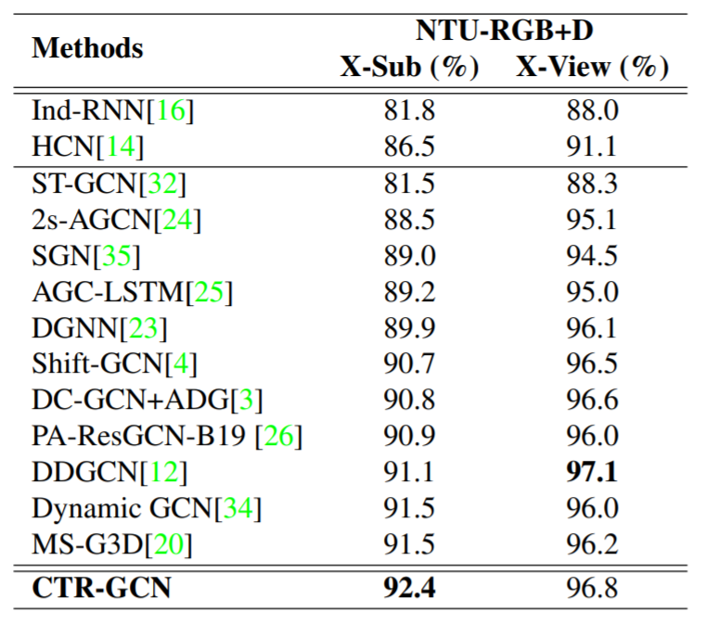
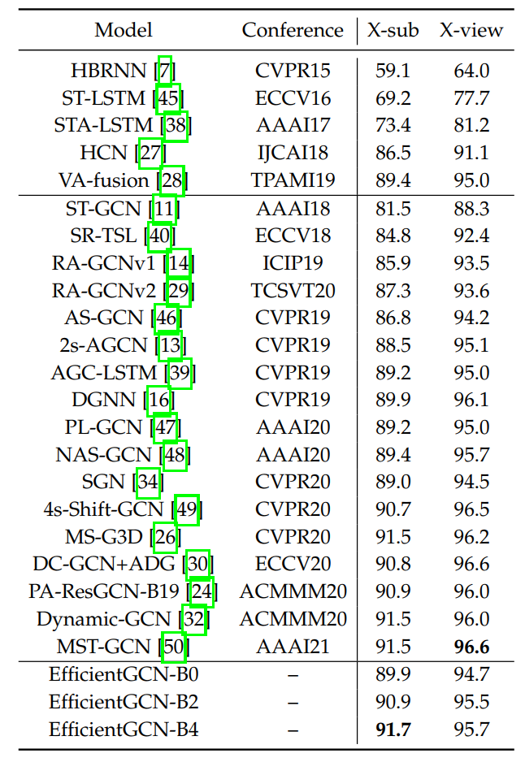

Channel 领域思路
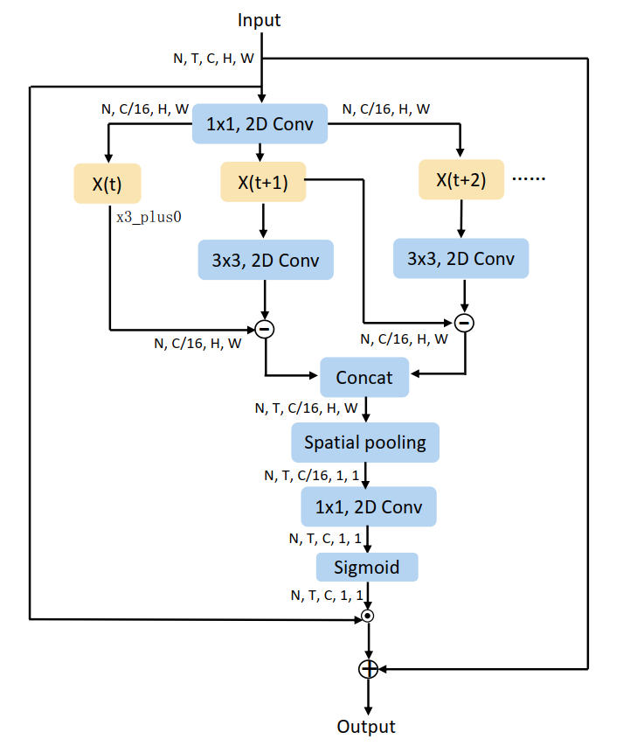
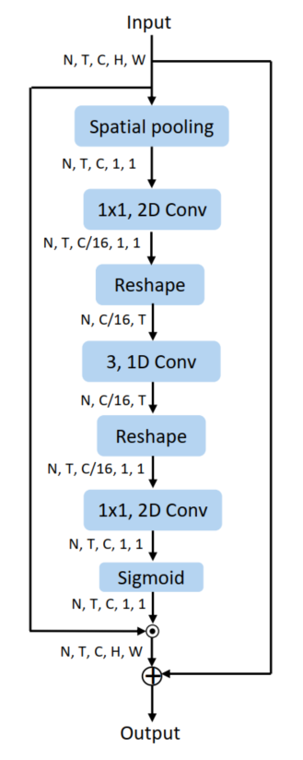
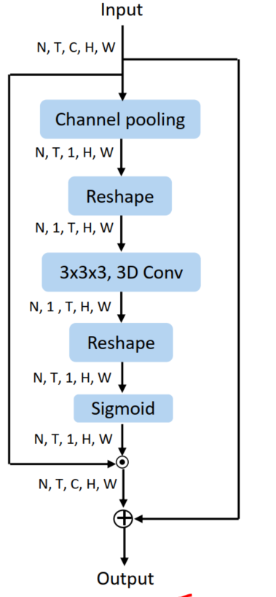
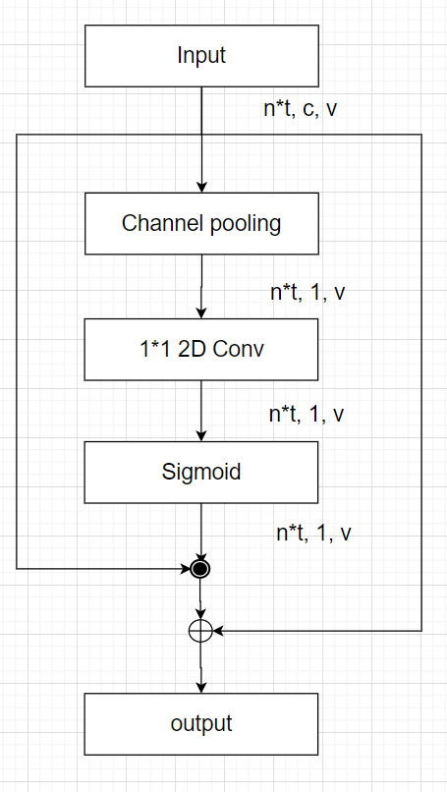
MCE | motion-sensitive channels excitation | 88.17(+0.40)
TCE | temporal-sensitive channels excitation | 88.49(+0.69)
SCE | spatical-sensitive channels excitation | 88.14(+0.34)
MSTE | channel domain information | ?

