mode_report
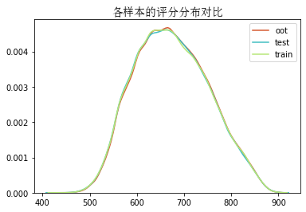
feature_name | feature_importance | descreption
pdl_last_180d_sum_overdue_day | 624 | pdl_last_180d_sum_overdue_day | 时间内测试集
pdl_period_15_num | 588 | 现金贷不同loan_period成功借款总数量 | 评分 | 组内总人数 | 组内坏客户数 | 组内好客户数 | 坏客户占比 | 好客户占比 | 累计坏客户占比 | 累计好客户占比 | 区间违约率 | 累计拒绝人数 | 累计拒绝坏人数 | 累计拒绝率 | 累计拒绝坏人占比
pdl_on_due_total_days_30d | 516 | 最近30天内pdl在贷天数 | 574 | 21036 | 2511 | 18525 | 33.3% | 9.5% | 33.3% | 9.5% | 11.9% | 21036 | 2511 | 10.3% | 11.9%
cash_loan_age | 495 | 现金贷账龄 | 603 | 20616 | 1533 | 19083 | 20.3% | 9.7% | 53.7% | 19.2% | 7.4% | 41652 | 4044 | 20.5% | 9.7%
pdl_last_3m_order_cnt | 482 | 近三月内PDL申请次数（所有status） | 627 | 20681 | 1065 | 19616 | 14.1% | 10.0% | 67.8% | 29.2% | 5.1% | 62333 | 5109 | 30.6% | 8.2%
pdl_avg_paidup | 450 | 现金贷平均每单偿还金额 | 649 | 20262 | 852 | 19410 | 11.3% | 9.9% | 79.1% | 39.1% | 4.2% | 82595 | 5961 | 40.6% | 7.2%
last_3_pdl_paidup | 403 | 过去3笔现金贷偿还金额 | 671 | 20740 | 524 | 20216 | 7.0% | 10.3% | 86.0% | 49.4% | 2.5% | 103335 | 6485 | 50.8% | 6.3%
installment_last_180d_max_dpd | 373 | 近180天账单最大逾期天数 | 693 | 19912 | 375 | 19537 | 5.0% | 10.0% | 91.0% | 59.4% | 1.9% | 123247 | 6860 | 60.6% | 5.6%
pdl_payoff_avg_dpd | 370 | 还清平均逾期天数 | 717 | 19904 | 285 | 19619 | 3.8% | 10.0% | 94.8% | 69.4% | 1.4% | 143151 | 7145 | 70.3% | 5.0%
hsdep_aku_pre_recent_two_months_prepayment_cnt | 340 | 消费分期pay_off_time在最近两个月提前还清笔数 | 745 | 20594 | 205 | 20389 | 2.7% | 10.4% | 97.5% | 79.8% | 1.0% | 163745 | 7350 | 80.5% | 4.5%
first_order_to_first_pay_rate | 337 | 欠款/第一次激活的总额度比率 | 782 | 20262 | 125 | 20137 | 1.7% | 10.3% | 99.2% | 90.1% | 0.6% | 184007 | 7475 | 90.4% | 4.1%
pdl_avg_loan_period | 336 | pdl成功借款笔均申请期限 | 900 | 19503 | 62 | 19441 | 0.8% | 9.9% | 100.0% | 100.0% | 0.3% | 203510 | 7537 | 100.0% | 3.7%
recent_ontime_repayment_interval | 330 | 最近一次按时还款的账单时间距离当前时间间隔天数
pdl_last_360d_max_dpd | 324 | 近360天现金贷大逾期天数 | 时间外测试集
hsdep_aku_pre_last_order_delay_days | 322 | 消费分期最近一笔账单还款金额 | 评分 | 组内总人数 | 组内坏客户数 | 组内好客户数 | 坏客户占比 | 好客户占比 | 累计坏客户占比 | 累计好客户占比 | 区间违约率 | 累计拒绝人数 | 累计拒绝坏人数 | 累计拒绝率 | 累计拒绝坏人占比
pdl_pay_method_id_10011_num | 316 | 现金贷款不同pay method id 10011偿还总数量 | 574 | 73640 | 8919 | 64721 | 30.9% | 9.1% | 30.9% | 9.1% | 12.1% | 73640 | 8919 | 9.9% | 12.1%
installment_overdue_payoff_periods | 316 | 分期逾期还清期数 | 603 | 72954 | 5700 | 67254 | 19.8% | 9.4% | 50.7% | 18.5% | 7.8% | 146594 | 14619 | 19.8% | 10.0%
sum_of_latest_90days_pdl_late_days | 295 | 最近90天pdl总逾期天数 | 627 | 74837 | 4197 | 70640 | 14.5% | 9.9% | 65.2% | 28.4% | 5.6% | 221431 | 18816 | 29.9% | 8.5%
openpay_installment_payoff_periods | 290 | openpay分期还清帐单数 | 649 | 74598 | 3191 | 71407 | 11.1% | 10.0% | 76.3% | 38.4% | 4.3% | 296029 | 22007 | 39.9% | 7.4%
hsdep_aku_cl_dpd_recent5_avg | 285 | 现金贷最近5笔的平均逾期天数 | 671 | 76174 | 2453 | 73721 | 8.5% | 10.3% | 84.8% | 48.8% | 3.2% | 372203 | 24460 | 50.2% | 6.6%
hsdep_aku_pre_last_three_orders_delay_days_var | 266 | 消费分期最近三单逾期天数方差 | 693 | 72767 | 1654 | 71113 | 5.7% | 10.0% | 90.5% | 58.8% | 2.3% | 444970 | 26114 | 60.0% | 5.9%
current_pay_day_ahead_days | 259 | 本期第一次还款提前天数 | 717 | 73128 | 1192 | 71936 | 4.1% | 10.1% | 94.6% | 68.8% | 1.6% | 518098 | 27306 | 69.8% | 5.3%
pdl_last_180d_max_dpd | 243 | 近180天现金贷最大逾期天数 | 745 | 75514 | 844 | 74670 | 2.9% | 10.5% | 97.6% | 79.3% | 1.1% | 593612 | 28150 | 80.0% | 4.7%
current_repayment_date_debt | 225 | 分期第一笔未还清debt | 782 | 75024 | 506 | 74518 | 1.8% | 10.5% | 99.3% | 89.8% | 0.7% | 668636 | 28656 | 90.1% | 4.3%
max_payoff_paid_up | 216 | 最大偿还金额 | 900 | 73111 | 195 | 72916 | 0.7% | 10.2% | 100.0% | 100.0% | 0.3% | 741747 | 28851 | 100.0% | 3.9%
installment_total_Interest | 215 | 分期总利息贡献（principal：本金（用于财会核算成本））
hsdep_aku_pre_recent_190_days_late_day_avg | 203 | 消费分期最近190天内平均逾期天数
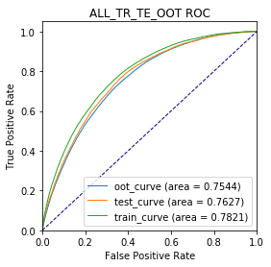
hsdep_aku_cl_pdl_all_bad_debt_rate | 201 | 董宏伟杨秋语模型需求
pdl_last_payoff_dpd | 199 | 上笔还清逾期天数
hsdep_aku_pre_last_six_orders_delay_days_var | 195 | 消费分期最近三单逾期天数方差
hsdep_aku_pre_last_three_orders_delays_max | 179 | 消费分期最近三单的最大逾期天数
hsdep_aku_pre_last_second_delay_days | 179 | 消费分期倒数第二笔账单逾期天数
hsdep_aku_pre_all_orders_delay_days_var | 165 | 消费分期所有账单逾期天数方差
installment_last_40d_dpd | 143 | 最近40天分期贷总逾期天数
hsdep_aku_pre_last_third_delay_days | 141 | 消费分期倒数第三笔账单逾期天数
hsdep_aku_pre_last_six_orders_bad_debt_sum | 139 | 消费分期最近六单逾期天数超过五天的应还款金额
bill_special_unpay | 137 | bill_special_unpay
installment_total_principal | 120 | 分期总本金
open_pay_special_unpay | 118 | openpay未还清一期的商品总欠款（paid_up：本月已还金额（默认为25号还款），monthly_installment_payment：分期月支付金额）
pdl_last_loan_period | 94 | 上笔申请期限
last5_payoff_dpd | 75 | 最近五笔笔还清账单总拖欠天数
installment_last_360d_max_dpd | 75 | 近360天账单最大逾期天数
hsdep_aku_pre_last_three_orders_bad_debt_sum | 58 | 消费分期最近三单逾期天数超过5天的应还款金额
hsdep_aku_pre_second_order_debt | 52 | 消费分期次单还款金额
hsdep_aku_pre_first_order_debt | 26 | 消费分期首单还款金额
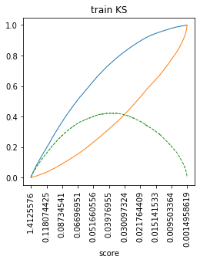
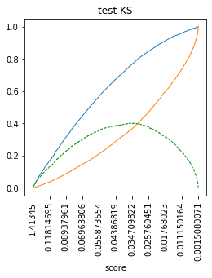

pid_installoan_last_payoff_dpd | 24 | 最近最近一笔还清账单拖欠天数

