Forecase Sheet (Output-1)
Month | Sales | Forecast(Sales) | Lower Confidence Bound(Sales) | Upper Confidence Bound(Sales) | Statistic | Value
Jan-24 | 1340 |  |  |  | Alpha | 0.25
Feb-24 | 1435 |  |  |  | Beta | 0.00
Mar-24 | 1610 |  |  |  | Gamma | 0.00
Apr-24 | 1665 |  |  |  | MASE | 1.95
May-24 | 1620 |  |  |  | SMAPE | 0.08
Jun-24 | 1625 |  |  |  | MAE | 133.23
Jul-24 | 1640 |  |  |  | RMSE | 193.65
 | Sales | Forecast(Sales) | Lower Confidence Bound(Sales) | Upper Confidence Bound(Sales)
 | 1340
 | 1435
 | 1610
 | 1665
 | 1620
 | 1625
 | 1640
 | 1715
 | 1850
 | 1865
 | 1810
 | 1905
 | 1450
 | 1540
 | 1735
 | 1790 | 1790 | 1790 | 1790
 |  | 1776.6561762 | 1472.0054534 | 2081.306899
 |  | 1794.431864 | 1480.331059 | 2108.5326689
 |  | 1812.2075518 | 1488.8605974 | 2135.5545062
 |  | 1829.9832396 | 1497.5767711 | 2162.389708
 |  | 1847.7589273 | 1506.4644455 | 2189.0534091
 |  | 1865.5346151 | 1515.5102907 | 2215.5589395
 |  | 1883.3103029 | 1524.7024962 | 2241.9181096
 |  | 1901.0859907 | 1534.0305412 | 2268.1414401
 |  | 1918.2882692 | 1543.1771434 | 2293.3993949
Aug-24 | 1715
Sep-24 | 1850
Oct-24 | 1865
Nov-24 | 1810
Dec-24 | 1905
Jan-25 | 1450
Feb-25 | 1540
Mar-25 | 1735
Apr-25 | 1790 | 1790 | 1790.00 | 1790.00
May-25 |  | 1776.6561762 | 1472.01 | 2081.31
Jun-25 |  | 1794.431864 | 1480.33 | 2108.53
Jul-25 |  | 1812.2075518 | 1488.86 | 2135.55
Aug-25 |  | 1829.9832396 | 1497.58 | 2162.39
Sep-25 |  | 1847.7589273 | 1506.46 | 2189.05
Oct-25 |  | 1865.5346151 | 1515.51 | 2215.56
Nov-25 |  | 1883.3103029 | 1524.70 | 2241.92
Dec-25 |  | 1901.0859907 | 1534.03 | 2268.14
Dec-25 |  | 1918.2882692 | 1543.18 | 2293.40

Forecast Sheet (Output-2)
Month | Sales | Forecast(Sales) | Confidence Interval(Sales) | Statistic | Value
Jan-24 | 1340 |  |  | Alpha | 0.25
Feb-24 | 1435 |  |  | Beta | 0.00
Mar-24 | 1610 |  |  | Gamma | 0.00
Apr-24 | 1665 |  |  | MASE | 1.95
May-24 | 1620 |  |  | SMAPE | 0.08
Jun-24 | 1625 |  |  | MAE | 133.23
Jul-24 | 1640 |  |  | RMSE | 193.65
Aug-24 | 1715
 | Sales | Forecast(Sales)
 | 1340
 | 1435
 | 1610
 | 1665
 | 1620
 | 1625
 | 1640
 | 1715
 | 1850
 | 1865
 | 1810
 | 1905
 | 1450
 | 1540
 | 1735
 | 1790
 |  | 1776.6561762
 |  | 1794.431864
 |  | 1812.2075518
 |  | 1829.9832396
 |  | 1847.7589273
 |  | 1865.5346151
 |  | 1883.3103029
 |  | 1901.0859907
 |  | 1918.2882692
Sep-24 | 1850
Oct-24 | 1865
Nov-24 | 1810
Dec-24 | 1905
Jan-25 | 1450
Feb-25 | 1540
Mar-25 | 1735
Apr-25 | 1790
May-25 |  | 1776.6561762 | 304.65072279
Jun-25 |  | 1794.431864 | 314.10080495
Jul-25 |  | 1812.2075518 | 323.34695439
Aug-25 |  | 1829.9832396 | 332.40646842
Sep-25 |  | 1847.7589273 | 341.29448178
Oct-25 |  | 1865.5346151 | 350.02432442
Nov-25 |  | 1883.3103029 | 358.60780672
Dec-25 |  | 1901.0859907 | 367.05544946
Dec-25 |  | 1918.2882692 | 375.11112577

 | In Excel’s Forecast Sheet, the confidence interval is the shaded band around the forecast line that shows the range where future actuals are expected to fall, given past variability. Think of it as a prediction interval: wider = more uncertainty; narrower = more confidence.

 | Key points
 | * Default level: 95% (you can change it in the Forecast Sheet dialog).

 | * Meaning: “If the same data-generating process continues, about 95% of future points should land within the upper/lower bounds.” It’s not a guarantee—just a statistical expectation based on past error.

 | * How Excel builds it: Using its ETS (exponential triple smoothing) model, Excel looks at historical forecast errors to estimate uncertainty and then draws Upper and Lower bounds around the forecast.

Correlation & Regression-1
 | Student | x | y | xy | x^2 | y^2
 | A | 6 | 82 | 492 | 36 | 6724
 | B | 2 | 86 | 172 | 4 | 7396
 | C | 15 | 43 | 645 | 225 | 1849
 | D | 9 | 74 | 666 | 81 | 5476
 | E | 12 | 58 | 696 | 144 | 3364
 | F | 5 | 90 | 450 | 25 | 8100
 | G | 8 | 78 | 624 | 64 | 6084
 |  | 57 | 511 | 3745 | 579 | 38993

 | n = | 7 |  | Student | x | y' | y'
 | r = | -0.94421517069 |  | H | 7 | 77.139303483 | 77.139303483
 | r = | -0.94421517069 |  | I | 10 | 66.273631841 | 66.273631841
 | r = | -0.94421517069 |  | J | 11 | 62.651741294 | 62.651741294
Intercept | a = | 102.49253731
Slope | b = | -3.6218905473
Intercept | a = | 102.49253731
Slope | b = | -3.6218905473
 | r^2 = | 0.89154228856

Correlation & Regression-1 (2)
 | Student | x | y | xy | x^2 | y^2
 | A | 6 | 82 | 492 | 36 | 6724
 | B | 2 | 86 | 172 | 4 | 7396
 | C | 15 | 43 | 645 | 225 | 1849
 | D | 9 | 74 | 666 | 81 | 5476
 | E | 12 | 58 | 696 | 144 | 3364
 | F | 5 | 90 | 450 | 25 | 8100
 | G | 8 | 78 | 624 | 64 | 6084
 |  | 57 | 511 | 3745 | 579 | 38993

n = | 7 |  |  | Student | x | y'
r = | -0.9442 |  |  | H | 10 | 66.273631841
r = | -0.94421517069 |  |  | I | 11 | 62.651741294
r = | -0.94421517069 |  |  | J | 13 | 55.407960199
a = | 102.49253731 | (Intercept)
b = | -3.6218905473 | (Slope/Gradiant)
a = | 102.49253731 | (Intercept)
b = | -3.6218905473 | (Slope/Gradiant)
r^2 = | 0.891542288557214 | 89.15%

Decision Tree
Day | Outlook | Temperature | Humidity | Wind | Play |  |  |  |  |  |  |  |  |  |  | Day | Outlook X[0] | Temperature X[1] | Humidity X[2] | Wind X[3] | Play y
1 | Sunny | Hot | High | Weak | No |  |  |  |  |  |  |  |  |  |  | 1 | Sunny - 2 | Hot - 1 | High - 0 | Weak - 1 | No - 0
2 | Sunny | Hot | High | Strong | No |  |  |  |  |  |  |  |  |  |  | 2 | Sunny - 2 | Hot - 1 | High - 0 | Strong - 0 | No - 0
3 | Overcast | Hot | High | Weak | Yes |  |  |  |  |  |  |  |  |  |  | 3 | Overcast - 0 | Hot - 1 | High - 0 | Weak - 1 | Yes - 1
4 | Rain | Mild | High | Weak | Yes |  |  |  |  |  |  |  |  |  |  | 4 | Rain - 1 | Mild - 2 | High - 0 | Weak - 1 | Yes - 1
5 | Rain | Cool | Normal | Weak | Yes |  |  |  |  |  |  |  |  |  |  | 5 | Rain - 1 | Cool - 0 | Normal - 1 | Weak - 1 | Yes - 1
6 | Rain | Cool | Normal | Strong | No |  |  |  |  |  |  |  |  |  |  | 6 | Rain - 1 | Cool - 0 | Normal - 1 | Strong - 0 | No - 0
7 | Overcast | Cool | Normal | Strong | Yes |  | p | n | p + n | Information Gain I(p,n) | Entropy | Gain |  |  |  | 7 | Overcast - 0 | Cool - 0 | Normal - 1 | Strong - 0 | Yes - 1
8 | Sunny | Mild | High | Weak | No |  | 9 | 5 | 14 | 0.94028595867 |  |  |  |  |  | 8 | Sunny - 2 | Mild - 2 | High - 0 | Weak - 1 | No - 0
9 | Sunny | Cool | Normal | Weak | Yes | Outlook |  |  |  |  | 0.6935361389 | 0.24674981977 |  |  |  | 9 | Sunny - 2 | Cool - 0 | Normal - 1 | Weak - 1 | Yes - 1
10 | Rain | Mild | Normal | Weak | Yes | Sunny | 2 | 3 | 5 | 0.97095059445 |  |  |  |  |  | 10 | Rain - 1 | Mild - 2 | Normal - 1 | Weak - 1 | Yes - 1
11 | Sunny | Mild | Normal | Strong | Yes | Overcast | 4 | 0 | 4 | 0 |  |  |  |  |  | 11 | Sunny - 2 | Mild - 2 | Normal - 1 | Strong - 0 | Yes - 1
12 | Overcast | Mild | High | Strong | Yes | Rain | 3 | 2 | 5 | 0.97095059445 |  |  |  |  |  | 12 | Overcast - 0 | Mild - 2 | High - 0 | Strong - 0 | Yes - 1
13 | Overcast | Hot | Normal | Weak | Yes | Temperature |  |  |  |  | 0.91106339301 | 0.029222565659 |  |  |  | 13 | Overcast - 0 | Hot - 1 | Normal - 1 | Weak - 1 | Yes - 1
14 | Rain | Mild | High | Strong | No | Hot | 2 | 2 | 4 | 1 |  |  |  |  |  | 14 | Rain - 1 | Mild - 2 | High - 0 | Strong - 0 | No - 0
 |  |  |  |  |  | Mild | 4 | 2 | 6 | 0.91829583405
 | Yes Count (p) = | 9 |  |  |  | Cool | 3 | 1 | 4 | 0.81127812446 |  |  |  |  |  | Day | Outlook X[0] | Temperature X[1] | Humidity X[2] | Wind X[3] | Play y
 | No Count (n) = | 5 |  |  |  | Humidity |  |  |  |  | 0.78845045731 | 0.15183550136 |  |  |  | 1 | Sunny - 2 | Mild - 2 | Normal - 1 | Weak - 1 | Yes - 1
 | Total rows = | 14 |  |  |  | High | 3 | 4 | 7 | 0.98522813603 |  |  |  |  |  | 2 | Rain - 1 | Hot - 1 | High - 0 | Strong - 0 | No - 0
 |  |  |  |  |  | Normal | 6 | 1 | 7 | 0.59167277858
 |  |  |  |  |  | Wind |  |  |  |  | 0.89215892826 | 0.048127030408
 |  |  |  |  |  | Strong | 3 | 3 | 6 | 1
 |  |  |  |  |  | Weak | 6 | 2 | 8 | 0.81127812446

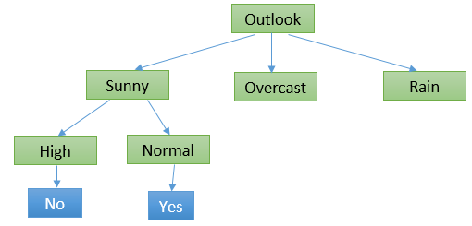
 |  |  |  |  |  |  | p | n | p + n | Information Gain I(p,n) | Entropy | Gain
Day | Outlook | Temperature | Humidity | Wind | Play | Sunny-Temp |  |  |  |  | 0.14285714286 | 0.79742881581
1 | Sunny | Hot | High | Weak | No | Hot | 0 | 2 | 2 | 0
2 | Sunny | Hot | High | Strong | No | Mild | 1 | 1 | 2 | 1
8 | Sunny | Mild | High | Weak | No | Cool | 1 | 0 | 1 | 0
9 | Sunny | Cool | Normal | Weak | Yes | Sunny-Humd |  |  |  |  | 0 | 0.94028595867
11 | Sunny | Mild | Normal | Strong | Yes | High | 0 | 3 | 3 | 0
 |  |  |  |  |  | Normal | 2 | 0 | 2 | 0
 |  |  |  |  |  | Sunny-Wind |  |  |  |  | 0.33963482158 | 0.60065113709
 |  |  |  |  |  | Strong | 1 | 1 | 2 | 1
 |  |  |  |  |  | Weak | 1 | 2 | 3 | 0.91829583405

Day | Outlook | Temperature | Humidity | Wind | Play
3 | Overcast | Hot | High | Weak | Yes
7 | Overcast | Cool | Normal | Strong | Yes
12 | Overcast | Mild | High | Strong | Yes
13 | Overcast | Hot | Normal | Weak | Yes
 |  |  |  |  |  |  | p | n | p + n | Information Gain I(p,n) | Entropy | Gain
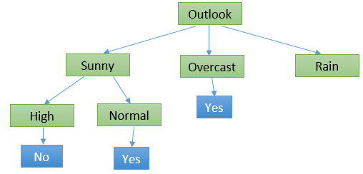
Day | Outlook | Temperature | Humidity | Wind | Play | Rain-Temp |  |  |  |  | 0.33963482158 | 0.60065113709
4 | Rain | Mild | High | Weak | Yes | Mild | 2 | 1 | 3 | 0.91829583405
5 | Rain | Cool | Normal | Weak | Yes | Cool | 1 | 1 | 2 | 1
6 | Rain | Cool | Normal | Strong | No | Rain-Humd. |  |  |  |  | 0.33963482158 | 0.60065113709
10 | Rain | Mild | Normal | Weak | Yes | High | 1 | 1 | 2 | 1
14 | Rain | Mild | High | Strong | No | Normal | 2 | 1 | 3 | 0.91829583405
 |  |  |  |  |  | Rain-Wind |  |  |  |  | 0 | 0.94028595867
 |  |  |  |  |  | Strong | 0 | 2 | 2 | 0
 |  |  |  |  |  | Weak | 3 | 0 | 3 | 0

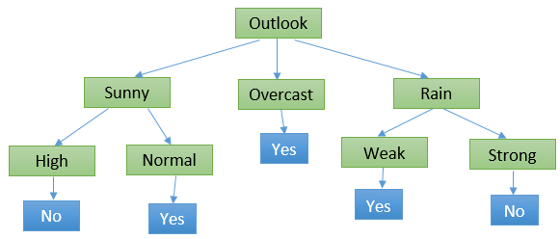
 |  |  |  |  |  | Gini Index
 |  |  |  |  |  | A | 243 |  |  |  |  |  | Algo / Split Criterion | Description | Tree Type
 |  |  |  |  |  | B | 89 |  |  |  |  |  | Gini Split / Gini Index | Favours larger partitions. Very simple to implement. | CART
 |  |  |  |  |  | Total | 332 |  |  |  |  |  | Information Gain / Entropy | Favours partitions that have small counts but many distinct values. | ID3 / C4.5
 |  |  |  |  |  | Gini Index | 0.39241907389
 |  |  |  |  |  | gini = 0.392 |  |  |  |  |  |  | Classification & Regression Trees (CART)
 |  |  |  |  |  |  |  |  |  |  |  |  | · Favours larger partitions.
 |  |  |  |  |  |  |  |  |  |  |  |  | · Uses squared proportion of classes.
Rows | Outlook | Temperature | Humidity | Wind | Play |  |  |  |  |  |  |  | · Perfectly classified, Gini Index would be zero.
1 | Sunny | Mild | Normal | Weak | Yes
2 | Rain | Hot | High | Strong | No

K-NN
No. | Sepal_length | Sepal_width | Species | Euclidean Distance | Rank | Manhattan Distance | Rank | Test Row
1 | 5.1 | 3.5 | setosa | 0.8139 | 8 | 1.0 | 6 | Sepal_length | Sepal_width | Species
2 | 4.9 | 3.0 | setosa | 0.4610 | 1 | 0.6 | 2 | 5.25 | 2.7 | versicolor | K = 5
3 | 4.7 | 3.2 | setosa | 0.7433 | 6 | 1.0 | 7
K-NN Classifier
4 | 4.6 | 3.1 | setosa | 0.7632 | 7 | 1.1 | 8
5 | 5.0 | 3.6 | setosa | 0.9341 | 9 | 1.2 | 9
6 | 5.5 | 2.3 | versicolor | 0.4717 | 4 | 0.7 | 4
7 | 6.5 | 2.8 | versicolor | 1.2540 | 12 | 1.3 | 11
8 | 5.7 | 2.8 | versicolor | 0.4610 | 3 | 0.5 | 1
9 | 6.3 | 3.3 | versicolor | 1.2093 | 11 | 1.6 | 12
10 | 4.9 | 2.4 | versicolor | 0.4610 | 2 | 0.6 | 3
11 | 7.2 | 3.6 | virginica | 2.1477 | 15 | 2.9 | 15
12 | 6.5 | 3.2 | virginica | 1.3463 | 13 | 1.8 | 13
13 | 6.4 | 2.7 | virginica | 1.1500 | 10 | 1.2 | 10
14 | 6.8 | 3.0 | virginica | 1.5788 | 14 | 1.8 | 14
15 | 5.7 | 2.5 | virginica | 0.4924 | 5 | 0.7 | 4

 | KNN => K number of Nearest Neighbours

K-Means Clustering
K-Means Plot-1
 |  |  | Distance |  |  | Distance |  |  | Distance |  |  | k = 2
No. | Var-1 | Var-2 | From C1-1 | From C2-1 | Cluster | From C1-2 | From C2-2 | Cluster | From C1-3 | From C2-3 | Cluster
1 | 1.00 | 1.00 | 0.0000 | 7.2111 | C1 | 1.5723 | 5.3765 | C1 | 0.5590 | 5.0220 | C1
2 | 1.50 | 2.00 | 1.1180 | 6.1033 | C1 | 0.4714 | 4.2757 | C1 | 0.5590 | 3.9205 | C1
3 | 3.00 | 4.00 | 3.6056 | 3.6056 | C1 | 2.0344 | 1.7766 | C2 | 3.0516 | 1.4213 | C2
4 | 5.00 | 7.00 | 7.2111 | 0.0000 | C2 | 5.6396 | 1.8456 | C2 | 6.6568 | 2.1954 | C2
5 | 3.50 | 5.00 | 4.7170 | 2.5000 | C2 | 3.1447 | 0.7289 | C2 | 4.1608 | 0.4123 | C2
6 | 4.50 | 5.00 | 5.3151 | 2.0616 | C2 | 3.7712 | 0.5303 | C2 | 4.7762 | 0.6083 | C2
7 | 3.50 | 4.50 | 4.3012 | 2.9155 | C2 | 2.7335 | 1.0753 | C2 | 3.7500 | 0.7211 | C2
K-Means Plot-3
C1-1 | 1.00 | 1.00
C2-1 | 5.00 | 7.00
C1-2 | 1.83 | 2.33
C2-2 | 4.13 | 5.38
K-Means Plot-2
C1-3 | 1.25 | 1.50
C2-3 | 3.90 | 5.10

New Data Point
Var-1 | Var-2 | From C1 | From C2 | Cluster No.
3 | 3 | 2.3048861143 | 2.2847319318 | Cluster-2

Hierarchical Clustering
Hierarchical Clustering Example
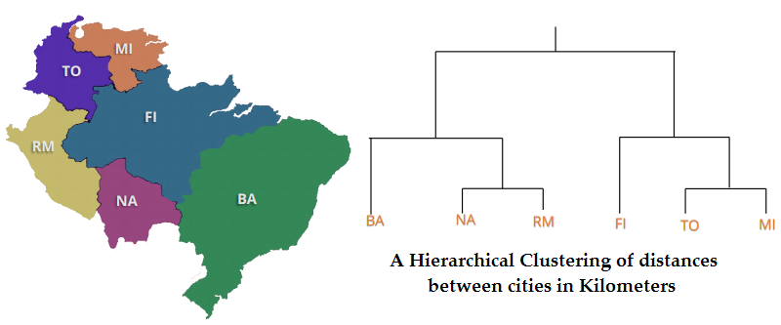
 |  |  |  |  |  |  |  |  |  | Distance | BA | FI | MI | NA | RM | TO
 |  |  |  |  |  |  |  |  |  | BA | 0 | 662 | 877 | 255 | 412 | 996
 |  |  |  |  |  |  |  |  |  | FI | 662 | 0 | 295 | 468 | 268 | 400
 |  |  |  |  |  |  |  |  |  | MI | 877 | 295 | 0 | 754 | 564 | 138
 |  |  |  |  |  |  |  |  |  | NA | 255 | 468 | 754 | 0 | 219 | 869
 |  |  |  |  |  |  |  |  |  | RM | 412 | 268 | 564 | 219 | 0 | 669
 |  |  |  |  |  |  |  |  |  | TO | 996 | 400 | 138 | 869 | 669 | 0

 |  |  |  |  |  |  |  |  |  | Distance | BA | FI | MI/TO | NA | RM
 |  |  |  |  |  |  |  |  |  | BA | 0 | 662 | 877 | 255 | 412
 |  |  |  |  |  |  |  |  |  | FI | 662 | 0 | 295 | 468 | 268
 |  |  |  |  |  |  |  |  |  | MI/TO | 877 | 295 | 0 | 754 | 564
 |  |  |  |  |  |  |  |  |  | NA | 255 | 468 | 754 | 0 | 219
 |  |  |  |  |  |  |  |  |  | RM | 412 | 268 | 564 | 219 | 0

 | Distance | BA | FI | TO/MI | NA/RM | Distance | BA/(NA/RM) | FI | TO/MI |  | Distance | BA/(NA/RM) | FI/(TO/MI)
 | BA | 0 | 662 | 877 | 255 | BA/(NA/RM) | 0 | 268 | 564 |  | BA/(NA/RM) | 0 | 268
 | FI | 662 | 0 | 295 | 268 | FI | 268 | 0 | 295 |  | FI/(TO/MI) | 268 | 0
 | TO/MI | 877 | 295 | 0 | 564 | TO/MI | 564 | 295 | 0
 | NA/RM | 255 | 268 | 564 | 0

 |  | BA: Buenos Aires (Argentina), British Airways (airline), Bachelor of Arts (degree)
 |  | NA: North America (continent), National Archives (organization), North Atlantic (ocean)
 |  | RM: Rome (Italy), Royal Mail (postal service in the UK), Records Management (industry term)
 |  | FI: Finland (country), Financial Institution (industry term), Federated States of Micronesia (country)
 |  | TO: Toronto (Canada), Time Out (magazine), Take Out (food service)
 |  | MI: Michigan (state in the USA), Military Intelligence (industry term), Migraine (health condition)

ROC
 |  |  |  |  |  |  |  |  |  |  |  | Y: [1 0 1 1 0 0 1 0 0 1 0]
 | ROC Calculation Details |  |  |  |  |  |  |  |  |  |  | Y_HAT: [0.95 0.1 0.1 0.99 0.98 0.01 0.02 0.01 0.01 0.97 0.05]
 | BCY | BCYH | 0.99 | 0.98 | 0.95 | 0.1 | 0.05 | 0.02 | 0.01 | 0.97 | 0.99 | FPR: [0. 0. 0.17 0.17 0.33 0.5 0.5 1. ]
1 | 1 | 0.95 | 0 | 0 | 1 | 1 | 1 | 1 | 1 | 0 | 0.98 | TPR: [0. 0.2 0.2 0.6 0.8 0.8 1. 1. ]
2 | 0 | 0.10 | 0 | 0 | 0 | 1 | 1 | 1 | 1 | 0 | 0.97 | thresholds: [ inf 0.99 0.98 0.95 0.1 0.05 0.02 0.01]
ROC Curve
3 | 1 | 0.10 | 0 | 0 | 0 | 1 | 1 | 1 | 1 | 0 | 0.95
4 | 1 | 0.99 | 1 | 1 | 1 | 1 | 1 | 1 | 1 | 1 | 0.1
5 | 0 | 0.98 | 0 | 1 | 1 | 1 | 1 | 1 | 1 | 1 | 0.05
6 | 0 | 0.01 | 0 | 0 | 0 | 0 | 0 | 0 | 1 | 0 | 0.02
7 | 1 | 0.02 | 0 | 0 | 0 | 0 | 0 | 1 | 1 | 0 | 0.01
8 | 0 | 0.01 | 0 | 0 | 0 | 0 | 0 | 0 | 1 | 0
9 | 0 | 0.01 | 0 | 0 | 0 | 0 | 0 | 0 | 1 | 0
10 | 1 | 0.97 | 0 | 0 | 1 | 1 | 1 | 1 | 1 | 1
11 | 0 | 0.05 | 0 | 0 | 0 | 0 | 1 | 1 | 1 | 0
 | X-Axis | FPR | 0.00 | 0.17 | 0.17 | 0.33 | 0.50 | 0.50 | 1.00 | 0.17
 | Y-Axis | TPR | 0.20 | 0.20 | 0.60 | 0.80 | 0.80 | 1.00 | 1.00 | 0.40
 | Diff = TPR - FPR |  | 0.20 | 0.03 | 0.43 | 0.47 | 0.30 | 0.50 | 0.00 | 0.23
 | X-Axis | False Positive Rate (FPR=FP/N=FP/(FP+TN))
 | Y-Axis | True Positive Rate (TPR=TP/P=TP/(TP+FN))

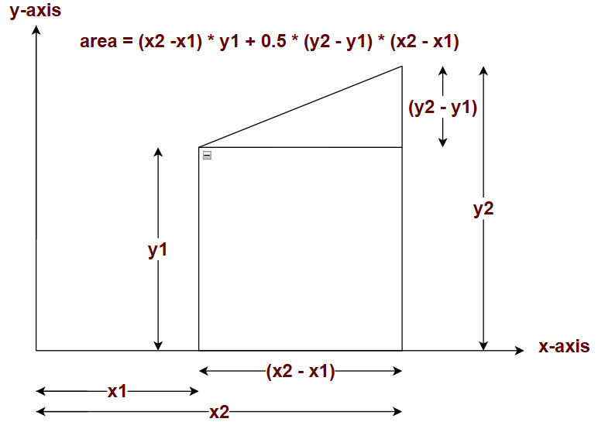
 |  | Program Name - ROC Error Analysis.ipynb
 |  | BCY -> Binary Classification Y
 |  | BCYH-> Binary Classification Y-Hat

 |  | X-LL | X-UL | X-Diff | Y-LL | Y-UL | Y-Diff | Area
 |  | 0.00 | 0.17 | 0.17 | 0.20 | 0.20 | 0.00 | 0.033
 |  | 0.17 | 0.17 | 0.00 | 0.20 | 0.60 | 0.40 | 0.000
 |  | 0.17 | 0.33 | 0.17 | 0.60 | 0.80 | 0.20 | 0.117
 |  | 0.33 | 0.50 | 0.17 | 0.80 | 0.80 | 0.00 | 0.133
 |  | 0.50 | 0.50 | 0.00 | 0.80 | 1.00 | 0.20 | 0.000
 |  | 0.50 | 1.00 | 0.50 | 1.00 | 1.00 | 0.00 | 0.500
 |  | 1.00 |  |  | 1.00 |  |  | 0.783 | (AUC)

