Sheet1
Boundary |  |  | Label | Area | Hydraulic radius / cm | (r_b/r_in)^2 | R1 | R2 | C | note
Wall |  |  | 2 | N/A | N/A |  |  |  |  | Always from the finest mesh
Inflow | Ascending aorta |  | 3 | 7.2689 | 1.52111 | 1
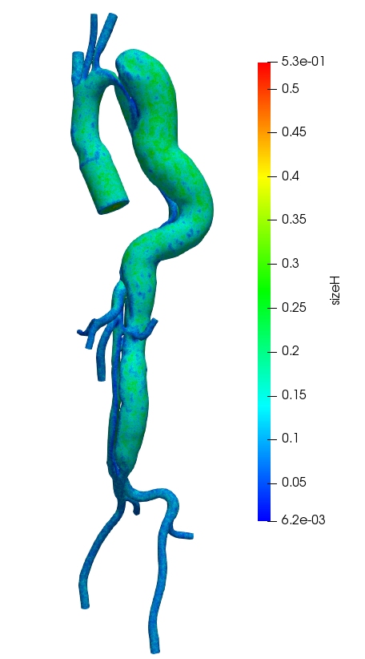
Outflow | Innominate |  | 6 | 0.991784 | 0.561867 | 0.17328154486 | 1.17E+03 | 7.38E+03 | 5.83E-05
 | Left common carotid |  | 9 | 0.341532 | 0.329717 | 0.067815046526 | 2.99E+03 | 1.89E+04 | 2.28E-05
 | Left subclavian |  | 4 | 0.618171 | 0.443588 | 0.11430934467 | 1.77E+03 | 1.12E+04 | 3.85E-05
 | Hepatic artery |  | 10 | 0.149661 | 0.218263 | 0.032809704418 | 6.17E+03 | 3.90E+04 | 1.10E-05
 | Splenic artery |  | 5 | 0.305902 | 0.312044 | 0.061548458196 | 3.29E+03 | 2.08E+04 | 2.07E-05
 | Super mensenteric |  | 8 | 0.473271 | 0.388133 | 0.090365594022 | 2.24E+03 | 1.41E+04 | 3.04E-05
 | Left renal |  | 12 | 0.2776 | 0.297259 | 0.056508649493 | 3.59E+03 | 2.26E+04 | 1.90E-05
 | Right renal |  | 11 | 0.265615 | 0.290771 | 0.054355966803 | 3.72E+03 | 2.35E+04 | 1.83E-05
 | Left common iliac | FL (l) | 7 | 0.573693 | 0.427332 | 0.1070395901 | 1.89E+03 | 1.19E+04 | 3.60E-05
 |  | FL(s) | 15 | 0.301505 | 0.309793 | 0.060769172536 | 3.33E+03 | 2.10E+04 | 2.05E-05
 | Right common iliac | TL(l) | 13 | 0.572887 | 0.427031 | 0.10690692952 | 1.90E+03 | 1.20E+04 | 3.60E-05
 |  | TL(s) | 14 | 0.379488 | 0.347556 | 0.07440479718 | 2.72E+03 | 1.72E+04 | 2.50E-05

 |  |  |  |  | sum | 1.0001147983
 | mu = | 0.035 | dyne/cm^2/s
 | rho = | 1.053 | g/cm^3 |  |  |  | 2.46E+03 | 1.67E+04
 | Uavg = | 45.918914829 | cm/s
 | Re = | 4202.8371271
 | eta = | 0.0058281899418
paste transposed
0.17328154486 | 0.067815046526 | 0.11430934467 | 0.032809704418 | 0.061548458196 | 0.090365594022 | 0.056508649493 | 5.44E-02 | 1.07E-01 | 0.060769172536 | 0.10690692952 | 0.07440479718

