Sheet4
percentage of expenses in categories
1
Row Labels | Sum of Expense (INR)
Doctor and Medicine | 450
Entertainment | 1000
Food | 850
Grocery | 4690
Miscellaneous | 500
Shopping | 3500
Ticket and Bills | 2570
Grand Total | 13560

Expenses spent on different items of categories
2
Row Labels | Sum of Expense (INR)
Entertainment | 1000
Movie | 1000
Ticket and Bills | 2570
Electricity bill | 370
Gas | 850
House help | 1000
Railway monthly ticket | 350
Grand Total | 3570

3 |  | 4
Category | (All) | Row Labels | Sum of Expense (INR)
 |  | Grocery | 4690
Row Labels | Count of Expense (INR) | Vegetables | 1690
Beverages | 1 | Foodgrains and cereals | 1050
Bread and bakery | 3 | Fruit | 650
Chips and Fries | 2 | Oil and spices | 550
Electricity bill | 1 | Bread and bakery | 500
Foodgrains and cereals | 1 | Beverages | 250
Fruit | 4 | Shopping | 3500
Gas | 1 | Tshirt and Jeans | 2500
House help | 1 | Shoes | 1000
Mother's Medicine | 1 | Ticket and Bills | 2570
Movie | 4 | House help | 1000
Oil and spices | 1 | Gas | 850
Online Food Order | 4 | Electricity bill | 370
Railway monthly ticket | 1 | Railway monthly ticket | 350
Shoes | 1 | Entertainment | 1000
Sister's birthday gift | 1 | Movie | 1000
Tshirt and Jeans | 1 | Food | 850
Vegetables | 5 | Online Food Order | 600
Grand Total | 33 | Chips and Fries | 250
 |  | Miscellaneous | 500
 |  | Sister's birthday gift | 500
 |  | Doctor and Medicine | 450
 |  | Mother's Medicine | 450
 |  | Grand Total | 13560

Sheet2
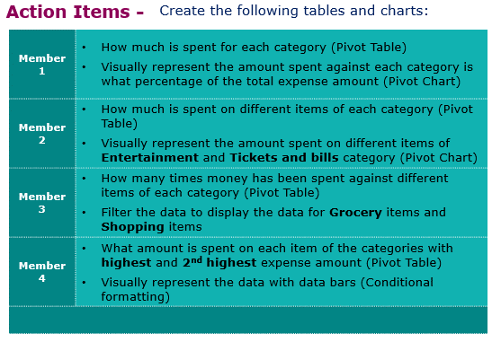
Expense Details for the month of June
Date | Category | Items | Expense (INR)
2021-06-02 | Grocery | Foodgrains and cereals | 1,050
2021-06-02 | Grocery | Oil and spices | 550
2021-06-02 | Entertainment | Movie | 250
2021-06-03 | Food | Online Food Order | 150
2021-06-03 | Doctor and Medicine | Mother's Medicine | 450
2021-06-04 | Ticket and Bills | Railway monthly ticket | 350
2021-06-06 | Grocery | Vegetables | 450
2021-06-06 | Grocery | Fruit | 150
2021-06-08 | Food | Chips and Fries | 100
2021-06-09 | Grocery | Bread and bakery | 100
2021-06-10 | Shopping | Shoes | 1000
2021-06-11 | Grocery | Vegetables | 250
2021-06-12 | Food | Online Food Order | 100
2021-06-12 | Entertainment | Movie | 250
2021-06-13 | Grocery | Beverages | 250
2021-06-13 | Ticket and Bills | House help | 1000
2021-06-14 | Ticket and Bills | Electricity bill | 370
2021-06-15 | Ticket and Bills | Gas | 850
2021-06-15 | Grocery | Fruit | 200
2021-06-16 | Grocery | Vegetables | 470
2021-06-19 | Miscellaneous | Sister's birthday gift | 500
2021-06-19 | Grocery | Bread and bakery | 200
2021-06-20 | Food | Chips and Fries | 150
2021-06-22 | Food | Online Food Order | 150
2021-06-23 | Entertainment | Movie | 250
2021-06-24 | Grocery | Vegetables | 250
2021-06-25 | Shopping | Tshirt and Jeans | 2500
2021-06-26 | Grocery | Fruit | 200
2021-06-26 | Grocery | Bread and bakery | 200
2021-06-27 | Entertainment | Movie | 250
2021-06-28 | Food | Online Food Order | 200
2021-06-29 | Grocery | Fruit | 100
2021-06-29 | Grocery | Vegetables | 270
 |  |  | 13,560

