Sheet1
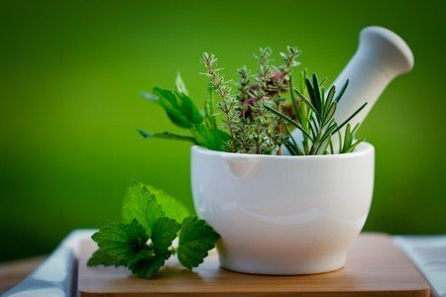
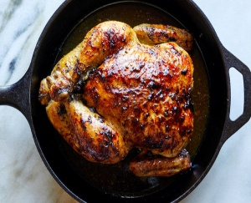

 | herbal
sult csirke | menta
lazac stake | kumprii
rantotthus | eper
kuta | torma
macka | soska
disznyo
luu
hering
teve
antilop

