Params
 | LOOKUP ARRAYS

 | Ruminant names | 8 |  | Climate region | 1 |  | Currency | 8 |  | Soil types | 3 |  | Non Farm labour types | 4 |  | Language | 4
 | NA1 | 1 |  | Telangana | 1 |  | $ | 1 |  | Sandy loam | 1 |  | Factory | 1 |  | Australian | 1
 | NA2 | 2 |  | Madhya Pradesh | 2 |  | Rp | 2 |  | S2 | 2 |  | Road work | 2 |  | Indonesian | 2
 | NA3 | 3 |  | Maharashtra | 3 |  | VND | 3 |  | S3 | 3 |  | Kiosk | 3 |  | French | 3
 | NA4 | 4 |  | Tamil Nadu | 4 |  | Yuan | 4 |  | S4 | 4 |  | Non-farm-act4 | 4 |  | Indian | 4
 | NA5 | 5 |  | Rajasthan | 5 |  | CFA | 5 |  | S5 | 5 |  | Non-farm-act5 | 5 |  |  | 5
 | NA6 | 6 |  |  | 6 |  | £ | 6 |  | S6 | 6 |  |  |  |  |  | 6
 | Buffalo | 7 |  |  | 7 |  | € | 7 |  | S7 | 7 |  |  |  |  |  | 7
 | Cow | 8 |  |  | 8 |  | Inr | 8 |  | S8 | 8 |  |  |  |  |  | 8
 | Goat | 9 |  |  | 9 |  |  | 9 |  | S9 | 9 |  |  |  |  |  | 9
 | Sheep | 10 |  |  | 10 |  |  | 10 |  | S10 | 10
 |  | 11 |  |  | 11 |  |  | 11 |  | S11 | 11
 |  | 12 |  |  | 12 |  |  | 12 |  | S12 | 12
 |  | 13 |  |  | 13 |  |  | 13 |  | S13 | 13
 |  | 14 |  |  | 14 |  |  | 14 |  | S14 | 14
 |  | 15 |  |  | 15 |  |  | 15 |  | S15 | 15
 |  | 16 |  |  | 16 |  |  | 16 |  | S16 | 16
 |  | 17 |  |  | 17 |  |  | 17 |  | S17 | 17
 |  | 18 |  |  | 18 |  |  | 18 |  | S18 | 18
 |  | 19 |  |  | 19 |  |  | 19 |  | S19 | 19
 |  | 20 |  |  | 20 |  |  | 20 |  | S20 | 20

 | PARAMETER NAME

y | ClimRegion | Location | 1
y | Start_year | Calendar year in which start | 1980
y | Start_month | Month of calendar year to start in | 1
y | End_month | Length of run (in years) | 15

 | People & Labour
y | NoPeopleCat | Number categories of people (adults, teens,etc) | 8
y | NoCropLabCat | Number categories of Crop labour | 16
y | NoAnimLabCat | Number categories of Animal labour | 6
y | NoNFarmLabCat | Number categories of Non-farm labour | 5
y | LabHireFixedYN | Labour hire fixed or on demand | FALSE

 | Overheads
y | Farm_maint | General farm maintenance | 200
y | Mach_maint | Vehicle and machinery maintenance | 500
y | Fuel | Fuel costs | 0
y | Pests | Pest control | 0
y | Contractors | Contractors | 0
y | Admin | Administration (postage, phone, accountant, etc) | 0
y | Rates | Rates & Fees (govt charges) | 0
y | Insurance | Insurance | 0
y | Electricity | Electricity | 1000
y | Water | Water (irrigation costs) | 0
y | Other_costs | Other farm costs | 0
y | Int_rate | Interest rate on overdraft (%) | 0
y | Cash_balance | Cash on hand at start | 10000
y | Living_cost | Living cost/month | 5000

 | Manure parameters
y | Manure_Save | Proportion of manure saved for composting | 50
y | Manure_value | Value of composted manure (/kg) | 30
y | Manure_labour | Labour for composting (days/100kg) | 0.05
y | Manure_costs | Input costs for manure composting (/100kg) | 0

y | CostCC | Cut & carry costs/day | 0
y | common_yield | Yield of Common land | 1
y | Egross | Gross energy content of forage | 18.4 |  | WholeFarm in <Grow All Ruminants>

y | NoRumCat | Number of ruminant categories (calves, young cows, etc) | 17
y | Ruminant_type | Selected ruminant | 0 | no longer used
y | Native_harv | Number of harvests in native pasture database | 6

 | Maximums
y | Max_Tree_Crops | Maximum number of tree crops allowed | 10
y | Max_Grain_Crops | Maximum number of grain crops allowed | 30
y | Max_Forage_Crops | Maximum number of forage crops allowed | 30
y | Max_Other_Crops | Maximum number of other crops allowed | 10
y | Max_Land_Cats | Maximum number of land categories allowed | 10
y | Max_Soil_Types | Maximum number of Soil types allowed | 10
y | Max_Rum_Supplements | Maximum number of Ruminant supplements allowed | 30
y | Max_Ruminant_types | Maximum number of Ruminant types (breeds) allowed | 10
y | Max_Fodder_pools | Maximum number of Fodder pools allowed | 10
y | Max_Bought_Fodders | Maximum number of Bought fodders allowed | 10
y | Max_Other_Animals | Maximum number of Other Animals allowed | 10
y | Max_Rum_Trades |  | 10

 | End_of_Single_Parameters |  | 1

 |  |  | Land_Area | Buildings | Bunded | Soil
y | Land specifications |  | Area (ha) | Proportion taken up with bldgs, paths (%) | Proportion bunded (%) | Soil type (1-5) |  | Bund_ha | Ibund_ha
1 | Land1 | 1 | 2 | 0 | 10 | 1 |  | 0.2 | 1.8
2 | Land2 | 2 | 1.5 | 0 | 5 | 1 |  | 0.075 | 1.425
3 | Land3 | 3 | 0 | 0 | 0 | 1
4 | Land4 | 4 | 0 | 0 | 0 | 1
5 | Land5 | 5 | 0 | 0 | 0 | 1
6 | Land6 | 6 | 0 | 0 | 0 | 1
7 | Land7 | 7 | 0 | 0 | 0 | 1
8 | Land8 | 8 | 0 | 0 | 0 | 1
9 | Land9 | 9 | 0 | 0 | 0 | 1
10 | Land10 | 10 | 0 | 0 | 0 | 1

 |  |  | 1 | 2 | 3 | 4 | 5 | 6 | 7 | 8 | 9 | 10 | 11 | 12 | 13 | 14 | 15 | 16 | 19 | 20 | 21 | 22
y | Labour specifications |  | Land preparation |  |  |  |  |  |  | Watering/Irrigation | Tree Management | Harvesting (Tree crops) | Harvesting (Grain crops) | Harvesting (other) | Post_harv | Transporting (crops) | Forage storage | Other | Milking | Herding | Transporting (LS) | Other(LS)
 | Male | Elderly | FALSE | FALSE | TRUE | TRUE | TRUE | FALSE | FALSE | TRUE | FALSE | FALSE | FALSE | FALSE | FALSE | FALSE | FALSE | FALSE | TRUE | TRUE | TRUE | FALSE
 | Female | Elderly | FALSE | FALSE | TRUE | TRUE | FALSE | TRUE | FALSE | FALSE | FALSE | FALSE | FALSE | FALSE | FALSE | FALSE | FALSE | FALSE | FALSE | TRUE | FALSE | FALSE
 | Male | Adult | TRUE | TRUE | TRUE | TRUE | TRUE | FALSE | TRUE | TRUE | TRUE | TRUE | TRUE | TRUE | TRUE | TRUE | TRUE | TRUE | TRUE | TRUE | TRUE | TRUE
 | Female | Adult | FALSE | FALSE | TRUE | TRUE | TRUE | TRUE | FALSE | FALSE | FALSE | TRUE | TRUE | TRUE | TRUE | TRUE | TRUE | TRUE | TRUE | TRUE | TRUE | FALSE
 | Male | Teenager | TRUE | TRUE | TRUE | TRUE | TRUE | FALSE | TRUE | TRUE | TRUE | TRUE | TRUE | TRUE | TRUE | TRUE | TRUE | TRUE | TRUE | TRUE | TRUE | TRUE
 | Female | Teenager | FALSE | FALSE | TRUE | TRUE | TRUE | TRUE | FALSE | TRUE | FALSE | TRUE | TRUE | TRUE | TRUE | FALSE | TRUE | TRUE | FALSE | FALSE | FALSE | FALSE
 | Male | Child | FALSE | FALSE | FALSE | FALSE | FALSE | FALSE | FALSE | FALSE | FALSE | FALSE | FALSE | FALSE | FALSE | FALSE | FALSE | FALSE | FALSE | FALSE | FALSE | FALSE
 | Female | Child | FALSE | FALSE | FALSE | FALSE | FALSE | FALSE | FALSE | FALSE | FALSE | FALSE | FALSE | FALSE | FALSE | FALSE | FALSE | FALSE | FALSE | FALSE | FALSE | FALSE

 |  |  |  |  |  |  |  |  |  |  |  |  |  |  |  |  |  | Hire limits |  |  |  |  |  |  |  |  |  | Pay rates
y | Labour supply/hire |  | No. | Priority | M1 | M2 | M3 | M4 | M5 | M6 | M7 | M8 | M9 | M10 | M11 | M12 | M1 | M2 | M5 | M6 | M7 | M8 | M9 | M10 | M11 | M12 | M1 | M2 | M3 | M4 | M5 | M6 | M7 | M8 | M9 | M10 | M11 | M12
 | Male | Elderly | 1 | 4 | 10 | 10 | 10 | 10 | 10 | 10 | 10 | 10 | 10 | 10 | 10 | 20 | 5 | 5 | 5 | 5 | 5 | 5 | 5 | 5 | 5 | 5 | 200 | 200 | 200 | 200 | 200 | 200 | 200 | 200 | 200 | 200 | 200 | 200
 | Female | Elderly | 1 | 3 | 10 | 10 | 10 | 10 | 10 | 10 | 10 | 10 | 10 | 10 | 10 | 20 | 5 | 5 | 5 | 5 | 5 | 5 | 5 | 5 | 5 | 5 | 130 | 130 | 130 | 130 | 130 | 130 | 130 | 130 | 130 | 130 | 130 | 130
 | Male | Adult | 1 | 8 | 15 | 15 | 15 | 15 | 15 | 20 | 20 | 20 | 20 | 20 | 20 | 28 | 20 | 20 | 20 | 20 | 20 | 20 | 20 | 20 | 20 | 20 | 300 | 300 | 300 | 300 | 300 | 300 | 300 | 300 | 300 | 300 | 300 | 300
 | Female | Adult | 1 | 7 | 12 | 12 | 12 | 12 | 12 | 18 | 18 | 18 | 18 | 18 | 18 | 25 | 20 | 20 | 20 | 20 | 20 | 20 | 20 | 20 | 20 | 20 | 180 | 180 | 180 | 180 | 180 | 180 | 180 | 180 | 180 | 180 | 180 | 180
 | Male | Teenager | 1 | 6 | 15 | 15 | 15 | 15 | 15 | 10 | 10 | 10 | 10 | 10 | 10 | 20 | 10 | 10 | 10 | 10 | 10 | 10 | 10 | 10 | 10 | 10 | 200 | 200 | 200 | 200 | 200 | 200 | 200 | 200 | 200 | 200 | 200 | 200
 | Female | Teenager | 0 | 5 | 15 | 15 | 15 | 15 | 15 | 10 | 15 | 15 | 15 | 15 | 15 | 15 | 10 | 10 | 10 | 10 | 10 | 10 | 10 | 10 | 10 | 10 | 150 | 150 | 150 | 150 | 150 | 150 | 150 | 150 | 150 | 150 | 150 | 150
 | Male | Child | 0 | 2 | 0 | 0 | 0 | 0 | 0 | 0 | 0 | 0 | 0 | 0 | 0 | 0 | 0 | 0 | 0 | 0 | 0 | 0 | 0 | 0 | 0 | 0 | 0 | 0 | 0 | 0 | 0 | 0 | 0 | 0 | 0 | 0 | 0 | 0
 | Female | Child | 1 | 1 | 5 | 5 | 5 | 5 | 5 | 5 | 5 | 5 | 5 | 5 | 5 | 5 | 0 | 0 | 0 | 0 | 0 | 0 | 0 | 0 | 0 | 0 | 0 | 0 | 0 | 0 | 0 | 0 | 0 | 0 | 0 | 0 | 0 | 0

 |  |  |  | Non-Farm labour type-1 |  |  |  |  |  |  |  |  |  |  | Pay |  | Non-Farm labour type-2 |  |  |  |  |  |  |  |  | Pay |  | Non-Farm labour type-3 |  |  |  |  |  |  |  |  |  |  | Pay |  | Non-Farm labour type-4 |  |  |  |  |  |  |  |  |  |  | Pay |  | Non-Farm labour type-5 |  |  |  |  |  |  |  |  |  |  | Pay
y | Labour Non-Farm |  | M1 | M2 | M3 | M4 | M5 | M6 | M7 | M8 | M9 | M10 | M11 | M12 | rate | M1 | M2 | M3 | M6 | M7 | M8 | M9 | M10 | M11 | M12 | rate | M1 | M2 | M3 | M4 | M5 | M6 | M7 | M8 | M9 | M10 | M11 | M12 | rate | M1 | M2 | M3 | M4 | M5 | M6 | M7 | M8 | M9 | M10 | M11 | M12 | rate | M1 | M2 | M3 | M4 | M5 | M6 | M7 | M8 | M9 | M10 | M11 | M12 | rate
 | Male | Elderly | 0 | 0 | 0 | 0 | 0 | 0 | 0 | 0 | 0 | 0 | 0 | 0 | 0 | 0 | 0 | 0 | 0 | 0 | 0 | 0 | 0 | 0 | 0 | 0 | 0 | 0 | 0 | 0 | 0 | 0 | 0 | 0 | 0 | 0 | 0 | 0 | 0 | 10 | 10 | 10 | 10 | 10 | 10 | 10 | 10 | 10 | 10 | 10 | 10 | 120 | 0 | 0 | 0 | 0 | 0 | 0 | 0 | 0 | 0 | 0 | 0 | 0 | 0
 | Female | Elderly | 0 | 0 | 0 | 0 | 0 | 0 | 0 | 0 | 0 | 0 | 0 | 0 | 0 | 0 | 0 | 0 | 0 | 0 | 0 | 0 | 0 | 0 | 0 | 0 | 0 | 0 | 0 | 0 | 0 | 0 | 0 | 0 | 0 | 0 | 0 | 0 | 0 | 5 | 5 | 5 | 5 | 5 | 5 | 5 | 5 | 5 | 5 | 5 | 5 | 100 | 0 | 0 | 0 | 0 | 0 | 0 | 0 | 0 | 0 | 0 | 0 | 0 | 0
 | Male | Adult | 0 | 0 | 0 | 0 | 0 | 0 | 0 | 0 | 0 | 0 | 0 | 0 | 0 | 0 | 0 | 0 | 0 | 0 | 0 | 0 | 0 | 0 | 0 | 0 | 0 | 0 | 0 | 0 | 0 | 0 | 0 | 0 | 0 | 0 | 0 | 0 | 0 | 10 | 10 | 10 | 10 | 10 |  |  |  |  |  |  |  | 300 | 0 | 0 | 0 | 0 | 0 | 0 | 0 | 0 | 0 | 0 | 0 | 0 | 0
 | Female | Adult | 0 | 0 | 0 | 0 | 0 | 0 | 0 | 0 | 0 | 0 | 0 | 0 | 0 | 0 | 0 | 0 | 0 | 0 | 0 | 0 | 0 | 0 | 0 | 0 | 0 | 0 | 0 | 0 | 0 | 0 | 0 | 0 | 0 | 0 | 0 | 0 | 0 | 10 | 10 | 10 | 10 | 10 |  |  |  |  |  |  |  | 150 | 0 | 0 | 0 | 0 | 0 | 0 | 0 | 0 | 0 | 0 | 0 | 0 | 0
 | Male | Teenager | 0 | 0 | 0 | 0 | 0 | 0 | 0 | 0 | 0 | 0 | 0 | 0 | 0 | 0 | 0 | 0 | 0 | 0 | 0 | 0 | 0 | 0 | 0 | 0 | 0 | 0 | 0 | 0 | 0 | 0 | 0 | 0 | 0 | 0 | 0 | 0 | 0 | 0 | 0 | 0 | 0 | 0 | 0 | 0 | 0 | 0 | 0 | 0 | 0 | 0 | 0 | 0 | 0 | 0 | 0 | 0 | 0 | 0 | 0 | 0 | 0 | 0 | 0
 | Female | Teenager | 0 | 0 | 0 | 0 | 0 | 0 | 0 | 0 | 0 | 0 | 0 | 0 | 0 | 0 | 0 | 0 | 0 | 0 | 0 | 0 | 0 | 0 | 0 | 0 | 0 | 0 | 0 | 0 | 0 | 0 | 0 | 0 | 0 | 0 | 0 | 0 | 0 | 0 | 0 | 0 | 0 | 0 | 0 | 0 | 0 | 0 | 0 | 0 | 0 | 0 | 0 | 0 | 0 | 0 | 0 | 0 | 0 | 0 | 0 | 0 | 0 | 0 | 0
 | Male | Child | 0 | 0 | 0 | 0 | 0 | 0 | 0 | 0 | 0 | 0 | 0 | 0 | 0 | 0 | 0 | 0 | 0 | 0 | 0 | 0 | 0 | 0 | 0 | 0 | 0 | 0 | 0 | 0 | 0 | 0 | 0 | 0 | 0 | 0 | 0 | 0 | 0 | 0 | 0 | 0 | 0 | 0 | 0 | 0 | 0 | 0 | 0 | 0 | 0 | 0 | 0 | 0 | 0 | 0 | 0 | 0 | 0 | 0 | 0 | 0 | 0 | 0 | 0
 | Female | Child | 0 | 0 | 0 | 0 | 0 | 0 | 0 | 0 | 0 | 0 | 0 | 0 | 0 | 0 | 0 | 0 | 0 | 0 | 0 | 0 | 0 | 0 | 0 | 0 | 0 | 0 | 0 | 0 | 0 | 0 | 0 | 0 | 0 | 0 | 0 | 0 | 0 | 0 | 0 | 0 | 0 | 0 | 0 | 0 | 0 | 0 | 0 | 0 | 0 | 0 | 0 | 0 | 0 | 0 | 0 | 0 | 0 | 0 | 0 | 0 | 0 | 0 | 0

y | Tree Crops Grown |  | Tcrop1 | Tcrop2 | Tcrop3 | Tcrop4 | Tcrop5 | Tcrop6 | Tcrop7 | Tcrop8 | Tcrop9 | Tcrop10
 | Crop number | Tree Crop number | 5 | 0 | 0 | 0 | 0 | 0 | 0 | 0 | 0 | 0
 | Land | Which Land | 1 | 1 | 1 | 1 | 1 | 1 | 1 | 1 | 1 | 1
 | Number of trees | Number of trees | 20 | 0 | 0 | 0 | 0 | 0 | 0 | 0 | 0 | 0
 | Bund or interbund | Bund or interbund | B | B | B | B | B | B | B | B | B | B
 | Area per tree | Area per tree (sq.m) | 30 | 0 | 0 | 0 | 0 | 0 | 0 | 0 | 0 | 0
 | %sold | Percentage crop residue sold | 0 | 0 | 0 | 0 | 0 | 0 | 0 | 0 | 0 | 0
 |  |  |  | 1.8
 |  |  | Cotton | Sorghum | Maize | ( all in Forage Pool 1)
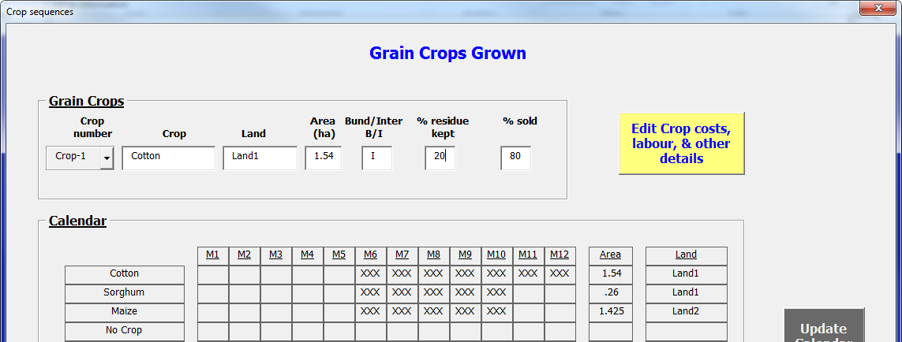
y | Grain Crops Grown |  | Gcrop1 | Gcrop2 | Gcrop3 | Gcrop4 | Gcrop5 | Gcrop6 | Gcrop7 | Gcrop8 | Gcrop9 | Gcrop10 | Gcrop11 | Gcrop12 | Gcrop13 | Gcrop14 | Gcrop15 | Gcrop16 | Gcrop19 | Gcrop20 | Gcrop21 | Gcrop22 | Gcrop23 | Gcrop24 | Gcrop25 | Gcrop26 | Gcrop27 | Gcrop28 | Gcrop29 | Gcrop30
 | Crop number | Grain Crop number | 1 | 6 | 3 | 0 | 0 | 0 | 0 | 0 | 0 | 0 | 0 | 0 | 0 | 0 | 0 | 0 | 0 | 0 | 0 | 0 | 0 | 0 | 0 | 0 | 0 | 0 | 0 | 0
 | Land | Which Land | 1 | 1 | 2 | 1 | 1 | 1 | 1 | 1 | 1 | 1 | 1 | 1 | 1 | 1 | 1 | 1 | 1 | 1 | 1 | 1 | 1 | 1 | 1 | 1 | 1 | 1 | 1 | 1
 | Area | Area (ha) | 1.54 | 0.26 | 1.425 | 0 | 0 | 0 | 0 | 0 | 0 | 0 | 0 | 0 | 0 | 0 | 0 | 0 | 0 | 0 | 0 | 0 | 0 | 0 | 0 | 0 | 0 | 0 | 0 | 0
 | Bund or interbund | Bund or interbund | I | I | I | I | I | I | I | I | I | I | I | I | I | I | I | I | I | I | I | I | I | I | I | I | I | I | I | I
 | Residue retention | Percent retention | 20 | 100 | 100 | 100 | 0 | 0 | 0 | 0 | 0 | 0 | 0 | 0 | 0 | 0 | 0 | 0 | 0 | 0 | 0 | 0 | 0 | 0 | 0 | 0 | 0 | 0 | 0 | 0
 | %sold | Percentage crop residue sold | 80 |  | 0 | 0 | 0 | 0 | 0 | 0 | 0 | 0 | 0 | 0 | 0 | 0 | 0 | 0 | 0 | 0 | 0 | 0 | 0 | 0 | 0 | 0 | 0 | 0 | 0 | 0
 |  | 1980 Mth 10 = |  | 1381 | 7600 | 8981
 |  |  |  |  | 364.8
y | Forage Crops Grown |  | Fcrop1 | Fcrop2 | Fcrop3 | Fcrop4 | Fcrop5 | Fcrop6 | Fcrop7 | Fcrop8 | Fcrop9 | Fcrop10 | Fcrop11 | Fcrop12 | Fcrop13 | Fcrop14 | Fcrop15 | Fcrop16 | Fcrop19 | Fcrop20 | Fcrop21 | Fcrop22 | Fcrop23 | Fcrop24 | Fcrop25 | Fcrop26 | Fcrop27 | Fcrop28 | Fcrop29 | Fcrop30
 | Crop number | Forage Crop number | 0 | 0 | 0 | 0 | 0 | 0 | 0 | 0 | 0 | 0 | 0 | 0 | 0 | 0 | 0 | 0 | 0 | 0 | 0 | 0 | 0 | 0 | 0 | 0 | 0 | 0 | 0 | 0
 | Land | Which Land | 1 | 1 | 1 | 1 | 1 | 1 | 1 | 1 | 1 | 1 | 1 | 1 | 1 | 1 | 1 | 1 | 1 | 1 | 1 | 1 | 1 | 1 | 1 | 1 | 1 | 1 | 1 | 1
 | Area | Area (ha) | 0 | 0 | 0 | 0 | 0 | 0 | 0 | 0 | 0 | 0 | 0 | 0 | 0 | 0 | 0 | 0 | 0 | 0 | 0 | 0 | 0 | 0 | 0 | 0 | 0 | 0 | 0 | 0
 | Bund or interbund | Bund or interbund | I | I | I | I | I | I | I | I | I | I | I | I | I | I | I | I | I | I | I | I | I | I | I | I | I | I | I | I
 | %Utilisation | Percentage of forage utilised | 0 | 0 | 0 | 0 | 0 | 0 | 0 | 0 | 0 | 0 | 0 | 0 | 0 | 0 | 0 | 0 | 0 | 0 | 0 | 0 | 0 | 0 | 0 | 0 | 0 | 0 | 0 | 0
 | %sold | Percentage of forage sold | 0 | 0 | 0 | 0 | 0 | 0 | 0 | 0 | 0 | 0 | 0 | 0 | 0 | 0 | 0 | 0 | 0 | 0 | 0 | 0 | 0 | 0 | 0 | 0 | 0 | 0 | 0 | 0

y | Other Crops Grown |  | Ocrop1 | Ocrop2 | Ocrop3 | Ocrop4 | Ocrop5 | Ocrop6 | Ocrop7 | Ocrop8 | Ocrop9 | Ocrop10
 | Crop number | Other Crop number | 0 | 0 | 0 | 0 | 0 | 0 | 0 | 0 | 0 | 0
 | Land | Which Land | 1 | 1 | 1 | 1 | 1 | 1 | 1 | 1 | 1 | 1
 | Area | Area (ha) | 0 | 0 | 0 | 0 | 0 | 0 | 0 | 0 | 0 | 0
 | Bund or interbund | Bund or interbund | I | I | I | I | I | I | I | I | I | I
 | Residue retention | Not applicable | 0 | 0 | 0 | 0 | 0 | 0 | 0 | 0 | 0 | 0
 | %sold | Not applicable | 0 | 0 | 0 | 0 | 0 | 0 | 0 | 0 | 0 | 0

 | 1 | 2 | 3 | 4 | 5 | 6 | 7 | 8 | 9 | 10 | 11 | 12 | 13 | 14 | 15 | 16 | 17 | 18 | 21 | 22 | 23 | 24 | 25 | 26 | 27 | 28 | 29 | 30 | 31 | 32 | 33 | 34 | 35 | 36 | 37 | 38 | 39 | 40 | 41 | 42 | 43 | 44 | 45 | 46 | 47 | 48 | 49 | 50 | 51 | 52 | 53 | 54 | 55 | 56 | 57 | 58 | 59 | 60 | 61 | 62 | 63 | 64 | 65 | 66 | 67 | 68 | 69 | 70 | 71 | 72 | 73
y
Crop | Tree Crop Specifications | 1 | Bund/ | Home consumption | Month | Month |  | Main Product |  |  |  |  |  | By-Product 1 |  |  |  |  |  |  |  |  |  |  |  |  | Input Requirements (units/tree) and cost per unit |  |  |  |  |  |  |  |  |  |  |  |  |  |  |  |  |  | Labour (man days/ha) |  |  |  |  |  |  |  |  |  |  | Other costs (total for crop) |  |  | Animal |  |  |  |  |  | Forage
No | Plantation | Crop No. | interbund | Desired storage | Sown | Harvested | blank | Yield | Price | Cuts/year | Kept | Instore | Yield | Price | Harvest | Kept | Instore | Yield | Kept | Instore | Seed/Plants | SP Cost | Chemical | C_cost | Irrig | I_Cost | Manure | M_Cost | Fertiliser1 | F1_Cost | Fertiliser2 | F2_Cost | Fertiliser3 | F3_Cost | Other1 | O1_cost | Other2 | O2_cost | Land preparation | Cultivating | Planting | Fertilising | Manuring | Weeding | Spraying | Watering/Irrigation | Tree Management | Harvesting (Tree crops) | Harvesting (Grain crops) | Harvesting (other) | Post_Harvest | Transport | Residue storage | Other | Bags&Labels | Storage | Other1 | Other2 | draught | Leaf | Harvest | N% | Priority | Fruit | Harvest | N% | Priority | Other | Harvest | N% | Priority
5 | Sapota | 5 | B | 0 | 1 | 12 |  | 20.0 | 35 | 0 | 10 | 0 | 6 | 4 | 5 | 0 | 0 | 0 | 0 | 0 | 0 | 0 | 2 | 10 | 0 | 0 | 1 | 10 | 1 | 10 | 0 | 0 | 0 | 0 | 0 | 0 | 0 | 0 | 0 | 0 | 0 | 0 | 0.1 | 0.5 | 0.5 | 1 | 1 | 2 | 0 | 0 | 1 | 0.1 | 0 | 0 | 10 | 0 | 0 | 0 | 0 | 0 | 0 | 0 | 0 | 0 | 0 | 0 | 0 | 0 | 0 | 0 | 0

y
Crop | Grain Crop Specifications | 2 | Bund/ | Home consumption | Month | Month |  | Main Product |  |  |  |  |  | By-Product 1 |  |  |  |  |  |  |  |  |  |  |  |  | Input Requirements (units/ha) and cost per unit |  |  |  |  |  |  |  |  |  |  |  |  |  |  |  |  |  | Labour (man days/ha) |  |  |  |  |  |  |  |  |  |  | Other costs (total for crop) |  |  | Animal | Main product price |  |  |  |  |  |  |  |  |  |  |  | Main product proportion sold
No | Grain Crop | Crop No. | interbund | Desired storage | Sown | Harvested | blank | Yield | Price | Cuts/year | Kept | Instore | Yield | Price | Harvest | Kept | Instore | Yield | Kept | Instore | Seed/Plants | SP Cost | Chemical | C_cost | Irrig | I_Cost | Manure | M_Cost | Fertiliser1 | F1_Cost | Fertiliser2 | F2_Cost | Fertiliser3 | F3_Cost | Other1 | O1_cost | Other2 | O2_cost | Land preparation | Cultivating | Planting | Fertilising | Manuring | Weeding | Spraying | Watering/Irrigation | Tree Management | Harvesting (Tree crops) | Harvesting (Grain crops) | Harvesting (other) | Post_Harvest | Transport | Residue storage | Other | Bags&Labels | Storage | Other1 | Other2 | draught | Harvest | Harv+1 | Harv+2 | Harv+3 | Harv+4 | Harv+5 | Harv+6 | Harv+7 | Harv+8 | Harv+9 | Harv+10 | Harv+11 | Harvest | Harv+1 | Harv+2 | Harv+3 | Harv+4 | Harv+5 | Harv+6 | Harv+7 | Harv+8 | Harv+9 | Harv+10 | Harv+11
0 | No Crop | 0 |  | 0 | 0 | 0 |  | 0.0 | 0 | 1 | 0 | 0 | 0.0 | 0 | 0 | 0 | 0 | 0.0 | 0 | 0 | 0 | 0 | 0 | 0 | 0 | 0 | 0 | 0 | 0 | 0 | 0 | 0 | 0 | 0 | 0 | 0 | 0 | 0 | 0 | 0 | 0 | 0 | 0 | 0 | 0 | 0 | 0 | 0 | 0 | 0 | 0 | 0 | 0 | 0 | 0 | 0 | 0 | 0 | 0 | 0 | 0 | 0 | 0 | 0 | 0 | 0 | 0 | 0 | 0 | 0 | 0 | 0 | 0 | 0 | 0 | 0 | 0 | 0 | 0 | 0 | 0 | 0 | 0
1 | Cotton | 1 | I | 0 | 6 | 12 | 0 |  | 45 | 1 | 0 | 0 |  | 2 | 0 | 300 | 50 |  | 0 | 0 | 3.65 | 2065 | 2.5 | 3720 | 0 | 0 | 8 | 75 | 100 | 23 | 200 | 7 | 125 | 12 | 7 | 300 | 6 | 750 | 1 | 0 | 5 | 1 | 3 | 18 | 2 | 0 | 0 | 0 | 25 | 0 | 0 | 1 | 1 | 0 | 300 | 0 | 0 | 0 | 0 | 45 | 47 | 47 | 46 | 46 | 46 | 46 | 46 | 46 | 46 | 46 | 46 | 70 | 30 | 0 | 0 | 0 | 0 | 0 | 0 | 0 | 0 | 0 | 0
3 | Maize | 3 | I | 1 | 6 | 10 | 1.2 |  | 14 | 1 | 10 | 10 |  | 1.2 | 0 | 0 | 0 |  | 0 | 0 | 18 | 230 | 0 | 0 | 0 | 0 | 0 | 0 | 138 | 22 | 278 | 7 | 0 | 0 | 3 | 1000 | 1 | 1500 | 1.5 | 0 | 5 | 1.5 |  | 4.5 | 0.5 | 0 | 0 | 0 | 11.5 | 0 | 1 | 1 | 1 | 0 | 500 | 0 | 0 | 0 | 0 | 14 | 15 | 15 | 14 | 14 | 15 | 14 | 14 | 14 | 14 | 14 | 14 | 80 | 20 | 0 | 0 | 0 | 0 | 0 | 0 | 0 | 0 | 0 | 0
6 | Sorghum | 6 | I | 1 | 6 | 10 | 1.8 |  | 15.4 | 1 | 5 | 10 |  | 0 | 0 | 0 | 0 |  | 0 | 0 | 2.47 | 400 | 1.5 | 800 | 0 | 0 | 0 | 0 | 100 | 23 | 100 | 7 | 50 | 12 | 3 | 1000 | 2 | 700 | 0 | 0 | 3 | 1 | 0 | 6 | 2 | 0 | 0 | 0 | 0 | 0 | 0 | 0 | 0 | 0 | 300 | 0 |  | 0 | 0 | 15.7 | 15.7 | 15.7 | 15.7 | 15.7 | 15.7 | 15.7 | 15.7 | 15.7 | 15.7 | 15.7 | 15.7 | 70 | 30 | 0 | 0 | 0 | 0 | 0 | 0 | 0 | 0 | 0 | 0
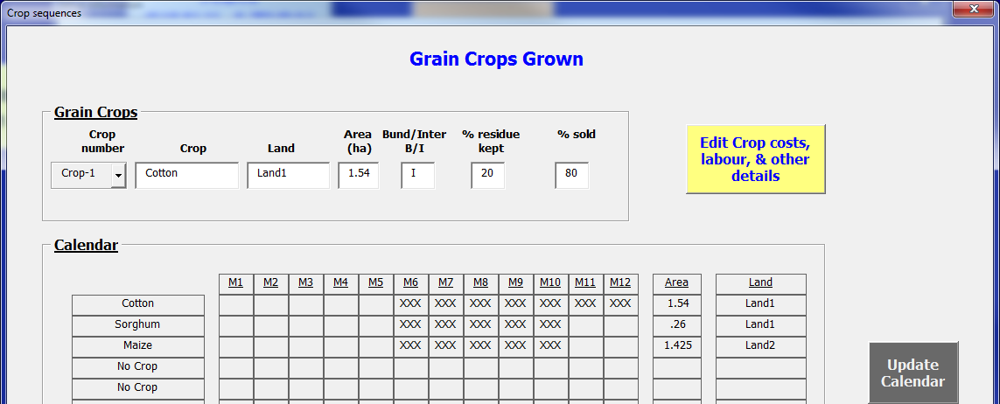
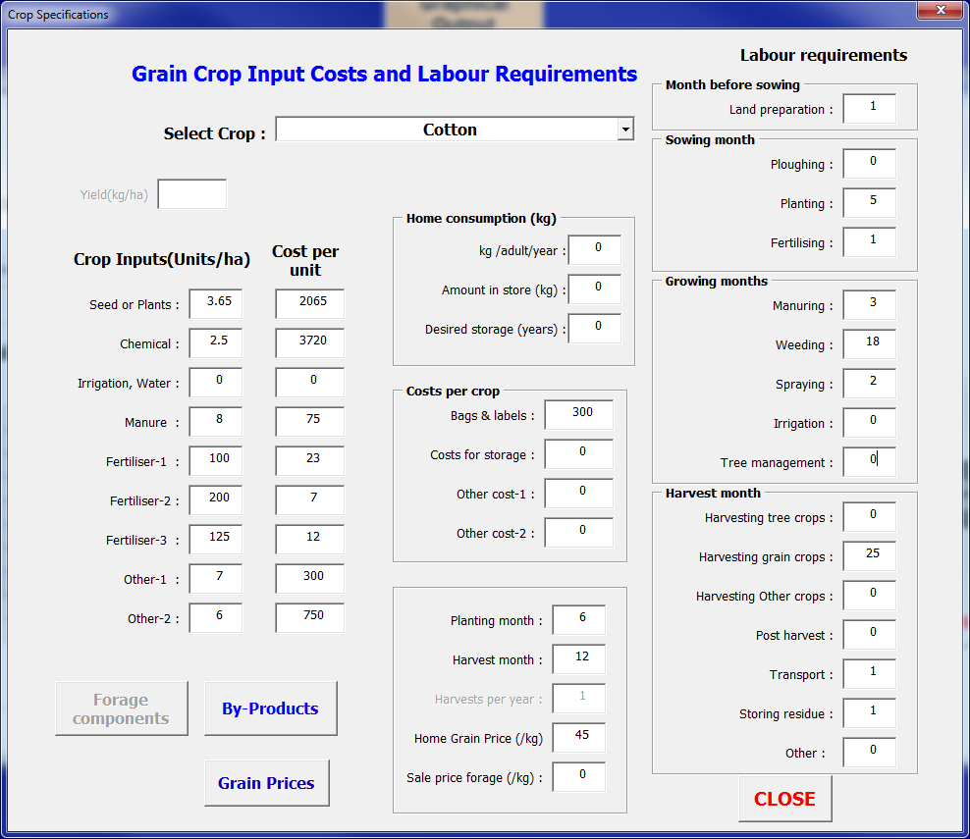
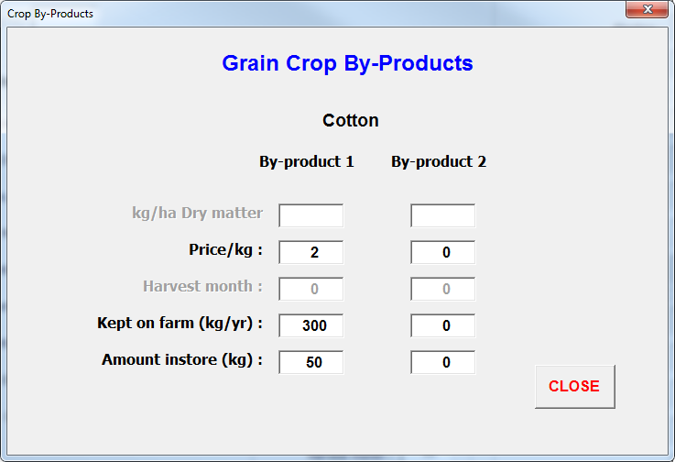
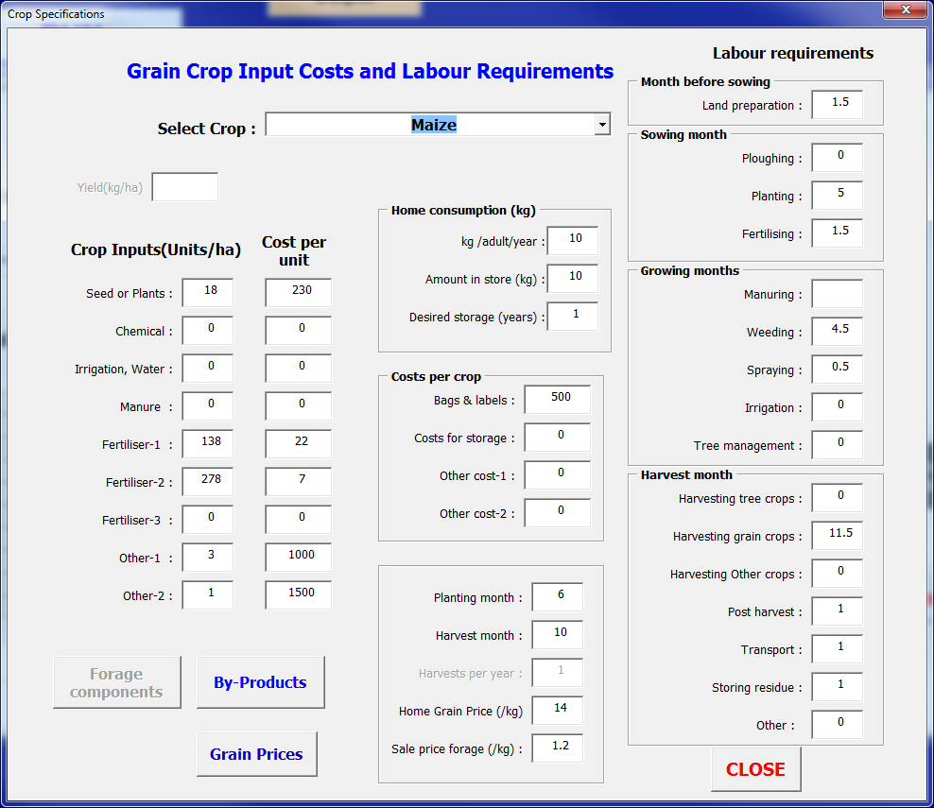

8 | Black Gram | 8 | I | 0 | 0 | 0 | 0 |  | 0 | 1 | 0 | 0 |  | 0 | 0 | 0 | 0 |  | 0 | 0 |  |  |  | 0 | 0 | 0 | 0 | 0 | 0 | 0 | 0 | 0 | 0 | 0 | 0 | 0 | 0 | 0 | 0 | 0 | 0 | 0 | 0 | 0 | 0 | 0 | 0 | 0 | 0 | 0 | 0 | 0 | 0 | 0 | 0 | 0 | 0 | 0 | 0 | 0 | 0 | 0 | 0 | 0 | 0 | 0 | 0 | 0 | 0 | 0 | 0 | 0 | 0 | 0 | 0 | 0 | 0 | 0 | 0 | 0 | 0 | 0 | 0
9 | Soybean | 9 | I | 0 | 0 | 0 | 0 |  | 0 | 1 | 0 | 0 |  | 0 | 0 | 0 | 0 |  | 0 | 0 |  |  |  | 0 | 0 | 0 | 0 | 0 | 0 | 0 | 0 | 0 | 0 | 0 | 0 | 0 | 0 | 0 | 0 | 0 | 0 | 0 | 0 | 0 | 0 | 0 | 0 | 0 | 0 | 0 | 0 | 0 | 0 | 0 | 0 | 0 | 0 | 0 | 0 | 0 | 0 | 0 | 0 | 0 | 0 | 0 | 0 | 0 | 0 | 0 | 0 | 0 | 0 | 0 | 0 | 0 | 0 | 0 | 0 | 0 | 0 | 0 | 0
10 | Groundnut | 10 | I | 0 | 0 | 0 | 0 |  | 0 | 1 | 0 | 0 |  | 0 | 0 | 0 | 0 |  | 0 | 0 |  |  |  | 0 | 0 | 0 | 0 | 0 | 0 | 0 | 0 | 0 | 0 | 0 | 0 | 0 | 0 | 0 | 0 | 0 | 0 | 0 | 0 | 0 | 0 | 0 | 0 | 0 | 0 | 0 | 0 | 0 | 0 | 0 | 0 | 0 | 0 | 0 | 0 | 0 | 0 | 0 | 0 | 0 | 0 | 0 | 0 | 0 | 0 | 0 | 0 | 0 | 0 | 0 | 0 | 0 | 0 | 0 | 0 | 0 | 0 | 0 | 0
11 | Crop11 | 11 | I | 0 | 0 | 0 | 0 |  | 0 | 1 | 0 | 0 |  | 0 | 0 | 0 | 0 |  | 0 | 0 |  |  |  | 0 | 0 | 0 | 0 | 0 | 0 | 0 | 0 | 0 | 0 | 0 | 0 | 0 | 0 | 0 | 0 | 0 | 0 | 0 | 0 | 0 | 0 | 0 | 0 | 0 | 0 | 0 | 0 | 0 | 0 | 0 | 0 | 0 | 0 | 0 | 0 | 0 | 0 | 0 | 0 | 0 | 0 | 0 | 0 | 0 | 0 | 0 | 0 | 0 | 0 | 0 | 0 | 0 | 0 | 0 | 0 | 0 | 0 | 0 | 0
12 | Crop12 | 12 | I | 0 | 0 | 0 | 0 |  | 0 | 1 | 0 | 0 |  | 0 | 0 | 0 | 0 |  | 0 | 0 |  |  |  | 0 | 0 | 0 | 0 | 0 | 0 | 0 | 0 | 0 | 0 | 0 | 0 | 0 | 0 | 0 | 0 | 0 | 0 | 0 | 0 | 0 | 0 | 0 | 0 | 0 | 0 | 0 | 0 | 0 | 0 | 0 | 0 | 0 | 0 | 0 | 0 | 0 | 0 | 0 | 0 | 0 | 0 | 0 | 0 | 0 | 0 | 0 | 0 | 0 | 0 | 0 | 0 | 0 | 0 | 0 | 0 | 0 | 0 | 0 | 0
13 | Crop13 | 13 | I | 0 | 0 | 0 | 0 |  | 0 | 1 | 0 | 0 |  | 0 | 0 | 0 | 0 |  | 0 | 0 |  |  |  | 0 | 0 | 0 | 0 | 0 | 0 | 0 | 0 | 0 | 0 | 0 | 0 | 0 | 0 | 0 | 0 | 0 | 0 | 0 | 0 | 0 | 0 | 0 | 0 | 0 | 0 | 0 | 0 | 0 | 0 | 0 | 0 | 0 | 0 | 0 | 0 | 0 | 0 | 0 | 0 | 0 | 0 | 0 | 0 | 0 | 0 | 0 | 0 | 0 | 0 | 0 | 0 | 0 | 0 | 0 | 0 | 0 | 0 | 0 | 0
14 | Crop14 | 14 | I | 0 | 0 | 0 | 0 |  | 0 | 1 | 0 | 0 |  | 0 | 0 | 0 | 0 |  | 0 | 0 |  |  |  | 0 | 0 | 0 | 0 | 0 | 0 | 0 | 0 | 0 | 0 | 0 | 0 | 0 | 0 | 0 | 0 | 0 | 0 | 0 | 0 | 0 | 0 | 0 | 0 | 0 | 0 | 0 | 0 | 0 | 0 | 0 | 0 | 0 | 0 | 0 | 0 | 0 | 0 | 0 | 0 | 0 | 0 | 0 | 0 | 0 | 0 | 0 | 0 | 0 | 0 | 0 | 0 | 0 | 0 | 0 | 0 | 0 | 0 | 0 | 0
15 | Crop15 | 15 | I | 0 | 0 | 0 | 0 |  | 0 | 1 | 0 | 0 |  | 0 | 0 | 0 | 0 |  | 0 | 0 |  |  |  | 0 | 0 | 0 | 0 | 0 | 0 | 0 | 0 | 0 | 0 | 0 | 0 | 0 | 0 | 0 | 0 | 0 | 0 | 0 | 0 | 0 | 0 | 0 | 0 | 0 | 0 | 0 | 0 | 0 | 0 | 0 | 0 | 0 | 0 | 0 | 0 | 0 | 0 | 0 | 0 | 0 | 0 | 0 | 0 | 0 | 0 | 0 | 0 | 0 | 0 | 0 | 0 | 0 | 0 | 0 | 0 | 0 | 0 | 0 | 0
16 | Crop16 | 16 | I | 0 | 0 | 0 | 0 |  | 0 | 1 | 0 | 0 |  | 0 | 0 | 0 | 0 |  | 0 | 0 |  |  |  | 0 | 0 | 0 | 0 | 0 | 0 | 0 | 0 | 0 | 0 | 0 | 0 | 0 | 0 | 0 | 0 | 0 | 0 | 0 | 0 | 0 | 0 | 0 | 0 | 0 | 0 | 0 | 0 | 0 | 0 | 0 | 0 | 0 | 0 | 0 | 0 | 0 | 0 | 0 | 0 | 0 | 0 | 0 | 0 | 0 | 0 | 0 | 0 | 0 | 0 | 0 | 0 | 0 | 0 | 0 | 0 | 0 | 0 | 0 | 0
17 | Crop17 | 17 | I | 0 | 0 | 0 | 0 |  | 0 | 1 | 0 | 0 |  | 0 | 0 | 0 | 0 |  | 0 | 0 |  |  |  | 0 | 0 | 0 | 0 | 0 | 0 | 0 | 0 | 0 | 0 | 0 | 0 | 0 | 0 | 0 | 0 | 0 | 0 | 0 | 0 | 0 | 0 | 0 | 0 | 0 | 0 | 0 | 0 | 0 | 0 | 0 | 0 | 0 | 0 | 0 | 0 | 0 | 0 | 0 | 0 | 0 | 0 | 0 | 0 | 0 | 0 | 0 | 0 | 0 | 0 | 0 | 0 | 0 | 0 | 0 | 0 | 0 | 0 | 0 | 0
18 | Crop18 | 18 | I | 0 | 0 | 0 | 0 |  | 0 | 1 | 0 | 0 |  | 0 | 0 | 0 | 0 |  | 0 | 0 |  |  |  | 0 | 0 | 0 | 0 | 0 | 0 | 0 | 0 | 0 | 0 | 0 | 0 | 0 | 0 | 0 | 0 | 0 | 0 | 0 | 0 | 0 | 0 | 0 | 0 | 0 | 0 | 0 | 0 | 0 | 0 | 0 | 0 | 0 | 0 | 0 | 0 | 0 | 0 | 0 | 0 | 0 | 0 | 0 | 0 | 0 | 0 | 0 | 0 | 0 | 0 | 0 | 0 | 0 | 0 | 0 | 0 | 0 | 0 | 0 | 0
19 | Crop19 | 19 | I | 0 | 0 | 0 | 0 |  | 0 | 1 | 0 | 0 |  | 0 | 0 | 0 | 0 |  | 0 | 0 |  |  |  | 0 | 0 | 0 | 0 | 0 | 0 | 0 | 0 | 0 | 0 | 0 | 0 | 0 | 0 | 0 | 0 | 0 | 0 | 0 | 0 | 0 | 0 | 0 | 0 | 0 | 0 | 0 | 0 | 0 | 0 | 0 | 0 | 0 | 0 | 0 | 0 | 0 | 0 | 0 | 0 | 0 | 0 | 0 | 0 | 0 | 0 | 0 | 0 | 0 | 0 | 0 | 0 | 0 | 0 | 0 | 0 | 0 | 0 | 0 | 0
20 | Crop20 | 20 | I | 0 | 0 | 0 | 0 |  | 0 | 1 | 0 | 0 |  | 0 | 0 | 0 | 0 |  | 0 | 0 |  |  |  | 0 | 0 | 0 | 0 | 0 | 0 | 0 | 0 | 0 | 0 | 0 | 0 | 0 | 0 | 0 | 0 | 0 | 0 | 0 | 0 | 0 | 0 | 0 | 0 | 0 | 0 | 0 | 0 | 0 | 0 | 0 | 0 | 0 | 0 | 0 | 0 | 0 | 0 | 0 | 0 | 0 | 0 | 0 | 0 | 0 | 0 | 0 | 0 | 0 | 0 | 0 | 0 | 0 | 0 | 0 | 0 | 0 | 0 | 0 | 0
21 | Crop21 | 21 | I | 0 | 0 | 0 | 0 |  | 0 | 1 | 0 | 0 |  | 0 | 0 | 0 | 0 |  | 0 | 0 |  |  |  | 0 | 0 | 0 | 0 | 0 | 0 | 0 | 0 | 0 | 0 | 0 | 0 | 0 | 0 | 0 | 0 | 0 | 0 | 0 | 0 | 0 | 0 | 0 | 0 | 0 | 0 | 0 | 0 | 0 | 0 | 0 | 0 | 0 | 0 | 0 | 0 | 0 | 0 | 0 | 0 | 0 | 0 | 0 | 0 | 0 | 0 | 0 | 0 | 0 | 0 | 0 | 0 | 0 | 0 | 0 | 0 | 0 | 0 | 0 | 0
22 | Crop22 | 22 | I | 0 | 0 | 0 | 0 |  | 0 | 1 | 0 | 0 |  | 0 | 0 | 0 | 0 |  | 0 | 0 |  |  |  | 0 | 0 | 0 | 0 | 0 | 0 | 0 | 0 | 0 | 0 | 0 | 0 | 0 | 0 | 0 | 0 | 0 | 0 | 0 | 0 | 0 | 0 | 0 | 0 | 0 | 0 | 0 | 0 | 0 | 0 | 0 | 0 | 0 | 0 | 0 | 0 | 0 | 0 | 0 | 0 | 0 | 0 | 0 | 0 | 0 | 0 | 0 | 0 | 0 | 0 | 0 | 0 | 0 | 0 | 0 | 0 | 0 | 0 | 0 | 0
23 | Crop23 | 23 | I | 0 | 0 | 0 | 0 |  | 0 | 1 | 0 | 0 |  | 0 | 0 | 0 | 0 |  | 0 | 0 |  |  |  | 0 | 0 | 0 | 0 | 0 | 0 | 0 | 0 | 0 | 0 | 0 | 0 | 0 | 0 | 0 | 0 | 0 | 0 | 0 | 0 | 0 | 0 | 0 | 0 | 0 | 0 | 0 | 0 | 0 | 0 | 0 | 0 | 0 | 0 | 0 | 0 | 0 | 0 | 0 | 0 | 0 | 0 | 0 | 0 | 0 | 0 | 0 | 0 | 0 | 0 | 0 | 0 | 0 | 0 | 0 | 0 | 0 | 0 | 0 | 0

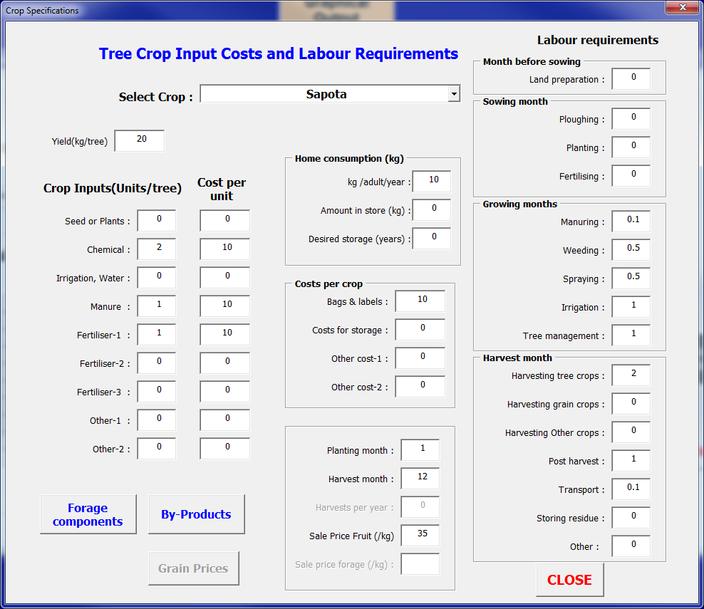

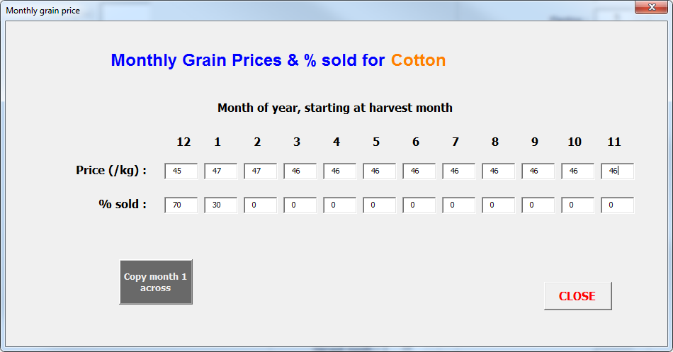

y
Crop | Forage Crop Specifications | 4 | Bund/ | Home consumption | Month | Month |  | Main Product |  |  |  |  |  | By-Product 1 |  |  |  |  |  |  |  |  |  |  |  |  | Input Requirements (units/ha) and cost per unit |  |  |  |  |  |  |  |  |  |  |  |  |  |  |  |  |  | Labour (man days/ha) |  |  |  |  |  |  |  |  |  |  | Other costs (total for crop) |  |  | Animal
No | Forage Crop | Crop No. | interbund | Desired storage | Sown | Harvested | blank | Yield | Price | Cuts/year | Kept | Instore | Yield | Price | Harvest | Kept | Instore | Yield | Kept | Instore | Seed/Plants | SP Cost | Chemical | C_cost | Irrig | I_Cost | Manure | M_Cost | Fertiliser1 | F1_Cost | Fertiliser2 | F2_Cost | Fertiliser3 | F3_Cost | Other1 | O1_cost | Other2 | O2_cost | Land preparation | Cultivating | Planting | Fertilising | Manuring | Weeding | Spraying | Watering/Irrigation | Tree Management | Harvesting (Grain crops) | Harvesting (tree crops) | Harvesting (other) | Post_Harvest | Transport | Residue storage | Other | Bags&Labels | Storage | Other1 | Other2 | draught
0 | No Crop | 0 |  |  | 0 | 0 |  | 0.0 | 0 | 0 | 0 |  | 0.0 |  |  |  |  | 0.0 |  |  | 0 | 0 | 0 | 0 | 0 | 0 | 0 | 0 | 0 | 0 | 0 | 0 | 0 | 0 | 0 | 0 | 0 | 0 | 0 | 0 | 0 | 0 | 0 | 0 | 0 | 0 | 0 | 0 | 0 | 0 | 0 | 0 |  | 0 | 0 | 0 | 0 | 0 | 0
1 | Sorghum | 1 | I |  | 1 | 3 | 50 |  | 0 | 6 | 0 |  |  |  |  |  |  |  |  |  | 0 | 0 | 0 | 0 | 0 | 0 | 0 | 0 | 0 | 0 | 0 | 0 | 0 | 0 | 0 | 0 | 0 | 0 | 0 | 0 | 0 | 0 | 0 | 0 | 0 | 0 | 0 | 0 | 0 | 0 | 0 | 0 | 10 | 0 | 0 | 0 | 0 | 0 | 0
2 | Napier Grass | 2 | I |  | 1 | 3 | 50 |  | 0 | 6 | 0 |  |  |  |  |  |  |  |  |  | 0 | 0 | 0 | 0 | 0 | 0 | 0 | 0 | 0 | 0 | 0 | 0 | 0 | 0 | 0 | 0 | 0 | 0 | 0 | 0 | 0 | 0 | 0 | 0 | 0 | 0 | 0 | 0 | 0 | 0 | 0 | 0 | 6 | 0 | 0 | 0 | 0 | 0 | 0
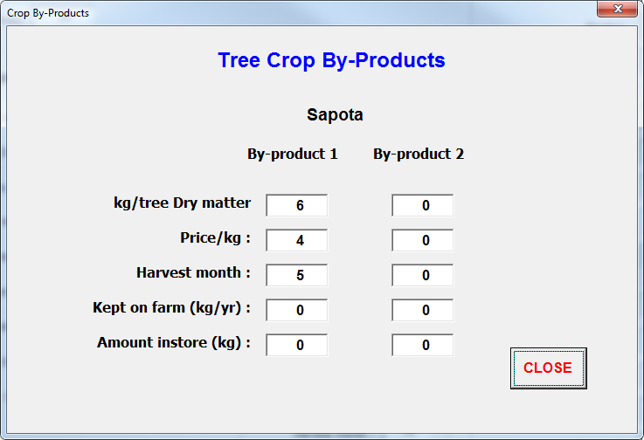
3 | Para Grass | 3 | I |  | 1 | 3 | 50 |  | 9 | 6 | 0 |  |  |  |  |  |  |  |  |  | 0 | 0 | 0 | 0 | 0 | 0 | 0 | 0 | 0 | 0 | 0 | 0 | 0 | 0 | 0 | 0 | 0 | 0 | 0 | 0 | 0 | 0 | 0 | 0 | 0 | 0 | 0 | 0 | 0 | 0 | 0 | 0 | 0 | 0 | 0 | 0 | 0 | 0 | 0
4 | Fodder Maize | 4 | I |  | 1 | 3 |  |  | 0 | 6 | 0 |  |  | 0 |  | 0 | 0 |  | 0 | 0 | 0 | 0 | 0 | 0 | 0 | 0 | 0 | 0 | 0 | 0 | 0 | 0 | 0 | 0 | 0 | 0 | 0 | 0 | 0 | 0 | 0 | 0 | 0 | 0 | 0 | 0 | 0 | 0 | 0 | 0 | 0 | 0 |  | 0 | 0 | 0 | 0 | 0 | 0
5 | Berseem | 5 | I |  | 1 | 3 |  |  | 0 | 6 | 0 |  |  |  |  |  |  |  |  |  | 0 | 0 | 0 | 0 | 0 | 0 | 0 | 0 | 0 | 0 | 0 | 0 | 0 | 0 | 0 | 0 | 0 | 0 | 0 | 0 | 0 | 0 | 0 | 0 | 0 | 0 | 0 | 0 | 0 | 0 | 0 | 0 |  | 0 | 0 | 0 | 0 | 0 | 0
6 | Crop6 | 6 | I |  | 1 | 3 |  |  | 0 | 6 | 0 |  |  | 0 |  | 0 | 0 |  | 0 | 0 | 0 | 0 | 0 | 0 | 0 | 0 | 0 | 0 | 0 | 0 | 0 | 0 | 0 | 0 | 0 | 0 | 0 | 0 | 0 | 0 | 0 | 0 | 0 | 0 | 0 | 0 | 0 | 0 | 0 | 0 | 0 | 0 |  | 0 | 0 | 0 | 0 | 0 | 0
7 | Crop7 | 7 | I |  | 1 | 3 |  |  | 0 | 6 | 0 |  |  |  |  |  |  |  |  |  | 0 | 0 | 0 | 0 | 0 | 0 | 0 | 0 | 0 | 0 | 0 | 0 | 0 | 0 | 0 | 0 | 0 | 0 | 0 | 0 | 0 | 0 | 0 | 0 | 0 | 0 | 0 | 0 | 0 | 0 | 0 | 0 |  | 0 | 0 | 0 | 0 | 0 | 0
8 | Crop8 | 8 |  |  |  |  |  |  | 0 | 0 | 0 |  |  |  |  |  |  |  |  |  | 0 | 0 | 0 | 0 | 0 | 0 | 0 | 0 | 0 | 0 | 0 | 0 | 0 | 0 | 0 | 0 | 0 | 0 | 0 | 0 | 0 | 0 | 0 | 0 | 0 | 0 | 0 | 0 | 0 | 0 | 0 | 0 |  | 0 | 0 | 0 | 0 | 0 | 0
9 | Crop9 | 9 |  |  |  |  |  |  | 0 | 0 | 0 |  |  |  |  |  |  |  |  |  | 0 | 0 | 0 | 0 | 0 | 0 | 0 | 0 | 0 | 0 | 0 | 0 | 0 | 0 | 0 | 0 | 0 | 0 | 0 | 0 | 0 | 0 | 0 | 0 | 0 | 0 | 0 | 0 | 0 | 0 | 0 | 0 |  | 0 | 0 | 0 | 0 | 0 | 0
10 | Crop10 | 10 |  |  |  |  |  |  | 0 | 0 | 0 |  |  |  |  |  |  |  |  |  | 0 | 0 | 0 | 0 | 0 | 0 | 0 | 0 | 0 | 0 | 0 | 0 | 0 | 0 | 0 | 0 | 0 | 0 | 0 | 0 | 0 | 0 | 0 | 0 | 0 | 0 | 0 | 0 | 0 | 0 | 0 | 0 |  | 0 | 0 | 0 | 0 | 0 | 0
11 | Crop11 | 11 |  |  |  |  |  |  | 0 | 0 | 0 |  |  |  |  |  |  |  |  |  | 0 | 0 | 0 | 0 | 0 | 0 | 0 | 0 | 0 | 0 | 0 | 0 | 0 | 0 | 0 | 0 | 0 | 0 | 0 | 0 | 0 | 0 | 0 | 0 | 0 | 0 | 0 | 0 | 0 | 0 | 0 | 0 |  | 0 | 0 | 0 | 0 | 0 | 0
12 | Crop12 | 12 |  |  |  |  |  |  | 0 | 0 | 0 |  |  |  |  |  |  |  |  |  | 0 | 0 | 0 | 0 | 0 | 0 | 0 | 0 | 0 | 0 | 0 | 0 | 0 | 0 | 0 | 0 | 0 | 0 | 0 | 0 | 0 | 0 | 0 | 0 | 0 | 0 | 0 | 0 | 0 | 0 | 0 | 0 |  | 0 | 0 | 0 | 0 | 0 | 0
13 | Crop13 | 13 |  |  |  |  |  |  | 0 | 0 | 0 |  |  |  |  |  |  |  |  |  | 0 | 0 | 0 | 0 | 0 | 0 | 0 | 0 | 0 | 0 | 0 | 0 | 0 | 0 | 0 | 0 | 0 | 0 | 0 | 0 | 0 | 0 | 0 | 0 | 0 | 0 | 0 | 0 | 0 | 0 | 0 | 0 |  | 0 | 0 | 0 | 0 | 0 | 0
14 | Crop14 | 14 |  |  |  |  |  |  | 0 | 0 | 0 |  |  |  |  |  |  |  |  |  | 0 | 0 | 0 | 0 | 0 | 0 | 0 | 0 | 0 | 0 | 0 | 0 | 0 | 0 | 0 | 0 | 0 | 0 | 0 | 0 | 0 | 0 | 0 | 0 | 0 | 0 | 0 | 0 | 0 | 0 | 0 | 0 |  | 0 | 0 | 0 | 0 | 0 | 0
15 | Crop15 | 15 |  |  |  |  |  |  | 0 | 0 | 0 |  |  |  |  |  |  |  |  |  | 0 | 0 | 0 | 0 | 0 | 0 | 0 | 0 | 0 | 0 | 0 | 0 | 0 | 0 | 0 | 0 | 0 | 0 | 0 | 0 | 0 | 0 | 0 | 0 | 0 | 0 | 0 | 0 | 0 | 0 | 0 | 0 |  | 0 | 0 | 0 | 0 | 0 | 0
16 | Crop16 | 16 |  |  |  |  |  |  | 0 | 0 | 0 |  |  |  |  |  |  |  |  |  | 0 | 0 | 0 | 0 | 0 | 0 | 0 | 0 | 0 | 0 | 0 | 0 | 0 | 0 | 0 | 0 | 0 | 0 | 0 | 0 | 0 | 0 | 0 | 0 | 0 | 0 | 0 | 0 | 0 | 0 | 0 | 0 |  | 0 | 0 | 0 | 0 | 0 | 0
17 | Crop17 | 17 |  |  |  |  |  |  | 0 | 0 |  |  |  |  |  |  |  |  |  |  | 0 | 0 | 0 | 0 | 0 | 0 | 0 | 0 | 0 | 0 | 0 | 0 | 0 | 0 | 0 | 0 | 0 | 0 | 0 | 0 | 0 | 0 | 0 | 0 | 0 | 0 | 0 | 0 | 0 | 0 | 0 | 0 |  | 0 | 0 | 0 | 0 | 0 | 0
18 | Crop18 | 18 |  |  |  |  |  |  | 0 | 0 |  |  |  |  |  |  |  |  |  |  | 0 | 0 | 0 | 0 | 0 | 0 | 0 | 0 | 0 | 0 | 0 | 0 | 0 | 0 | 0 | 0 | 0 | 0 | 0 | 0 | 0 | 0 | 0 | 0 | 0 | 0 | 0 | 0 | 0 | 0 | 0 | 0 |  | 0 | 0 | 0 | 0 | 0 | 0
19 | Crop19 | 19 |  |  |  |  |  |  | 0 | 0 |  |  |  |  |  |  |  |  |  |  | 0 | 0 | 0 | 0 | 0 | 0 | 0 | 0 | 0 | 0 | 0 | 0 | 0 | 0 | 0 | 0 | 0 | 0 | 0 | 0 | 0 | 0 | 0 | 0 | 0 | 0 | 0 | 0 | 0 | 0 | 0 | 0 |  | 0 | 0 | 0 | 0 | 0 | 0
20 | Crop20 | 20 |  |  |  |  |  |  | 0 | 0 |  |  |  |  |  |  |  |  |  |  | 0 | 0 | 0 | 0 | 0 | 0 | 0 | 0 | 0 | 0 | 0 | 0 | 0 | 0 | 0 | 0 | 0 | 0 | 0 | 0 | 0 | 0 | 0 | 0 | 0 | 0 | 0 | 0 | 0 | 0 | 0 | 0 |  | 0 | 0 | 0 | 0 | 0 | 0
21 | Crop21 | 21 |  |  |  |  |  |  | 0 | 0 |  |  |  |  |  |  |  |  |  |  | 0 | 0 | 0 | 0 | 0 | 0 | 0 | 0 | 0 | 0 | 0 | 0 | 0 | 0 | 0 | 0 | 0 | 0 | 0 | 0 | 0 | 0 | 0 | 0 | 0 | 0 | 0 | 0 | 0 | 0 | 0 | 0 |  | 0 | 0 | 0 | 0 | 0 | 0
22 | Crop22 | 22 |  |  |  |  |  |  | 0 | 0 |  |  |  |  |  |  |  |  |  |  | 0 | 0 | 0 | 0 | 0 | 0 | 0 | 0 | 0 | 0 | 0 | 0 | 0 | 0 | 0 | 0 | 0 | 0 | 0 | 0 | 0 | 0 | 0 | 0 | 0 | 0 | 0 | 0 | 0 | 0 | 0 | 0 |  | 0 | 0 | 0 | 0 | 0 | 0
23 | Crop23 | 23 |  |  |  |  |  |  | 0 | 0 |  |  |  |  |  |  |  |  |  |  | 0 | 0 | 0 | 0 | 0 | 0 | 0 | 0 | 0 | 0 | 0 | 0 | 0 | 0 | 0 | 0 | 0 | 0 | 0 | 0 | 0 | 0 | 0 | 0 | 0 | 0 | 0 | 0 | 0 | 0 | 0 | 0 |  | 0 | 0 | 0 | 0 | 0 | 0
24 | Crop24 | 24 |  |  |  |  |  |  | 0 | 0 |  |  |  |  |  |  |  |  |  |  | 0 | 0 | 0 | 0 | 0 | 0 | 0 | 0 | 0 | 0 | 0 | 0 | 0 | 0 | 0 | 0 | 0 | 0 | 0 | 0 | 0 | 0 | 0 | 0 | 0 | 0 | 0 | 0 | 0 | 0 | 0 | 0 |  | 0 | 0 | 0 | 0 | 0 | 0
25 | Crop25 | 25 |  |  |  |  |  |  | 0 | 0 |  |  |  |  |  |  |  |  |  |  | 0 | 0 | 0 | 0 | 0 | 0 | 0 | 0 | 0 | 0 | 0 | 0 | 0 | 0 | 0 | 0 | 0 | 0 | 0 | 0 | 0 | 0 | 0 | 0 | 0 | 0 | 0 | 0 | 0 | 0 | 0 | 0 |  | 0 | 0 | 0 | 0 | 0 | 0
26 | Crop26 | 26 |  |  |  |  |  |  | 0 | 0 |  |  |  |  |  |  |  |  |  |  | 0 | 0 | 0 | 0 | 0 | 0 | 0 | 0 | 0 | 0 | 0 | 0 | 0 | 0 | 0 | 0 | 0 | 0 | 0 | 0 | 0 | 0 | 0 | 0 | 0 | 0 | 0 | 0 | 0 | 0 | 0 | 0 |  | 0 | 0 | 0 | 0 | 0 | 0
27 | Crop27 | 27 |  |  |  |  |  |  | 0 | 0 |  |  |  |  |  |  |  |  |  |  | 0 | 0 | 0 | 0 | 0 | 0 | 0 | 0 | 0 | 0 | 0 | 0 | 0 | 0 | 0 | 0 | 0 | 0 | 0 | 0 | 0 | 0 | 0 | 0 | 0 | 0 | 0 | 0 | 0 | 0 | 0 | 0 |  | 0 | 0 | 0 | 0 | 0 | 0
28 | Crop28 | 28 |  |  |  |  |  |  | 0 | 0 |  |  |  |  |  |  |  |  |  |  | 0 | 0 | 0 | 0 | 0 | 0 | 0 | 0 | 0 | 0 | 0 | 0 | 0 | 0 | 0 | 0 | 0 | 0 | 0 | 0 | 0 | 0 | 0 | 0 | 0 | 0 | 0 | 0 | 0 | 0 | 0 | 0 |  | 0 | 0 | 0 | 0 | 0 | 0
29 | Crop29 | 29 |  |  |  |  |  |  | 0 | 0 |  |  |  |  |  |  |  |  |  |  | 0 | 0 | 0 | 0 | 0 | 0 | 0 | 0 | 0 | 0 | 0 | 0 | 0 | 0 | 0 | 0 | 0 | 0 | 0 | 0 | 0 | 0 | 0 | 0 | 0 | 0 | 0 | 0 | 0 | 0 | 0 | 0 |  | 0 | 0 | 0 | 0 | 0 | 0
30 | Crop30 | 30 |  |  |  |  |  |  | 0 | 0 |  |  |  |  |  |  |  |  |  |  | 0 | 0 | 0 | 0 | 0 | 0 | 0 | 0 | 0 | 0 | 0 | 0 | 0 | 0 | 0 | 0 | 0 | 0 | 0 | 0 | 0 | 0 | 0 | 0 | 0 | 0 | 0 | 0 | 0 | 0 | 0 | 0 |  | 0 | 0 | 0 | 0 | 0 | 0

y |  |  | 3 | 4 | 5 | 6 | 7 | 8 | 9 | 10 | 11 | 12 | 13 | 14 | 15 | 16 | 17 | 18 | 21 | 22 | 23 | 24 | 25 | 26 | 27 | 28 | 29 | 30 | 31 | 32 | 33 | 34 | 35 | 36 | 37 | 38 | 39 | 40 | 41 | 42 | 43 | 44 | 45 | 46 | 47 | 48 | 49 | 50 | 51 | 52 | 53 | 54 | 55 | 56 | 57 | 58 | 59 | 60 | 61 | 62 | 63 | 64 | 65 | 66 | 67 | 68 | 69 | 70 | 71 | 72 | 73
Crop | Other Crop Specifications | 0 | Bund/ | Home consumption | Month | Month |  | Main Product |  |  |  |  |  | By-Product 1 |  |  |  |  |  |  |  |  |  |  |  |  | Input Requirements (units/ha) and cost per unit |  |  |  |  |  |  |  |  |  |  |  |  |  |  |  |  |  | Labour (man days/ha) |  |  |  |  |  |  |  |  |  |  | Other costs (total for crop) |  |  | Animal |  |  |  |  |  | Forage
No | Other Crop | Crop No. | interbund | Desired storage | Sown | Harvested | blank | Yield | Price | Cuts/year | Kept | Instore | Yield | Price | Harvest | Kept | Instore | Yield | Kept | Instore | Seed/Plants | SP Cost | Chemical | C_cost | Irrig | I_Cost | Manure | M_Cost | Fertiliser1 | F1_Cost | Fertiliser2 | F2_Cost | Fertiliser3 | F3_Cost | Other1 | O1_cost | Other2 | O2_cost | Land preparation | Cultivating | Planting | Fertilising | Manuring | Weeding | Spraying | Watering/Irrigation | Tree Management | Harvesting (Grain crops) | Harvesting (tree crops) | Harvesting (other) | Post_Harvest | Transport | Residue storage | Other | Bags&Labels | Storage | Other1 | Other2 | draught | Leaf | Harvest | N% | Priority | Fruit | Harvest | N% | Priority | Other | Harvest | N% | Priority
0 | No Crop | 0 |  | 0 | 0 | 0 |  | 0.0 | 0 | 0 | 0 | 0 | 0 | 0 | 0 | 0 | 0 | 0 | 0 | 0 | 0 | 0 | 0 | 0 | 0 | 0 | 0 | 0 | 0 | 0 | 0 | 0 | 0 | 0 | 0 | 0 | 0 | 0 | 0 | 0 | 0 | 0 | 0 | 0 | 0 | 0 | 0 | 0 | 0 | 0 | 0 | 0 | 0 | 0 | 0 | 0 | 0 | 0 | 0 | 0 | 0 | 0 | 0 | 0 | 0 | 0 | 0 | 0 | 0 | 0 | 0
1 | Chilli | 1 | I | 0 | 6 | 12 |  | 0 | 0 | 1 | 0 | 0 | 0 | 0 | 0 | 0 | 0 | 0 | 0 | 0 | 0 | 0 | 0 | 0 | 0 | 0 | 0 | 0 | 0 | 0 | 0 | 0 | 0 | 0 | 0 | 0 | 0 | 0 | 0 | 0 | 0 | 0 | 0 | 0 | 0 | 0 | 0 | 0 | 0 | 0 | 0 | 0 | 0 | 0 | 0 | 0 | 0 | 0 | 0 | 0 | 0 | 0 | 0 | 0 | 0 | 0 | 0 | 0 | 0 | 0 | 0
2 | Tomato | 2 | I | 0 | 6 | 12 |  | 0 | 0 | 1 | 0 | 0 | 0 | 0 | 0 | 0 | 0 | 0 | 0 | 0 | 0 | 0 | 0 | 0 | 0 | 0 | 0 | 0 | 0 | 0 | 0 | 0 | 0 | 0 | 0 | 0 | 0 | 0 | 0 | 0 | 0 | 0 | 0 | 0 | 0 | 0 | 0 | 0 | 0 | 0 | 0 | 0 | 0 | 0 | 0 | 0 | 0 | 0 | 0 | 0 | 0 | 0 | 0 | 0 | 0 | 0 | 0 | 0 | 0 | 0 | 0
3 | Onion | 3 | I | 0 | 6 | 12 |  | 0 | 0 | 1 | 0 | 0 | 0 | 0 | 0 | 0 | 0 | 0 | 0 | 0 | 0 | 0 | 0 | 0 | 0 | 0 | 0 | 0 | 0 | 0 | 0 | 0 | 0 | 0 | 0 | 0 | 0 | 0 | 0 | 0 | 0 | 0 | 0 | 0 | 0 | 0 | 0 | 0 | 0 | 0 | 0 | 0 | 0 | 0 | 0 | 0 | 0 | 0 | 0 | 0 | 0 | 0 | 0 | 0 | 0 | 0 | 0 | 0 | 0 | 0 | 0
4 | Turmeric | 4 | I | 0 | 6 | 12 |  | 0 | 0 | 1 | 0 | 0 | 0 | 0 | 0 | 0 | 0 | 0 | 0 | 0 | 0 | 0 | 0 | 0 | 0 | 0 | 0 | 0 | 0 | 0 | 0 | 0 | 0 | 0 | 0 | 0 | 0 | 0 | 0 | 0 | 0 | 0 | 0 | 0 | 0 | 0 | 0 | 0 | 0 | 0 | 0 | 0 | 0 | 0 | 0 | 0 | 0 | 0 | 0 | 0 | 0 | 0 | 0 | 0 | 0 | 0 | 0 | 0 | 0 | 0 | 0
5 | Tobacco | 5 | I | 0 | 6 | 12 |  | 0 | 0 | 1 | 0 | 0 | 0 | 0 | 0 | 0 | 0 | 0 | 0 | 0 | 0 | 0 | 0 | 0 | 0 | 0 | 0 | 0 | 0 | 0 | 0 | 0 | 0 | 0 | 0 | 0 | 0 | 0 | 0 | 0 | 0 | 0 | 0 | 0 | 0 | 0 | 0 | 0 | 0 | 0 | 0 | 0 | 0 | 0 | 0 | 0 | 0 | 0 | 0 | 0 | 0 | 0 | 0 | 0 | 0 | 0 | 0 | 0 | 0 | 0 | 0
6 | Crop6 | 6 | I | 0 | 6 | 12 |  | 0 | 0 | 1 | 0 | 0 | 0 | 0 | 0 | 0 | 0 | 0 | 0 | 0 | 0 | 0 | 0 | 0 | 0 | 0 | 0 | 0 | 0 | 0 | 0 | 0 | 0 | 0 | 0 | 0 | 0 | 0 | 0 | 0 | 0 | 0 | 0 | 0 | 0 | 0 | 0 | 0 | 0 | 0 | 0 | 0 | 0 | 0 | 0 | 0 | 0 | 0 | 0 | 0 | 0 | 0 | 0 | 0 | 0 | 0 | 0 | 0 | 0 | 0 | 0
7 | Crop7 | 7 | I | 0 | 6 | 12 |  | 0 | 0 | 1 | 0 | 0 | 0 | 0 | 0 | 0 | 0 | 0 | 0 | 0 | 0 | 0 | 0 | 0 | 0 | 0 | 0 | 0 | 0 | 0 | 0 | 0 | 0 | 0 | 0 | 0 | 0 | 0 | 0 | 0 | 0 | 0 | 0 | 0 | 0 | 0 | 0 | 0 | 0 | 0 | 0 | 0 | 0 | 0 | 0 | 0 | 0 | 0 | 0 | 0 | 0 | 0 | 0 | 0 | 0 | 0 | 0 | 0 | 0 | 0 | 0
8 | Crop8 | 8 |  | 0 |  |  |  | 0 | 0 | 1 | 0 | 0 | 0 | 0 | 0 | 0 | 0 | 0 | 0 | 0 | 0 | 0 | 0 | 0 | 0 | 0 | 0 | 0 | 0 | 0 | 0 | 0 | 0 | 0 | 0 | 0 | 0 | 0 | 0 | 0 | 0 | 0 | 0 | 0 | 0 | 0 | 0 | 0 | 0 | 0 | 0 | 0 | 0 | 0 | 0 | 0 | 0 | 0 | 0 | 0 | 0 | 0 | 0 | 0 | 0 | 0 | 0 | 0 | 0 | 0 | 0
9 | Crop9 | 9 |  | 0 |  |  |  | 0 | 0 | 1 | 0 | 0 | 0 | 0 | 0 | 0 | 0 | 0 | 0 | 0 | 0 | 0 | 0 | 0 | 0 | 0 | 0 | 0 | 0 | 0 | 0 | 0 | 0 | 0 | 0 | 0 | 0 | 0 | 0 | 0 | 0 | 0 | 0 | 0 | 0 | 0 | 0 | 0 | 0 | 0 | 0 | 0 | 0 | 0 | 0 | 0 | 0 | 0 | 0 | 0 | 0 | 0 | 0 | 0 | 0 | 0 | 0 | 0 | 0 | 0 | 0
10 | Crop10 | 10 |  | 0 |  |  |  | 0 | 0 | 1 | 0 | 0 | 0 | 0 | 0 | 0 | 0 | 0 | 0 | 0 | 0 | 0 | 0 | 0 | 0 | 0 | 0 | 0 | 0 | 0 | 0 | 0 | 0 | 0 | 0 | 0 | 0 | 0 | 0 | 0 | 0 | 0 | 0 | 0 | 0 | 0 | 0 | 0 | 0 | 0 | 0 | 0 | 0 | 0 | 0 | 0 | 0 | 0 | 0 | 0 | 0 | 0 | 0 | 0 | 0 | 0 | 0 | 0 | 0 | 0 | 0

y
No | Bought fodder |  | Unit | month | Priority | AsRequired | Fodder_No
1 | Rice Straw | 1 | 25 | 1 | 2 | FALSE | 1
2 | Maize Straw | 2 | 25 | 3 | 3 | FALSE | 4
3 | Alfa-Alfa Hay | 3 | 25 | 9 | 4 | FALSE | 2 |  |  |  |  |  |  |  |  |  |  | `
4 | Napier Grass | 4 | 0 | 0 | 0 | FALSE | 0
5 | Paragrass | 5 | 0 | 0 | 0 | FALSE | 0
6 | Sorghum | 6 | 0 | 0 | 0 | FALSE | 0
7 | Berseem | 7 | 0 | 0 | 0 | FALSE | 0
8 | Fodder8 | 8 | 0 | 0 | 0 | FALSE | 0
9 | Fodder9 | 9 | 0 | 0 | 0 | FALSE | 0
10 | Fodder10 | 10 | 0 | 0 | 0 | FALSE | 0

y
No | Bought fodder specs | 4 | %DM | %DMD | %N | kg/unit | Cost/unit | Lab/unit | Other Costs
0 | None | 0 | 0 | 0 | 0 | 0 | 0 | 0.0 | 0
1 | Rice Straw | 1 | 89.5 | 49 | 1.3 | 100 | 500 | 0.0 | 0
2 | Maize Fresh | 2 | 18 | 55.42 | 2.0 | 100 | 100 | 0.0 | 0
3 | Alfa-Alfa Hay | 3 | 85 | 68.6 | 3.4 | 100 | 1000 | 0.0 | 0
4 | Napier Grass | 4 | 21.3 | 52.74 | 1.7 | 100 | 100 | 0.0 | 0
5 | Paragrass | 5 | 15 | 59 | 2.5 | 0 | 0 | 0.0 | 0
6 | Sorghum | 6 | 0 | 0 | 0.0 | 0 | 0 | 0.0 | 0
7 | Berseem | 7 | 0 | 0 | 0.0 | 0 | 0 | 0.0 | 0
8 | Fodder8 | 8 | 0 | 0 | 0.0 | 0 | 0 | 0.0 | 0
9 | Fodder9 | 9 | 0 | 0 | 0.0 | 0 | 0 | 0.0 | 0
10 | Fodder10 | 10 | 0 | 0 | 0.0 | 0 | 0 | 0.0 | 0

 |  | 2 | 3 | 4 | 5 | 6 | 7 | 8 | 9 | 10 | 11 | 12 | 13 | 14 | 15 | 16 | 17 | 18 | 21 | 22 | 23 | 24 | 25 | 26 | 27 | 28 | 29 | 30 | 31 | 32 | 33 | 34 | 35 | 36 | 37 | 38 | 39 | 40 | 41 | 42 | 43 | 44 | 45 | 46 | 47 | 48 | 49 | 50 | 51 | 52
 |  |  | No. | No. | No. | No. | Reproduction | Sale price | Sale price | Home | By-product | By-product | Farm | Costs | Costs | Costs | Costs | Costs | Labour | Labour | Labour | No. | Purchase | Sale | Farm | Costs | Costs | Costs | Costs | Costs | Labour | Labour | Labour | Labour | Labour | Bred Sale | Trade purchase | Trade sale | Fodder | Fodder | Fodder | Fodder | Fodder | Fodder | Fodder | Fodder | Fodder | Fodder | Limit | Month
y | Other animals | 3 | Juveniles | Weaners | Breeders | Sires | rate | female | male | consumption | weight | price | fodder | Feed | Vet | Mating | Supps | Other | Herding | Transporting | Other | purchased | price | price | fodder | Feed | Vet | Mating | Supps | Other | Feeding/grooming | Milking | Herding | Transporting | Other | mth | mth | mth | pool-1 | pool-2 | pool-3 | pool-4 | pool-5 | pool-6 | pool-7 | pool-8 | pool-9 | pool-10 | fixed | kept
1 | Pigs | 1 | 0 | 0 | 0 | 0 | 0 | 0 | 0 | 0 | 0 | 0 | 0 | 0 | 0 | 0 | 0 | 0 | 0.0 | 0.0 | 0.0 | 0 | 0 | 0 | 0 | 0 | 0 | 0 | 0 | 0 | 0.0 | 0.0 | 0.0 | 0.0 | 0.0 | 0 | 0 | 0 | 100 | 100 | 100 | 100 | 100 | 100 | 100 | 100 | 100 | 100 | FALSE | 6
2 | Chickens-1 | 2 | 0 | 0 | 0 | 0 | 0 | 0 | 0 | 0 | 0 | 0 | 0 | 0.0 | 0.0 | 0.0 | 0.0 | 0.0 | 0.0 | 0.0 | 0.0 | 0.0 | 0.0 | 0.0 | 0 | 0.0 | 0.0 | 0 | 0.2 | 0.2 | 0.5 | 0.0 | 0.5 | 0.5 | 0.5 | 0 | 0 | 0 | 100 | 100 | 100 | 100 | 100 | 100 | 100 | 100 | 100 | 100 | FALSE | 6
3 | Chickens-2 | 3 | 0 | 0 | 0 | 0 | 0 | 0 | 0 | 0 | 0 | 0 | 0 | 0.0 | 0.0 | 0.0 | 0.0 | 0.0 | 0.0 | 0.0 | 0.0 | 0.0 | 0.0 | 0.0 | 0 | 0.0 | 0.0 | 0 | 0.2 | 0.2 | 0.5 | 0.0 | 0.5 | 0.5 | 0.5 | 0 | 0 | 0 | 60 | 100 | 100 | 100 | 100 | 100 | 100 | 100 | 100 | 100 | FALSE | 6
4 | Anim-4 | 4 | 0 | 0 | 0 | 0 | 0 | 0 | 0 | 0 | 0 | 0 | 0 | 0 | 0 | 0 | 0 | 0 | 0.0 | 0.0 | 0.0 | 0 | 0 | 0 | 0 | 0 | 0 | 0 | 0 | 0 | 0.0 | 0.0 | 0.0 | 0.0 | 0.0 | 0 | 0 | 0 | 100 | 100 | 100 | 100 | 100 | 100 | 100 | 100 | 100 | 100 | FALSE | 0
5 | Anim-5 | 5 | 0 | 0 | 0 | 0 | 0 | 0 | 0 | 0 | 0 | 0 | 0 | 0.0 | 0.0 | 0.0 | 0.0 | 0.0 | 0.0 | 0.0 | 0.0 | 0.0 | 0.0 | 0.0 | 0 | 0.0 | 0.0 | 0 | 0.0 | 0.0 | 0.0 | 0.0 | 0.0 | 0.0 | 0.0 | 0 | 0 | 0 | 100 | 100 | 100 | 100 | 100 | 100 | 100 | 100 | 100 | 100 | FALSE | 0
6 | Anim-6 | 6 | 0 | 0 | 0 | 0 | 0 | 0 | 0 | 0 | 0 | 0 | 0 | 0 | 0 | 0 | 0 | 0 | 0.0 | 0.0 | 0.0 | 0.0 | 0.0 | 0.0 | 0 | 0.0 | 0.0 | 0 | 0.0 | 0.0 | 0.0 | 0.0 | 0.0 | 0.0 | 0.0 | 0 | 0 | 0 | 100 | 100 | 100 | 100 | 100 | 100 | 100 | 100 | 100 | 100 | FALSE | 0
7 | Anim-7 | 7 | 0 | 0 | 0 | 0 | 0 | 0 | 0 | 0 | 0 | 0 | 0 | 0 | 0 | 0 | 0 | 0 | 0.0 | 0.0 | 0.0 | 0.0 | 0.0 | 0.0 | 0 | 0.0 | 0.0 | 0 | 0.0 | 0.0 | 0.0 | 0.0 | 0.0 | 0.0 | 0.0 | 0 | 0 | 0 | 100 | 100 | 100 | 100 | 100 | 100 | 100 | 100 | 100 | 100 | FALSE | 0
8 | Anim-8 | 8 | 0 | 0 | 0 | 0 | 0 | 0 | 0 | 0 | 0 | 0 | 0 | 0 | 0 | 0 | 0 | 0 | 0.0 | 0.0 | 0.0 | 0.0 | 0.0 | 0.0 | 0 | 0.0 | 0.0 | 0 | 0.0 | 0.0 | 0.0 | 0.0 | 0.0 | 0.0 | 0.0 | 0 | 0 | 0 | 100 | 100 | 100 | 100 | 100 | 100 | 100 | 100 | 100 | 100 | FALSE | 0
9 | Anim-9 | 9 | 0 | 0 | 0 | 0 | 0 | 0 | 0 | 0 | 0 | 0 | 0 | 0 | 0 | 0 | 0 | 0 | 0.0 | 0.0 | 0.0 | 0.0 | 0.0 | 0.0 | 0 | 0.0 | 0.0 | 0 | 0.0 | 0.0 | 0.0 | 0.0 | 0.0 | 0.0 | 0.0 | 0 | 0 | 0 | 100 | 100 | 100 | 100 | 100 | 100 | 100 | 100 | 100 | 100 | FALSE | 0
10 | Anim-10 | 10 | 0 | 0 | 0 | 0 | 0 | 0 | 0 | 0 | 0 | 0 | 0 | 0 | 0 | 0 | 0 | 0 | 0.0 | 0.0 | 0.0 | 0.0 | 0.0 | 0.0 | 0 | 0.0 | 0.0 | 0 | 0.0 | 0.0 | 0.0 | 0.0 | 0.0 | 0.0 | 0.0 | 0 | 0 | 0 | 100 | 100 | 100 | 100 | 100 | 100 | 100 | 100 | 100 | 100 | FALSE | 0

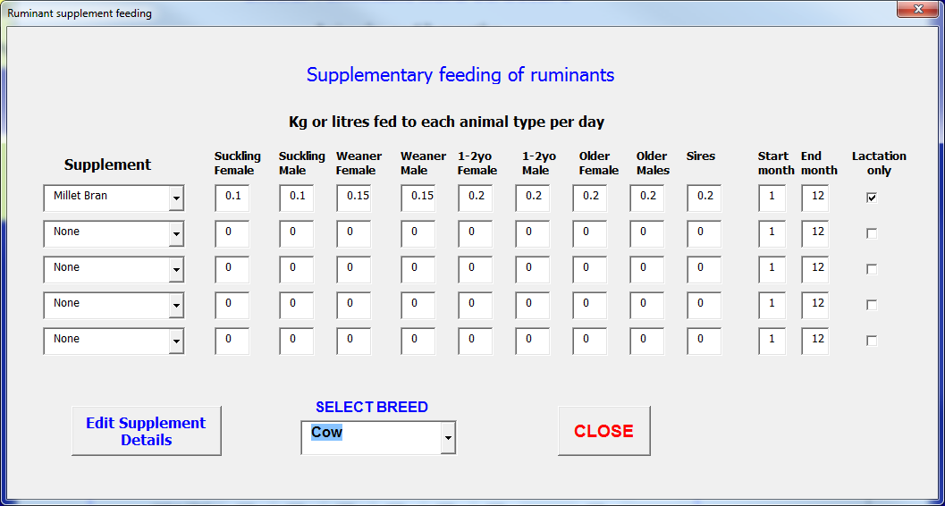
y
No | Supplement specifications | 1 | %DM | %DMD | %N | kg/Unit | Cost/unit
0 | None | 0 | 0 | 0 | 0 | 0 | 0
1 | Maize Grains | 1 | 91 | 52 | 1.66 | 1 | 12
2 | Maize Bran | 2 | 89 | 55 | 2.00 | 1 | 10
3 | Millet Bran | 3 | 91 | 60 | 2.5 | 1 | 12.00
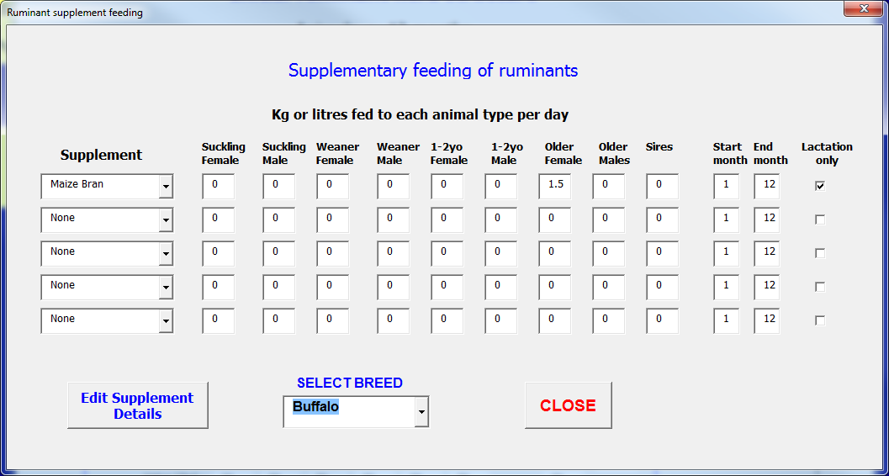
4 | Rice Bran | 4 | 90.0 | 47 | 1.14 | 1 | 14
5 | Cotton Seed Meal | 5 | 91.0 | 78 | 4.40 | 1 | 20
6 | Cotton Hulls | 6 | 89.0 | 45.1 | 0.90 | 1 | 7
7 | Urea molasses block | 7 | 80.7 | 88 | 5.55 | 1 | 0
8 | Soybean Meal | 8 | 91.2 | 84 | 7.81 | 1 | 0
9 | Sunflower Meal | 9 | 90.0 | 65 | 5.14 | 1 | 0
10 | Millet grain | 10 | 91.2 | 65.0 | 6.05 | 1 | 0
11 | Guar meal | 11 | 90.4 | 65.0 | 6.16 | 1 | 0
12 | Groundnut Meal | 12 | 100.0 | 76.0 | 7.52 | 1 | 0
13 | Wheat grain | 13 | 88.0 | 89.0 | 1.76 | 1 | 0
14 | Wheat bran | 14 | 89.0 | 70.0 | 2.52 | 1 | 0
15 | Supp15 | 15
16 | Supp16 | 16
17 | Supp17 | 17
18 | Supp18 | 18

19 | Supp19 | 19
20 | Supp20 | 20
21 | Supp21 | 21
22 | Supp22 | 22
23 | Supp23 | 23
24 | Supp24 | 24
25 | Supp25 | 25
26 | Supp26 | 26
27 | Supp27 | 27
28 | Supp28 | 28
29 | Supp29 | 29
30 | Supp30 | 30

 | Supplement allocations |  | NA1 | NA2 | NA3 | NA4 | NA5 | NA6 | Buffalo | Cow | Goat | Sheep
 | Supplement-1 | 1 | 0 | 2 | 1 | 2 | 0 | 0 | 2 | 3 | 1 | 0
 | Supplement-2 | 2 | 0 | 0 | 0 | 0 | 0 | 0 | 0 | 0 | 0 | 0
 | Supplement-3 | 3 | 0 | 0 | 0 | 0 | 0 | 0 | 0 | 0 | 0 | 0
 | Supplement-4 | 4 | 0 | 0 | 0 | 0 | 0 | 0 | 0 | 0 | 0 | 0
 | Supplement-5 | 5 | 0 | 0 | 0 | 0 | 0 | 0 | 0 | 0 | 0 | 0

y | Ruminant coefficients |  | NA1 | NA2 | NA3 | NA4 | NA5 | NA6 | Buffalo | Cow | Goat | Sheep |  |  |  |  |  |  |  |  |  |  | ID | WF_Model | WF_Tag | WF_Data_Bindicus | WholeFarm_Desc | WF_Ruminant_Parameters.IAT_Grp | WF_Ruminant_Parameters.IAT_num | IAT_Ruminant_Data_INDIA.IAT_Grp | IAT_Ruminant_Data_INDIA.IAT_num | Buffalo_IND | Cow_IND | Goat_IND
1 | SRW | Standard Ref. Weight (kg), (cow, male +20%) | 200 | 300 | 300 | 250 | 25 | 25 | 400 | 350 | 45 | 45 |  |  |  |  |  |  |  |  |  |  | 1 | RuminantType | <EMaintCoefficient> | 0.35 | Energy maintenance efficiency coefficient | Ruminant coefficients | 6 | Ruminant coefficients | 6 | 0.35 | 0.37 | 0.45
2 | birth_SRW | birth mass (proportion of SRW) | 0.068 | 0.057 | 0.057 | 0.068 | 0.076 | 0.04 | 0.07 | 0.0472 | 0.05 | 0.045 |  |  |  |  |  |  |  |  |  |  | 2 | RuminantType | <EMaintIntercept> | 0.503 | Energy maintenance efficiency intercept | Ruminant coefficients | 7 | Ruminant coefficients | 7 | 0.503 | 0.538 | 0.55
3 | Critical_cow_wt | Proportion of SRW for zero Calving/lambing rate | 50 | 50 | 50 | 50 | 40 | 40 | 50 | 50 | 40 | 40 |  |  |  |  |  |  |  |  |  |  | 3 | RuminantType | <EMaintExponent> | 0 | Energy maintenance exponent
4 | grwth_coeff1 | Age growth rate coefficient | 0.0115 | 0.0115 | 0.0115 | 0.0115 | 0.0115 | 0.0115 | 0.0115 | 0.0126 | 0.0115 | 0.0115 |  |  |  |  |  |  |  |  |  |  | 4 | RuminantType | <EGrowthCoefficient> | 0.79 | Energy growth efficiency coefficient | Ruminant coefficients | 8 | Ruminant coefficients | 8 | 1.16 | 1.16 | 1.9
5 | grwth_coeff2 | SRW growth scalar | 0.32 | 0.32 | 0.32 | 0.32 | 0.32 | 0.32 | 0.32 | 0.32 | 0.32 | 0.32 |  |  |  |  |  |  |  |  |  |  | 5 | RuminantType | <EGrowthIntercept> | 0 | Energy growth efficiency intercept | Ruminant coefficients | 9 | Ruminant coefficients | 9 | -0.308 | -0.308 | -0.28
6 | km_coeff | Energy Maint. efficiency coeff. | 0.35 | 0.35 | 0.35 | 0.35 | 0.45 | 0.45 | 0.35 | 0.37 | 0.45 | 0.45 |  |  |  |  |  |  |  |  |  |  | 6 | RuminantType | <ELactationCoefficient> | 0.35 | Energy lactation efficiency coefficient | Ruminant coefficients | 10 | Ruminant coefficients | 10 | 0.35 | 0.35 | 0.35
7 | km_incpt | Energy Maint. efficiency intercept | 0.503 | 0.503 | 0.503 | 0.503 | 0.55 | 0.55 | 0.503 | 0.538 | 0.55 | 0.55 |  |  |  |  |  |  |  |  |  |  | 7 | RuminantType | <ELactationIntercept> | 0.42 | Energy lactation efficiency intercept | Ruminant coefficients | 11 | Ruminant coefficients | 11 | 0.42 | 0.42 | 0.42
8 | kg_coeff | Energy Growth efficiency coeff. | 1.16 | 1.16 | 1.16 | 1.16 | 1.9 | 1.9 | 1.16 | 1.16 | 1.9 | 1.9 |  |  |  |  |  |  |  |  |  |  | 8 | RuminantType | <Kme> | 1 | Breed factor for maintenence energy | Ruminant coefficients | 12 | Ruminant coefficients | 12 | 1 | 1 | 1.2
9 | kg_incpt | Energy Growth efficiency intercept | -0.308 | -0.308 | -0.308 | -0.308 | -0.28 | -0.28 | -0.308 | -0.308 | -0.28 | -0.28 |  |  |  |  |  |  |  |  |  |  | 9 | RuminantType | <GrowthEnergyIntercept1> | 6.7 | Parameter for energy for growth #1
10 | kl_coeff | Energy Lactation efficiency coeff. | 0.35 | 0.35 | 0.35 | 0.35 | 0.35 | 0.35 | 0.35 | 0.35 | 0.35 | 0.35 |  |  |  |  |  |  |  |  |  |  | 10 | RuminantType | <GrowthEnergyIntercept2> | 20.3 | Parameter for energy for growth #2
11 | kl_incpt | Energy Lactation efficiency intercept | 0.42 | 0.42 | 0.42 | 0.42 | 0.42 | 0.42 | 0.42 | 0.42 | 0.42 | 0.42 |  |  |  |  |  |  |  |  |  |  | 11 | RuminantType | <GrowthEfficiency> | 1.09 | Growth efficiency
12 | kme | Breed factor for maintenence energy | 1.0 | 1.0 | 1.0 | 1.0 | 1.2 | 1.2 | 1.0 | 1.0 | 1.2 | 1.2 |  |  |  |  |  |  |  |  |  |  | 12 | RuminantType | <SRWFemale> | 500 | Standard Ref. Weight (kg) for a female | Ruminant coefficients | 1 | Ruminant coefficients | 1 | 400 | 350 | 45
13 | intake_coeff | Intake coefficient In relation to LW | 0.024 | 0.024 | 0.024 | 0.024 | 0.033 | 0.033 | 0.024 | 0.024 | 0.033 | 0.033 |  |  |  |  |  |  |  |  |  |  | 13 | RuminantType | <SRWMaleMultiplier> | 1.2 | Male Standard Ref. Weight multiplier from female
14 | intake_incpt | Intake intercept In relation to SRW | 1.7 | 1.7 | 1.7 | 1.7 | 1.9 | 1.9 | 1.7 | 1.7 | 1.9 | 1.9 |  |  |  |  |  |  |  |  |  |  | 14 | RuminantType | <SRWBirth> | 0.08 | Birth mass (proportion of female SRW) | Ruminant coefficients | 2 | Ruminant coefficients | 2 | 0.07 | 0.0472 | 0.05
15 | AFP_coeff | Age at 1st parturition coefficient of PW (months) | -0.8184 | -0.8184 | -0.8184 | -0.8184 | -0.9774 | -0.9774 | -0.8184 | -0.8184 | -0.9774 | -0.9774 |  |  |  |  |  |  |  |  |  |  | 15 | RuminantType | <AgeGrowthRateCoefficient> | 0.0115 | Age growth rate coefficient | Ruminant coefficients | 4 | Ruminant coefficients | 4 | 0.0115 | 0.0126 | 0.0115
16 | AFP_incpt | Age at 1st parturition intercept of PW (months) | 30.749 | 30.749 | 30.749 | 30.749 | 23.102 | 23.102 | 30.749 | 30.749 | 23.102 | 23.102 | 3800 |  |  |  |  |  |  |  |  |  | 16 | RuminantType | <SRWGrowthScalar> | 0.32 | SRW growth scalar | Ruminant coefficients | 5 | Ruminant coefficients | 5 | 0.32 | 0.32 | 0.32
17 | IPI_coeff | Inter-parturition interval coefficient of PW (months) | -0.7994 | -0.7994 | -0.7994 | -0.7994 | -1.127 | -1.127 | -0.7994 | -0.7994 | -1.127 | -1.127 |  |  |  |  |  |  |  |  |  |  | 17 | RuminantType | <IntakeCoefficient> | 0.024 | Intake coefficient in relation to Live Weight | Ruminant coefficients | 13 | Ruminant coefficients | 13 | 0.024 | 0.024 | 0.033
18 | IPI_incpt | Inter-parturition interval intercept of PW (months) | 10.847 | 10.847 | 10.847 | 10.847 | 6.179 | 6.179 | 10.847 | 10.847 | 6.1787 | 6.1787 |  |  |  |  |  |  |  |  |  |  | 18 | RuminantType | <IntakeIntercept> | 1.7 | Intake intercept In relation to SRW | Ruminant coefficients | 14 | Ruminant coefficients | 14 | 1.7 | 1.7 | 1.9
19 | birth_rate_coeff | Birth rate, coefficient of breeder PW | -9.3353 | -9.3353 | -9.3353 | -9.3353 | -4.4231 | -4.4231 | -9.3353 | -9.3353 | -4.4231 | -4.4231 |  |  |  |  |  |  |  |  |  |  | 19 | RuminantType | <ProteinCoefficient> | 120 | Protein requirement coeff (g/kg feed) | Ruminant coefficients | 33 | Ruminant coefficients | 33 | 90 | 90 | 90
20 | birth_rate_incpt | Birth rate, intercept of breeder PW | 6.754 | 6.754 | 6.754 | 6.754 | 3.173 | 3.173 | 6.754 | 6.754 | 3.1733 | 3.1733 |  |  |  |  |  |  |  |  |  |  | 20 | RuminantType | <BaseAnimalEquivalent> | 450 | Weight(kg) of 1 animal equivalent(steer)
21 | birth_rate_assym | Birth rate assymtote | 81.54 | 81.54 | 81.54 | 81.54 | 110.544 | 110.544 | 81.54 | 81.54 | 110.544 | 110.544 |  |  |  |  |  |  |  |  |  |  | 21 | RuminantType | <GreenDietMax> | 98 | Maximum green in diet
22 | birth_rate_max | Maximum birth rate | 90 | 90 | 90 | 90 | 100 | 100 | 90 | 90 | 100 | 100 |  |  |  |  |  |  |  |  |  |  | 22 | RuminantType | <GreenDietCoefficient> | 0.15 | Shape of curve for diet vs pasture
23 | juvenile_mort_coeff | Juvenile mortality rate, coefficient of breeder LW | 5.45 | 5.45 | 5.45 | 5.45 | 8.98 | 8.98 | 5.45 | 5.45 | 8.98 | 8.98 |  |  |  |  |  |  |  |  |  |  | 23 | RuminantType | <GreenDietZero> | 4 | Proportion green in pasture at zero in diet
24 | juvenile_mort_exp | Juvenile mortality rate, exponent of breeder LW | -3.19 | -3.19 | -3.19 | -3.19 | -2.49 | -2.49 | -3.19 | -3.19 | -2.4902 | -2.4902 |  |  |  |  |  |  |  |  |  |  | 24 | RuminantType | <IntakeTropicalQuality> | 0.16 | Coefficient to adjust intake for herbage quality
25 | juvenile_mort_max | Juvenile mortality maximum rate | 30.0 | 30.0 | 30 | 30 | 30 | 30 | 10 | 10.0 | 10 | 10 |  |  |  |  |  |  |  |  |  |  | 25 | RuminantType | <IntakeCoefficientQuality> | 1.7 | Coefficient to adjust intake for tropical herbage quality
26 | wool_coeff | Wool growth vs DM intake | 0 | 0 | 0 | 0 | 0.0015 | 0.0075 | 0 | 0 | 0.0015 | 0.0075 |  |  |  |  |  |  |  |  |  |  | 26 | RuminantType | <IntakeCoefficientBiomass> | 0.006 | Coefficient to adjust intake for herbage biomass
27 | cashmere_coeff | Cashmere growth vs DM intake | 0 | 0 | 0 | 0 | 0.0019 | 0 | 0 | 0 | 0.0019 | 0 |  |  |  |  |  |  |  |  |  |  | 27 | RuminantType | <StrictFeedingLimits> |  | Enforce strict feeding limits
28 | Rum_gest_int | Months between conception and parturition | 9 | 9 | 9 | 9 | 5 | 5 | 12 | 9 | 5 | 5 |  |  |  |  |  |  |  |  |  |  | 28 | RuminantType | <MilkIntakeCoefficient> | 0.1206 | Coefficient of juvenile milk intake
29 | Milk_offset_day | Offset | 4 | 4 | 4 | 4 | 4 | 4 | 4 | 4 | 4 | 4 |  |  |  |  |  |  |  |  |  |  | 29 | RuminantType | <MilkIntakeIntercept> | 3.8146 | Intercept of juvenile milk intake
30 | Milk_Peak_day | Day of peak yield | 30 | 30 | 30 | 30 | 30 | 30 | 42 | 30 | 30 | 30 |  |  |  |  |  |  |  |  |  |  | 30 | RuminantType | <MilkIntakeMaximum> | 20 | Maximum juvenile milk intake
31 | Milk_Curve_suck | Curve shape (suckling) | 0.6 | 0.6 | 0.6 | 0.6 | 0.6 | 0.6 | 0.6 | 0.6 | 0.6 | 0.6 |  |  |  |  |  |  |  |  |  |  | 31 | RuminantType | <MilkLWTFodderSubstitutionProportion> | 0.2 | Milk as proportion of LWT for fodder substitution
32 | Milk_Curve_nonsuck | Curve shape (not suckling) | 0.11 | 0.11 | 0.11 | 0.11 | 0.11 | 0.11 | 0.11 | 0.11 | 0.11 | 0.11 |  |  |  |  |  |  |  |  |  |  | 32 | RuminantType | <MaxJuvenileIntake> | 0.035 | Max juvenile (suckling) intake as proportion of LWT
33 | protein_coeff | Protein requirement coeff (g/kg feed) | 120 | 120 | 120 | 110 | 130 | 130 | 90 | 90 | 90 | 90 |  |  |  |  |  |  |  |  |  |  | 33 | RuminantType | <ProportionalDiscountDueToMilk> | 0.3 | Proportional discount to intake due to milk intake
 |  |  |  |  |  |  |  |  |  |  |  |  |  |  |  |  |  |  |  |  |  |  | 34 | RuminantType | <ProportionOfMaxWeightToSurvive> | 0.5 | Proportion of max body weight needed for survival
 |  |  |  |  |  |  |  |  |  |  |  |  |  |  |  |  |  |  |  |  |  |  | 35 | RuminantType | <LactatingPotentialModifierConstantA> | 0.42 | Lactating Potential intake modifier Coefficient A
 |  |  |  |  |  |  |  |  |  |  |  |  |  |  |  |  |  |  |  |  |  |  | 36 | RuminantType | <LactatingPotentialModifierConstantB> | 61 | Lactating Potential intake modifier Coefficient B
 |  |  |  |  |  |  |  |  |  |  |  |  |  |  |  |  |  |  |  |  |  |  | 37 | RuminantType | <LactatingPotentialModifierConstantC> | 1.7 | Lactating Potential intake modifier Coefficient C
y | Ruminant specifications |  |  |  |  |  |  |  | Buffalo | Cow | Goat |  |  |  |  |  |  |  |  |  |  |  | 38 | RuminantType | <MaximumSizeOfIndividual> | 1.2 | Maximum size of individual relative to SRW
1 | wool_price | Wool price/kg |  |  |  |  |  |  | 0 | 0 | 0 |  |  |  |  |  |  |  |  |  |  |  | 39 | RuminantType | <MortalityBase> | 0.03 | Mortality rate base | Ruminant specifications | 23 | Ruminant specifications | 23 | 1 | 1 | 3
2 | cashmere_price | Cashmere price/kg |  |  |  |  |  |  | 0 | 0 | 0 |  |  |  |  |  |  |  |  |  |  |  | 40 | RuminantType | <MortalityCoefficient> | 2.5 | Mortality rate coefficient
3 | Max_breeders | Maximum no. breeders can keep |  | Maximum no. of Breeding Sires kept???? |  |  |  |  | 5 | 5 | 8 | WholeFarm in <Manage Ruminants> |  |  |  |  |  |  |  |  |  |  | 41 | RuminantType | <MortalityIntercept> | 0.05 | Mortality rate intercept
4 | Max_breeder_ age | Maximum breeder age (months) for culling |  |  |  |  |  |  | 150 | 140 | 60 | WholeFarm in <Manage Ruminants> |  |  |  |  |  |  |  |  |  |  | 42 | RuminantType | <MortalityExponent> | 3 | Mortality rate exponent
5 | Dry_breeder_cull_rate | Culling rate for dry breeders (%) |  |  |  |  |  |  | 0 | 0 | 5 | WholeFarm in <Manage Ruminants> |  |  |  |  |  |  |  |  |  |  | 43 | RuminantType | <JuvenileMortalityCoefficient> | 3 | Juvenile mortality rate coefficient | Ruminant coefficients | 23 | Ruminant coefficients | 23 | 5.453 | 5.453 | 8.9788
6 | Anim_sell_age | Selling age (months) |  |  |  |  |  |  | 12 | 18 | 7 |  |  |  |  |  |  |  |  |  |  |  | 44 | RuminantType | <JuvenileMortalityMaximum> | 0.2 | Juvenile mortality rate maximum | Ruminant coefficients | 25 | Ruminant coefficients | 25 | 10 | 10 | 10
7 | Anim_sell_wt | Selling weight (kg) |  |  |  |  |  |  | 120 | 170 | 28 |  |  |  |  |  |  |  |  |  |  |  | 45 | RuminantType | <JuvenileMortalityExponent> | 1.8 | Juvenile mortality rate exponent | Ruminant coefficients | 24 | Ruminant coefficients | 24 | -3.1882 | -3.1882 | -2.4902
8 | Weaning_age | Weaning age (months) |  |  |  |  |  |  | 1 | 1 | 1 | WholeFarm in <Manage Ruminants> |  |  |  |  |  |  |  |  |  |  | 46 | RuminantType | <WoolCoefficient> | 0 | Wool coefficient | Ruminant coefficients | 26 | Ruminant coefficients | 26 | 0 | 0 | 0.0015
9 | Weaning_weight | Weaning weight (kg) |  |  |  |  |  |  | 35 | 32 | 6 | WholeFarm in <Manage Ruminants> |  |  |  |  |  |  |  |  |  |  | 47 | RuminantType | <CashmereCoefficient> | 0 | Cashmere coefficient | Ruminant coefficients | 27 | Ruminant coefficients | 27 | 0 | 0 | 0.0019
10 | Feeding/Grooming | Labour-days/animal/month for feeding (excl. cut&carry) |  |  |  |  |  |  | 3 | 2 | 0 |  |  |  |  |  |  |  |  |  |  |  | 48 | RuminantType | <MilkCurveSuckling> | 0.6 | Milk curve shape suckling | Ruminant coefficients | 31 | Ruminant coefficients | 31 | 0.6 | 0.6 | 0.6
11 | Milking | Labour-hours/breeder/day for milking |  |  |  |  |  |  | 0.2 | 0.5 | 0 |  |  |  |  |  |  |  |  |  |  |  | 49 | RuminantType | <MilkCurveNonSuckling> | 0.11 | Milk curve shape non suckling | Ruminant coefficients | 32 | Ruminant coefficients | 32 | 0.11 | 0.11 | 0.11
12 | Herding | Labour-days /herd/month for herding |  |  |  |  |  |  | 4 | 2 | 5 |  |  |  |  |  |  |  |  |  |  |  | 50 | RuminantType | <MilkingDays> | 300 | Number of days for milking
13 | Transporting | Labour-days/herd/month for transporting |  |  |  |  |  |  | 0 | 0 | 0 |  |  |  |  |  |  |  |  |  |  |  | 51 | RuminantType | <MilkPeakYield> | 20 | Peak milk yield (kg/day) | Ruminant specifications | 35 | Ruminant specifications | 35 | 14 | 9 | 1.5
14 | Other_Labour | Other Labour-days/herd/month (e.g. shearing) |  |  |  |  |  |  | 0 | 0 | 0 |  |  |  |  |  |  |  |  |  |  |  | 52 | RuminantType | <MilkOffsetDay> | 4 | Milk offset day | Ruminant coefficients | 29 | Ruminant coefficients | 29 | 4 | 4 | 4
15 | Vet costs | Costs for vets/medicines/head/month |  |  |  |  |  |  | 10 | 4 | 5 |  |  |  |  |  |  |  |  |  |  |  | 53 | RuminantType | <MilkPeakDay> | 45 | Milk peak day | Ruminant coefficients | 30 | Ruminant coefficients | 30 | 42 | 30 | 30
16 | Mating costs | Fees for mating/breeder/year |  |  |  |  |  |  | 500 | 400 | 50 |  |  |  |  |  |  |  |  |  |  |  | 54 | RuminantType | <InterParturitionIntervalIntercept> | 10.847 | Inter-parturition interval intercept of PW (months) | Ruminant coefficients | 18 | Ruminant coefficients | 18 | 10.8471 | 10.8471 | 6.1787
17 | Other costs | Other costs/head/month |  |  |  |  |  |  | 0 | 3 | 0 |  |  |  |  |  |  |  |  |  |  |  | 55 | RuminantType | <InterParturitionIntervalCoefficient> | -0.7994 | Inter-parturition interval coefficient of PW (months) | Ruminant coefficients | 17 | Ruminant coefficients | 17 | -0.7994 | -0.7994 | -1.127
18 | FeedTrough | Feed trough available? (Y/N) |  |  |  |  |  |  | TRUE | TRUE | TRUE |  |  |  |  |  |  |  |  |  |  |  | 56 | RuminantType | <GestationLength> | 9 | Months between conception and parturition | Ruminant coefficients | 28 | Ruminant coefficients | 28 | 12 | 9 | 5
19 | Home_milk | Milk kept for home consumption (L/day) |  |  |  |  |  |  | 0.5 | 0.5 | 0 |  |  |  |  |  |  |  |  |  |  |  | 57 | RuminantType | <MinimumAge1stMating> | 24 | Minimum age for 1st mating (months) | Ruminant specifications | 33 | Ruminant specifications | 33 | 30 | 24 | 12
20 | Milk_value | Value of milk per litre |  |  |  |  |  |  | 35 | 30 | 0 |  |  |  |  |  |  |  |  |  |  |  | 58 | RuminantType | <MinimumSize1stMating> | 0.5 | Minimum size for 1st mating, proportion of SRW | Ruminant specifications | 34 | Ruminant specifications | 34 | 50 | 50 | 60
21 | MilkYN | Milking animal (Y/N) |  |  |  |  |  |  | TRUE | TRUE | FALSE |  |  |  |  |  |  |  |  |  |  |  | 59 | RuminantType | <TwinRate> | 0 | Rate at which twins are concieved | Ruminant specifications | 30 | Ruminant specifications | 30 | 0 | 0 | 30
22 | Milk_Costs | Costs (per cow per month) |  |  |  |  |  |  | 3 | 3 | 0 |  |  |  |  |  |  |  |  |  |  |  | 60 | RuminantType | <CriticalCowWeight> | 0.5 | Proportion of SRW for zero Calving/lambing rate | Ruminant coefficients | 3 | Ruminant coefficients | 3 | 50 | 50 | 40
23 | Mortality_base | Basic mortality rate (%) |  |  |  |  |  |  | 1 | 1 | 3 |  |  |  |  |  |  |  |  |  |  |  | 61 | RuminantType |  |  | Conception rate coefficient of breeder PW (12 mnth, 24 mth, 2nd calf, 3rd+ calf) | Ruminant coefficients | 19 | Ruminant coefficients | 19 | -9.3353 | -9.3353 | -4.4231
24 | Rum_Hcon_No | Annual home consumption |  |  |  |  |  |  | 0 | 0 | 0 |  |  |  |  |  |  |  |  |  |  |  | 62 | RuminantType |  |  | Conception rate intercept of breeder PW (12 mnth, 24 mth, 2nd calf, 3rd+ calf) | Ruminant coefficients | 20 | Ruminant coefficients | 20 | 6.754 | 6.754 | 3.1733
25 | Rum_Hcon_Cat | Animal category used for home consumption |  |  |  |  |  |  | 11 | 11 | 11 |  |  |  |  |  |  |  |  |  |  |  | 63 | RuminantType |  |  | Conception rate assymtote (12 mnth, 24 mth, 2nd calf, 3rd+ calf) | Ruminant coefficients | 21 | Ruminant coefficients | 21 | 81.54 | 81.54 | 110.544
26 | Max Bull age | Maximum age for breeding sire (months) for culling |  |  |  |  |  |  | 96 | 96 | 60 | WholeFarm in <Manage Ruminants> |  |  |  |  |  |  |  |  |  |  | 64 | RuminantType | <MaximumMaleMatingsPerDay> | 30 | Maximum number of matings per male per day
27 | Bull replace cost | Cost of replacing breeding sire |  |  |  |  |  |  | 0 | 3000 | 6000 |  |  |  |  |  |  |  |  |  |  |  | 65 | RuminantType | <PrenatalMortality> | 7.9 | Mortality rate from conception to birth (proportion)
28 | Seasonal_mating | Sets inter birth interval to 12 months |  |  |  |  |  |  | FALSE | FALSE | FALSE |  |  |  |  |  |  |  |  |  |  |  | 66 | RuminantType | <MaximumConceptionUncontrolledBreeding> | 0.7 | Maximum conception rate from uncontrolled breeding
29 | Feeding system | Cut&carry, Grazing or both |  |  |  |  |  |  | 3 | 3 | 2 |  |  |  |  |  |  |  |  |  |  |  | 67
30 | Twin_rate | Percentage of breeders that have twins |  |  |  |  |  |  | 0 | 0 | 30 |  |  |  |  |  |  |  |  |  |  |  | 68
31 | Seas_mating_int | Months between mating when seasonal mating |  |  |  |  |  |  | 12 | 12 | 12 |  |  |  |  |  |  |  |  |  |  |  | 69
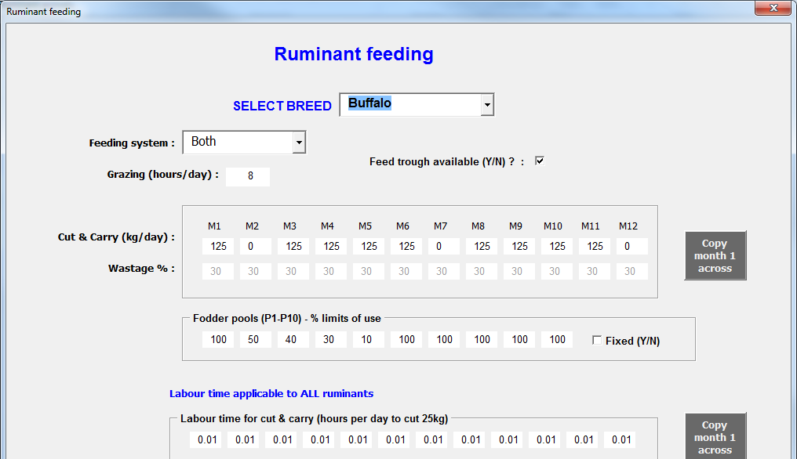
32 | Seas_mat_ben | % decrease if not seasonal maying |  |  |  |  |  |  | 10 | 10 | 10 |  |  |  |  |  |  |  |  |  |  |  | 70
33 | Joining_age | Minimum age for 1st mating (months) |  |  |  |  |  |  | 30 | 24 | 12 |  |  |  |  |  |  |  |  |  |  |  | 71
34 | Joining_size | Minimum size for 1st mating (% of mature wt, SRW) |  |  |  |  |  |  | 50 | 50 | 60 |  |  |  |  |  |  |  |  |  |  |  | 72
35 | Milk_max | Peak milk yield (kg/day) |  |  |  |  |  |  | 14 | 9 | 1.5 |  |  |  |  |  |  |  |  |  |  |  | 73
36 | Milk_end | Number of months for milking |  |  |  |  |  |  | 9 | 8 | 3 |  |  |  |  |  |  |  |  |  |  |  | 74
37 | Graze_hrs | Hours grazing per day if mixed grazing and Cut&carry |  |  |  |  |  |  | 8 | 8 | 9 |  |  |  |  |  |  |  |  |  |  |  | 75
38 | Breeders_milked | Percentage of breeders milked, if milking |  |  |  |  |  |  | 100 | 100 | 0 |  |  |  |  |  |  |  |  |  |  |  | 76
39 | Min_breeders | Minimum breeders to activate purchase |  |  |  |  |  |  | 0 | 0 | 0 |  |  |  |  |  |  |  |  |  |  |  | 77
 |  |  |  |  |  |  |  |  |  |  |  |  |  |  |  |  |  |  |  |  |  |  | 78
 | Ruminant cut_carry |  |  |  |  |  |  |  | Buffalo | Cow | Goat |  |  |  |  |  |  |  |  |  |  |  | 79
1 | Kg/day-Month 1 | total kg cut & carry fed per day for all animal categories |  |  |  |  |  |  | 125 | 50 | 12 |  |  |  |  |  |  |  |  |  |  |  | 80
2 | Kg/day-Month 2 |  |  |  |  |  |  |  | 0 | 50 | 12 |  |  |  |  |  |  |  |  |  |  |  | 81
3 | Kg/day-Month 3 |  |  |  |  |  |  |  | 125 | 30 | 12 |  |  |  |  |  |  |  |  |  |  |  | 82
4 | Kg/day-Month 4 |  |  |  |  |  |  |  | 125 | 30 | 12 |  |  |  |  |  |  |  |  |  |  |  | 83
5 | Kg/day-Month 5 |  |  |  |  |  |  |  | 125 | 30 | 12 |  |  |  |  |  |  |  |  |  |  |  | 84
6 | Kg/day-Month 6 |  |  |  |  |  |  |  | 125 | 50 | 12 |  |  |  |  |  |  |  |  |  |  |  | 85
7 | Kg/day-Month 7 |  |  |  |  |  |  |  | 0 | 50 | 12 |  |  |  |  |  |  |  |  |  |  |  | 86
8 | Kg/day-Month 8 |  |  |  |  |  |  |  | 125 | 50 | 12 |  |  |  |  |  |  |  |  |  |  |  | 87
9 | Kg/day-Month 9 |  |  |  |  |  |  |  | 125 | 50 | 12 |  |  |  |  |  |  |  |  |  |  |  | 88
10 | Kg/day-Month 10 |  |  |  |  |  |  |  | 125 | 50 | 12 |  |  |  |  |  |  |  |  |  |  |  | 89
11 | Kg/day-Month 11 |  |  |  |  |  |  |  | 125 | 50 | 12 |  |  |  |  |  |  |  |  |  |  |  | 90
12 | Kg/day-Month 12 |  |  |  |  |  |  |  | 0 | 50 | 12 |  |  |  |  |  |  |  |  |  |  |  | 91
13 | %Wastage-Month 1 | % wastage if farmer has no feed trough |  |  |  |  |  |  | 30 | 20 | 15 |  |  |  |  |  |  |  |  |  |  |  | 92
14 | %Wastage-Month 2 |  |  |  |  |  |  |  | 30 | 20 | 15 |  |  |  |  |  |  |  |  |  |  |  | 93
15 | %Wastage-Month 3 |  |  |  |  |  |  |  | 30 | 20 | 15 |  |  |  |  |  |  |  |  |  |  |  | 94
16 | %Wastage-Month 4 |  |  |  |  |  |  |  | 30 | 20 | 15 |  |  |  |  |  |  |  |  |  |  |  | 95
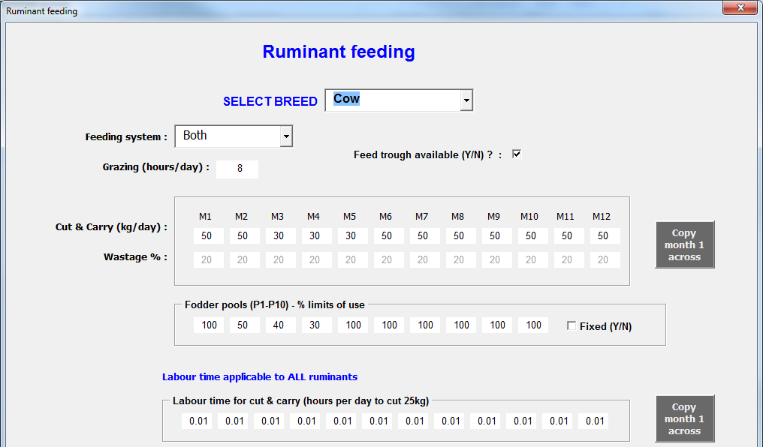

17 | %Wastage-Month 5 |  |  |  |  |  |  |  | 30 | 20 | 15 |  |  |  |  |  |  |  |  |  |  |  | 96
18 | %Wastage-Month 6 |  |  |  |  |  |  |  | 30 | 20 | 15 |  |  |  |  |  |  |  |  |  |  |  | 97
19 | %Wastage-Month 7 |  |  |  |  |  |  |  | 30 | 20 | 15 |  |  |  |  |  |  |  |  |  |  |  | 98
20 | %Wastage-Month 8 |  |  |  |  |  |  |  | 30 | 20 | 15 |  |  |  |  |  |  |  |  |  |  |  | 99
21 | %Wastage-Month 9 |  |  |  |  |  |  |  | 30 | 20 | 15 |  |  |  |  |  |  |  |  |  |  |  | 100
22 | %Wastage-Month 10 |  |  |  |  |  |  |  | 30 | 20 | 15 |  |  |  |  |  |  |  |  |  |  |  | 101
23 | %Wastage-Month 11 |  |  |  |  |  |  |  | 30 | 20 | 15 |  |  |  |  |  |  |  |  |  |  |  | 102
24 | %Wastage-Month 12 |  |  |  |  |  |  |  | 30 | 20 | 15 |  |  |  |  |  |  |  |  |  |  |  | 103
25 | Labour rate-Month 1 | Hours per day to cut 25kg |  |  |  |  |  |  |  |  |  |  |  |  |  |  |  |  |  |  |  |  | 104
26 | Labour rate-Month 2 | assumes 1 man day = 8 hours |  |  |  |  |  |  |  |  |  |  |  |  |  |  |  |  |  |  |  |  | 105
27 | Labour rate-Month 3 |  |  |  |  |  |  |  |  |  |  |  |  |  |  |  |  |  |  |  |  |  | 106
28 | Labour rate-Month 4 |  |  |  |  |  |  |  |  |  |  |  |  |  |  |  |  |  |  |  |  |  | 107
29 | Labour rate-Month 5 |  |  |  |  |  |  |  |  |  |  |  |  |  |  |  |  |  |  |  |  |  | 108
30 | Labour rate-Month 6 |  |  |  |  |  |  |  |  |  |  |  |  |  |  |  |  |  |  |  |  |  | 109
31 | Labour rate-Month 7 |  |  |  |  |  |  |  |  |  |  |  |  |  |  |  |  |  |  |  |  |  | 110
32 | Labour rate-Month 8 |  |  |  |  |  |  |  |  |  |  |  |  |  |  |  |  |  |  |  |  |  | 111
33 | Labour rate-Month 9 |  |  |  |  |  |  |  |  |  |  |  |  |  |  |  |  |  |  |  |  |  | 112
34 | Labour rate-Month 10 |  |  |  |  |  |  |  |  |  |  |  |  |  |  |  |  |  |  |  |  |  | 113
35 | Labour rate-Month 11 |  |  |  |  |  |  |  |  |  |  |  |  |  |  |  |  |  |  |  |  |  | 114
36 | Labour rate-Month 12 |  |  |  |  |  |  |  |  |  |  |  |  |  |  |  |  |  |  |  |  |  | 115
37 | Fodder priority-pool 1 | % allowable from each fodder pool |  |  |  |  |  |  | 100 | 100 | 100 |  |  |  |  |  |  |  |  |  |  |  | 116
38 | Fodder priority-pool 2 |  |  |  |  |  |  |  | 50 | 50 | 50 |  |  |  |  |  |  |  |  |  |  |  | 117
39 | Fodder priority-pool 3 |  |  |  |  |  |  |  | 40 | 40 | 40 |  |  |  |  |  |  |  |  |  |  |  | 118
40 | Fodder priority-pool 4 |  |  |  |  |  |  |  | 30 | 30 | 30
41 | Fodder priority-pool 5 |  |  |  |  |  |  |  | 10 | 100 | 10
42 | Fodder priority-pool 6 |  |  |  |  |  |  |  | 100 | 100 | 100
43 | Fodder priority-pool 7 |  |  |  |  |  |  |  | 100 | 100 | 100
44 | Fodder priority-pool 8 |  |  |  |  |  |  |  | 100 | 100 | 100
45 | Fodder priority-pool 9 |  |  |  |  |  |  |  | 100 | 100 | 100
46 | Fodder priority-pool 10 |  |  |  |  |  |  |  | 100 | 100 | 100
47 | Limit fixed | Fodder pool limits fixed (true) or flexible (false) |  |  |  |  |  |  | FALSE | FALSE | FALSE

 |  |  |  |  |  |  |  |  | Numbers |  |  |  |  |  |  |  |  |  | Ages |  |  |  | Weights
y | Startup ruminant numbers |  |  |  |  |  |  |  | Buffalo | Cow | Goat |  |  |  |  |  |  |  | Buffalo | Cow | Goat |  | Buffalo | Cow | Goat
 | CalfF | 1
 | CalfM | 2 |  |  |  |  |  |  |  |  |  |  | Breed | Category | Age | Num | Weight
 | WeanerF | 3 |  |  |  |  |  |  | 1 | 1 |  |  | Buffalo | WeanerF | 2.5 | 1 | 56 |  | 2.5 | 9 |  |  | 56 | 100
 | WeanerM | 4 |  |  |  |  |  |  |  |  | 5 |  | Buffalo | Female3-4 | 42 | 2 | 350 |  |  |  | 2 |  |  |  | 9
 | Female1-2 | 5 |  |  |  |  |  |  |  |  |  |  | Cow | WeanerF | 9 | 1 | 100
 | Female2-3 | 6 |  |  |  |  |  |  |  |  | 4 |  | Cow | Female3-4 | 42 | 1 | 270 |  |  |  | 30 |  |  |  | 35
 | Female3-4 | 7 |  |  |  |  |  |  | 2 | 1 |  |  | Goat | WeanerM | 2 | 5 | 9 |  | 42 | 42 |  |  | 350 | 270
 | Female4-5 | 8 |  |  |  |  |  |  |  |  |  |  | Goat | Female2-3 | 30 | 4 | 35
 | Female5-9 | 9 |  |  |  |  |  |  | 0 | 0 | 0 |  | (transposed)
 | Female10-14 | 10 |  |  |  |  |  |  | 0 | 0 | 0 |  | Breed | Buffalo | Buffalo | Cow | Cow | Goat | Goat
 | Male1-2 | 11 |  |  |  |  |  |  | 0 | 0 | 0 |  | Category | WeanerF | Female3-4 | WeanerF | Female3-4 | WeanerM | Female2-3
 | Male2-3 | 12 |  |  |  |  |  |  | 0 | 0 | 0 |  | Age | 2.5 | 42 | 9 | 42 | 2 | 30
 | Male3-4 | 13 |  |  |  |  |  |  | 0 | 0 | 0 |  | Num | 1 | 2 | 1 | 1 | 5 | 4
 | Male4-5 | 14 |  |  |  |  |  |  | 0 | 0 | 0 |  | Weight | 56 | 350 | 100 | 270 | 9 | 35
 | Male5-9 | 15 |  |  |  |  |  |  | 0 | 0 | 0
 | Male10-14 | 16 |  |  |  |  |  |  | 0 | 0 | 0
 | Breeding sires | 17 |  |  |  |  |  |  | 0 | 0 | 0

y | Startup ruminant ages |  |  |  |  |  |  |  | Buffalo | Cow | Goat
 | CalfF | 1 |  |  |  |  |  |  | 1.5 | 1 | 1
 | CalfM | 2 |  |  |  |  |  |  | 1.5 | 1 | 1
 | WeanerF | 3 |  |  |  |  |  |  | 2.5 | 9 | 2
 | WeanerM | 4 |  |  |  |  |  |  | 2 | 9 | 2
 | Female1-2 | 5 |  |  |  |  |  |  | 18 | 18 | 18
 | Female2-3 | 6 |  |  |  |  |  |  | 30 | 30 | 30
 | Female3-4 | 7 |  |  |  |  |  |  | 42 | 42 | 42
 | Female4-5 | 8 |  |  |  |  |  |  | 54 | 54 | 54
 | Female5-9 | 9 |  |  |  |  |  |  | 66 | 66 | 66
 | Female10-14 | 10 |  |  |  |  |  |  | 78 | 78 | 78
 | Male1-2 | 11 |  |  |  |  |  |  | 90 | 90 | 90
 | Male2-3 | 12 |  |  |  |  |  |  | 102 | 102 | 102
 | Male3-4 | 13 |  |  |  |  |  |  | 114 | 114 | 114
 | Male4-5 | 14 |  |  |  |  |  |  | 18 | 18 | 18
 | Male5-9 | 15 |  |  |  |  |  |  | 30 | 30 | 30
 | Male10-14 | 16 |  |  |  |  |  |  | 42 | 42 | 42
 | Breeding sires | 17 |  |  |  |  |  |  | 60 | 48 | 48

y | Startup ruminant weights |  |  |  |  |  |  |  | Buffalo | Cow | Goat
 | CalfF | 1 |  |  |  |  |  |  | 48 | 30 | 5
 | CalfM | 2 |  |  |  |  |  |  | 50 | 30 | 5
 | WeanerF | 3 |  |  |  |  |  |  | 56 | 100 | 7
 | WeanerM | 4 |  |  |  |  |  |  | 50 | 100 | 9
 | Female1-2 | 5 |  |  |  |  |  |  | 200 | 180 | 35
 | Female2-3 | 6 |  |  |  |  |  |  | 300 | 230 | 35
 | Female3-4 | 7 |  |  |  |  |  |  | 350 | 270 | 45
 | Female4-5 | 8 |  |  |  |  |  |  | 400 | 300 | 45
 | Female5-9 | 9 |  |  |  |  |  |  | 400 | 280 | 45
 | Female10-14 | 10 |  |  |  |  |  |  | 400 | 280 | 45
 | Male1-2 | 11 |  |  |  |  |  |  | 200 | 150 | 45
 | Male2-3 | 12 |  |  |  |  |  |  | 300 | 170 | 45
 | Male3-4 | 13 |  |  |  |  |  |  | 350 | 190 | 45
 | Male4-5 | 14 |  |  |  |  |  |  | 400 | 210 | 35
 | Male5-9 | 15 |  |  |  |  |  |  | 450 | 250 | 40
 | Male10-14 | 16 |  |  |  |  |  |  | 500 | 250 | 45
 | Breeding sires | 17 |  |  |  |  |  |  | 550 | 350 | 50

y | Ruminant prices |  |  |  |  |  |  |  | Buffalo | Cow | Goat
 | CalfF | 1 |  |  |  |  |  |  | 50 | 150 | 100
 | CalfM | 2 |  |  |  |  |  |  | 50 | 150 | 100
 | WeanerF | 3 |  |  |  |  |  |  | 50 | 120 | 100
 | WeanerM | 4 |  |  |  |  |  |  | 50 | 120 | 90
 | Female1-2 | 5 |  |  |  |  |  |  | 90 | 90 | 150
 | Female2-3 | 6 |  |  |  |  |  |  | 90 | 90 | 150
 | Female3-4 | 7 |  |  |  |  |  |  | 90 | 90 | 150
 | Female4-5 | 8 |  |  |  |  |  |  | 90 | 80 | 150
 | Female5-9 | 9 |  |  |  |  |  |  | 90 | 80 | 150
 | Female10-14 | 10 |  |  |  |  |  |  | 90 | 80 | 150
 | Male1-2 | 11 |  |  |  |  |  |  | 100 | 70 | 200
 | Male2-3 | 12 |  |  |  |  |  |  | 100 | 70 | 150
 | Male3-4 | 13 |  |  |  |  |  |  | 100 | 70 | 150
 | Male4-5 | 14 |  |  |  |  |  |  | 100 | 70 | 150
 | Male5-9 | 15 |  |  |  |  |  |  | 100 | 70 | 150
 | Male10-14 | 16 |  |  |  |  |  |  | 100 | 70 | 150
 | Breeding sires | 17 |  |  |  |  |  |  | 100 | 70 | 150

 | Ruminant Trades | 2 |  |  |  |  |  |  | Trade-7 | Trade-8 | Trade-9
1 | Rum_trade_breed | Breed of ruminant category |  |  |  |  |  |  | 0 | 0 | 0
2 | Rum_trade_cat | Animal category |  |  |  |  |  |  | 0 | 0 | 0
3 | Rum_trade_no | Number of animals traded |  |  |  |  |  |  | 0 | 0 | 0
4 | Rum_trade_buywt | Initial weight (kg) |  |  |  |  |  |  | 0 | 0 | 0
5 | Rum_trade_age | Animal age at purchase(mths) |  |  |  |  |  |  | 0 | 0 | 0
6 | Rum_trade_price | Purchase/selling price (/kg LWT) |  |  |  |  |  |  | 0 | 0 | 0
7 | Rum_trade_mth | Month of purchase (1-12) |  |  |  |  |  |  | 0 | 0 | 0
8 | Rum_trade_time | Number of months kept before sale |  |  |  |  |  |  | 0 | 0 | 0
9 | Rum_trade_salewt | Weight to acheived before sale |  |  |  |  |  |  | 0 | 0 | 0
10 | Rum_tradeCnC | Cut & carry (kg/day) |  |  |  |  |  |  | 0 | 0 | 0
11 | Rum_trade_feed | Feed costs (costs/anim/month) |  |  |  |  |  |  | 0 | 0 | 0
12 | Rum_trade_vet | Vet costs (costs/anim/month) |  |  |  |  |  |  | 0 | 0 | 0
13 | Rum_trade_transport | Transport costs (cost per anim) |  |  |  |  |  |  | 0 | 0 | 0
14 | Rum_trade_other | Other costs(costs per anim per month) |  |  |  |  |  |  | 0 | 0 | 0
15 | Rum_trade_lab_feed | Labour for feeding(man days/month) |  |  |  |  |  |  | 0 | 0 | 0
16 | Rum_trade_lab_herd | Labour for herding(man days/month) |  |  |  |  |  |  | 0 | 0 | 0
17 | Rum_trade_lab_trans | Labour for transport(man days/month) |  |  |  |  |  |  | 0 | 0 | 0
18 | Rum_trade_lab_other | Other Labour (man days/month) |  |  |  |  |  |  | 0 | 0 | 0
19 | Feeding system | Cut&carry, Grazing or both |  |  |  |  |  |  | 0 | 0 | 0

 | MaizeGrain
y | Ruminant supplements1 |  |  |  |  |  |  |  | Buffalo | Cow | Goat
 | CalfF | 1 |  |  |  |  |  |  | 0 | 0.1 | 0
 | CalfM | 2 |  |  |  |  |  |  | 0 | 0.1 | 0
 | WeanerF | 3 |  |  |  |  |  |  | 0 | 0.2 | 0.05
 | WeanerM | 4 |  |  |  |  |  |  | 0 | 0.2 | 0.05
 | Female1-2 | 5 |  |  |  |  |  |  | 0 | 0.3 | 0
 | Female2-3 | 6 |  |  |  |  |  |  | 0 | 0.3 | 0
 | Female3-4 | 7 |  |  |  |  |  |  | 0 | 0.3 | 0
 | Female4-5 | 8 |  |  |  |  |  |  | 0 | 0.3 | 0
 | Female5-9 | 9 |  |  |  |  |  |  | 0 | 0.3 | 0
 | Female10-14 | 10 |  |  |  |  |  |  | 0 | 0.3 | 0
 | Male1-2 | 11 |  |  |  |  |  |  | 0 | 0.3 | 0
 | Male2-3 | 12 |  |  |  |  |  |  | 0 | 0.3 | 0
 | Male3-4 | 13 |  |  |  |  |  |  | 0 | 0.3 | 0
 | Male4-5 | 14 |  |  |  |  |  |  | 0 | 0.3 | 0
 | Male5-9 | 15 |  |  |  |  |  |  | 0 | 0.3 | 0
 | Male10-14 | 16 |  |  |  |  |  |  | 0 | 0.3 | 0
 | Breeding sires | 17 |  |  |  |  |  |  | 0 | 0.3 | 0
 | Start month | 18 |  |  |  |  |  |  | 1 | 1 | 1
 | End month | 19 |  |  |  |  |  |  | 12 | 12 | 12
 | Lactation only | 20 |  |  |  |  |  |  | TRUE | TRUE | FALSE

 | MaizeBran
y | Ruminant supplements2 |  |  |  |  |  |  |  | Buffalo | Rum-8 | Rum-9
 | CalfF | 1 |  |  |  |  |  |  | 0 | 0.3 | 0.3
 | CalfM | 2 |  |  |  |  |  |  | 0 | 0.3 | 0.3
 | WeanerF | 3 |  |  |  |  |  |  | 0 | 0.5 | 0.5
 | WeanerM | 4 |  |  |  |  |  |  | 0 | 0.5 | 0.5
 | Female1-2 | 5 |  |  |  |  |  |  | 0 | 0.7 | 0.7
 | Female2-3 | 6 |  |  |  |  |  |  | 1.5 | 0.7 | 0.7
 | Female3-4 | 7 |  |  |  |  |  |  | 0 | 0.7 | 0.7
 | Female4-5 | 8 |  |  |  |  |  |  | 0 | 0.7 | 0.7
 | Female5-9 | 9 |  |  |  |  |  |  | 0 | 0.7 | 0.7
 | Female10-14 | 10 |  |  |  |  |  |  | 0 | 0.7 | 0.7
 | Male1-2 | 11 |  |  |  |  |  |  | 0 | 0.7 | 0.7
 | Male2-3 | 12 |  |  |  |  |  |  | 0 | 0.7 | 0.7
 | Male3-4 | 13 |  |  |  |  |  |  | 0 | 0.7 | 0.7
 | Male4-5 | 14 |  |  |  |  |  |  | 0 | 0.7 | 0.7
 | Male5-9 | 15 |  |  |  |  |  |  | 0 | 0.7 | 0.7
 | Male10-14 | 16 |  |  |  |  |  |  | 0 | 0.7 | 0.7
 | Breeding sires | 17 |  |  |  |  |  |  | 0 | 0.7 | 0.7
 | Start month | 18 |  |  |  |  |  |  | 1 | 1 | 1
 | End month | 19 |  |  |  |  |  |  | 12 | 12 | 12
 | Lactation only | 20 |  |  |  |  |  |  | TRUE | FALSE | FALSE

 | MilletBran
y | Ruminant supplements3 |  |  |  |  |  |  |  | Buffalo | Cow | Goat
 | CalfF | 1 |  |  |  |  |  |  | 0.00 | 0.10 | 0.01
 | CalfM | 2 |  |  |  |  |  |  | 0.00 | 0.10 | 0.01
 | WeanerF | 3 |  |  |  |  |  |  | 0.00 | 0.15 | 0.02
 | WeanerM | 4 |  |  |  |  |  |  | 0.00 | 0.15 | 0.02
 | Female1-2 | 5 |  |  |  |  |  |  | 0.00 | 0.20 | 0.02
 | Female2-3 | 6 |  |  |  |  |  |  | 0.00 | 0.20 | 0.02
 | Female3-4 | 7 |  |  |  |  |  |  | 0.00 | 0.20 | 0.20
 | Female4-5 | 8 |  |  |  |  |  |  | 0.00 | 0.20 | 0.20
 | Female5-9 | 9 |  |  |  |  |  |  | 0.00 | 0.20 | 0.20
 | Female10-14 | 10 |  |  |  |  |  |  | 0.00 | 0.20 | 0.20
 | Male1-2 | 11 |  |  |  |  |  |  | 0.00 | 0.20 | 0.20
 | Male2-3 | 12 |  |  |  |  |  |  | 0.00 | 0.20 | 0.20
 | Male3-4 | 13 |  |  |  |  |  |  | 0.00 | 0.20 | 0.20
 | Male4-5 | 14 |  |  |  |  |  |  | 0.00 | 0.20 | 0.02
 | Male5-9 | 15 |  |  |  |  |  |  | 0.00 | 0.20 | 0.02
 | Male10-14 | 16 |  |  |  |  |  |  | 0.00 | 0.20 | 0.20
 | Breeding sires | 17 |  |  |  |  |  |  | 0.00 | 0.20 | 0.02
 | Start month | 18 |  |  |  |  |  |  | 1 | 1 | 1
 | End month | 19 |  |  |  |  |  |  | 12 | 12 | 12
 | Lactation only | 20 |  |  |  |  |  |  | TRUE | TRUE | TRUE

y | Ruminant supplements4 |  |  |  |  |  |  |  | Buffalo | Rum-8 | Rum-9
 | CalfF | 1 |  |  |  |  |  |  | 0.00 | 0.00 | 0.00
 | CalfM | 2 |  |  |  |  |  |  | 0.00 | 0.00 | 0.00
 | WeanerF | 3 |  |  |  |  |  |  | 0.00 | 0.00 | 0.00
 | WeanerM | 4 |  |  |  |  |  |  | 0.00 | 0.00 | 0.00
 | Female1-2 | 5 |  |  |  |  |  |  | 0.00 | 0.00 | 0.00
 | Female2-3 | 6 |  |  |  |  |  |  | 0.00 | 0.00 | 0.00
 | Female3-4 | 7 |  |  |  |  |  |  | 0.00 | 0.00 | 0.00
 | Female4-5 | 8 |  |  |  |  |  |  | 0.00 | 0.00 | 0.00
 | Female5-9 | 9 |  |  |  |  |  |  | 0.00 | 0.00 | 0.00
 | Female10-14 | 10 |  |  |  |  |  |  | 0.00 | 0.00 | 0.00
 | Male1-2 | 11 |  |  |  |  |  |  | 0.00 | 0.00 | 0.00
 | Male2-3 | 12 |  |  |  |  |  |  | 0.00 | 0.00 | 0.00
 | Male3-4 | 13 |  |  |  |  |  |  | 0.00 | 0.00 | 0.00
 | Male4-5 | 14 |  |  |  |  |  |  | 0.00 | 0.00 | 0.00
 | Male5-9 | 15 |  |  |  |  |  |  | 0.00 | 0.00 | 0.00
 | Male10-14 | 16 |  |  |  |  |  |  | 0.00 | 0.00 | 0.00
 | Breeding sires | 17 |  |  |  |  |  |  | 0.00 | 0.00 | 0.00
 | Start month | 18 |  |  |  |  |  |  | 1 | 1 | 1
 | End month | 19 |  |  |  |  |  |  | 12 | 12 | 12
 | Lactation only | 20 |  |  |  |  |  |  | TRUE | TRUE | TRUE

y | Ruminant supplements5 |  |  |  |  |  |  |  | Buffalo | Rum-8 | Rum-9
 | CalfF | 1 |  |  |  |  |  |  | 0.0 | 0.0 | 0.0
 | CalfM | 2 |  |  |  |  |  |  | 0.0 | 0.0 | 0.0
 | WeanerF | 3 |  |  |  |  |  |  | 0.0 | 0.0 | 0.0
 | WeanerM | 4 |  |  |  |  |  |  | 0.0 | 0.0 | 0.0
 | Female1-2 | 5 |  |  |  |  |  |  | 0.0 | 0.0 | 0.0
 | Female2-3 | 6 |  |  |  |  |  |  | 0.0 | 0.0 | 0.0
 | Female3-4 | 7 |  |  |  |  |  |  | 0.0 | 0.0 | 0.0
 | Female4-5 | 8 |  |  |  |  |  |  | 0.0 | 0.0 | 0.0
 | Female5-9 | 9 |  |  |  |  |  |  | 0.0 | 0.0 | 0.0
 | Female10-14 | 10 |  |  |  |  |  |  | 0.0 | 0.0 | 0.0
 | Male1-2 | 11 |  |  |  |  |  |  | 0.0 | 0.0 | 0.0
 | Male2-3 | 12 |  |  |  |  |  |  | 0.0 | 0.0 | 0.0
 | Male3-4 | 13 |  |  |  |  |  |  | 0.0 | 0.0 | 0.0
 | Male4-5 | 14 |  |  |  |  |  |  | 0.0 | 0.0 | 0.0
 | Male5-9 | 15 |  |  |  |  |  |  | 0.0 | 0.0 | 0.0
 | Male10-14 | 16 |  |  |  |  |  |  | 0.0 | 0.0 | 0.0
 | Breeding sires | 17 |  |  |  |  |  |  | 0.0 | 0.0 | 0.0
 | Start month | 18 |  |  |  |  |  |  | 1 | 1 | 1
 | End month | 19 |  |  |  |  |  |  | 12 | 12 | 12
 | Lactation only | 20 |  |  |  |  |  |  | FALSE | FALSE | FALSE

y | Ruminant supplements6 |  |  |  |  |  |  |  | Buffalo | Rum-8 | Rum-9
 | CalfF | 1 |  |  |  |  |  |  | 0.0 | 0.0 | 0.0
 | CalfM | 2 |  |  |  |  |  |  | 0.0 | 0.0 | 0.0
 | WeanerF | 3 |  |  |  |  |  |  | 0.0 | 0.0 | 0.0
 | WeanerM | 4 |  |  |  |  |  |  | 0.0 | 0.0 | 0.0
 | Female1-2 | 5 |  |  |  |  |  |  | 0.0 | 0.0 | 0.0
 | Female2-3 | 6 |  |  |  |  |  |  | 0.0 | 0.0 | 0.0
 | Female3-4 | 7 |  |  |  |  |  |  | 0.0 | 0.0 | 0.0
 | Female4-5 | 8 |  |  |  |  |  |  | 0.0 | 0.0 | 0.0
 | Female5-9 | 9 |  |  |  |  |  |  | 0.0 | 0.0 | 0.0
 | Female10-14 | 10 |  |  |  |  |  |  | 0.0 | 0.0 | 0.0
 | Male1-2 | 11 |  |  |  |  |  |  | 0.0 | 0.0 | 0.0
 | Male2-3 | 12 |  |  |  |  |  |  | 0.0 | 0.0 | 0.0
 | Male3-4 | 13 |  |  |  |  |  |  | 0.0 | 0.0 | 0.0
 | Male4-5 | 14 |  |  |  |  |  |  | 0.0 | 0.0 | 0.0
 | Male5-9 | 15 |  |  |  |  |  |  | 0.0 | 0.0 | 0.0
 | Male10-14 | 16 |  |  |  |  |  |  | 0.0 | 0.0 | 0.0
 | Breeding sires | 17 |  |  |  |  |  |  | 0.0 | 0.0 | 0.0
 | Start month | 18 |  |  |  |  |  |  | 1 | 1 | 1
 | End month | 19 |  |  |  |  |  |  | 12 | 12 | 12
 | Lactation only | 20 |  |  |  |  |  |  | FALSE | FALSE | FALSE

y | Ruminant supplements7 |  |  |  |  |  |  |  | Buffalo | Rum-8 | Rum-9
 | CalfF | 1 |  |  |  |  |  |  | 0.0 | 0.0 | 0.0
 | CalfM | 2 |  |  |  |  |  |  | 0.0 | 0.0 | 0.0
 | WeanerF | 3 |  |  |  |  |  |  | 0.0 | 0.0 | 0.0
 | WeanerM | 4 |  |  |  |  |  |  | 0.0 | 0.0 | 0.0
 | Female1-2 | 5 |  |  |  |  |  |  | 0.0 | 0.0 | 0.0
 | Female2-3 | 6 |  |  |  |  |  |  | 0.0 | 0.0 | 0.0
 | Female3-4 | 7 |  |  |  |  |  |  | 0.0 | 0.0 | 0.0
 | Female4-5 | 8 |  |  |  |  |  |  | 0.0 | 0.0 | 0.0
 | Female5-9 | 9 |  |  |  |  |  |  | 0.0 | 0.0 | 0.0
 | Female10-14 | 10 |  |  |  |  |  |  | 0.0 | 0.0 | 0.0
 | Male1-2 | 11 |  |  |  |  |  |  | 0.0 | 0.0 | 0.0
 | Male2-3 | 12 |  |  |  |  |  |  | 0.0 | 0.0 | 0.0
 | Male3-4 | 13 |  |  |  |  |  |  | 0.0 | 0.0 | 0.0
 | Male4-5 | 14 |  |  |  |  |  |  | 0.0 | 0.0 | 0.0
 | Male5-9 | 15 |  |  |  |  |  |  | 0.0 | 0.0 | 0.0
 | Male10-14 | 16 |  |  |  |  |  |  | 0.0 | 0.0 | 0.0
 | Breeding sires | 17 |  |  |  |  |  |  | 0.0 | 0.0 | 0.0
 | Start month | 18 |  |  |  |  |  |  | 1 | 1 | 1
 | End month | 19 |  |  |  |  |  |  | 12 | 12 | 12
 | Lactation only | 20 |  |  |  |  |  |  | FALSE | FALSE | FALSE

y | Ruminant supplements8 |  |  |  |  |  |  |  | Buffalo | Rum-8 | Rum-9
 | CalfF | 1 |  |  |  |  |  |  | 0.0 | 0.0 | 0.0
 | CalfM | 2 |  |  |  |  |  |  | 0.0 | 0.0 | 0.0
 | WeanerF | 3 |  |  |  |  |  |  | 0.0 | 0.0 | 0.0
 | WeanerM | 1 |  |  |  |  |  |  | 0.0 | 0.0 | 0.0
 | Female1-2 | 5 |  |  |  |  |  |  | 0.0 | 0.0 | 0.0
 | Female2-3 | 6 |  |  |  |  |  |  | 0.0 | 0.0 | 0.0
 | Female3-4 | 7 |  |  |  |  |  |  | 0.0 | 0.0 | 0.0
 | Female4-5 | 8 |  |  |  |  |  |  | 0.0 | 0.0 | 0.0
 | Female5-9 | 9 |  |  |  |  |  |  | 0.0 | 0.0 | 0.0
 | Female10-14 | 10 |  |  |  |  |  |  | 0.0 | 0.0 | 0.0
 | Male1-2 | 11 |  |  |  |  |  |  | 0.0 | 0.0 | 0.0
 | Male2-3 | 12 |  |  |  |  |  |  | 0.0 | 0.0 | 0.0
 | Male3-4 | 13 |  |  |  |  |  |  | 0.0 | 0.0 | 0.0
 | Male4-5 | 14 |  |  |  |  |  |  | 0.0 | 0.0 | 0.0
 | Male5-9 | 15 |  |  |  |  |  |  | 0.0 | 0.0 | 0.0
 | Male10-14 | 16 |  |  |  |  |  |  | 0.0 | 0.0 | 0.0
 | Breeding sires | 17 |  |  |  |  |  |  | 0.0 | 0.0 | 0.0
 | Start month | 18 |  |  |  |  |  |  | 1 | 1 | 1
 | End month | 19 |  |  |  |  |  |  | 12 | 12 | 12
 | Lactation only | 20 |  |  |  |  |  |  | FALSE | FALSE | FALSE

y | Ruminant supplements9 |  |  |  |  |  |  |  | Buffalo | Rum-8 | Rum-9
 | CalfF | 1 |  |  |  |  |  |  | 0.0 | 0.0 | 0.0
 | CalfM | 2 |  |  |  |  |  |  | 0.0 | 0.0 | 0.0
 | WeanerF | 3 |  |  |  |  |  |  | 0.0 | 0.0 | 0.0
 | WeanerM | 4 |  |  |  |  |  |  | 0.0 | 0.0 | 0.0
 | Female1-2 | 5 |  |  |  |  |  |  | 0.0 | 0.0 | 0.0
 | Female2-3 | 6 |  |  |  |  |  |  | 0.0 | 0.0 | 0.0
 | Female3-4 | 7 |  |  |  |  |  |  | 0.0 | 0.0 | 0.0
 | Female4-5 | 8 |  |  |  |  |  |  | 0.0 | 0.0 | 0.0
 | Female5-9 | 9 |  |  |  |  |  |  | 0.0 | 0.0 | 0.0
 | Female10-14 | 10 |  |  |  |  |  |  | 0.0 | 0.0 | 0.0
 | Male1-2 | 11 |  |  |  |  |  |  | 0.0 | 0.0 | 0.0
 | Male2-3 | 12 |  |  |  |  |  |  | 0.0 | 0.0 | 0.0
 | Male3-4 | 13 |  |  |  |  |  |  | 0.0 | 0.0 | 0.0
 | Male4-5 | 14 |  |  |  |  |  |  | 0.0 | 0.0 | 0.0
 | Male5-9 | 15 |  |  |  |  |  |  | 0.0 | 0.0 | 0.0
 | Male10-14 | 16 |  |  |  |  |  |  | 0.0 | 0.0 | 0.0
 | Breeding sires | 17 |  |  |  |  |  |  | 0.0 | 0.0 | 0.0
 | Start month | 18 |  |  |  |  |  |  | 1 | 1 | 1
 | End month | 19 |  |  |  |  |  |  | 12 | 12 | 12
 | Lactation only | 20 |  |  |  |  |  |  | FALSE | FALSE | FALSE

y | Ruminant supplements10 |  |  |  |  |  |  |  | Buffalo | Rum-8 | Rum-9
 | CalfF | 1 |  |  |  |  |  |  | 0.0 | 0.0 | 0.0
 | CalfM | 2 |  |  |  |  |  |  | 0.0 | 0.0 | 0.0
 | WeanerF | 3 |  |  |  |  |  |  | 0.0 | 0.0 | 0.0
 | WeanerM | 4 |  |  |  |  |  |  | 0.0 | 0.0 | 0.0
 | Female1-2 | 1 |  |  |  |  |  |  | 0.0 | 0.0 | 0.0
 | Female2-3 | 6 |  |  |  |  |  |  | 0.0 | 0.0 | 0.0
 | Female3-4 | 7 |  |  |  |  |  |  | 0.0 | 0.0 | 0.0
 | Female4-5 | 8 |  |  |  |  |  |  | 0.0 | 0.0 | 0.0
 | Female5-9 | 1 |  |  |  |  |  |  | 0.0 | 0.0 | 0.0
 | Female10-14 | 1 |  |  |  |  |  |  | 0.0 | 0.0 | 0.0
 | Male1-2 | 3 |  |  |  |  |  |  | 0.0 | 0.0 | 0.0
 | Male2-3 | 12 |  |  |  |  |  |  | 0.0 | 0.0 | 0.0
 | Male3-4 | 13 |  |  |  |  |  |  | 0.0 | 0.0 | 0.0
 | Male4-5 | 14 |  |  |  |  |  |  | 0.0 | 0.0 | 0.0
 | Male5-9 | 15 |  |  |  |  |  |  | 0.0 | 0.0 | 0.0
 | Male10-14 | 16 |  |  |  |  |  |  | 0.0 | 0.0 | 0.0
 | Breeding sires | 17 |  |  |  |  |  |  | 0.0 | 0.0 | 0.0
 | Start month | 18 |  |  |  |  |  |  | 1 | 1 | 1
 | End month | 19 |  |  |  |  |  |  | 12 | 12 | 12
 | Lactation only | 20 |  |  |  |  |  |  | FALSE | FALSE | FALSE

y | Ruminant supplements0 |  |  |  |  |  |  |  | Buffalo | Rum-8 | Rum-9
 | CalfF | 1 |  |  |  |  |  |  | 0.0 | 0.0 | 0.0
 | CalfM | 2 |  |  |  |  |  |  | 0.0 | 0.0 | 0.0
 | WeanerF | 3 |  |  |  |  |  |  | 0.0 | 0.0 | 0.0
 | WeanerM | 4 |  |  |  |  |  |  | 0.0 | 0.0 | 0.0
 | Female1-2 | 5 |  |  |  |  |  |  | 0.0 | 0.0 | 0.0
 | Female2-3 | 6 |  |  |  |  |  |  | 0.0 | 0.0 | 0.0
 | Female3-4 | 7 |  |  |  |  |  |  | 0.0 | 0.0 | 0.0
 | Female4-5 | 8 |  |  |  |  |  |  | 0.0 | 0.0 | 0.0
 | Female5-9 | 1 |  |  |  |  |  |  | 0.0 | 0.0 | 0.0
 | Female10-14 | 1 |  |  |  |  |  |  | 0.0 | 0.0 | 0.0
 | Male1-2 | 3 |  |  |  |  |  |  | 0.0 | 0.0 | 0.0
 | Male2-3 | 12 |  |  |  |  |  |  | 0.0 | 0.0 | 0.0
 | Male3-4 | 13 |  |  |  |  |  |  | 0.0 | 0.0 | 0.0
 | Male4-5 | 14 |  |  |  |  |  |  | 0.0 | 0.0 | 0.0
 | Male5-9 | 15 |  |  |  |  |  |  | 0.0 | 0.0 | 0.0
 | Male10-14 | 16 |  |  |  |  |  |  | 0.0 | 0.0 | 0.0
 | Breeding sires | 17 |  |  |  |  |  |  | 0.0 | 0.0 | 0.0
 | Start month | 18 |  |  |  |  |  |  | 1 | 1 | 1
 | End month | 19 |  |  |  |  |  |  | 12 | 12 | 12
 | Lactation only | 20 |  |  |  |  |  |  | FALSE | FALSE | FALSE

y | Ruminant supplements11 |  |  |  |  |  |  |  | Buffalo | Rum-8 | Rum-9
 | CalfF | 1 |  |  |  |  |  |  | 0.0 | 0.0 | 0.0
 | CalfM | 2 |  |  |  |  |  |  | 0.0 | 0.0 | 0.0
 | WeanerF | 3 |  |  |  |  |  |  | 0.0 | 0.0 | 0.0
 | WeanerM | 4 |  |  |  |  |  |  | 0.0 | 0.0 | 0.0
 | Female1-2 | 1 |  |  |  |  |  |  | 0.0 | 0.0 | 0.0
 | Female2-3 | 6 |  |  |  |  |  |  | 0.0 | 0.0 | 0.0
 | Female3-4 | 7 |  |  |  |  |  |  | 0.0 | 0.0 | 0.0
 | Female4-5 | 8 |  |  |  |  |  |  | 0.0 | 0.0 | 0.0
 | Female5-9 | 1 |  |  |  |  |  |  | 0.0 | 0.0 | 0.0
 | Female10-14 | 1 |  |  |  |  |  |  | 0.0 | 0.0 | 0.0
 | Male1-2 | 3 |  |  |  |  |  |  | 0.0 | 0.0 | 0.0
 | Male2-3 | 12 |  |  |  |  |  |  | 0.0 | 0.0 | 0.0
 | Male3-4 | 13 |  |  |  |  |  |  | 0.0 | 0.0 | 0.0
 | Male4-5 | 14 |  |  |  |  |  |  | 0.0 | 0.0 | 0.0
 | Male5-9 | 15 |  |  |  |  |  |  | 0.0 | 0.0 | 0.0
 | Male10-14 | 16 |  |  |  |  |  |  | 0.0 | 0.0 | 0.0
 | Breeding sires | 17 |  |  |  |  |  |  | 0.0 | 0.0 | 0.0
 | Start month | 18 |  |  |  |  |  |  | 1 | 1 | 1
 | End month | 19 |  |  |  |  |  |  | 12 | 12 | 12
 | Lactation only | 20 |  |  |  |  |  |  | FALSE | FALSE | FALSE

y | Ruminant supplements12 |  |  |  |  |  |  |  | Buffalo | Rum-8 | Rum-9
 | CalfF | 1 |  |  |  |  |  |  | 0.0 | 0.0 | 0.0
 | CalfM | 2 |  |  |  |  |  |  | 0.0 | 0.0 | 0.0
 | WeanerF | 3 |  |  |  |  |  |  | 0.0 | 0.0 | 0.0
 | WeanerM | 4 |  |  |  |  |  |  | 0.0 | 0.0 | 0.0
 | Female1-2 | 1 |  |  |  |  |  |  | 0.0 | 0.0 | 0.0
 | Female2-3 | 6 |  |  |  |  |  |  | 0.0 | 0.0 | 0.0
 | Female3-4 | 7 |  |  |  |  |  |  | 0.0 | 0.0 | 0.0
 | Female4-5 | 8 |  |  |  |  |  |  | 0.0 | 0.0 | 0.0
 | Female5-9 | 1 |  |  |  |  |  |  | 0.0 | 0.0 | 0.0
 | Female10-14 | 1 |  |  |  |  |  |  | 0.0 | 0.0 | 0.0
 | Male1-2 | 3 |  |  |  |  |  |  | 0.0 | 0.0 | 0.0
 | Male2-3 | 12 |  |  |  |  |  |  | 0.0 | 0.0 | 0.0
 | Male3-4 | 13 |  |  |  |  |  |  | 0.0 | 0.0 | 0.0
 | Male4-5 | 14 |  |  |  |  |  |  | 0.0 | 0.0 | 0.0
 | Male5-9 | 15 |  |  |  |  |  |  | 0.0 | 0.0 | 0.0
 | Male10-14 | 16 |  |  |  |  |  |  | 0.0 | 0.0 | 0.0
 | Breeding sires | 17 |  |  |  |  |  |  | 0.0 | 0.0 | 0.0
 | Start month | 18 |  |  |  |  |  |  | 1 | 1 | 1
 | End month | 19 |  |  |  |  |  |  | 12 | 12 | 12
 | Lactation only | 20 |  |  |  |  |  |  | FALSE | FALSE | FALSE

y | Ruminant supplements13 |  |  |  |  |  |  |  | Buffalo | Rum-8 | Rum-9
 | CalfF | 1 |  |  |  |  |  |  | 0.0 | 0.0 | 0.0
 | CalfM | 2 |  |  |  |  |  |  | 0.0 | 0.0 | 0.0
 | WeanerF | 3 |  |  |  |  |  |  | 0.0 | 0.0 | 0.0
 | WeanerM | 4 |  |  |  |  |  |  | 0.0 | 0.0 | 0.0
 | Female1-2 | 1 |  |  |  |  |  |  | 0.0 | 0.0 | 0.0
 | Female2-3 | 6 |  |  |  |  |  |  | 0.0 | 0.0 | 0.0
 | Female3-4 | 7 |  |  |  |  |  |  | 0.0 | 0.0 | 0.0
 | Female4-5 | 8 |  |  |  |  |  |  | 0.0 | 0.0 | 0.0
 | Female5-9 | 1 |  |  |  |  |  |  | 0.0 | 0.0 | 0.0
 | Female10-14 | 1 |  |  |  |  |  |  | 0.0 | 0.0 | 0.0
 | Male1-2 | 3 |  |  |  |  |  |  | 0.0 | 0.0 | 0.0
 | Male2-3 | 12 |  |  |  |  |  |  | 0.0 | 0.0 | 0.0
 | Male3-4 | 13 |  |  |  |  |  |  | 0.0 | 0.0 | 0.0
 | Male4-5 | 14 |  |  |  |  |  |  | 0.0 | 0.0 | 0.0
 | Male5-9 | 15 |  |  |  |  |  |  | 0.0 | 0.0 | 0.0
 | Male10-14 | 16 |  |  |  |  |  |  | 0.0 | 0.0 | 0.0
 | Breeding sires | 17 |  |  |  |  |  |  | 0.0 | 0.0 | 0.0
 | Start month | 18 |  |  |  |  |  |  | 1 | 1 | 1
 | End month | 19 |  |  |  |  |  |  | 12 | 12 | 12
 | Lactation only | 20 |  |  |  |  |  |  | FALSE | FALSE | FALSE

y | Ruminant supplements14 |  |  |  |  |  |  |  | Buffalo | Rum-8 | Rum-9
 | CalfF | 1 |  |  |  |  |  |  | 0.0 | 0.0 | 0.0
 | CalfM | 2 |  |  |  |  |  |  | 0.0 | 0.0 | 0.0
 | WeanerF | 3 |  |  |  |  |  |  | 0.0 | 0.0 | 0.0
 | WeanerM | 4 |  |  |  |  |  |  | 0.0 | 0.0 | 0.0
 | Female1-2 | 1 |  |  |  |  |  |  | 0.0 | 0.0 | 0.0
 | Female2-3 | 6 |  |  |  |  |  |  | 0.0 | 0.0 | 0.0
 | Female3-4 | 7 |  |  |  |  |  |  | 0.0 | 0.0 | 0.0
 | Female4-5 | 8 |  |  |  |  |  |  | 0.0 | 0.0 | 0.0
 | Female5-9 | 1 |  |  |  |  |  |  | 0.0 | 0.0 | 0.0
 | Female10-14 | 1 |  |  |  |  |  |  | 0.0 | 0.0 | 0.0
 | Male1-2 | 3 |  |  |  |  |  |  | 0.0 | 0.0 | 0.0
 | Male2-3 | 12 |  |  |  |  |  |  | 0.0 | 0.0 | 0.0
 | Male3-4 | 13 |  |  |  |  |  |  | 0.0 | 0.0 | 0.0
 | Male4-5 | 14 |  |  |  |  |  |  | 0.0 | 0.0 | 0.0
 | Male5-9 | 15 |  |  |  |  |  |  | 0.0 | 0.0 | 0.0
 | Male10-14 | 16 |  |  |  |  |  |  | 0.0 | 0.0 | 0.0
 | Breeding sires | 17 |  |  |  |  |  |  | 0.0 | 0.0 | 0.0
 | Start month | 18 |  |  |  |  |  |  | 1 | 1 | 1
 | End month | 19 |  |  |  |  |  |  | 12 | 12 | 12
 | Lactation only | 20 |  |  |  |  |  |  | FALSE | FALSE | FALSE

y | Ruminant supplements15 |  |  |  |  |  |  |  | Buffalo | Rum-8 | Rum-9
 | CalfF | 1 |  |  |  |  |  |  | 0.0 | 0.0 | 0.0
 | CalfM | 2 |  |  |  |  |  |  | 0.0 | 0.0 | 0.0
 | WeanerF | 3 |  |  |  |  |  |  | 0.0 | 0.0 | 0.0
 | WeanerM | 4 |  |  |  |  |  |  | 0.0 | 0.0 | 0.0
 | Female1-2 | 1 |  |  |  |  |  |  | 0.0 | 0.0 | 0.0
 | Female2-3 | 6 |  |  |  |  |  |  | 0.0 | 0.0 | 0.0
 | Female3-4 | 7 |  |  |  |  |  |  | 0.0 | 0.0 | 0.0
 | Female4-5 | 8 |  |  |  |  |  |  | 0.0 | 0.0 | 0.0
 | Female5-9 | 1 |  |  |  |  |  |  | 0.0 | 0.0 | 0.0
 | Female10-14 | 1 |  |  |  |  |  |  | 0.0 | 0.0 | 0.0
 | Male1-2 | 3 |  |  |  |  |  |  | 0.0 | 0.0 | 0.0
 | Male2-3 | 12 |  |  |  |  |  |  | 0.0 | 0.0 | 0.0
 | Male3-4 | 13 |  |  |  |  |  |  | 0.0 | 0.0 | 0.0
 | Male4-5 | 14 |  |  |  |  |  |  | 0.0 | 0.0 | 0.0
 | Male5-9 | 15 |  |  |  |  |  |  | 0.0 | 0.0 | 0.0
 | Male10-14 | 16 |  |  |  |  |  |  | 0.0 | 0.0 | 0.0
 | Breeding sires | 17 |  |  |  |  |  |  | 0.0 | 0.0 | 0.0
 | Start month | 18 |  |  |  |  |  |  | 1 | 1 | 1
 | End month | 19 |  |  |  |  |  |  | 12 | 12 | 12
 | Lactation only | 20 |  |  |  |  |  |  | FALSE | FALSE | FALSE

y | Ruminant supplements16 |  |  |  |  |  |  |  | Buffalo | Rum-8 | Rum-9
 | CalfF | 1 |  |  |  |  |  |  | 0.0 | 0.0 | 0.0
 | CalfM | 2 |  |  |  |  |  |  | 0.0 | 0.0 | 0.0
 | WeanerF | 3 |  |  |  |  |  |  | 0.0 | 0.0 | 0.0
 | WeanerM | 4 |  |  |  |  |  |  | 0.0 | 0.0 | 0.0
 | Female1-2 | 1 |  |  |  |  |  |  | 0.0 | 0.0 | 0.0
 | Female2-3 | 6 |  |  |  |  |  |  | 0.0 | 0.0 | 0.0
 | Female3-4 | 7 |  |  |  |  |  |  | 0.0 | 0.0 | 0.0
 | Female4-5 | 8 |  |  |  |  |  |  | 0.0 | 0.0 | 0.0
 | Female5-9 | 1 |  |  |  |  |  |  | 0.0 | 0.0 | 0.0
 | Female10-14 | 1 |  |  |  |  |  |  | 0.0 | 0.0 | 0.0
 | Male1-2 | 3 |  |  |  |  |  |  | 0.0 | 0.0 | 0.0
 | Male2-3 | 12 |  |  |  |  |  |  | 0.0 | 0.0 | 0.0
 | Male3-4 | 13 |  |  |  |  |  |  | 0.0 | 0.0 | 0.0
 | Male4-5 | 14 |  |  |  |  |  |  | 0.0 | 0.0 | 0.0
 | Male5-9 | 15 |  |  |  |  |  |  | 0.0 | 0.0 | 0.0
 | Male10-14 | 16 |  |  |  |  |  |  | 0.0 | 0.0 | 0.0
 | Breeding sires | 17 |  |  |  |  |  |  | 0.0 | 0.0 | 0.0
 | Start month | 18 |  |  |  |  |  |  | 1 | 1 | 1
 | End month | 19 |  |  |  |  |  |  | 12 | 12 | 12
 | Lactation only | 20 |  |  |  |  |  |  | FALSE | FALSE | FALSE

y | Ruminant supplements17 |  |  |  |  |  |  |  | Buffalo | Rum-8 | Rum-9
 | CalfF | 1 |  |  |  |  |  |  | 0.0 | 0.0 | 0.0
 | CalfM | 2 |  |  |  |  |  |  | 0.0 | 0.0 | 0.0
 | WeanerF | 3 |  |  |  |  |  |  | 0.0 | 0.0 | 0.0
 | WeanerM | 4 |  |  |  |  |  |  | 0.0 | 0.0 | 0.0
 | Female1-2 | 1 |  |  |  |  |  |  | 0.0 | 0.0 | 0.0
 | Female2-3 | 6 |  |  |  |  |  |  | 0.0 | 0.0 | 0.0
 | Female3-4 | 7 |  |  |  |  |  |  | 0.0 | 0.0 | 0.0
 | Female4-5 | 8 |  |  |  |  |  |  | 0.0 | 0.0 | 0.0
 | Female5-9 | 1 |  |  |  |  |  |  | 0.0 | 0.0 | 0.0
 | Female10-14 | 1 |  |  |  |  |  |  | 0.0 | 0.0 | 0.0
 | Male1-2 | 3 |  |  |  |  |  |  | 0.0 | 0.0 | 0.0
 | Male2-3 | 12 |  |  |  |  |  |  | 0.0 | 0.0 | 0.0
 | Male3-4 | 13 |  |  |  |  |  |  | 0.0 | 0.0 | 0.0
 | Male4-5 | 14 |  |  |  |  |  |  | 0.0 | 0.0 | 0.0
 | Male5-9 | 15 |  |  |  |  |  |  | 0.0 | 0.0 | 0.0
 | Male10-14 | 16 |  |  |  |  |  |  | 0.0 | 0.0 | 0.0
 | Breeding sires | 17 |  |  |  |  |  |  | 0.0 | 0.0 | 0.0
 | Start month | 18 |  |  |  |  |  |  | 1 | 1 | 1
 | End month | 19 |  |  |  |  |  |  | 12 | 12 | 12
 | Lactation only | 20 |  |  |  |  |  |  | FALSE | FALSE | FALSE

y | Ruminant supplements18 |  |  |  |  |  |  |  | Buffalo | Rum-8 | Rum-9
 | CalfF | 1 |  |  |  |  |  |  | 0.0 | 0.0 | 0.0
 | CalfM | 2 |  |  |  |  |  |  | 0.0 | 0.0 | 0.0
 | WeanerF | 3 |  |  |  |  |  |  | 0.0 | 0.0 | 0.0
 | WeanerM | 4 |  |  |  |  |  |  | 0.0 | 0.0 | 0.0
 | Female1-2 | 1 |  |  |  |  |  |  | 0.0 | 0.0 | 0.0
 | Female2-3 | 6 |  |  |  |  |  |  | 0.0 | 0.0 | 0.0
 | Female3-4 | 7 |  |  |  |  |  |  | 0.0 | 0.0 | 0.0
 | Female4-5 | 8 |  |  |  |  |  |  | 0.0 | 0.0 | 0.0
 | Female5-9 | 1 |  |  |  |  |  |  | 0.0 | 0.0 | 0.0
 | Female10-14 | 1 |  |  |  |  |  |  | 0.0 | 0.0 | 0.0
 | Male1-2 | 3 |  |  |  |  |  |  | 0.0 | 0.0 | 0.0
 | Male2-3 | 12 |  |  |  |  |  |  | 0.0 | 0.0 | 0.0
 | Male3-4 | 13 |  |  |  |  |  |  | 0.0 | 0.0 | 0.0
 | Male4-5 | 14 |  |  |  |  |  |  | 0.0 | 0.0 | 0.0
 | Male5-9 | 15 |  |  |  |  |  |  | 0.0 | 0.0 | 0.0
 | Male10-14 | 16 |  |  |  |  |  |  | 0.0 | 0.0 | 0.0
 | Breeding sires | 17 |  |  |  |  |  |  | 0.0 | 0.0 | 0.0
 | Start month | 18 |  |  |  |  |  |  | 1 | 1 | 1
 | End month | 19 |  |  |  |  |  |  | 12 | 12 | 12
 | Lactation only | 20 |  |  |  |  |  |  | FALSE | FALSE | FALSE

y | Ruminant supplements19 |  |  |  |  |  |  |  | Buffalo | Rum-8 | Rum-9
 | CalfF | 1 |  |  |  |  |  |  | 0.0 | 0.0 | 0.0
 | CalfM | 2 |  |  |  |  |  |  | 0.0 | 0.0 | 0.0
 | WeanerF | 3 |  |  |  |  |  |  | 0.0 | 0.0 | 0.0
 | WeanerM | 4 |  |  |  |  |  |  | 0.0 | 0.0 | 0.0
 | Female1-2 | 1 |  |  |  |  |  |  | 0.0 | 0.0 | 0.0
 | Female2-3 | 6 |  |  |  |  |  |  | 0.0 | 0.0 | 0.0
 | Female3-4 | 7 |  |  |  |  |  |  | 0.0 | 0.0 | 0.0
 | Female4-5 | 8 |  |  |  |  |  |  | 0.0 | 0.0 | 0.0
 | Female5-9 | 1 |  |  |  |  |  |  | 0.0 | 0.0 | 0.0
 | Female10-14 | 1 |  |  |  |  |  |  | 0.0 | 0.0 | 0.0
 | Male1-2 | 3 |  |  |  |  |  |  | 0.0 | 0.0 | 0.0
 | Male2-3 | 12 |  |  |  |  |  |  | 0.0 | 0.0 | 0.0
 | Male3-4 | 13 |  |  |  |  |  |  | 0.0 | 0.0 | 0.0
 | Male4-5 | 14 |  |  |  |  |  |  | 0.0 | 0.0 | 0.0
 | Male5-9 | 15 |  |  |  |  |  |  | 0.0 | 0.0 | 0.0
 | Male10-14 | 16 |  |  |  |  |  |  | 0.0 | 0.0 | 0.0
 | Breeding sires | 17 |  |  |  |  |  |  | 0.0 | 0.0 | 0.0
 | Start month | 18 |  |  |  |  |  |  | 1 | 1 | 1
 | End month | 19 |  |  |  |  |  |  | 12 | 12 | 12
 | Lactation only | 20 |  |  |  |  |  |  | FALSE | FALSE | FALSE

y | Ruminant supplements20 |  |  |  |  |  |  |  | Buffalo | Rum-8 | Rum-9
 | CalfF | 1 |  |  |  |  |  |  | 0.0 | 0.0 | 0.0
 | CalfM | 2 |  |  |  |  |  |  | 0.0 | 0.0 | 0.0
 | WeanerF | 3 |  |  |  |  |  |  | 0.0 | 0.0 | 0.0
 | WeanerM | 4 |  |  |  |  |  |  | 0.0 | 0.0 | 0.0
 | Female1-2 | 1 |  |  |  |  |  |  | 0.0 | 0.0 | 0.0
 | Female2-3 | 6 |  |  |  |  |  |  | 0.0 | 0.0 | 0.0
 | Female3-4 | 7 |  |  |  |  |  |  | 0.0 | 0.0 | 0.0
 | Female4-5 | 8 |  |  |  |  |  |  | 0.0 | 0.0 | 0.0
 | Female5-9 | 1 |  |  |  |  |  |  | 0.0 | 0.0 | 0.0
 | Female10-14 | 1 |  |  |  |  |  |  | 0.0 | 0.0 | 0.0
 | Male1-2 | 3 |  |  |  |  |  |  | 0.0 | 0.0 | 0.0
 | Male2-3 | 12 |  |  |  |  |  |  | 0.0 | 0.0 | 0.0
 | Male3-4 | 13 |  |  |  |  |  |  | 0.0 | 0.0 | 0.0
 | Male4-5 | 14 |  |  |  |  |  |  | 0.0 | 0.0 | 0.0
 | Male5-9 | 15 |  |  |  |  |  |  | 0.0 | 0.0 | 0.0
 | Male10-14 | 16 |  |  |  |  |  |  | 0.0 | 0.0 | 0.0
 | Breeding sires | 17 |  |  |  |  |  |  | 0.0 | 0.0 | 0.0
 | Start month | 18 |  |  |  |  |  |  | 1 | 1 | 1
 | End month | 19 |  |  |  |  |  |  | 12 | 12 | 12
 | Lactation only | 20 |  |  |  |  |  |  | FALSE | FALSE | FALSE

y | Ruminant supplements21 |  |  |  |  |  |  |  | Buffalo | Rum-8 | Rum-9
 | CalfF | 1 |  |  |  |  |  |  | 0.0 | 0.0 | 0.0
 | CalfM | 2 |  |  |  |  |  |  | 0.0 | 0.0 | 0.0
 | WeanerF | 3 |  |  |  |  |  |  | 0.0 | 0.0 | 0.0
 | WeanerM | 4 |  |  |  |  |  |  | 0.0 | 0.0 | 0.0
 | Female1-2 | 1 |  |  |  |  |  |  | 0.0 | 0.0 | 0.0
 | Female2-3 | 6 |  |  |  |  |  |  | 0.0 | 0.0 | 0.0
 | Female3-4 | 7 |  |  |  |  |  |  | 0.0 | 0.0 | 0.0
 | Female4-5 | 8 |  |  |  |  |  |  | 0.0 | 0.0 | 0.0
 | Female5-9 | 1 |  |  |  |  |  |  | 0.0 | 0.0 | 0.0
 | Female10-14 | 1 |  |  |  |  |  |  | 0.0 | 0.0 | 0.0
 | Male1-2 | 3 |  |  |  |  |  |  | 0.0 | 0.0 | 0.0
 | Male2-3 | 12 |  |  |  |  |  |  | 0.0 | 0.0 | 0.0
 | Male3-4 | 13 |  |  |  |  |  |  | 0.0 | 0.0 | 0.0
 | Male4-5 | 14 |  |  |  |  |  |  | 0.0 | 0.0 | 0.0
 | Male5-9 | 15 |  |  |  |  |  |  | 0.0 | 0.0 | 0.0
 | Male10-14 | 16 |  |  |  |  |  |  | 0.0 | 0.0 | 0.0
 | Breeding sires | 17 |  |  |  |  |  |  | 0.0 | 0.0 | 0.0
 | Start month | 18 |  |  |  |  |  |  | 1 | 1 | 1
 | End month | 19 |  |  |  |  |  |  | 12 | 12 | 12
 | Lactation only | 20 |  |  |  |  |  |  | FALSE | FALSE | FALSE

y | Ruminant supplements22 |  |  |  |  |  |  |  | Buffalo | Rum-8 | Rum-9
 | CalfF | 1 |  |  |  |  |  |  | 0.0 | 0.0 | 0.0
 | CalfM | 2 |  |  |  |  |  |  | 0.0 | 0.0 | 0.0
 | WeanerF | 3 |  |  |  |  |  |  | 0.0 | 0.0 | 0.0
 | WeanerM | 4 |  |  |  |  |  |  | 0.0 | 0.0 | 0.0
 | Female1-2 | 1 |  |  |  |  |  |  | 0.0 | 0.0 | 0.0
 | Female2-3 | 6 |  |  |  |  |  |  | 0.0 | 0.0 | 0.0
 | Female3-4 | 7 |  |  |  |  |  |  | 0.0 | 0.0 | 0.0
 | Female4-5 | 8 |  |  |  |  |  |  | 0.0 | 0.0 | 0.0
 | Female5-9 | 1 |  |  |  |  |  |  | 0.0 | 0.0 | 0.0
 | Female10-14 | 1 |  |  |  |  |  |  | 0.0 | 0.0 | 0.0
 | Male1-2 | 3 |  |  |  |  |  |  | 0.0 | 0.0 | 0.0
 | Male2-3 | 12 |  |  |  |  |  |  | 0.0 | 0.0 | 0.0
 | Male3-4 | 13 |  |  |  |  |  |  | 0.0 | 0.0 | 0.0
 | Male4-5 | 14 |  |  |  |  |  |  | 0.0 | 0.0 | 0.0
 | Male5-9 | 15 |  |  |  |  |  |  | 0.0 | 0.0 | 0.0
 | Male10-14 | 16 |  |  |  |  |  |  | 0.0 | 0.0 | 0.0
 | Breeding sires | 17 |  |  |  |  |  |  | 0.0 | 0.0 | 0.0
 | Start month | 18 |  |  |  |  |  |  | 1 | 1 | 1
 | End month | 19 |  |  |  |  |  |  | 12 | 12 | 12
 | Lactation only | 20 |  |  |  |  |  |  | FALSE | FALSE | FALSE

y | Ruminant supplements23 |  |  |  |  |  |  |  | Buffalo | Rum-8 | Rum-9
 | CalfF | 1 |  |  |  |  |  |  | 0.0 | 0.0 | 0.0
 | CalfM | 2 |  |  |  |  |  |  | 0.0 | 0.0 | 0.0
 | WeanerF | 3 |  |  |  |  |  |  | 0.0 | 0.0 | 0.0
 | WeanerM | 4 |  |  |  |  |  |  | 0.0 | 0.0 | 0.0
 | Female1-2 | 1 |  |  |  |  |  |  | 0.0 | 0.0 | 0.0
 | Female2-3 | 6 |  |  |  |  |  |  | 0.0 | 0.0 | 0.0
 | Female3-4 | 7 |  |  |  |  |  |  | 0.0 | 0.0 | 0.0
 | Female4-5 | 8 |  |  |  |  |  |  | 0.0 | 0.0 | 0.0
 | Female5-9 | 1 |  |  |  |  |  |  | 0.0 | 0.0 | 0.0
 | Female10-14 | 1 |  |  |  |  |  |  | 0.0 | 0.0 | 0.0
 | Male1-2 | 3 |  |  |  |  |  |  | 0.0 | 0.0 | 0.0
 | Male2-3 | 12 |  |  |  |  |  |  | 0.0 | 0.0 | 0.0
 | Male3-4 | 13 |  |  |  |  |  |  | 0.0 | 0.0 | 0.0
 | Male4-5 | 14 |  |  |  |  |  |  | 0.0 | 0.0 | 0.0
 | Male5-9 | 15 |  |  |  |  |  |  | 0.0 | 0.0 | 0.0
 | Male10-14 | 16 |  |  |  |  |  |  | 0.0 | 0.0 | 0.0
 | Breeding sires | 17 |  |  |  |  |  |  | 0.0 | 0.0 | 0.0
 | Start month | 18 |  |  |  |  |  |  | 1 | 1 | 1
 | End month | 19 |  |  |  |  |  |  | 12 | 12 | 12
 | Lactation only | 20 |  |  |  |  |  |  | FALSE | FALSE | FALSE

y | Ruminant supplements24 |  |  |  |  |  |  |  | Buffalo | Rum-8 | Rum-9
 | CalfF | 1 |  |  |  |  |  |  | 0.0 | 0.0 | 0.0
 | CalfM | 2 |  |  |  |  |  |  | 0.0 | 0.0 | 0.0
 | WeanerF | 3 |  |  |  |  |  |  | 0.0 | 0.0 | 0.0
 | WeanerM | 4 |  |  |  |  |  |  | 0.0 | 0.0 | 0.0
 | Female1-2 | 1 |  |  |  |  |  |  | 0.0 | 0.0 | 0.0
 | Female2-3 | 6 |  |  |  |  |  |  | 0.0 | 0.0 | 0.0
 | Female3-4 | 7 |  |  |  |  |  |  | 0.0 | 0.0 | 0.0
 | Female4-5 | 8 |  |  |  |  |  |  | 0.0 | 0.0 | 0.0
 | Female5-9 | 1 |  |  |  |  |  |  | 0.0 | 0.0 | 0.0
 | Female10-14 | 1 |  |  |  |  |  |  | 0.0 | 0.0 | 0.0
 | Male1-2 | 3 |  |  |  |  |  |  | 0.0 | 0.0 | 0.0
 | Male2-3 | 12 |  |  |  |  |  |  | 0.0 | 0.0 | 0.0
 | Male3-4 | 13 |  |  |  |  |  |  | 0.0 | 0.0 | 0.0
 | Male4-5 | 14 |  |  |  |  |  |  | 0.0 | 0.0 | 0.0
 | Male5-9 | 15 |  |  |  |  |  |  | 0.0 | 0.0 | 0.0
 | Male10-14 | 16 |  |  |  |  |  |  | 0.0 | 0.0 | 0.0
 | Breeding sires | 17 |  |  |  |  |  |  | 0.0 | 0.0 | 0.0
 | Start month | 18 |  |  |  |  |  |  | 1 | 1 | 1
 | End month | 19 |  |  |  |  |  |  | 12 | 12 | 12
 | Lactation only | 20 |  |  |  |  |  |  | FALSE | FALSE | FALSE

y | Ruminant supplements25 |  |  |  |  |  |  |  | Buffalo | Rum-8 | Rum-9
 | CalfF | 1 |  |  |  |  |  |  | 0.0 | 0.0 | 0.0
 | CalfM | 2 |  |  |  |  |  |  | 0.0 | 0.0 | 0.0
 | WeanerF | 3 |  |  |  |  |  |  | 0.0 | 0.0 | 0.0
 | WeanerM | 4 |  |  |  |  |  |  | 0.0 | 0.0 | 0.0
 | Female1-2 | 1 |  |  |  |  |  |  | 0.0 | 0.0 | 0.0
 | Female2-3 | 6 |  |  |  |  |  |  | 0.0 | 0.0 | 0.0
 | Female3-4 | 7 |  |  |  |  |  |  | 0.0 | 0.0 | 0.0
 | Female4-5 | 8 |  |  |  |  |  |  | 0.0 | 0.0 | 0.0
 | Female5-9 | 1 |  |  |  |  |  |  | 0.0 | 0.0 | 0.0
 | Female10-14 | 1 |  |  |  |  |  |  | 0.0 | 0.0 | 0.0
 | Male1-2 | 3 |  |  |  |  |  |  | 0.0 | 0.0 | 0.0
 | Male2-3 | 12 |  |  |  |  |  |  | 0.0 | 0.0 | 0.0
 | Male3-4 | 13 |  |  |  |  |  |  | 0.0 | 0.0 | 0.0
 | Male4-5 | 14 |  |  |  |  |  |  | 0.0 | 0.0 | 0.0
 | Male5-9 | 15 |  |  |  |  |  |  | 0.0 | 0.0 | 0.0
 | Male10-14 | 16 |  |  |  |  |  |  | 0.0 | 0.0 | 0.0
 | Breeding sires | 17 |  |  |  |  |  |  | 0.0 | 0.0 | 0.0
 | Start month | 18 |  |  |  |  |  |  | 1 | 1 | 1
 | End month | 19 |  |  |  |  |  |  | 12 | 12 | 12
 | Lactation only | 20 |  |  |  |  |  |  | FALSE | FALSE | FALSE

y | Ruminant supplements26 |  |  |  |  |  |  |  | Buffalo | Rum-8 | Rum-9
 | CalfF | 1 |  |  |  |  |  |  | 0.0 | 0.0 | 0.0
 | CalfM | 2 |  |  |  |  |  |  | 0.0 | 0.0 | 0.0
 | WeanerF | 3 |  |  |  |  |  |  | 0.0 | 0.0 | 0.0
 | WeanerM | 4 |  |  |  |  |  |  | 0.0 | 0.0 | 0.0
 | Female1-2 | 1 |  |  |  |  |  |  | 0.0 | 0.0 | 0.0
 | Female2-3 | 6 |  |  |  |  |  |  | 0.0 | 0.0 | 0.0
 | Female3-4 | 7 |  |  |  |  |  |  | 0.0 | 0.0 | 0.0
 | Female4-5 | 8 |  |  |  |  |  |  | 0.0 | 0.0 | 0.0
 | Female5-9 | 1 |  |  |  |  |  |  | 0.0 | 0.0 | 0.0
 | Female10-14 | 1 |  |  |  |  |  |  | 0.0 | 0.0 | 0.0
 | Male1-2 | 3 |  |  |  |  |  |  | 0.0 | 0.0 | 0.0
 | Male2-3 | 12 |  |  |  |  |  |  | 0.0 | 0.0 | 0.0
 | Male3-4 | 13 |  |  |  |  |  |  | 0.0 | 0.0 | 0.0
 | Male4-5 | 14 |  |  |  |  |  |  | 0.0 | 0.0 | 0.0
 | Male5-9 | 15 |  |  |  |  |  |  | 0.0 | 0.0 | 0.0
 | Male10-14 | 16 |  |  |  |  |  |  | 0.0 | 0.0 | 0.0
 | Breeding sires | 17 |  |  |  |  |  |  | 0.0 | 0.0 | 0.0
 | Start month | 18 |  |  |  |  |  |  | 1 | 1 | 1
 | End month | 19 |  |  |  |  |  |  | 12 | 12 | 12
 | Lactation only | 20 |  |  |  |  |  |  | FALSE | FALSE | FALSE

y | Ruminant supplements27 |  |  |  |  |  |  |  | Buffalo | Rum-8 | Rum-9
 | CalfF | 1 |  |  |  |  |  |  | 0.0 | 0.0 | 0.0
 | CalfM | 2 |  |  |  |  |  |  | 0.0 | 0.0 | 0.0
 | WeanerF | 3 |  |  |  |  |  |  | 0.0 | 0.0 | 0.0
 | WeanerM | 4 |  |  |  |  |  |  | 0.0 | 0.0 | 0.0
 | Female1-2 | 1 |  |  |  |  |  |  | 0.0 | 0.0 | 0.0
 | Female2-3 | 6 |  |  |  |  |  |  | 0.0 | 0.0 | 0.0
 | Female3-4 | 7 |  |  |  |  |  |  | 0.0 | 0.0 | 0.0
 | Female4-5 | 8 |  |  |  |  |  |  | 0.0 | 0.0 | 0.0
 | Female5-9 | 1 |  |  |  |  |  |  | 0.0 | 0.0 | 0.0
 | Female10-14 | 1 |  |  |  |  |  |  | 0.0 | 0.0 | 0.0
 | Male1-2 | 3 |  |  |  |  |  |  | 0.0 | 0.0 | 0.0
 | Male2-3 | 12 |  |  |  |  |  |  | 0.0 | 0.0 | 0.0
 | Male3-4 | 13 |  |  |  |  |  |  | 0.0 | 0.0 | 0.0
 | Male4-5 | 14 |  |  |  |  |  |  | 0.0 | 0.0 | 0.0
 | Male5-9 | 15 |  |  |  |  |  |  | 0.0 | 0.0 | 0.0
 | Male10-14 | 16 |  |  |  |  |  |  | 0.0 | 0.0 | 0.0
 | Breeding sires | 17 |  |  |  |  |  |  | 0.0 | 0.0 | 0.0
 | Start month | 18 |  |  |  |  |  |  | 1 | 1 | 1
 | End month | 19 |  |  |  |  |  |  | 12 | 12 | 12
 | Lactation only | 20 |  |  |  |  |  |  | FALSE | FALSE | FALSE

y | Ruminant supplements28 |  |  |  |  |  |  |  | Buffalo | Rum-8 | Rum-9
 | CalfF | 1 |  |  |  |  |  |  | 0.0 | 0.0 | 0.0
 | CalfM | 2 |  |  |  |  |  |  | 0.0 | 0.0 | 0.0
 | WeanerF | 3 |  |  |  |  |  |  | 0.0 | 0.0 | 0.0
 | WeanerM | 4 |  |  |  |  |  |  | 0.0 | 0.0 | 0.0
 | Female1-2 | 1 |  |  |  |  |  |  | 0.0 | 0.0 | 0.0
 | Female2-3 | 6 |  |  |  |  |  |  | 0.0 | 0.0 | 0.0
 | Female3-4 | 7 |  |  |  |  |  |  | 0.0 | 0.0 | 0.0
 | Female4-5 | 8 |  |  |  |  |  |  | 0.0 | 0.0 | 0.0
 | Female5-9 | 1 |  |  |  |  |  |  | 0.0 | 0.0 | 0.0
 | Female10-14 | 1 |  |  |  |  |  |  | 0.0 | 0.0 | 0.0
 | Male1-2 | 3 |  |  |  |  |  |  | 0.0 | 0.0 | 0.0
 | Male2-3 | 12 |  |  |  |  |  |  | 0.0 | 0.0 | 0.0
 | Male3-4 | 13 |  |  |  |  |  |  | 0.0 | 0.0 | 0.0
 | Male4-5 | 14 |  |  |  |  |  |  | 0.0 | 0.0 | 0.0
 | Male5-9 | 15 |  |  |  |  |  |  | 0.0 | 0.0 | 0.0
 | Male10-14 | 16 |  |  |  |  |  |  | 0.0 | 0.0 | 0.0
 | Breeding sires | 17 |  |  |  |  |  |  | 0.0 | 0.0 | 0.0
 | Start month | 18 |  |  |  |  |  |  | 1 | 1 | 1
 | End month | 19 |  |  |  |  |  |  | 12 | 12 | 12
 | Lactation only | 20 |  |  |  |  |  |  | FALSE | FALSE | FALSE

y | Ruminant supplements29 |  |  |  |  |  |  |  | Buffalo | Rum-8 | Rum-9
 | CalfF | 1 |  |  |  |  |  |  | 0.0 | 0.0 | 0.0
 | CalfM | 2 |  |  |  |  |  |  | 0.0 | 0.0 | 0.0
 | WeanerF | 3 |  |  |  |  |  |  | 0.0 | 0.0 | 0.0
 | WeanerM | 4 |  |  |  |  |  |  | 0.0 | 0.0 | 0.0
 | Female1-2 | 1 |  |  |  |  |  |  | 0.0 | 0.0 | 0.0
 | Female2-3 | 6 |  |  |  |  |  |  | 0.0 | 0.0 | 0.0
 | Female3-4 | 7 |  |  |  |  |  |  | 0.0 | 0.0 | 0.0
 | Female4-5 | 8 |  |  |  |  |  |  | 0.0 | 0.0 | 0.0
 | Female5-9 | 1 |  |  |  |  |  |  | 0.0 | 0.0 | 0.0
 | Female10-14 | 1 |  |  |  |  |  |  | 0.0 | 0.0 | 0.0
 | Male1-2 | 3 |  |  |  |  |  |  | 0.0 | 0.0 | 0.0
 | Male2-3 | 12 |  |  |  |  |  |  | 0.0 | 0.0 | 0.0
 | Male3-4 | 13 |  |  |  |  |  |  | 0.0 | 0.0 | 0.0
 | Male4-5 | 14 |  |  |  |  |  |  | 0.0 | 0.0 | 0.0
 | Male5-9 | 15 |  |  |  |  |  |  | 0.0 | 0.0 | 0.0
 | Male10-14 | 16 |  |  |  |  |  |  | 0.0 | 0.0 | 0.0
 | Breeding sires | 17 |  |  |  |  |  |  | 0.0 | 0.0 | 0.0
 | Start month | 18 |  |  |  |  |  |  | 1 | 1 | 1
 | End month | 19 |  |  |  |  |  |  | 12 | 12 | 12
 | Lactation only | 20 |  |  |  |  |  |  | FALSE | FALSE | FALSE

y | Ruminant supplements30 |  |  |  |  |  |  |  | Buffalo | Rum-8 | Rum-9
 | CalfF | 1 |  |  |  |  |  |  | 0.0 | 0.0 | 0.0
 | CalfM | 2 |  |  |  |  |  |  | 0.0 | 0.0 | 0.0
 | WeanerF | 3 |  |  |  |  |  |  | 0.0 | 0.0 | 0.0
 | WeanerM | 4 |  |  |  |  |  |  | 0.0 | 0.0 | 0.0
 | Female1-2 | 1 |  |  |  |  |  |  | 0.0 | 0.0 | 0.0
 | Female2-3 | 6 |  |  |  |  |  |  | 0.0 | 0.0 | 0.0
 | Female3-4 | 7 |  |  |  |  |  |  | 0.0 | 0.0 | 0.0
 | Female4-5 | 8 |  |  |  |  |  |  | 0.0 | 0.0 | 0.0
 | Female5-9 | 1 |  |  |  |  |  |  | 0.0 | 0.0 | 0.0
 | Female10-14 | 1 |  |  |  |  |  |  | 0.0 | 0.0 | 0.0
 | Male1-2 | 3 |  |  |  |  |  |  | 0.0 | 0.0 | 0.0
 | Male2-3 | 12 |  |  |  |  |  |  | 0.0 | 0.0 | 0.0
 | Male3-4 | 13 |  |  |  |  |  |  | 0.0 | 0.0 | 0.0
 | Male4-5 | 14 |  |  |  |  |  |  | 0.0 | 0.0 | 0.0
 | Male5-9 | 15 |  |  |  |  |  |  | 0.0 | 0.0 | 0.0
 | Male10-14 | 16 |  |  |  |  |  |  | 0.0 | 0.0 | 0.0
 | Breeding sires | 17 |  |  |  |  |  |  | 0.0 | 0.0 | 0.0
 | Start month | 18 |  |  |  |  |  |  | 1 | 1 | 1
 | End month | 19 |  |  |  |  |  |  | 12 | 12 | 12
 | Lactation only | 20 |  |  |  |  |  |  | FALSE | FALSE | FALSE

7 | F. albida | 7 |  | 0 | 1 | 11 |  | 30 | 10 | 1 | 0 |  | 4 | 300 | 2 | 0 | 50 | 0 | 0 | 0 | 1 | 10 | 1 | 5 | 5 | 10 | 1 | 10 | 1 | 10 | 0 | 0 | 0 | 0 | 0 | 0 | 0 | 0 | 0 | 0 | 0 | 0 | 0 | 0 | 0 | 0 | 1 | 0.5 | 0 | 0 | 0.25 | 5 | 0 | 0 | 200 | 0 | 100 | 0 | 0 | 5 | 11 | 2.5 | 8 | 4 | 9 | 4 | 8 | 0 | 0 | 0 | 0

