UI Changes
 |  |  | Required Changes in UI

PROJECT MODE |  |  |  |  |  |  | SIMPLE MODE

 |  |  |  |  |  |  | Radio Buttion for Torsion to considered or Not to Conisdering
Radio Buttion for Torsion to considered or Not to Conisdering |  |  |  |  |  |  | Input Box for Torsion for taking input value
Input Box for Torsion for taking input value |  |  |  |  |  |  | Radio Buttion for Beam to considered or Not to Conisdering
Radio Buttion for Beam to considered or Not to Conisdering |  |  |  |  |  |  | Input Box for Deep Beam for taking Length as input for L/D ratio
Input Box for Deep Beam for taking Length as input for L/D ratio |  |  |  |  |  |  | New window pops out for simply support or contineous beam to calculate Z for deep beam
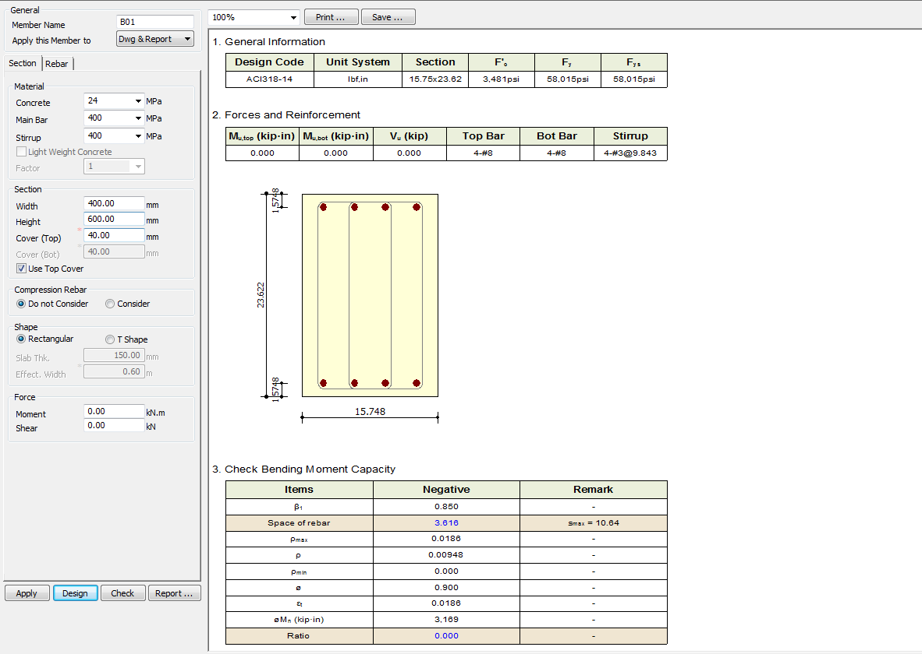
New window pops out for simply support or contineous beam to calculate Z for deep beam

 |  | Input Buttion and Radio Buttion for Torsion

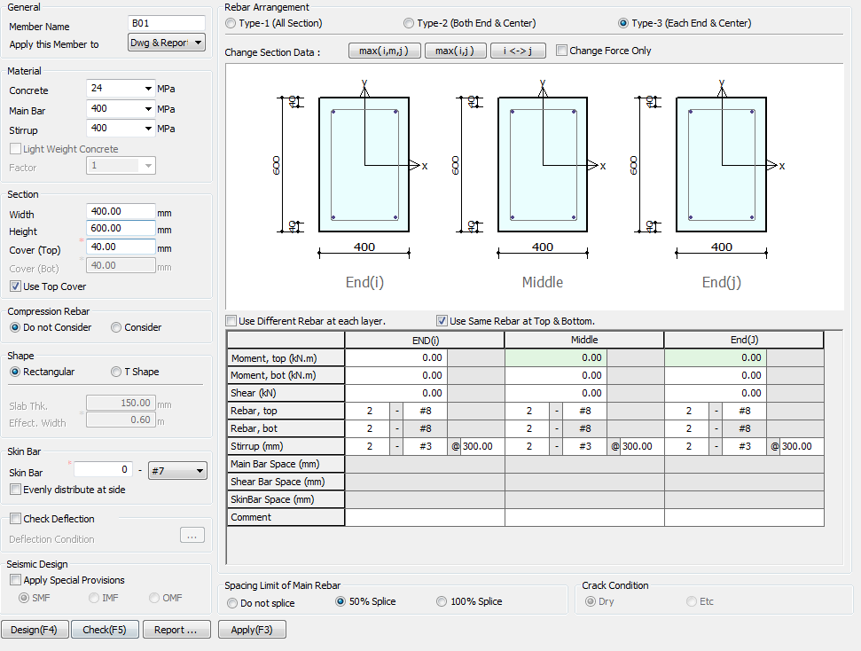

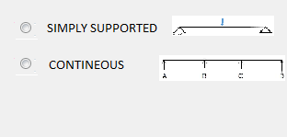

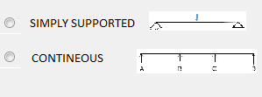

 |  | Input Buttion and Radio Buttion for Torsion

 |  |  |  |  | SELECT CONTINEOUS OR SIMPLY SUPPORTED BEAM

 | Include IS456:2000 Code in Design Code Block

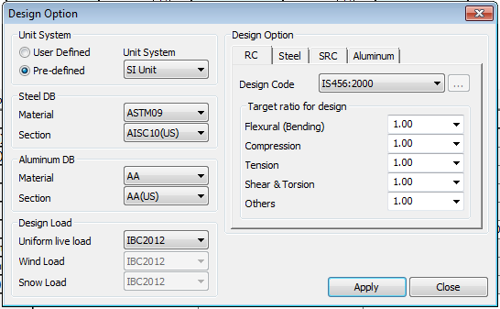

 |  |  |  | IS456:2000

 |  |  |  |  |  | INCLUDE DEEP BEAM IN THE DIALOG BOX

UI CHECK
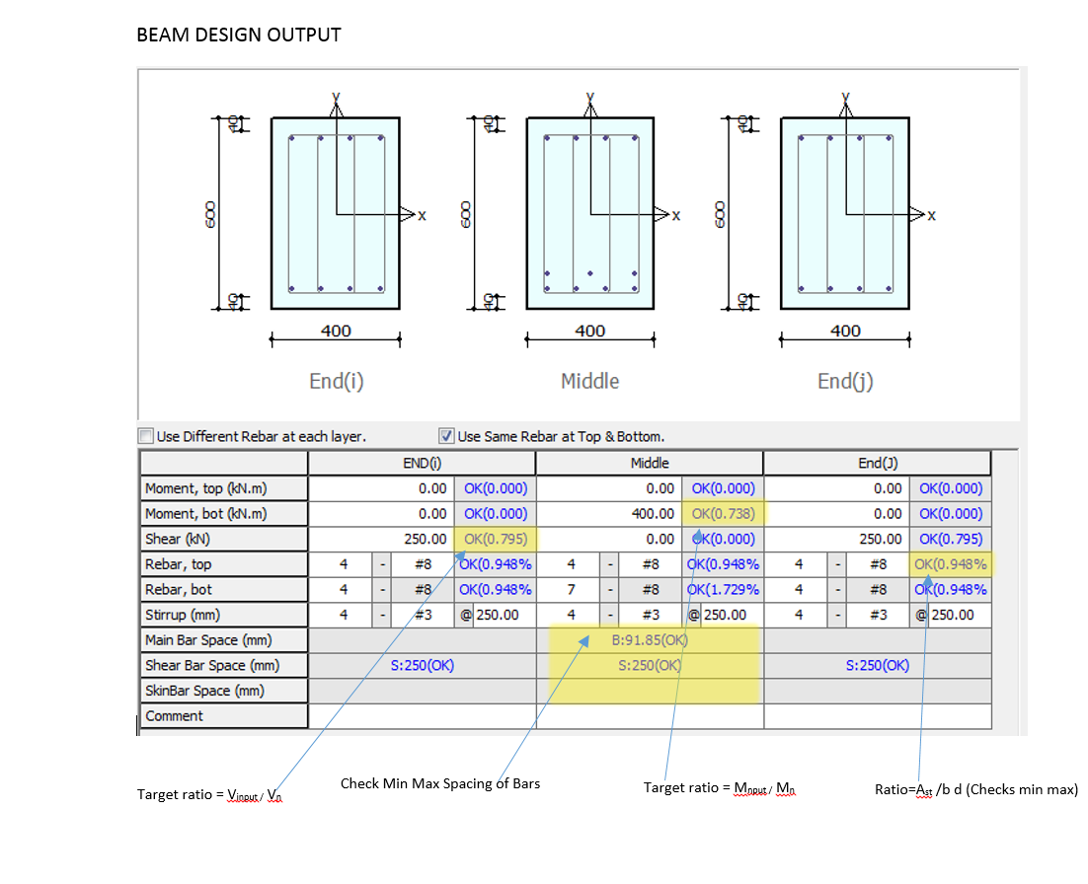
UI Checking

 | Checks the Input shear to section shear Capacity ratio
 | Checks the Input Moment toMoment section Capacity ratio
 | Check Min Max spacing of Bar
 | Check Min Max Area of steel
 | Check Deflection Limit as per code

Flow Chart
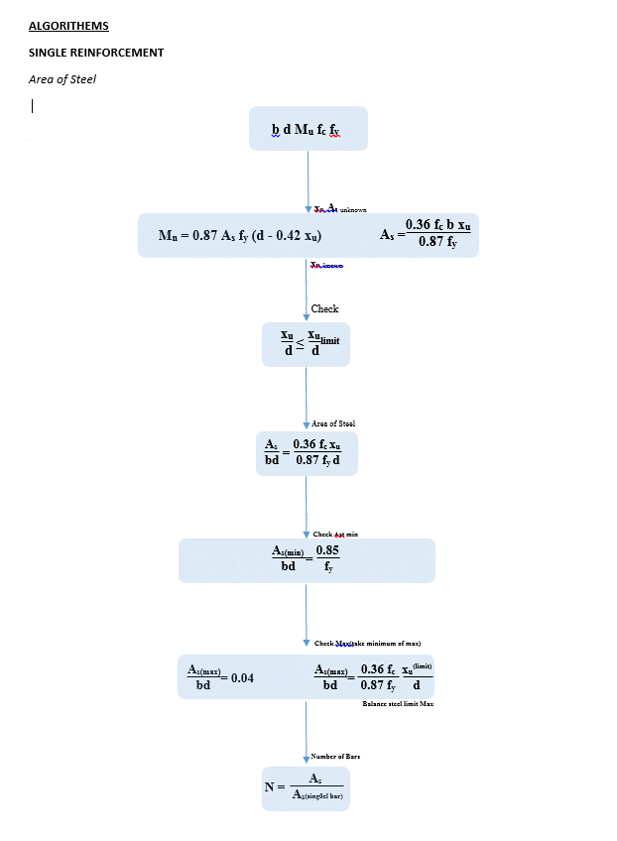
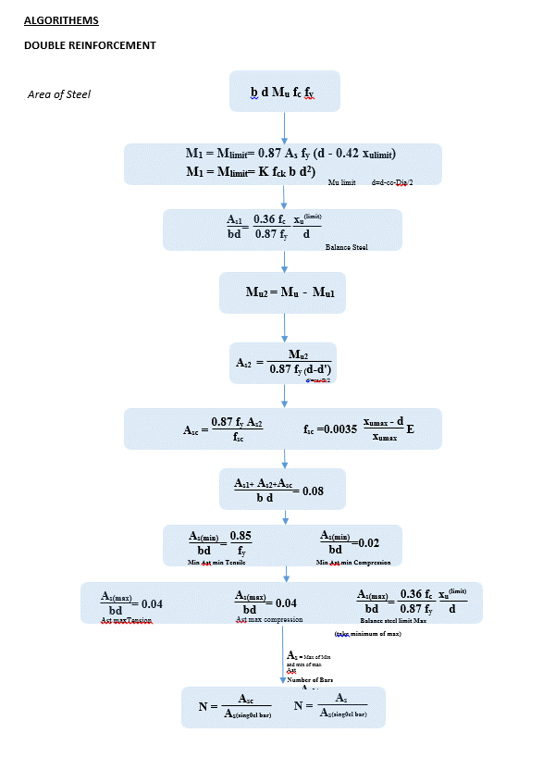
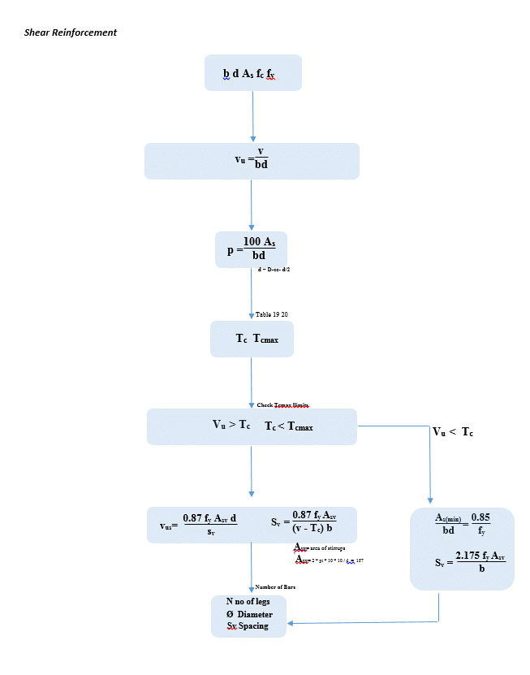
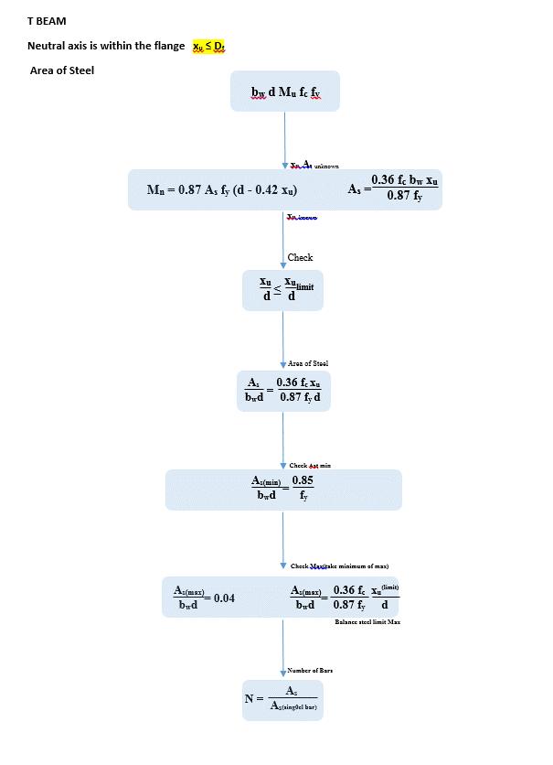
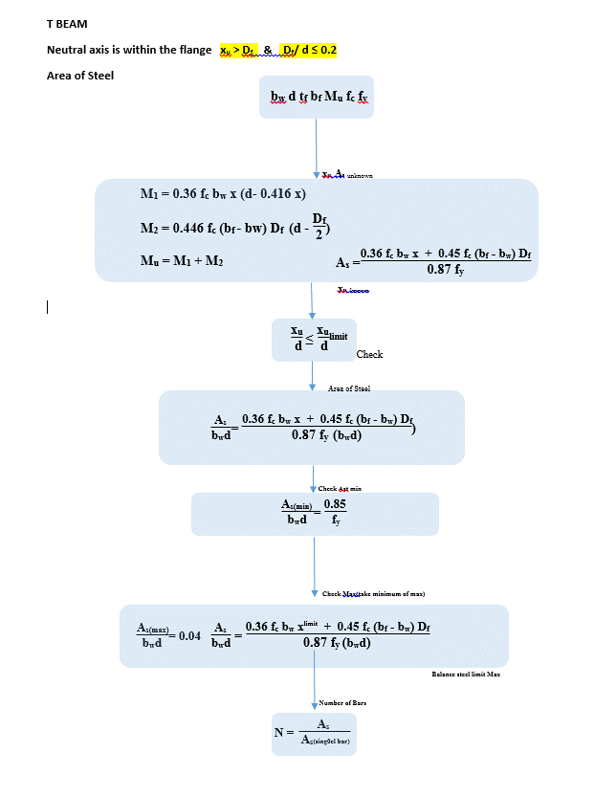
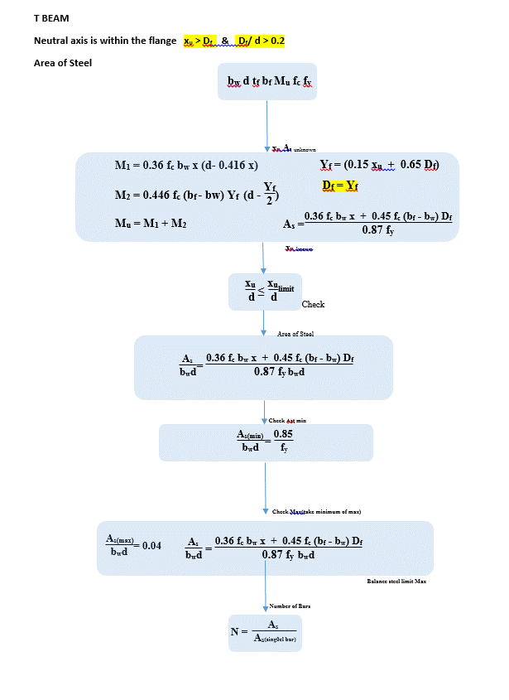
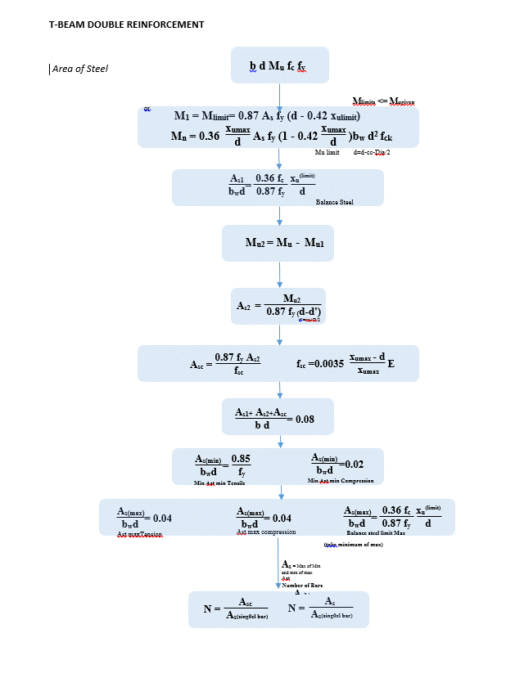
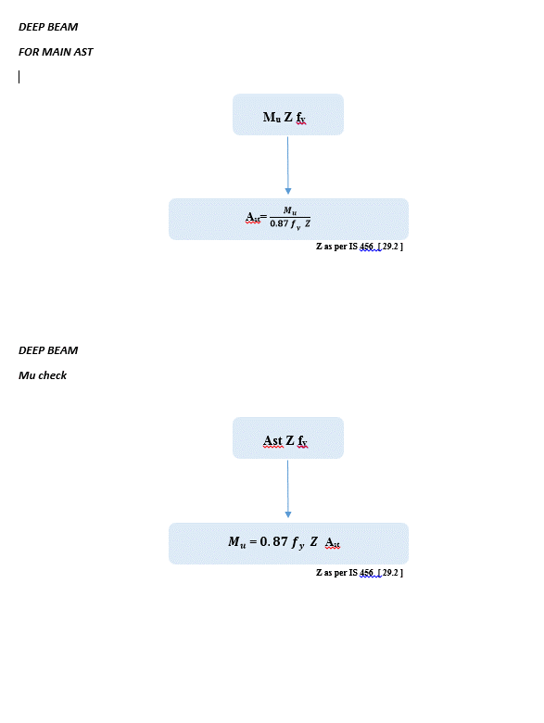
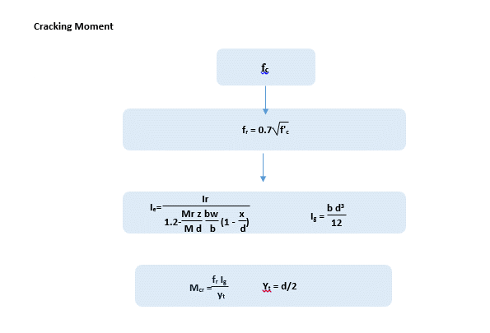
Flow Chart

FLOW CHARTS FOR EACH STEPS

Single Reinforcement
Double Reinforcement
T & L Beam
Deep Beam

REPORT
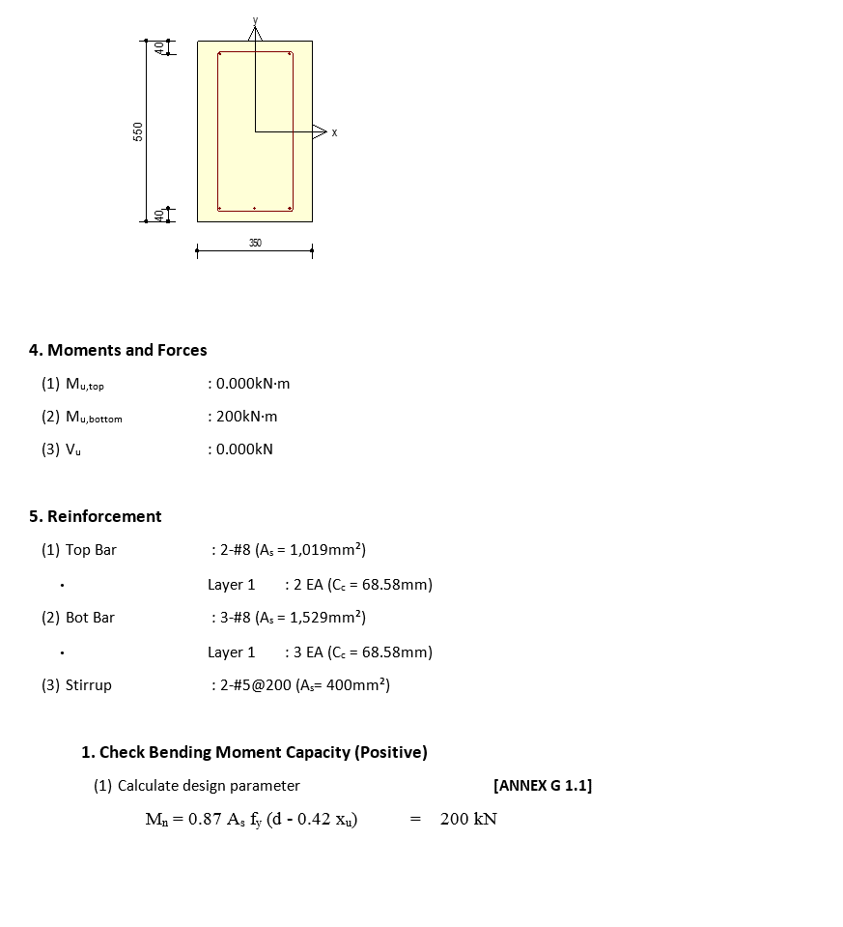
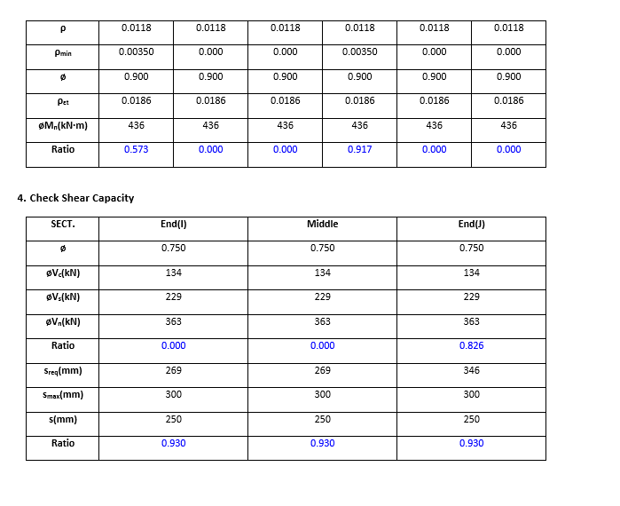
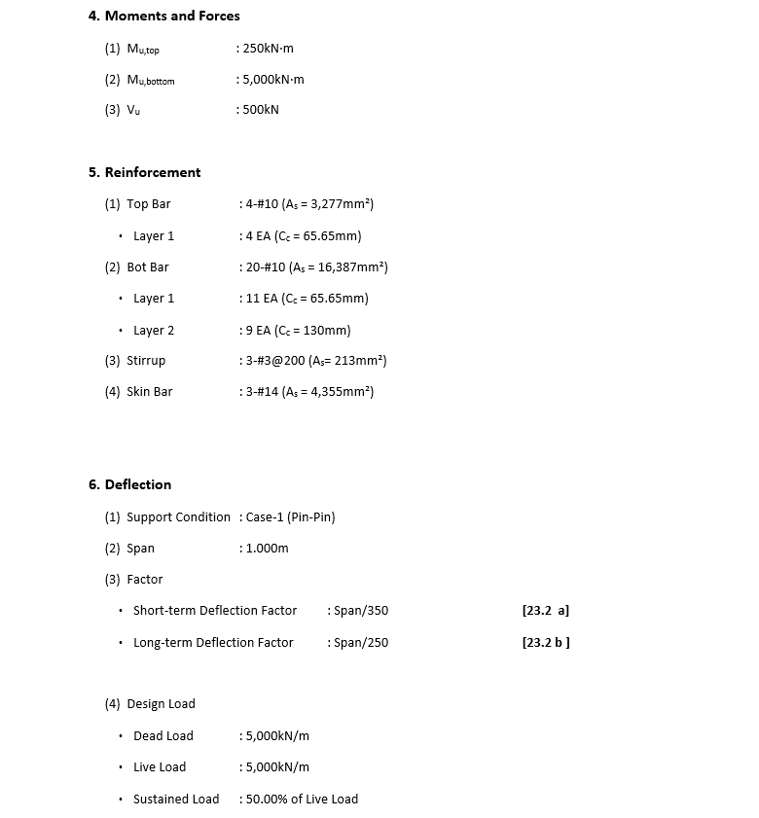
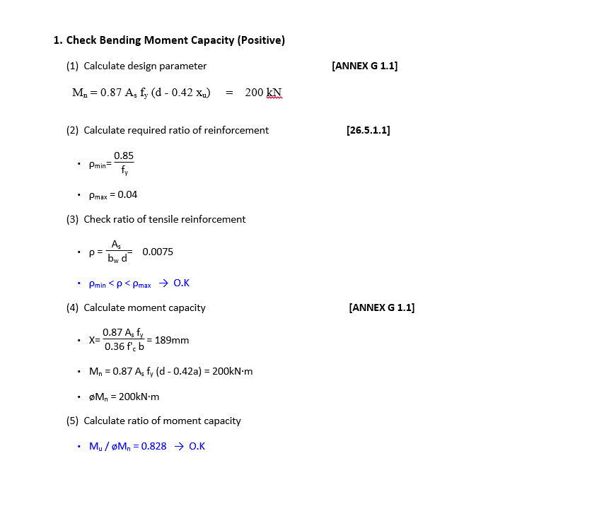
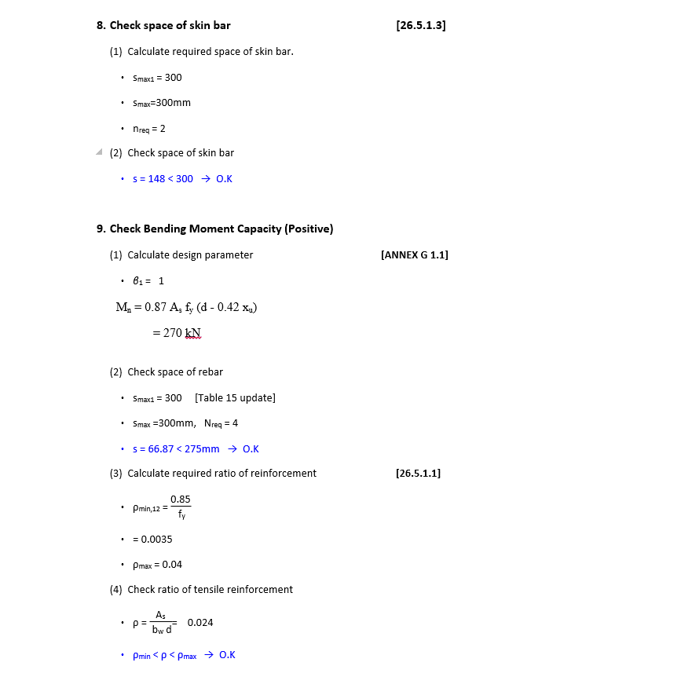
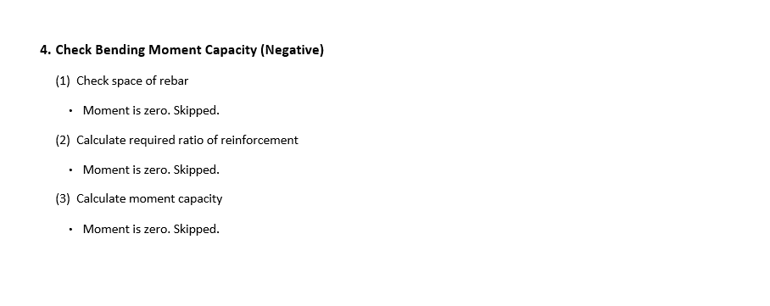
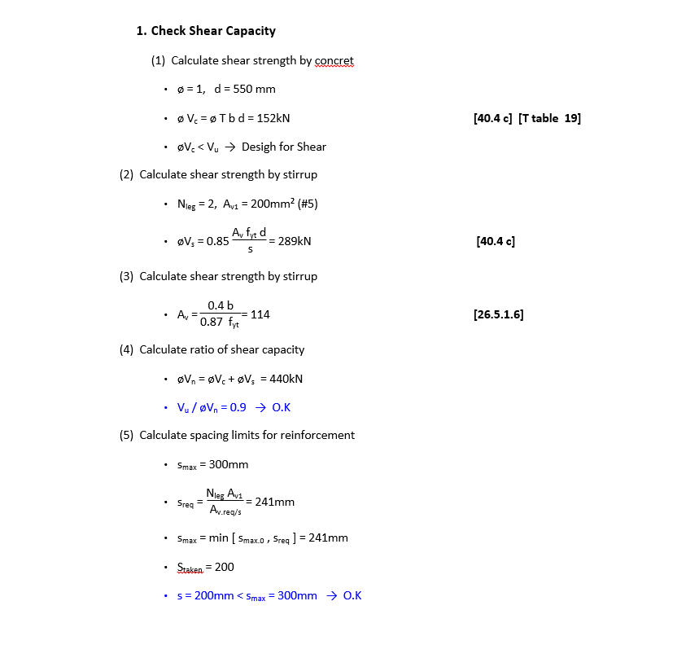
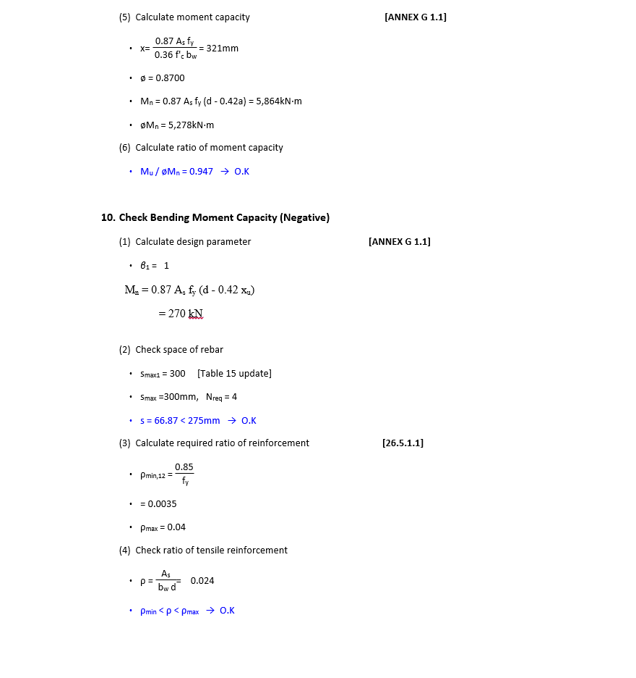
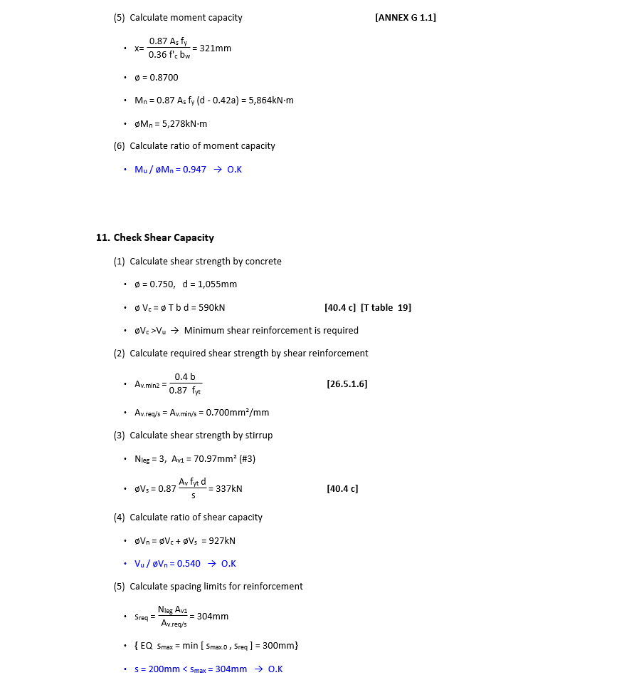
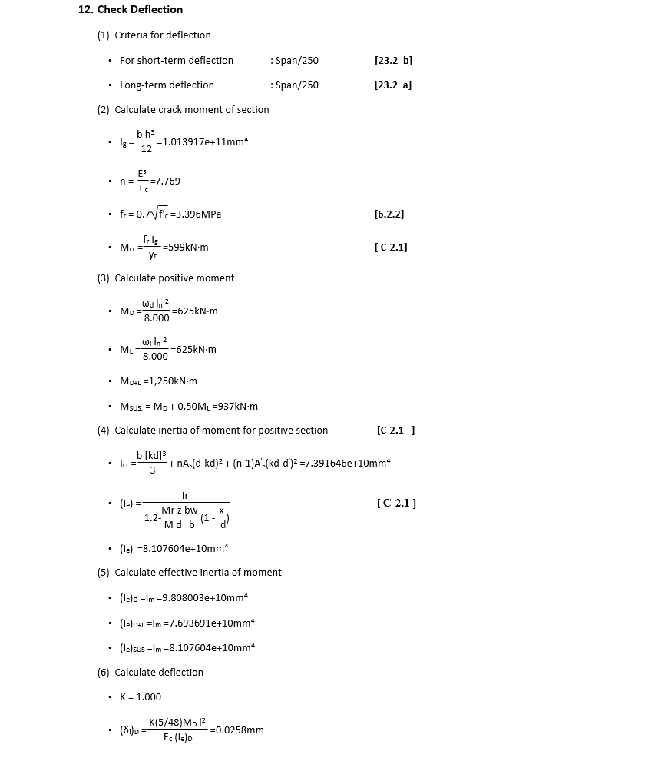
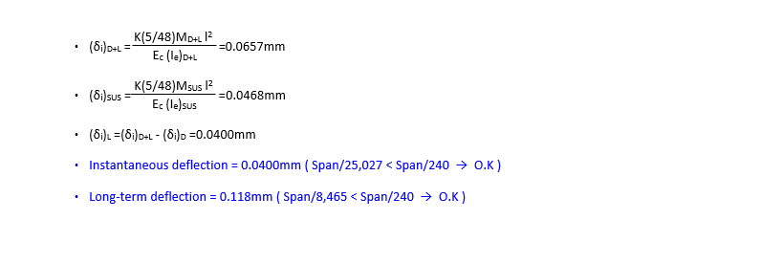
 | REPORT

 |  |  |  | For T L deep Beam Change Moment Formullas
DETAIL REPORT |  | Double reinforcement deflection + skin reinforcement | Summary Report
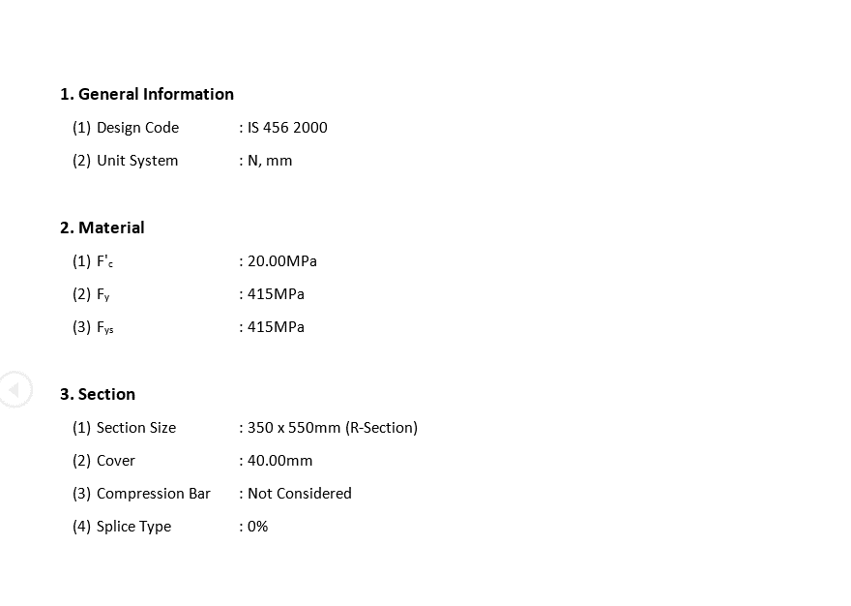
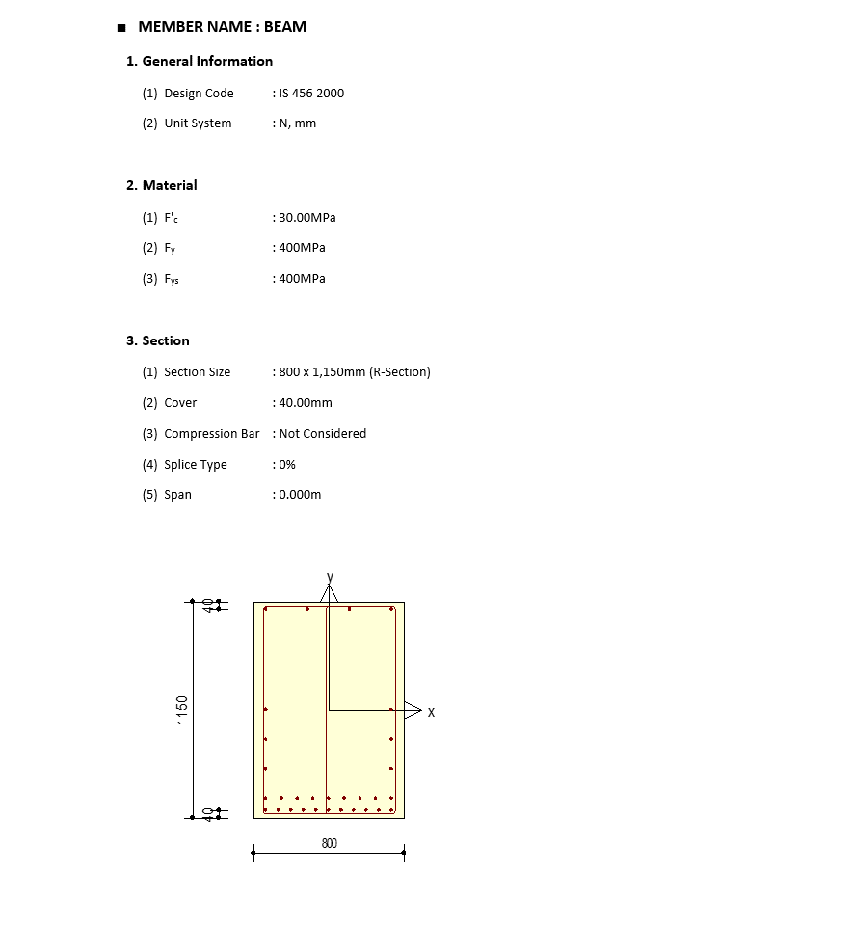
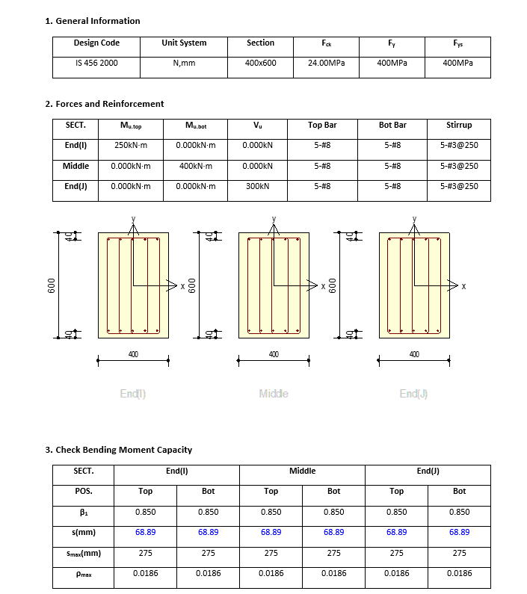

 |  |  |  |  |  | T BEAM

 |  |  |  |  |  |  | T BEAM

 |  |  |  |  | DEEP BEAM

CODE PROVISIONS
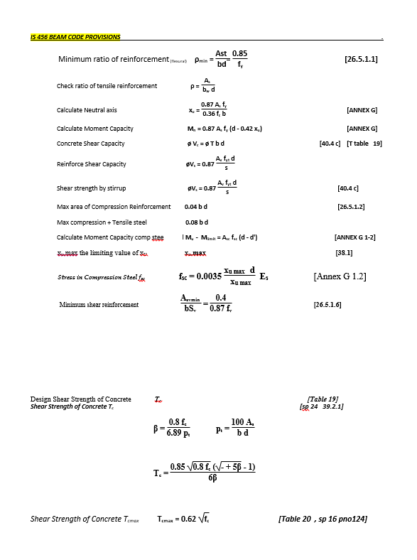
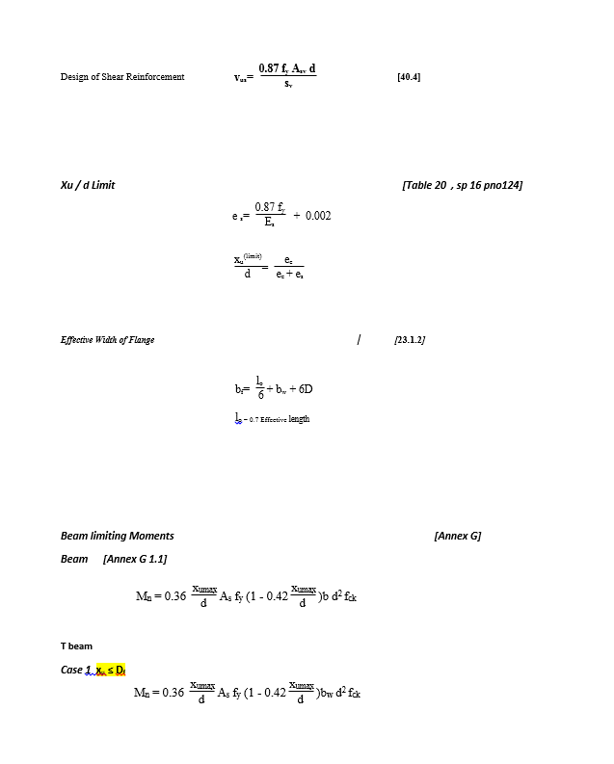
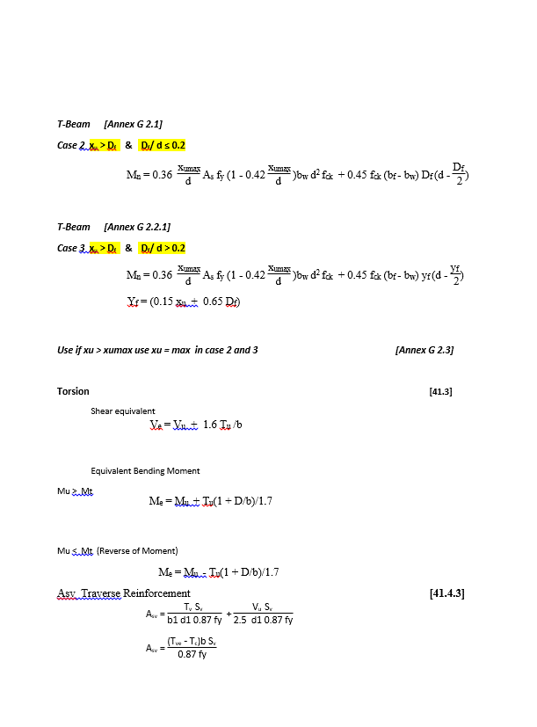
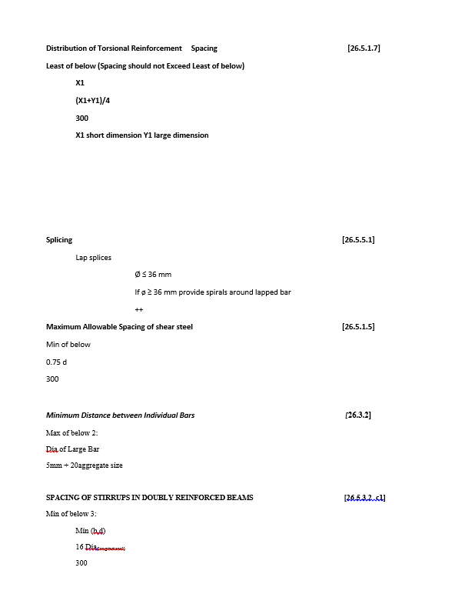
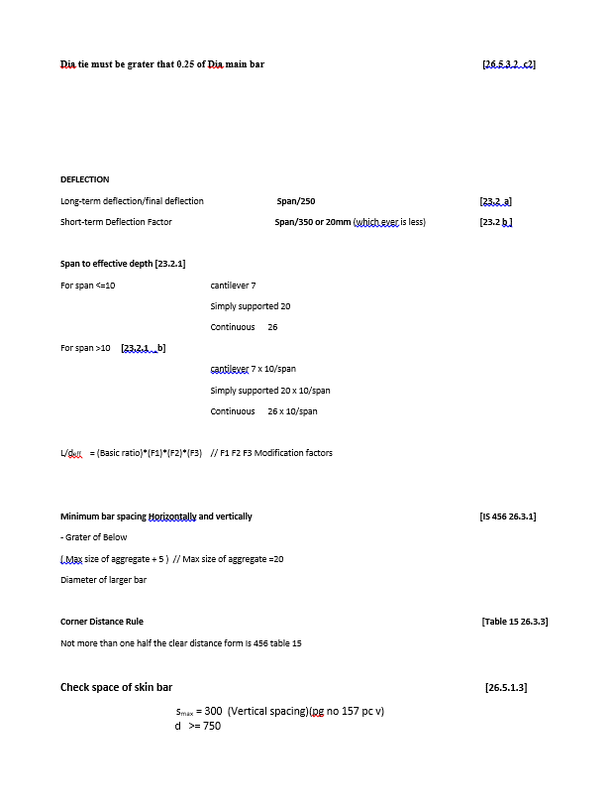
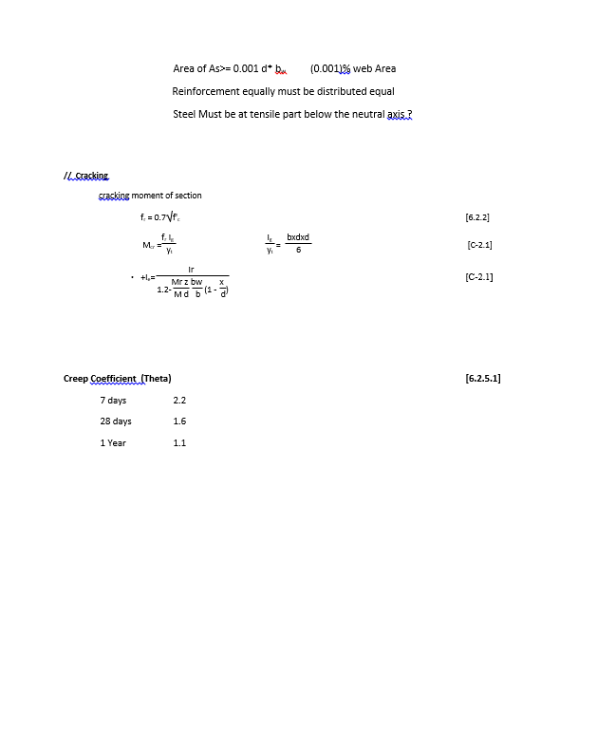
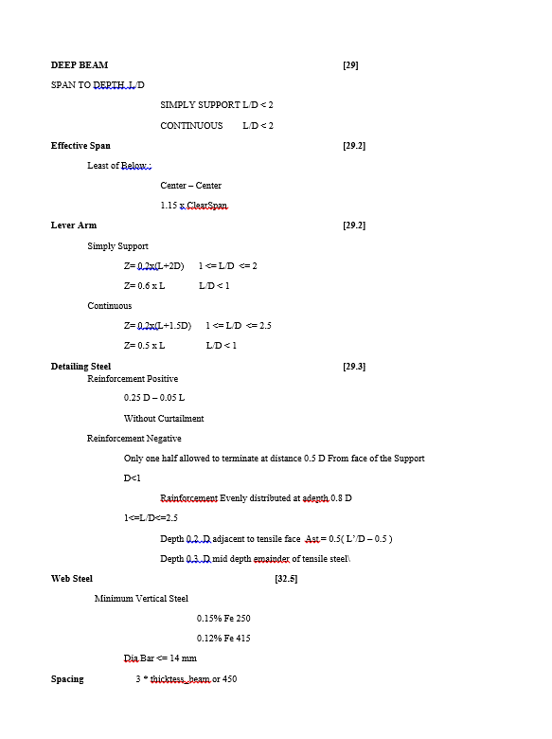
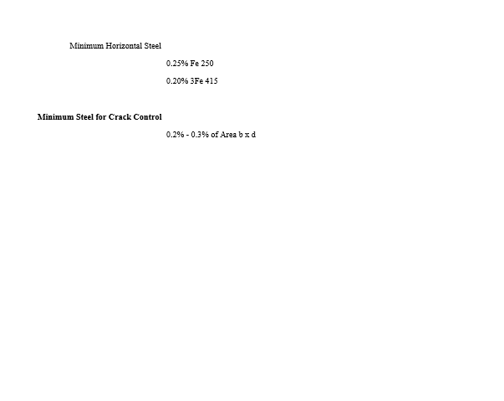
CODE PROVISION

IS 456 2000 CODE PROVISIONS
SP 16
SP 24

