UI Changes
 |  | Required Changes in UI

PROJECT MODE |  |  | SIMPLE MODE | CHECKMODE
SAME GUI + ADDITIONAL FEATURES IF REQUIRED
 | TORSION INPUT FROM TABLE |  | TORSION INPUT BOX
 | Deflection input changes
 | Out Put Replace short term and long term with Total Deflection and Include Crack width if required !

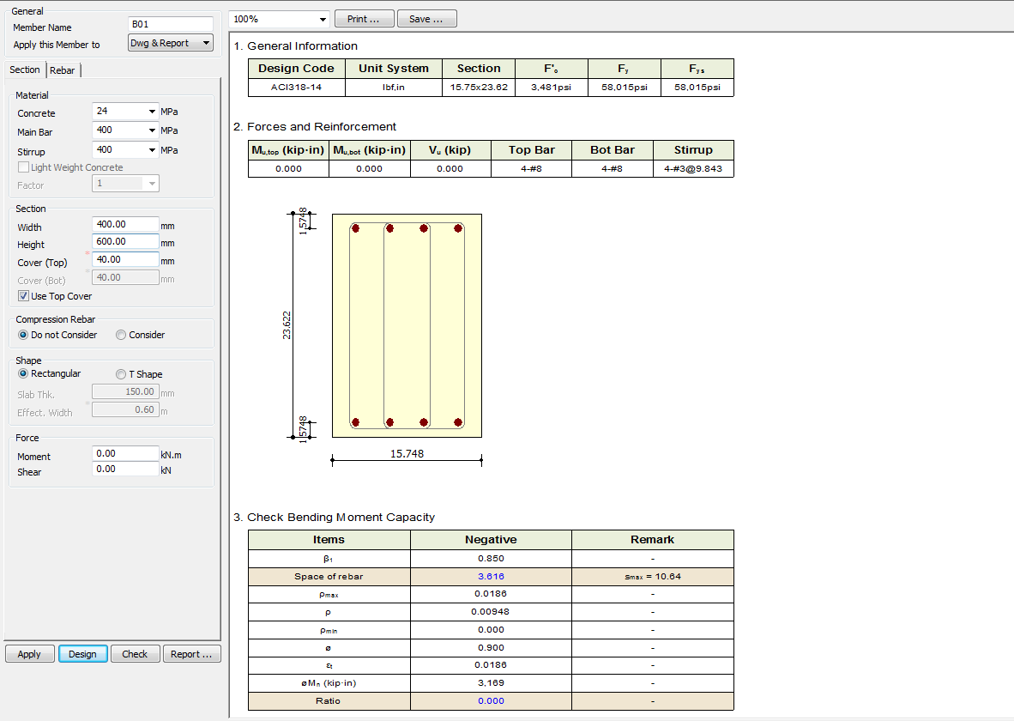
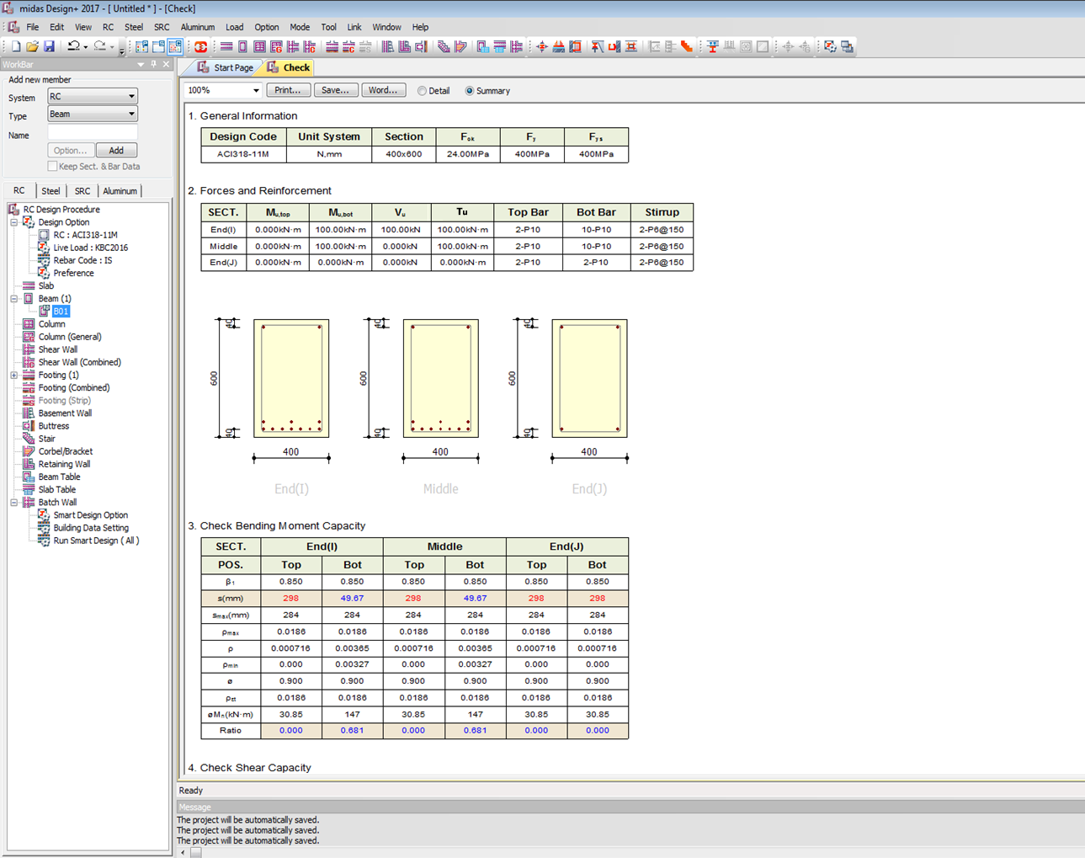

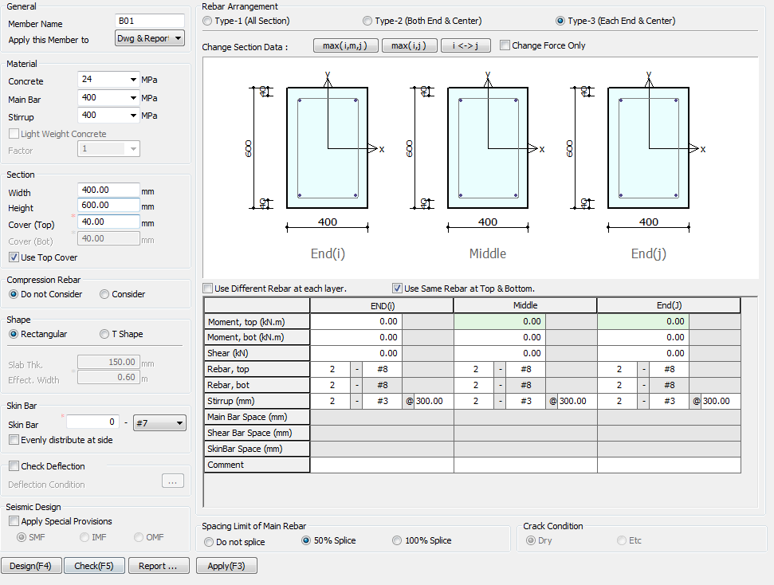

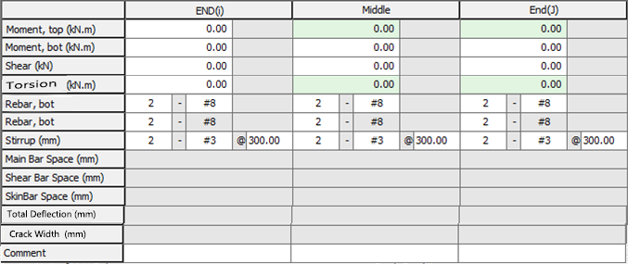

Torsion (KN m)
Torsion
0
kN-m

Side Face Reinforcement
Side Bar

Total Deflection (mm)
Crack Width (mm)

Apply IS 13920 Design

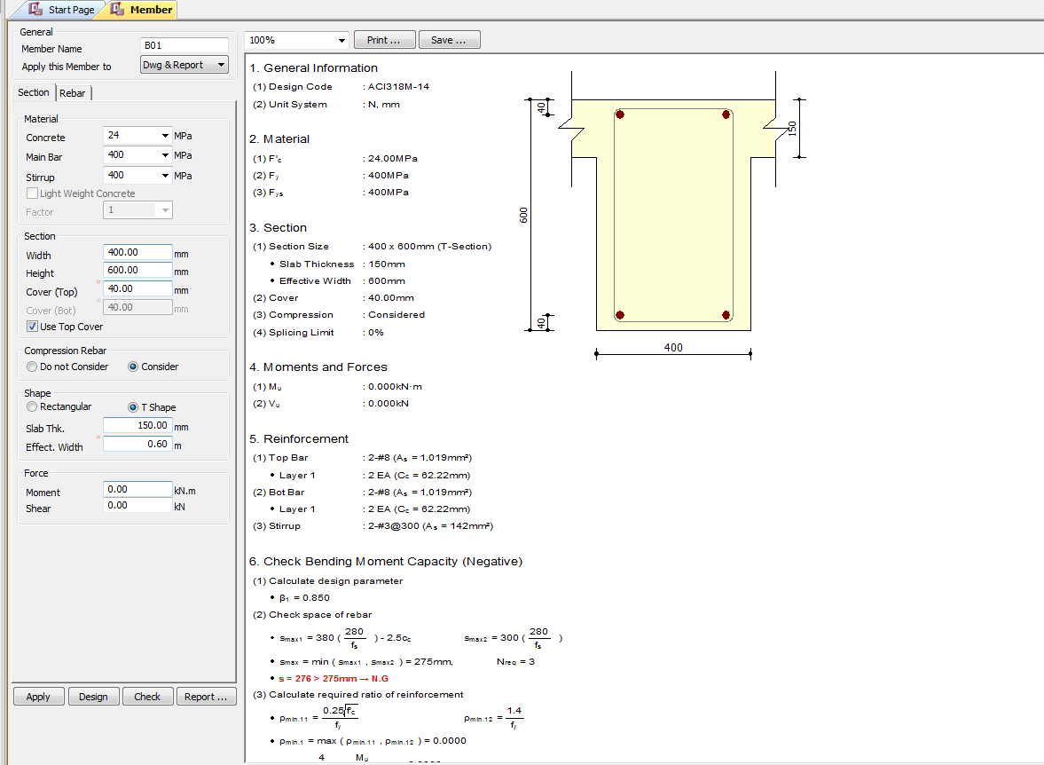

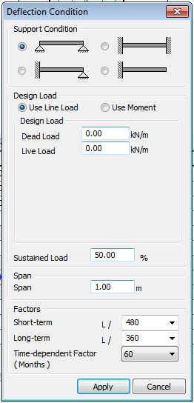

(3)TU : 0.000KN-m
Charactersic Deflection Control
Limit
250
350

7
28
365
(Days)
Torsion
0
kN-M

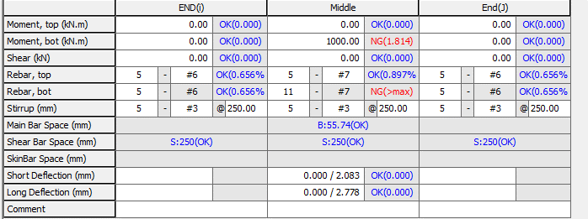

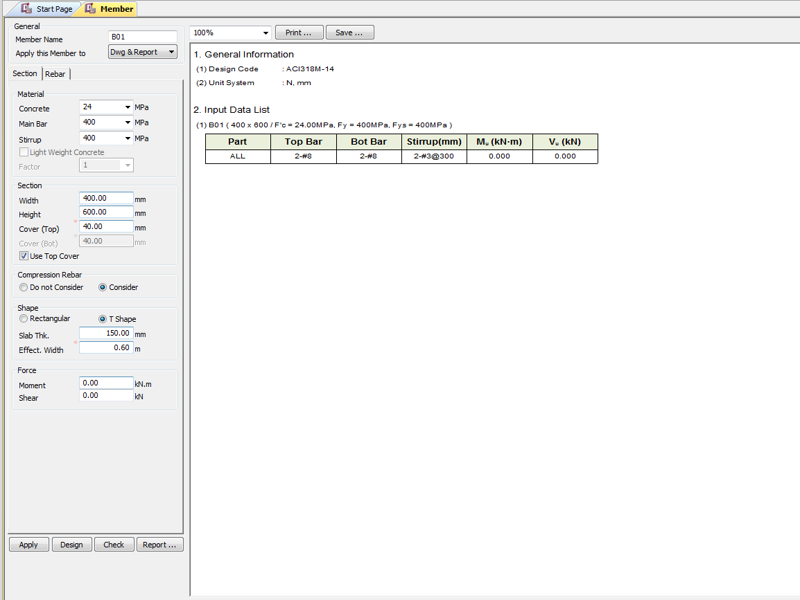

Torsion
0
kN-m

UI CHECK
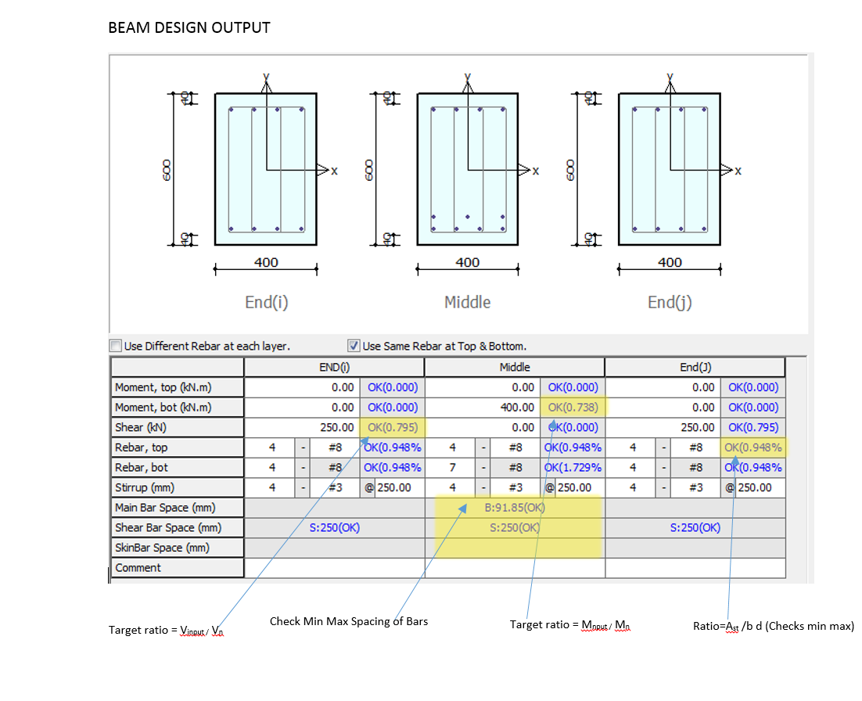
UI Checking

 | Checks the Input shear to section shear Capacity ratio
 | Checks the Input Moment toMoment section Capacity ratio
 | Check Min Max spacing of Bar
 | Check Min Max Area of steel
 | Check Deflection Limit as per code

CODE PROVISIONS
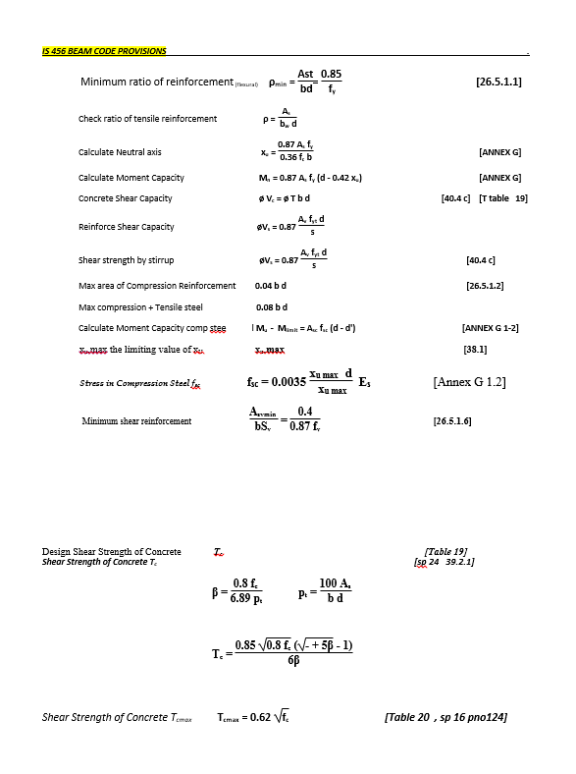
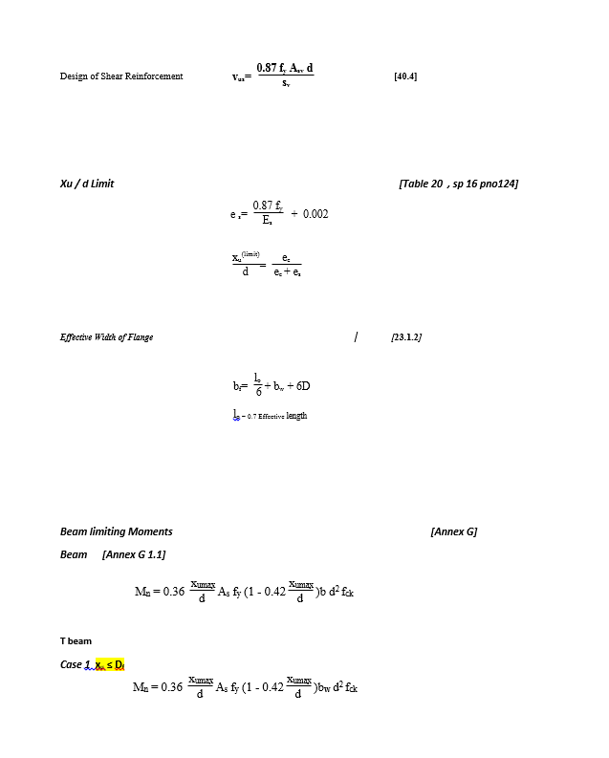
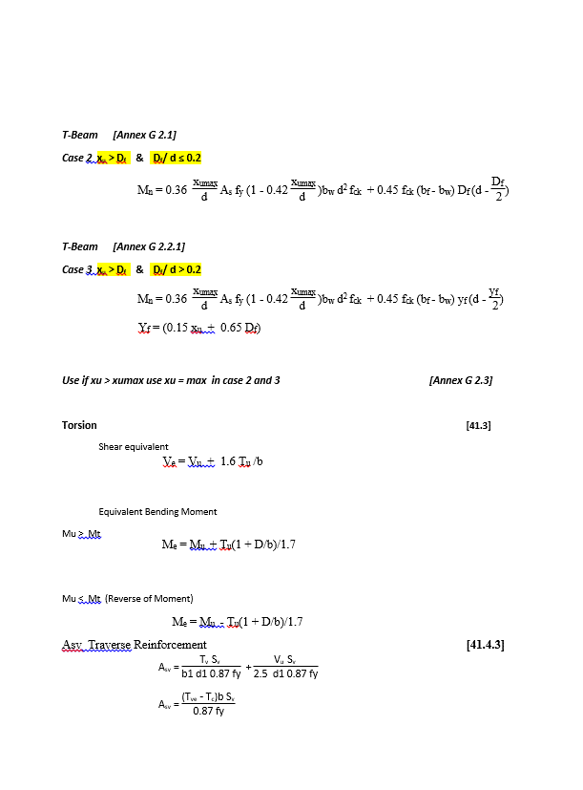
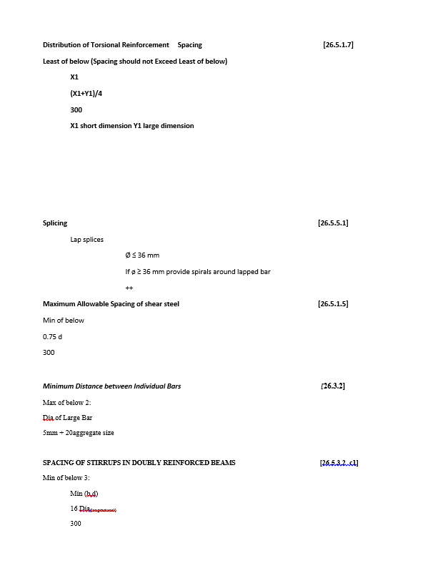
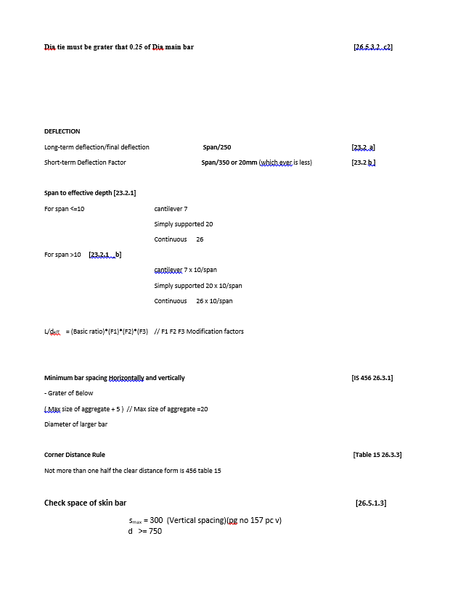
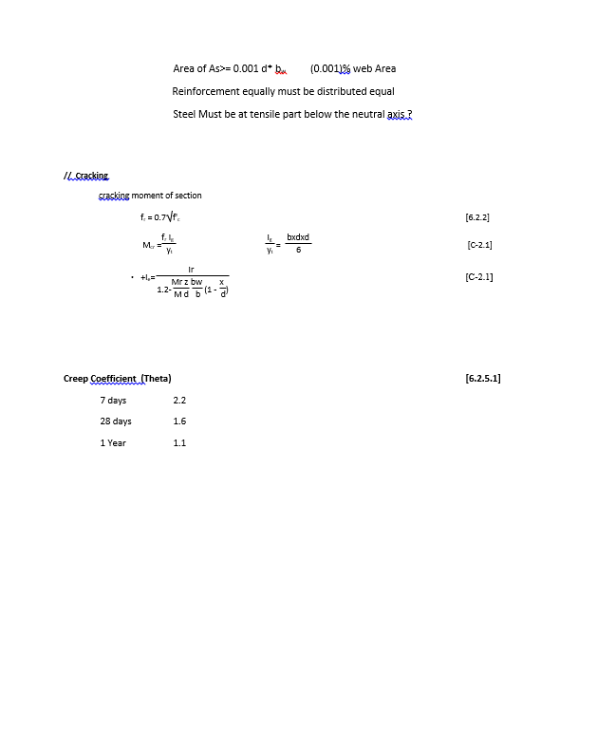
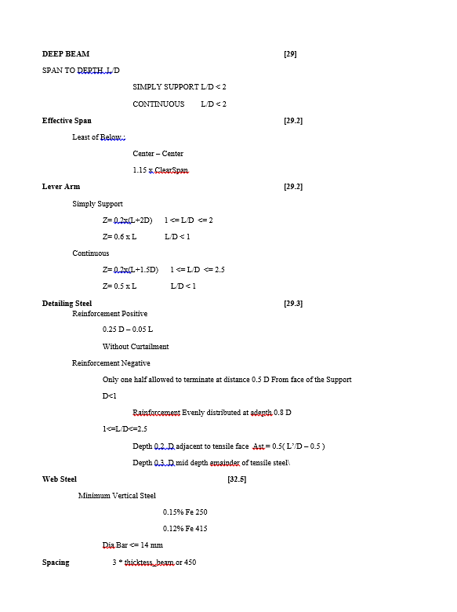
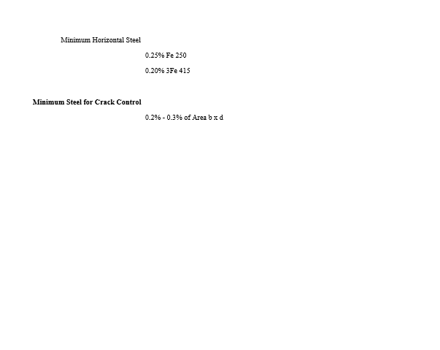
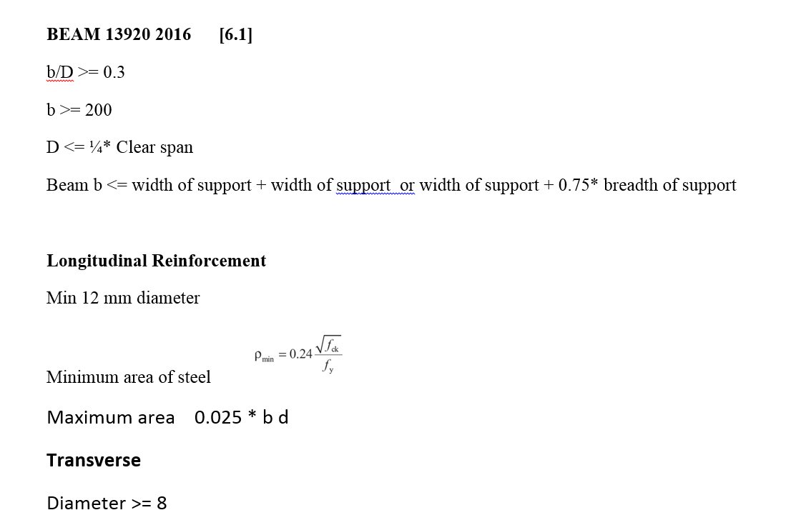
CODE PROVISION

IS 456 2000 CODE PROVISIONS
SP 16
SP 24
IS 13920 2016

FLOWCHART4
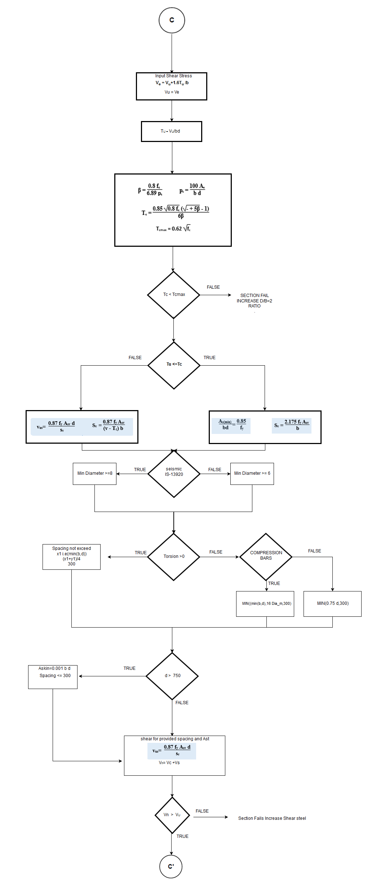
Flow Chart

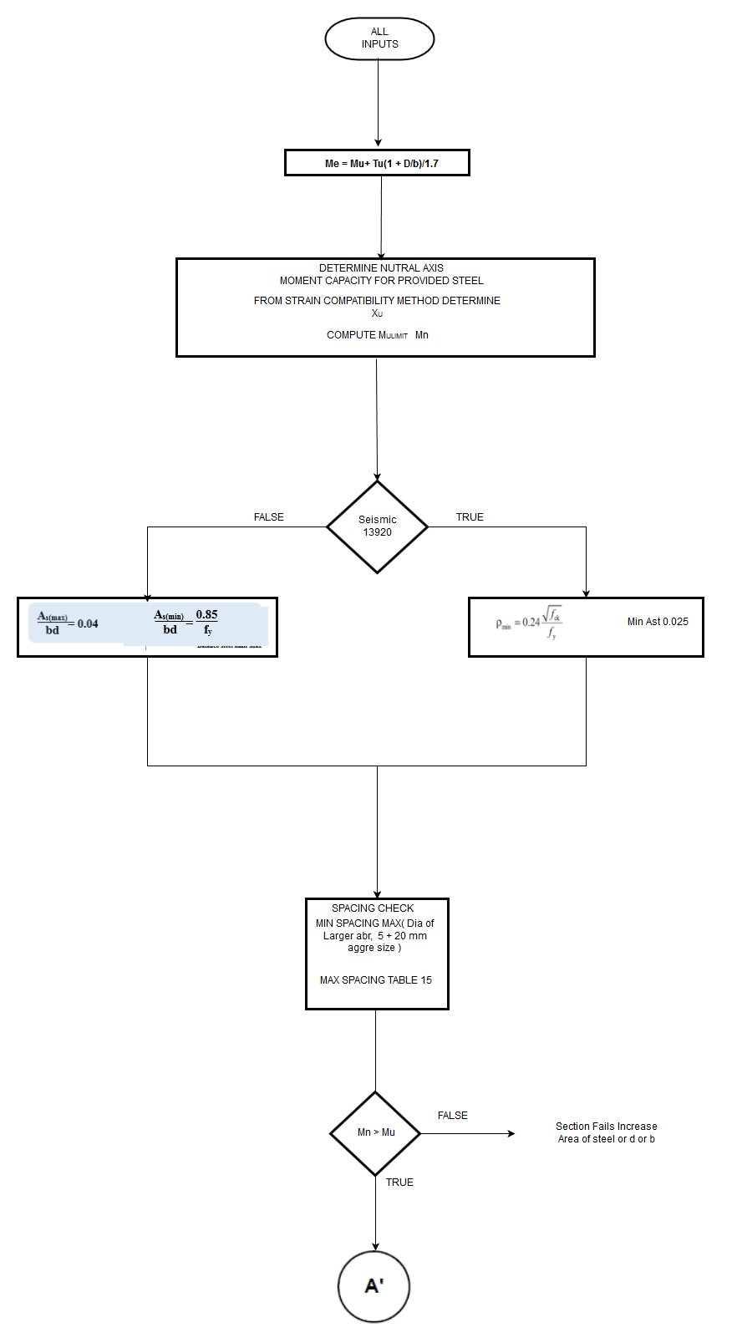
FLOW CHARTS FOR EACH STEPS

Flexural

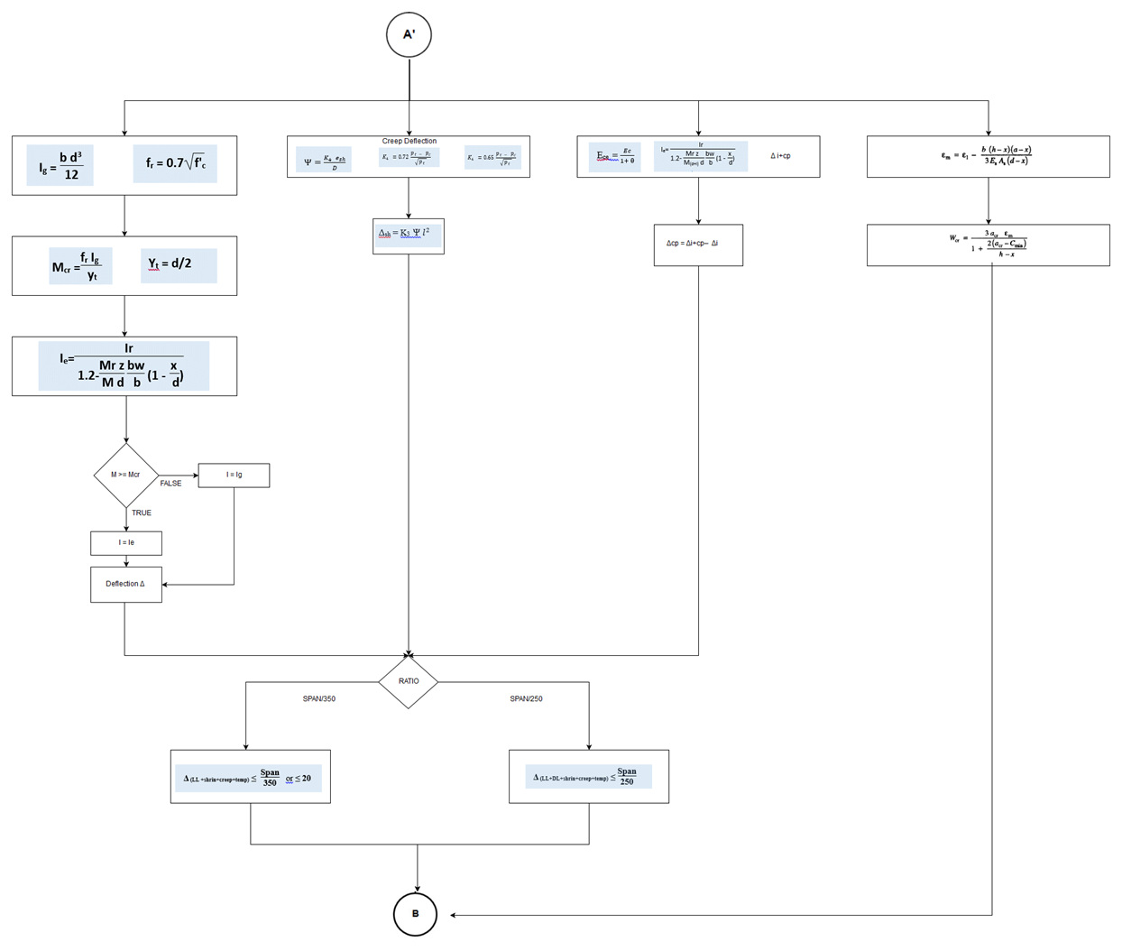

DELFECTION AND CRACK

REPORT3
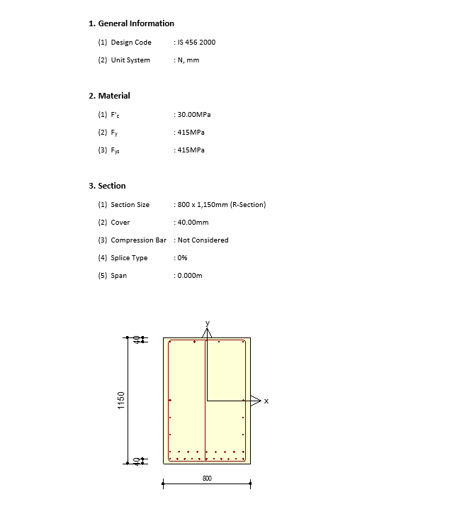
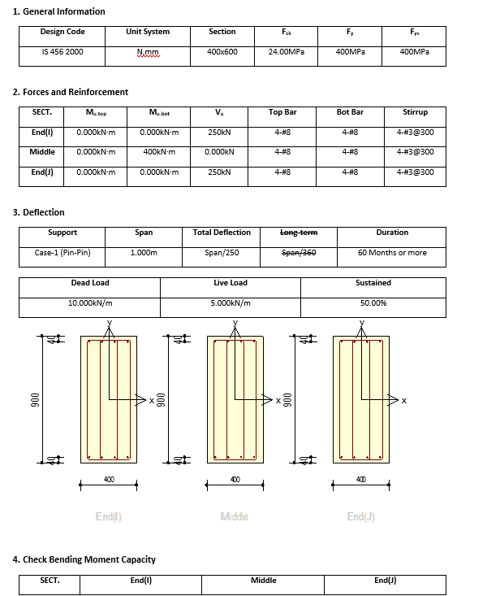
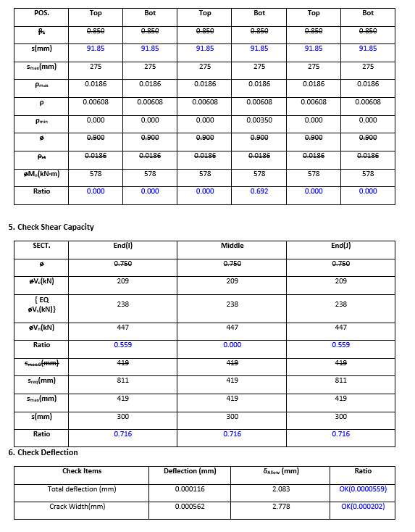
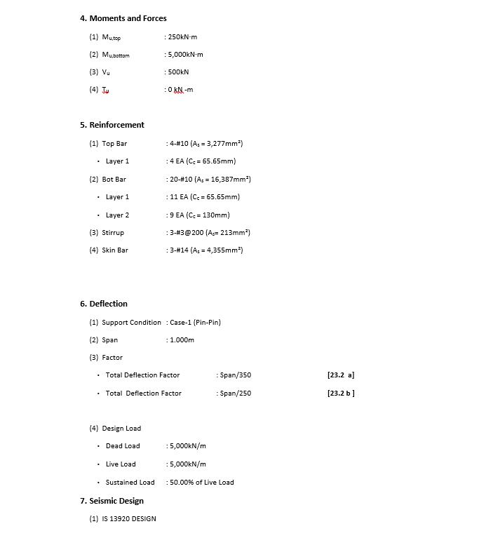
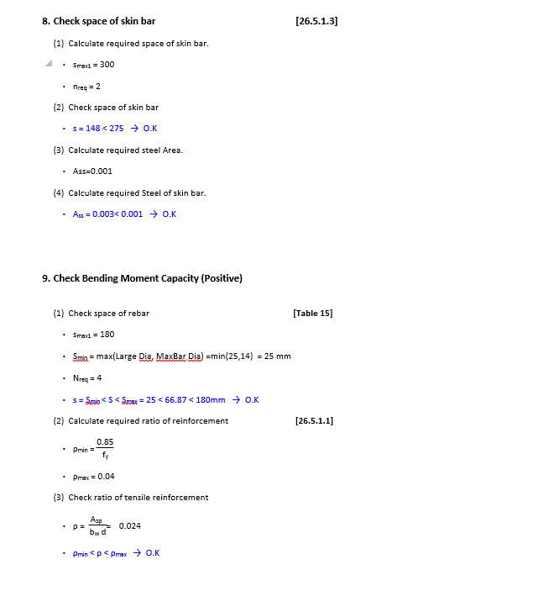
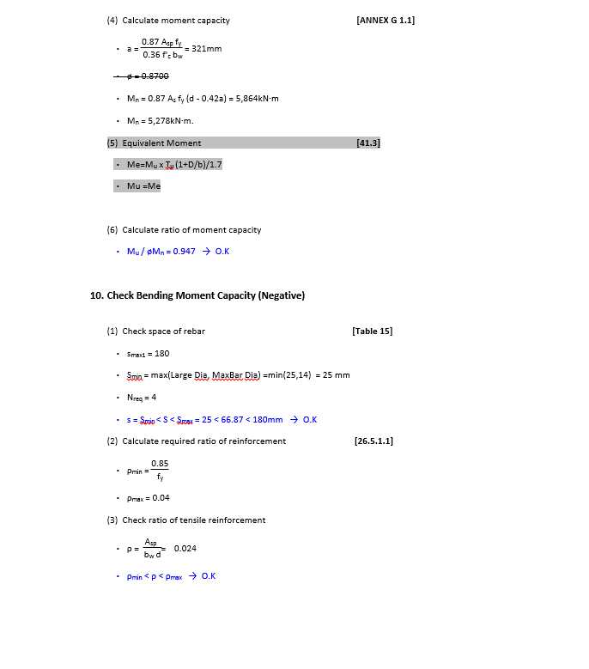
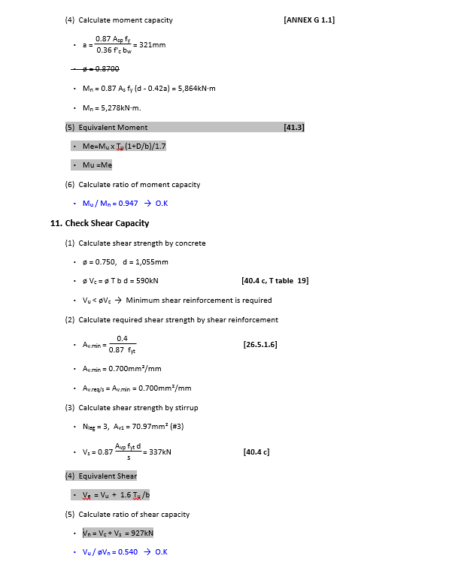
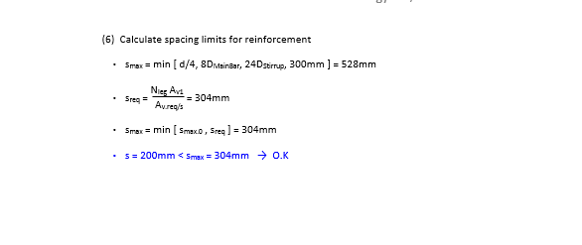
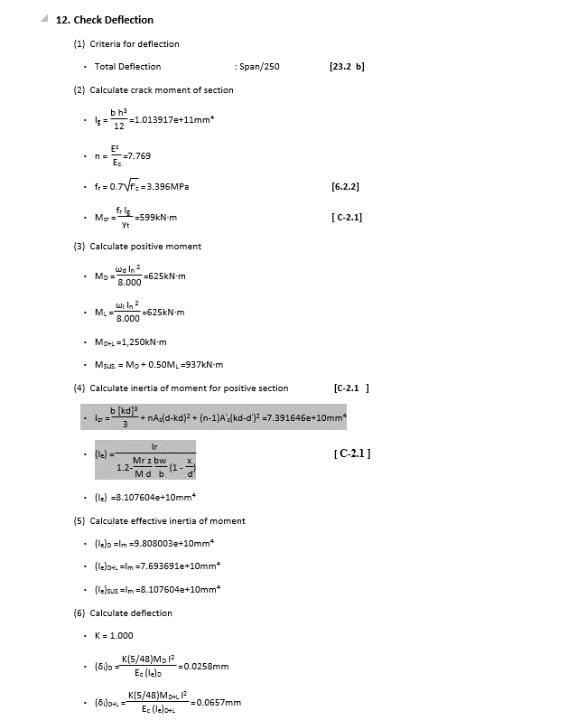
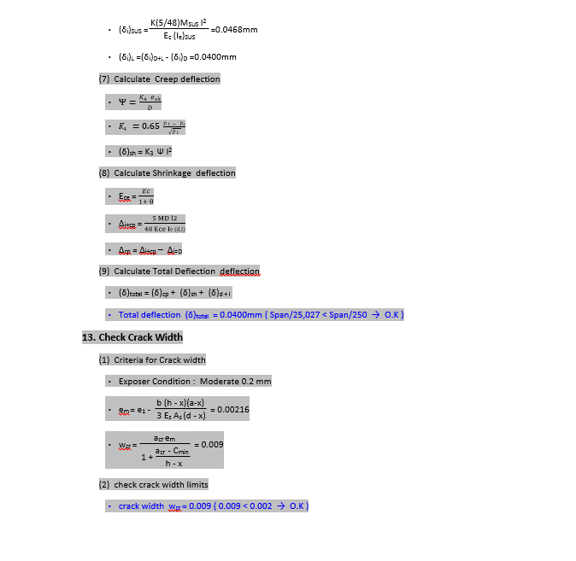
 | REPORT

Detail Report |  | Summary Report

