UI Changes
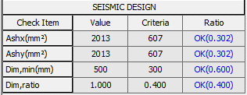
 |  | Required Changes in UI

PROJECT MODE |  |  |  | SIMPLE MODE | CHECKMODE
SAME GUI + ADDITIONAL FEATURES IF REQUIRED
 | Selection of Tie Bar or Spiral Bar Radio Buttion as per Gen style

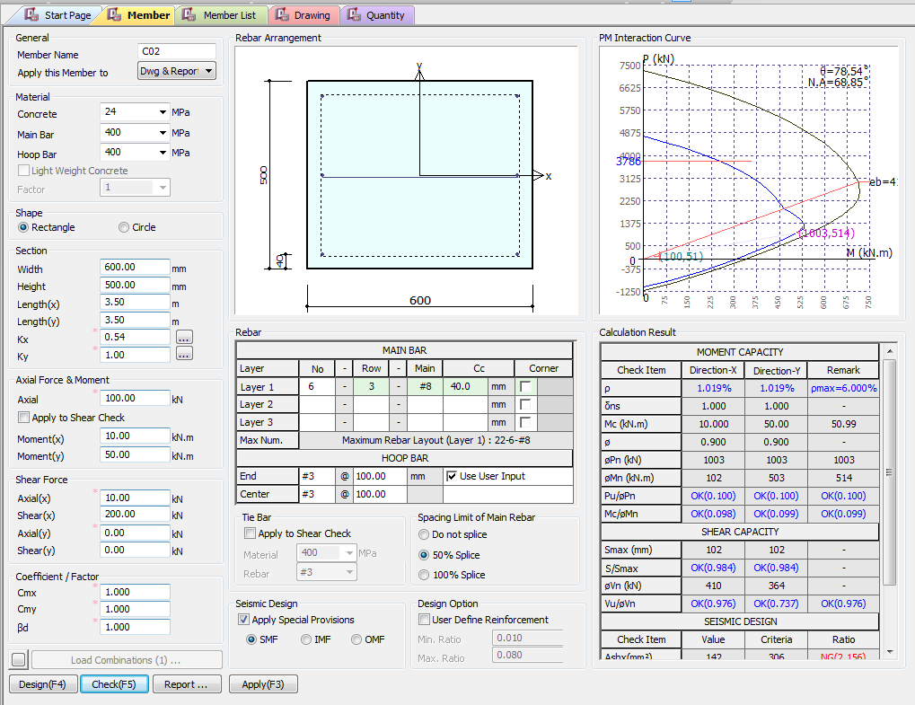
 |  |  | Gen Style
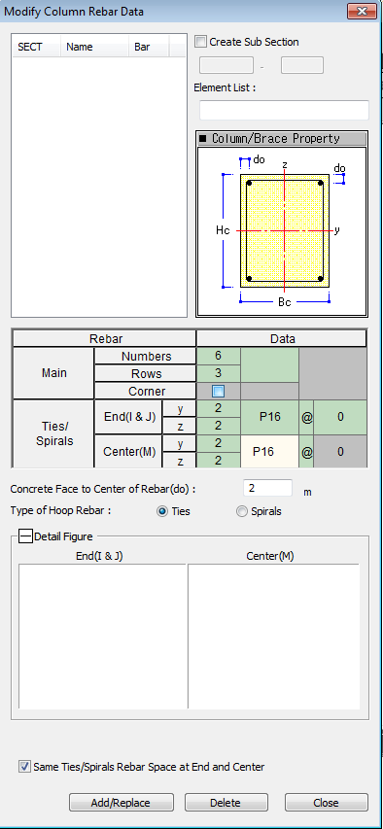

Type of Hoop Rebar
Ties
Spiral

UI CHECK
 | UI Checking

 | Checks

Effective Length inputs as per Annex E

 |  |  | Area of Steel/bxd
 |  |  | Area of Steel/bxd
 |  |  | Show ast Max as per code

 |  |  | Pprovided/Pinput

 |  |  | Mprovided/Minput

 |  |  | Vinput/Vprodived Check

Script
 |  | Sprovided/Smax

CODE PROVISIONS
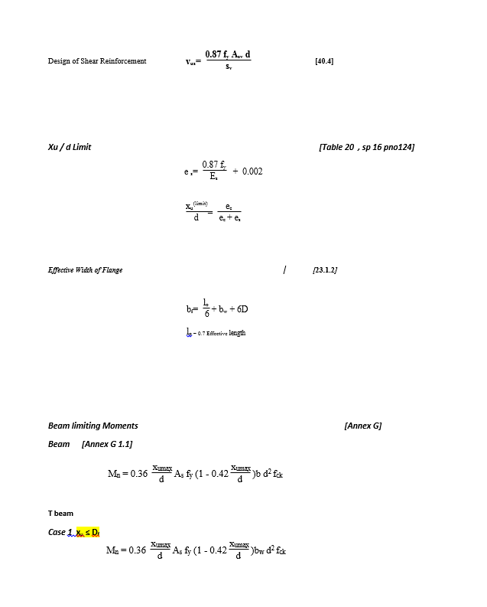
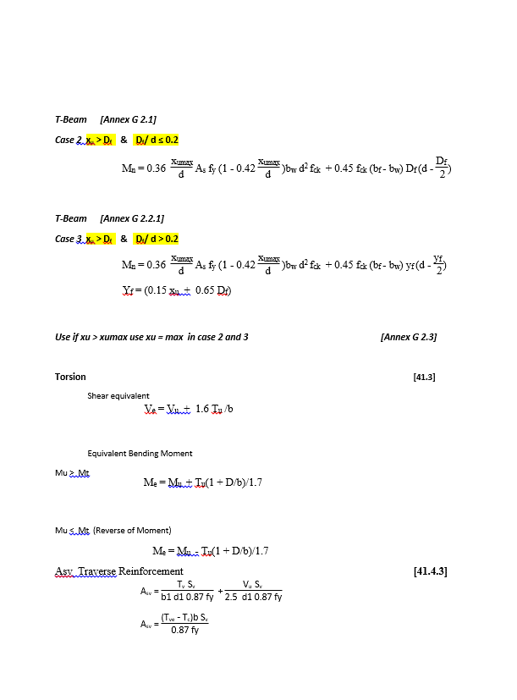
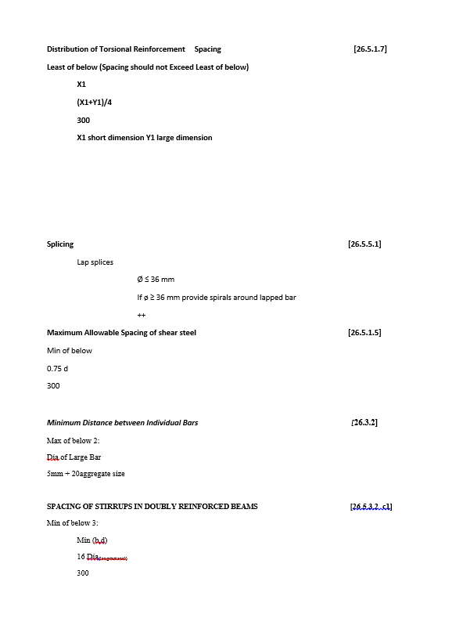
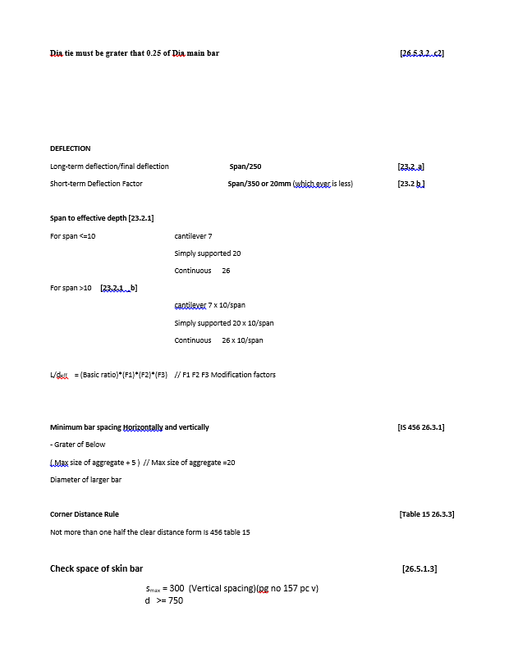
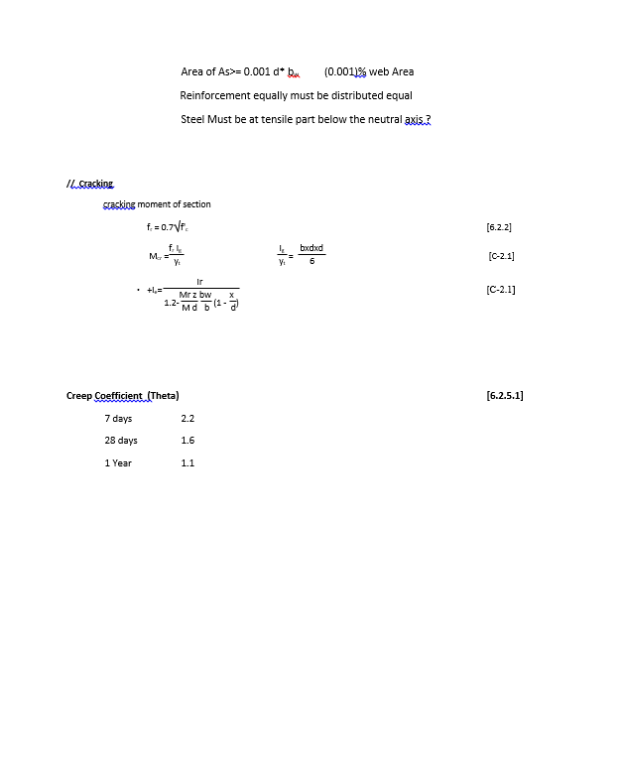
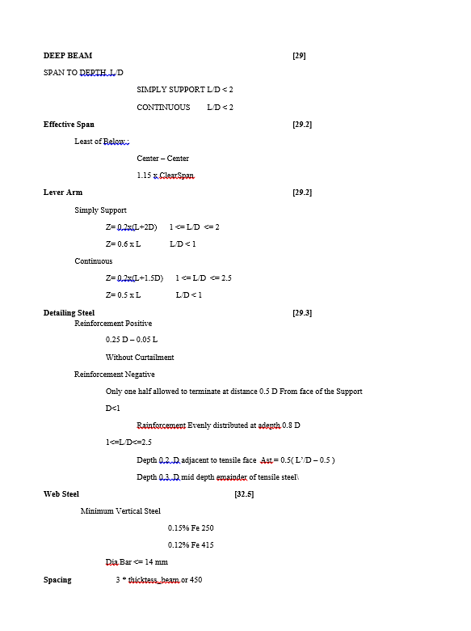
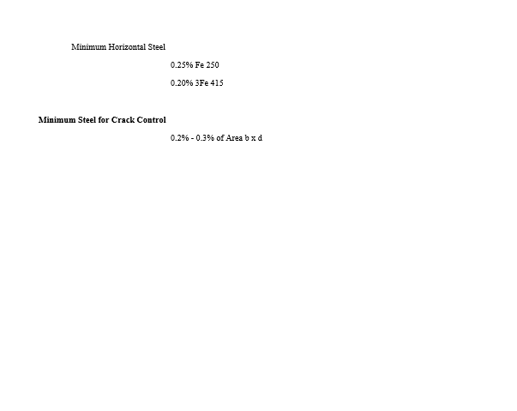
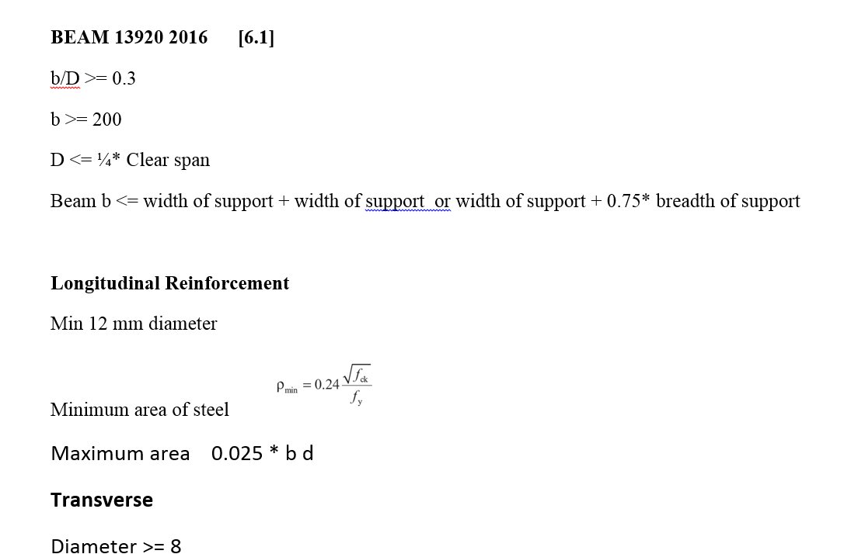
CODE PROVISION

IS 456 2000 CODE PROVISIONS
SP 16
SP 24
IS 13920 2016

FLOWCHART4
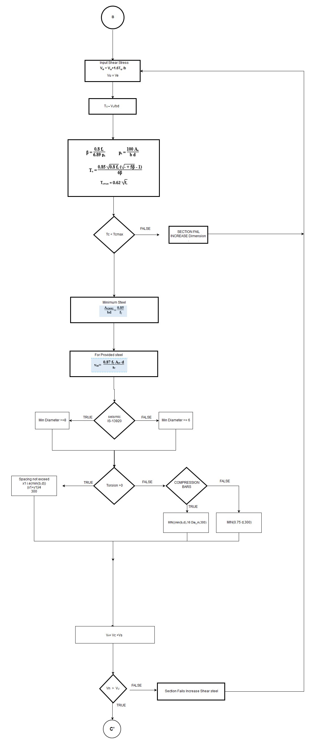
Flow Chart

FLOW CHARTS STEPS

Flexural

REPORT3
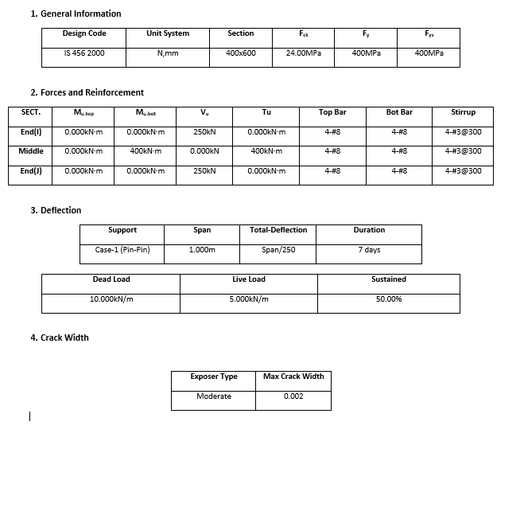
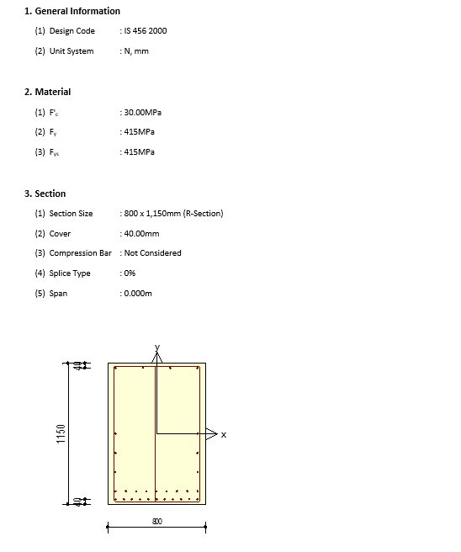
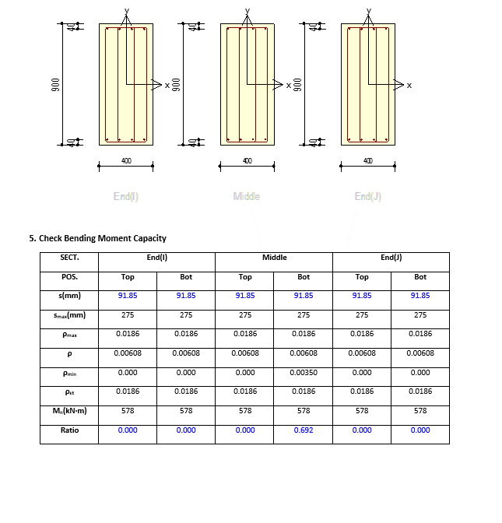
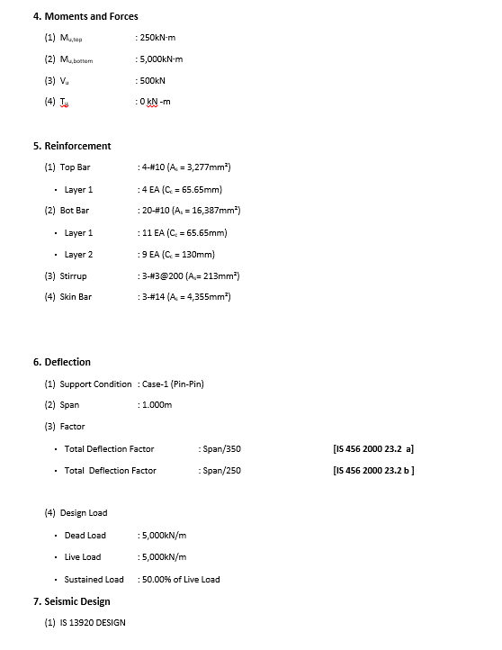
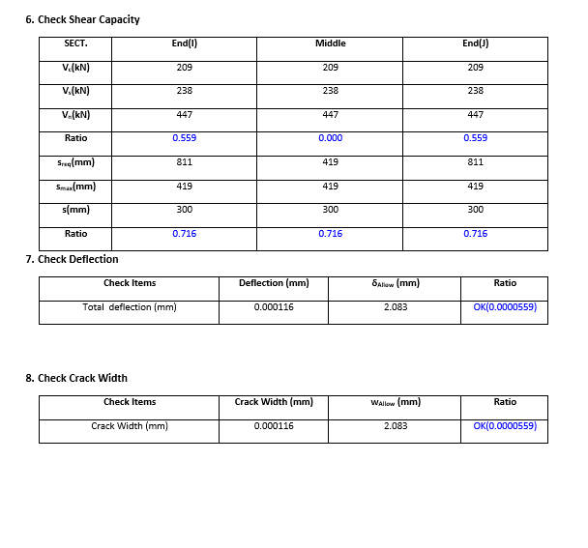
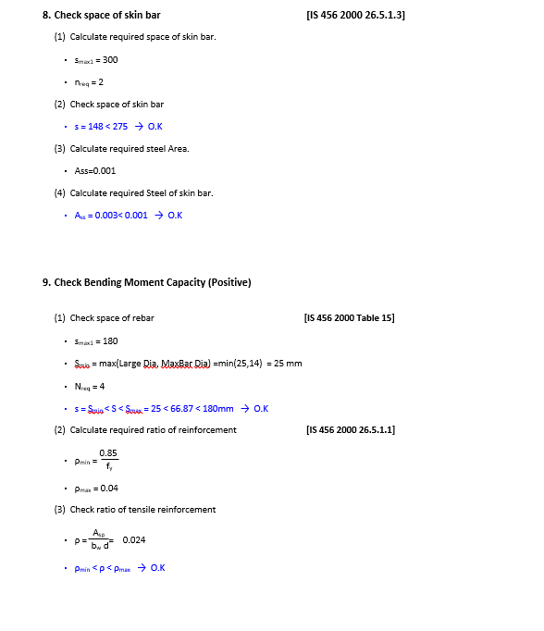
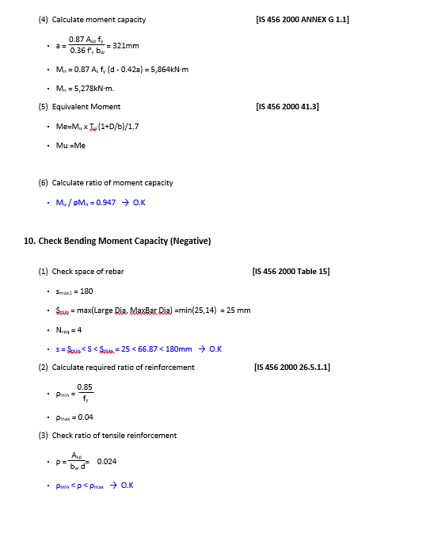
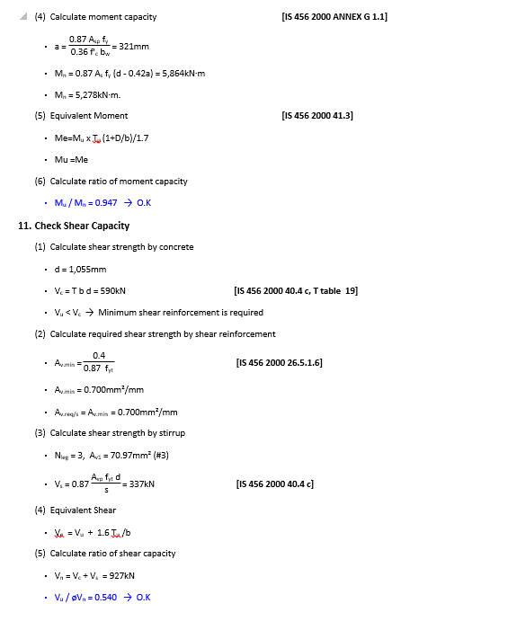
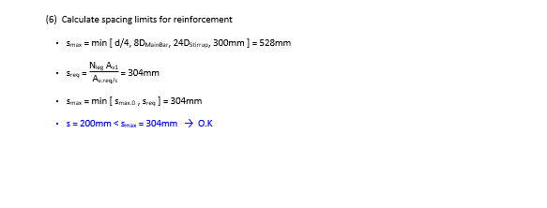
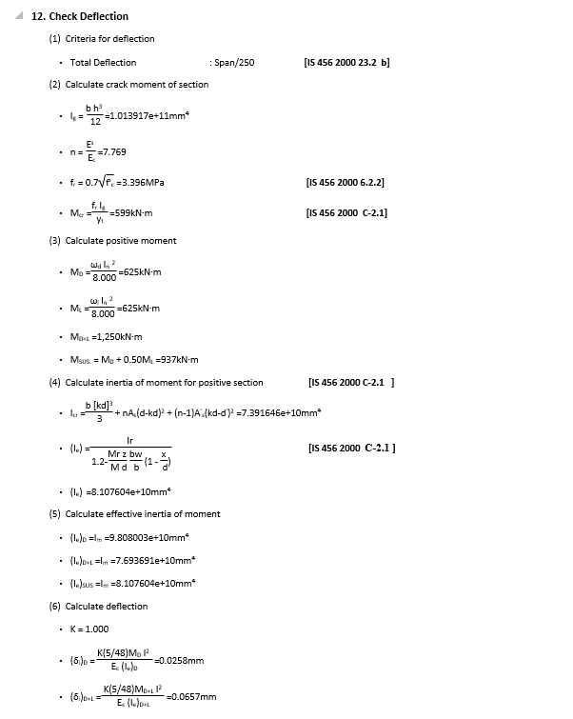
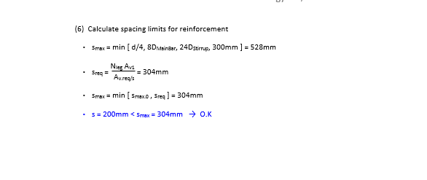
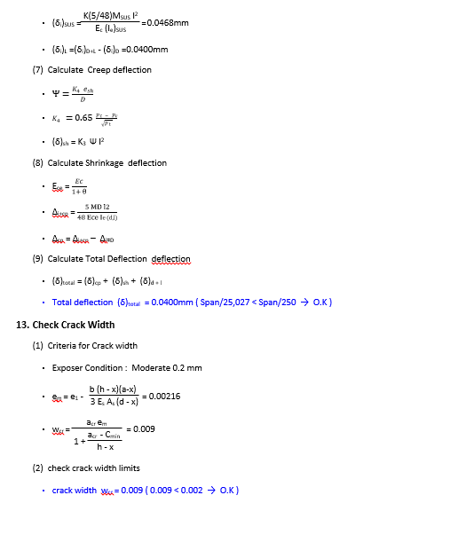
 | REPORT

Detail Report |  | Summary Report

