UI Changes
 |  |  | Required Changes in UI

 | PROJECT MODE |  |  | SIMPLE MODE |  |  | CHECKMODE |  | General Gui Changes

 |  |  |  |  |  | No delflection in simple mode ???? Shell we include ?

 | GUI Changes in Project Mode(As per first stage of development Project mode not included ) |  |  |  | GUI Changes in Simple Mode |  |  | GUI Changes in CHECKMODE
18 20
25
30
35
40
45
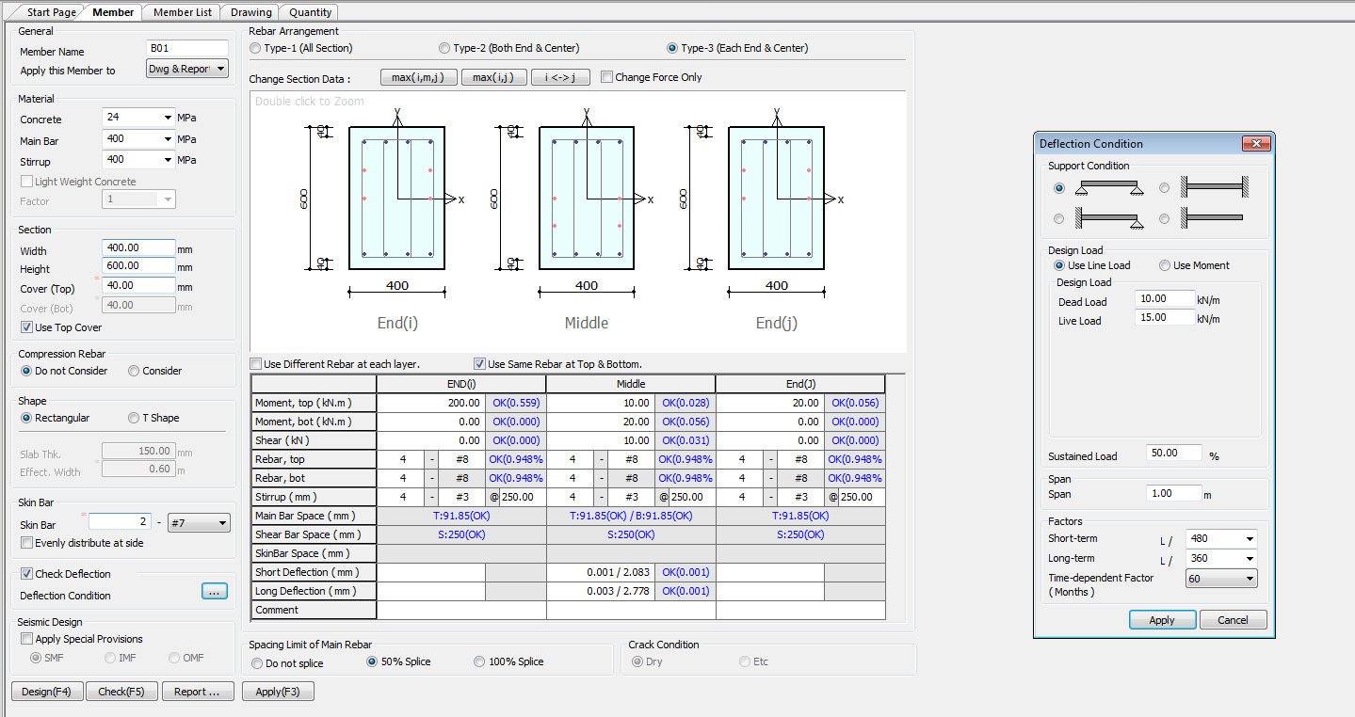
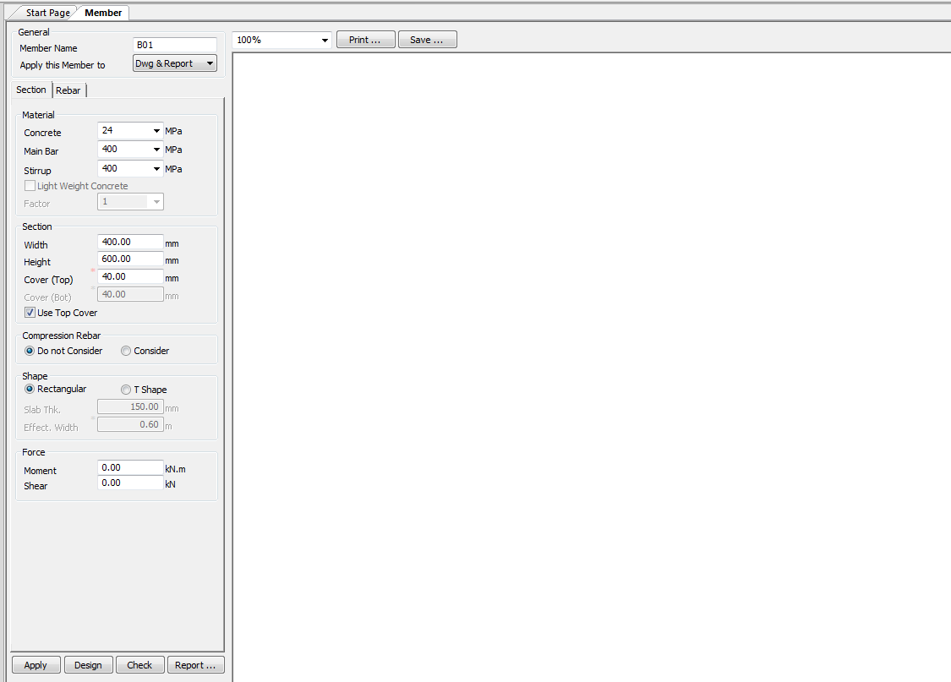

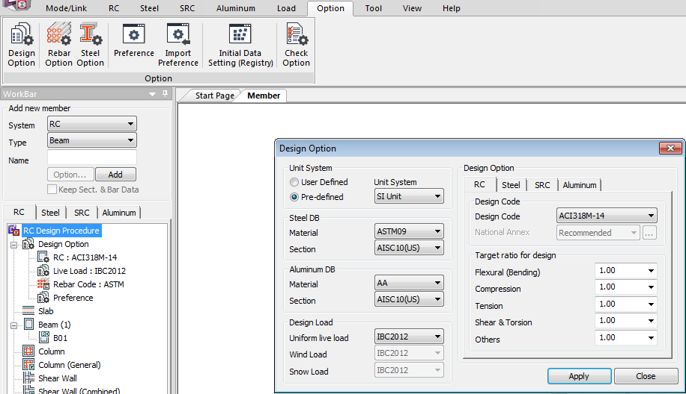

240
280
360
400
450
520
600
18 20
25
30
35
40
45

240
280
360
400
450
520
600
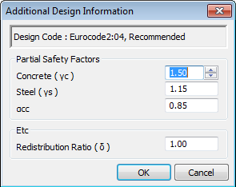
240
280
360
400
450
520
600
ECP203:2017

ECP203:2017
1.5
1.15
240
280
360
400
450
520
600

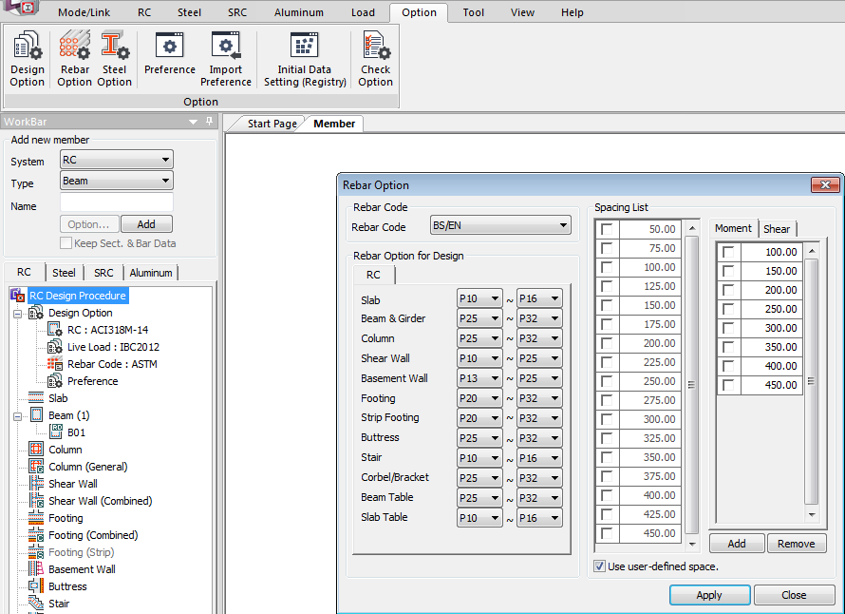

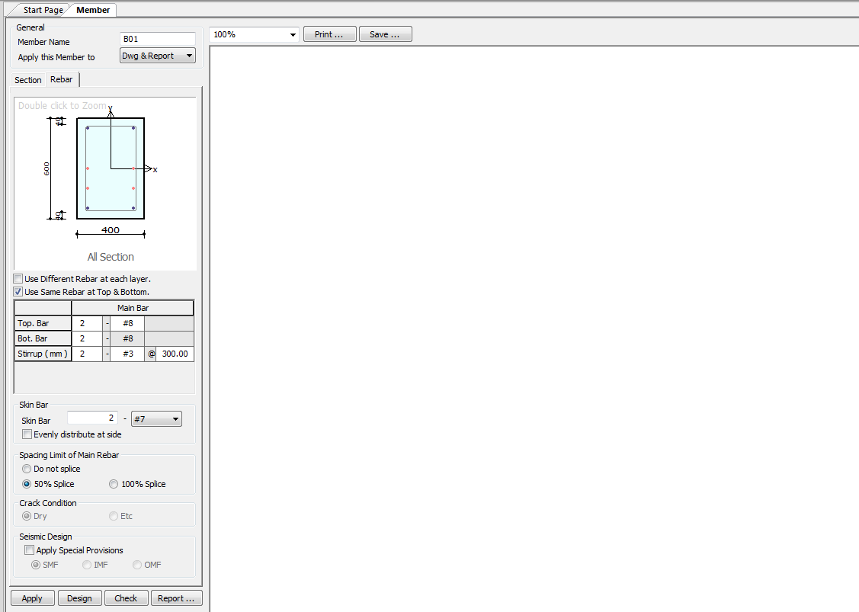

 |  |  |  |  |  |  |  |  |  | For now use BS standard or Include ECP REBAR CODE
 |  |  |  |  |  |  |  |  |  | P # ?

SAME GUI + ADDITIONAL FEATURES IF REQUIRED
TORSION INPUT FROM TABLE
Deflection input changes
Out Put Replace short term and long term with Total Deflection and Include Crack width if required !

Charactersic Deflection Control
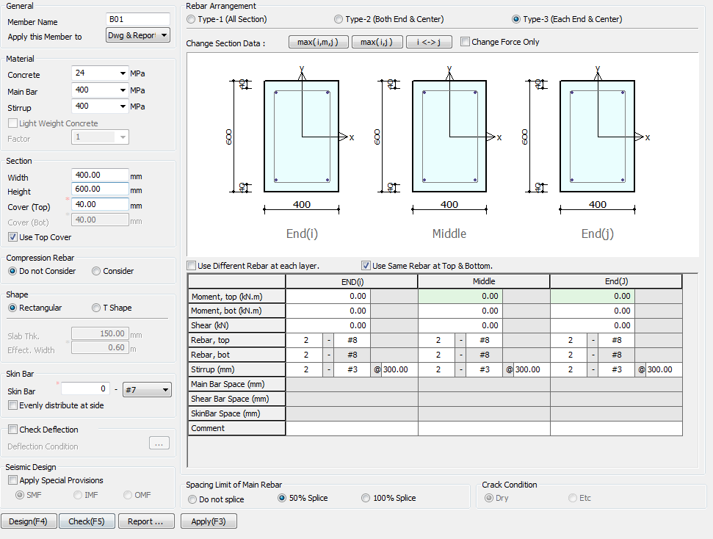
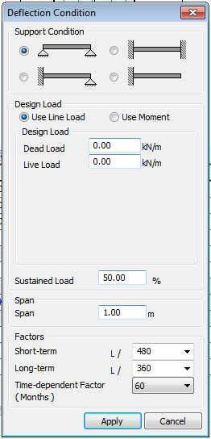
Limit
250
350

7
28
365
(Days)

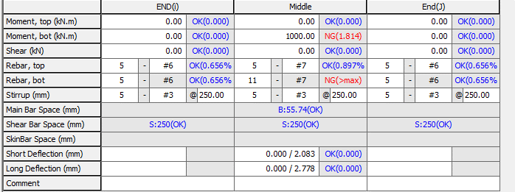

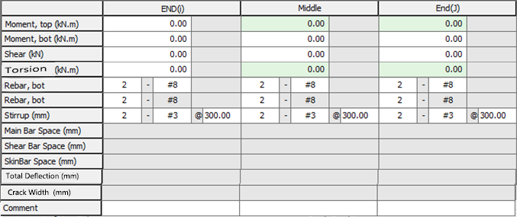

Total Deflection (mm)
Crack Width (mm)

Side Face Reinforcement

Side

Apply IS 13920 Design

 |  | TORSION INPUT JUST BELOW SHEAR BOX

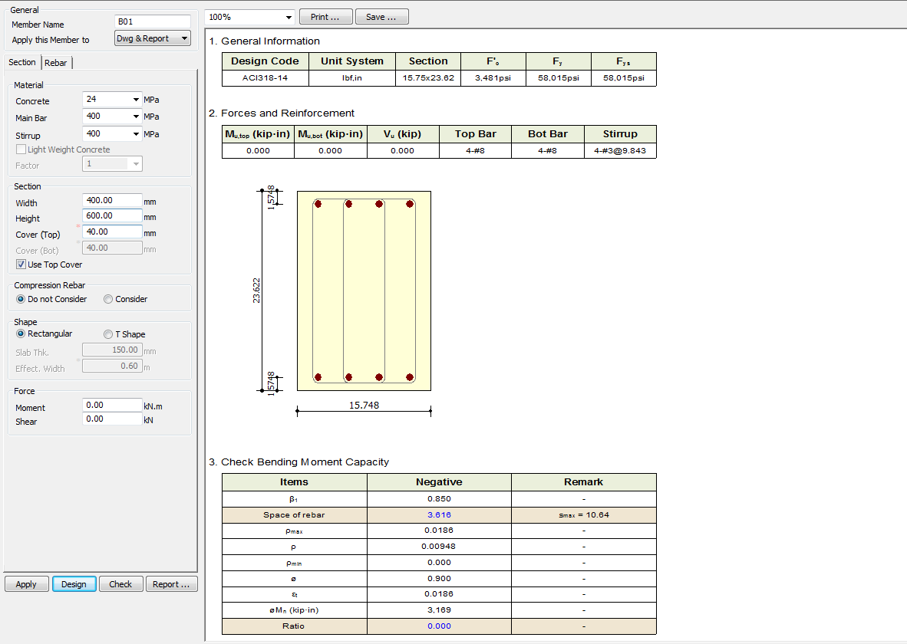

Torsion
0
kN-M

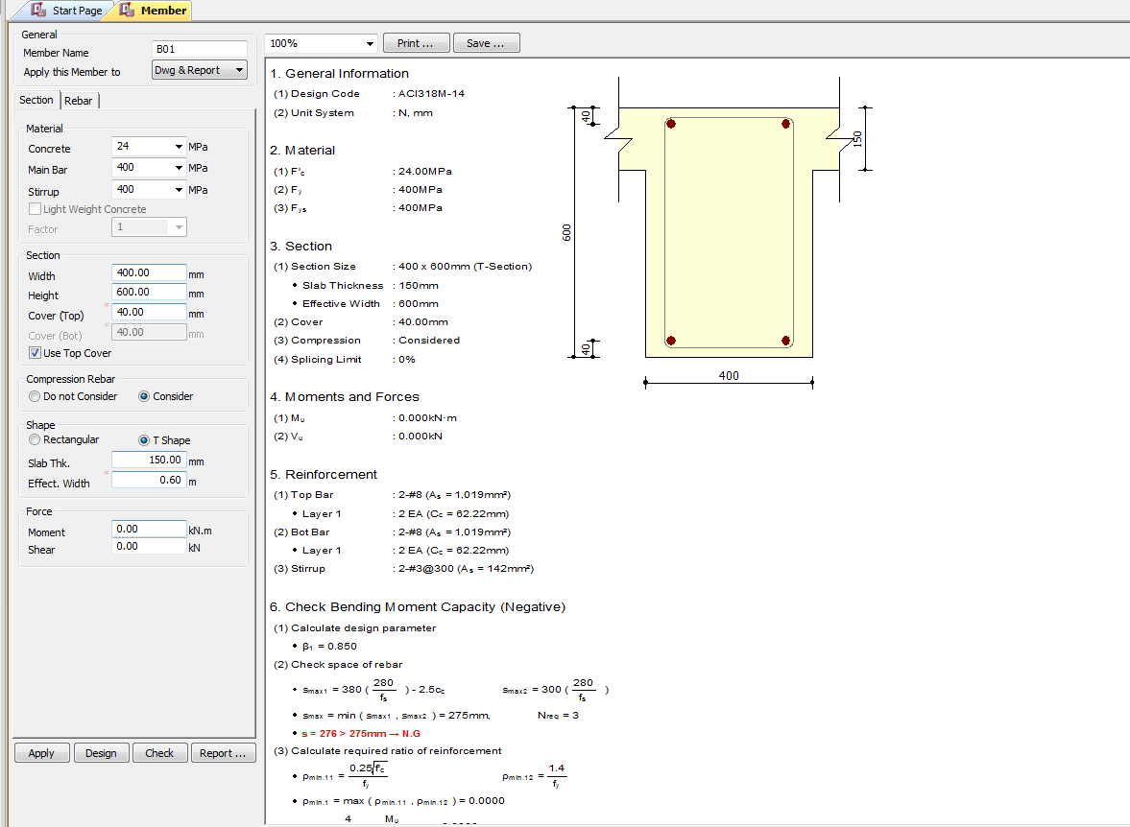

(3)TU : 0.000KN-m

Torsion
0
kN-M

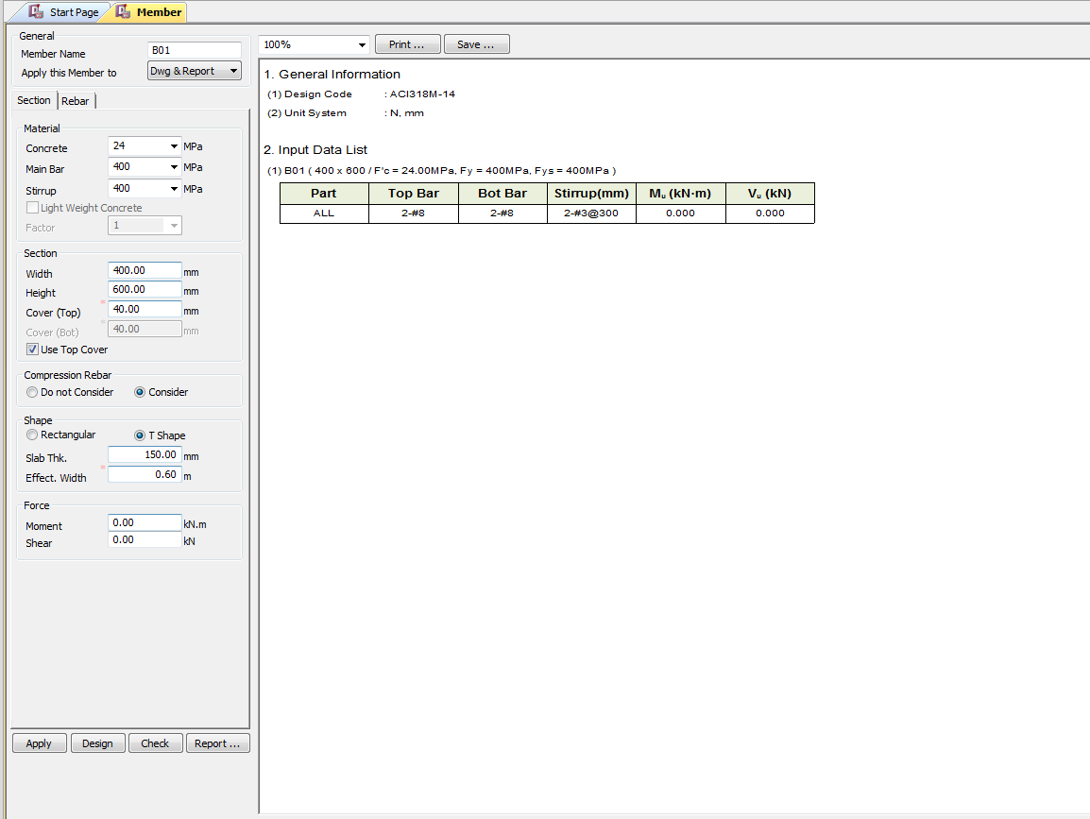

Torsion
0
kN-M

CODE PROVISIONS
CODE PROVISION

ECP_203_2017 CODE PROVISIONS
Require Clause ?

Fromuls are Base up on Flow Chart

Moment capasity (No Compression Member)

c/d Max Ratio

Area of Steel of single Reinforcement

Minimum Area of Steel of single Reinforcement

Equivalent shear block with respective to nutral axis ratio

 |  | c/a=0.8

Effective Length for Tbeam
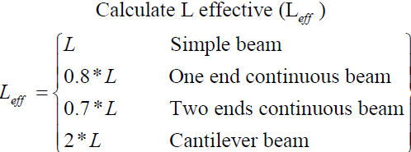

Breath Calculation
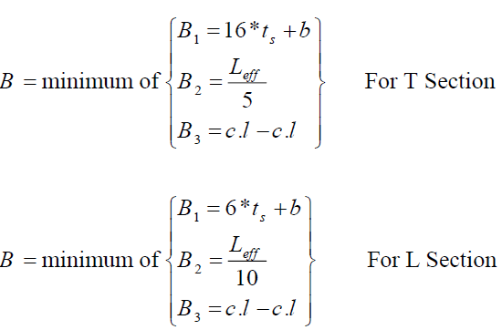

Moment of flange

Moment Calcuation T Beam

 |  |  | for Mu > M flange

 |  |  | for Mu <= M flange

Area of Steel Require

Double Reinforcement
 | Compression = Tension

 | Compressive steel yields equation

 | Compressive steel dosen't yields equation

Minimum Steel Area require

FLOWCHART4
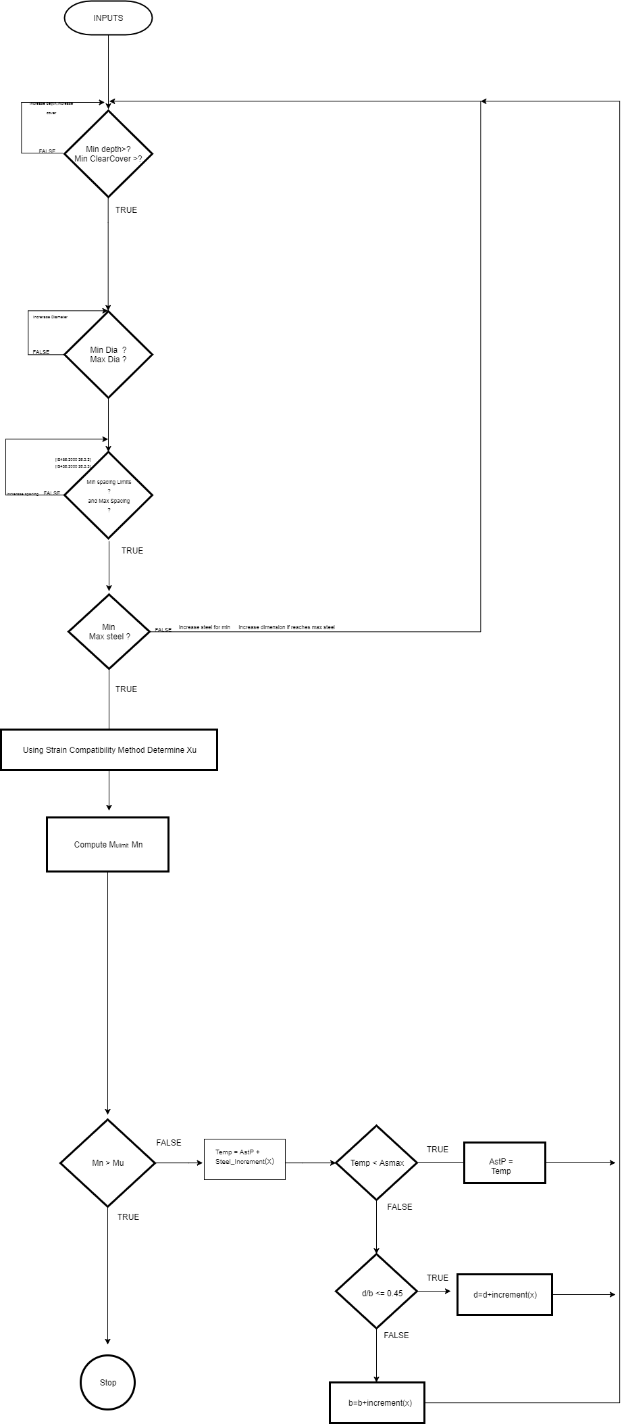
Flow Chart

FLOW CHARTS FOR EACH STEPS

Flexural

