UI Changes
 |  |  |  | Required Changes in UI

 | PROJECT MODE |  |  |  |  | SIMPLE MODE |  | CHECKMODE
 | SAME GUI + ADDITIONAL FEATURES IF REQUIRED
 |  |  | Selection of Tie Bar or Spiral Bar Radio Buttion as per Gen style

 |  |  | Change PM CUVE |  | CHANGED PM CURVE AS PER IS 456 |  |  |  | Nothing to Change

 |  |  | Effecitve length inputs as per IS code
 |  |  | Seismic design asper IS 13920
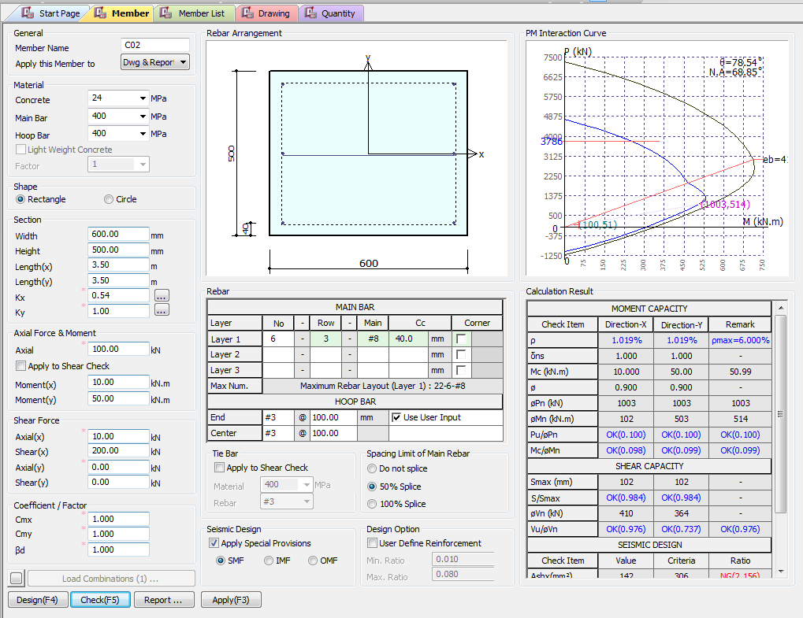
 |  |  | Include Crack width

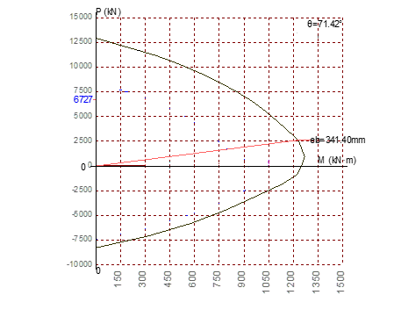

Effective Length inputs as per Annex E
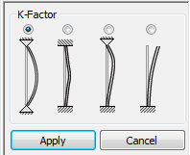

Type of Hoop Rebar
Ties
Spiral
Pn(KN)
1 0.5 0.7 2
Mn(KN.m)
Pu/Pn
Mc/Mn
NOT REQUIRED FOR IS CODE
1 0.5 0.7 2

NOT REQUIRED FOR IS CODE
Vn (KN)
Vu/Vn
Apply IS 13920 Design
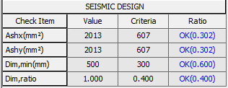

 |  |  |  |  |  |  | Not Required
Serviceability limits

Crack Width (mm)
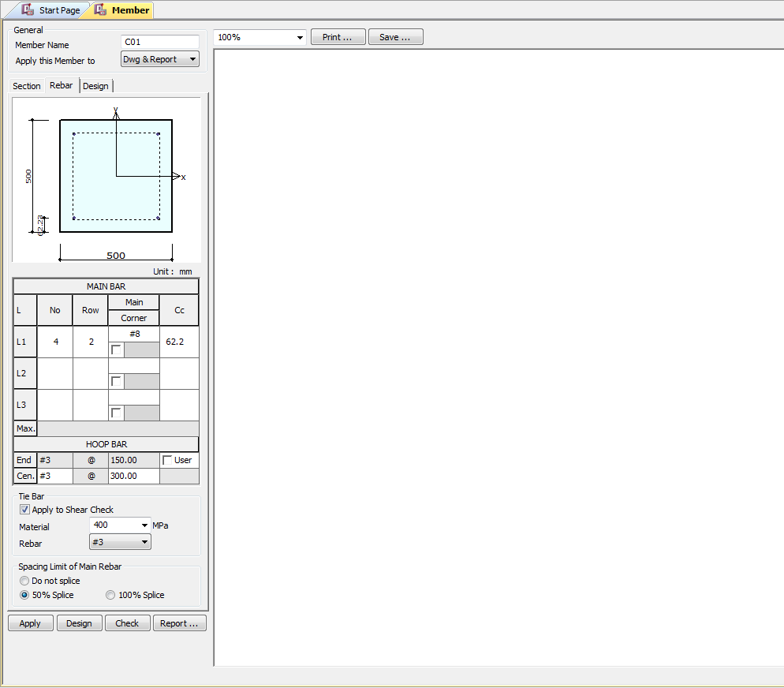

 |  | Remove/ Hide

Hoop Rebar
Ties
Spiral



Apply IS 13920 Design

UI CHECK
UI Checking

Checks

Type of Hoop Rebar
Ties
Spiral
Pn(KN)
Pn(KN)
 | Show ast Max as per code
 | Area of Steel/bxd
 | Area of Steel/bxd
Mn(KN.m)
Pu/Pn
Mc/Mn
 | Pprovided/Pinput
 | Mprovided/Minput

Vn (KN)
 | providedSpaicng/ MaxSpacing
Vu/Vn
Apply IS 13920 Design
 | Vinput/Vprodived Check

 | Porvided area steel/minimum area of steel

 | Minimum Dimension / Provided Dimension
 | Dimension_min require/Provided

Crack Width (mm)
 | Obtain Crack width/Max Limit of Crack width

CODE PROVISIONS
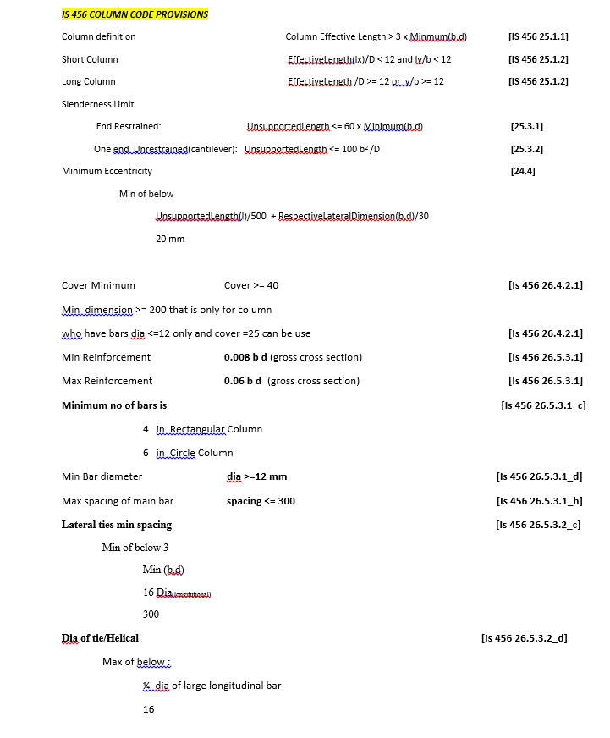
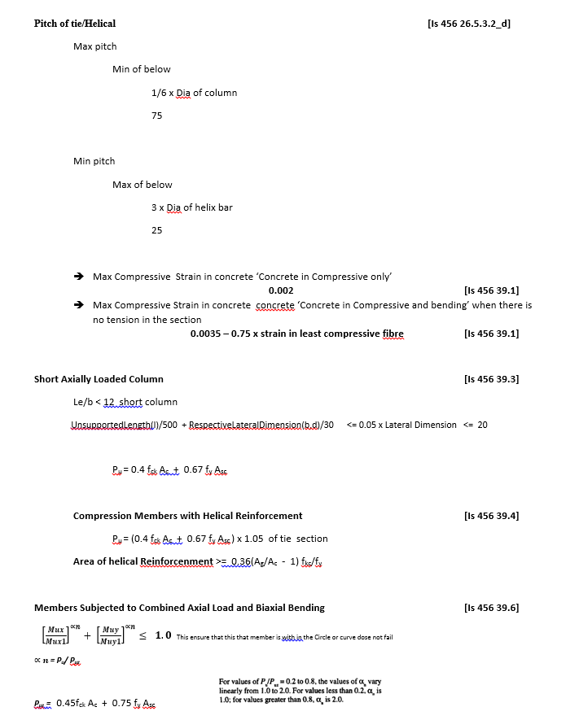
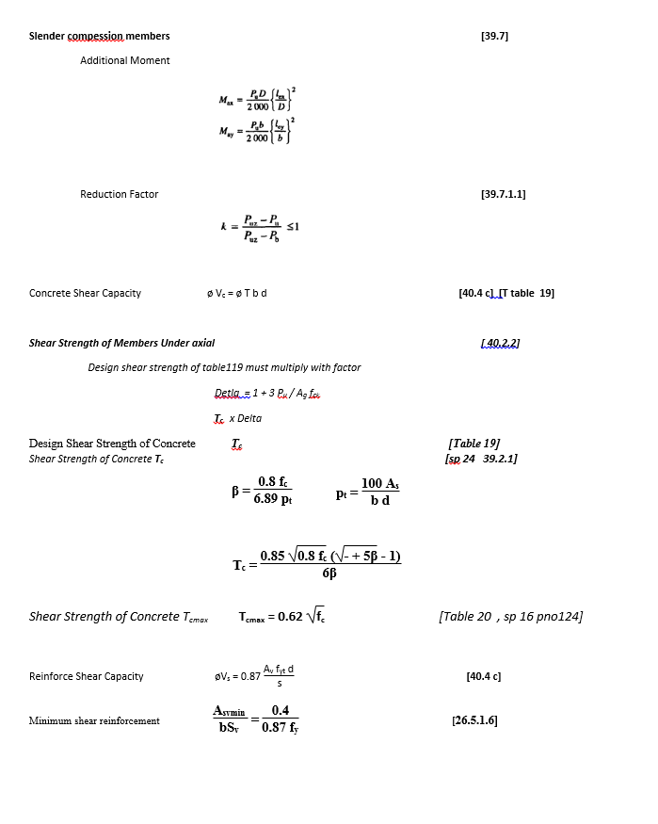
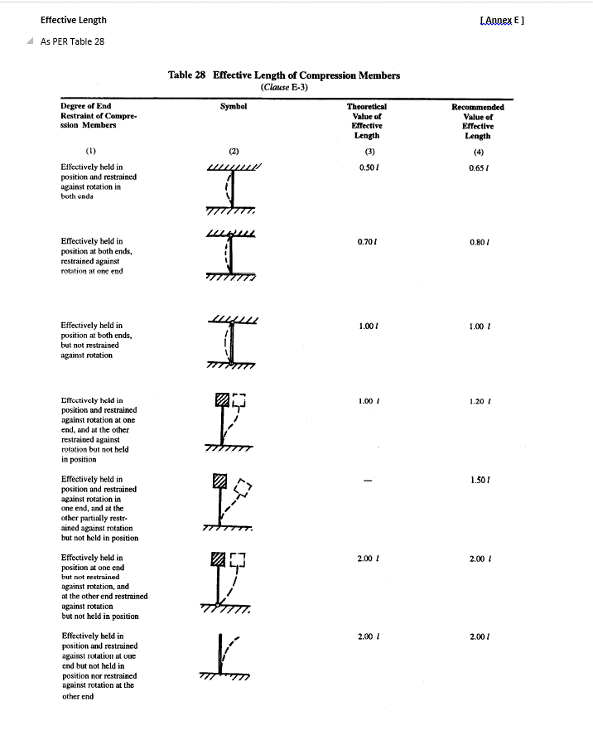
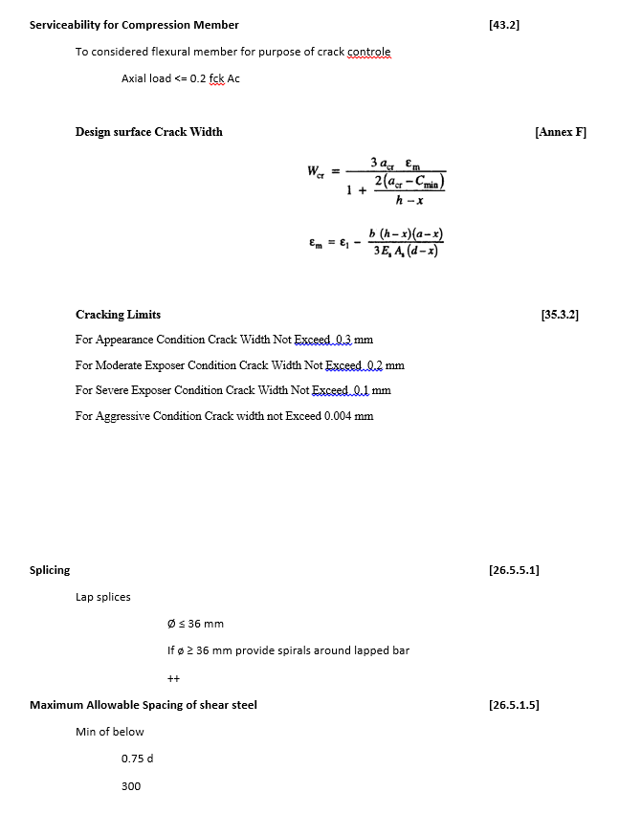
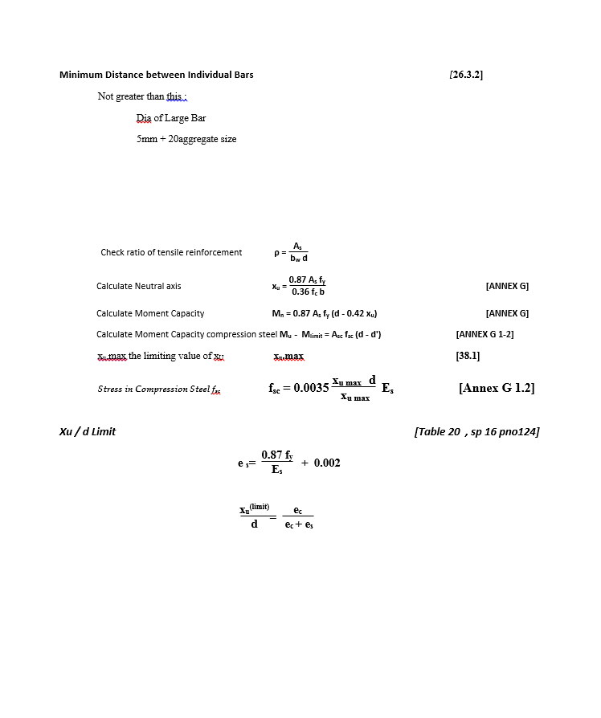
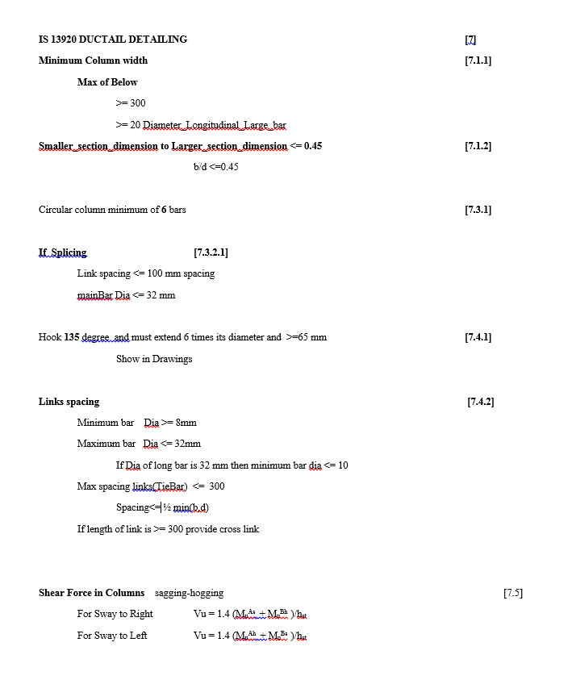
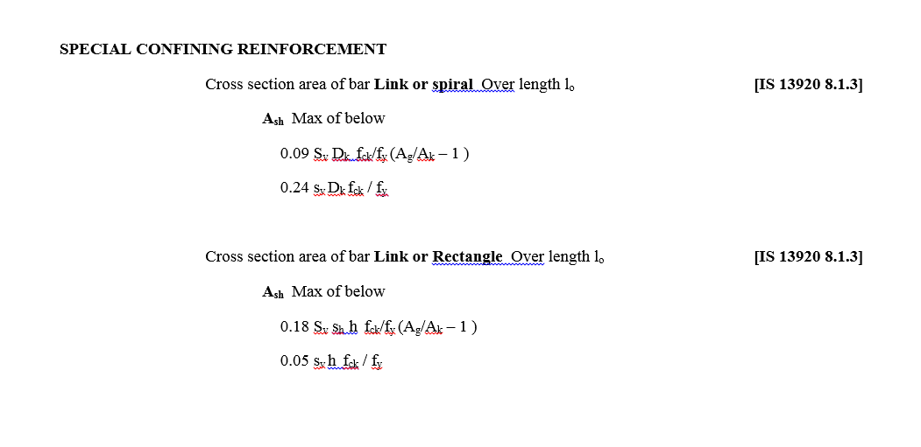
CODE PROVISION

IS 456 2000 CODE PROVISIONS
SP 16
SP 24
IS 13920 2016

FLOWCHART4
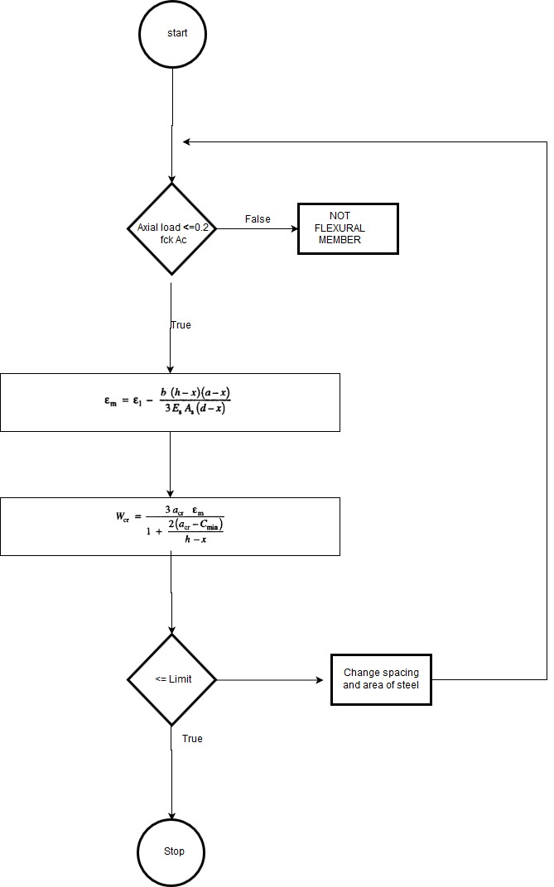
Flow Chart

FLOW CHARTS STEPS

Axial and Moment Check
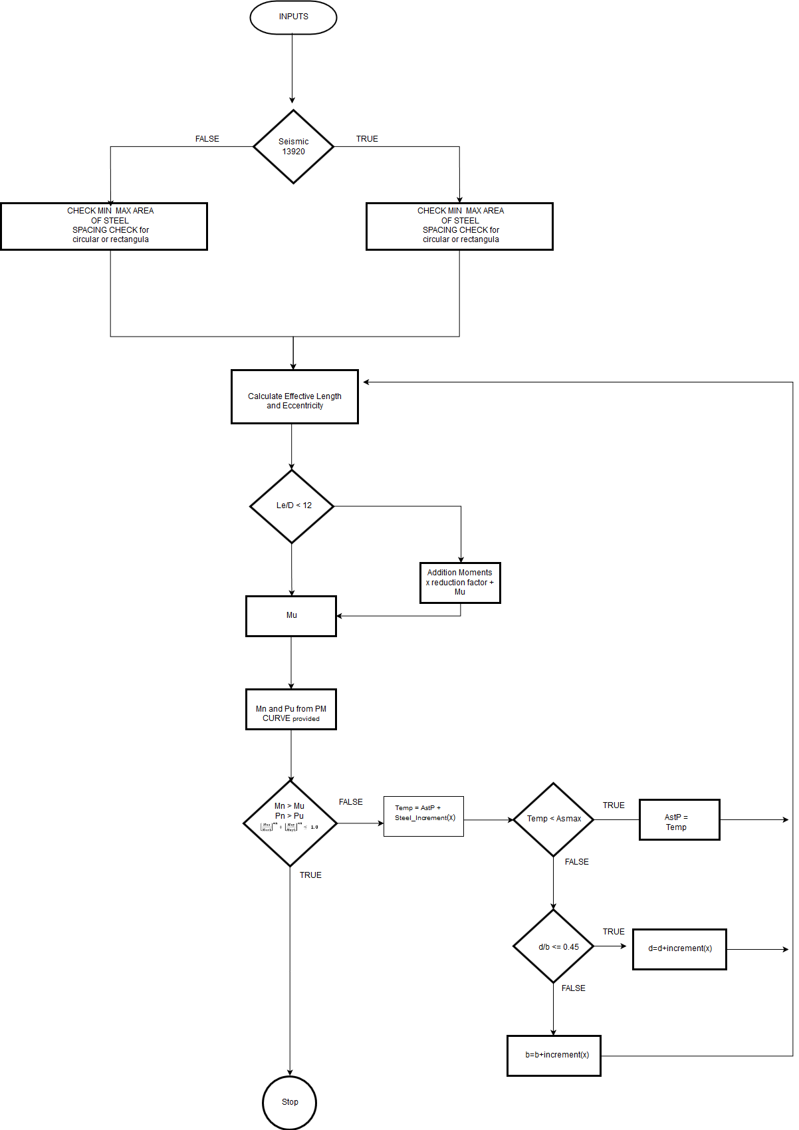

Shear check

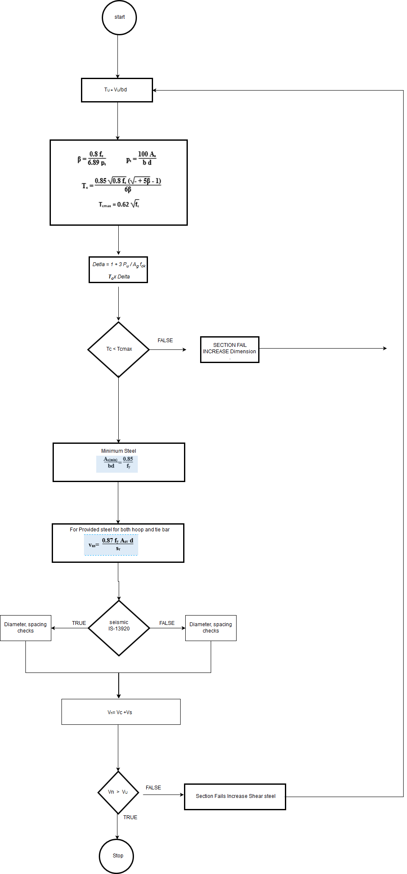

Serviceability

DESIGN_PROCEDURE
 |  |  |  |  | Required Changes in Report

EXCEL REPORT
INPUTS | mm and N
b = | 400 | mm | cc = | 60 | mm | PU = | 1600000 | N
d = | 600 | mm |  |  |  | Mux = | 120000000 | N mm
fck = | 15 | N/mm2 |  |  |  | Muy = | 90000000 | N mm
fst = | 415 | N/mm2 |  |  |  | Vu | 400000 | N

Lx = | 3500 | mm
Ly = | 3500 | mm

CAPACITY OF COLUMN |  |  |  |  |  |  |  |  | REFERENCES
PU = | 1600000 | N
Mux = | 120000000 | N mm
Muy = | 90000000 | N mm

Effective Length |  | pinned both sides
lex = | 3500 | mm
ley = | 3500 | mm

ex = | 75 | mm |  |  |  |  |  |  | [25.4]
ey = | 56.25 | mm

eminx = | 27 | mm
eminy = | 27 | mm

Lex/D = | 5.8333333333
Ley/D = | 8.75
Short Column

$${MM}^{2}$$
As p = | 3048

d'/D = | 0.1
p/fck = | 0.084666666667
Mx1/fck bD2 = |  | 0.095 |  |  |  |  |  |  | [Sp 16 44 chat]
Mx1 = |  | 205200000 | N-mm

d'/D = | 0.15
p/fck = | 0.084666666667
My1/fck bD2 = |  | 0.085 |  |  |  |  |  |  | [Sp 16 45 chat]
My1 = |  | 122400000 | N-mm

p/pz= |  | 0.62288559538 |  |  |  |  |  |  | [cl 39.6]
αn = |  | 1.7048093256

Criterial for biaxial bending

 |  | 0.99269644161 |  |  |  |  |  |  | [cl 39.6]

Safe less than one

Shear Reinforcement |  |  |  |  |  |  |  |  | REFERENCES
vu = |  | 400000 | N | b = | 400 | mm | d = | 600 | mm
tu = |  | 1.6666666667 | N/mm2 |  |  |  |  |  | [40.2.2]
As P = |  | 3217 | mm2
Delta = |  | 2.3333333333
Tc = |  | 1.8433333333 | N/mm2 |  |  |  |  |  | [Table 19]
Tc Max = |  | 3.1 | N/mm2 |  |  |  |  |  | [Table 20]
Provide Nominal
Asv/sv = |  | 0.19572543046 | mm2

min Asv_sv

min Asv_sv = |  | 0.44315191802 | mm2

shear capasity Section
Asv p = | 450 | mm2
S p = | 150 | mm
Ts = | 649890
Tc = | 442400 |  |  |  |  |  |  |  | [Table 19]

Vn = | 1092290 | N

Cracking width |  |  |  |  |  |  |  |  | REFERENCES
Pu = |  | 16000 |  |  |  |  |  |  | [43.2] | [412]
flexural consideration |  | 720000
Check for flexural member |  |  | TRUE
D = | 400 | x = | 146.14 | mm
d = | 348 | mm
Ast = | 1814 | mm2
acr = | 59.54 | mm
b = | 250 | mm
Es = | 200000 | N/mm2
fst = | 224 | N/mm2
Cmin = | 38
 |  |  |  |  |  |  |  |  | [Annex F]
em = | 0.0013351854307 |  |  |  |  |  |  |  | [Annex F]
wcr = | 0.20389061756 | mm
Cracking Width = |  | 0.20389061756 | mm

REPORT3
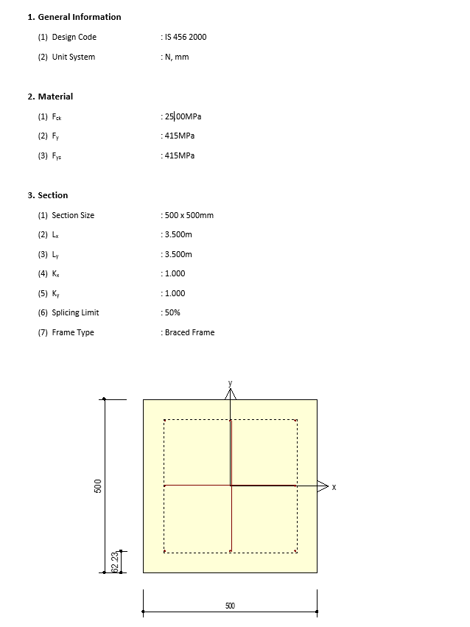
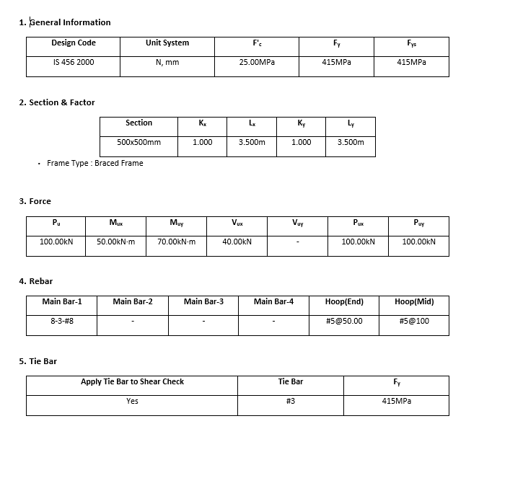
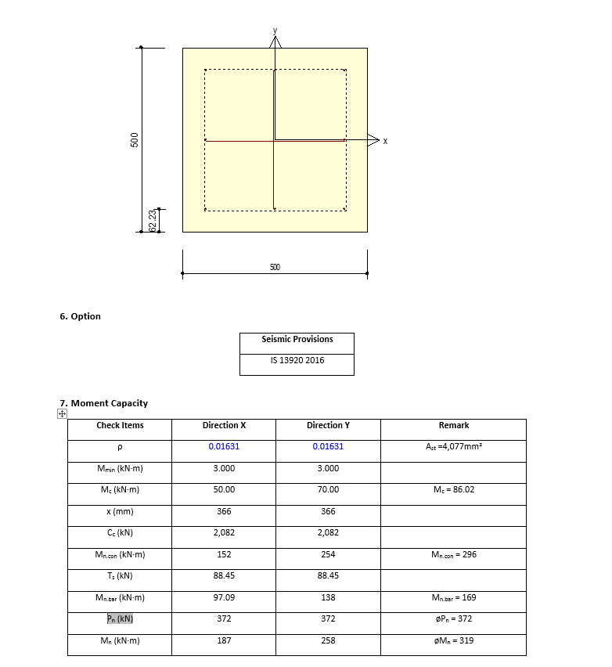
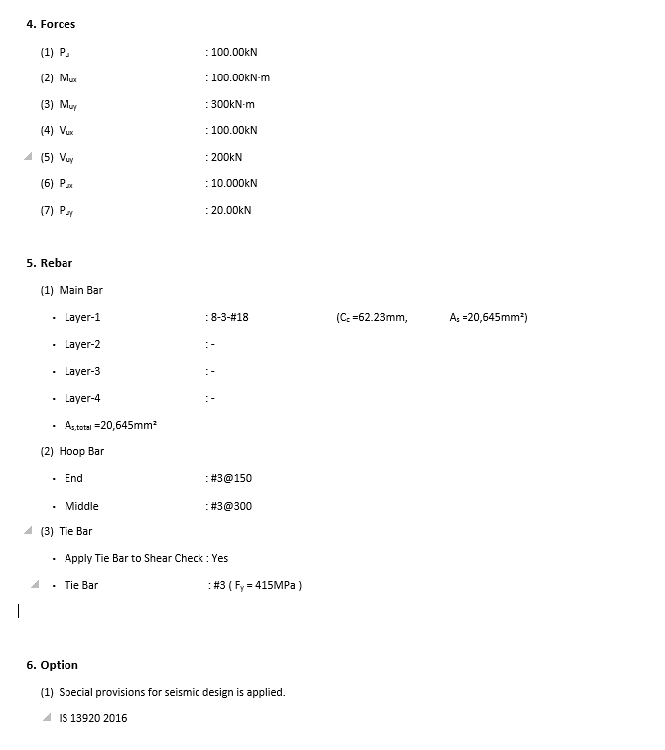
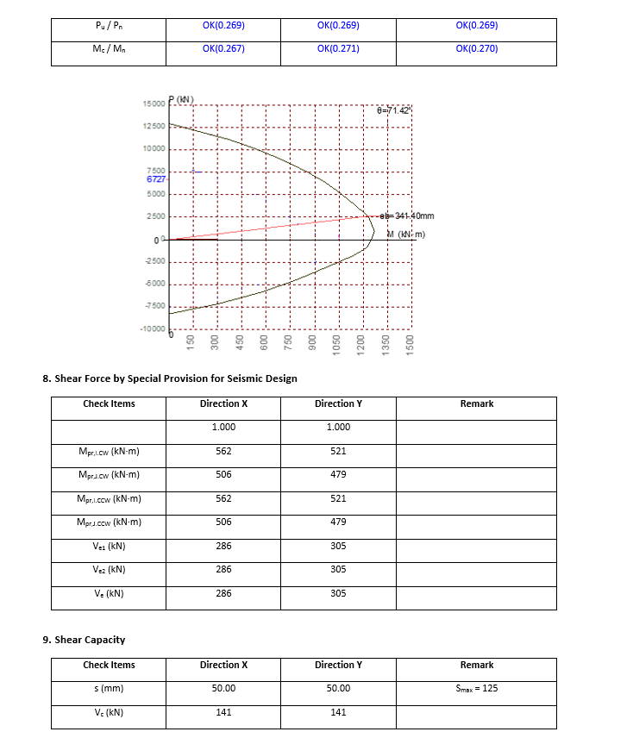
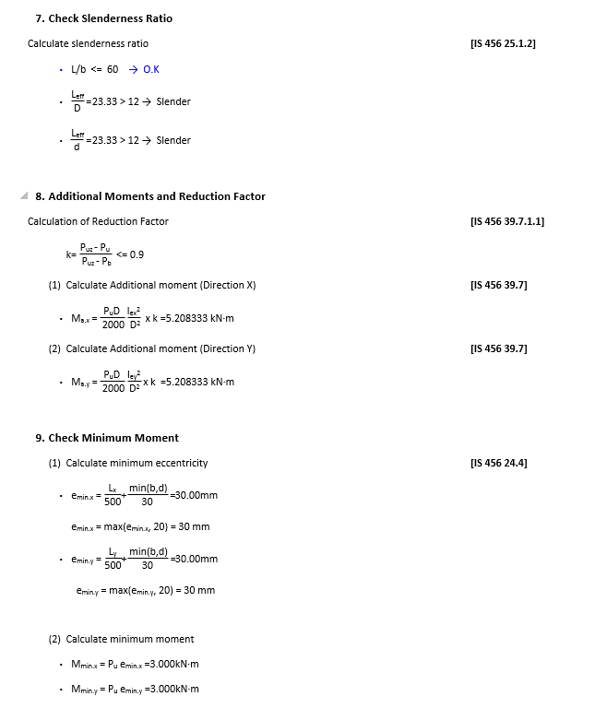
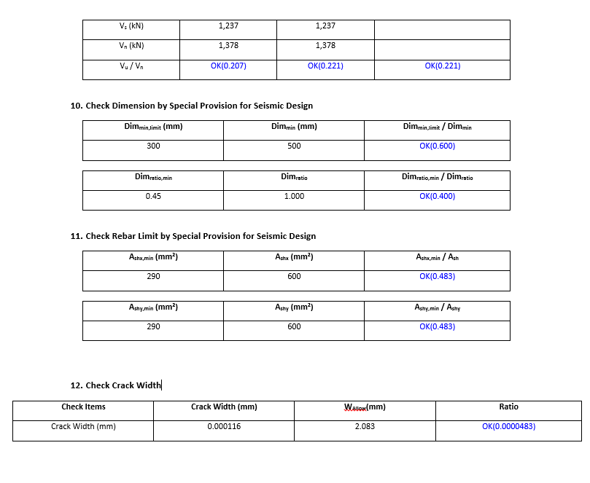
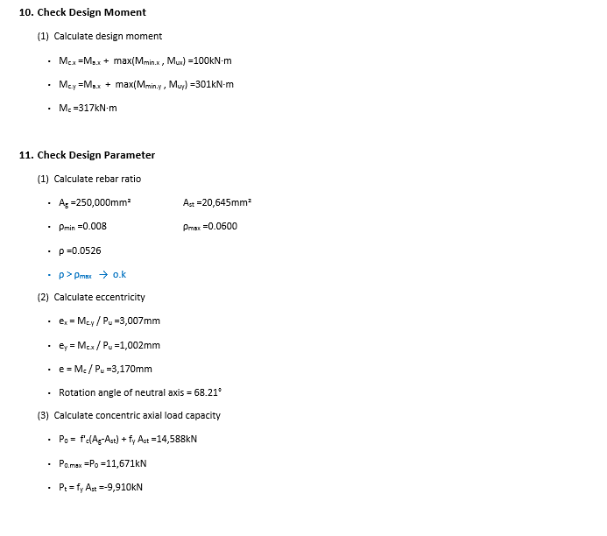
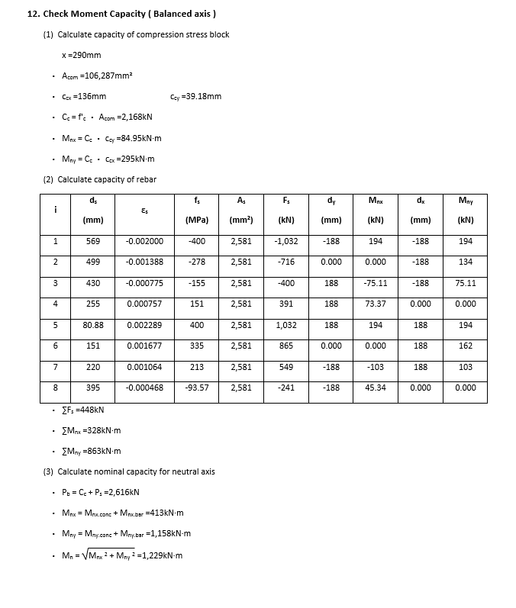
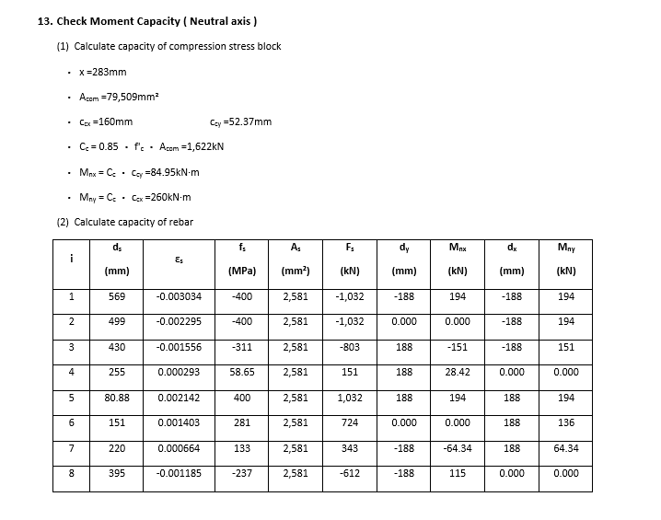
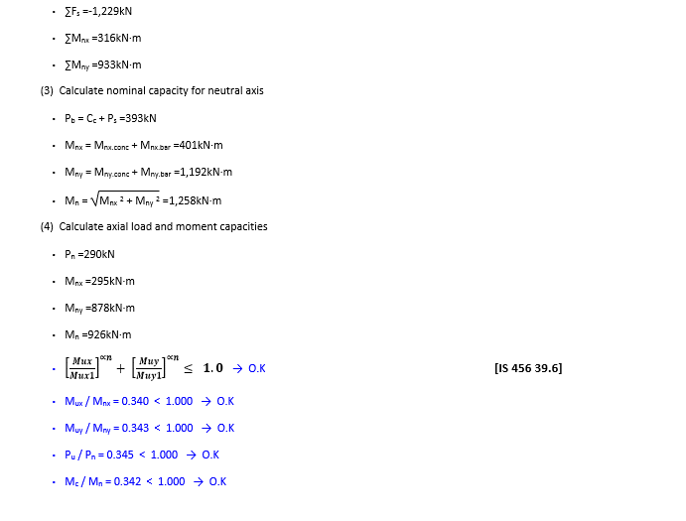
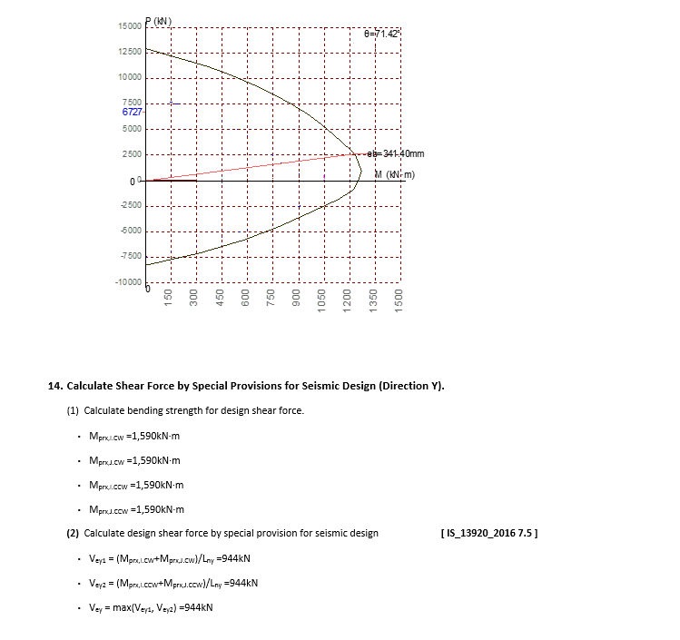
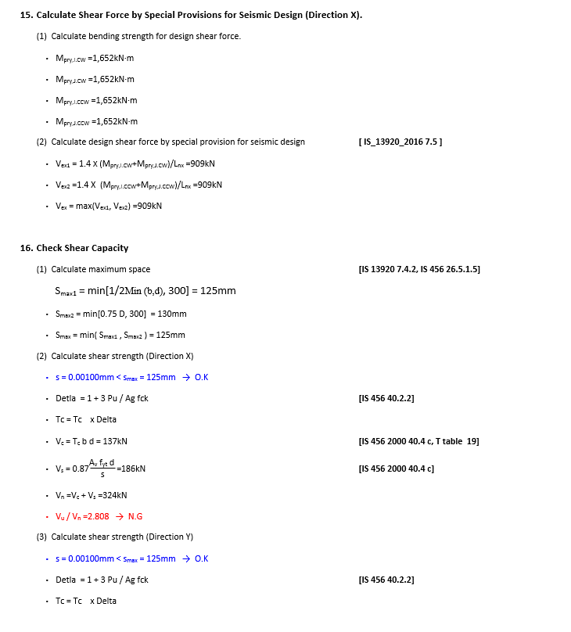
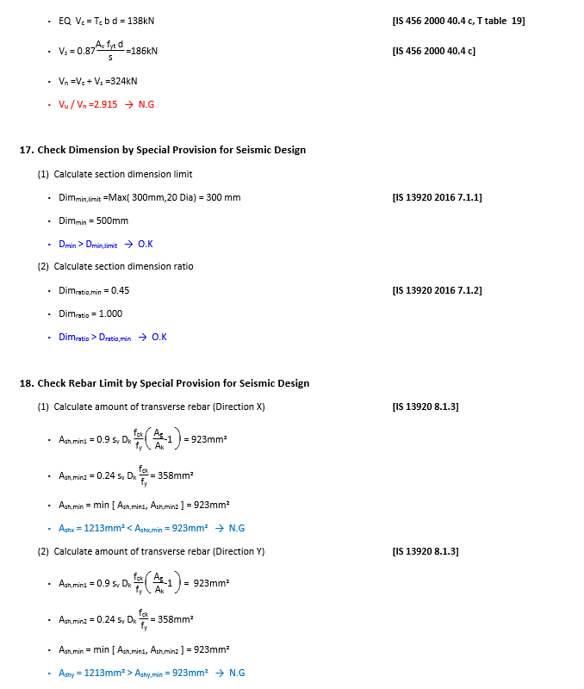
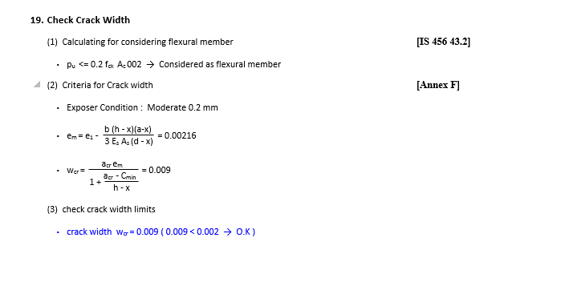
 | REPORT

Detail Report |  | Summary Report

