GUI_GEN
GUI CHANGES

STANDARD METHOD

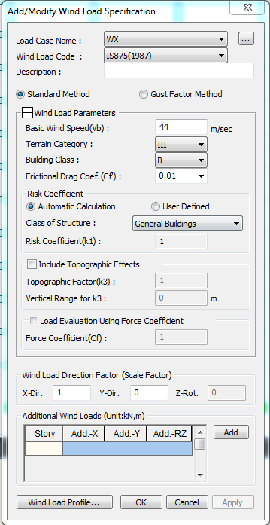

1
Remove default class A
1
3
 |  |  | class B and C removed
 |  |  | So default class A

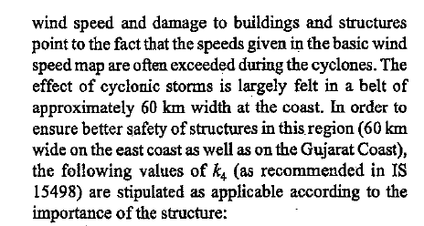
 | Link

Include Cyclone region effects
3

 | Drop down values
cyclone cofficient(k4) :
1.3 1.15
1
Impotant buildings
industrial buildings
general buildings

wind directional factor (kd)
0.9
4

0.9
1
Rectangulr,Triangular
Circulor
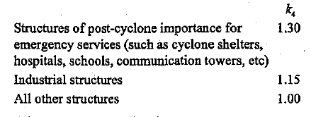

4
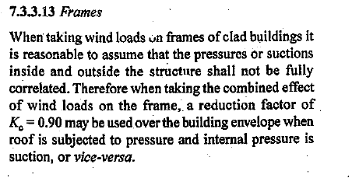

GUST FACTOR METHOD
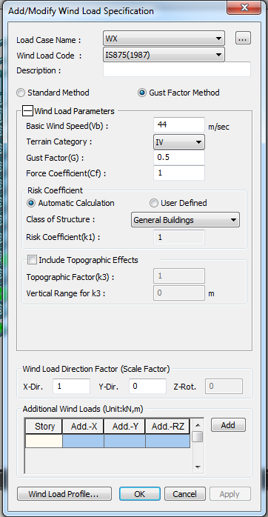

Include Cyclone region effects
3

cyclone cofficient(k4) :
4
 |  | Drop down values
1.3 1.15
1
Impotant buildings
industrial buildings
general buildings
Wind directional factor (kd)
0.9

0.9
1
Rectangulr,Triangular
Circulor

3

calculation sheet changes
Calculation sheet

 | Standard Method

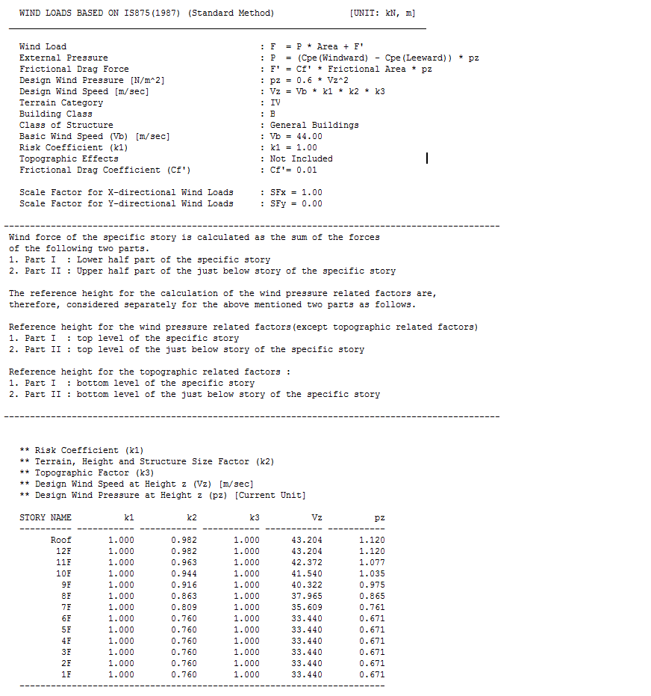
1.1
pd
 |  |  |  |  | wind Directionaly Factor (Kd)
 |  |  |  |  | Area average Factor (Ka)
 |  |  |  |  | Combination Factor (Kc)
pd
1
Wind Pressure at height z [N/m^2]
pd = kd * ka * ks * pz
1
 |  |  | Design wind pressure
vz = vb * k1 * k2 * k3 * k4
2
1
Not required default A
3
 |  |  |  | Provisions to account for effects of directionality, area averaging and correlations pressure on design wind pressure have been included
2
 |  |  |  |  |  | 2015
3
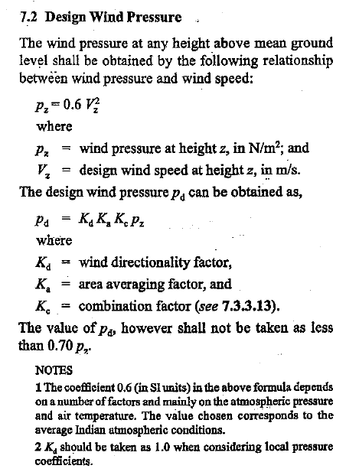
A class only no B and C class
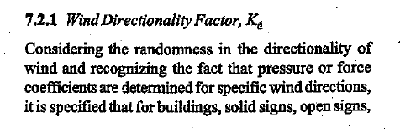
2
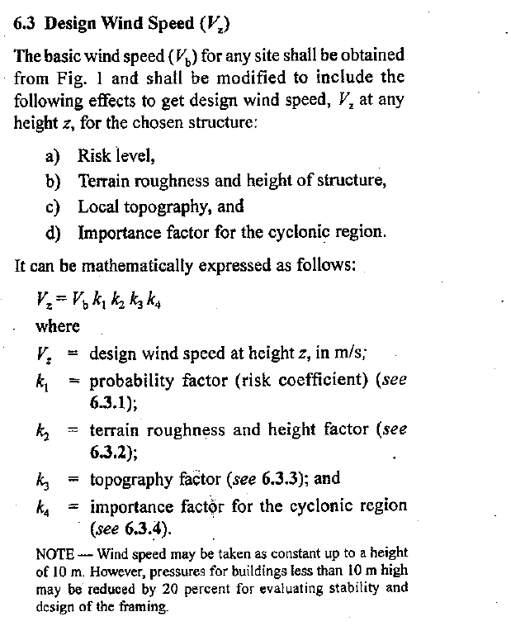

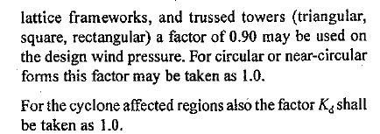

** Risk Coefficient (k1)
** Terrain foughness and height factor (k2)
** Topographic Factor (k3)
** Importance factor for the cyclonic region(k4)
** Design wind speed at height z (Vz) [m/sec]
** Wind Pressure at height z (Pz) (Current Unit)
**Wind Directionality Factor (Kd)
**Area Average Factor (Ka)
**Combination Factor (Kc)
**Design Wind Pressure at Height z (Pd) (Current Unit)
4

4
k2 renamed and Pz renamed
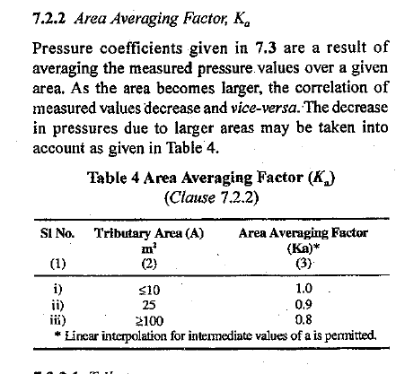
Terrain foughness and height factor (k2)
5
Importance factor for the cyclonic region(k4)
5
Include k4,kd,ka,kc and Pd

6
K4
Kd
6
Ka
Kc
Pd

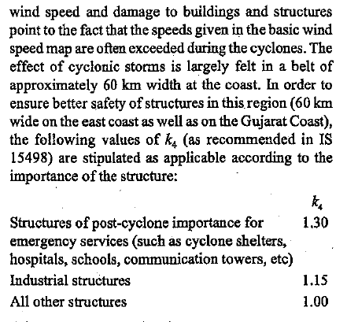

7
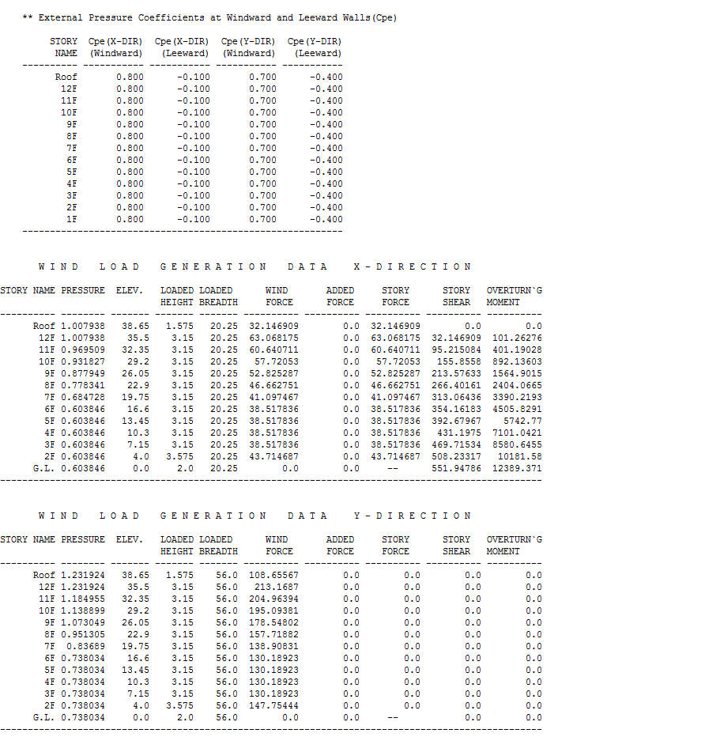
6

Include k4 kd ka kc Pd

 |  | K2 renamed as terrain roughness and height factor
 |  | K2 values are updated ( (only A class values updated). B anc C class are removed)

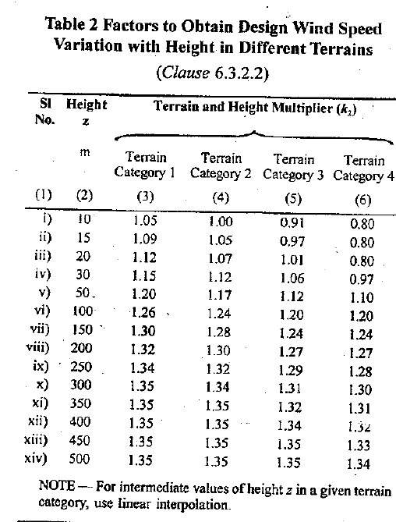

7

 | Gust Factor Method
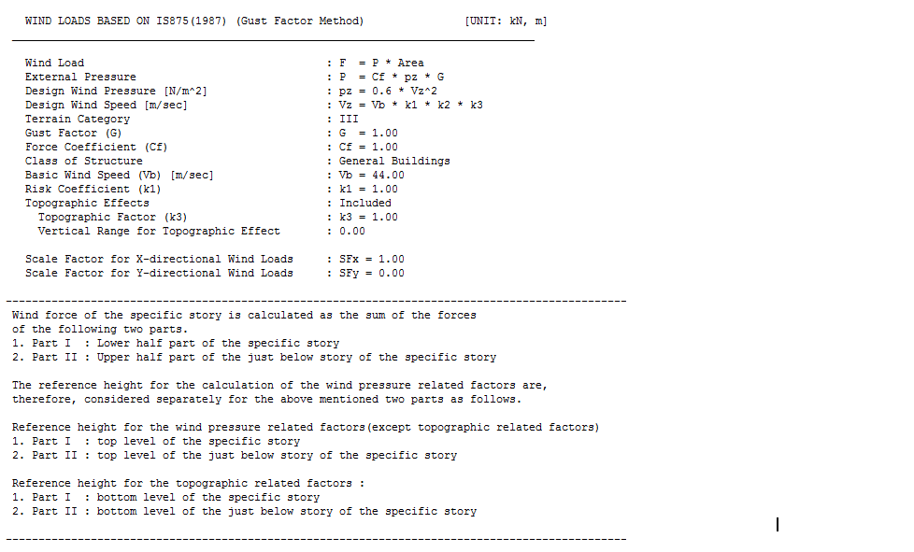

pd
Wind Pressure at height z [N/m^2]
1
pd = kd * ka * ks * pz
vz = vb * k1 * k2 * k3 * k4
2

** Risk Coefficient (k1)
** Terrain foughness and height factor (k2)
** Topographic Factor (k3)
** Importance factor for the cyclonic region(k4)
** Design wind speed at height z (Vz) [m/sec]
** Wind Pressure at height z (Pz) (Current Unit)
**Wind Directionality Factor (Kd)
**Area Average Factor (Ka)
**Combination Factor (Kc)
**Design Wind Pressure at Height z (Pd) (Current Unit)

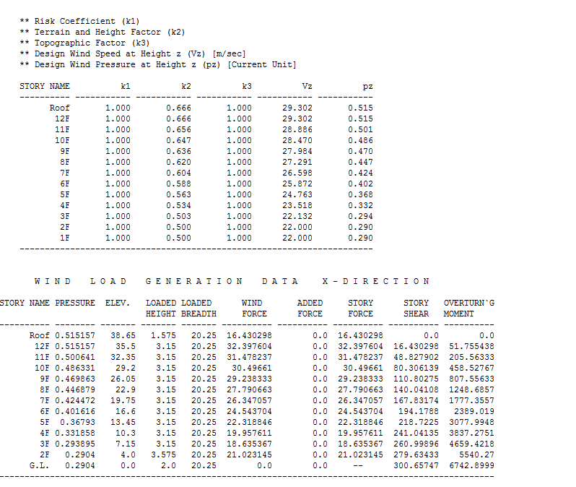
4
k2 Renamed and Pz renamed

Include k4,ka,kd,kc,Pd
5

K4
Kd
Ka
Kc
Pd

7
Include k4 kd ka kc Pd

CODE CHANGES
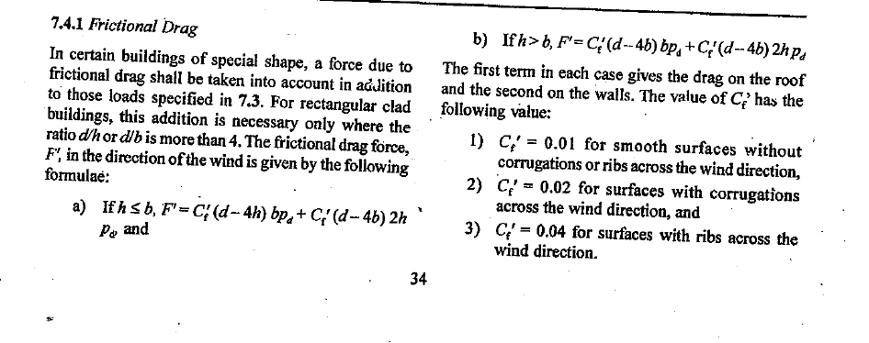
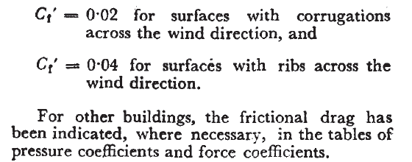
CODE CHANGES IS 875 (2015 VS 1987)

GEN GUI
 |  |  |  |  |  |  |  | IS 875 2015 CHANGES MADE COMPARE TO IS 875 19873
 |  |  |  |  |  |  |  |  | 2015

 |  |  |  |  |  |  | 65

IS875 2015 |  |  |  |  |  |  |  |  |  | IS875 1987

 |  |  | K2 renamed as terrain roughness and height factor

 |  |  | 2015

 |  |  |  | Class B and C removed |  |  |  |  |  |  |  | 1987
removed
 |  |  | k2 renamed

removed

renamed

 |  | Classificatin of structures in to B and C classes has been deleted
 |  | 2015

 |  |  |  |  |  |  |  |  |  | 1987
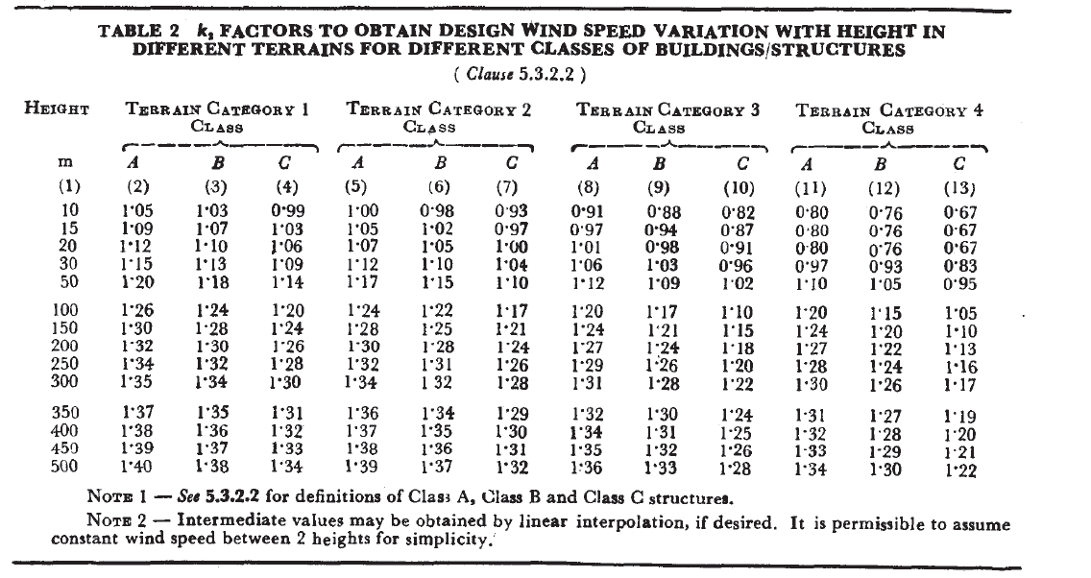

B ANC C CLASS ARE REMOVED
B ANC C CLASS ARE REMOVED
B ANC C CLASS ARE REMOVED
B ANC C CLASS ARE REMOVED

 |  |  |  |  |  | An additional modification factor termed as importance factor has been included for cyclonic region

 |  |  |  |  |  | 2015 |  |  |  |  |  |  | 1987
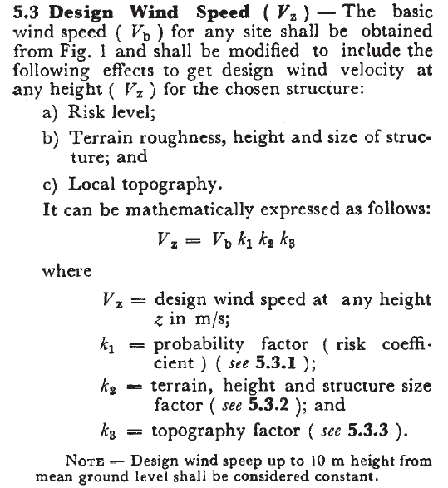

Newly Included k4 factor

K4 factors

 |  |  |  |  | Simple empirical expressions have been added for Height variations of hourly mean wind speed |  |  |  |  |  |  |  |  |  | 1987

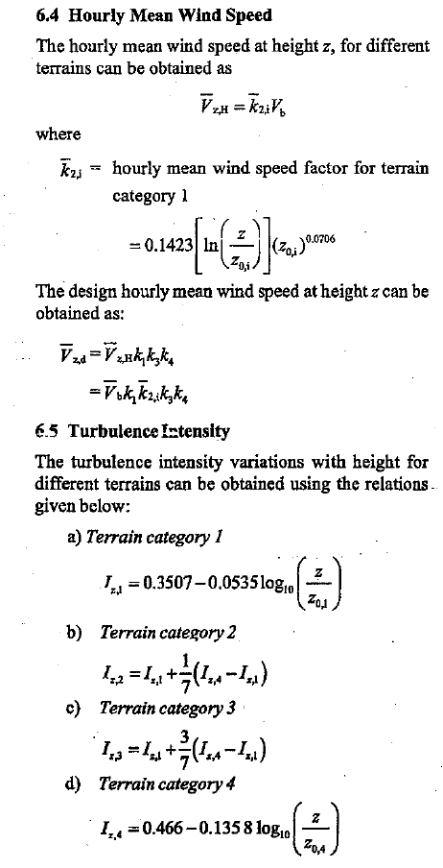
 |  |  |  | 2015
 |  |  |  |  |  |  |  |  |  |  |  |  |  |  | No Such Formulas

 | Provisions to account for effects of directionality, area averaging and correlations pressure on design wind pressure have been included

 |  |  |  |  |  |  | 2015 |  |  |  |  |  |  | 1987

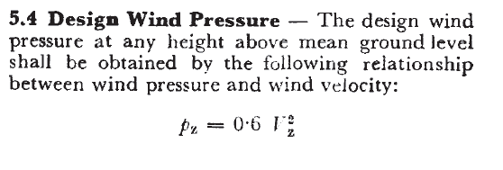

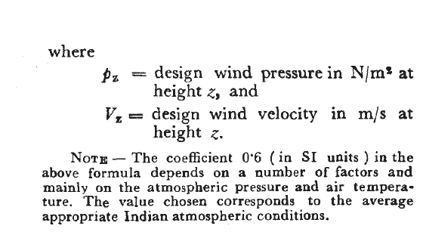

Newly added

Newly added

Newly added

Newly added

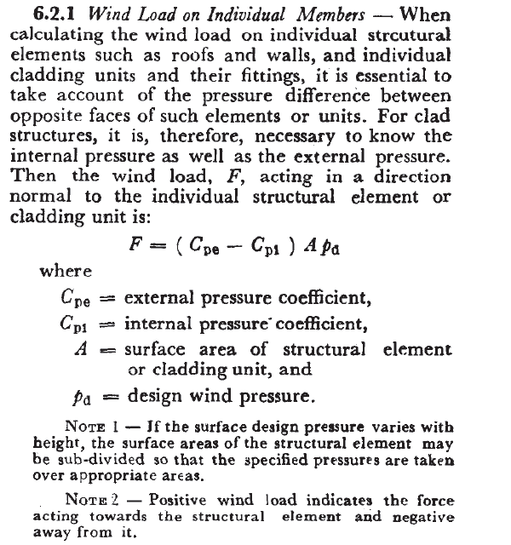
 |  |  | wind load on individual member
 |  |  | 2015
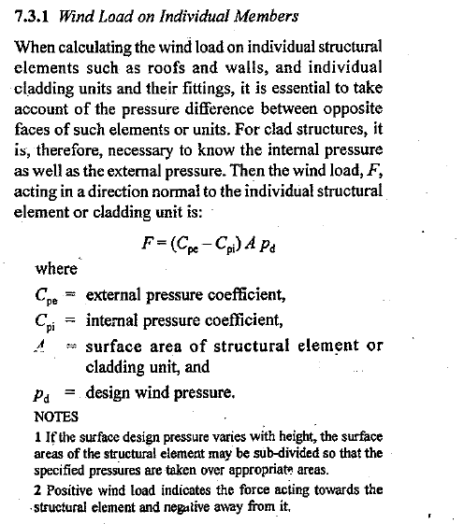

 | 2015 |  |  |  |  |  |  |  |  |  | 1987
 |  | Frictional drag force
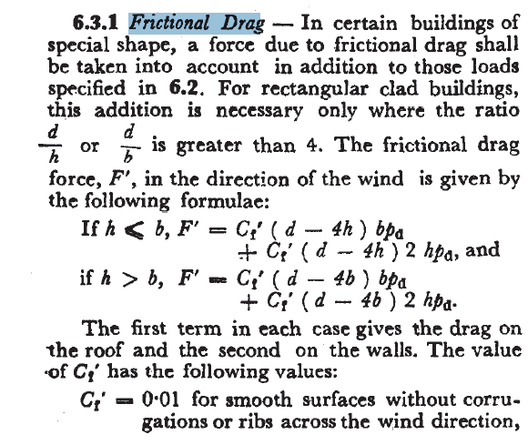

 |  |  | cf'

CODE COMPARISION
2015 |  | 1987
2015
Cf | Friction drag force calculation | cf
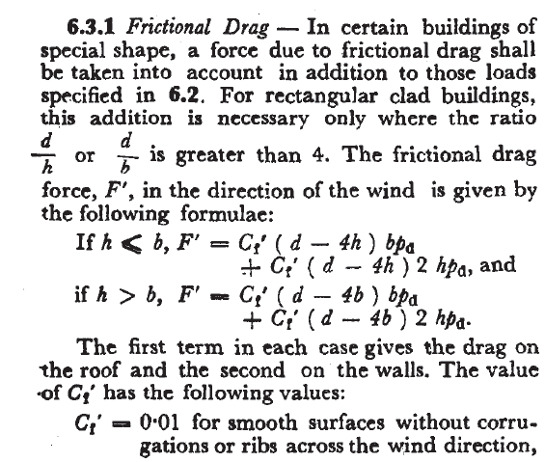
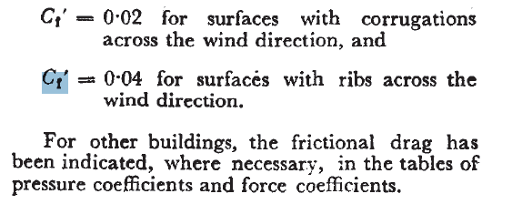

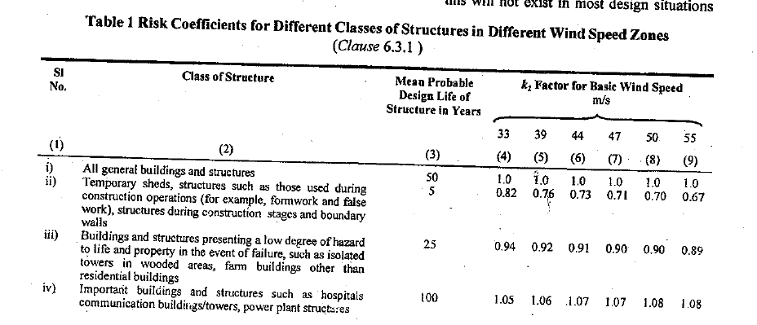
k1 |  |  |  | k1
2015 |  |  |  | 1987

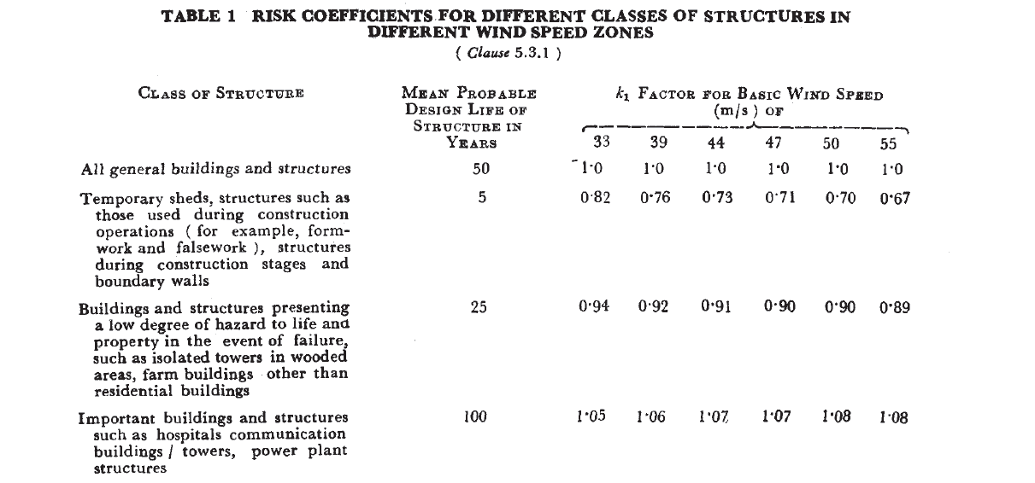

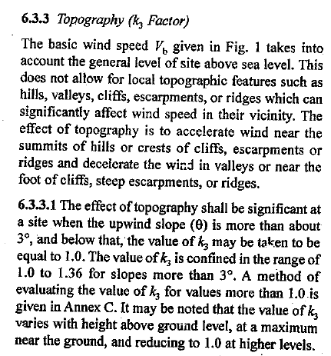
k3
2015 |  |  |  | k3
 |  |  |  | 1987
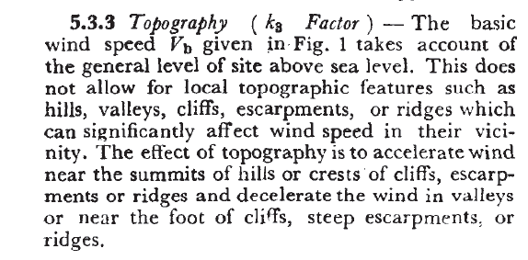

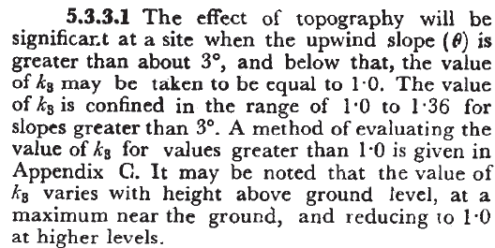

k4 |  |  | k4
2015 |  |  | 1987
 |  |  | N0 K4 in 875 version

