UI Changes
 |  | Required Changes in UI

PROJECT MODE |  |  | SIMPLE MODE |  |  | CHECKMODE
SAME GUI + ADDITIONAL FEATURES IF REQUIRED
 | TORSION INPUT FROM TABLE |  | TORSION INPUT BOX
 | Deflection input changes
 | Out Put Replace short term and long term with Total Deflection and Include Crack width if required !

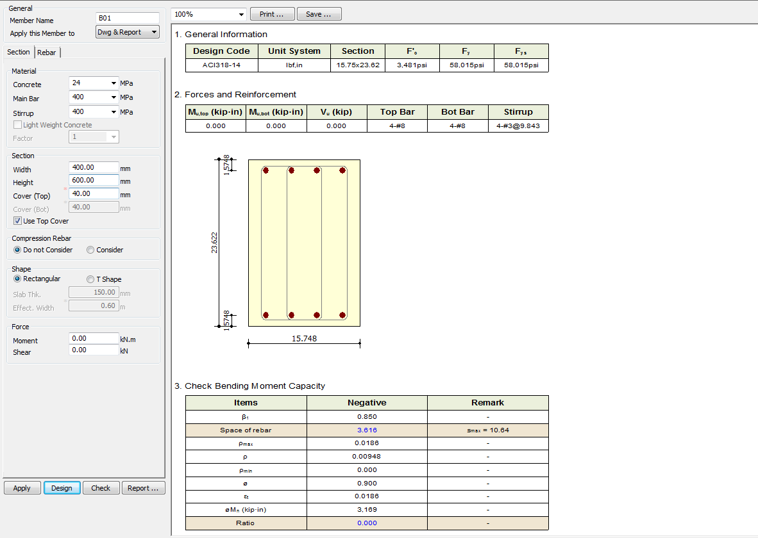
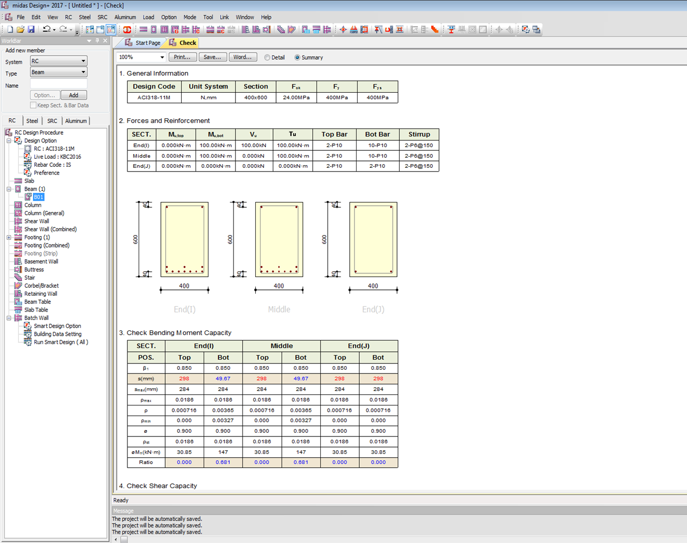

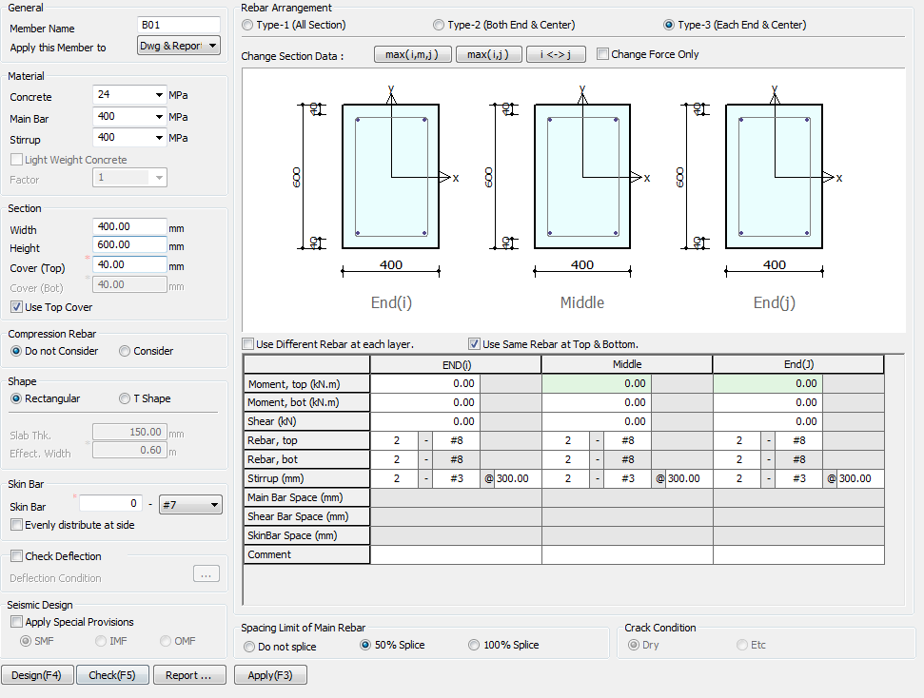

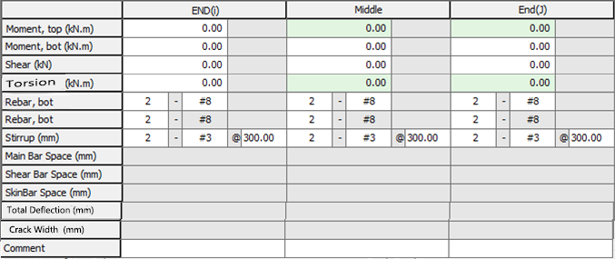

Torsion (KN m)
Hide
Hide
Hide
Torsion
0
kN-m

Side Face Reinforcement
Side Bar

Total Deflection (mm)
Crack Width (mm)

Apply IS 13920 Design

 |  |  |  | Remove | Remove

 |  |  | Simple Mode
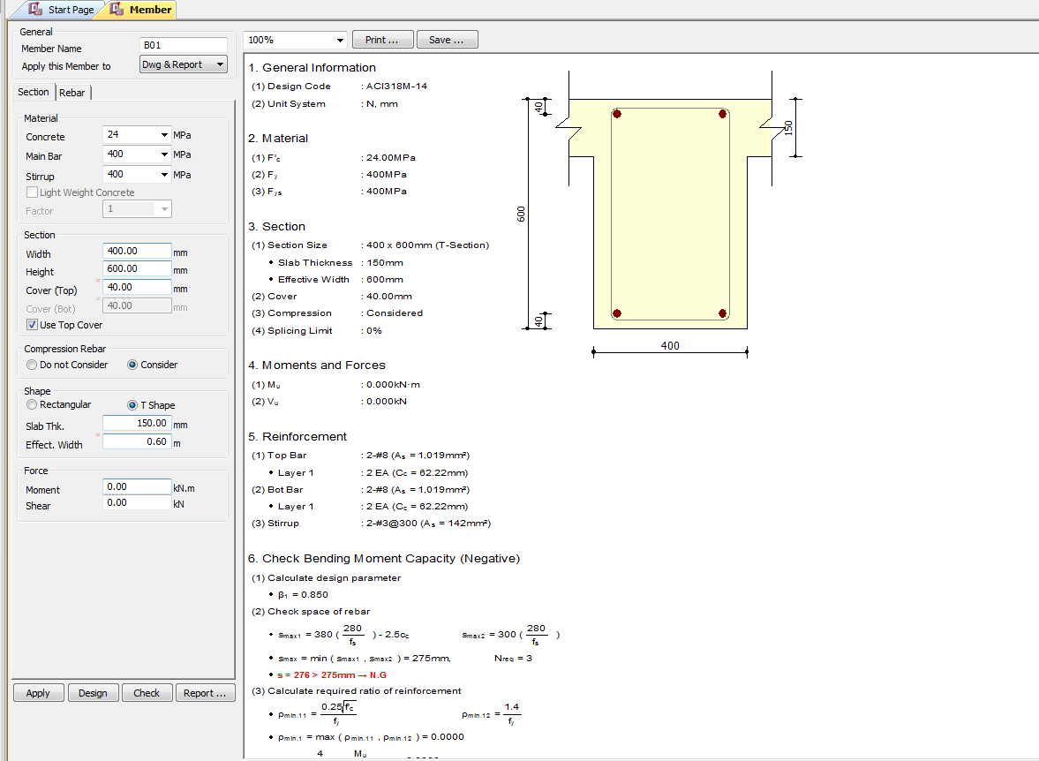

 |  |  |  |  |  |  | Remove

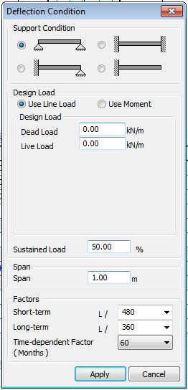

(3)TU : 0.000KN-m
Charactersic Deflection Control
Limit
250
350

7
28
365
(Days)
Torsion
0
kN-M

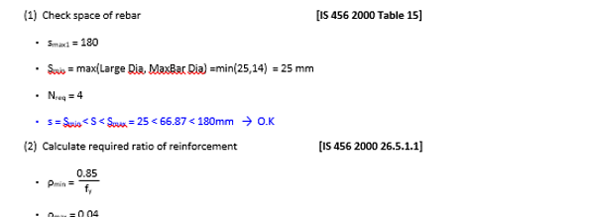

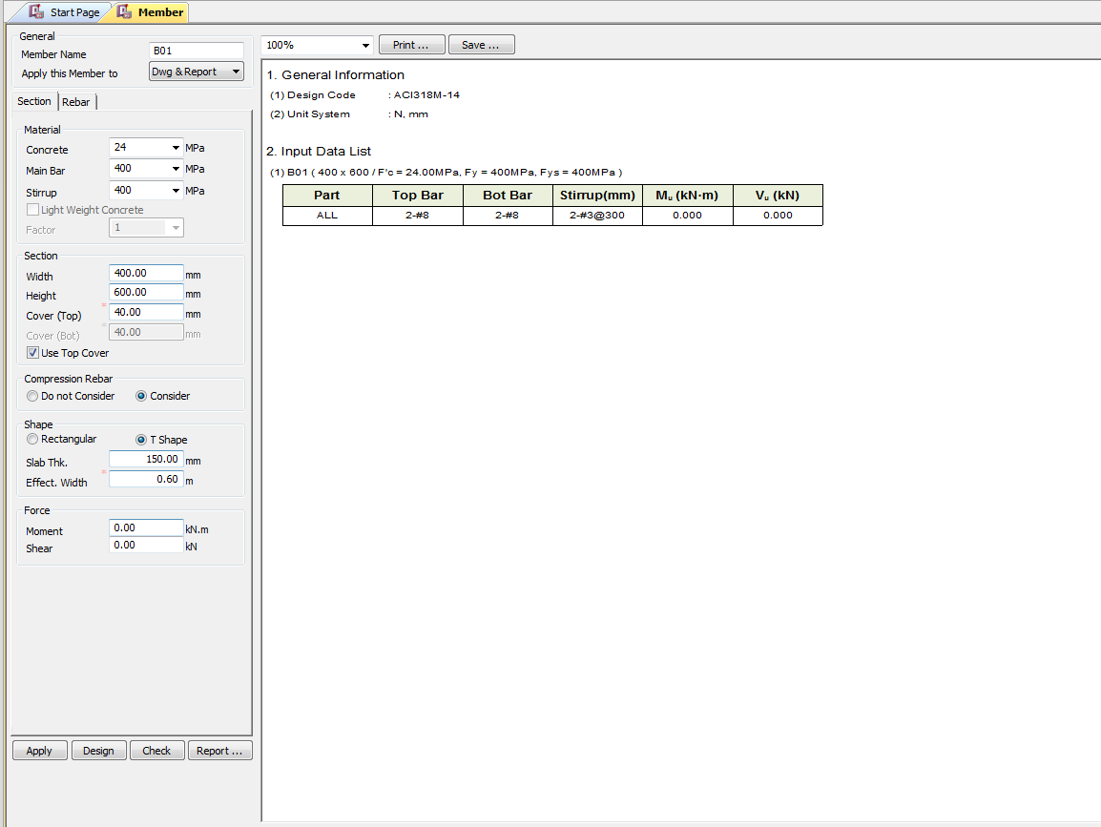

Torsion
0
kN-m

UI CHECK
UI Checking

 | Checks the Input shear to section shear Capacity ratio
 | Checks the Input Moment toMoment section Capacity ratio
 | Check Min Max spacing of Bar
 | Check Min Max Area of steel
 | Check Deflection Limit as per code
 | Check Crack Width Limit as per code

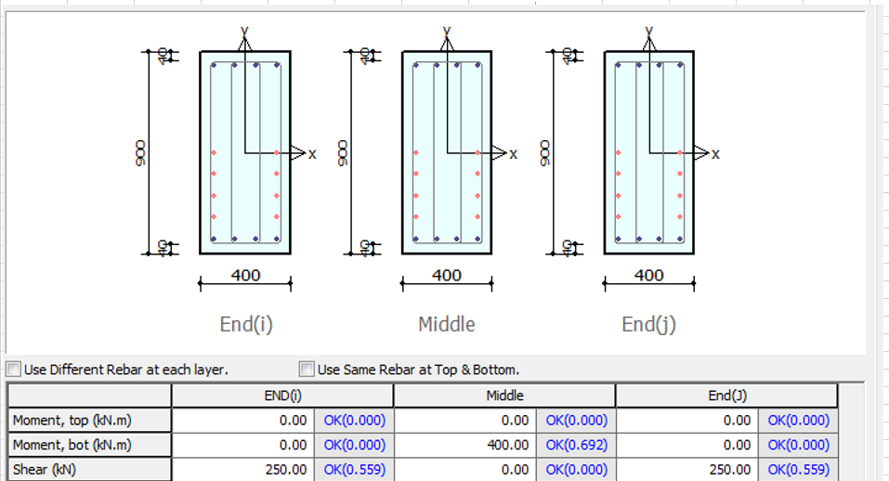

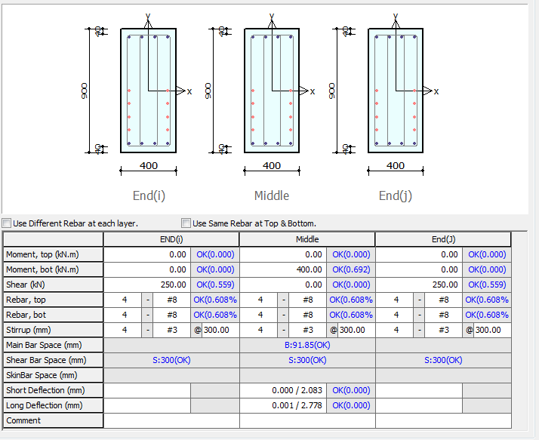

Torsion (KN m)

Total Deflection (mm)

Crack Width (mm)

Vu/Vn Ratio

Mu/Mn Ratio
AstMin <=Ast Provided <=Max Ratio of Steel
Check Min Max Spacing

Total Deflection Total <= Deflection Limit

CODE PROVISIONS
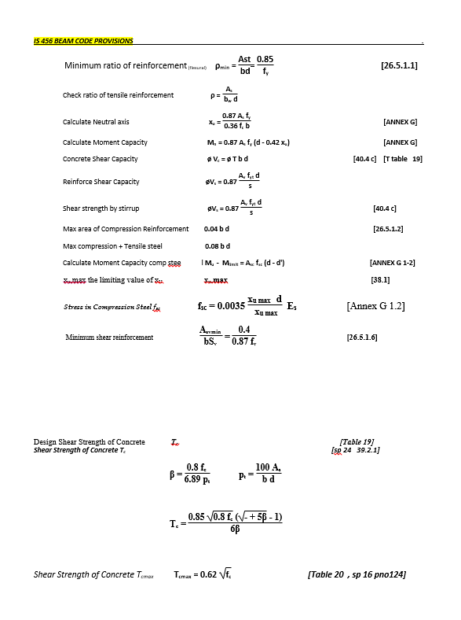
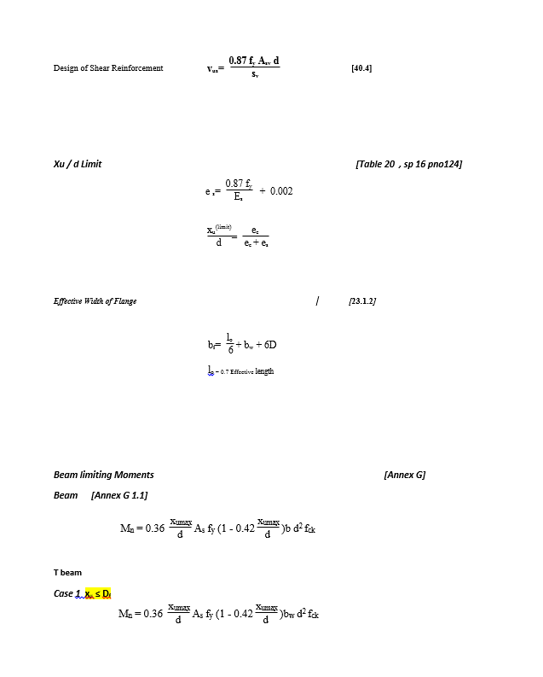
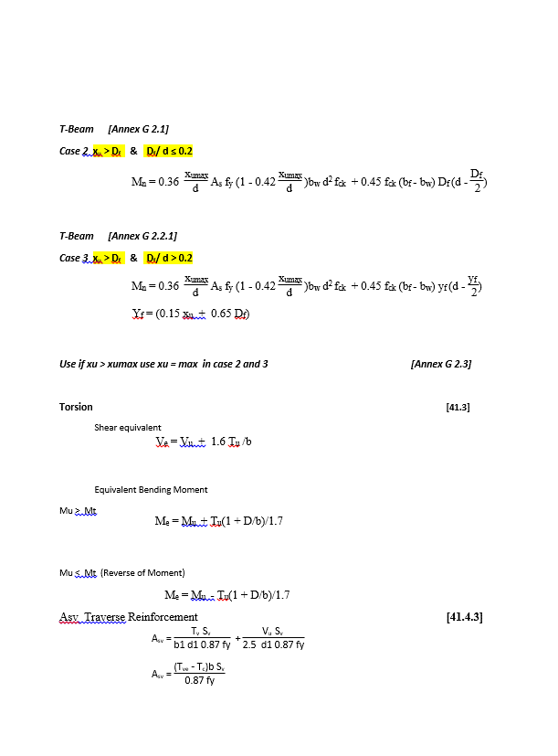
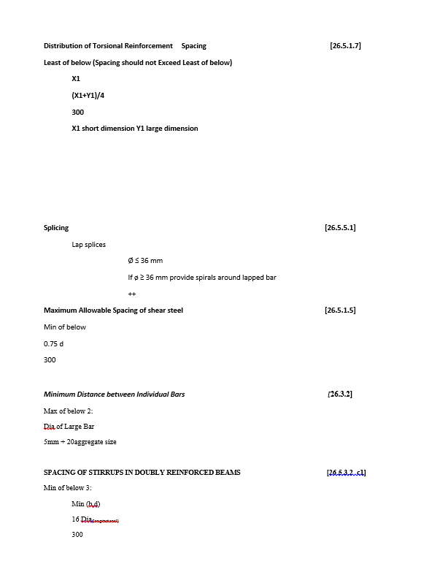
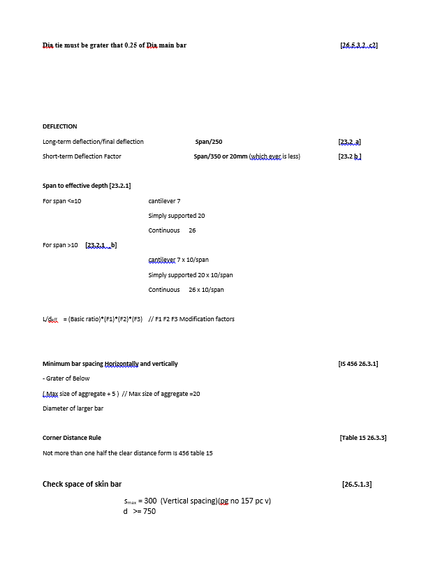
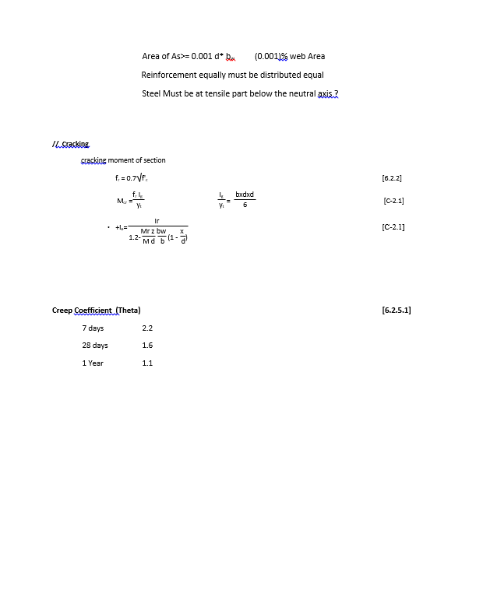
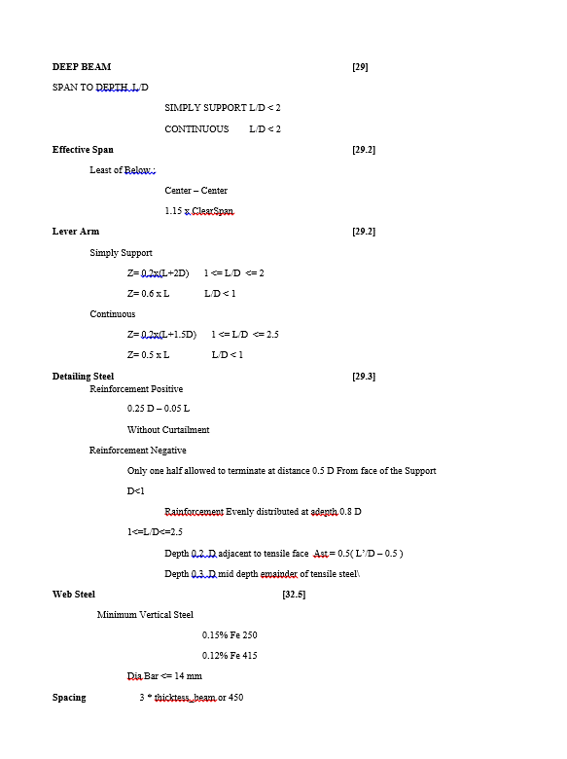
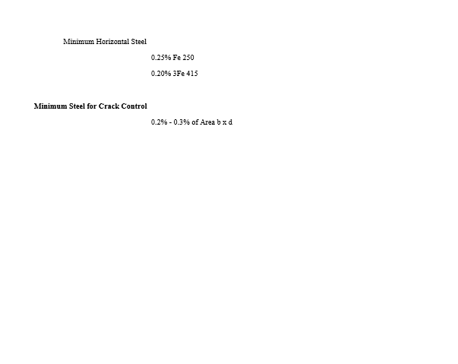
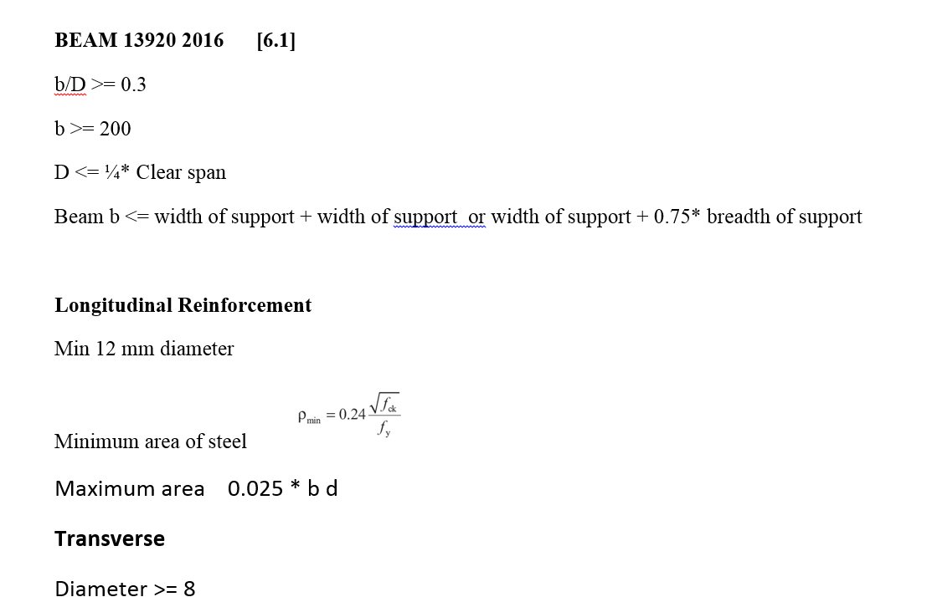
CODE PROVISION

IS 456 2000 CODE PROVISIONS
SP 16
SP 24
IS 13920 2016

FLOWCHART4
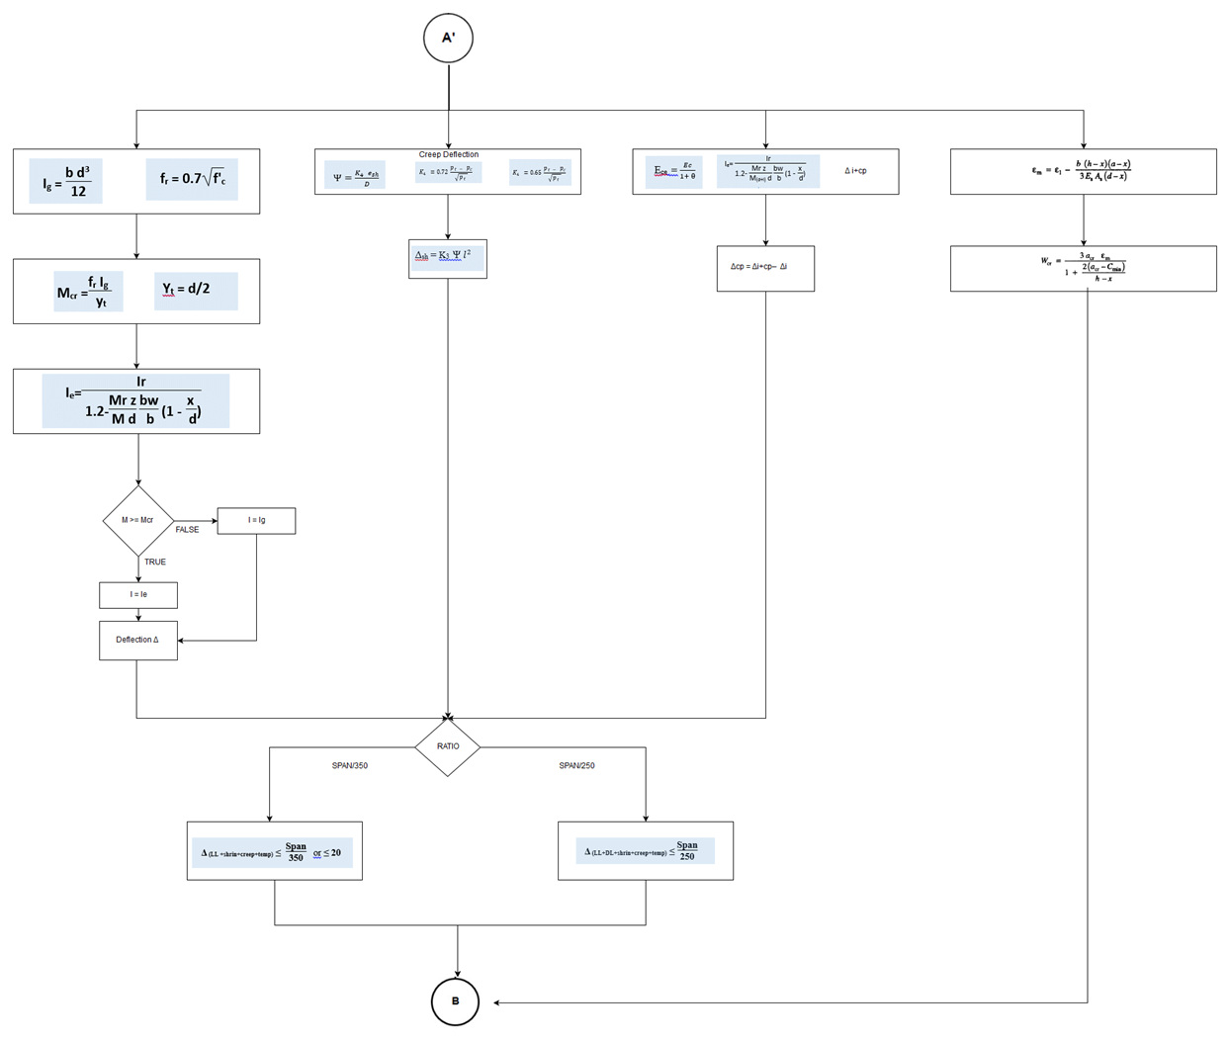
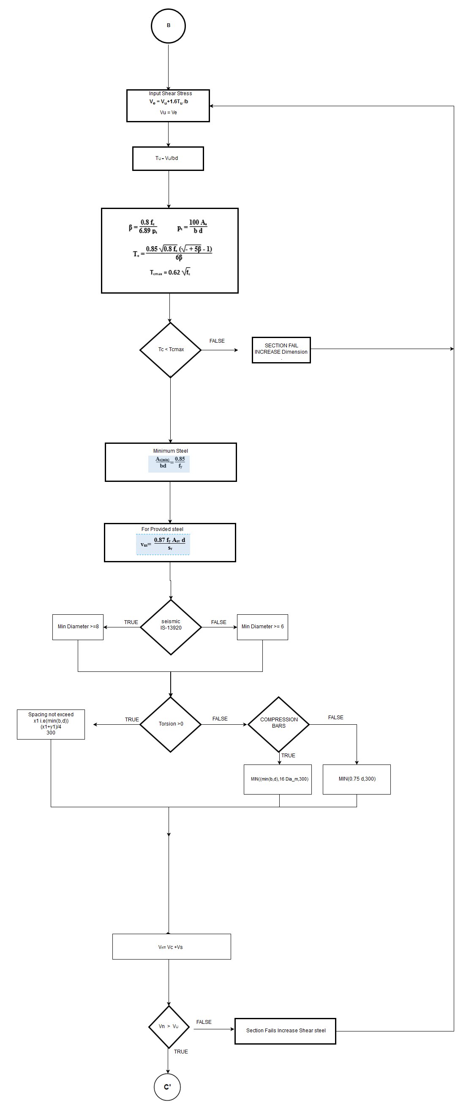
Flow Chart

FLOW CHARTS STEPS
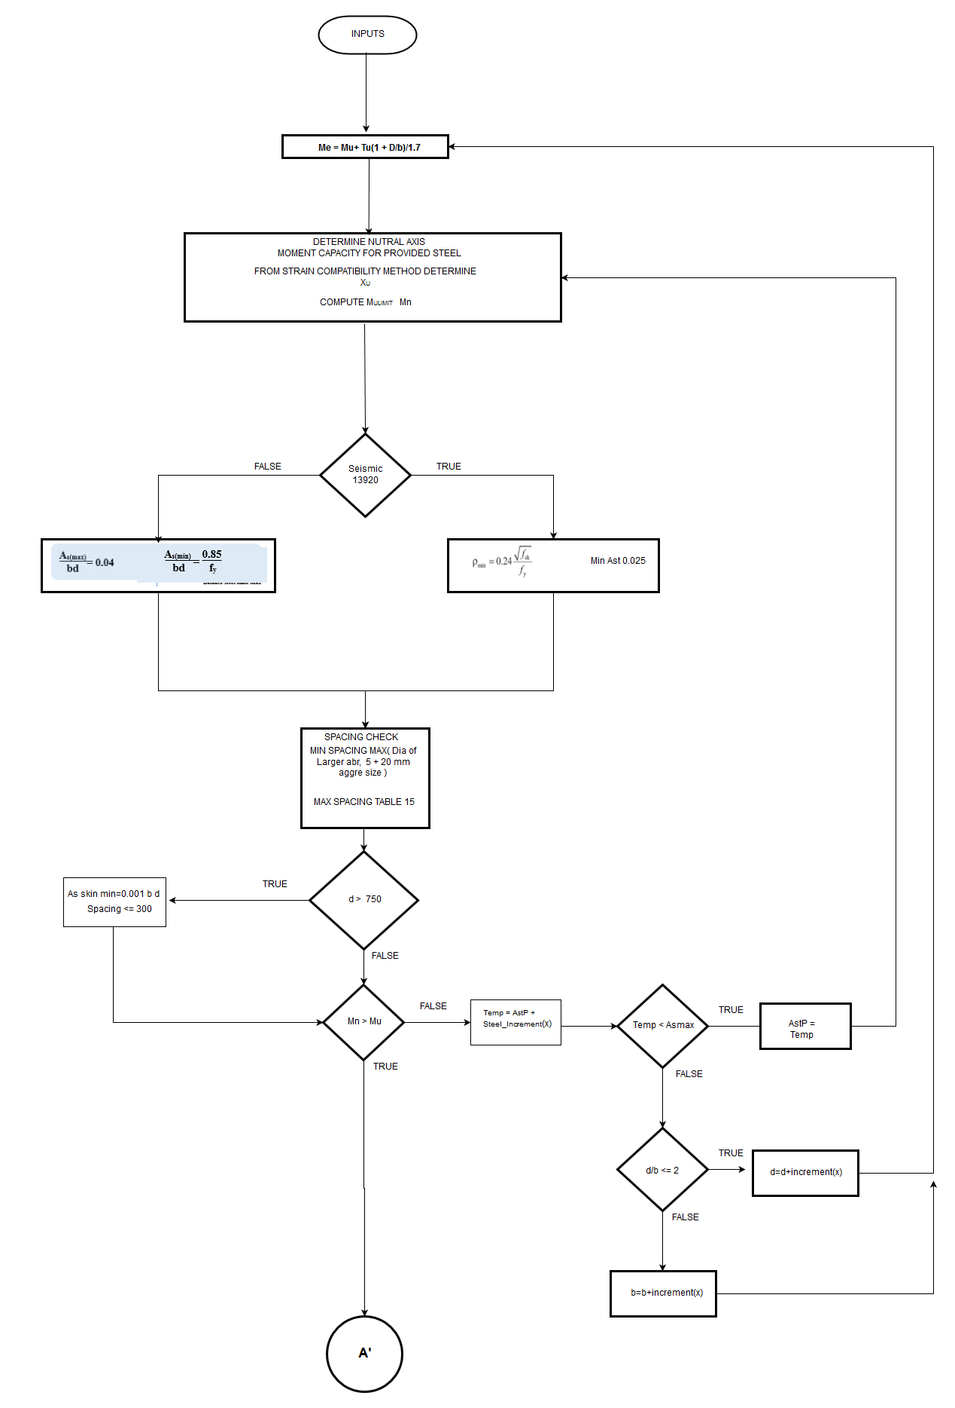

Flexural

REPORT3
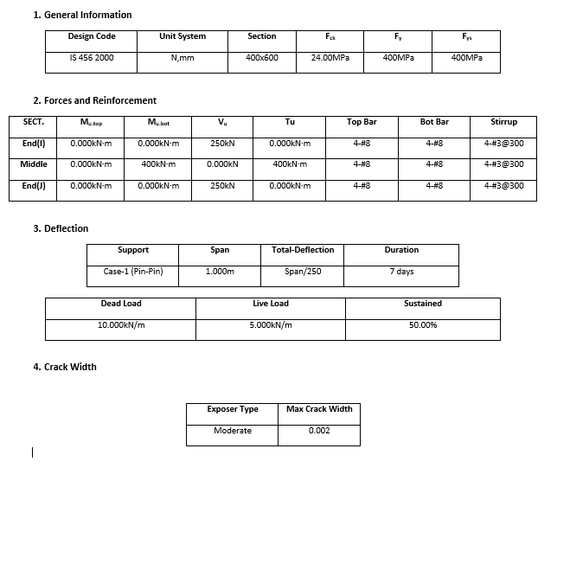
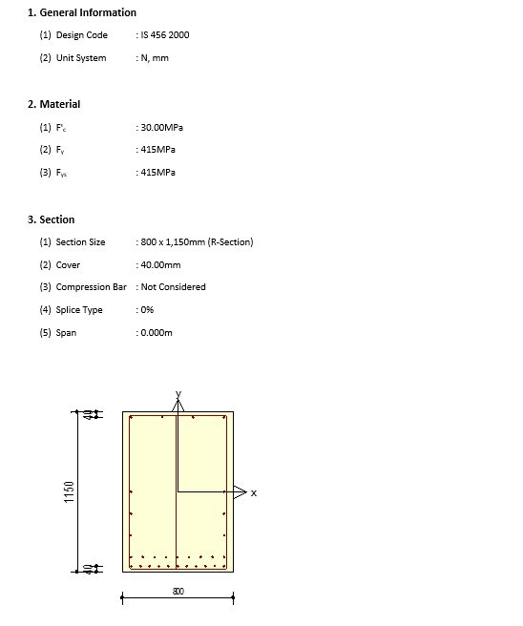
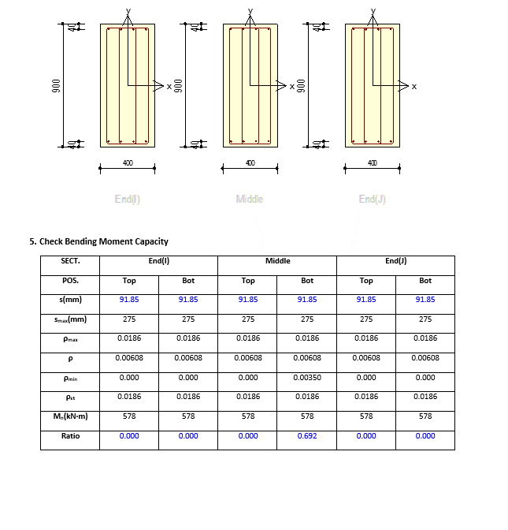
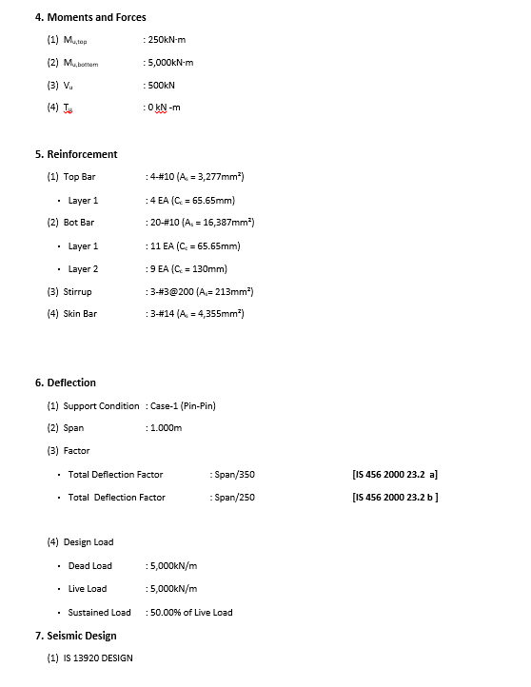
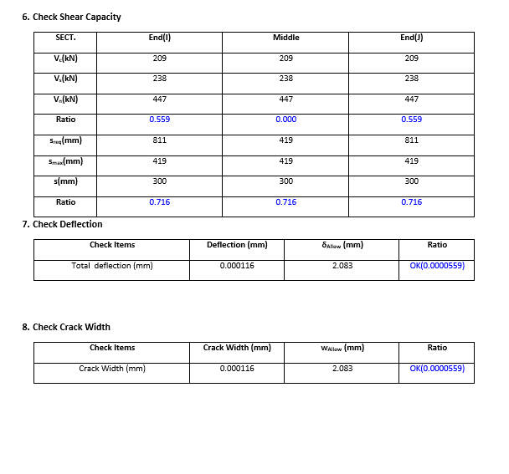
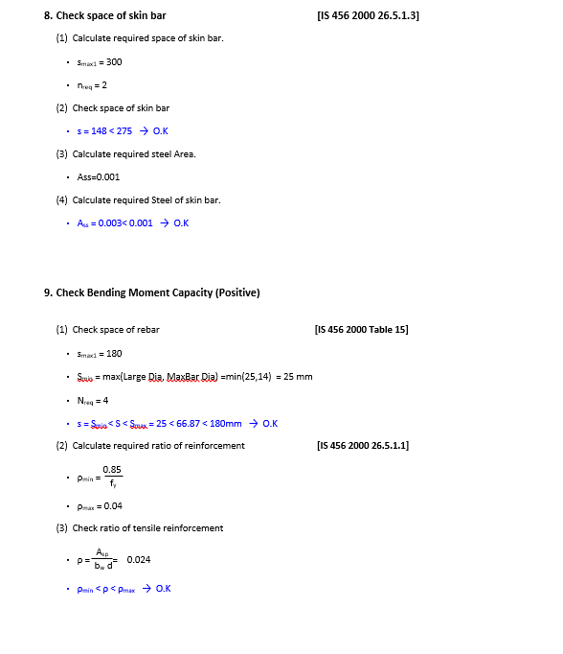
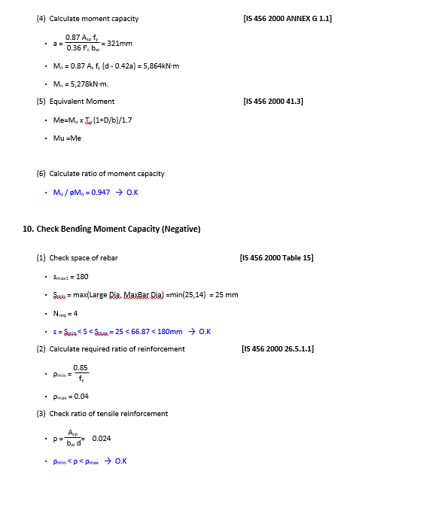
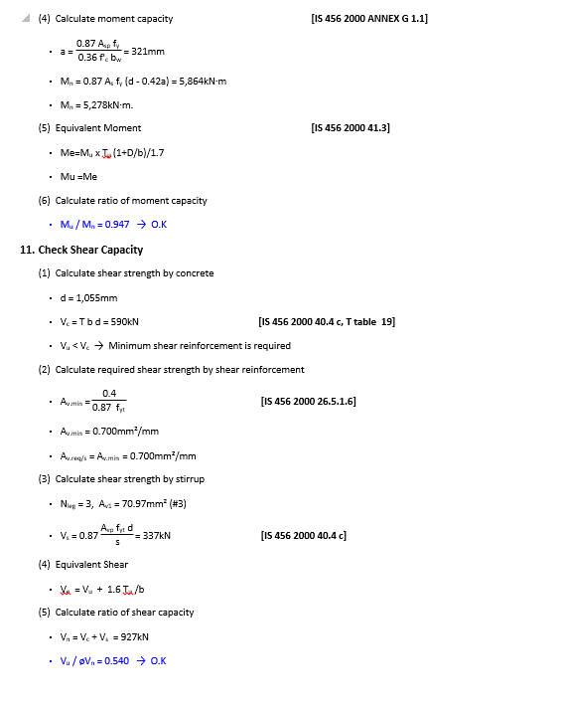
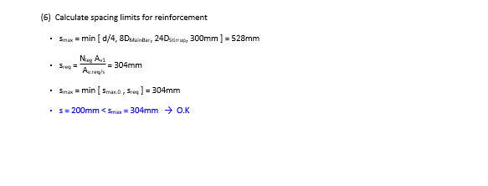
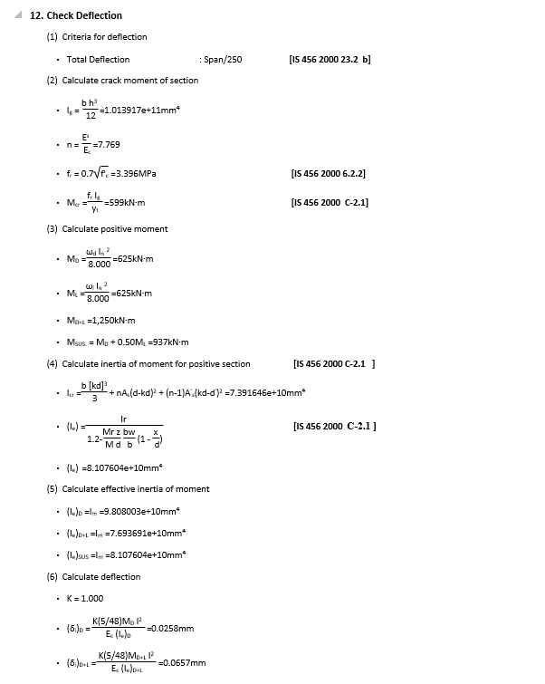
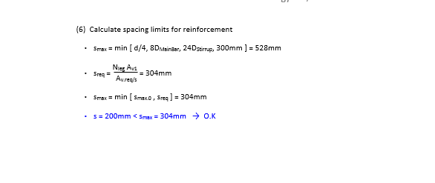
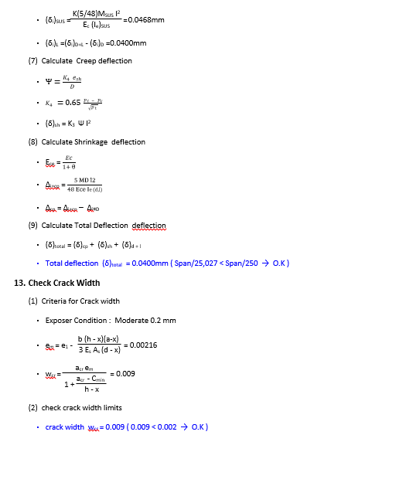
 | REPORT

Detail Report |  | Summary Report

