UI Changes
 |  |  |  | Required Changes in UI

 | PROJECT MODE |  |  |  |  | SIMPLE MODE |  | CHECKMODE
 | SAME GUI + ADDITIONAL FEATURES IF REQUIRED
 |  |  | Selection of Tie Bar or Spiral Bar Radio Buttion as per Gen style

 |  |  | Change PM CUVE |  | PM CURVE AS PER IS 456 |  |  |  | Nothing to Change

 |  |  | Effecitve length inpus as per IS code
 |  |  | Seismic design asper IS 13920
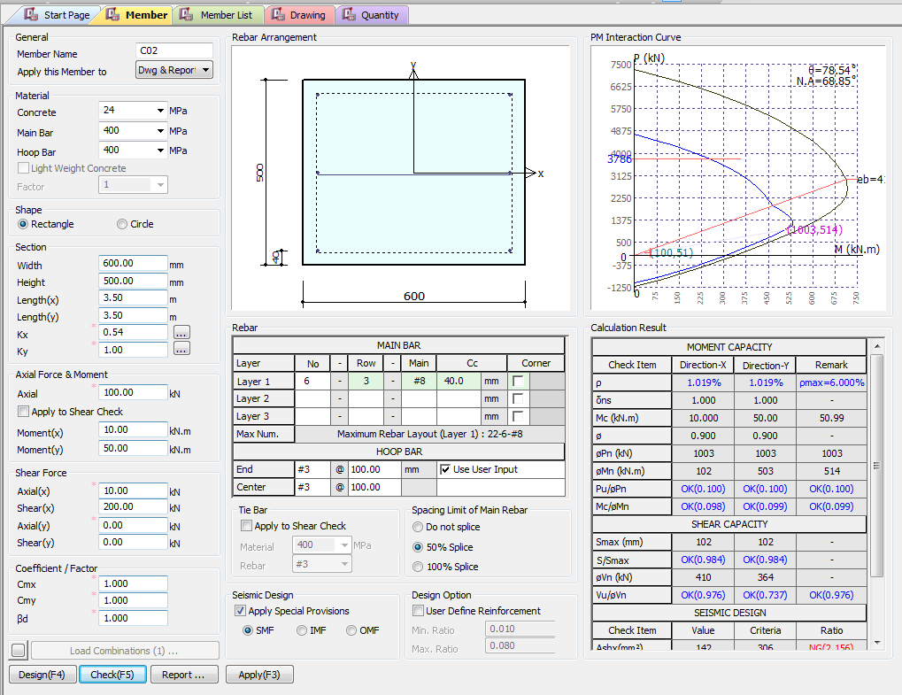
 |  |  | Include Crack width

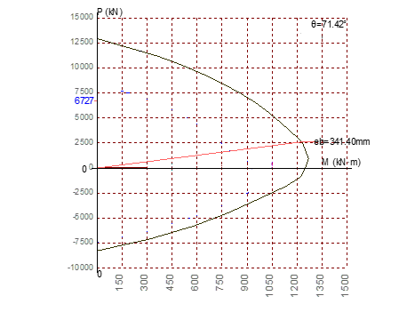

Effective Length inputs as per Annex E
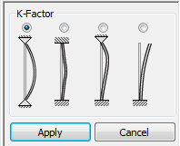

Type of Hoop Rebar
Ties
Spiral
Pn(KN)
1 0.5 0.7 2
Mn(KN.m)
Pu/Pn
Mc/Mn
NOT REQUIRED FOR IS CODE
1 0.5 0.7 2

NOT REQUIRED FOR IS CODE
Vn (KN)
Vu/Vn
Apply IS 13920 Design
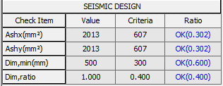

 |  |  |  |  |  |  | Not Required
Serviceability limits

Crack Width (mm)
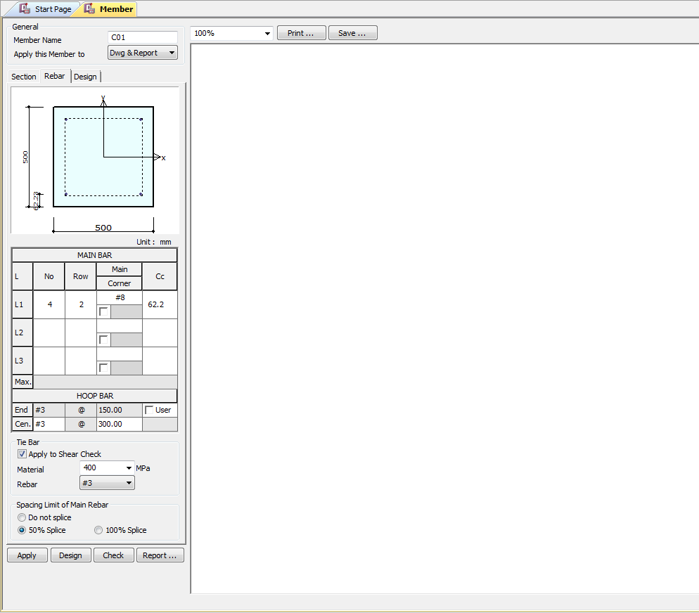

 |  | Remove/ Hide

Hoop Rebar
Ties
Spiral



Apply IS 13920 Design

UI CHECK
UI Checking

Checks

Type of Hoop Rebar
Ties
Spiral
Pn(KN)
Pn(KN)
 | Show ast Max as per code
 | Area of Steel/bxd
 | Area of Steel/bxd
Mn(KN.m)
Pu/Pn
Mc/Mn

 | Pprovided/Pinput
Vn (KN)
Vu/Vn
 | Mprovided/Minput
Apply IS 13920 Design
 | Vinput/Vprodived Check

 | Porvided area steel/minimum area of steel

 | Minimum Dimension / Provided Dimension
 | Dimension_min require/Provided

 | Obtain Crack width/Max Limit of Crack width
Crack Width (mm)

CODE PROVISIONS
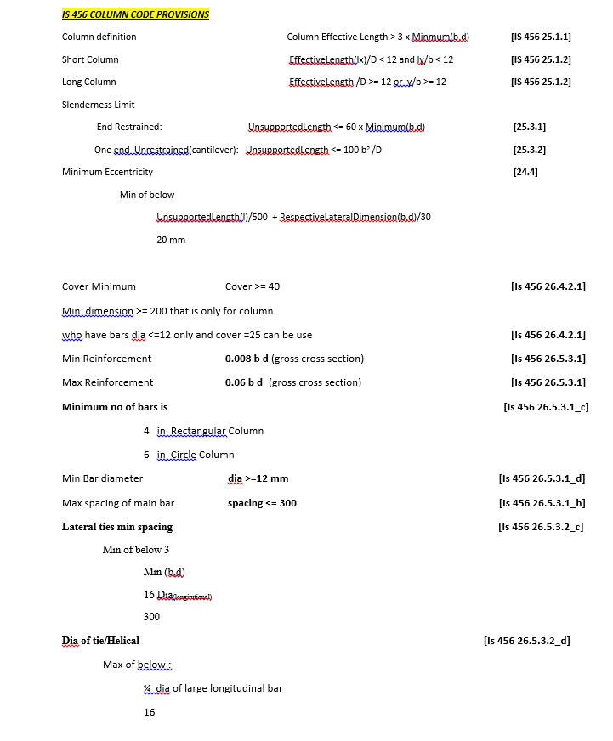
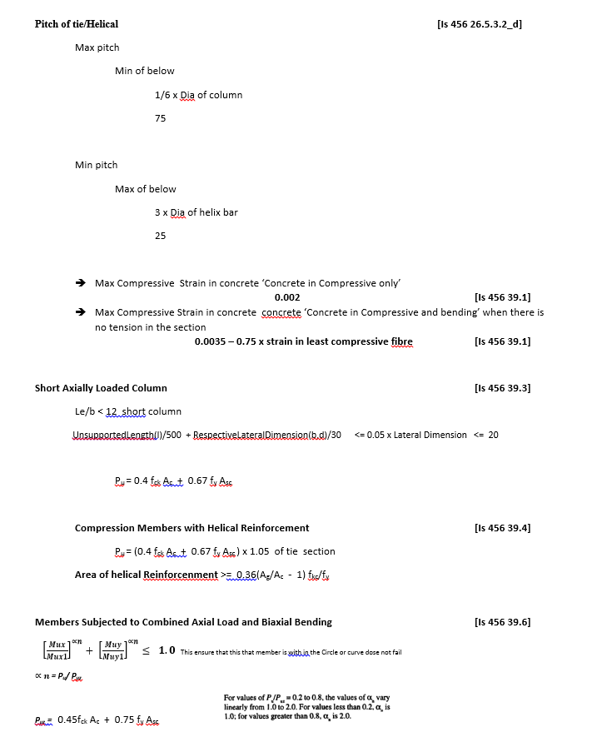
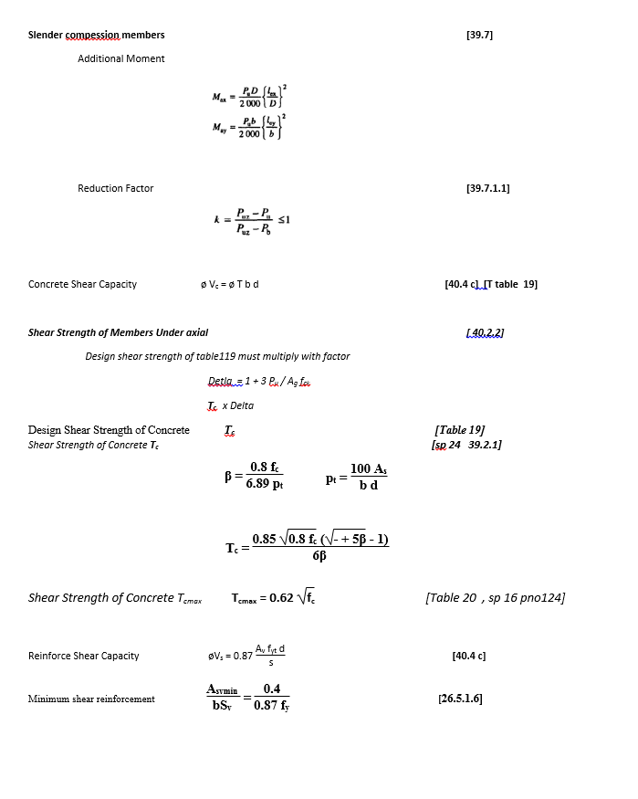
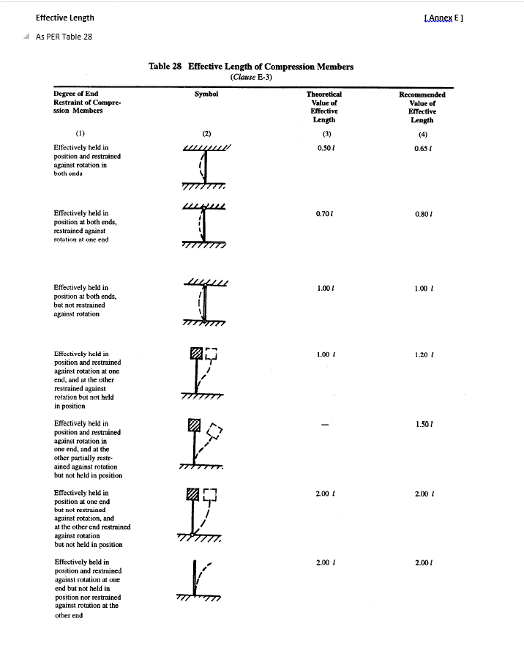
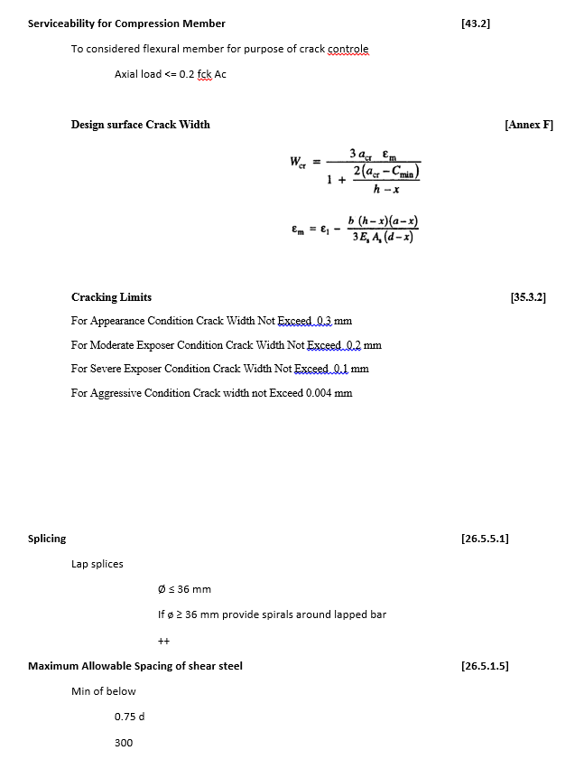
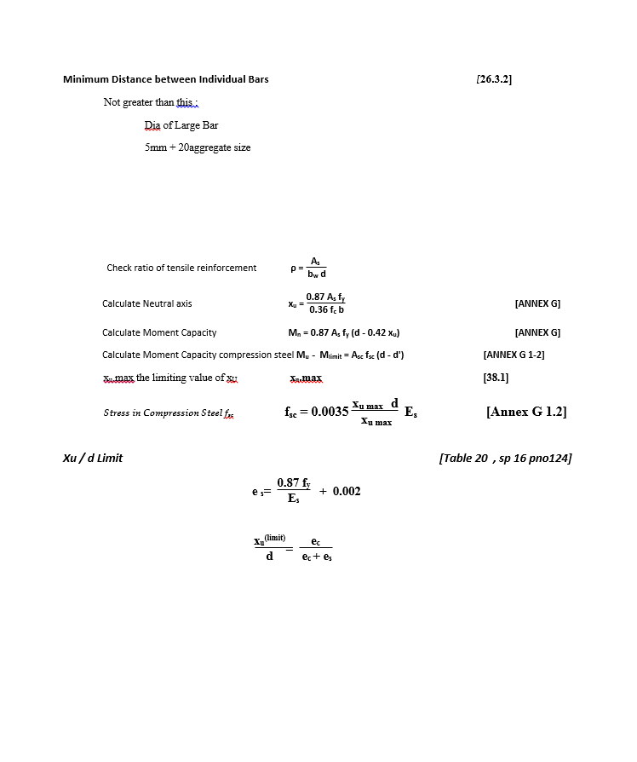
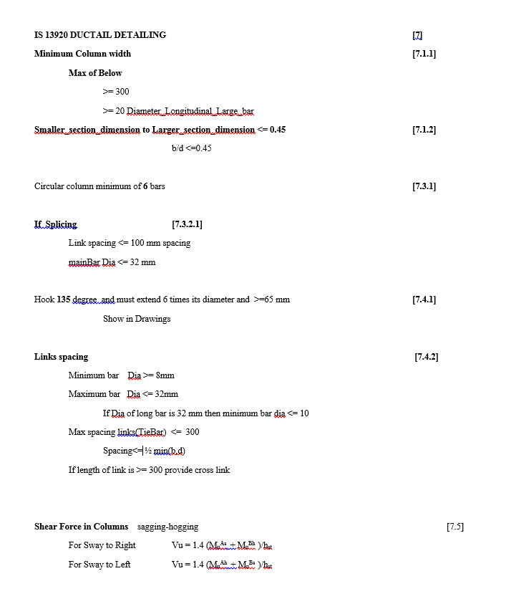
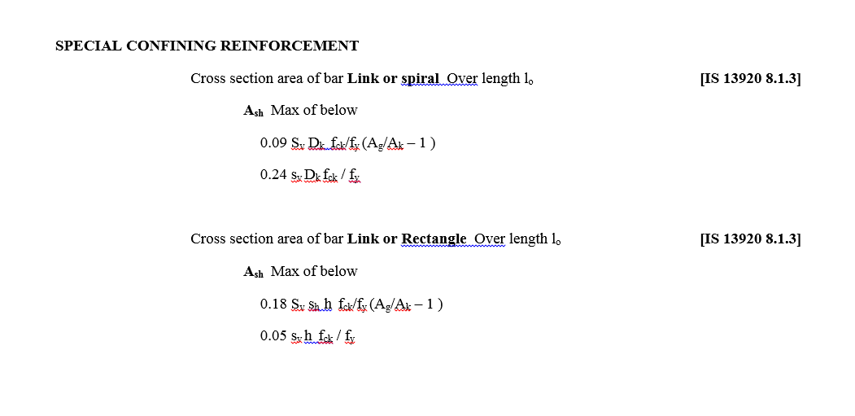
CODE PROVISION

IS 456 2000 CODE PROVISIONS
SP 16
SP 24
IS 13920 2016

FLOWCHART4
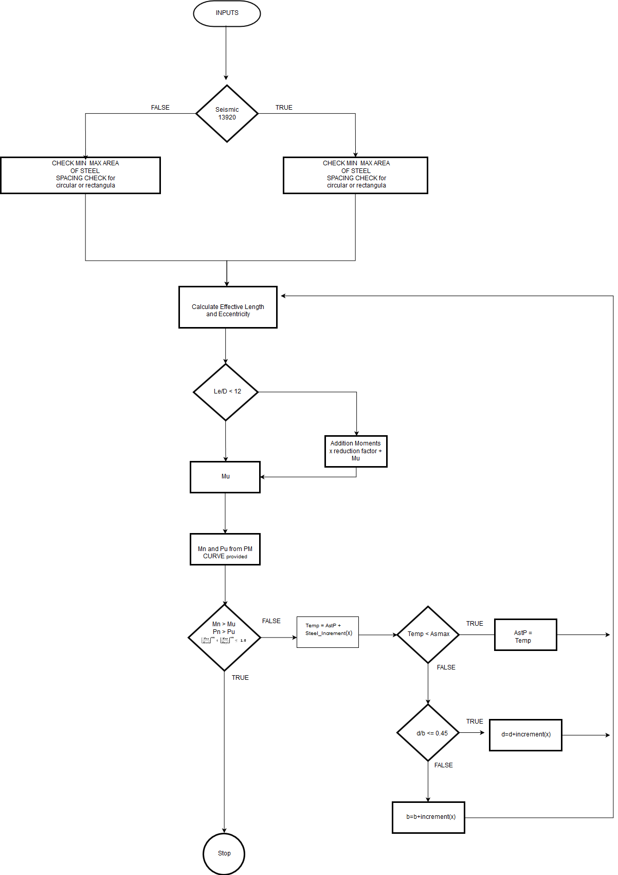
Flow Chart

FLOW CHARTS STEPS

Shear check

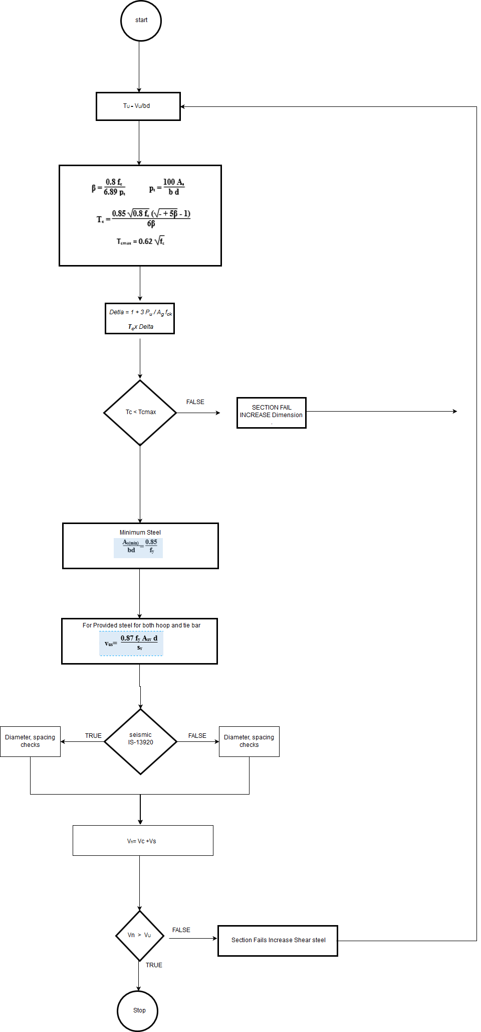

Serviceability

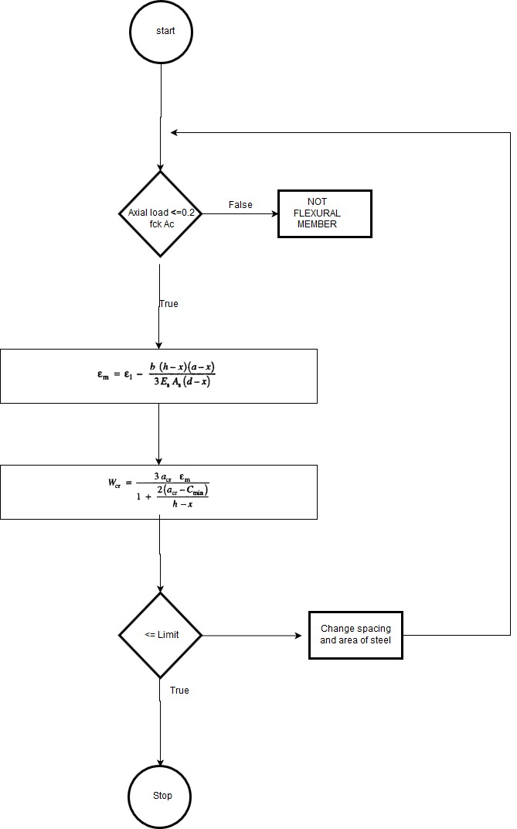

Axial and Moment Check

REPORT3
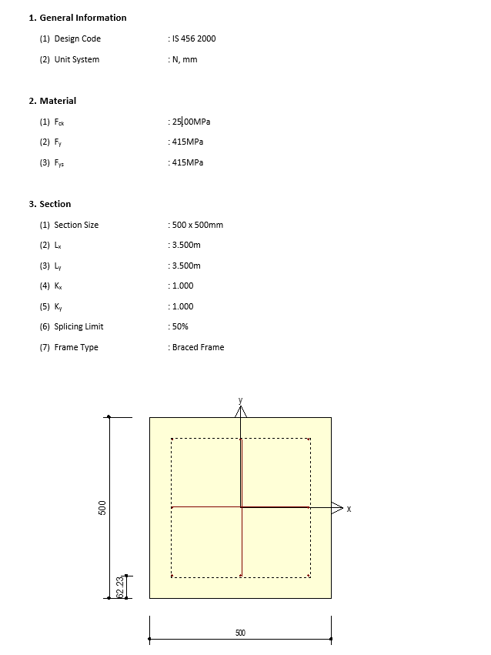
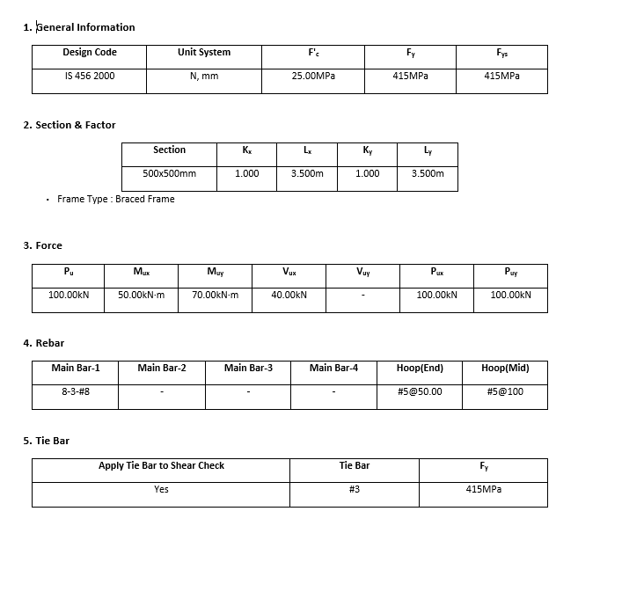
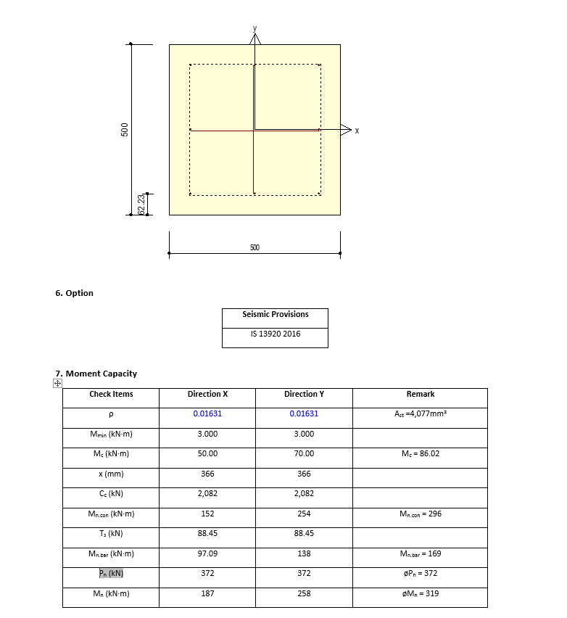
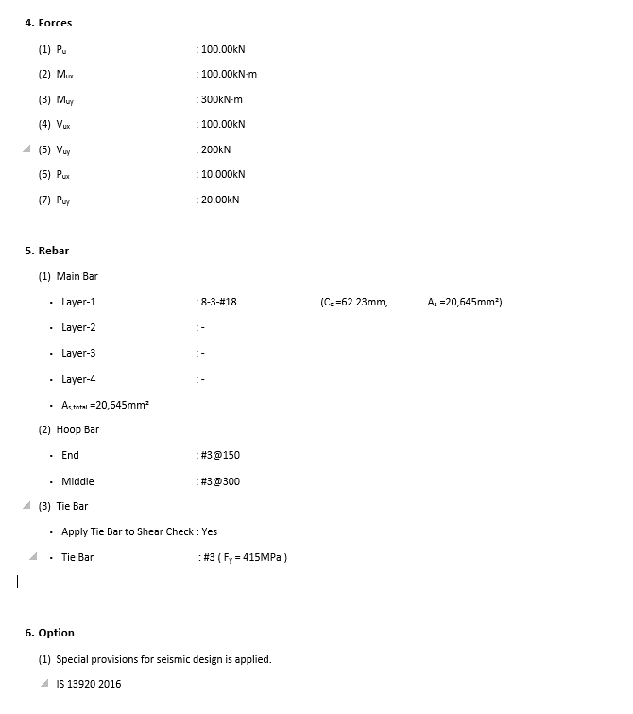
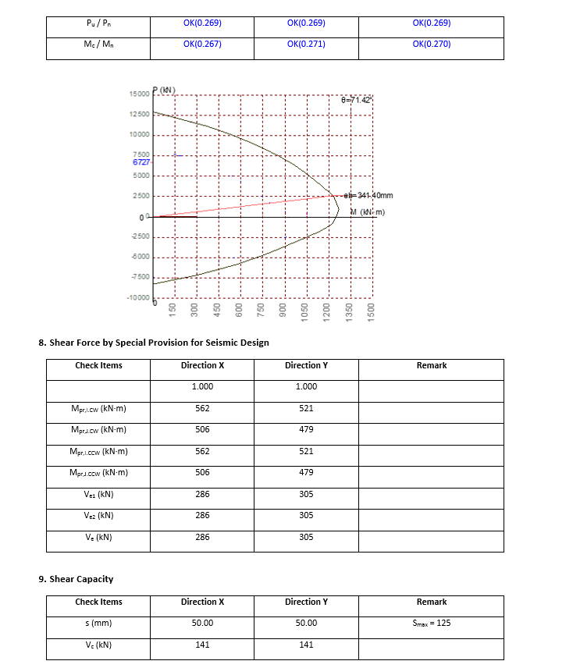
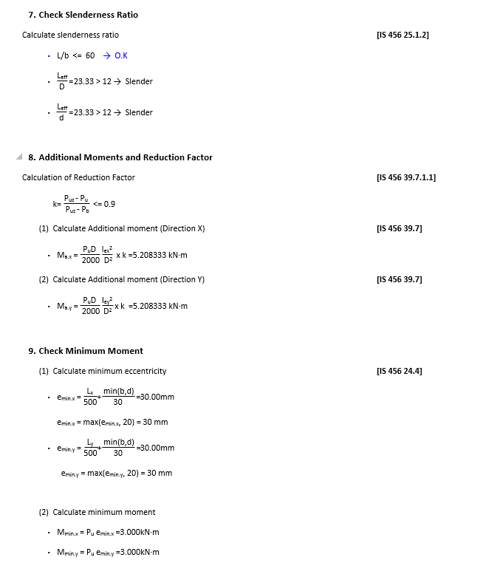
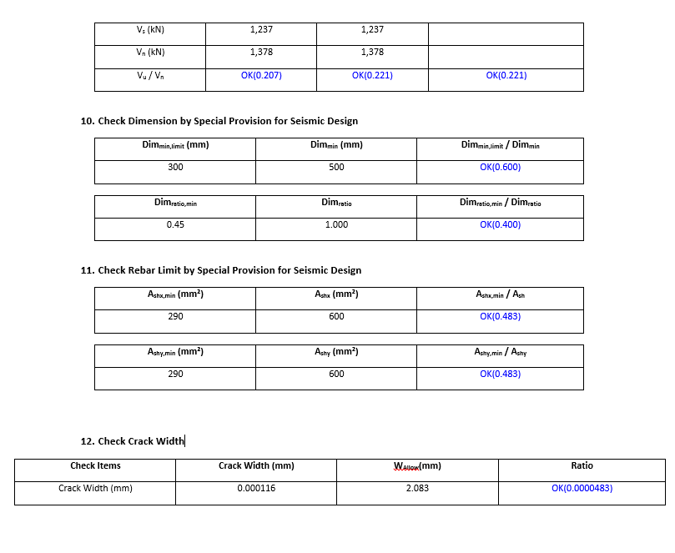
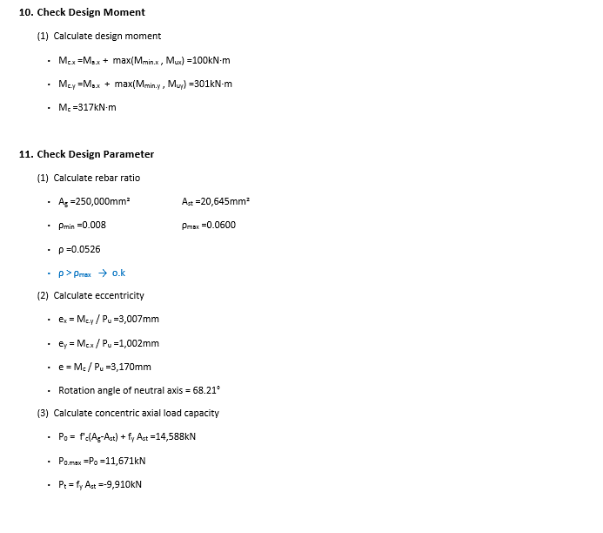
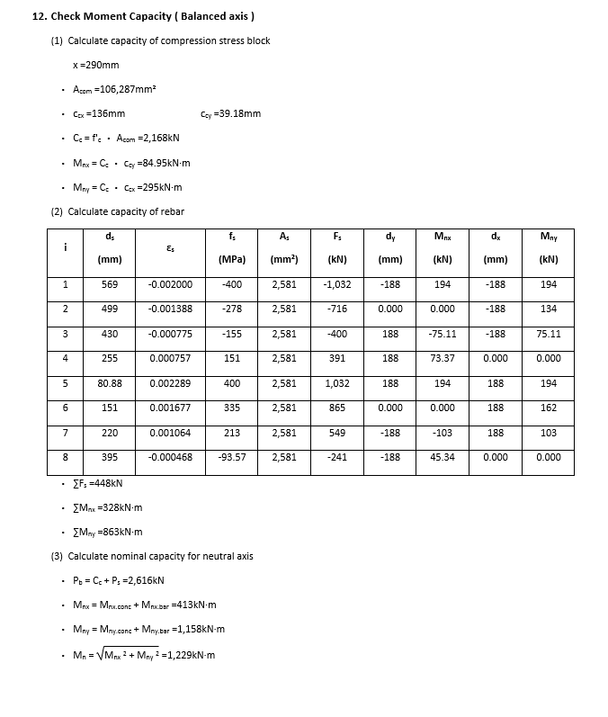
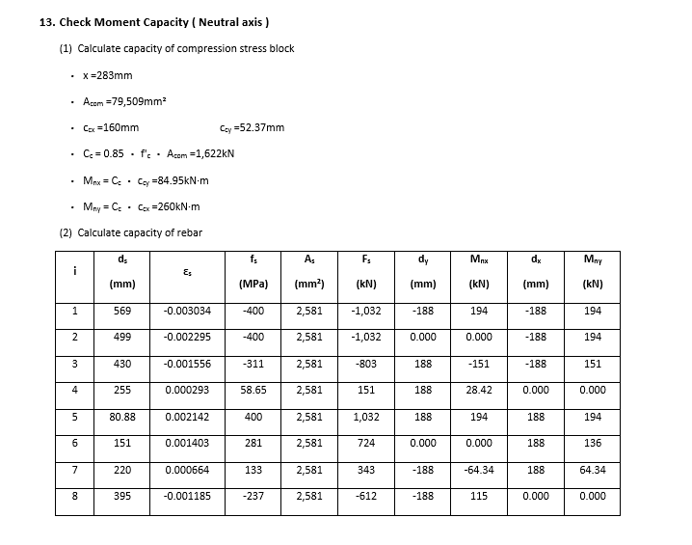
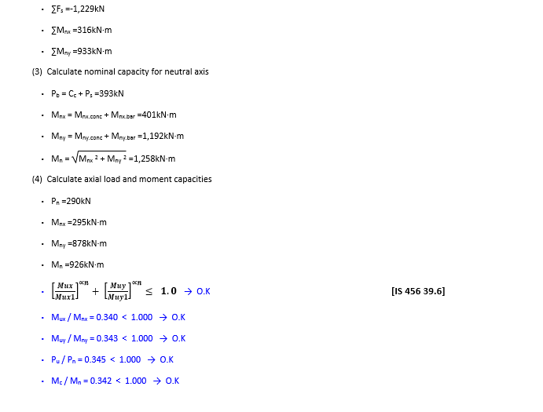
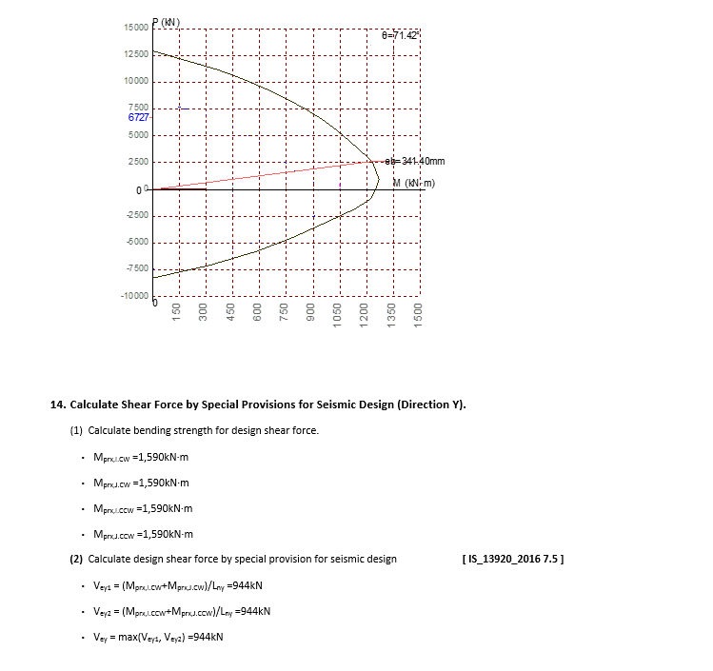
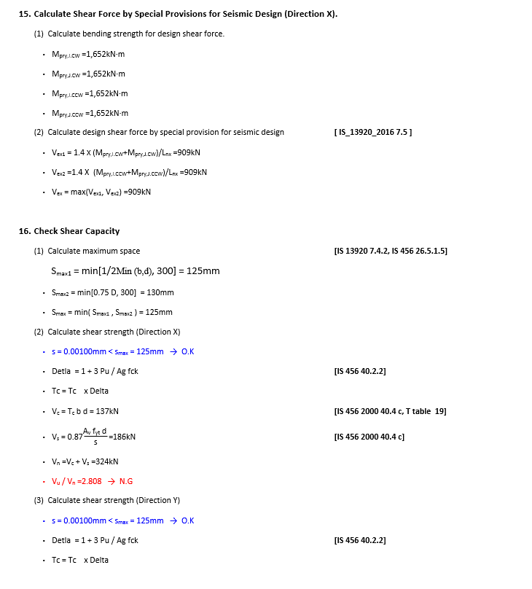
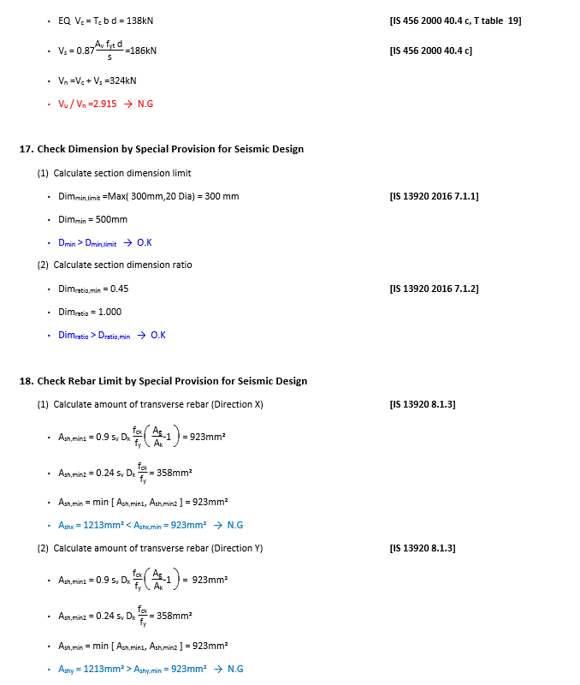
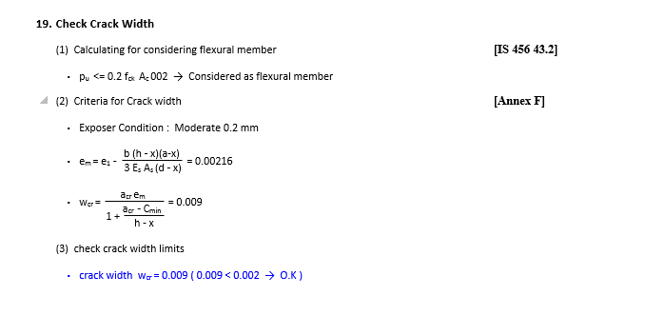
 | REPORT

Detail Report |  | Summary Report

