UI Changes
 |  |  |  | Required Changes in UI

 | PROJECT MODE |  |  |  |  |  | SIMPLE MODE |  |  | CHECKMODE
 | GUI CHANGES |  |  |  |  |  | GUI CHANGES
 |  |  | Selection of Tie Bar or Spiral Bar using Radio Buttion

 |  |  | Change PM CUVE i.e single PM curve as per IS Code |  | CHANGED PM CURVE AS PER IS 456 |  | Effecitve length inputs as per IS code |  |  |  | Nothing to Change

 |  |  | Effecitve length inputs as per IS code |  |  |  | Remove/Hide Addition Factiors Inputs
 |  |  | Seismic design Applay as per IS 13920 |  |  |  | Selection of Tie Bar or Spiral Bar using Radio Buttion
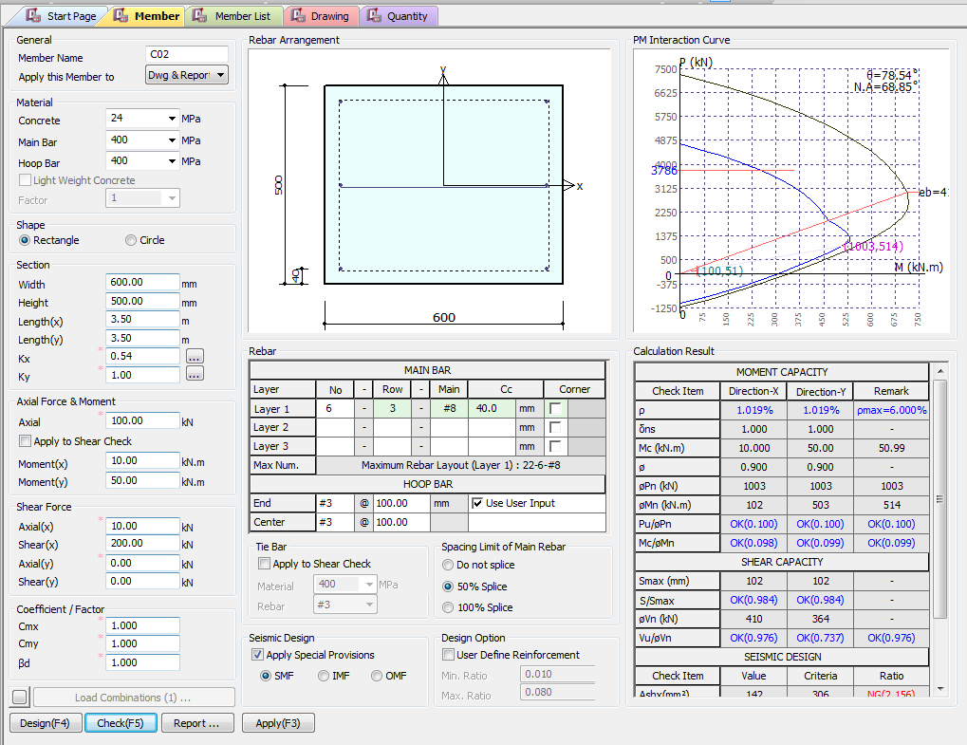
 |  |  | Include Crack width |  |  |  | Seismic design Applay as per IS 13920

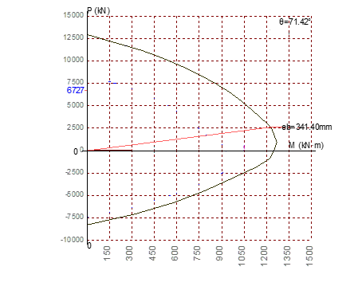
 |  |  |  |  |  |  | As we select Circle select Hoop: Spiral Bars.

 |  |  |  |  |  |  | As we select Rectangle select Hoop: Spiral Bars.

On Selection Circle - select Hoop: Spiral Bars.

On Selection Rectangle - select Hoop: Tie Bars.

1 0.5 0.7 2

1 0.5 0.7 2
Effective Length inputs as per Annex E
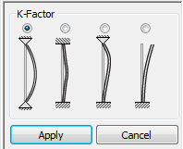

Pn(KN)
Mn(KN.m)
Pu/Pn
Mc/Mn
NOT REQUIRED FOR IS CODE

NOT REQUIRED FOR IS CODE
Vn (KN)
Vu/Vn
Apply IS 13920 Design
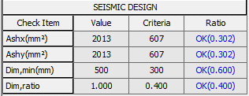

Serviceability limits
 |  |  |  |  |  |  |  |  | Remove
 |  | Remove

Crack Width (mm)
 |  |  |  |  |  |  |  | No changes
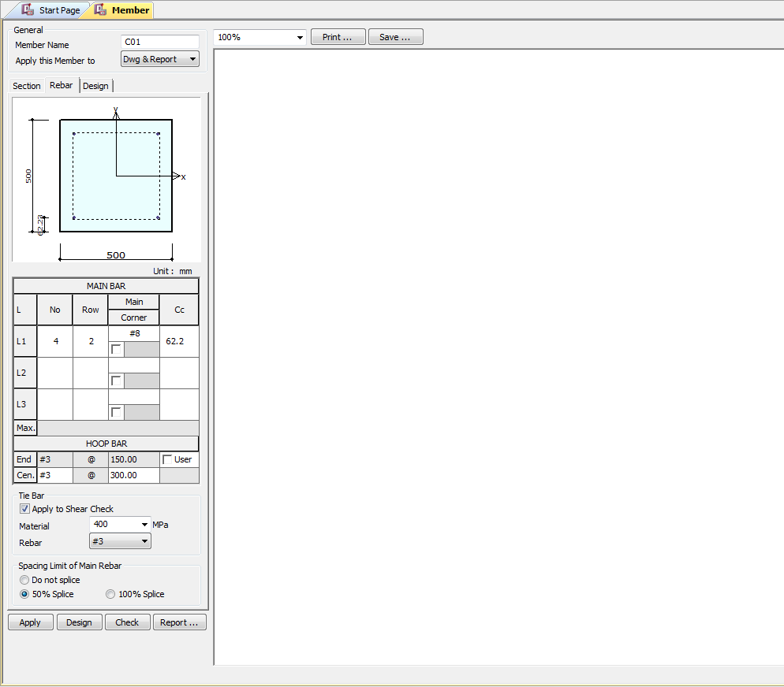

 |  | Load Combiniationc hanges
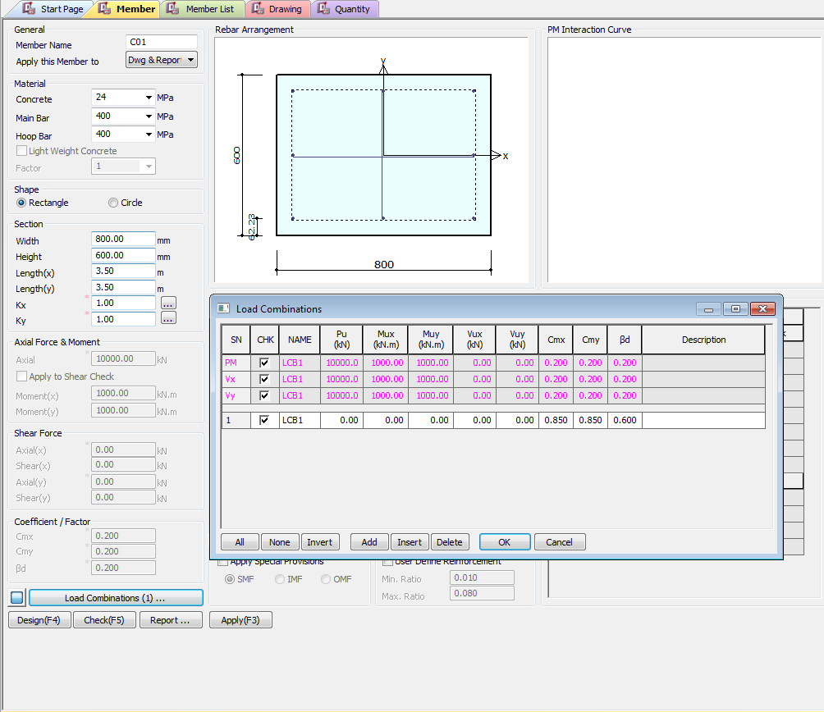

 |  |  |  |  |  | `



Apply IS 13920 Design

UI CHECK
UI Checking

Checks

Pn(KN)
Pn(KN)
 | Show ast Max as per code
 | Area of Steel/bxd
 | Area of Steel/bxd
Mn(KN.m)
Pu/Pn
Mc/Mn
 | Pinput/Pprovided
 | Minput/Mprovided

Vn (KN)
 | providedSpaicng/ MaxSpacing
Vu/Vn
Apply IS 13920 Design
 | Vinput/Vprodived Check

 | Porvided area steel/minimum area of steel

 | Minimum Dimension / Provided Dimension
 | Dimension_min require/Provided

Crack Width (mm)
 | Obtain Crack width/Max Limit of Crack width

CODE PROVISIONS
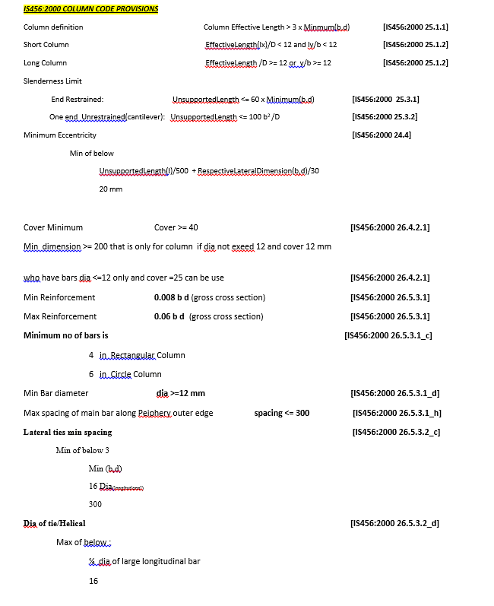
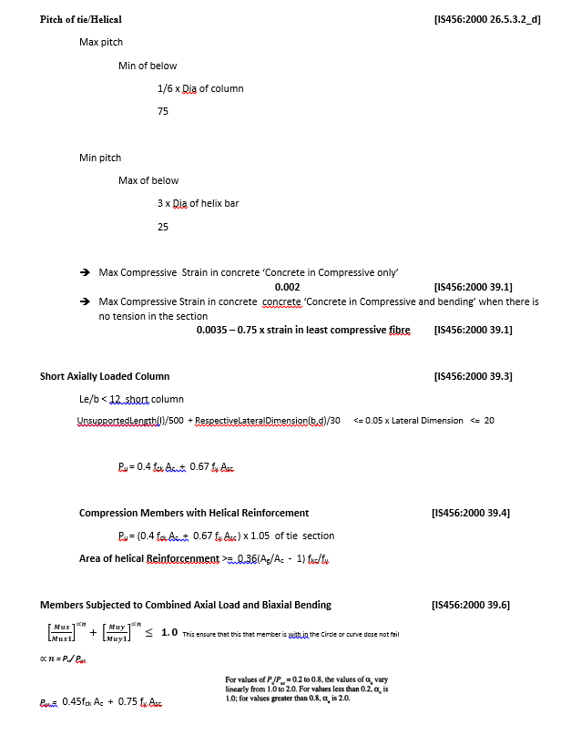
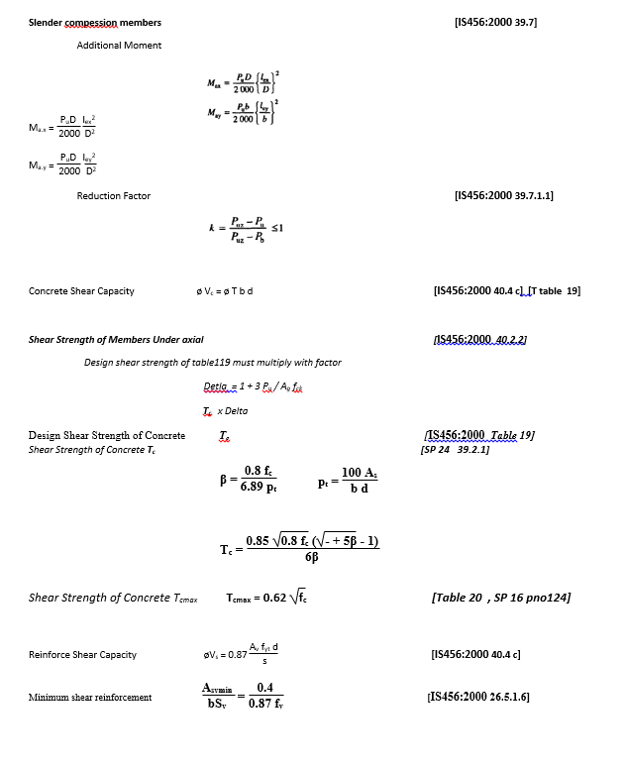
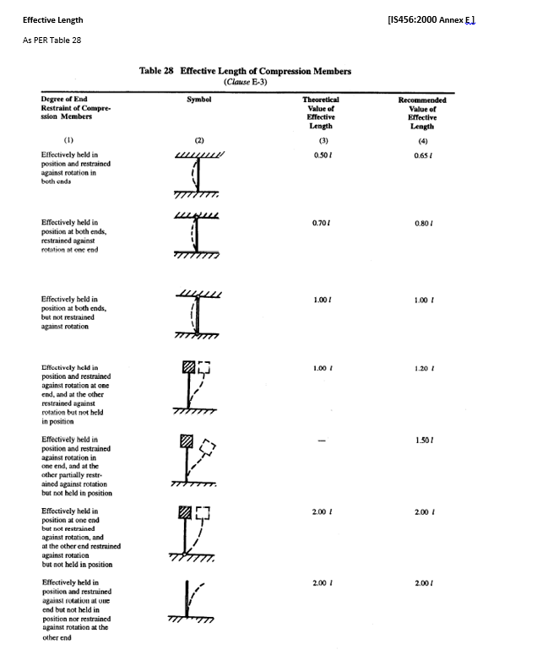
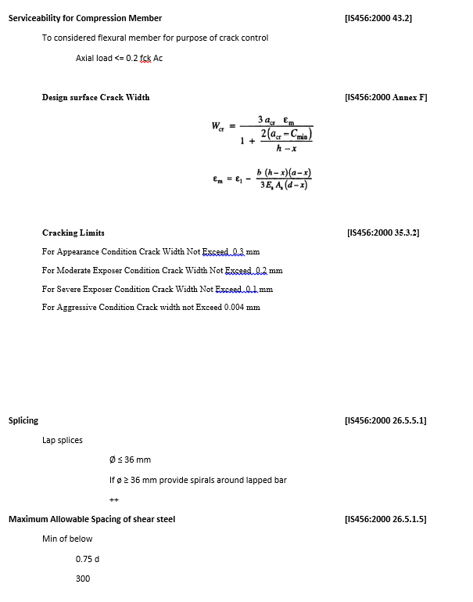
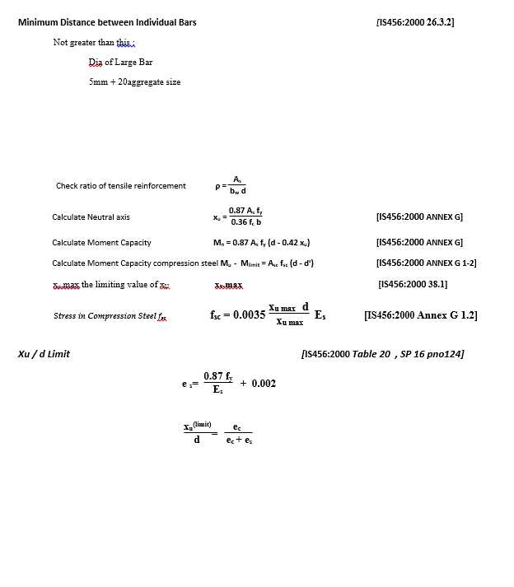
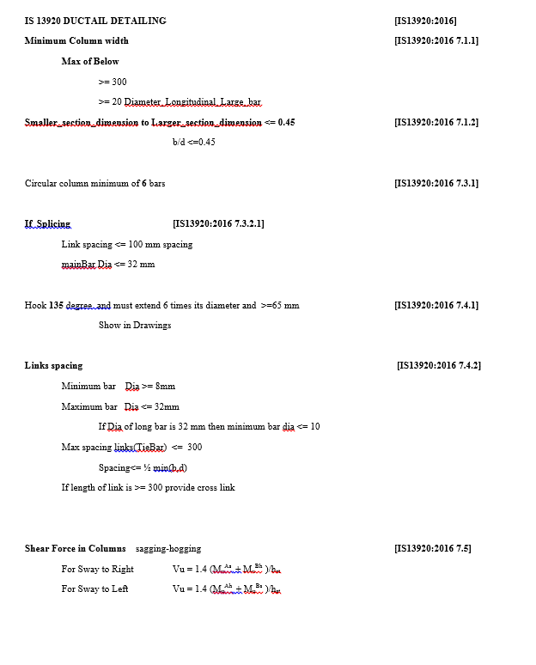
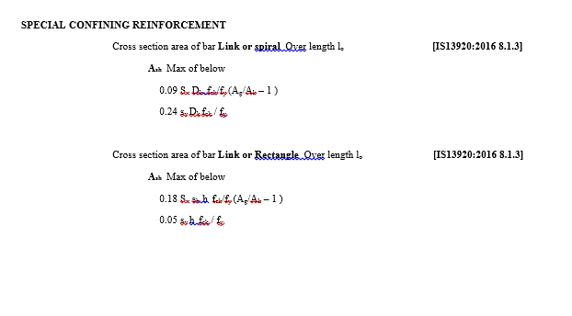
CODE PROVISION

IS456:2000 CODE PROVISIONS
SP 16
SP 24
IS13920:2016

FLOWCHART4
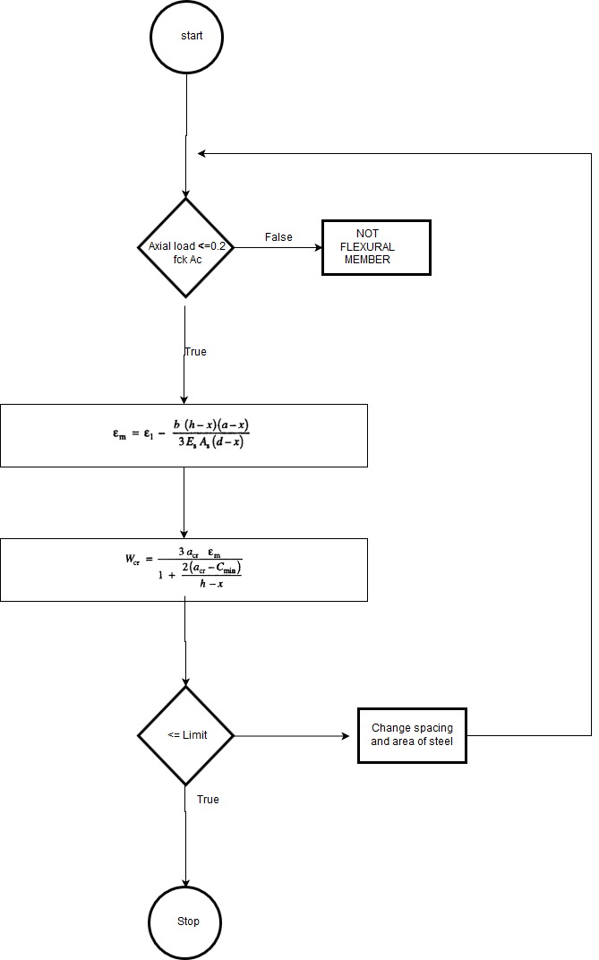
Flow Chart

FLOW CHARTS STEPS

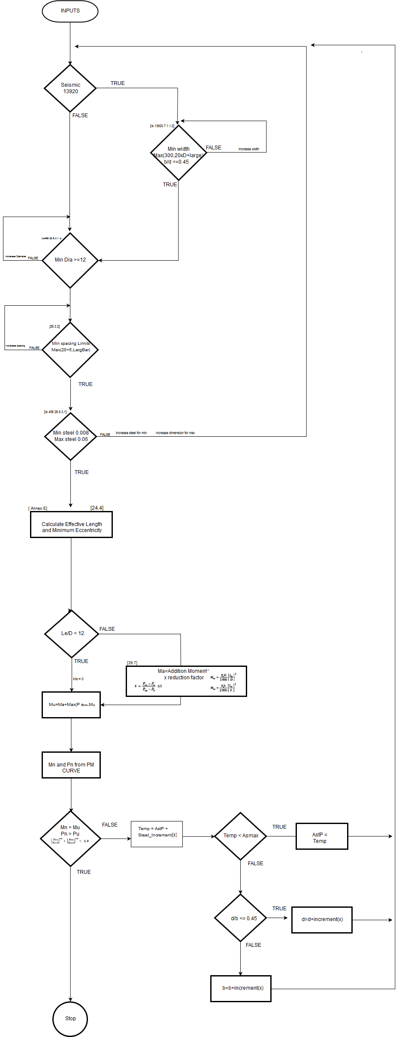
Axial and Moment Check

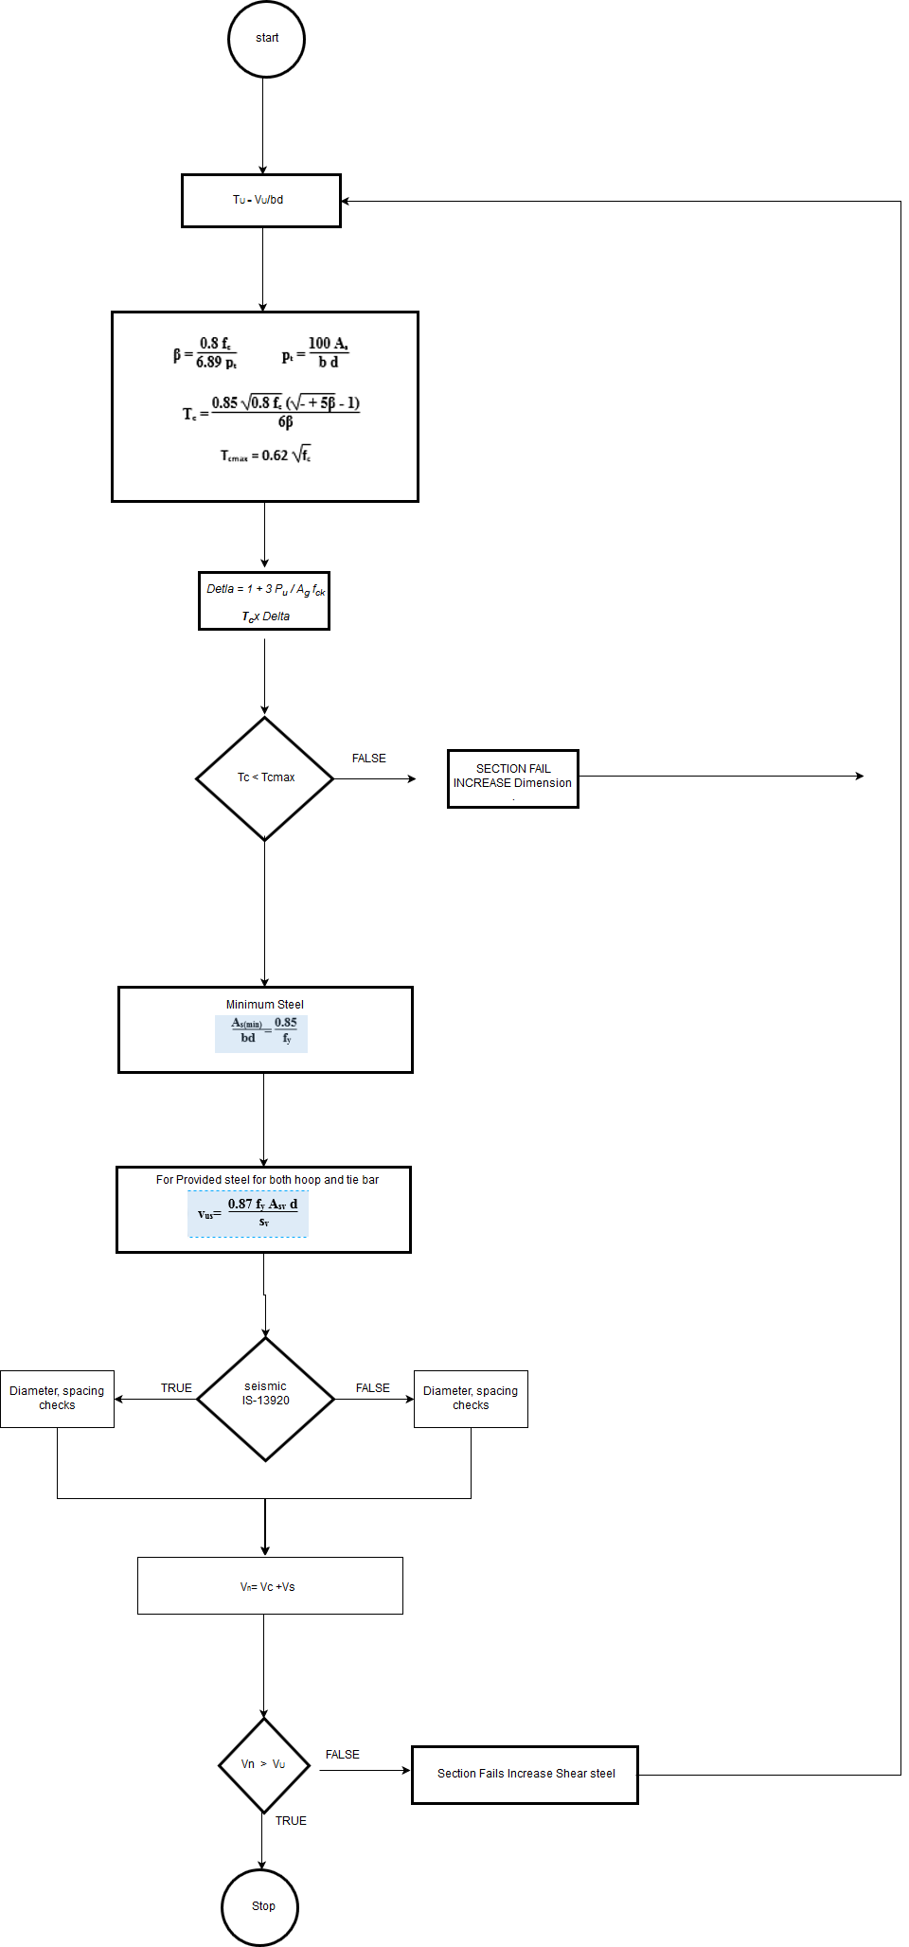
Shear check

Serviceability

DESIGN_PROCEDURE
 |  |  |  |  | Required Changes in Report

EXCEL REPORT
INPUTS | mm and N
b = | 400 | mm | cc = | 60 | mm | PU = | 1600000 | N
d = | 600 | mm |  |  |  | Mux = | 120000000 | N mm
fck = | 15 | N/mm2 |  |  |  | Muy = | 90000000 | N mm
fst = | 415 | N/mm2 |  |  |  | Vu | 400000 | N

Lx = | 3500 | mm
Ly = | 3500 | mm

CAPACITY OF COLUMN |  |  |  |  |  |  |  |  | REFERENCES
PU = | 1600000 | N
Mux = | 120000000 | N mm
Muy = | 90000000 | N mm

Effective Length |  | pinned both sides
lex = | 3500 | mm
ley = | 3500 | mm

ex = | 75 | mm |  |  |  |  |  |  | [IS456:2000 25.4]
ey = | 56.25 | mm

eminx = | 27 | mm
eminy = | 27 | mm

Lex/D = | 5.8333333333
Ley/D = | 8.75
Short Column

$${MM}^{2}$$
As p = | 3048

d'/D = | 0.1
p/fck = | 0.084666666667
Mx1/fck bD2 = |  | 0.095 |  |  |  |  |  |  | [SP 16 44 chat]
Mx1 = |  | 205200000 | N-mm

d'/D = | 0.15
p/fck = | 0.084666666667
My1/fck bD2 = |  | 0.085 |  |  |  |  |  |  | [SP 16 45 chat]
My1 = |  | 122400000 | N-mm

p/pz= |  | 0.62288559538 |  |  |  |  |  |  | [IS456:2000 39.6]
αn = |  | 1.7048093256

Criterial for biaxial bending

 |  | 0.99269644161 |  |  |  |  |  |  | [IS456:2000 39.6]

Safe less than one

Shear Reinforcement |  |  |  |  |  |  |  |  | REFERENCES
vu = |  | 400000 | N | b = | 400 | mm | d = | 600 | mm
tu = |  | 1.6666666667 | N/mm2 |  |  |  |  |  | [IS456:2000 40.2.2]
As P = |  | 3217 | mm2
Delta = |  | 2.3333333333
Tc = |  | 1.8433333333 | N/mm2 |  |  |  |  |  | [IS456:2000 Table 19]
Tc Max = |  | 3.1 | N/mm2 |  |  |  |  |  | [IS456:2000 Table 20]
Provide Nominal
Asv/sv = |  | 0.19572543046 | mm2

min Asv_sv

min Asv_sv = |  | 0.44315191802 | mm2

shear capasity Section
Asv p = | 450 | mm2
S p = | 150 | mm
Ts = | 649890
Tc = | 442400 |  |  |  |  |  |  |  | [IS456:2000 Table 19]

Vn = | 1092290 | N

Cracking width |  |  |  |  |  |  |  |  | REFERENCES
Pu = |  | 16000 |  |  |  |  |  |  | [IS456:2000 43.2] | [412]
flexural consideration |  | 720000
Check for flexural member |  |  | TRUE
D = | 400 | x = | 146.14 | mm
d = | 348 | mm
Ast = | 1814 | mm2
acr = | 59.54 | mm
b = | 250 | mm
Es = | 200000 | N/mm2
fst = | 224 | N/mm2
Cmin = | 38
 |  |  |  |  |  |  |  |  | [IS456:2000 Annex F]
em = | 0.0013351854307 |  |  |  |  |  |  |  | [IS456:2000 Annex F]
wcr = | 0.20389061756 | mm
Cracking Width = |  | 0.20389061756 | mm

REPORT3
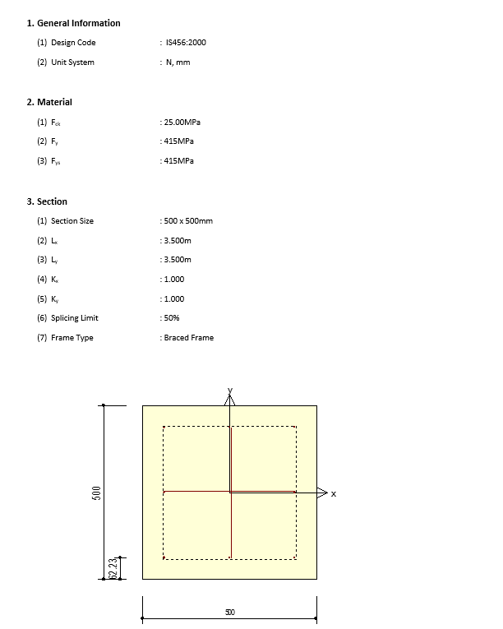
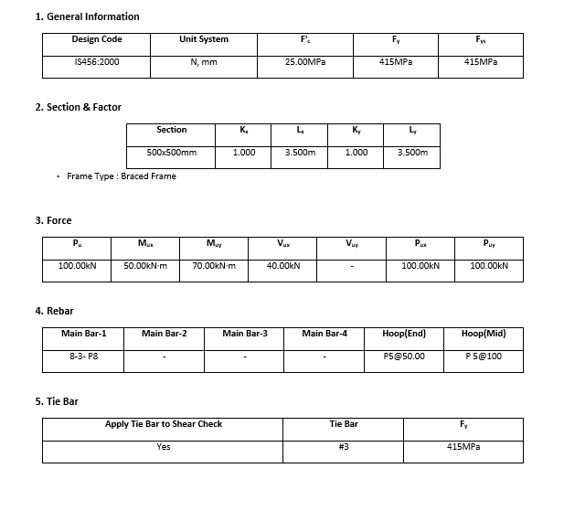
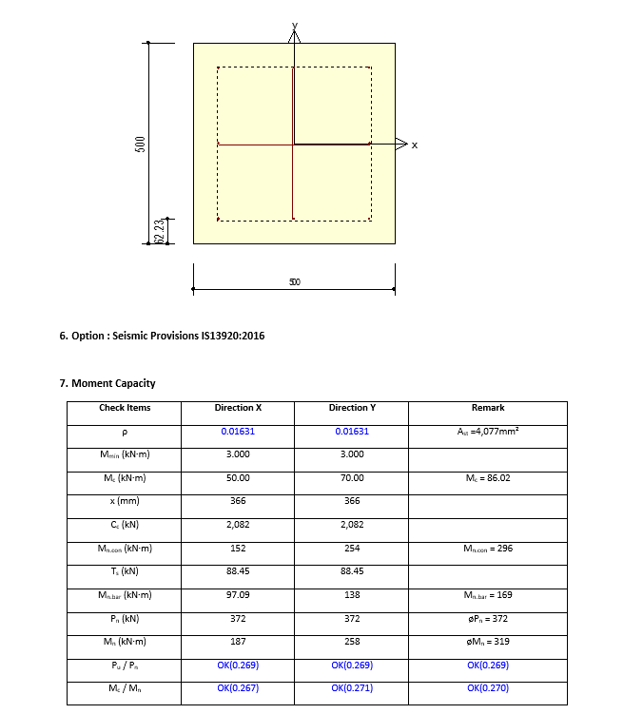
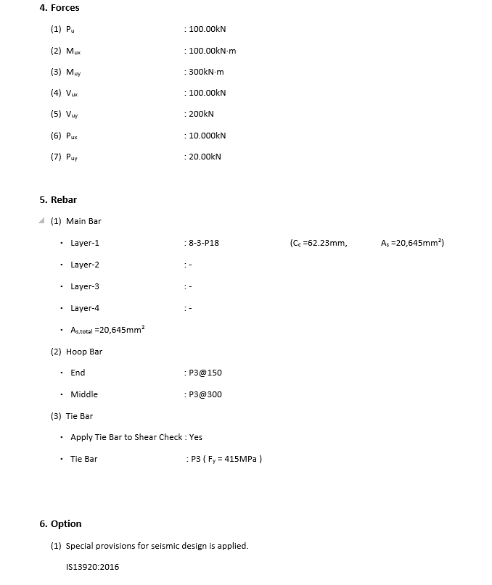
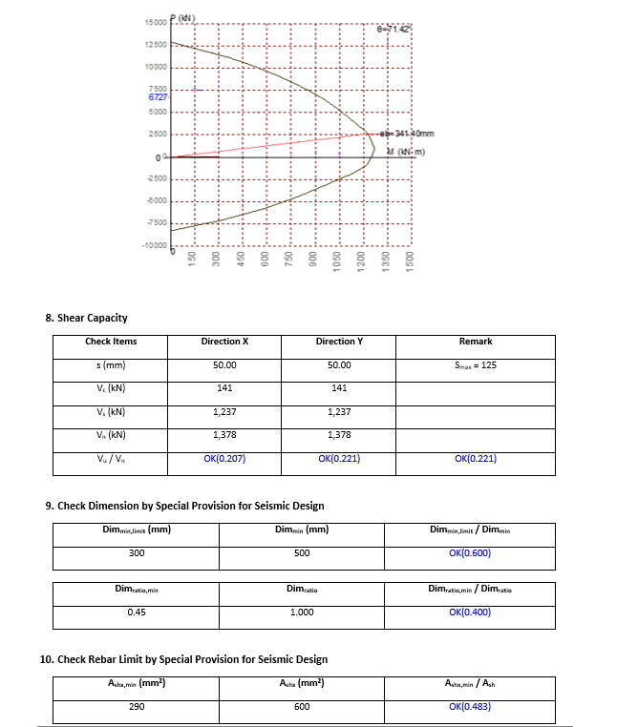
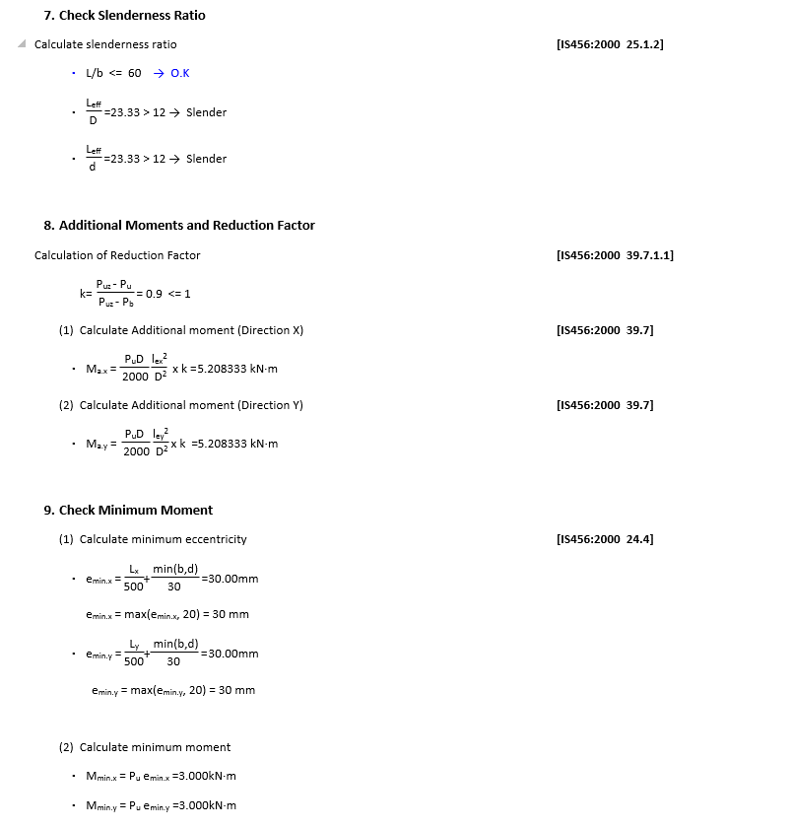
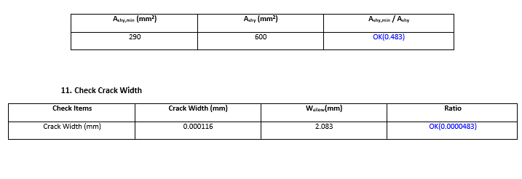
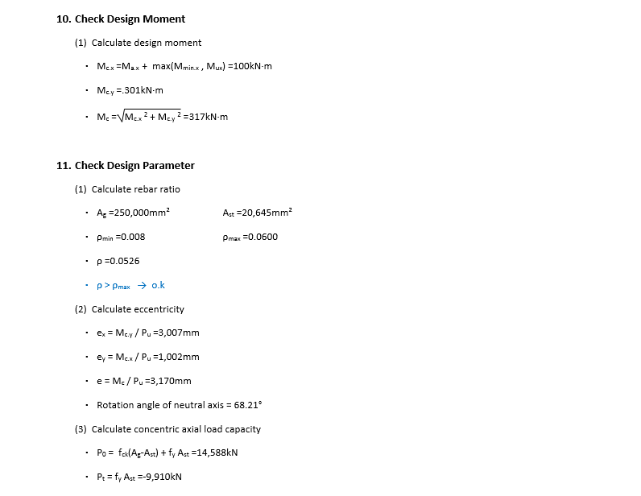
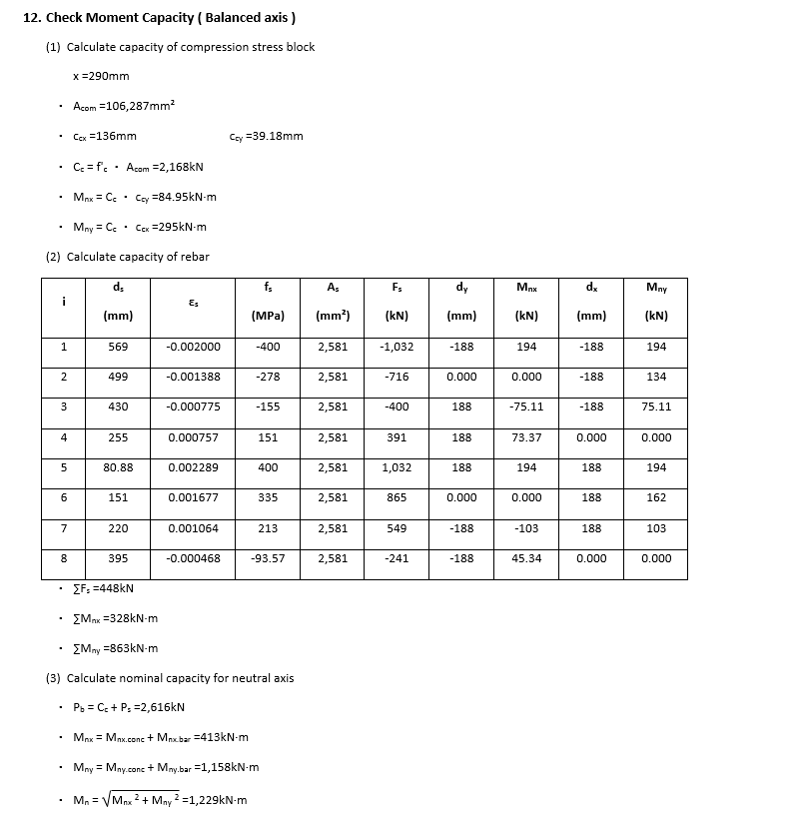
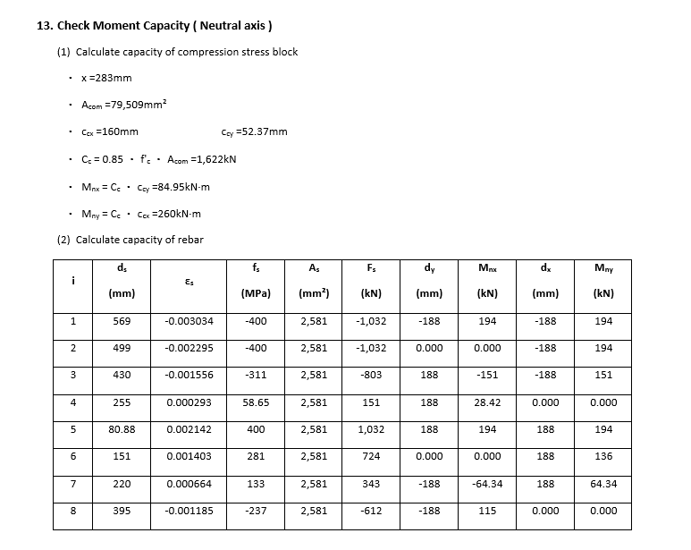
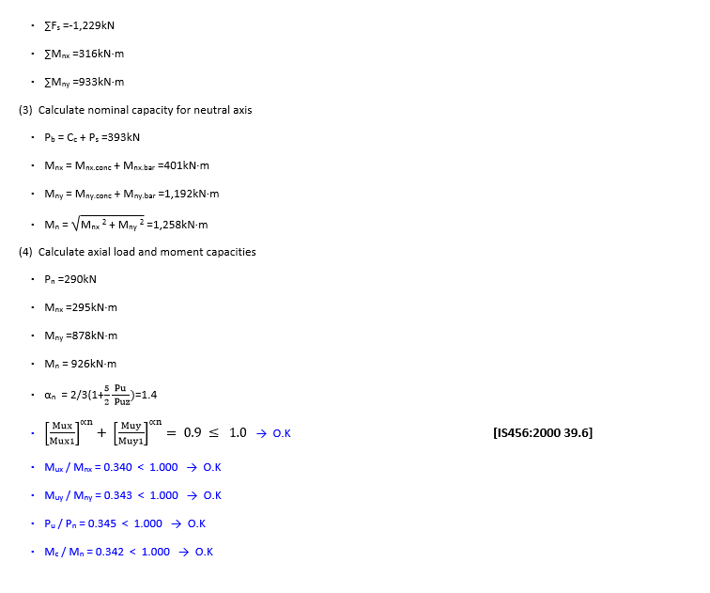
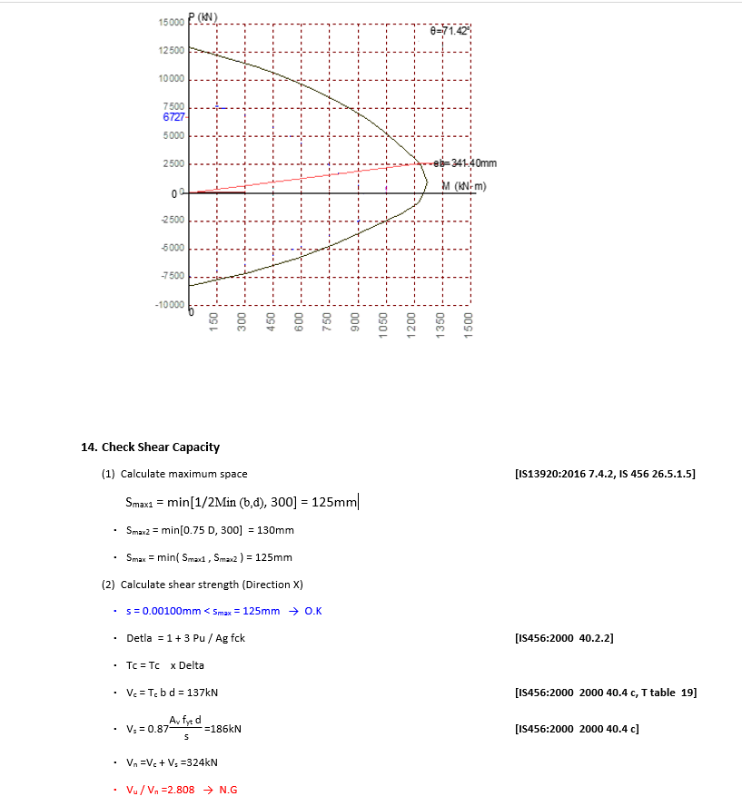
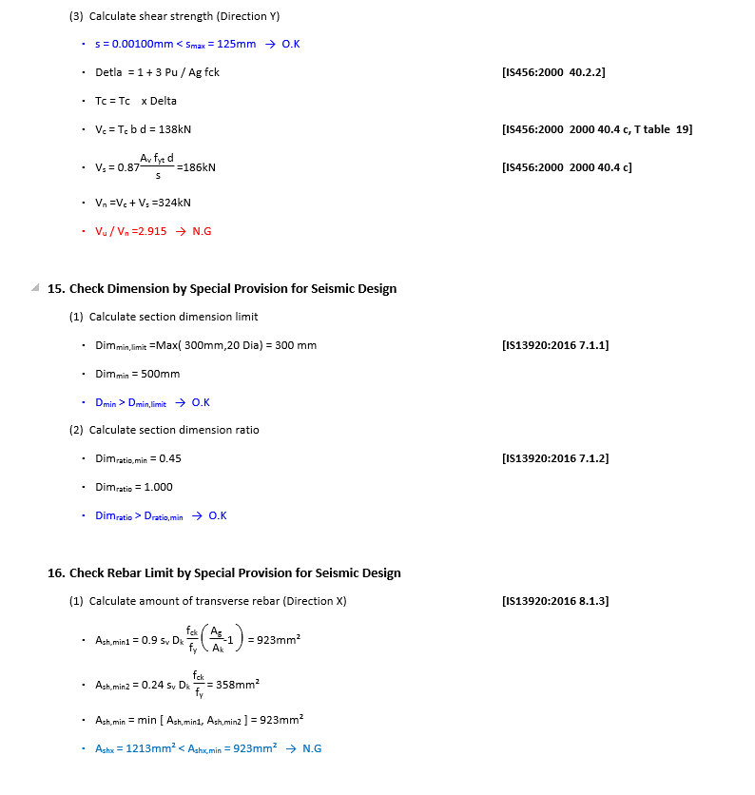
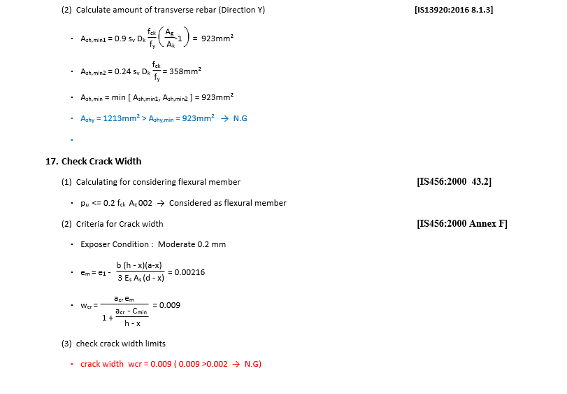
 | REPORT

Detail Report |  | Summary Report

